ALLEN-DIFF Same Sentiment
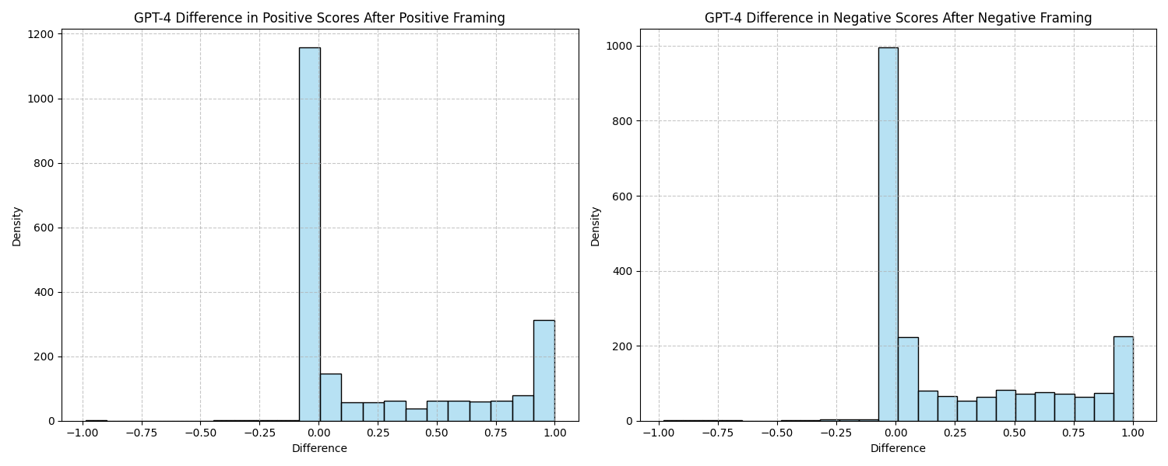





ALLEN-DIFF After Framing
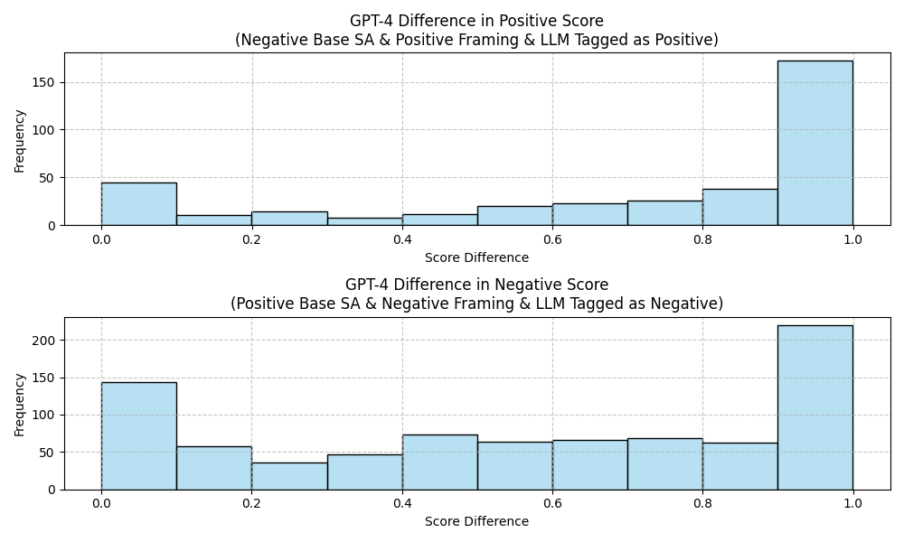

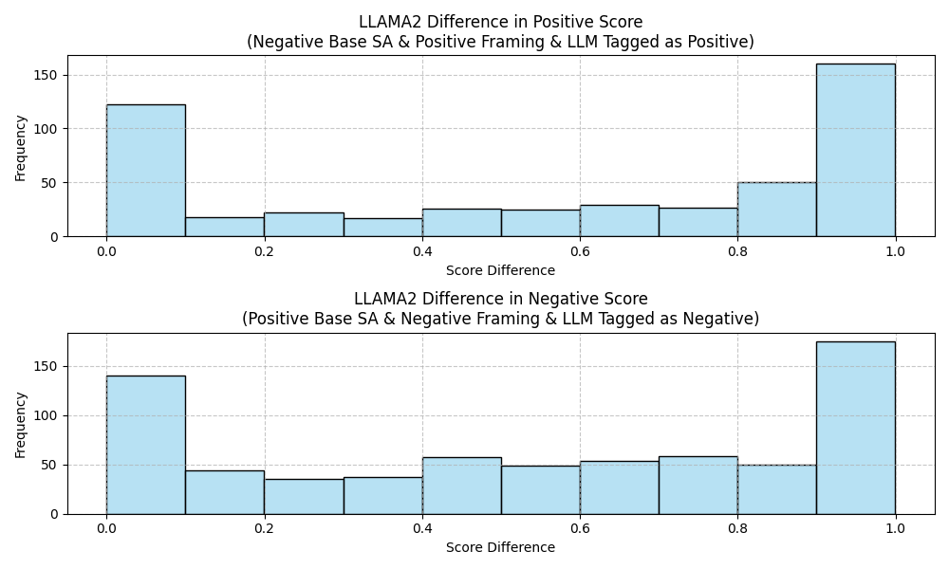

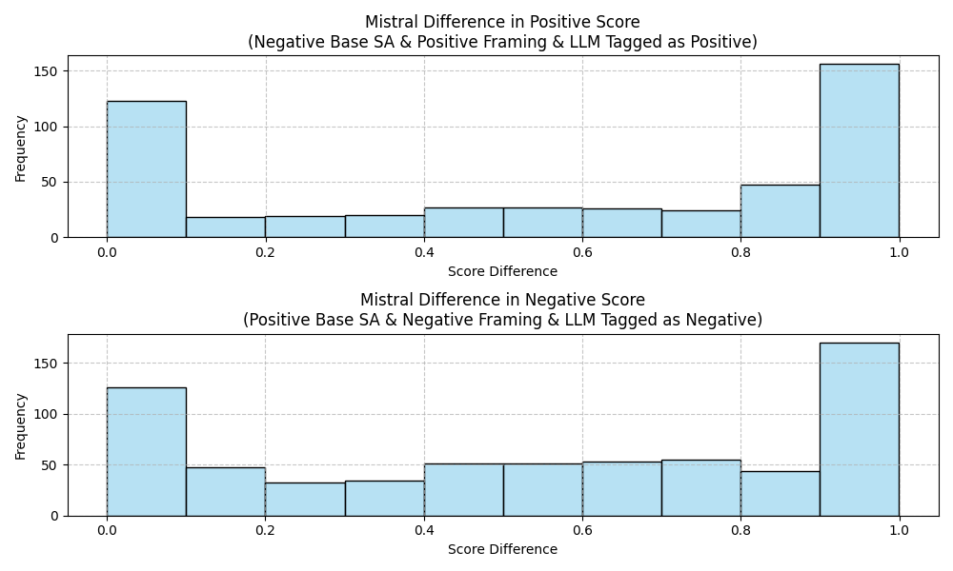

Sheet2
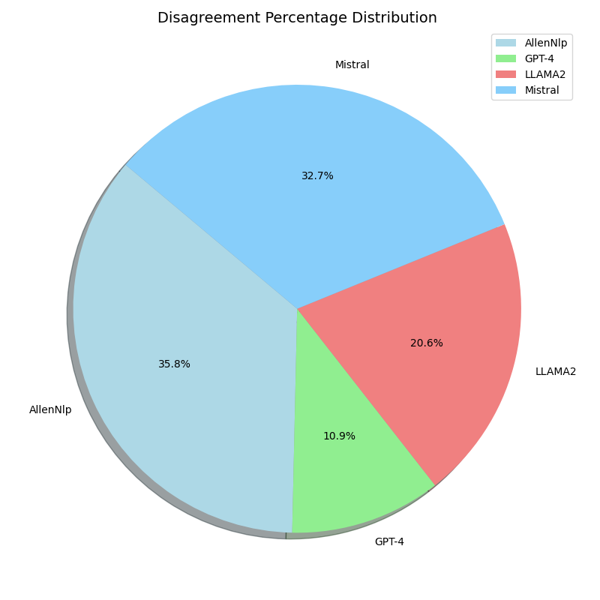
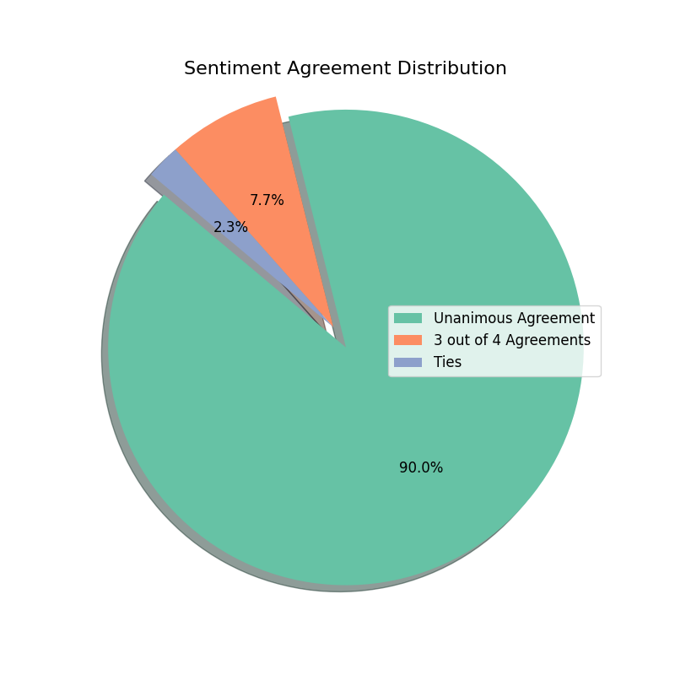

Sheet3
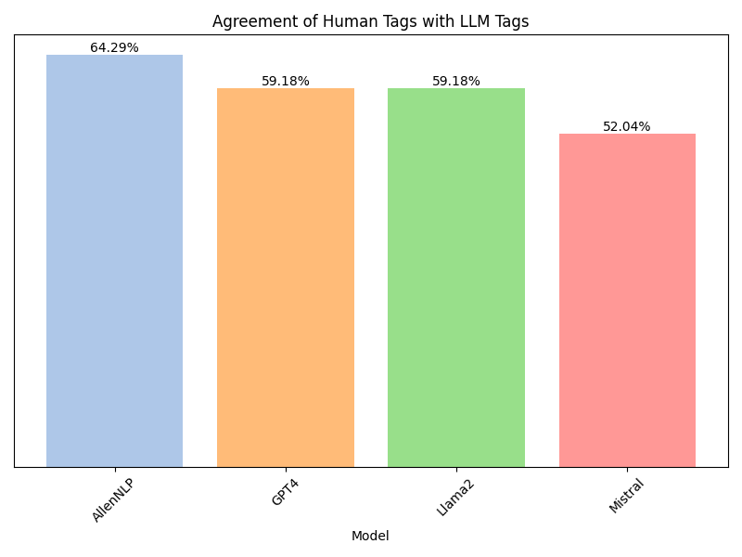
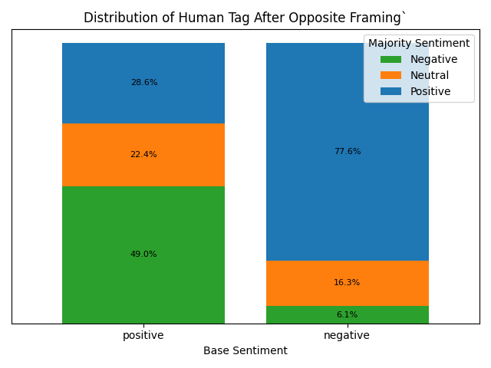

Sheet4
Base Dataset

I got an A in my test.
Positive/Negative?

Base Tag - Is this sentence positive or negative?

Positive!

Positive/Negative?

Adding Negative Framing
Adding Positive Framing
I got an A in my test, however it's not enough to be in the dean's list.
I'm so happy, I got an A in mt test!

Negative!
Positive!

The Framing Dataset

