Sheet1
Status | Sum of Order Total (AUD)
Cancelled | $2,114.70
Delivered | $25,950.04
Paid | $22,260.16
Pending | $2,492.38
Refunded | $4,908.98
Shipped | $15,783.92
Grand Total | $73,510.18

Analysis1
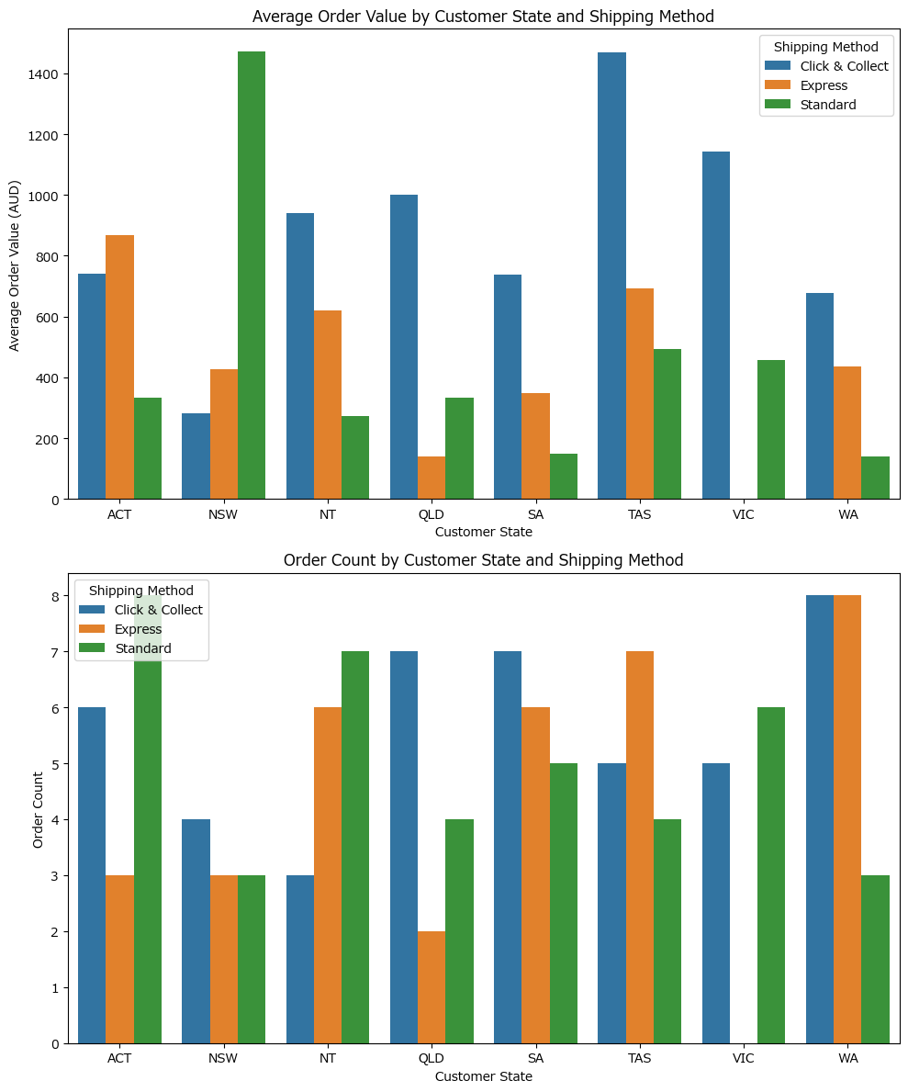
Analysis Sheet
This sheet will include all the Python formulas generated by Copilot.

Load data from Orders, A1:P121

Preview
 | Order ID | Order Date | Customer ID | Customer State | Product Name | ... | GST (AUD) | Order Total (AUD) | Shipping Method | Status | Shipping % of Order
0 | ORD-202500072 | 2025-06-06 21:10:25 | C6764 | TAS | Standing Desk - Walnut 120cm | ... | 280.59 | 3086.54 | Click & Collect | Paid | 0.0032236744056
1 | ORD-202500018 | 2025-07-24 23:39:40 | C6539 | NSW | Standing Desk - Walnut 120cm | ... | 280.59 | 3086.54 | Standard | Delivered | 0.0032236744056
2 | ORD-202500009 | 2025-04-28 01:10:07 | C4483 | TAS | Standing Desk - Walnut 120cm | ... | 279.6 | 3075.6 | Click & Collect | Delivered | 0
3 | ORD-202500056 | 2025-08-01 14:50:24 | C7232 | VIC | Standing Desk - Walnut 120cm | ... | 252.34 | 2775.69 | Click & Collect | Refunded | 0.0025038819176
4 | ORD-202500100 | 2025-08-29 09:38:57 | C8994 | TAS | Standing Desk - Walnut 120cm | ... | 238.65 | 2625.2 | Express | Paid | 0.0037901874143
... | ... | ... | ... | ... | ... | ... | ... | ... | ... | ... | ...
115 | ORD-202500055 | 2025-10-04 02:56:01 | C2052 | SA | Reusable Coffee Cup 12oz | ... | 3.99 | 43.89 | Click & Collect | Delivered | 0
116 | ORD-202500081 | 2025-12-05 02:57:21 | C8381 | ACT | Reusable Coffee Cup 12oz | ... | 3.99 | 43.89 | Standard | Cancelled | 0
117 | ORD-202500120 | 2025-06-20 08:52:05 | C4817 | SA | Reusable Coffee Cup 12oz | ... | 3.79 | 41.69 | Click & Collect | Delivered | 0
118 | ORD-202500036 | 2025-02-27 02:44:22 | C1685 | QLD | Reusable Coffee Cup 12oz | ... | 3.49 | 38.39 | Express | Delivered | 0.38942432925
119 | ORD-202500060 | 2025-03-11 16:48:35 | C6529 | TAS | Reusable Coffee Cup 12oz | ... | 2 | 21.95 | Express | Shipped | 0

Check for missing values and extract date components

Preview
Order ID | 0
Order Date | 0
Customer ID | 0
Customer State | 0
Product Name | 0
... | ...
Status | 0
Shipping % of Order | 0
Order Year | 0
Order Month | 0
Order Day | 0

Descriptive statistics for numerical columns

Preview
 | count | mean | std | min | 25% | 50% | 75% | max
Unit Price (AUD) | 120 | 210.03541667 | 220.48399563 | 19.95 | 59 | 89 | 349 | 699
Quantity | 120 | 2.675 | 1.0781442195 | 1 | 2 | 3 | 4 | 4
Subtotal (AUD) | 120 | 563.34791667 | 692.1144885 | 19.95 | 117.75 | 207 | 807.75 | 2796
Shipping (AUD) | 120 | 6.9329166667 | 5.4778104556 | 0 | 0 | 6.95 | 9.95 | 14.95
Discount (AUD) | 120 | 13.386583333 | 51.357350083 | 0 | 0 | 0 | 0 | 419.4
GST (AUD) | 120 | 55.690583333 | 67.220305934 | 2 | 12.3425 | 21.7 | 74.43 | 280.59
Order Total (AUD) | 120 | 612.58483333 | 739.42811746 | 21.95 | 135.7675 | 238.65 | 818.73 | 3086.54
Shipping % of Order | 120 | 0.035516473953 | 0.054333696464 | 0 | 0 | 0.012261685311 | 0.051368023935 | 0.38942432925

Frequency distributions for categorical columns

Preview
{'Customer State': Customer State WA 19 SA 18 ACT 17 TAS 16 NT 16 QLD 13 VIC 11 NSW 10 Name: count, dtype: int64, 'Product Name': Product Name Standing Desk - Walnut 120cm 15 Reusable Coffee Cup 12oz 15 USB-C Hub 7-...

Visualize distributions and relationships between key variables

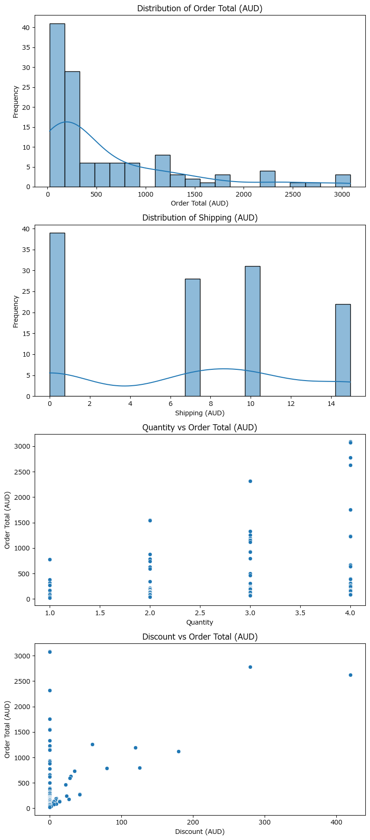

Segmented analysis by customer state and shipping method

Preview
 | Customer State | Shipping Method | Order Total (AUD) | Order Total (AUD) | Order Total (AUD) | Discount (AUD) | Discount (AUD) | Shipping (AUD) | Shipping (AUD)
 |  |  | mean | sum | count | mean | sum | mean | sum
0 | ACT | Click & Collect | 739.74333333 | 4438.46 | 6 | 1.475 | 8.85 | 5.6333333333 | 33.8
1 | ACT | Express | 868.96333333 | 2606.89 | 3 | 0 | 0 | 8.3 | 24.9
2 | ACT | Standard | 332.49125 | 2659.93 | 8 | 2.4375 | 19.5 | 7.3375 | 58.7
3 | NSW | Click & Collect | 282.63 | 1130.52 | 4 | 2.225 | 8.9 | 11.7 | 46.8
4 | NSW | Express | 425.22333333 | 1275.67 | 3 | 49.716666667 | 149.15 | 9.6166666667 | 28.85
... | ... | ... | ... | ... | ... | ... | ... | ... | ...
18 | VIC | Click & Collect | 1142.056 | 5710.28 | 5 | 55.92 | 279.6 | 9.15 | 45.75
19 | VIC | Standard | 457.445 | 2744.67 | 6 | 8.275 | 49.65 | 6.1333333333 | 36.8
20 | WA | Click & Collect | 677.14125 | 5417.13 | 8 | 12.76875 | 102.15 | 6.225 | 49.8
21 | WA | Express | 435.25125 | 3482.01 | 8 | 4.3625 | 34.9 | 5.84375 | 46.75
22 | WA | Standard | 140.02666667 | 420.08 | 3 | 0 | 0 | 9.9666666667 | 29.9

Correlation matrix for numerical variables

Preview
 | Unit Price (AUD) | Quantity | Subtotal (AUD) | Shipping (AUD) | Discount (AUD) | GST (AUD) | Order Total (AUD) | Shipping % of Order
Unit Price (AUD) | 1 | 0.0063766194777 | 0.88330268292 | 0.049827596371 | 0.31305401193 | 0.8859535497 | 0.8859495053 | -0.37261264742
Quantity | 0.0063766194777 | 1 | 0.32268477514 | -0.1960963941 | 0.13242720401 | 0.32052223232 | 0.32052489736 | -0.30251026789
Subtotal (AUD) | 0.88330268292 | 0.32268477514 | 1 | -0.02760320966 | 0.41636933478 | 0.99757801835 | 0.99757791166 | -0.37469896981
Shipping (AUD) | 0.049827596371 | -0.1960963941 | -0.02760320966 | 1 | 0.031227360151 | -0.022659328819 | -0.022657634956 | 0.59312878976
Discount (AUD) | 0.31305401193 | 0.13242720401 | 0.41636933478 | 0.031227360151 | 1 | 0.35255451815 | 0.35255324088 | -0.11630416645
GST (AUD) | 0.8859535497 | 0.32052223232 | 0.99757801835 | -0.022659328819 | 0.35255451815 | 1 | 0.99999999872 | -0.3720840149
Order Total (AUD) | 0.8859495053 | 0.32052489736 | 0.99757791166 | -0.022657634956 | 0.35255324088 | 0.99999999872 | 1 | -0.37207682501
Shipping % of Order | -0.37261264742 | -0.30251026789 | -0.37469896981 | 0.59312878976 | -0.11630416645 | -0.3720840149 | -0.37207682501 | 1

Relationship between order status and key numerical measures

Preview
 | Status | Order Total (AUD) | Order Total (AUD) | Order Total (AUD) | Discount (AUD) | Discount (AUD) | Shipping (AUD) | Shipping (AUD)
 |  | mean | sum | count | mean | sum | mean | sum
0 | Cancelled | 352.45 | 2114.7 | 6 | 0 | 0 | 9.9583333333 | 59.75
1 | Delivered | 632.92780488 | 25950.04 | 41 | 11.012195122 | 451.5 | 5.1426829268 | 210.85
2 | Paid | 636.00457143 | 22260.16 | 35 | 15.965428571 | 558.79 | 8.7585714286 | 306.55
3 | Pending | 356.05428571 | 2492.38 | 7 | 1.95 | 13.65 | 4.9785714286 | 34.85
4 | Refunded | 1227.245 | 4908.98 | 4 | 101.2875 | 405.15 | 7.9625 | 31.85
5 | Shipped | 584.58962963 | 15783.92 | 27 | 6.5666666667 | 177.3 | 6.9666666667 | 188.1

Time series analysis: order volume and total over time

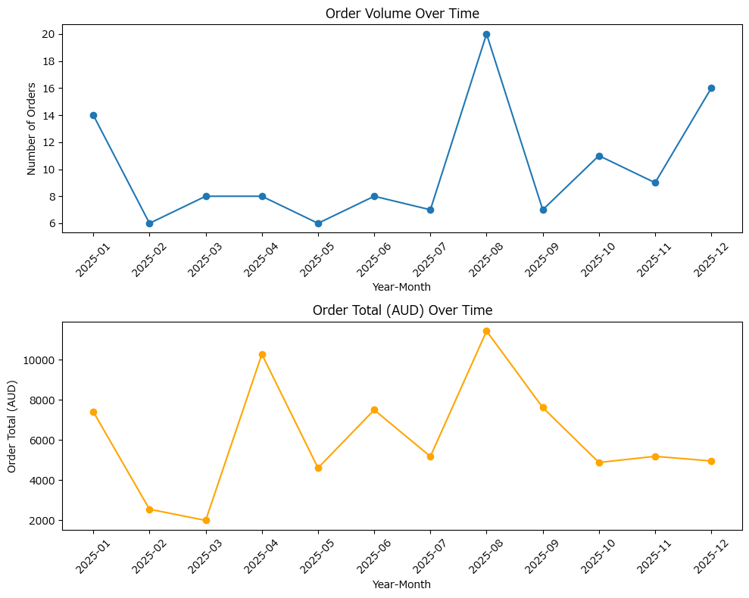

Categorical field validation and missing value check

Preview
{'Customer State': {'unique': array(['TAS', 'NSW', 'VIC', 'NT', 'SA', 'QLD', 'ACT', 'WA'], dtype=object), 'missing': 0}, 'Shipping Method': {'unique': array(['Click & Collect', 'Standard', 'Express'], dtype=object), 'missing': 0}}

Segmentation of orders by customer state and shipping method with aggregated metrics

Preview
 | Customer State | Shipping Method | Order ID | Order Total (AUD) | Order Total (AUD) | Shipping (AUD) | Discount (AUD) | GST (AUD)
 |  |  | count | sum | mean | mean | mean | mean
0 | ACT | Click & Collect | 6 | 4438.46 | 739.74333333 | 5.6333333333 | 1.475 | 67.251666667
1 | ACT | Express | 3 | 2606.89 | 868.96333333 | 8.3 | 0 | 78.996666667
2 | ACT | Standard | 8 | 2659.93 | 332.49125 | 7.3375 | 2.4375 | 30.22875
3 | NSW | Click & Collect | 4 | 1130.52 | 282.63 | 11.7 | 2.225 | 25.6925
4 | NSW | Express | 3 | 1275.67 | 425.22333333 | 9.6166666667 | 49.716666667 | 38.656666667
... | ... | ... | ... | ... | ... | ... | ... | ...
18 | VIC | Click & Collect | 5 | 5710.28 | 1142.056 | 9.15 | 55.92 | 103.826
19 | VIC | Standard | 6 | 2744.67 | 457.445 | 6.1333333333 | 8.275 | 41.586666667
20 | WA | Click & Collect | 8 | 5417.13 | 677.14125 | 6.225 | 12.76875 | 61.56
21 | WA | Express | 8 | 3482.01 | 435.25125 | 5.84375 | 4.3625 | 39.57
22 | WA | Standard | 3 | 420.08 | 140.02666667 | 9.9666666667 | 0 | 12.726666667

Visualize average order value and order count by customer state and shipping method

