Maintain
Extension | General

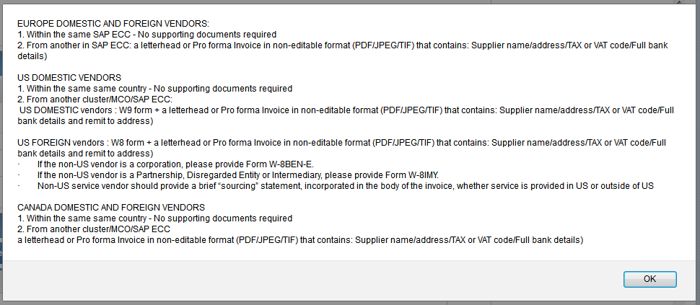
 | Name, Address, VAT/Tax changes - Official Letterhead or Pro-Forma invoice in non-editable format (PDF/JPEG/TIF)

 | All other changes - no support documents required

 | Payment Terms

 | No requirement

 | Deletion / Block / Unblock

 | No requirement

Bank

 | Financial Sensitive Fields

 | No requirement

