Sheet2
DP: | Top-down | Bottom-up
 |  | backtrack
Binary Search Tree
in-order | 4, 10, 12, 15, 18, 22, 24, 25, 31, 35, 44, 50, 66, 70, 90 |  |  | (2) (1) (3) |  | Three steps to a traversal
 |  |  |  |  |  | 1. Visit the current node
pre-order | 25, 15, 10, 4, 12, 22, 18, 24, 50, 35, 31, 44, 70, 66, 90 |  |  | (1) (2) (3) |  | 2. Traverse its left subtree
 |  |  |  |  |  | 3. Traverse its right subtree
post order | 4, 12, 10, 18, 24, 22, 15, 31, 44, 35, 66, 90, 70, 50, 25 |  |  | (2) (3) (1)

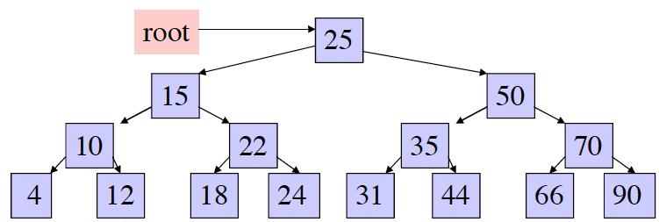

recursion |  |  | iterative
pre-order | if root: |  | while stack or node: |  | root, left, right
res.append(root.val) |  |  | if node:
self.post(root.left, res) |  |  |  | res.append(node.val)
self.post(root.right, res) |  |  |  | stack.append(node)
 |  |  |  | node = node.left
 |  |  | else:
 |  |  |  | node = stack.pop()
 |  |  |  | node = node.right

in-order | if root: |  | while stack or node: |  | left, root, right
self.post(root.left, res) |  |  | if node:
res.append(root.val) |  |  |  | stack.append(node)
self.post(root.right, res) |  |  |  | node = node.left
 |  |  | else:
 |  |  |  | node = stack.pop()
 |  |  |  | res.append(node.val)
 |  |  |  | node = node.right

post-order | if root: |  | while stack or node: |  | 反着加的思想： 进站， 加值 root, right, left
self.post(root.left, res) |  |  | if node:
self.post(root.right, res) |  |  |  | res.insert(0,node.val)
res.append(root.val) |  |  |  | stack.append(node)
 |  |  |  | node = node.right
 |  |  | else:
 |  |  |  | node = stack.pop()
 |  |  |  | node = node.left

