Sheet1
ピーリンク
 | 必须这样登录

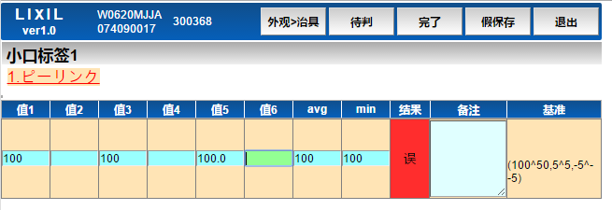
 | m_check | id | goods_id | kind_cd | tools_id | tools_order | classify_id | classify_order | type_cd | department_cd | kind | check_position | check_item | benchmark_type | benchmark_value1 | benchmark_value2 | benchmark_value3 | check_times | check_way | delete_flg | insert_user | insert_date | update_user | update_date
 |  | 900000001 | 9000001 | 1 |  |  | 90000001 | 1 | 1 | 2 | ピーリンク单独 |  | コード与标签数量 | 50 | 100^50 | 5^5 | -3125 | 4 |  | 0 | 1 | 2015-11-06 19:14:15 | 1 | 2015-11-06 19:14:15

 |  | (1 行受影响)

 | m_classify | id | goods_id | kind_cd | department_cd | tools_id | classify_name | picture_id | disp_no | delete_flg | insert_user | insert_date | update_user | update_date
 |  | 90000001 | 9000001 | 1 | 2 |  | ピーリンク | 242 | 1 | 0 | 1 | 2015-11-06 19:14:15 | 1 | 2015-11-06 19:14:15

 |  | (1 行受影响)

 | t_check_result | id | goods_id | make_number | department_cd | check_user | start_time | end_time | up_check_user | up_start_time | up_end_time | result | remarks | check_times | shareResult_id | continue_chk_flg | delete_flg | qianpin_flg | insert_user | insert_date | update_user | update_date | Product_Line_check | ProductionQuantity_check | Finish_Date_check
 |  | 2015102800001 | 9000001 | 74090017 | 2 | 300368 | 2015-10-28 15:12:00 | 2015-10-28 15:12:00 |  | NULL | NULL |  |  | 0 |  | 3 | 0 | 0 | 300368 | 2015-10-28 15:12:00 | 300368 | 2015-10-28 15:12:00 | NULL | NULL | NULL

 |  | (1 行受影响)

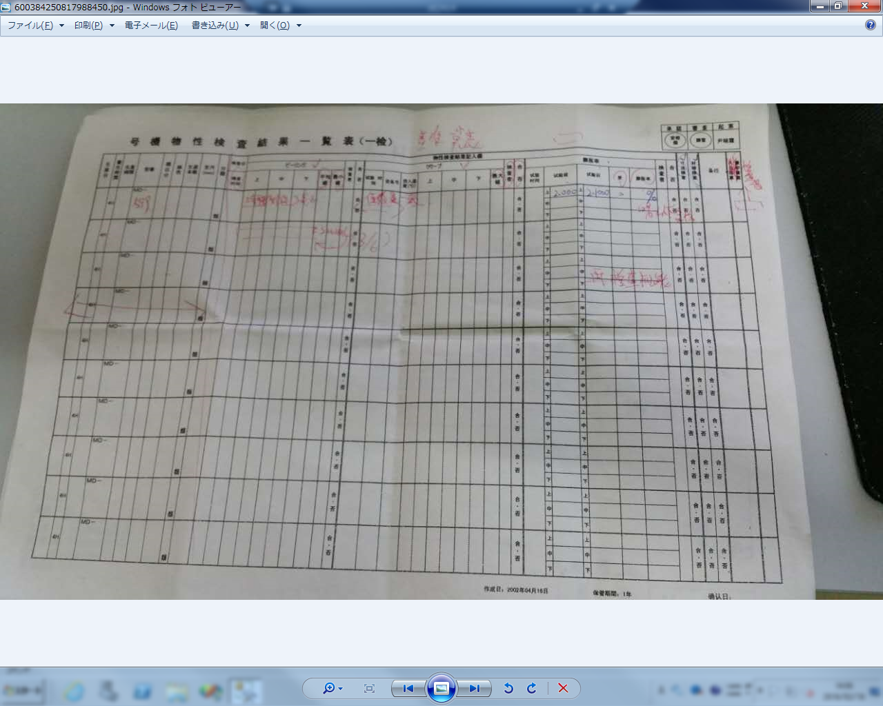
 | t_result_detail | result_id | check_id | measure_value1 | measure_value2 | measure_value3 | measure_value4 | measure_value5 | measure_value6 | picture_id | result | dis_no | remarks | delete_flg | benchmark_type | benchmark_value1 | benchmark_value2 | benchmark_value3 | tools_scan_flg | classify_id | check_times
 |  | 2015110100008 | 900000001 | 100 |  | 100 |  | 100 |  | NULL | NG | 1 |  | NULL | 50 | 100^50 | 5^5 | -3125 | NULL | NULL | 1

 |  | (1 行受影响)

 | 基准值
 |  | 50 | 输入6个值 | 基准值1+基准值3<=平均数<=基准值1+基准值2
 |  | 51 | 输入3个值 | 基准值1+基准值3<=平均数<=基准值1+基准值2

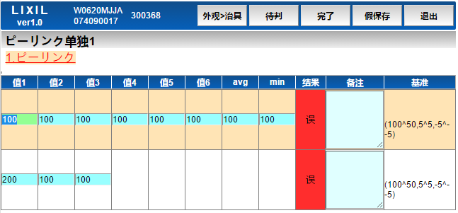
 | m_check | id | goods_id | kind_cd | tools_id | tools_order | classify_id | classify_order | type_cd | department_cd | kind | check_position | check_item | benchmark_type | benchmark_value1 | benchmark_value2 | benchmark_value3 | check_times | check_way | delete_flg | insert_user | insert_date | update_user | update_date
 |  | 900000001 | 9000001 | 1 |  |  | 90000001 | 1 | 1 | 2 | ピーリンク单独1 |  | コード与标签数量 | 50 | 100^50 | 5^5 | -3125 | 4 |  | 0 | 1 | 2015-11-06 19:14:15 | 1 | 2015-11-06 19:14:15
 |  | 900000002 | 9000001 | 1 |  |  | 90000001 | 1 | 1 | 2 | ピーリンク单独2 |  | コード与标签数量 | 51 | 100^50 | 5^5 | -3125 | 4 |  | 0 | 1 | 2015-11-06 19:14:15 | 1 | 2015-11-06 19:14:15

 |  | (2 行受影响)

 | m_classify | id | goods_id | kind_cd | department_cd | tools_id | classify_name | picture_id | disp_no | delete_flg | insert_user | insert_date | update_user | update_date
 |  | 90000001 | 9000001 | 1 | 2 |  | ピーリンク | 242 | 1 | 0 | 1 | 2015-11-06 19:14:15 | 1 | 2015-11-06 19:14:15

 |  | (2 行受影响)

 | t_check_result | id | goods_id | make_number | department_cd | check_user | start_time | end_time | up_check_user | up_start_time | up_end_time | result | remarks | check_times | shareResult_id | continue_chk_flg | delete_flg | qianpin_flg | insert_user | insert_date | update_user | update_date | Product_Line_check | ProductionQuantity_check | Finish_Date_check
 |  | 2015102800001 | 9000001 | 74090017 | 2 | 300368 | 2015-10-28 15:12:00 | 2015-10-28 15:12:00 |  | NULL | NULL |  |  | 0 |  | 3 | 0 | 0 | 300368 | 2015-10-28 15:12:00 | 300368 | 2015-10-28 15:12:00 | NULL | NULL | NULL

 |  | (1 行受影响)

 | t_result_detail | result_id | check_id | measure_value1 | measure_value2 | measure_value3 | measure_value4 | measure_value5 | measure_value6 | picture_id | result | dis_no | remarks | delete_flg | benchmark_type | benchmark_value1 | benchmark_value2 | benchmark_value3 | tools_scan_flg | classify_id | check_times
 |  | 2015110100008 | 900000001 | 100 | 100 | 100 | 100 | 100 | 100 | NULL | NG | 1 |  | NULL | 50 | 100^50 | 5^5 | -3125 | NULL | NULL | 1
 |  | 2015110100008 | 900000002 | 200 | 100 | 100 |  |  |  | NULL | NG | 1 |  | NULL | 51 | 100^50 | 5^5 | -3125 | NULL | NULL | 1

 |  | (2 行受影响)

