Sheet1 (2)
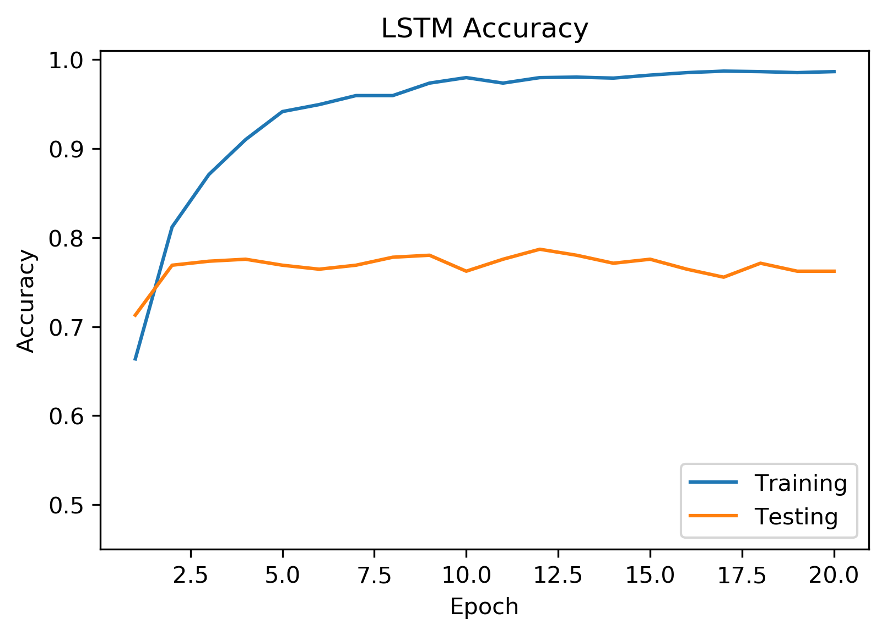
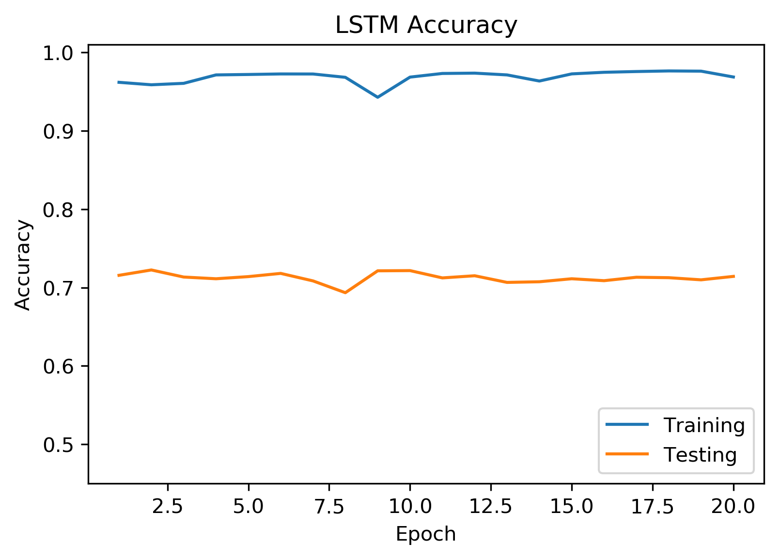
 | CNN | BD-LSTM W2V Embedding
 | Don’t Balance Don’t Train Embeddings | Balance Train Embeddings | Balance Don’t Train Embeddings | Don’t Balance Don’t Train Embeddings

Test Accuracy | 0.71 | 0.76 | 0.75 | 0.79
Train Accuracy | 0.97 | 0.99 | 0.85 | 0.88
Image ID | 01’ | 02’ | 03’ | 04’
model ID | m1 | -- | m2 | m3
True Positive | 408 | 170 | 166 | 557
False Positive | 245 | 43 | 45 | 95
True Negative | 361 | 170 | 168 | 114
False Negative | 204 | 63 | 67 | 79

 |  |  | img 03
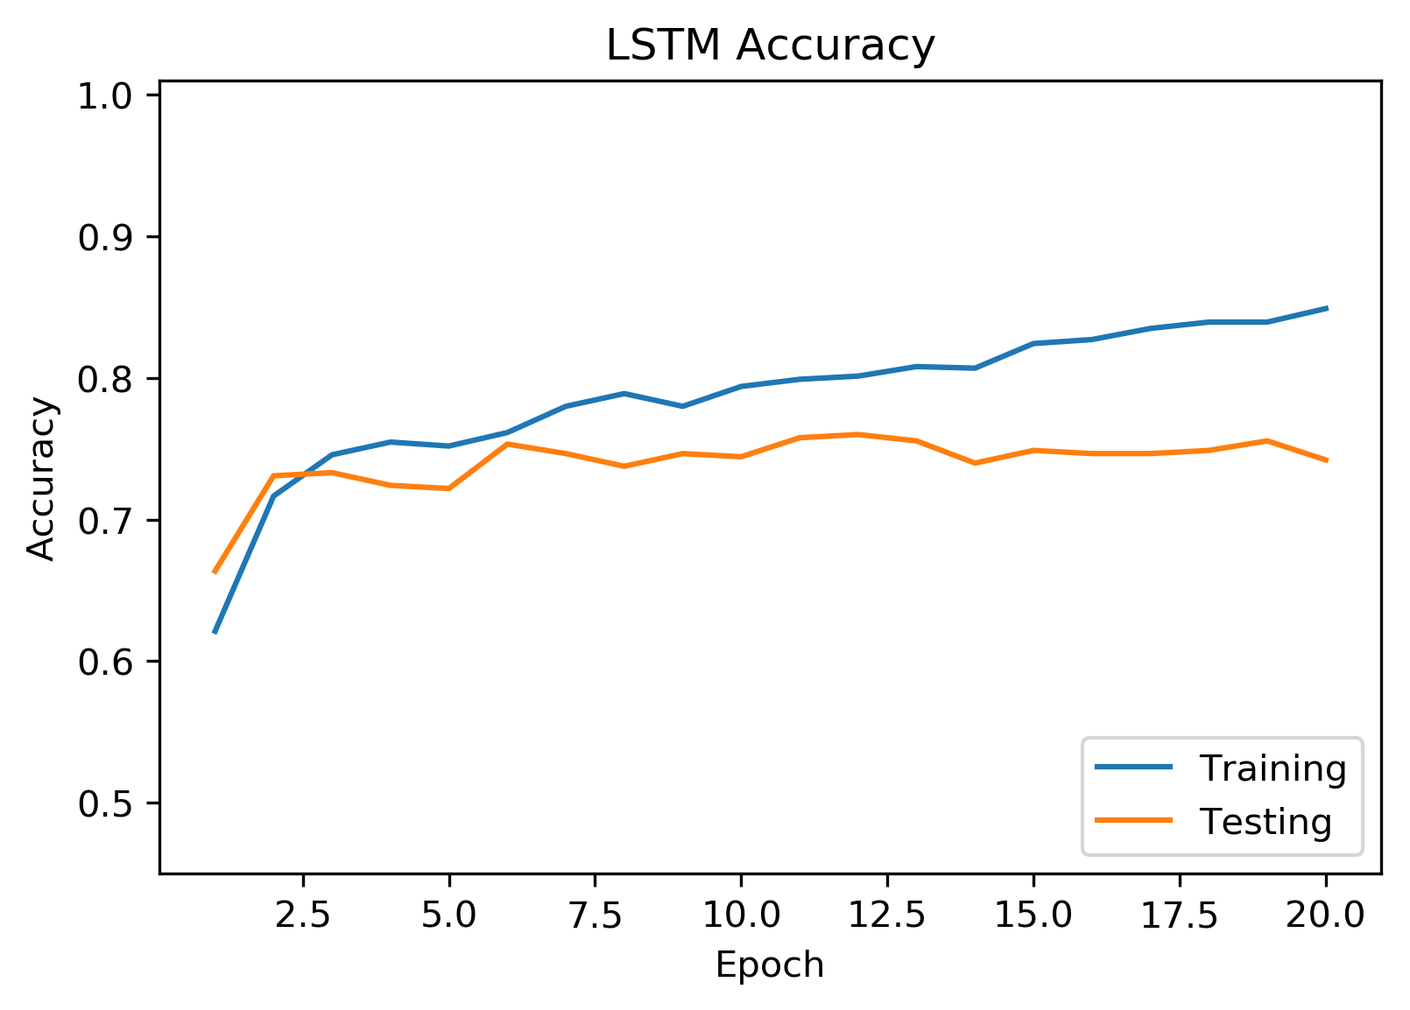
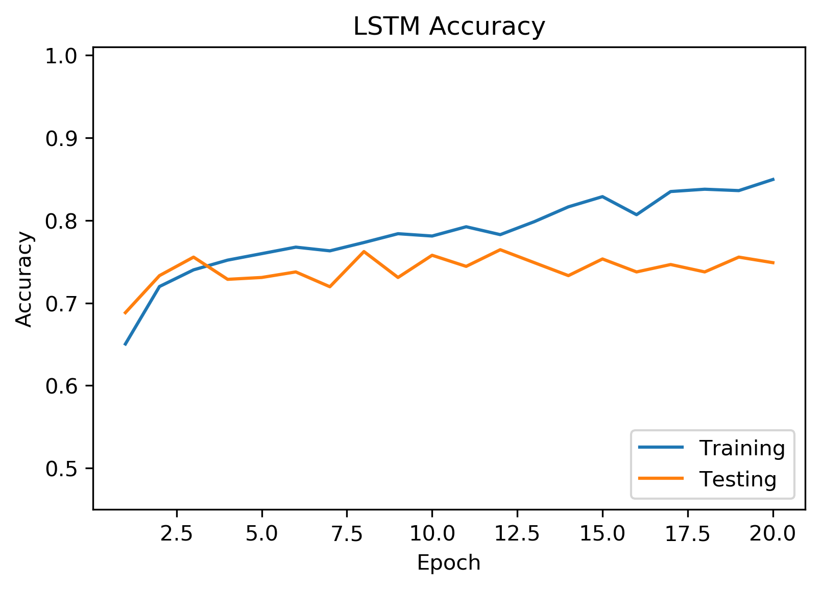

 |  |  |  | img 01

