Sheet1
seq No. | strength1 | stength2 | N | privacy | graph | beta | outcome
1 | 100 | 10 | 200 | 0.5,0.5,0.5,0.5 | complete | 0.001 |  | 55
2 | 100 | 100 | 200 | 0.5,0.5,0.5,0.5 | complete | 0.001 |  | 100
3 | 200 | 200 | 200 | 0.5,0.5,0.5,0.5 | complete | 0.001 | 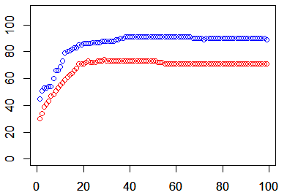
4 | 50 | 50 | 200 | 0.5,0.5,0.5,0.5 | complete | 0.001
5 | 200 | 50 | 200 | 0.5,0.5,0.5,0.5 | complete | 0.001 | 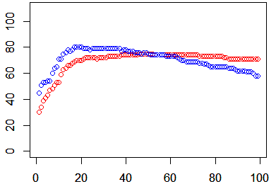
6 | 10 | 0.1 | 200 | 0.9,0.9,0.1,0.1 | complete | 0.001 | 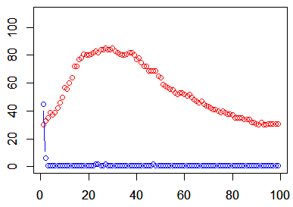
7 | 10 | 0.1 | 200 | 0.1,0.1,0.9,0.9 | complete | 0.001 | 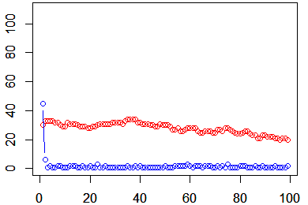
8 | 10 | 0.1 | 200 | 0.5,0.5,0.5,0.5 | complete | 0.001 | 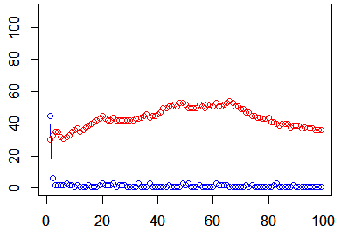
9
10
11
12
13
14
15
16
17

