AEMO direction cost
Go to Contents

Quarterly Energy Dynamics - Q2 2024
Figures from the report covering 1 April to 30 June 2024

Figure 85 Decline in South Australian direction hours and costs
South Australia system security directions – time and estimated costs
$m, %
 |  | Direction costs | Percentage of time of directions
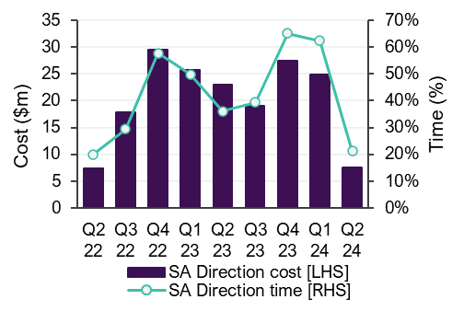
 | Q2 22 | 7.4 | 20%
 | Q3 22 | 17.8 | 29%
 | Q4 22 | 29.5 | 58%
 | Q1 23 | 25.7 | 50%
 | Q2 23 | 23.1 | 36%
 | Q3 23 | 19.1 | 39%
 | Q4 23 | 27.4 | 65%
 | Q1 24 | 24.9 | 62%
 | Q2 24 | 7.5 | 21%

