Example wilcoxii
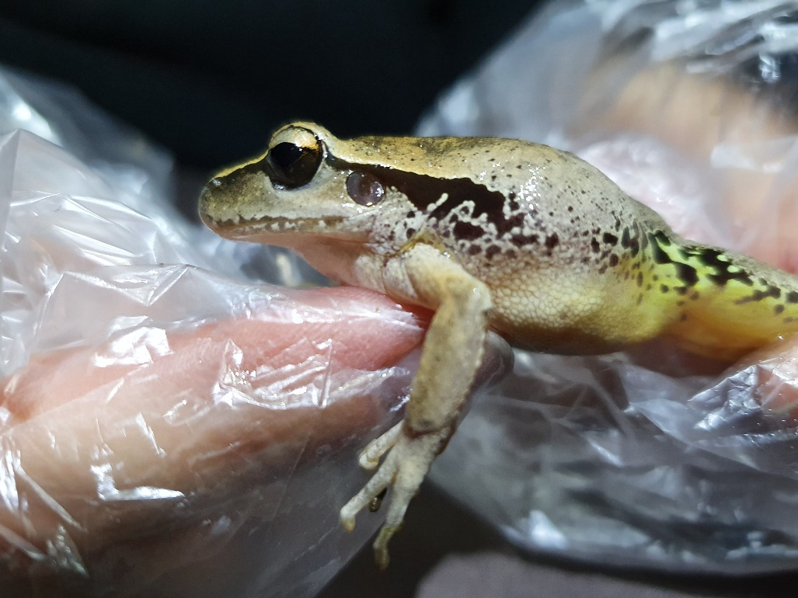
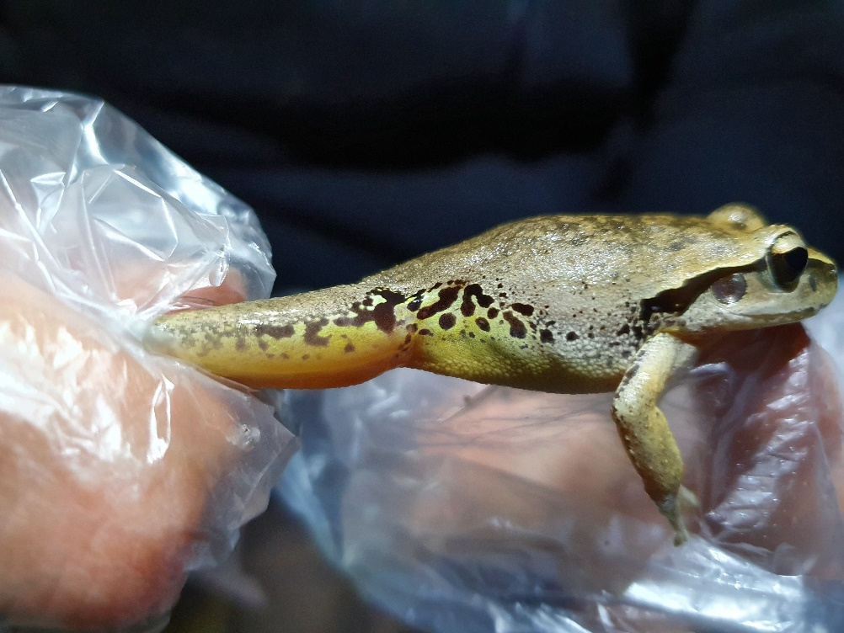

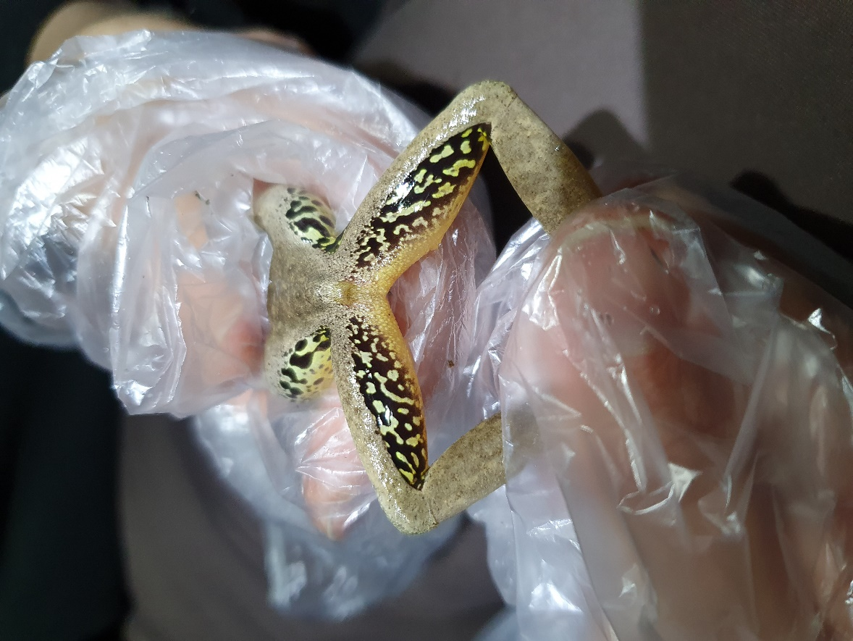
 | Litoria wilcoxii
Dorsum | Pale fawn to dark brown, grey-brown or reddish-brown, sometimes with scattered darker flecks, or irregular dark brown patches and a transverse bar between the eyes. Breeding males can be bright yellow or have yellow limbs and sides of head and body. Skin smooth, occasionally with small scattered tubercles.
Groin | Yellow, usually with several black spots or patches. In some individuals, the groin can be green or blue-green instead of yellow.
Back of thighs | Black with scattered yellow, white, blue, or greenish spots and blotches
Iris | Gold upper half; dark-brown lower half
Head stripe | Continuous narrow black stripe from the tip of the snout (usually with a narrow pale border above), through the eye and over the tympanum, to above the arm, where it broadens out and sometimes continues as a series of smaller blotches along the sides of the abdomen. This stripe can be less obvious or absent in yellow breeding males.
Tympanum | Distinct with pale rim
Head shape | Head broad and about as wide as long; snout slightly pointed in dorsal view and rounded in lateral view
Ventral surface | Belly white and granular; throat smooth, sometimes with black mottling
Webbing | Fingers unwebbed; toes about three-quarters webbed

