Sheet1
Model | Spectual Clustering | Guassian Mixture Model | Agglomerative Clustering | K Means Clustering
Figure | 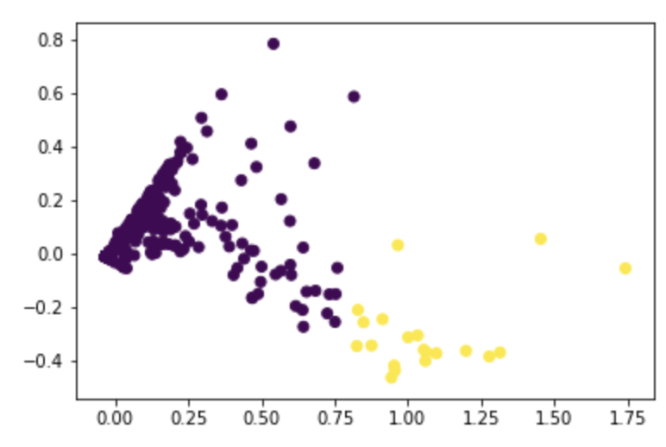 | 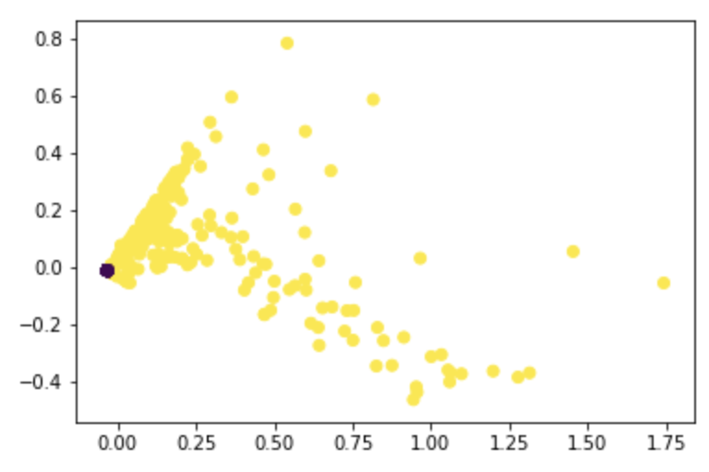 | 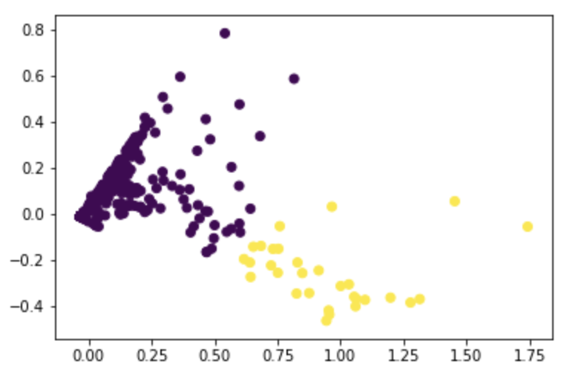 | 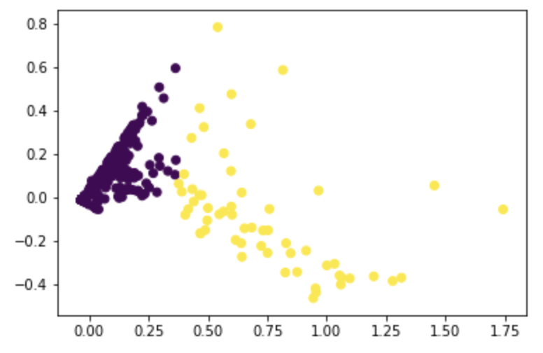
Silhouette Coefficient: | 0.93777582055 | 0.81872722224 | 0.93653160463 | 0.93043968694
Euclidean distance: | 142.57629536 | 82.819079927 | 125.37543619 | 101.09896142

