Sheet1
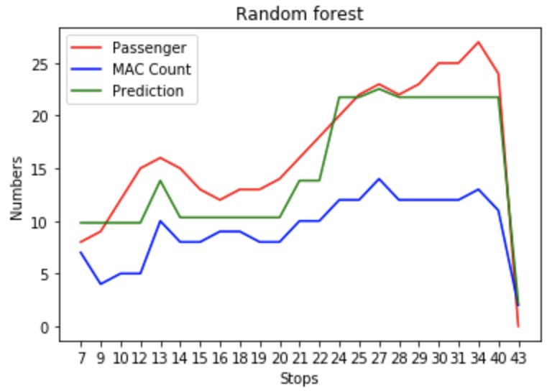 Random Forest (Mean Abosulute Percentage Error: 0.024455369077628745 Mean Square Error: 44.83442702314854 Symmetry Mean Abosulute Percentage Error: 22.9982651700737 | 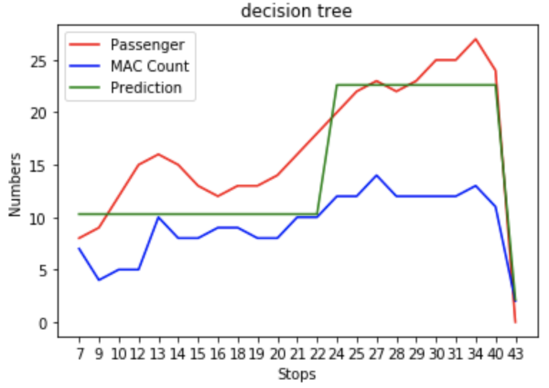 Mean Abosulute Percentage Error: 0.06135990314000416 Mean Square Error: 54.154773629717056 Symmetry Mean Abosulute Percentage Error: 28.689149406862878
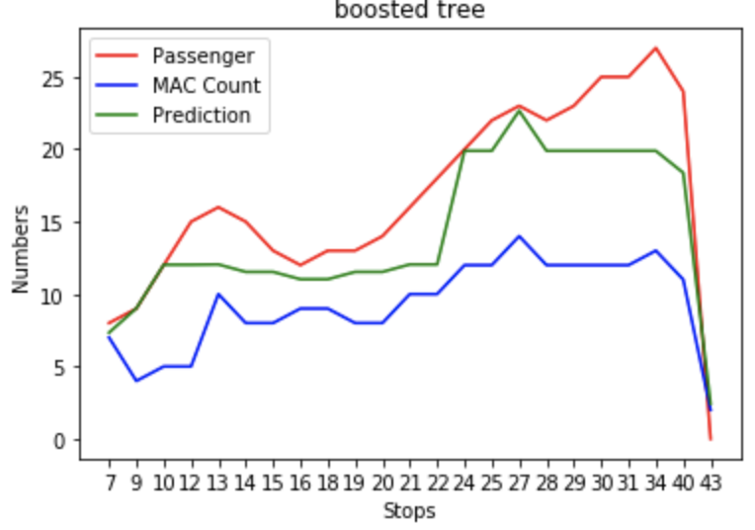 Mean Abosulute Percentage Error: 0.23624294454531433 Mean Square Error: 66.00987223088002 Symmetry Mean Abosulute Percentage Error: 28.146997409779516 | 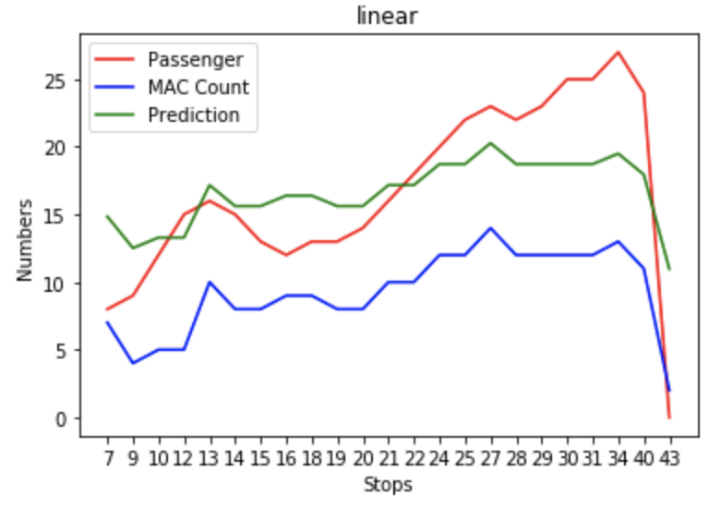 Mean Abosulute Percentage Error: 0.003083330133339473 Mean Square Error: 58.09938950911541 Symmetry Mean Abosulute Percentage Error: 25.229156925684578

