On Premise Request
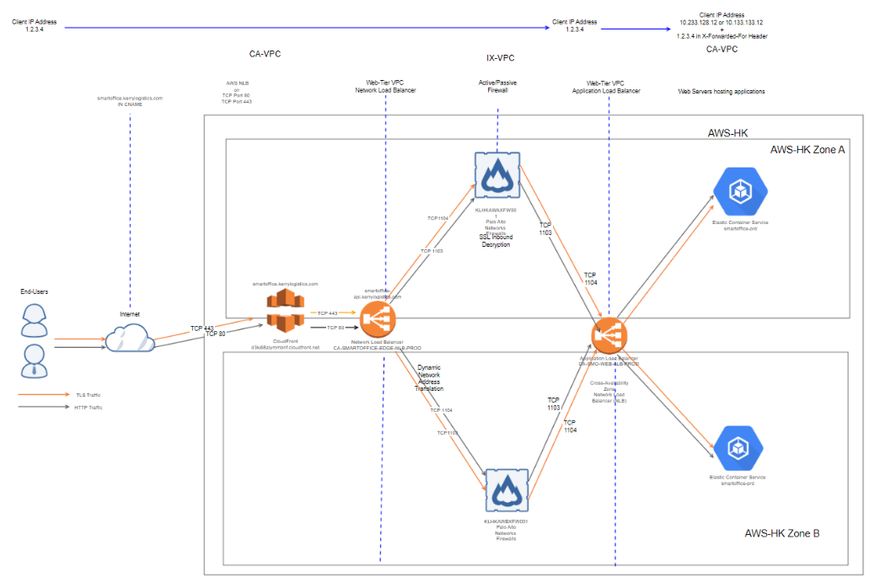
 |  | On Premise Request

Project Name: | Smart Form
Region: | HK
Business Unit: | CA
Project Code: | SmartForm-HK
New Request (Yes/No) *: | YES
Target Deployment | Go Live date : | 16-Jul-21
Planned Testing Date : | 12-Jul-21
Is that working Before (Yes/No) *: | NO
Last Working Date & Time *: | NO
Purpose of Request : | New Change / Existing
Risk *: | High
Environment : | PRO / UAT /DEV

Internet to On Premise
Sources IP | Sources URL | Source Label | Destination IP | Destination URL | Destination Label | Destination Port | Remark
43.226.236.26 | Please define if any | Please define if any | 203.153.4.89 | mft01.kerrylogistics.com | MFT server | 22 | File Transfer

Outbound
Sources IP | Sources URL | Source Label | Destination IP | Destination URL | Destination Label | Destination Port | Remark
172.18.26.33 | KLHKPC3SRV333.kerrylogistics.com | Please define if any | Please define IP range if dynamic | 7-32-3-app.agent.datadoghq.com | Internet | 80, 443, 123 (or etc.) | DataDog

Initial Checking / Troubleshooting:
Telnet Result*:

Tracert Result*:

Screenshot of Error Message *:
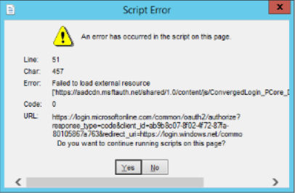
Ipconfig /all result *:

Nslookup result *:

Additional Info (if any) : E.g Network Diagram

