记录
概念框架Organising the domain
Reading literacy (阅读素养): is understanding, using, evaluating, reflecting on and engaging with texts in order to achieve one’s goals, to develop one’s knowledge and potential and to participate in society
1、Reader Factors：包括动机、已有知识和其他认知能力 (which can include motivation, prior knowledge, and other cognitive abilities) 2、Text Factors：包括文本的格式、所使用语言的复杂程度以及读者所接触文本的数量 (These factors include the format of the text, the complexity of the language used, and the number of pieces of text a reader encounters.) 3、Task Factors：任务因素包括潜在的时间和其他实际限制、任务的目标（例如，是为愉悦而阅读、为深入理解而阅读还是为获取信息而略读）以及要完成的任务的复杂程度或数量 (Task factors include the potential time and other practical constraints, the goals of the task (e.g. whether reading for pleasure, reading for deep understanding or skimming for information) and the complexity or number of tasks to be completed.) 在设计测验时着重注意两点：首先，要确保广泛涵盖学生在校内外的阅读内容和阅读目的；其次，要体现文本和任务的自然难度范围 (first, to ensure broad coverage of what students read and for what purposes they read, both in and outside of school, and, second, to represent a natural range of difficulty in texts and tasks.) 1、text：the range of material that is read 2、processes：the cognitive approach that determines how readers engage with a text 3、scenarios（体现的是Task Factors）：the range of broad contexts or purposes for which reading takes place 因此，PISA 阅读素养评估的目的是通过改变文本（阅读材料的范围）和情景（进行阅读的广泛背景或目的的范围）的维度，用一篇或多篇主题相关的文本来衡量学生对阅读过程（读者对文本可能采取的认知方法）的掌握情况。Thus, the PISA reading literacy assessment aims to measure students’ mastery of reading processes (the possible cognitive approaches of readers to a text) by varying the dimensions of text (the range of material that is read) and scenarios (the range of broad contexts or purposes for which reading takes place) with one or more thematically related texts. |  |  |  |  |  |  |  |  | 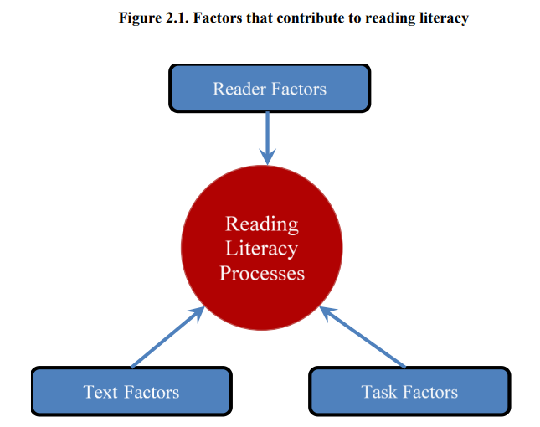
1、Processes 1）Text processing 2）Task management processes：由于限制，这部分没有直接在PISA 2018里评估。 2、Text 1）Source：题目的来源，表示题目的基本信息，例如作者、什么时候发表的等等，有single和multiple两种 2）Organisational and navigational structure：分为static和dynamic两种，为简单起见，PISA 2018 框架将组织结构简单、导航工具密度低（通常是一个或几个屏幕页面线性排列）的 "静态 "文本与组织结构更复杂、非线性、导航工具密度高的 "动态 "文本区分开来 (For reasons of simplicity, the PISA 2018 framework distinguishes “static” texts, with a simple organisation and low density of navigational tools (typically, one or several screen pages arranged linearly), from “dynamic” texts, which feature a more complex, non-linear organisation and a higher density of navigational devices.) 3）Text format： Continuous texts：连续文章是由句子组成的段落。连续文本的例子包括 连续文本的例子包括报纸报道、散文、小说、短篇小说、评论和信件。书信 (Continuous texts are formed by sentences organised into paragraphs. Examples of continuous texts include newspaper reports, essays, novels, short stories, reviews and letters.) Non-continuous texts：非连续性文本的组织方式与连续性文本不同，因此需要采用不同的阅读方法。大多数非连续文本都是由一些列表组成的（Kirsch and Mosenthal, 1990[23]）。有些是单一、简单的列表，但大多数是由几个简单的列表组成，可能相互交叉。 非连续文本对象的例子包括列表、表格、图形、图表、广告、时间表、目录、索引和表格 (Non-continuous texts are organised differently to continuous texts and therefore require a different kind of reading approach. Most non-continuous texts are composed of a number of lists (Kirsch and Mosenthal, 1990[23]). Some are single, simple lists, but most consist of several simple lists possibly crossed with one another. Examples of non-continuous text objects are lists, tables, graphs, diagrams, advertisements, schedules, catalogues, indices and forms.) Mixed texts：两种的混合 4）Type：一共7种类型：Argumentative、Description、Exposition、Instruction、Narrative、Transactional、Multiple |  |  |  |  |  |  |  |  | 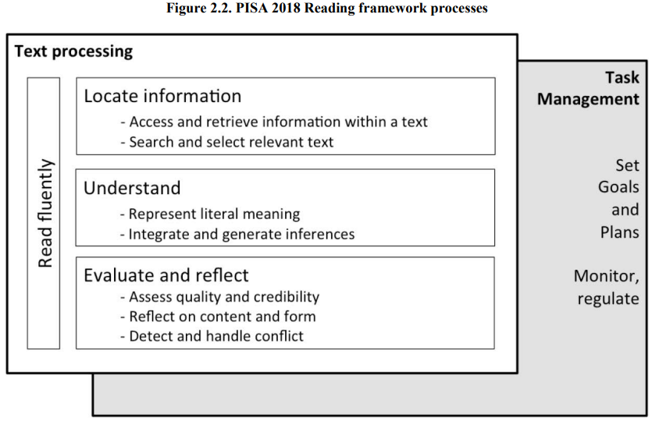
如何测量Assessing reading literacy
Consider the use of scenarios, factors affecting item difficulty, dimensions ensuring coverage of the domain and some of the other major issues in constructing and operationalising the assessment.
1、Scenarios：PISA 2018 评估将包括情景，在情景中，为学生提供一个阅读主题相关文本集的总体目标，以完成一个更高层次的任务（例如，回答一些更大的综合性问题或根据一组文本撰写建议），以及传统的独立 PISA 阅读单元。 2、Tasks：Each scenario is made up of one or more tasks. 3、Factors affecting item difficulty：task difficulty can be manipulated through the process and text format variables. 4、Factors improving the coverage of the domain 1）Situation：每一个题组有一个Situation：Educational、Occupational、Personal、Public、Multiple 2）Text Types：一个题组可能有多种，一共7种类型：Argumentative、Description、Exposition、Instruction、Narrative、Transactional、Multiple 5、Response formats：三种题型：Open response、Simple Multiple Choice、Complex Multiple Choice；计分方式有计算机自动评分与人工评分两种 6、Assessing ease and efficiency：用来评估reading fluency的，In PISA 2018, data from complex reading literacy tasks will not be used to measure reading fluency. 7、Assessing students' reading motivation, reading practices and awareness of reading strategies |  |  |  |  |  |  |  |  | 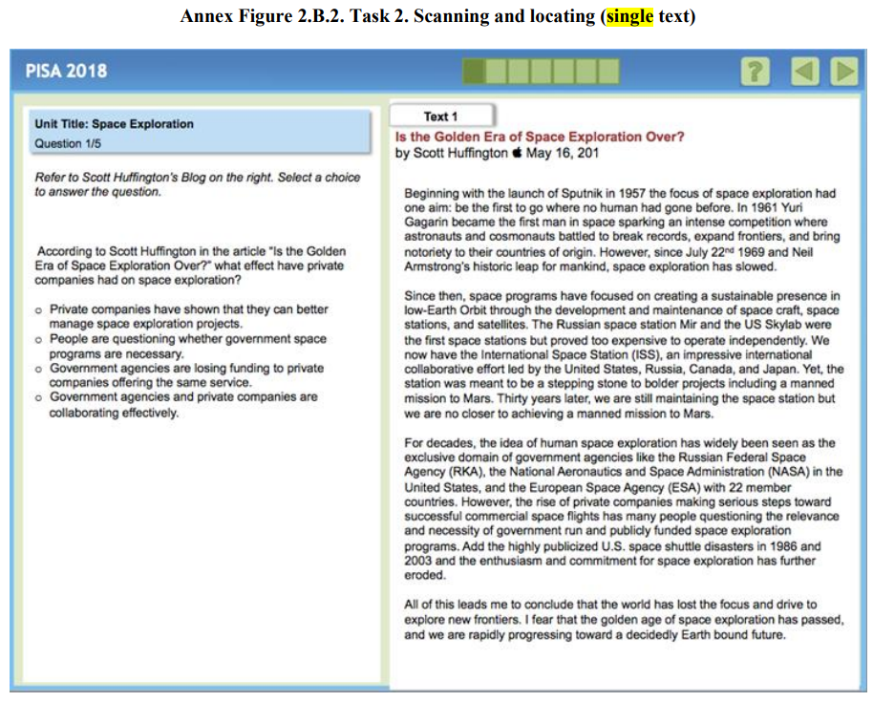 |  | 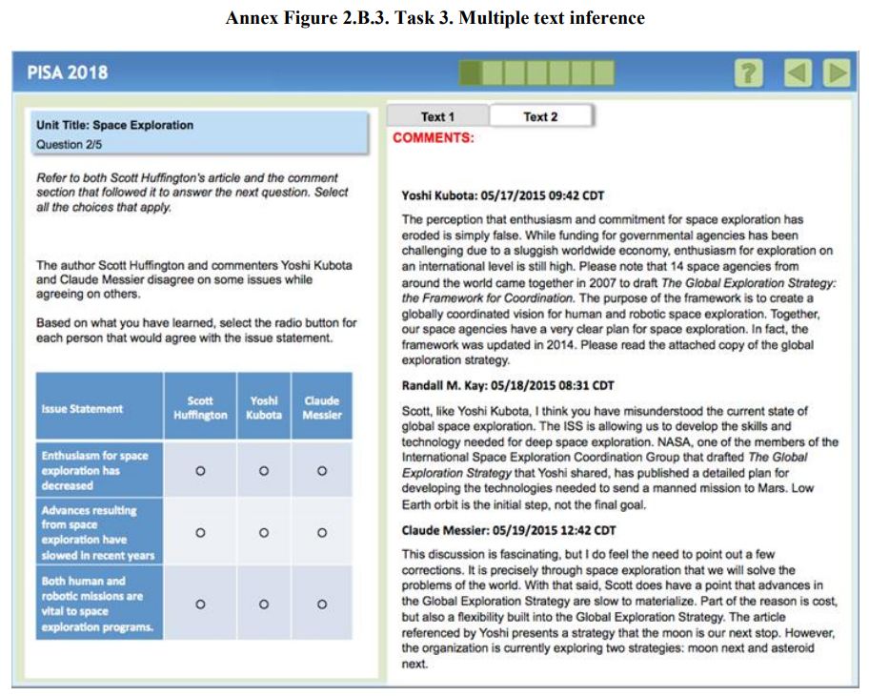
Text Structure of Unit：Multiple、Single，单一文本来源与多文本来源

1、字段含义 1）Unit Name：题组的名称 2）Unit Type：分为New和Trend两种 3）Item Format： 三种题型：Open response、Simple Multiple Choice、Complex Multiple Choice；计分方式有计算机自动评分与人工评分两种 一个题：https://pisa2018-questions.oecd.org/platform/index.html?user=&domain=REA&unit=R551-RapaNui&lang=eng-ZZZ 4）Situation：大多数是一个题组一个Situation：Educational、Occupational、Personal、Public、Multiple 5）Text Type：一共7种类型：Argumentative、Description、Exposition、Instruction、Narrative、Transactional、Multiple 6）Text Format：一共3种类型：Continues、non-Continues、Mixed 7）Cognitive Process： 一共7种类型：Assess quality and credibility、Corroborate and handle conflict、Integrate and generate inferences、Reflect on content and form、Represent literal meaning、Scan and locate、Search and select relevant text 8）Cognitive Process Subscale：一共3种类型：Evaluate and reflect、Locate information、Understand 9）Source Subscale：Multiple、Single 10）Text Structure of Unit：Multiple、Single 11）Unit Origin：一大堆国家名称，题目来自哪个国家 12）Language of Submission：一大堆语言名称 13）Source：2009、2012、2018、2009 2012 |  |  |  |  |  |  |  |  | 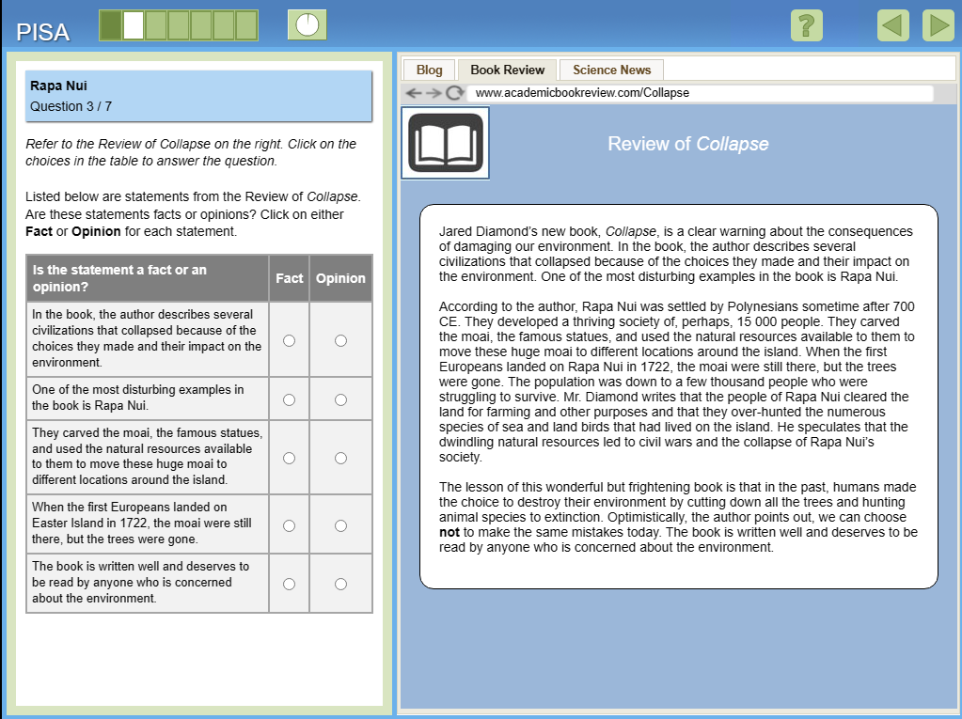 | 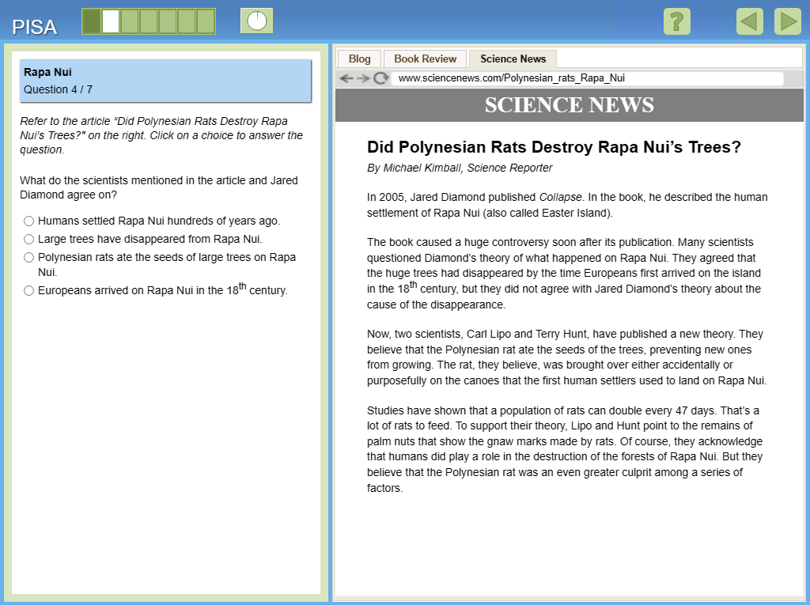

2、题库结构 1）core stage：从C1.1至C1.5中进行选题，每一个题组包含3~5个小题，每个模块由2个题组组成，长度为7~10，自动评分项目为7~9个。每一个题组被使用3次，C1.1被使用4次。 2）Stage 1：从S1.1至S1.24中进行选题，每一个题组包含3~6个小题，每个模块由3个题组组成，长度为12~16，自动评分项目为8~11个。每一个题组被使用2次。 3）Stage 2：从S2.1至S2.16中进行选题，每一个题组包含5~8个小题，每个模块由2个题组组成，长度为12~15，自动评分项目为6~11个。每一个题组被使用2次。
Core stage |  |  | Stage 1 |  |  | Stage 2
item sets | 项目总数 | 自动评分 | item sets | 项目总数 | 自动评分 | item sets | 项目总数 | 自动评分
C1.1 | 5 | 4 | S1.1 | 5 | 3 | S2.02 | 7 | 6
C1.2 | 5 | 5 | S1.10 | 5 | 4 | S2.03 | 7 | 5
C1.3 | 4 | 4 | S1.11 | 6 | 5 | S2.04 | 7 | 4
C1.4 | 3 | 3 | S1.12 | 4 | 1 | S2.05 | 7 | 6
C1.5 | 5 | 4 | S1.13 | 6 | 3 | S2.06 | 7 | 5
 |  |  | S1.14 | 4 | 3 | S2.07 | 7 | 4
 |  |  | S1.15 | 3 | 3 | S2.08 | 7 | 6
 |  |  | S1.16 | 4 | 3 | S2.09 | 7 | 5
 |  |  | S1.17 | 6 | 3 | S2.1 | 7 | 3
 |  |  | S1.18 | 5 | 3 | S2.10 | 7 | 5
 |  |  | S1.19 | 4 | 0 | S2.11 | 7 | 6
 |  |  | S1.2 | 6 | 4 | S2.12 | 6 | 2
 |  |  | S1.20 | 5 | 4 | S2.13 | 5 | 4
 |  |  | S1.21 | 3 | 1 | S2.14 | 7 | 2
 |  |  | S1.22 | 6 | 4 | S2.15 | 5 | 4
 |  |  | S1.23 | 5 | 2 | S2.16 | 6 | 2
 |  |  | S1.24 | 4 | 2
 |  |  | S1.3 | 6 | 5
 |  |  | S1.4 | 6 | 4
 |  |  | S1.5 | 3 | 2
 |  |  | S1.6 | 4 | 2
 |  |  | S1.7 | 5 | 4
 |  |  | S1.8 | 5 | 4
 |  |  | S1.9 | 6 | 5

3、模型 其中D为1.7 Step参数有问题吗

