CIM上线Milestone
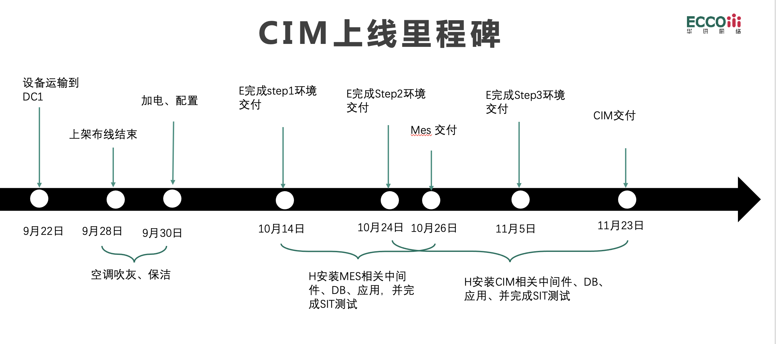

workflow
人员：羊霆锋、徐凯
时间：10/1-10/3
FA NW实施
 | 10/17 | 10-18 | 10-19 | 10-20 | 10-21 | 10-22 | 10-23 | 10-24 | 10-25 | 10-26 | 10-27 | 10-28 | 10-29 | 10-30 | 10-31 | 11-1 | 11-2 | 11-3 | 11-4 | 11-5 | 11-6 | 11-7 | 11-8 | 11-9 | 11-10 | 11-11 | 11-12 | 11-13 | 11-14 | 11-15 | 11-16 | 11-17 | 11-18 | 11-19 | 11-20 | 11-21
人员：王宇翔、邢晨辉
时间：
OOB 实施（4C+16A
人员：羊霆锋、沈鸿驹
时间：
FA DC & OA DC 自测试
人员：ALL
时间：
DC内部网络配合
人员：ALL
时间：
DC内部网络配合
人员：ALL
时间：
DC内部网络配合
人员：羊霆锋、徐凯
时间：10/1-10/3
FA NW实施
人员：景、邢、保强
时间：
MGT实施
人员：景、邢、保强
时间：
MGT实施
人员：景、邢、保强
时间：
MGT实施
人员：景、邢、保强
时间：
MGT实施
人员：羊霆锋、徐凯、保强
时间：
FA DC 实施（2C+2FW+4B）
人员：羊霆锋、徐凯、保强时间：
FA DC 实施(24A)
人员：王一松
时间：
OA1 套6810存储业务配置
人员：柯艳元
时间：
服务器LUN信息提供
人员：
时间：
7台存储测试
人员：
时间：
7台存储测试
人员：
时间：
7台存储测试
人员：
时间：
7台存储测试
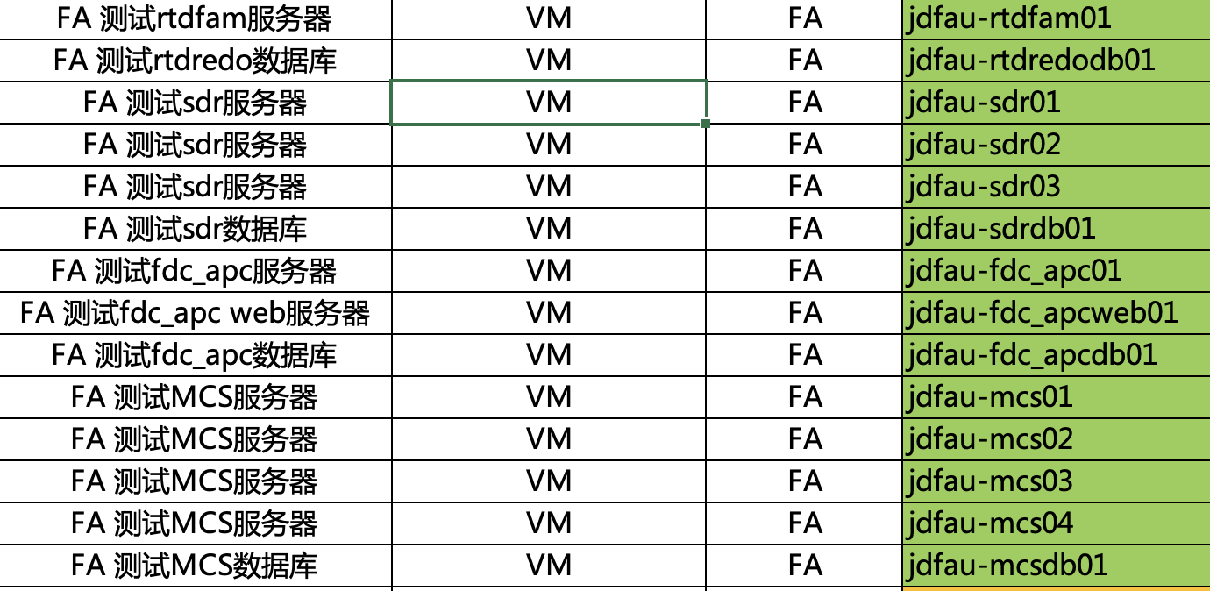
人员：沈鸿驹、景阳春、蒋
时间：
OA DC 实施(2C+2FW+4B)
人员：沈鸿驹、景阳春、蒋
时间：
OA DC 实施(4A)
人员：王一松
时间：
OA 1套6810存储双活配置
人员：王一松
时间：
OA1 套6810存储业务配置
人员：羊霆锋、徐凯
时间：
WAN实施（2C）
人员：羊霆锋、徐凯
时间：
WAN实施（2C）
人员：羊霆锋、徐凯
时间：
WAN实施（2C）
人员：羊霆锋、徐凯
时间：
WAN实施（2C）
人员：王一松
时间：
OA 1套6810存储双活配置
人员：羊霆锋、保强
时间：
DMZ实施
人员：景阳春、邢晨辉
时间：
OA NW实施
人员：景阳春、邢晨辉
时间：10/1-10/3
OA NW实施
人员：景阳春、邢晨辉
时间：10/1-10/3
OA NW实施
人员：
时间：
原子钟实施
人员：顾思晟、王逸、李丹妮、袁波
时间：1天
服务器配带外地址+WWPN抄写
人员：柯艳元
时间：
C IM DB 1套18800存储业务配置
人员：沈鸿驹
时间：
无线实施（3套+宁盾）
人员：沈鸿驹
时间：
无线实施（3套+宁盾）
人员：沈鸿驹
时间：
无线实施（3套+宁盾）
人员：沈鸿驹
时间：
无线实施（3套+宁盾）
人员：沈鸿驹
时间：
无线实施（3套+宁盾）
人员：沈鸿驹
时间：
无线实施（3套+宁盾）
人员：顾思晟、刘振宇
时间：
确认网口和连线对应关系
人员：柯艳元
时间：
CIM DB 1套18800存储双活配置
人员：柯艳元
时间：
C IM DB 1套18800存储业务配置
人员：顾思晟、王逸、李丹妮、袁波
时间：优先抄MES 的56台
服务器配带外地址+WWPN抄写
人员：柯艳元
时间：
CIM DB 1套18800存储双活配置
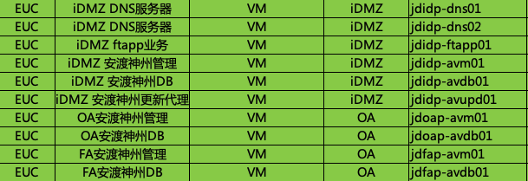
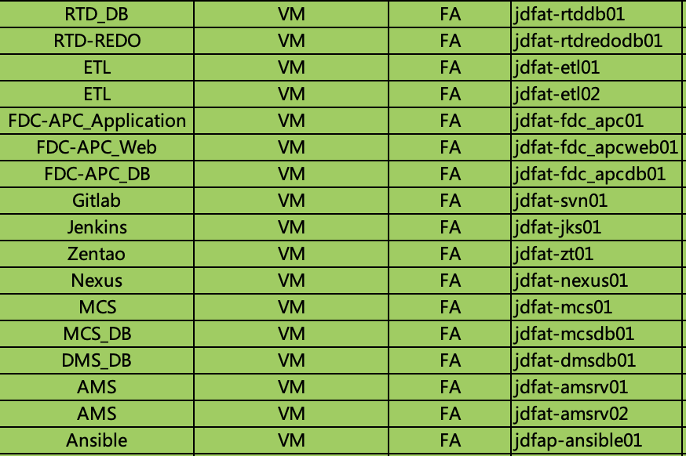
人员：罗嘉洲、倪紫璠
时间：
5台仲裁服务器操作系统安装
人员：柯艳元
时间：优先抄WWPN号，时间不够就隔天
5台仲裁服务器部署
人员：罗嘉洲、顾思晟
时间：
OA 和FA虚拟化+VCSA（4+4）
人员：刘洋
时间：
CIM 1套6810存储业务配置
人员：袁波
时间：
虚拟机推送
人员：刘洋
时间：
CIM 1套6810存储业务配置
人员：王逸、
时间：
NSX 平台搭建
人员：3人
时间：
7台存储初始化
人员：柯艳元、王一松
时间：
4台光纤交换机实施
人员：刘洋
时间：
CIM 1套6810存储双活配置
人员：罗嘉洲、顾思晟、
时间：
14台物理机部署华为hypervisor+VRM
人员：3人
时间：
8台光交初始化
人员：刘洋
时间：
CIM 1套6810存储双活配置
人员：柯艳元OR王一松
时间：
OA NAS存储配置
人员：袁波、李丹妮
时间：
IDMZ 4台虚拟化&Vc部署
人员：袁波、李丹妮
时间：
OA&IDMZ 虚拟机推送&部署
人员：王逸、李丹妮
时间：
人员：王逸、
时间：
OA 邮件服务器虚拟化平台搭建
人员：戴园园 顾思晟
时间：
FA 和 OA DNS部署
人员：戴园园
时间：
OA KMS部署
杨硕、罗嘉洲、顾思晟、王逸
人员：杨硕
时间：
YUM- Sever虚拟机 部署
人员：王逸、罗嘉洲
时间：1天
K8S虚拟机推送及配置
人员：罗嘉洲、王逸
时间：1天
Redis- P 虚拟机推送及配置
人员：罗嘉洲、王逸
时间：1天
MES MQ- P 虚拟机推送及配置
人员：顾思晟、王逸
时间：1天
业务虚拟机推送及配置
人员：李丹妮、袁波
时间：
APC-P DB 2台裸金属部署
人员：戴园园 顾思晟
时间：
FA 和 OA AD+NTP部署
人员：戴园园、Q1
时间：
FA 和 OA DHCP部署
人员：王逸、罗嘉洲
时间：1天
Harbor- P 虚拟机推送及配置
人员：杨硕、顾思晟
时间：1天
Rocket MQ- P 虚拟机推送及配置
人员：杨硕、顾思晟
时间：1天
EIS MQ- P 虚拟机推送及配置
人员：李丹妮、袁波
时间：
FDC-P DB 4台裸金属部署
人员：袁波、李丹妮
时间：
DS 2台服务器虚拟化&Vcenter部署
人员：罗嘉洲、顾思晟+ 王逸
时间：3人1天
10台生产fusion compute&VRM 部署
人员：罗嘉洲、顾思晟
时间：1天
EAP-P虚拟机推送及配置
人员：罗嘉洲、顾思晟
时间：1天
NGINXP 虚拟机推送及配置
人员：罗嘉洲
时间：
RTD_SDRDB-P DB 4台裸金属部署
存储：CIM。VM 2台6810 ，OA VM 2台6810 OA NA S。CIM DB
服务器需要抄WWPN 151台
服务器 | 杨硕、罗嘉洲 雷文雅（10.1-10.7） 章文清 （10.1-10.7）
 | 戴园园、顾思晟、王逸、李丹妮、袁波
人员：罗嘉洲、王逸
时间：2人1天
另12台生产fusion compute部署
人员：袁波、李丹妮
时间：
OA 6台虚拟化部署
人员：袁波、李丹妮
时间：
FA VDI 6台虚拟化部署
人员：袁波、李丹妮
时间：
FA VDI 6台虚拟化部署
人员：袁波+李丹妮
时间：
部署带内&带外 3台裸金属
人员：袁波+李丹妮
时间：
部署带内&带外 裸金属
人员：顾思晟
时间：
OA 虚拟机部署
存储 | 柯艳元、王一松、刘洋or胡新旭 (国庆前）
人员：袁波+李丹妮
备注；作为二级时钟源
裸金属 2生产2测试（MES DB）
人员：杨硕、顾思晟
时间：2人1天
另14台UAT fusion compute&VRM部署
网络 | 刘振宇、沈鸿驹、羊霆锋、王宇翔、景阳春、邢晨辉、徐凯
人员：袁波+李丹妮
时间：1天
裸金属 4生产DB（ 2RMS、2SPC）
人员：薛铭健、丁露君
时间：1天
FA VDI IF 部署
人员：薛铭健、丁露君
时间：1天
FA VDI IF 部署
人员：薛铭健、丁露君
时间：1天
FA VDI 桌面部署
人员：网际思安
时间：
2台网际思安邮件网关部署
安全 | 蒋开、张保强、王鹤儒（25-28）
人员：网际思安
时间：
邮件归档 OVF导入
3RD对接人 | 蒋开
人员：亿联
时间：1天
语音 OVF 虚拟机导入及配置
人员：亿联
时间：1天
语音 交付

CIM

AIFAB

