Seleniumとは
 | Seleniumとは
 | Selenium は Web ブラウザの操作を自動化するためのフレームワークです。
 | 2004 年に ThoughtWorks 社によって Web アプリケーションの UI テストを自動化する目的で開発されました。

 | Seleniumを使ってテスト自動化。[第3回 Seleniumの基本的な使用法 with Java] | Call Center Trends (callcenter-trend.com)

 | 基本的にSeleniumは以下のものをロケータとして使用できます。
 | Xpath
 | CssSelector
 | ID
 | ClassName
 | Name
 | linkText

 | さらに詳しく知りたい方はこちら公式ドキュメントをご覧ください(https://selenium.dev/documentation/en/)。

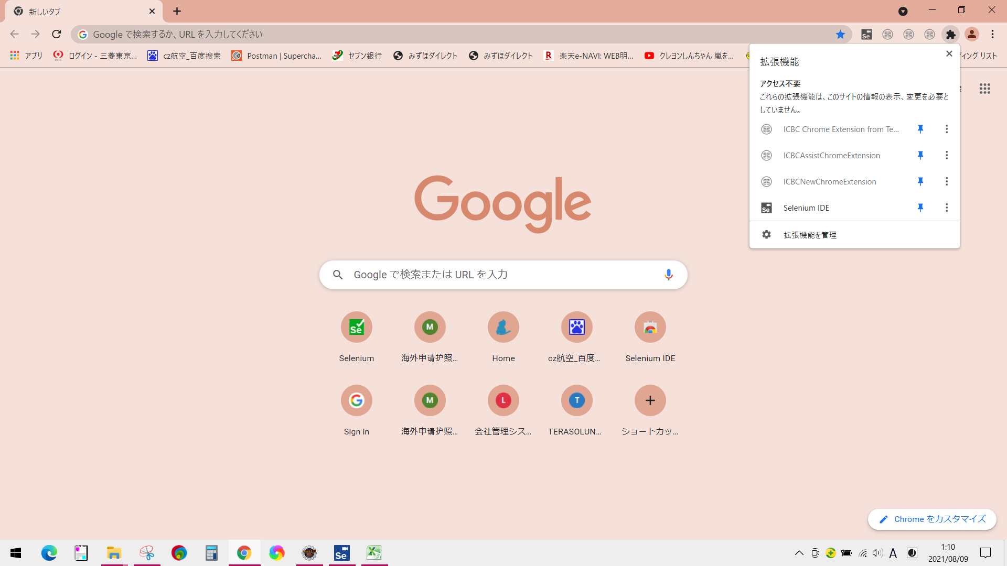
 | IDE追加
google | https://chrome.google.com/webstore/detail/selenium-ide/mooikfkahbdckldjjndioackbalphokd/related
edge | Selenium IDE - Microsoft Edge Addons

 | Selenium IDE コマンドリファレンス (2019/09版 : Selenium IDE v3.12.0 [全96コマンドを徹底解説]) - Qiita

 | Selenium IDEで出力した.sideを「Selianize」でコード変換
 |  | 1. Selenium IDEで操作を記録する
 |  | 2. Selenium IDEから.sideファイル(操作手順を記録したファイル)をローカルに保存
 |  |  | Junitテストケースソース作成

Junitテストケースソース作成
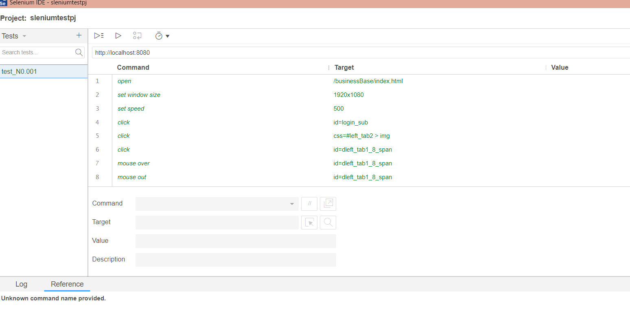
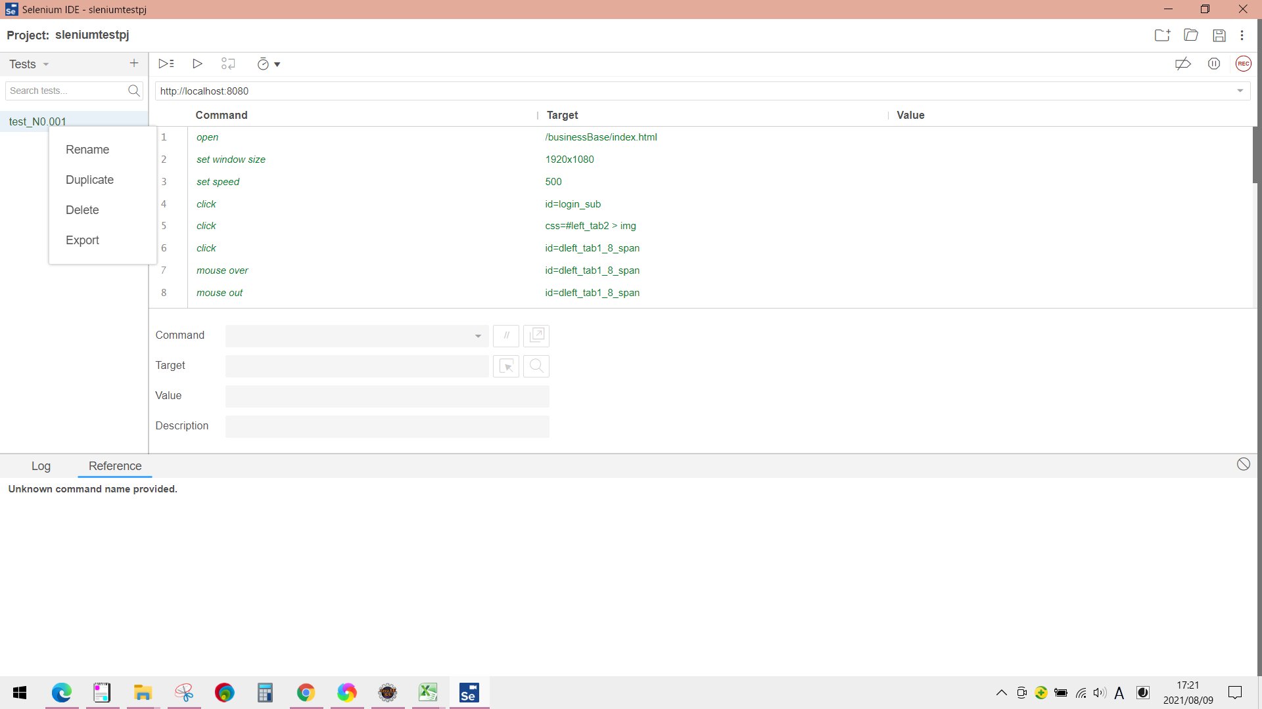
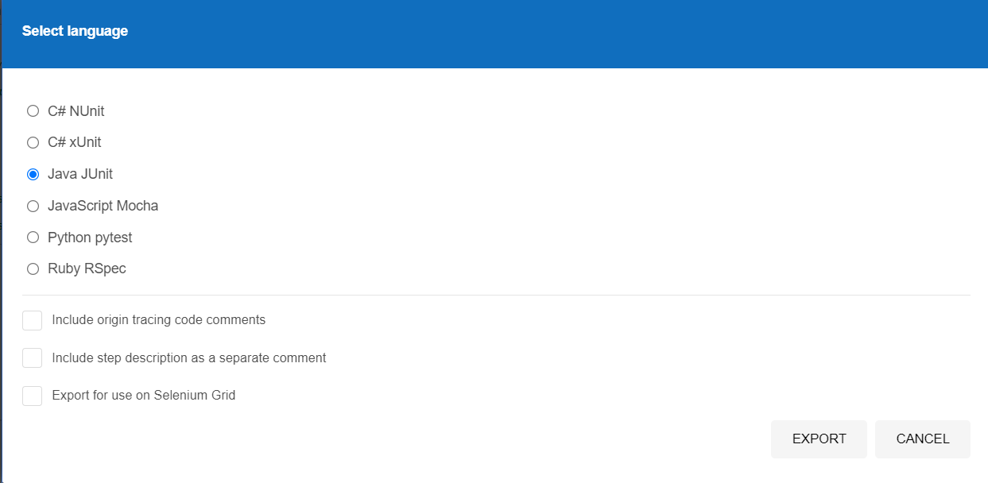
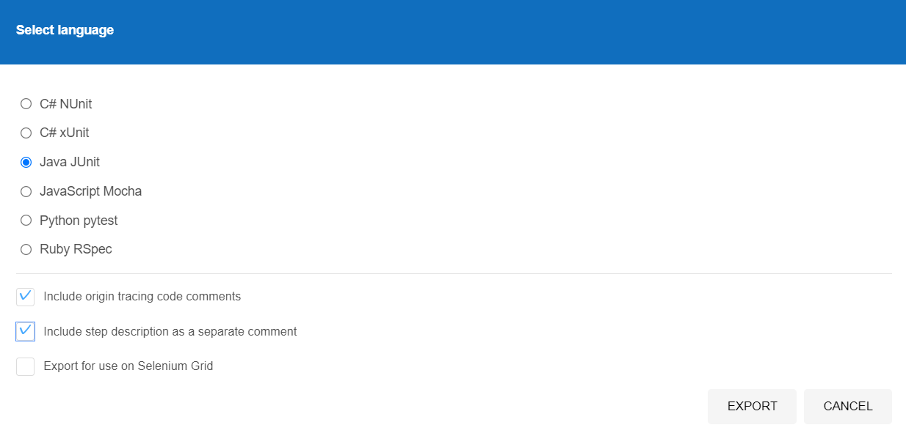
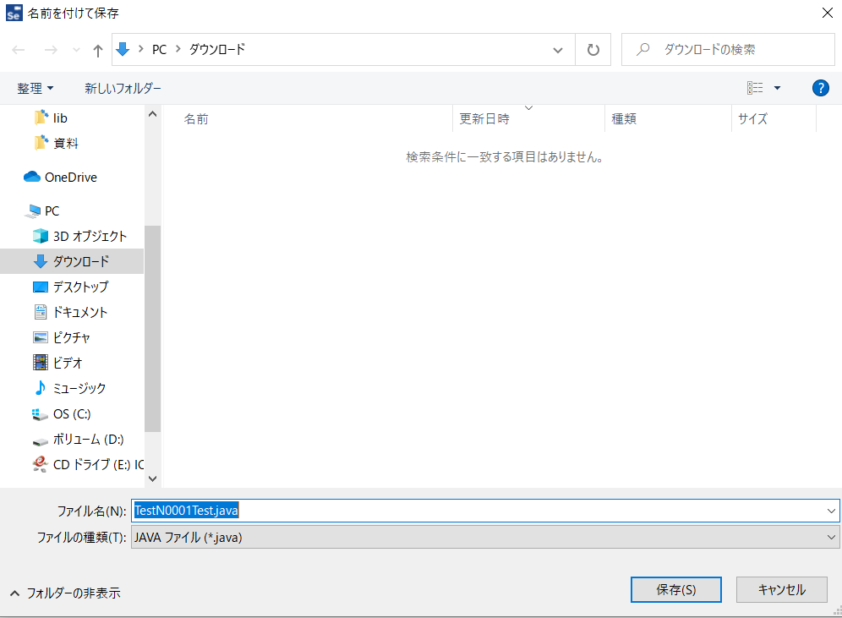
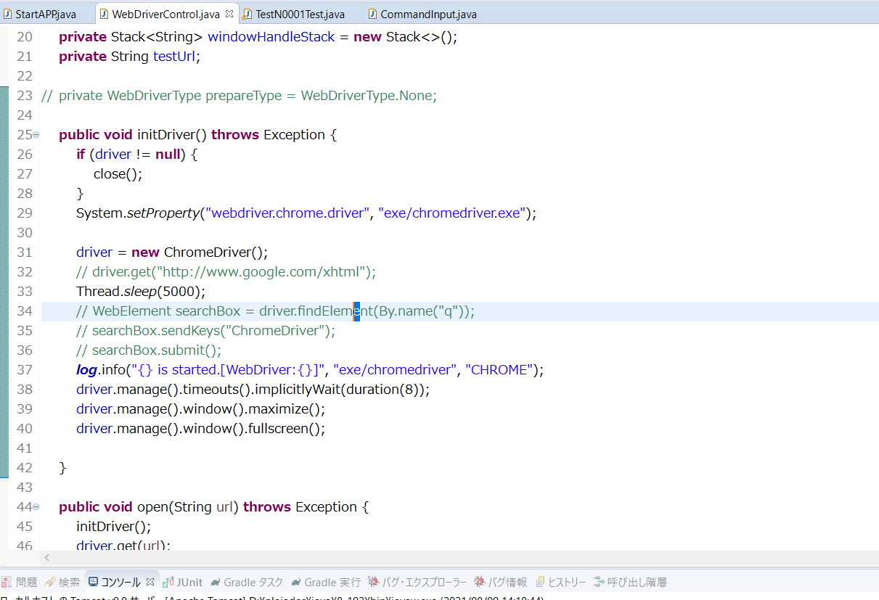
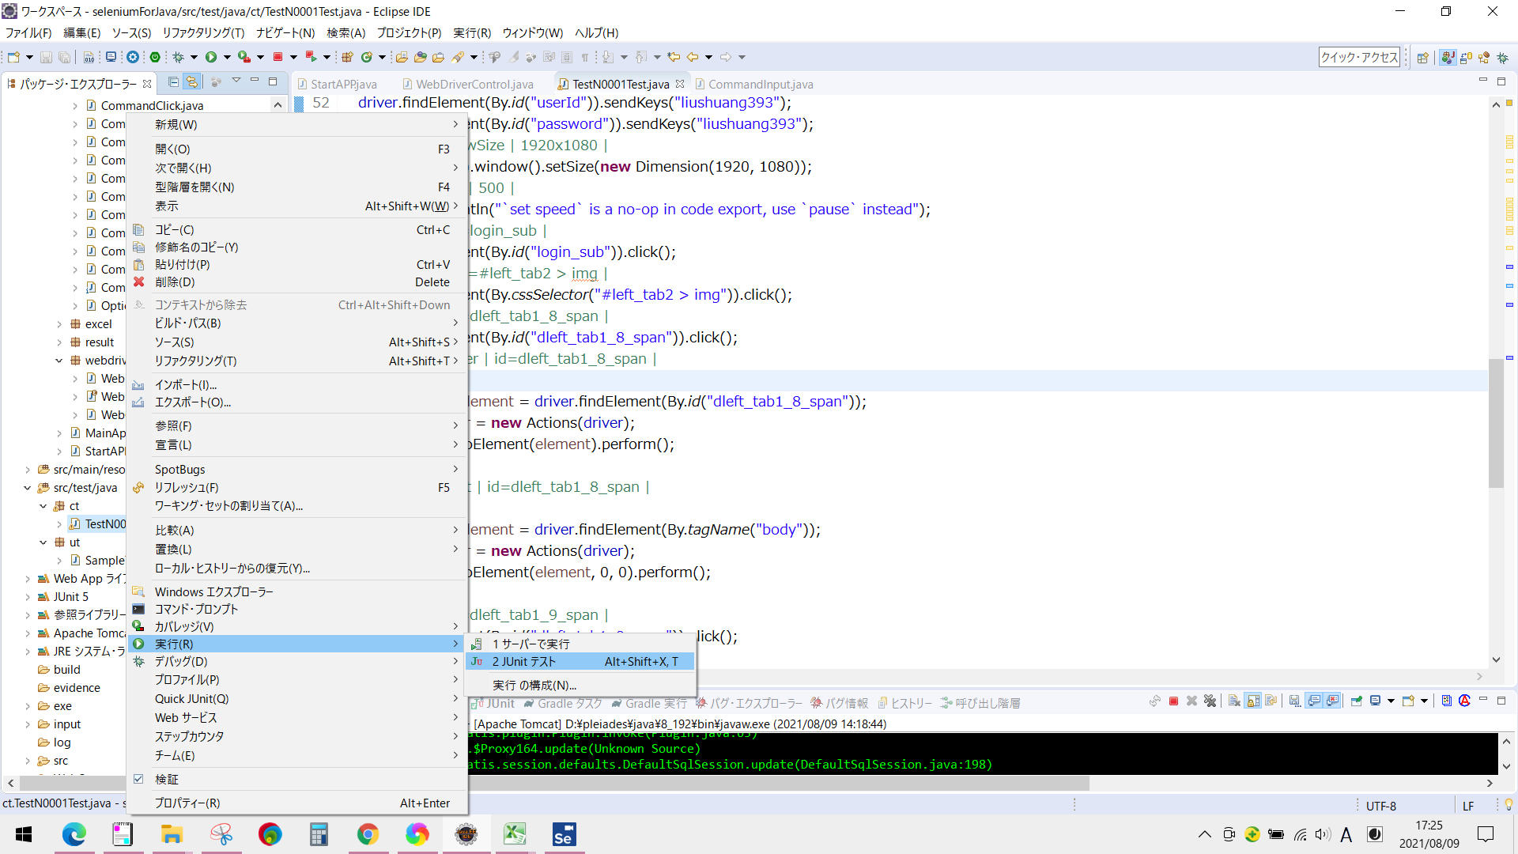
Selenium IDEのコマンド一覧
 | 1. add selection 2. answer on next prompt 3. assert 4. assert alert 5. assert checked 6. assert confirmation 7. assert editable 8. assert element present 9. assert element not present 10. assert not checked 11. assert not editable 12. assert not selected value 13. assert not text 14. assert prompt 15. assert selected value 16. assert selected label 17. assert text 18. assert title 19. assert value 20. check 21. choose cancel on next confirmation 22. choose cancel on next prompt 23. choose ok on next confirmation 24. click 25. click at 26. close 27. debugger 28. do 29. double click 30. double click at 31. drag and drop to object 32. echo 33. edit content 34. else 35. else if 36. end 37. execute script 38. execute async script 39. for each 40. if 41. mouse down 42. mouse down at 43. mouse move at 44. mouse out 45. mouse over 46. mouse up 47. mouse up at 48. open 49. pause 50. remove selection 51. repeat if 52. run 53. run script 54. select 55. select frame 56. select window 57. send keys 58. set speed 59. set window size 60. store 61. store attribute 62. store json 63. store text 64. store title 65. store value 66. store window handle 67. store xpath count 68. submit 69. times 70. type 71. uncheck 72. verify 73. verify checked 74. verify editable 75. verify element present 76. verify element not present 77. verify not checked 78. verify not editable 79. verify not selected value 80. verify not text 81. verify selected label 82. verify selected value 83. verify text 84. verify title 85. verify value 86. wait for element editable 87. wait for element not editable 88. wait for element not present 89. wait for element not visible 90. wait for element present 91. wait for element visible 92. webdriver answer on visible prompt 93. webdriver choose cancel on visible confirmation 94. webdriver choose cancel on visible prompt 95. webdriver choose ok on visible confirmation 96. while

Commands
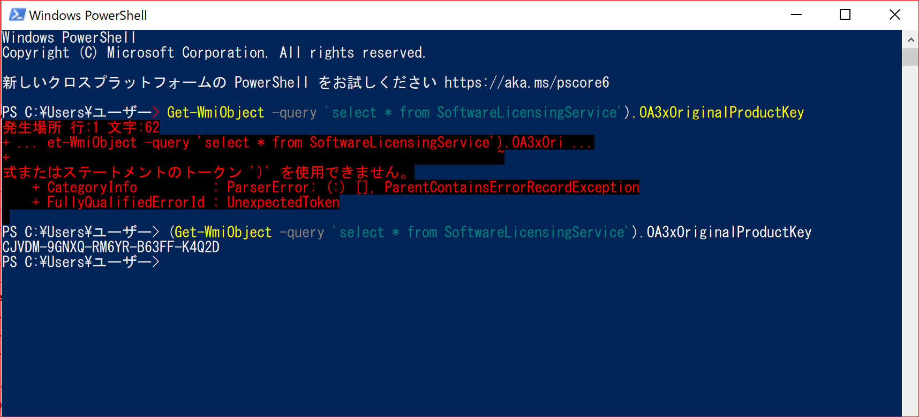
add selection
answer on next prompt
assert
assert alert
assert checked
assert confirmation
assert editable
assert element present
assert element not present
assert not checked
assert not editable
assert not selected value
assert not text
assert prompt
assert selected value
assert selected label
assert text
assert title
assert value
check
choose cancel on next confirmation
choose cancel on next prompt
choose ok on next confirmation
click
click at
close
debugger
do
double click
double click at
drag and drop to object
echo
edit content
else
else if
end
execute script
execute async script
for each
if
mouse down
mouse down at
mouse move at
mouse out
mouse over
mouse up
mouse up at
open
pause
remove selection
repeat if
run
run script
select
select frame
select window
send keys
set speed
set window size
store
store attribute
store json
store text
store title
store value
store window handle
store xpath count
submit
times
type
uncheck
verify
verify checked
verify editable
verify element present
verify element not present
verify not checked
verify not editable
verify not selected value
verify not text
verify selected label
verify selected value
verify text
verify title
verify value
wait for element editable
wait for element not editable
wait for element not present
wait for element not visible
wait for element present
wait for element visible
webdriver answer on visible prompt
webdriver choose cancel on visible confirmation
webdriver choose cancel on visible prompt
webdriver choose ok on visible confirmation
while
Windowds Powershell
PS C:\Users\ユーザー> (Get-WmiObject -query 'select * from SoftwareLicensingService').OA3xOriginalProductKey
CJVDM-9GNXQ-RM6YR-B63FF-K4Q2D

実装ーブラウザ追加
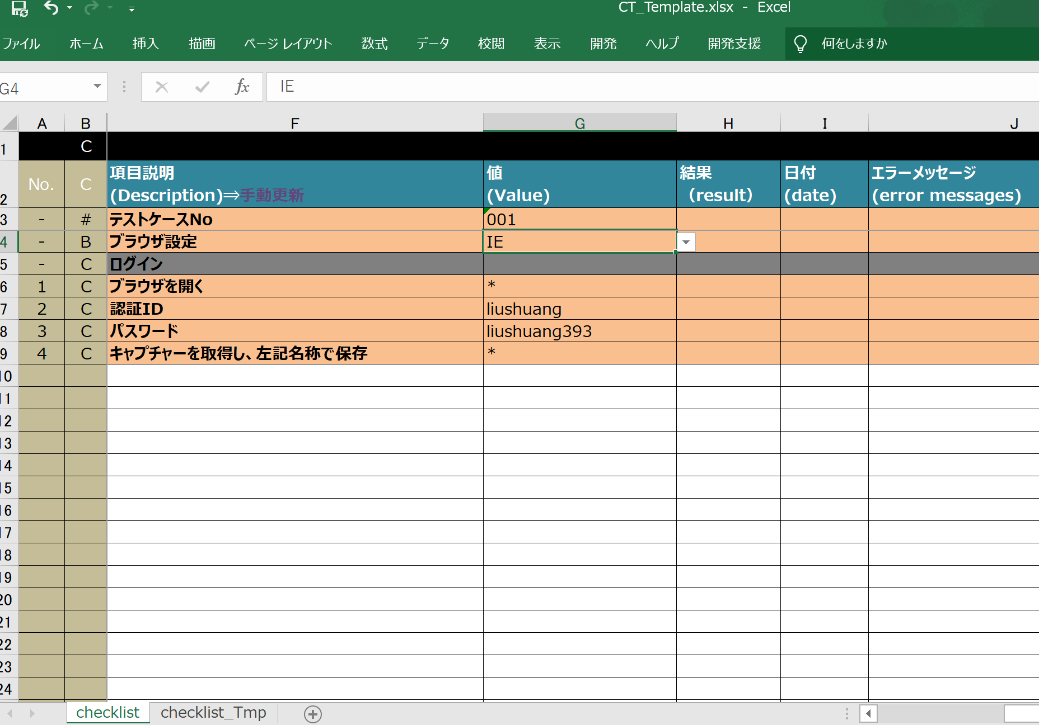
例：IE
■ | JsonファイルからExcelファイル（シナリオ）に変換ツールの対応が不要

■ | 自動テストツール対応
① | ブラウザのドライバーダウンロード
 | \workspace\seleniumForJava\exe
 |  | IEDriverServer.exe
② | WebDriverControl.initDriver()

 | switchにcaseを追加
 |  |  | switch(browser) {
 |  |  | case EDGE:
 |  |  |  | System.setProperty("webdriver.edge.driver", "exe/msedgedriver.exe");
 |  |  |  | driver = new EdgeDriver();
 |  |  |  | log.info("{} is started.[WebDriver:{}]", "exe/msedgedriver", "Edge");
 |  |  |  | break;
 |  |  | case IE:
 |  |  |  | System.setProperty("webdriver.ie.driver", "exe/IEDriverServer.exe");
 |  |  |  | driver = new InternetExplorerDriver();
 |  |  |  | log.info("{} is started.[WebDriver:{}]", "exe/IEDriverServer.exe", "IE（64・32)");
 |  |  |  | break;
 |  |  | default:
 |  |  |  | System.setProperty("webdriver.chrome.driver", "exe/chromedriver.exe");
 |  |  |  | driver = new ChromeDriver();
 |  |  |  | log.info("{} is started.[WebDriver:{}]", "exe/chromedriver", "CHROME");
 |  |  |  | break;

 |  |  | }

③ | WebDriverTypeにIEを追加
 |  |  | public enum WebDriverType {
 |  |  |  | None, IE, CHROME, EDGE
 |  |  | }

④ | Excel版シナリオ作成時用テンプレート中にブラウザはIEを変更必要。
 | .\workspace\seleniumForJava\input\Templete
 |  |  | CT_Template.xlsx

