Table 14 and Notes
U-Zr Yield Strength at RT
0 | 454.364684
0 | 333.706384
2.4 | 326.122148
5.5 | 606.73888
5.8 | 670.170672
10.9 | 762.560456
11.5 | 999.7402
21.9 | 965.2664
31.4 | 914.934652
39.7 | 818.408012
41.7 | 655.0022
50.5 | 581.228268
59 | 576.401936
59 | 552.959752
59 | 369.559136
59
59 | 769.455216
59.5 | 556.407132
60.6 | 557.096608
70.4 | 491.596388
71.7 | 604.670452
78 | 708.781328
78 | 648.10744
78 | 411.617172
78 | 561.233464
78
80 | 598.465168
80.8 | 589.50198
89.4 | 417.13298
90 | 536.412328
90 | 375.76442
90 | 281.306208
90 | 607.428356
90 | 405.411888
100 | 184.090092
100 | 124.10568
U-Zr Strength at RT
 | Yield Strength | Ultimate Tensile Strength
0 | 454.364684 | 808.755348
0 | 333.706384 | 848.05548
2.4 | 326.122148 | 917.00308
5.5 | 606.73888 | 1116.95112
5.8 | 670.170672 | 1145.909112
10.9 | 762.560456 | 1125.224832
11.5 | 999.7402 | 1372.05724
21.9 | 965.2664 | 1234.16204
31.4 | 914.934652 | 1114.193216
39.7 | 818.408012 | 1084.545748
41.7 | 655.0022 | 712.228708
50.5 | 581.228268 | 81.358168
59 | 576.401936 | 917.00308
59 | 552.959752 | 870.118712
59 | 369.559136 | 506.075384
59 |  | 634.31792
59 | 769.455216 | 995.603344
59.5 | 556.407132 | 803.23954
60.6 | 557.096608 | 908.729368
70.4 | 491.596388 | 792.8974
71.7 | 604.670452 | 758.4236
78 | 708.781328 | 828.750152
78 | 648.10744 | 702.576044
78 | 411.617172 | 713.60766
78 | 561.233464 | 734.981416
78 |  | 575.022984
80 | 598.465168 | 701.886568
80.8 | 589.50198 | 716.365564
89.4 | 417.13298 | 484.012152
90 | 536.412328 | 752.907792
90 | 375.76442 | 550.891324
90 | 281.306208 | 495.043768
90 | 607.428356 | 728.086656
90 | 405.411888 | 581.228268
100 | 184.090092 | 370.938088
100 | 124.10568 | 253.037692
Table 14. Room-temperature tensile properties of uranium-zirconium alloys
Composition (wt%) | 0.2% Yield Strength, psi | Ultimate Strength, psi | Elongation in 1 inch, % | Elongation in 2 inches, % | Reduction of Area, % | Vickers Hardness | Notes | References |  | YS(MPa) | UTS(MPa) | UE(%) | UE(%)
U | 65900 | 117300 | - | 3.5 | 4.9 | 265 | a | [130, 131] | 0 | 454.364684 | 808.755348 | 3.5
U | 48400 | 123000 | - | 11 | - | 263 | b | [130, 131] | 0 | 333.706384 | 848.05548 | 11
U-2.4Zr | 47300 | 133000 | - | 18 | 21 | 283 | b | [130, 131] | 2.4 | 326.122148 | 917.00308 | 18
U-5.5Zr | 88000 | 162000 | - | 6 | 7.5 | 307 | b | [130, 131] | 5.5 | 606.73888 | 1116.95112 | 6
U-5.8Zr | 97200 | 166200 | - | 5 | 6 | 347 | a | [130, 131] | 5.8 | 670.170672 | 1145.909112 | 5
U-10.9Zr | 110600 | 163200 | - | 5 | 6 | 363 | a | [130, 131] | 10.9 | 762.560456 | 1125.224832 | 5
U-11.5Zr | 145000 | 199000 | - | 9 | - | 359 | b | [130, 131] | 11.5 | 999.7402 | 1372.05724 | 9
U-20.5Zr | - | - | - | - | - | 411 | b | [130, 131]
U-21.9Zr | 140000 | 179000 | - | 4 | 5.8 | 291 | a | [130, 131] | 21.9 | 965.2664 | 1234.16204 | 4
U-31.4Zr | 132700 | 161600 | - | 2 | 4 | 350 | b | [130, 131] | 31.4 | 914.934652 | 1114.193216 | 2
U-39.7Zr | 118700 | 157300 | - | 1.5 | 1.6 | 384 | a | [130, 131] | 39.7 | 818.408012 | 1084.545748 | 1.5
U-41.7Zr | 95000 | 103300 | - | 1 | - | 279 | b | [130, 131] | 41.7 | 655.0022 | 712.228708 | 1
U-50.5Zr | 84300 | 11800 | - | 4.5 | 8 | 272 | b | [130, 131] | 50.5 | 581.228268 | 81.358168 | 4.5
U-59Zr | 83600 | 133000 | 5 | - | 5 | - | c,d | [132] | 59 | 576.401936 | 917.00308 |  | 5
U-59Zr | 80200 | 126200 | 4 | - | 4 | - | c,e | [132] | 59 | 552.959752 | 870.118712 |  | 4
U-59Zr | 53600 | 73400 | 2 | - | 5 | - | c,f | [132] | 59 | 369.559136 | 506.075384 |  | 2
U-59Zr | - | 92000 | 0 | - | 0 | - | c,g | [132] | 59 |  | 634.31792
U-59Zr | 111600 | 144400 | 4 | - | 1 | - | c,h | [132] | 59 | 769.455216 | 995.603344 |  | 4
U-59.5Zr | 80700 | 116500 | - | 3.6 | 6.2 | 302 | a | [130, 131] | 59.5 | 556.407132 | 803.23954 | 3.6
U-60.6Zr | 80800 | 131800 | - | 9 | 14 | 295 | b | [130, 131] | 60.6 | 557.096608 | 908.729368 | 9
U-Zr Uniform Elongation at RT
0 | 3.5
0 | 11
2.4 | 18
5.5 | 6
5.8 | 5
10.9 | 5
11.5 | 9
21.9 | 4
31.4 | 2
39.7 | 1.5
41.7 | 1
50.5 | 4.5
59 |  | 5
59 |  | 4
59 |  | 2
59
59 |  | 4
59.5 | 3.6
60.6 | 9
70.4 | 14
71.7 | 4
78 |  | 16
78 |  | 17
78 |  | 23
78 |  | 3
78
80 | 24
80.8 | 10
89.4
90 |  | 8
90 |  | 17
90 |  | 32
90 |  | 8
90 | 16
100 | 34
100 | 43
U-70.4Zr | 71300 | 115000 | - | 14 | 16 | 243 | b | [130, 131] | 70.4 | 491.596388 | 792.8974 | 14
U-71.7Zr | 87700 | 110000 | - | 4 | 4 | 298 | a | [130, 131] | 71.7 | 604.670452 | 758.4236 | 4
U-78Zr | 102800 | 120200 | 16 | - | 23 | - | c,d | [132] | 78 | 708.781328 | 828.750152 |  | 16
U-78Zr | 94000 | 101900 | 17 | - | 25 | - | c,e | [132] | 78 | 648.10744 | 702.576044 |  | 17
U-78Zr | 59700 | 103500 | 23 | - | 24 | - | c,i | [132] | 78 | 411.617172 | 713.60766 |  | 23
U-78Zr | 81400 | 106600 | 3 | - | 2 | - | c,j | [132] | 78 | 561.233464 | 734.981416 |  | 3
U-78Zr | - | 83400 | 0 | - | 0 | - | c,k | [132] | 78 |  | 575.022984
U-80.0Zr | 86800 | 101800 | - | 24 | 41 | 235 | b | [130, 131] | 80 | 598.465168 | 701.886568 | 24
U-80.8Zr | 85500 | 103900 | - | 10 | 8 | 252 | a | [130, 131] | 80.8 | 589.50198 | 716.365564 | 10
U-89.4Zr | 60500 | 70200 | - | - | - | 246 | b | [130, 131] | 89.4 | 417.13298 | 484.012152
U-90Zr | 77800 | 109200 | 8 | - | 13 | - | c,l | [132] | 90 | 536.412328 | 752.907792 |  | 8
U-90Zr | 54500 | 79900 | 17 | - | 20 | - | c,m | [132] | 90 | 375.76442 | 550.891324 |  | 17
U-90Zr | 40800 | 71800 | 32 | - | 32 | - | c,n | [132] | 90 | 281.306208 | 495.043768 |  | 32
U-90Zr | 88100 | 105600 | 8 | - | 10 | - | c,o | [132] | 90 | 607.428356 | 728.086656 |  | 8
U-90Zr | 58800 | 84300 | - | 16 | 27 | 197 | a | [130, 131] | 90 | 405.411888 | 581.228268 | 16
Zr | 26700 | 53800 | - | 34 | 27 | 138 | a | [130, 131] | 100 | 184.090092 | 370.938088 | 34
Zr | 18000 | 36700 | - | 43 | 56 | 113 | b | [130, 131] | 100 | 124.10568 | 253.037692 | 43

NOTE a: Alloys were prepared by induction melting using uranium feedstock from Fernald, then cast, hot rolled, and annealed for 24 hours at
575°C. Interpretation of mechanical properties from this alloy suggested that it had a high content of impurities, particularly carbon from the
crucible. References: [130, 131]
NOTE b: Alloys were prepared by arc melting using uranium feedstock from Derby, then cast, hot rolled, and annealed for 24 hours at 575°C.
References: [130, 131]
NOTE c: Alloys were made by arc-melting U and Zr feedstocks. The U feedstock was 99.9% pure with about 100 ppm each of C, O, and N.
The zirconium feedstock had at most 0.2 wt% impurities and 200 ppm O. Values in the table are the average of two measurements, which were
collected using a strain rate of approximately 0.007 inches/minute. Reference: [132]
NOTE d: Sample was hot rolled at 700°C and furnace-cooled. Reference: [132]
NOTE e: Sample was hot rolled at 700°C and furnace-cooled, then reheated to 575°C for 24 hours and furnace cooled. Reference: [132]
NOTE f: Sample was hot rolled at 700°C and furnace-cooled, then reheated to 900°C and water-quenched, then then reheated to 575°C for 24 hours and
furnace cooled. Reference: [132]
NOTE g: Sample was hot rolled at 700°C and furnace-cooled, then reheated to 700°C for 4 hours and water-quenched. Reference: [132]
NOTE h: Sample was hot rolled at 700°C and furnace-cooled, then reheated to 700°C for 4 hours and air-cooled in a Vycor capsule.
Reference: [132]
NOTE i: Sample was hot rolled at 700°C and furnace-cooled, then reheated to 800°C for 1 hour and furnace cooled. Reference: [132]
NOTE j: Sample was hot rolled at 700°C and furnace-cooled, then reheated to 800°C for 1 hour and air-cooled in a Vycor capsule.
Reference: [132]
NOTE k: Sample was hot rolled at 700°C and furnace-cooled, then reheated to 800°C for 1 hour and water-quenched. Both specimens failed in
a brittle manner. Reference: [132]
NOTE l: Sample was hot rolled at 700°C and air cooled. Reference: [132]
NOTE m: Sample was hot rolled at 700°C and air cooled, then reheated to 700°C for 4 hours and furnace cooled. Reference: [132]
NOTE n: Hot rolled at 700°C and air cooled, then reheated to 800°C for 1 hour and furnace cooled. Reference [132]
NOTE o: Hot rolled at 700°C and air cooled, then reheated to 900°C for 1 hour and water-quenched. Reference [132]

Source
1. Janney, Dawn E. Metallic Fuels Handbook, Part 1: Alloys Based on U-Zr, Pu-Zr, U-Pu, or U-Pu-Zr, Including Those with Minor Actinides (Np, Am, Cm), Rare-earth Elements (La, Ce, Pr, Nd, Gd), and Y, 2018-08, INL/EXT-15-36520

Table 2
TABLE 2. TENSILE PROPERTIES OF ZIRCONIUM-URANIUM ALLOYS ANNEALED 24 HR AT 575 C (1065 F)

UZr Yield Strength at 370 C
UZr Strength at 370 C
 |  | Room Temperature |  |  |  |  | 370 C (700 F)
 |  | 0.2 Per Cent | Tensile | Elongation | Reduction |  | 0.2 Per Cent | Tensile | Elongation | Reduction
Analysis, w/o |  | Offset Yield | Strength, | in 2 In., | in Area, | Hardness | Offset Yield | Strength, | in 2 In., | in Area,
Zirconium | Uranium | Strength, psi | psi | per cent | per cent | (DPHN) | Strength, psi | psi | per cent | per cent
 |  |  |  |  |  |  |  |  |  |  |  | YS | UTS | EL | EL
Induction-Melted Fernald Uranium |  |  |  |  |  |  |  |  |  |  |  | Mpa | Mpa | %
100.0 | 0.0 | 26,700 | 53,800 | 34.0 | 27.0 | 138 | 10,500 | 22,400 | 30.0 | 55.0 | 100.0 | 72.39 | 154.44 | 34.0 | 30.0
90.0 | 10.0 | 58,800 | 84,300 | 16.0 | 27.0 | 197 | 43,800 | 61,000 | 5.6 | 29.0 | 90.0 | 301.99 | 420.58 | 16.0 | 5.6
80.8 | 19.2 | 85,500 | 103,900 | 10.0 | 8.0 | 252 | 69,300 | 80,100 | 5.7 | 9.0 | 80.8 | 477.81 | 552.27 | 10.0 | 5.7
71.7 | 28.3 | 87,700 | 110,000 | 4.0 | 4.0 | 298 | 73,900 | 93,600 | 8.0 | 8.0 | 71.7 | 509.52 | 645.35 | 4.0 | 8.0
59.5 | 40.5 | 80,700 | 116,500 | 3.6 | 6.2 | 302 | 60,100 | 94,100 | 3.5 | 1.1 | 59.5 | 414.38 | 648.80 | 3.6 | 3.5
50.1 | 49.9 | 79,700 | 109,000 | 2.6 | 3.6 | 264 | 67,600 | 86,800 | 6.0 | 9.7 | 50.1 | 466.09 | 598.47 | 2.6 | 6.0
39.7 | - | 118,700 | 157,300 | 1.5 | 1.6 | 384 | 113,300 | 125,700 | 0.5 | 1.8 | 39.7 | 781.18 | 866.67 | 1.5 | 0.5
29.9 | - | (a) | - | - | - | 370 | 114,000 | 145,000 | 2.0 | - | 29.9 | 786.00 | 999.74 |  | 2.0
21.9 | - | 140,000 | 179,000 | 4.0 | 5.8 | 291 | 116,700 | 137,200 | 4.3 | 9.3 | 21.9 | 804.62 | 945.96 | 4.0 | 4.3
10.9 | - | 110,600 | 163,200 | 5.0 | 6.0 | 363 | 75,800 | 100,800 | 6.0 | 17.0 | 10.9 | 522.62 | 694.99 | 5.0 | 6.0
5.8 | - | 97,200 | 166,200 | 5.0 | 6.0 | 347 | 63,700 | 84,600 | 9.0 | 35.0 | 5.8 | 439.20 | 583.30 | 5.0 | 9.0
0 | - | 65,900 | 117,300 | 3.5 | 4.9 | 265 | 27,100 | 34,550 | 16.0 | 37.0 | 0.0 | 186.85 | 238.21 | 3.5 | 16.0
UZr Uniform Elongation
100.0 | 34.0 | 100.0 | 43.0 | 100.0 | 30.0
90.0 | 16.0 | 89.4 | 6.0 | 90.0 | 5.6
80.8 | 10.0 | 80.0 | 24.0 | 80.8 | 5.7
71.7 | 4.0 | 70.4 | 14.0 | 71.7 | 8.0
59.5 | 3.6 | 60.6 | 9.0 | 59.5 | 3.5
50.1 | 2.6 | 50.5 | 4.5 | 50.1 | 6.0
39.7 | 1.5 | 41.7 | 1.0 | 39.7 | 0.5
29.9 |  | 31.4 | 2.0 | 29.9 | 2.0
21.9 | 4.0 | 20.5 |  | 21.9 | 4.3
10.9 | 5.0 | 11.5 | 9.0 | 10.9 | 6.0
5.8 | 5.0 | 5.5 | 6.0 | 5.8 | 9.0
0.0 | 3.5 | 2.4 | 18.0 | 0.0 | 16.0
 |  | 0.0 | 11.0
 |  |  |  | 100.0 | 42.0
 |  |  |  | 89.4 | 0.0
 |  |  |  | 80.0 | 5.0
 |  |  |  | 70.4 | 20.0
 |  |  |  | 60.6 | 22.0
 |  |  |  | 50.5 | 22.0
 |  |  |  | 41.7 | 8.0
 |  |  |  | 31.4 | 7.0
 |  |  |  | 20.5 | 8.0
 |  |  |  | 11.5 | 8.0
 |  |  |  | 5.5 | 10.0
 |  |  |  | 2.4 | 17.0
 |  |  |  | 0.0 | 27.0

Arc-Melted Derby Uranium
100.0 | 0.0 | 18,000 | 36,700 | 43.0 | 56.0 | 113 | 8,500 | 17,300 | 42.0 | - | 100.0 | 58.61 | 119.28 | 43.0 | 42.0
89.4 | 10.6 | 60,500 | 70,200 | 6.0 (b) | 19.0 (b) | 246 | 53,200 | 64,200 | 7.0 (b) | 11.0 (b) | 89.4 | 366.80 | 442.64 | 6.0 | 7.0 (b)
80.0 | 20.0 | 86,800 | 101,800 | 24.0 | 41.0 | 235 | 72,000 | 77,900 | 5.0 | 22.0 | 80.0 | 496.42 | 537.10 | 24.0 | 5.0
70.4 | 29.6 | 71,300 | 115,000 | 14.0 | 16.0 | 243 | 64,800 | 86,400 | 20.0 | 27.0 | 70.4 | 446.78 | 595.71 | 14.0 | 20.0
60.6 | 39.4 | 80,800 | 131,800 | 9.0 | 14.0 | 295 | 63,800 | 97,800 | 22.0 | 20.0 | 60.6 | 439.89 | 674.31 | 9.0 | 22.0
50.5 | 49.5 | 84,300 | 118,000 | 4.5 | 8.0 | 272 | 68,100 | 96,100 | 22.0 | 28.0 | 50.5 | 469.53 | 662.59 | 4.5 | 22.0
41.7 | 58.3 | 95,000 | 103,300 | 1.0 | - | 279 | 97,000 | 115,300 | 8.0 | 13.0 | 41.7 | 668.79 | 794.97 | 1.0 | 8.0
31.4 | - | 132,700 | 161,600 | 2.0 | 4.0 | 350 | 112,000 | 145,200 | 7.0 | 7.0 | 31.4 | 772.21 | 1,001.12 | 2.0 | 7.0
20.5 | - | (a) | - | - | - | 411 | 124,000 | 135,200 | 8.0 | 18.0 | 20.5 | 854.95 | 932.17 |  | 8.0
11.5 | - | 145,000 | 199,000 | 9.0 | - | 359 | 100,800 | 122,800 | 8.0 | 29.0 | 11.5 | 694.99 | 846.68 | 9.0 | 8.0
5.5 | - | 88,000 | 162,000 | 6.0 | 7.5 | 307 | 50,500 | 77,000 | 10.0 | 25.0 | 5.5 | 348.19 | 530.90 | 6.0 | 10.0
2.4 | - | 47,300 | 133,000 | 18.0 | 21.0 | 283 | 35,100 | 48,400 | 17.0 | 49.0 | 2.4 | 242.01 | 333.71 | 18.0 | 17.0
0 |  | 48,400 | 123,000 | 11.0 | - | 263 | 21,300 | 31,400 | 27.0 | 57.0 | 0.0 | 146.86 | 216.50 | 11.0 | 27.0

(a) Specimens contained rolling defects.
(b) Specimens broke in what appeared to be rolling defects.

Source
L.L.J. Marsh, Strength characteristics of uranium-zirconium alloys, in: A.A. Bauer (Ed.) An
Evaluation of the Properties and Behavior of Zirconium-Uranium Alloys (Report BMI-1350), Battelle
Memorial Institute, Columbus, OH, 1959, pp. 55-77.

Table 9
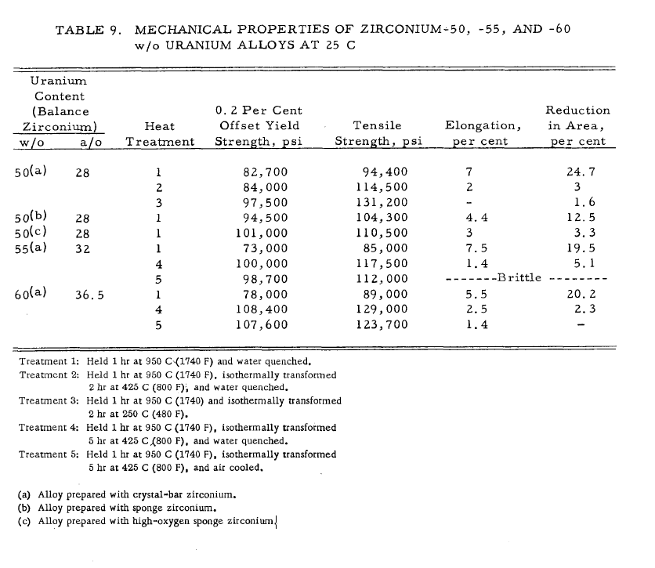

 | 82700 | 570.2165
 | 84000 | 579.18
 | 97500 | 672.2625
 | 94500 | 651.5775
 | 101000 | 696.395
 | 73000 | 503.335
 | 100000 | 689.5
 | 98700 | 680.5365
 | 78000 | 537.81
 | 108400 | 747.418
 | 107600 | 741.902

 | AVG | 642.73936364
 | STD | 82.448643379

Source
L.L.J. Marsh, Strength characteristics of uranium-zirconium alloys, in: A.A. Bauer (Ed.) An
Evaluation of the Properties and Behavior of Zirconium-Uranium Alloys (Report BMI-1350), Battelle
Memorial Institute, Columbus, OH, 1959, pp. 55-77.

Figure 37
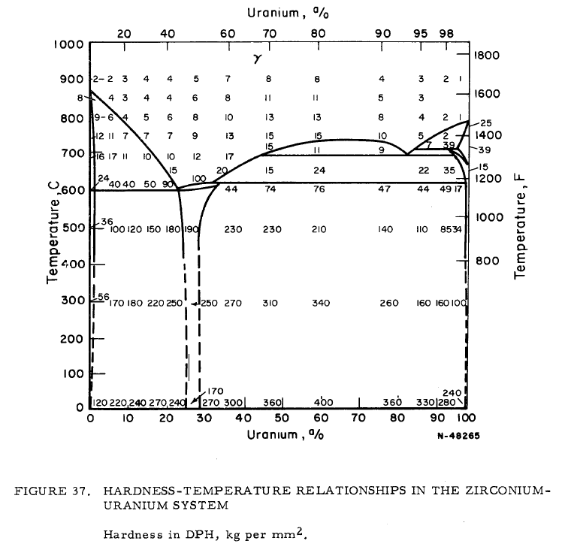
 | Vicker Hardness for U-50wt%Zr at Different Temperatures
 | Temperature |  | Vicker Hardness |  |  | Temperature |  | Vicker Hardness | YS
 | oC | K | kg/mm^2 |  |  | oC
 | 900 | 1173 | 5 | 0.70 | 11.1 | 25 | 298 | 270 | 600
 | 850 | 1123 | 6 | 0.78 | 13.3 | 370 | 643 | 229 | 500
 | 800 | 1073 | 8 | 0.90 | 17.8 |  | 643 | 508.88888889
 | 750 | 1023 | 9 | 0.95 | 20.0
 | 700 | 973 | 12 | 1.08 | 26.7
 | 650 | 923 | 19 | 1.28 | 42.2
 | 600 | 873 | 100 | 2.00 | 222.2
 | 500 | 773 | 190 | 2.28 | 422.2
 | 300 | 573 | 250 | 2.40 | 555.6
 | 25 | 298 | 270 | 2.43 | 600.0

Source
L.L.J. Marsh, Strength characteristics of zirconium-uranium alloys, in: F.A. Rough (Ed.) An
Evaluation of Data on Zirconium-Uranium Alloys (Report BMI-1030), Battelle Memorial Institute,
Columbus, OH, 1955, pp. 47-68.

