BMI_1350_50wt%_U
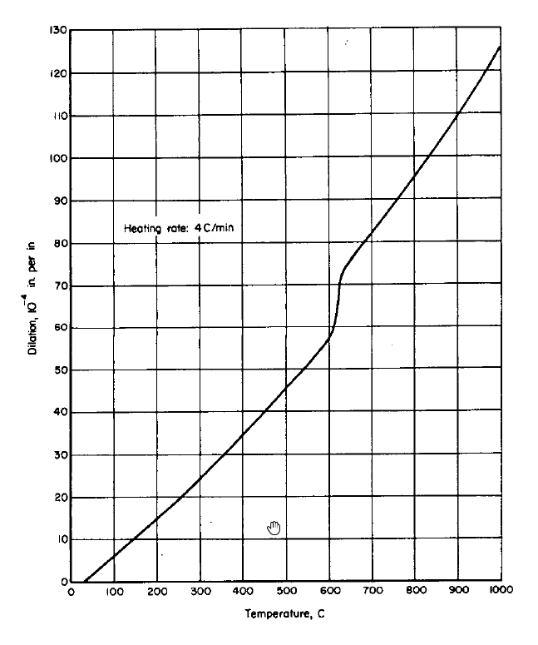
T |  | Curve1 |  |  |  | T1 | 888 | T2 | 903 | FAC | 2
C | K
29.23 | 302.38 | -0.174 | -0.00174 | 0 | 0.203139716 | 0 | 2.03E-03 | 1.02E-03 | 2.03E-05
100.07 | 373.22 | 6.002 | 0.06002 | 0 | 6.010036196 | 0 | 6.01E-02 | 3.01E-02 | 6.01E-04
144.74 | 417.89 | 10.484 | 0.10484 | 0 | 9.878118704 | 0 | 9.88E-02 | 4.94E-02 | 9.88E-04
198.63 | 471.78 | 14.494 | 0.14494 | 0 | 14.757039076 | 0 | 1.48E-01 | 7.38E-02 | 1.48E-03
252.54 | 525.69 | 19.747 | 0.19747 | 0 | 19.870230064 | 0 | 1.99E-01 | 9.94E-02 | 1.99E-03
307.99 | 581.14 | 24.844 | 0.24844 | 0 | 25.372045604 | 0 | 2.54E-01 | 1.27E-01 | 2.54E-03
354.2 | 627.35 | 30.103 | 0.30103 | 0 | 30.1449656 | 0 | 3.01E-01 | 1.51E-01 | 3.01E-03
400.41 | 673.56 | 34.428 | 0.34428 | 0 | 35.088714724 | 0 | 3.51E-01 | 1.75E-01 | 3.51E-03
454.32 | 727.47 | 40.148 | 0.40148 | 0 | 41.072142496 | 0 | 4.11E-01 | 2.05E-01 | 4.11E-03
503.62 | 776.77 | 45.871 | 0.45871 | 0 | 46.747440176 | 0 | 4.67E-01 | 2.34E-01 | 4.67E-03
545.21 | 818.36 | 50.51 | 0.5051 | 0 | 51.686385764 | 0 | 5.17E-01 | 2.58E-01 | 5.17E-03
599.13 | 872.28 | 56.852 | 0.56852 | 0 | 58.295554276 | 0 | 5.83E-01 | 2.91E-01 | 5.83E-03
613.01 | 886.16 | 59.487 | 0.59487 | 0 | 60.034518404 | 0 | 6.00E-01 | 3.00E-01 | 6.00E-03
623.83 | 896.98 | 63.99 | 0.6399 | 0 | 0 | 66.19908 | 6.62E-01 | 3.31E-01 | 6.62E-03
625.43 | 898.58 | 68.499 | 0.68499 | 0 | 0 | 67.28068 | 6.73E-01 | 3.36E-01 | 6.73E-03
633.17 | 906.32 | 73.003 | 0.73003 | 71.634065 | 0 | 0 | 7.16E-01 | 3.58E-01 | 7.16E-03
657.82 | 930.97 | 76.098 | 0.76098 | 75.19599 | 0 | 0 | 7.52E-01 | 3.76E-01 | 7.52E-03
700.97 | 974.12 | 81.98 | 0.8198 | 81.431165 | 0 | 0 | 8.14E-01 | 4.07E-01 | 8.14E-03
754.9 | 1028.05 | 89.255 | 0.89255 | 89.22405 | 0 | 0 | 8.92E-01 | 4.46E-01 | 8.92E-03
802.67 | 1075.82 | 95.601 | 0.95601 | 96.126815 | 0 | 0 | 9.61E-01 | 4.81E-01 | 9.61E-03
839.65 | 1112.8 | 100.554 | 1.00554 | 101.470425 | 0 | 0 | 1.01E+00 | 5.07E-01 | 1.01E-02
899.76 | 1172.91 | 109.847 | 1.09847 | 110.15632 | 0 | 0 | 1.10E+00 | 5.51E-01 | 1.10E-02
950.62 | 1223.77 | 116.969 | 1.16969 | 117.50559 | 0 | 0 | 1.18E+00 | 5.88E-01 | 1.18E-02
995.33 | 1268.48 | 125.027 | 1.25027 | 123.966185 | 0 | 0 | 1.24E+00 | 6.20E-01 | 1.24E-02

Bagchi_JMSE
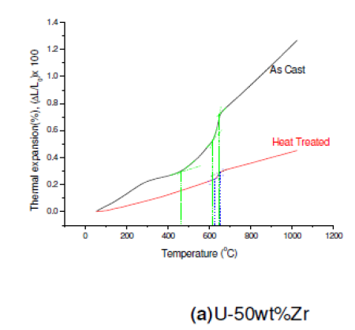
 | Bagchi et. al., Heat treated |  | Bagchi et. al., As cast |  | BMI 50wt%Zr |  | Model
146.01 | 0.08848 | 146.01 | 0.09875 | 29.23 | -0.00174 | 29.23 | 2.03E-03
148.76 | 0.08951 | 148.76 | 0.10104 | 100.07 | 0.06002 | 100.07 | 6.01E-02
198.35 | 0.10752 | 198.35 | 0.14309 | 144.74 | 0.10484 | 144.74 | 9.88E-02
217.63 | 0.11388 | 217.63 | 0.15989 | 198.63 | 0.14494 | 198.63 | 1.48E-01
272.73 | 0.13001 | 272.73 | 0.20616 | 252.54 | 0.19747 | 252.54 | 1.99E-01
289.26 | 0.1351 | 289.26 | 0.21879 | 307.99 | 0.24844 | 307.99 | 2.54E-01
336.09 | 0.15127 | 336.09 | 0.25664 | 354.2 | 0.30103 | 354.2 | 3.01E-01
371.9 | 0.16474 | 371.9 | 0.29655 | 400.41 | 0.34428 | 400.41 | 3.51E-01
382.92 | 0.16902 | 382.92 | 0.30704 | 454.32 | 0.40148 | 454.32 | 4.11E-01
418.73 | 0.18386 | 418.73 | 0.31556 | 503.62 | 0.45871 | 503.62 | 4.67E-01
440.77 | 0.19431 | 440.77 | 0.32045 | 545.21 | 0.5051 | 545.21 | 5.17E-01
465.56 | 0.2076 | 465.56 | 0.33249 | 599.13 | 0.56852 | 599.13 | 5.83E-01
504.13 | 0.22805 | 504.13 | 0.36595 | 613.01 | 0.59487 | 613.01 | 6.00E-01
512.4 | 0.23193 | 512.4 | 0.37453 | 623.83 | 0.6399 | 623.83 | 6.62E-01
553.72 | 0.2495 | 553.72 | 0.41654 | 625.43 | 0.68499 | 625.43 | 6.73E-01
573 | 0.25763 | 573 | 0.4338 | 633.17 | 0.73003 | 633.17 | 7.16E-01
586.78 | 0.2638 | 586.78 | 0.45015 | 657.82 | 0.76098 | 657.82 | 7.52E-01
617.08 | 0.27861 | 617.08 | 0.50467 | 700.97 | 0.8198 | 700.97 | 8.14E-01
625.34 | 0.28295 | 625.34 | 0.51645 | 754.9 | 0.89255 | 754.9 | 8.92E-01
647.38 | 0.2956 | 647.38 | 0.54792 | 802.67 | 0.95601 | 802.67 | 9.61E-01
652.89 | 0.29889 | 652.89 | 0.55922 | 839.65 | 1.00554 | 839.65 | 1.01E+00
666.67 | 0.30946 | 666.67 | 0.63459 | 899.76 | 1.09847 | 899.76 | 1.10E+00
672.18 | 0.31662 | 672.18 | 0.67515 | 950.62 | 1.16969 | 950.62 | 1.18E+00
677.69 | 0.33414 | 677.69 | 0.71413 | 995.33 | 1.25027 | 995.33 | 1.24E+00
680.44 | 0.35013 | 680.44 | 0.73501
694.21 | 0.36848 | 694.21 | 0.77278
699.72 | 0.37113 | 699.72 | 0.78097
749.31 | 0.38807 | 749.31 | 0.84075
752.07 | 0.38933 | 752.07 | 0.84415
804.41 | 0.41646 | 804.41 | 0.91968
807.16 | 0.4176 | 807.16 | 0.92399
856.75 | 0.43323 | 856.75 | 0.9994
873.28 | 0.4388 | 873.28 | 1.02356
920.11 | 0.46284 | 920.11 | 1.09172
922.87 | 0.46411 | 922.87 | 1.09581
958.68 | 0.47733 | 958.68 | 1.15045
980.72 | 0.48527 | 980.72 | 1.18235
1002.75 | 0.49664 | 1002.75 | 1.2134
1016.53 | 0.50635 | 1016.53 | 1.23276
T | Bagchi et. al., Heat treated | Bagchi et. al., As cast
C | % | %
146.01 | 0.08848 | 0.09875
148.76 | 0.08951 | 0.10104
198.35 | 0.10752 | 0.14309
217.63 | 0.11388 | 0.15989
272.73 | 0.13001 | 0.20616
289.26 | 0.1351 | 0.21879
336.09 | 0.15127 | 0.25664
371.9 | 0.16474 | 0.29655
382.92 | 0.16902 | 0.30704
418.73 | 0.18386 | 0.31556
440.77 | 0.19431 | 0.32045
465.56 | 0.2076 | 0.33249
504.13 | 0.22805 | 0.36595
512.4 | 0.23193 | 0.37453
553.72 | 0.2495 | 0.41654
573 | 0.25763 | 0.4338
586.78 | 0.2638 | 0.45015
617.08 | 0.27861 | 0.50467
625.34 | 0.28295 | 0.51645
647.38 | 0.2956 | 0.54792
652.89 | 0.29889 | 0.55922
 | Bagchi et. al., Heat treated |  | Bagchi et. al., As cast |  | BMI 50wt%Zr
146.01 | 0.08848 | 146.01 | 0.09875 | 29.23 | -0.00174
148.76 | 0.08951 | 148.76 | 0.10104 | 100.07 | 0.06002
198.35 | 0.10752 | 198.35 | 0.14309 | 144.74 | 0.10484
217.63 | 0.11388 | 217.63 | 0.15989 | 198.63 | 0.14494
272.73 | 0.13001 | 272.73 | 0.20616 | 252.54 | 0.19747
289.26 | 0.1351 | 289.26 | 0.21879 | 307.99 | 0.24844
336.09 | 0.15127 | 336.09 | 0.25664 | 354.2 | 0.30103
371.9 | 0.16474 | 371.9 | 0.29655 | 400.41 | 0.34428
382.92 | 0.16902 | 382.92 | 0.30704 | 454.32 | 0.40148
418.73 | 0.18386 | 418.73 | 0.31556 | 503.62 | 0.45871
440.77 | 0.19431 | 440.77 | 0.32045 | 545.21 | 0.5051
465.56 | 0.2076 | 465.56 | 0.33249 | 599.13 | 0.56852
504.13 | 0.22805 | 504.13 | 0.36595 | 613.01 | 0.59487
512.4 | 0.23193 | 512.4 | 0.37453 | 623.83 | 0.6399
553.72 | 0.2495 | 553.72 | 0.41654 | 625.43 | 0.68499
573 | 0.25763 | 573 | 0.4338 | 633.17 | 0.73003
586.78 | 0.2638 | 586.78 | 0.45015 | 657.82 | 0.76098
617.08 | 0.27861 | 617.08 | 0.50467 | 700.97 | 0.8198
625.34 | 0.28295 | 625.34 | 0.51645 | 754.9 | 0.89255
647.38 | 0.2956 | 647.38 | 0.54792 | 802.67 | 0.95601
652.89 | 0.29889 | 652.89 | 0.55922 | 839.65 | 1.00554
666.67 | 0.30946 | 666.67 | 0.63459 | 899.76 | 1.09847
672.18 | 0.31662 | 672.18 | 0.67515 | 950.62 | 1.16969
677.69 | 0.33414 | 677.69 | 0.71413 | 995.33 | 1.25027
680.44 | 0.35013 | 680.44 | 0.73501
694.21 | 0.36848 | 694.21 | 0.77278
699.72 | 0.37113 | 699.72 | 0.78097
749.31 | 0.38807 | 749.31 | 0.84075
752.07 | 0.38933 | 752.07 | 0.84415
804.41 | 0.41646 | 804.41 | 0.91968
807.16 | 0.4176 | 807.16 | 0.92399
856.75 | 0.43323 | 856.75 | 0.9994
873.28 | 0.4388 | 873.28 | 1.02356
920.11 | 0.46284 | 920.11 | 1.09172
922.87 | 0.46411 | 922.87 | 1.09581
958.68 | 0.47733 | 958.68 | 1.15045
980.72 | 0.48527 | 980.72 | 1.18235
1002.75 | 0.49664 | 1002.75 | 1.2134
1016.53 | 0.50635 | 1016.53 | 1.23276
 | Bagchi et. al., Heat treated |  | Bagchi et. al., As cast |  | BMI 50wt%Zr |  | Model |  | Model * 0.5
146.01 | 0.08848 | 146.01 | 0.09875 | 29.23 | -0.00174 | 29.23 | 2.03E-03 | 29.23 | 1.02E-03
148.76 | 0.08951 | 148.76 | 0.10104 | 100.07 | 0.06002 | 100.07 | 6.01E-02 | 100.07 | 3.01E-02
198.35 | 0.10752 | 198.35 | 0.14309 | 144.74 | 0.10484 | 144.74 | 9.88E-02 | 144.74 | 4.94E-02
217.63 | 0.11388 | 217.63 | 0.15989 | 198.63 | 0.14494 | 198.63 | 1.48E-01 | 198.63 | 7.38E-02
272.73 | 0.13001 | 272.73 | 0.20616 | 252.54 | 0.19747 | 252.54 | 1.99E-01 | 252.54 | 9.94E-02
289.26 | 0.1351 | 289.26 | 0.21879 | 307.99 | 0.24844 | 307.99 | 2.54E-01 | 307.99 | 1.27E-01
336.09 | 0.15127 | 336.09 | 0.25664 | 354.2 | 0.30103 | 354.2 | 3.01E-01 | 354.2 | 1.51E-01
371.9 | 0.16474 | 371.9 | 0.29655 | 400.41 | 0.34428 | 400.41 | 3.51E-01 | 400.41 | 1.75E-01
382.92 | 0.16902 | 382.92 | 0.30704 | 454.32 | 0.40148 | 454.32 | 4.11E-01 | 454.32 | 2.05E-01
418.73 | 0.18386 | 418.73 | 0.31556 | 503.62 | 0.45871 | 503.62 | 4.67E-01 | 503.62 | 2.34E-01
440.77 | 0.19431 | 440.77 | 0.32045 | 545.21 | 0.5051 | 545.21 | 5.17E-01 | 545.21 | 2.58E-01
465.56 | 0.2076 | 465.56 | 0.33249 | 599.13 | 0.56852 | 599.13 | 5.83E-01 | 599.13 | 2.91E-01
504.13 | 0.22805 | 504.13 | 0.36595 | 613.01 | 0.59487 | 613.01 | 6.00E-01 | 613.01 | 3.00E-01
512.4 | 0.23193 | 512.4 | 0.37453 | 623.83 | 0.6399 | 623.83 | 6.62E-01 | 623.83 | 3.31E-01
553.72 | 0.2495 | 553.72 | 0.41654 | 625.43 | 0.68499 | 625.43 | 6.73E-01 | 625.43 | 3.36E-01
573 | 0.25763 | 573 | 0.4338 | 633.17 | 0.73003 | 633.17 | 7.16E-01 | 633.17 | 3.58E-01
586.78 | 0.2638 | 586.78 | 0.45015 | 657.82 | 0.76098 | 657.82 | 7.52E-01 | 657.82 | 3.76E-01
617.08 | 0.27861 | 617.08 | 0.50467 | 700.97 | 0.8198 | 700.97 | 8.14E-01 | 700.97 | 4.07E-01
625.34 | 0.28295 | 625.34 | 0.51645 | 754.9 | 0.89255 | 754.9 | 8.92E-01 | 754.9 | 4.46E-01
647.38 | 0.2956 | 647.38 | 0.54792 | 802.67 | 0.95601 | 802.67 | 9.61E-01 | 802.67 | 4.81E-01
652.89 | 0.29889 | 652.89 | 0.55922 | 839.65 | 1.00554 | 839.65 | 1.01E+00 | 839.65 | 5.07E-01
666.67 | 0.30946 | 666.67 | 0.63459 | 899.76 | 1.09847 | 899.76 | 1.10E+00 | 899.76 | 5.51E-01
672.18 | 0.31662 | 672.18 | 0.67515 | 950.62 | 1.16969 | 950.62 | 1.18E+00 | 950.62 | 5.88E-01
677.69 | 0.33414 | 677.69 | 0.71413 | 995.33 | 1.25027 | 995.33 | 1.24E+00 | 995.33 | 6.20E-01
680.44 | 0.35013 | 680.44 | 0.73501
694.21 | 0.36848 | 694.21 | 0.77278
699.72 | 0.37113 | 699.72 | 0.78097
749.31 | 0.38807 | 749.31 | 0.84075
752.07 | 0.38933 | 752.07 | 0.84415
804.41 | 0.41646 | 804.41 | 0.91968
807.16 | 0.4176 | 807.16 | 0.92399
856.75 | 0.43323 | 856.75 | 0.9994
873.28 | 0.4388 | 873.28 | 1.02356
920.11 | 0.46284 | 920.11 | 1.09172
922.87 | 0.46411 | 922.87 | 1.09581
958.68 | 0.47733 | 958.68 | 1.15045
980.72 | 0.48527 | 980.72 | 1.18235
1002.75 | 0.49664 | 1002.75 | 1.2134
1016.53 | 0.50635 | 1016.53 | 1.23276
666.67 | 0.30946 | 0.63459
672.18 | 0.31662 | 0.67515
677.69 | 0.33414 | 0.71413
680.44 | 0.35013 | 0.73501
694.21 | 0.36848 | 0.77278
699.72 | 0.37113 | 0.78097
749.31 | 0.38807 | 0.84075
752.07 | 0.38933 | 0.84415
804.41 | 0.41646 | 0.91968
807.16 | 0.4176 | 0.92399
856.75 | 0.43323 | 0.9994
873.28 | 0.4388 | 1.02356
920.11 | 0.46284 | 1.09172
922.87 | 0.46411 | 1.09581
958.68 | 0.47733 | 1.15045
980.72 | 0.48527 | 1.18235
1002.75 | 0.49664 | 1.2134
1016.53 | 0.50635 | 1.23276

Comparison
 |  | BISON
29.23 | 2.03139716E-05 | 300 | 27 | 0
100.07 | 0.0006010036196 | 345 | 72 | 0.00035370000001
144.74 | 0.0009878118704 | 390 | 117 | 0.00072360000001
198.63 | 0.0014757039076 | 435 | 162 | 0.0011097
252.54 | 0.0019870230064 | 480 | 207 | 0.001512
307.99 | 0.0025372045604 | 525 | 252 | 0.0019305
354.2 | 0.00301449656 | 570 | 297 | 0.0023652
400.41 | 0.0035088714724 | 615 | 342 | 0.0028161
454.32 | 0.0041072142496 | 660 | 387 | 0.0032832
503.62 | 0.0046747440176 | 705 | 432 | 0.0037665
545.21 | 0.0051686385764 | 750 | 477 | 0.004266
599.13 | 0.0058295554276 | 795 | 522 | 0.0047817
613.01 | 0.0060034518404 | 840 | 567 | 0.0053136
623.83 | 0.006619908 | 885 | 612 | 0.0058617
625.43 | 0.006728068 | 930 | 657 | 0.0072445900006
633.17 | 0.0071634065 | 975 | 702 | 0.0079754400001
657.82 | 0.007519599 | 1020 | 747 | 0.0086256900001
700.97 | 0.0081431165 | 1065 | 792 | 0.0092759400001
754.9 | 0.008922405 | 1110 | 837 | 0.0099261900001
802.67 | 0.0096126815 | 1155 | 882 | 0.01057644
839.65 | 0.0101470425 | 1200 | 927 | 0.01122669
899.76 | 0.011015632
950.62 | 0.011750559
995.33 | 0.0123966185

