Req_CFG_CC_Paths
Source code to be tested using WBT
Cyclomatic complexity
CC_1 | regions
CC_2 | E-N+2 | 1
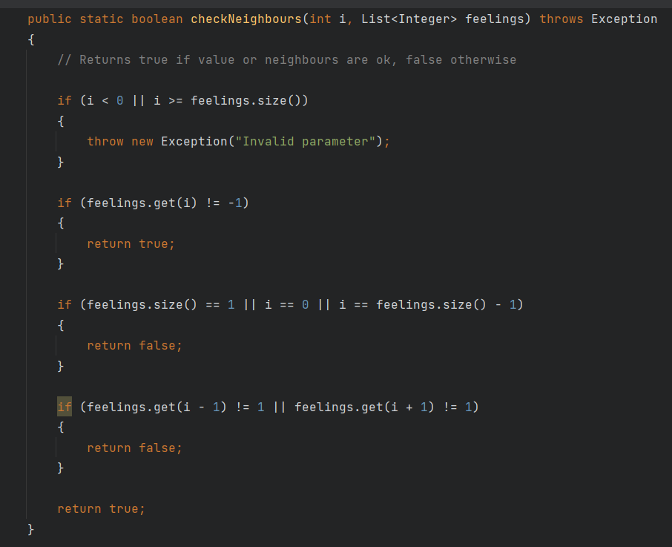
Control Flow Graph of
the source code being tested
CC_3 | Predicate+1

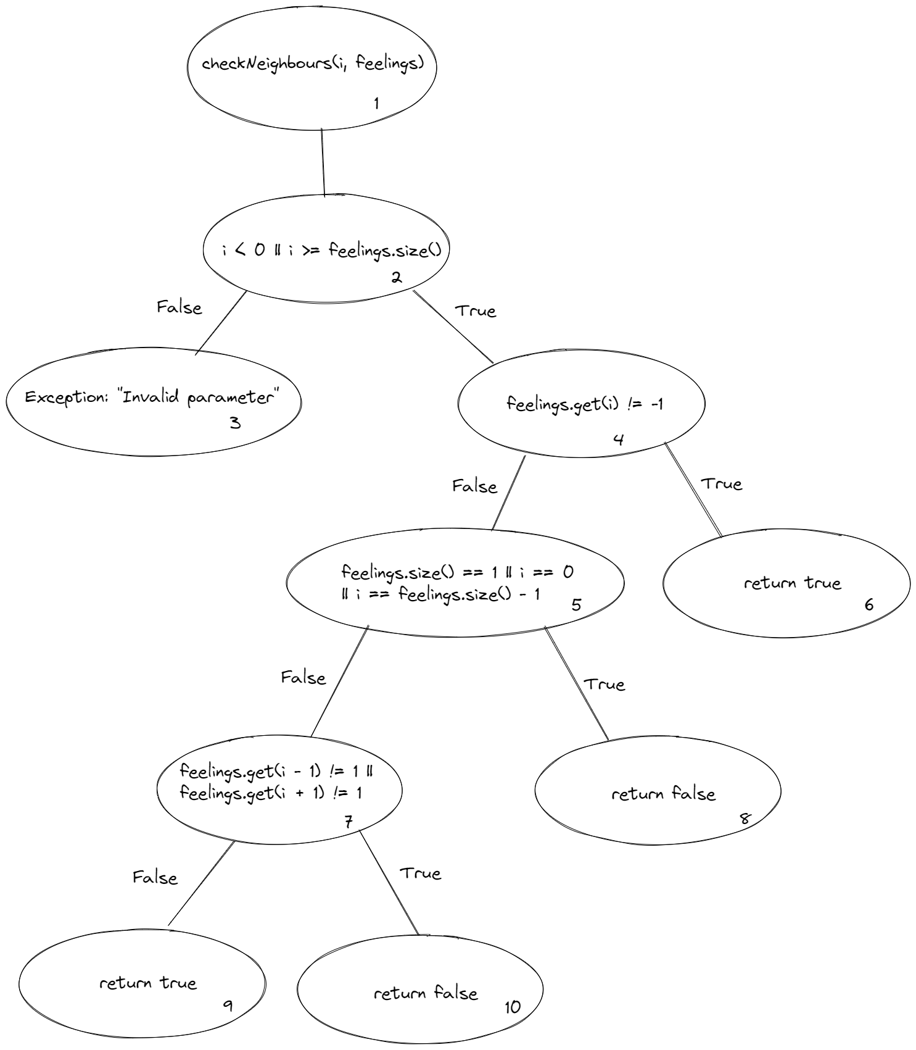
Individual Paths
1 | 1, 2, 3
2 | 1, 2, 4, 6
3 | 1, 2, 4, 5, 8
4 | 1, 2, 4, 5, 7, 9
5 | 1, 2, 4, 5, 7, 10

