Results
Table 1 Goodman and Kruskal’s gamma ..
 | Valid N | Gamma | Z | p-value
false news & michigan total mean TQ | 3119 | 0.77*** | 5.6545 | 0.0000
false news & pandemic total mean TQ | 3119 | 0.53*** | 17.7466 | 0.0000
false news & hiv total mean TQ | 3119 | 0.46*** | 8.9213 | 0.0000
false news & plague total mean TQ | 3119 | 0.45*** | 6.5179 | 0.0000
false news & protest total mean TQ | 3119 | 0.45*** | 4.7874 | 0.0000
false news & lockdown total mean TQ | 3119 | 0.34*** | 7.5957 | 0.0000
false news & mortality total mean TQ | 3119 | 0.16** | 2.6915 | 0.0071
false news & threat total mean TQ | 3119 | 0.04 | 1.0428 | 0.2970
false news & risk total mean TQ | 3119 | -0.01 | -0.4070 | 0.6840
false news & virulence total mean TQ | 3119 | -0.01 | -0.0736 | 0.9414
false news & epidemic total mean TQ | 3119 | -0.06 | -1.8872 | 0.0591
false news & quarantine total mean TQ | 3119 | -0.09** | -2.9773 | 0.0029
 |  | Note: *** p < 0.001, ** p < 0.01, * p < 0.05
Fig 1 Matrix plot .. (a) .. (b)
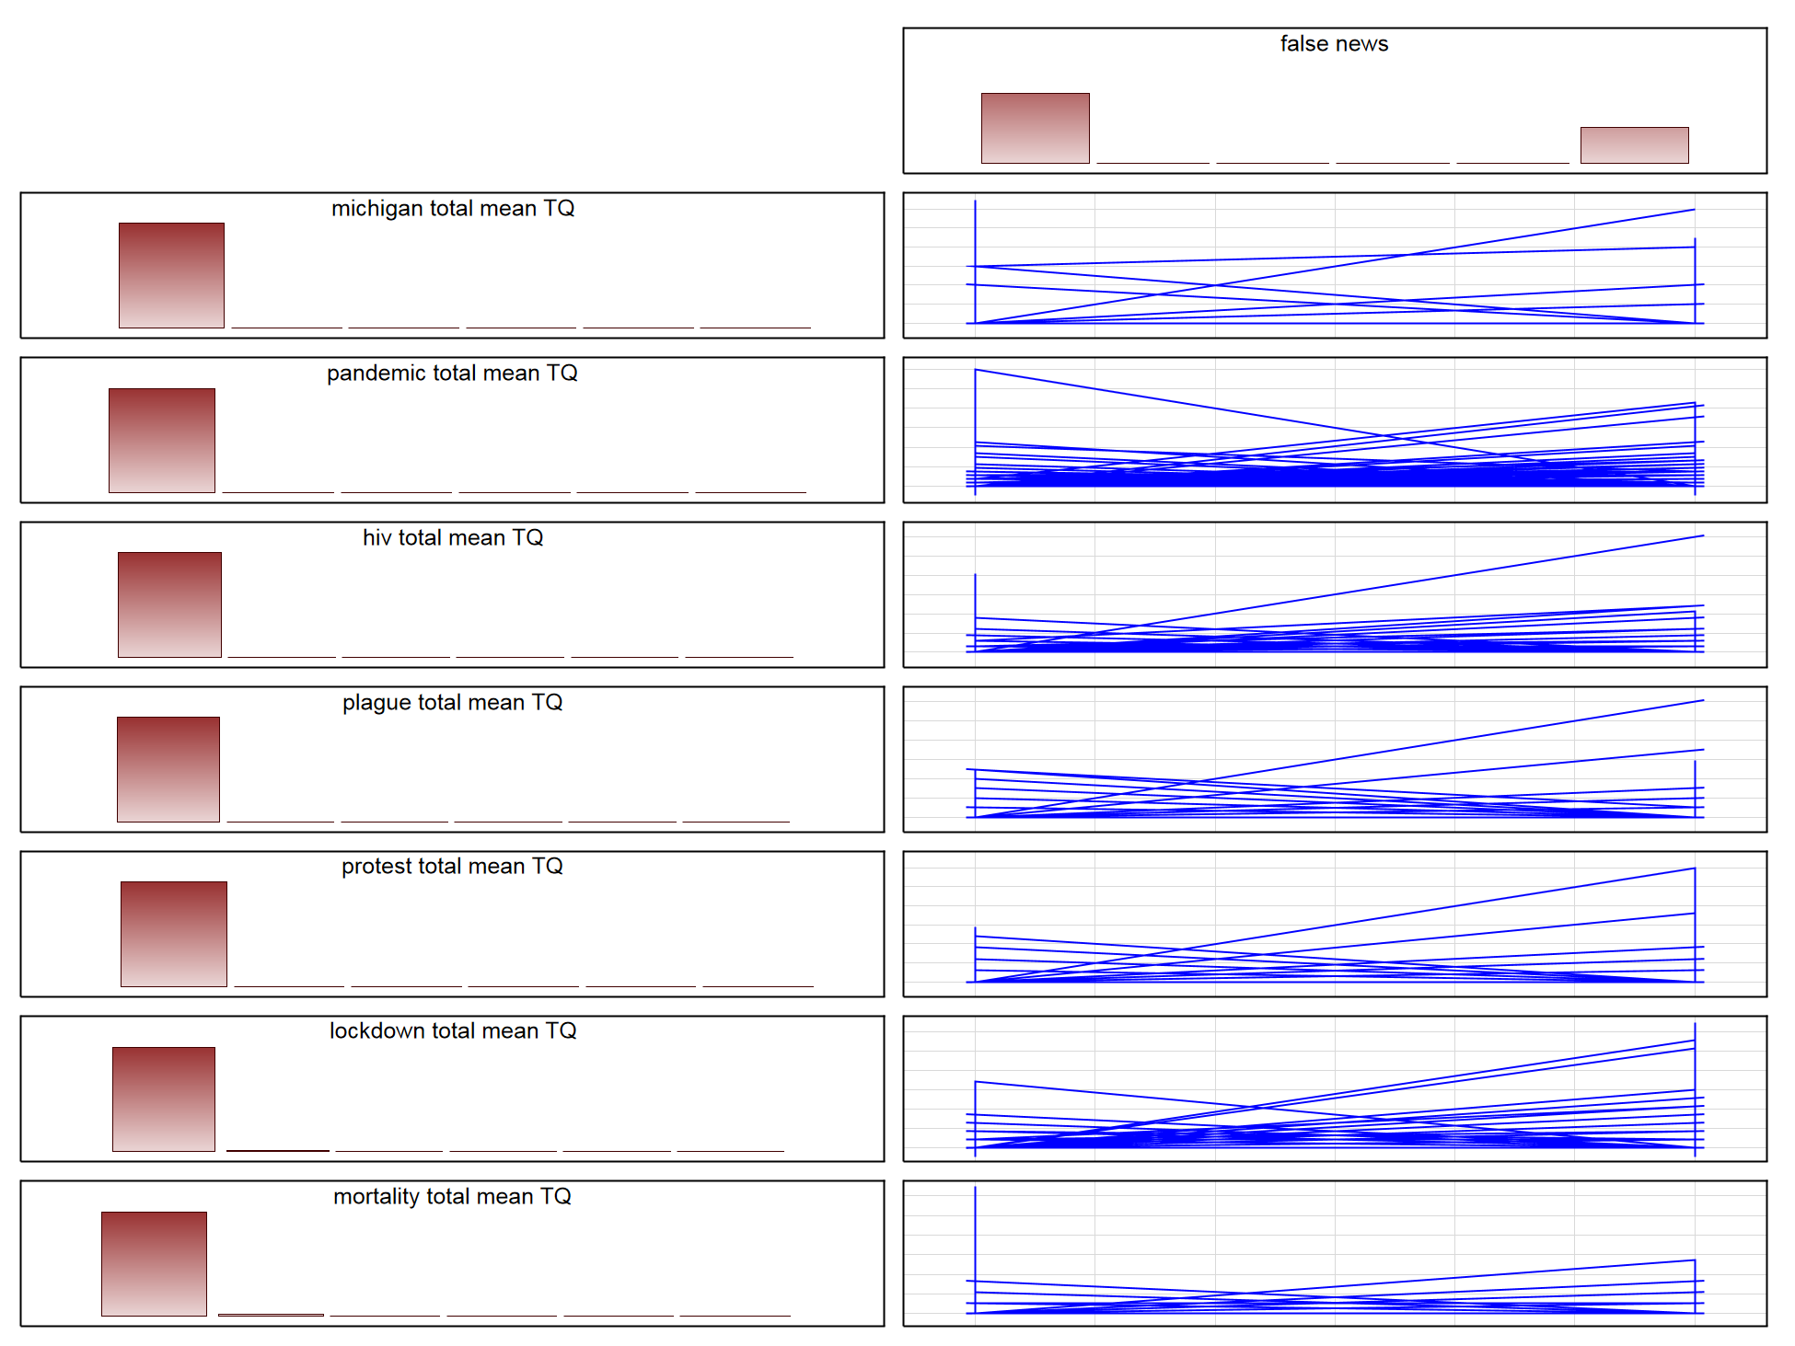
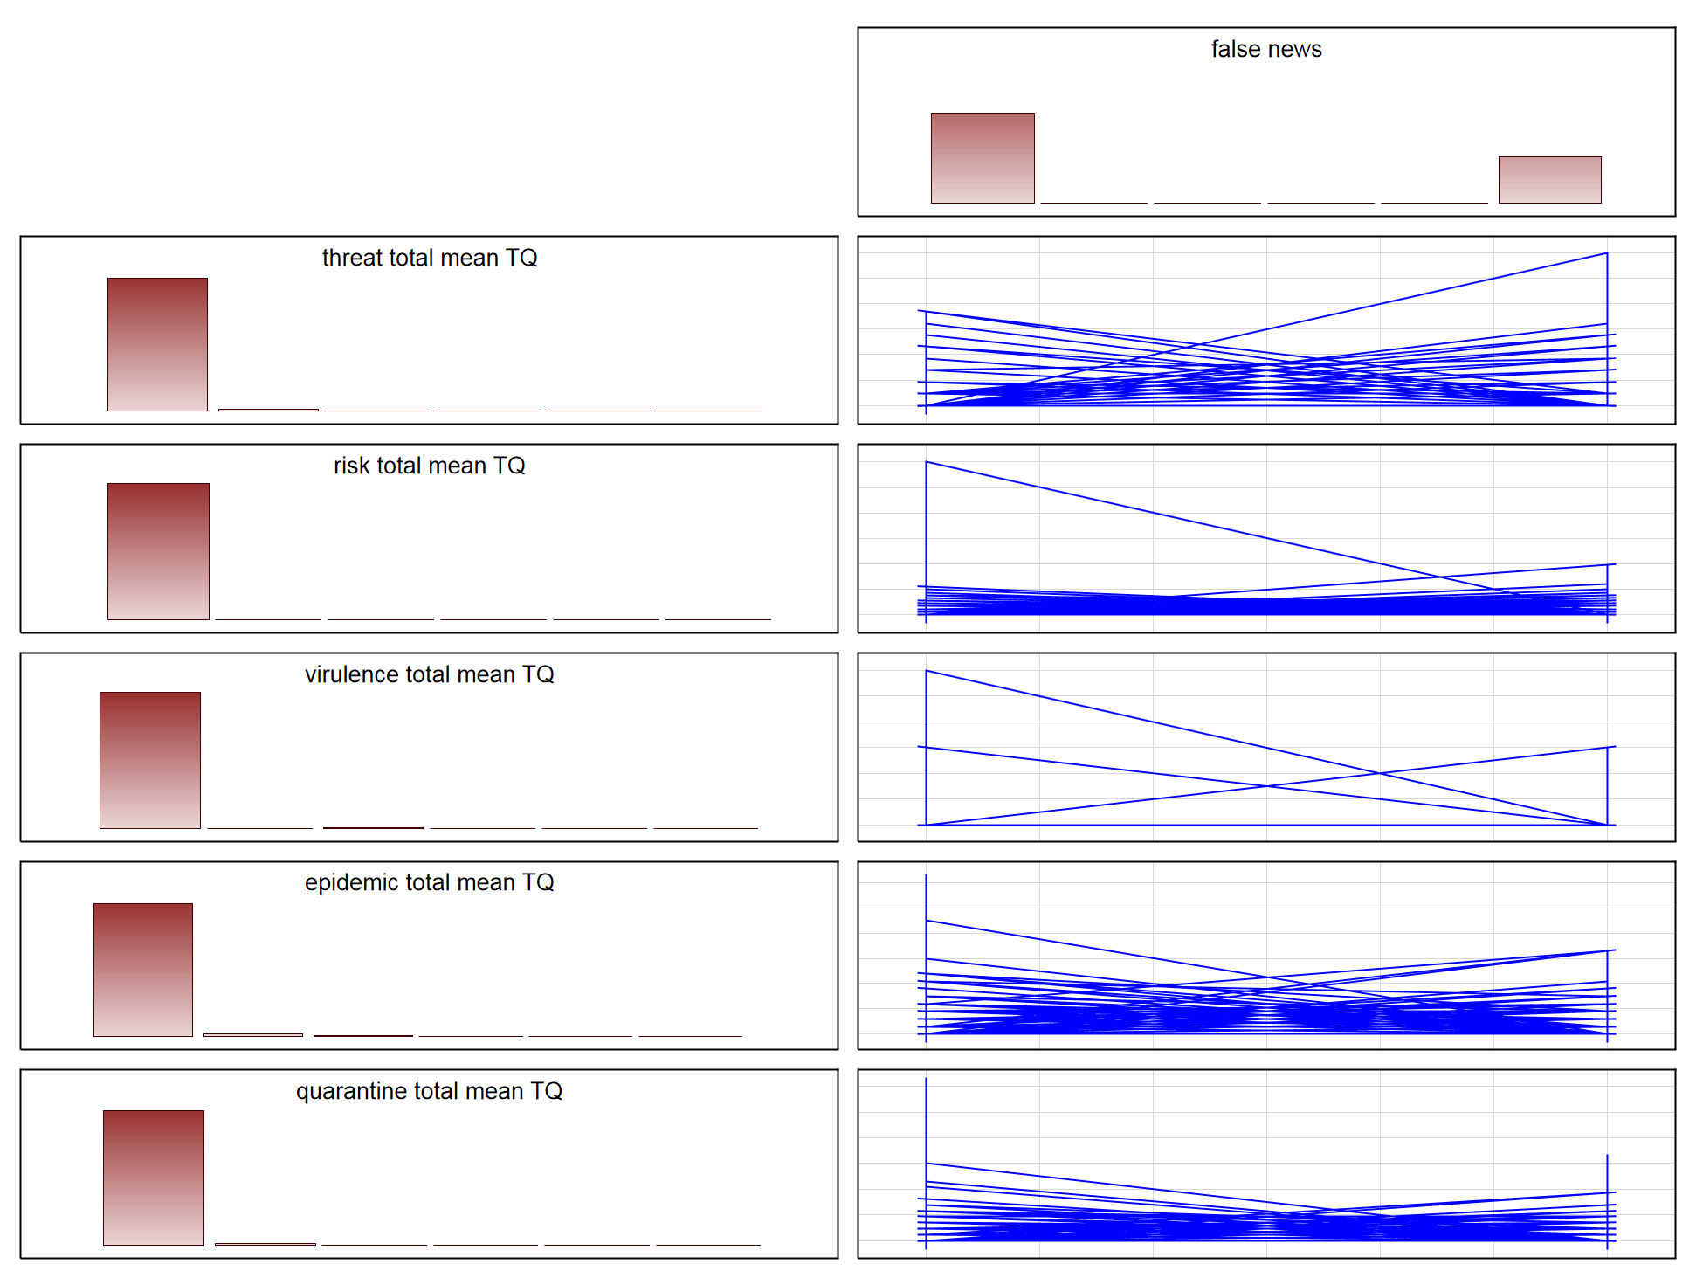

Table 2 Mann-Whitney U Test .. (a) .. (b) |  |  |  |  |  |  | Mann-Whitney U Test
 | U | Z | Z adjusted | p-value |  |  |  | U | Z | Z - adjusted | p-value
michigan total mean TQ | 1079500 | 0.4523 | 3.7743 | 0.0002 |  |  | threat total mean TQ | 1079675 | 0.4449 | 0.7095 | 0.4780
pandemic total mean TQ | 916184 | 7.3113 | 12.1003 | 0.0000 |  |  | risk total mean TQ | 1085341 | -0.2070 | -0.2809 | 0.7788
hiv total mean TQ | 1038829 | 2.1604 | 5.9820 | 0.0000 |  |  | virulence total mean TQ | 1090129 | -0.0059 | -0.0489 | 0.9610
plague total mean TQ | 1062362 | 1.1720 | 4.3605 | 0.0000 |  |  | epidemic total mean TQ | 1068745 | -0.9040 | -1.2990 | 0.1940
protest total mean TQ | 1075063 | 0.6386 | 3.1989 | 0.0014 |  |  | quarantine total mean TQ | 1053948 | -1.5254 | -2.0565 | 0.0397
lockdown total mean TQ | 1037731 | 2.2065 | 5.1147 | 0.0000
mortality total mean TQ | 1075609 | 0.6157 | 1.8051 | 0.0711

Table 3 Grubbs Test Statistic .. (a) .. (b)
 | false news = 1 |  |  | false news = 0 |  |  |  | false news = 1 |  |  | false news = 0
 | Valid N | Grubbs Test Statistic | p-value | Valid N | Grubbs Test Statistic | p-value |  | Valid N | Grubbs Test Statistic | p-value | Valid N | Grubbs Test Statistic | p-value
michigan total mean TQ | 1058 | 21.0270 | 0.0000 | 2061 | 38.8920 | 0.0000 | threat total mean TQ | 1058 | 14.4618 | 0.0000 | 2061 | 10.7463 | 0.0000
pandemic total mean TQ | 1058 | 11.6159 | 0.0000 | 2061 | 30.8075 | 0.0000 | risk total mean TQ | 1058 | 13.0683 | 0.0000 | 2061 | 34.3090 | 0.0000
hiv total mean TQ | 1058 | 23.6207 | 0.0000 | 2061 | 28.9532 | 0.0000 | virulence total mean TQ | 1058 | 14.5052 | 0.0000 | 2061 | 25.1660 | 0.0000
plague total mean TQ | 1058 | 22.2368 | 0.0000 | 2061 | 20.1421 | 0.0000 | epidemic total mean TQ | 1058 | 9.8832 | 0.0000 | 2061 | 14.3379 | 0.0000
protest total mean TQ | 1058 | 23.0720 | 0.0000 | 2061 | 20.5421 | 0.0000 | quarantine total mean TQ | 1058 | 12.5336 | 0.0000 | 2061 | 18.5046 | 0.0000
lockdown total mean TQ | 1058 | 12.8655 | 0.0000 | 2061 | 20.6365 | 0.0000
mortality total mean TQ | 1058 | 11.9890 | 0.0000 | 2061 | 25.7945 | 0.0000

Table 4 Robust statistics .. (a) .. (b)
 | false news = 1 |  |  | false news = 0 |  |  |  | false news = 1 |  |  | false news = 0
 | Mean | Trimmed mean 1% | Winsorized mean 1% | Mean | Trimmed mean 1% | Winsorized mean 1% |  | Mean | Trimmed mean 1% | Winsorized mean 1% | Mean | Trimmed mean 1% | Winsorized mean 1%
michigan total mean TQ | 0.93*** | 0.04*** | 0.43*** | 0.20 | 0.00 | 0.00 | threat total mean TQ | 1.40 | 1.10 | 1.29 | 1.20 | 0.97 | 1.10
pandemic total mean TQ | 13.45*** | 10.28*** | 11.86*** | 3.90 | 2.36 | 2.97 | risk total mean TQ | 7.30 | 5.94 | 6.75 | 6.73 | 5.45 | 6.10
hiv total mean TQ | 2.70*** | 1.57*** | 1.92*** | 0.92 | 0.37 | 0.55 | virulence total mean TQ | 0.04 | 0.00 | 0.00 | 0.05 | 0.00 | 0.00
plague total mean TQ | 1.90*** | 0.90*** | 1.40*** | 0.64 | 0.15 | 0.40 | epidemic total mean TQ | 9.05 | 7.35 | 8.46 | 11.04 | 8.90 | 10.44
protest total mean TQ | 2.76** | 0.75** | 1.35** | 0.92 | 0.00 | 0.00 | quarantine total mean TQ | 12.73 | 10.67 | 12.16 | 16.57* | 13.57* | 14.97*
lockdown total mean TQ | 6.86*** | 4.52*** | 5.90*** | 2.07 | 1.27 | 1.82 |  |  |  |  | Note: *** p < 0.001, ** p < 0.01, * p < 0.05
mortality total mean TQ | 1.39 | 0.88 | 1.22 | 1.02 | 0.48 | 0.81
 |  |  |  | Note: *** p < 0.001, ** p < 0.01, * p < 0.05

