J-B1 (1H 1I 1F)
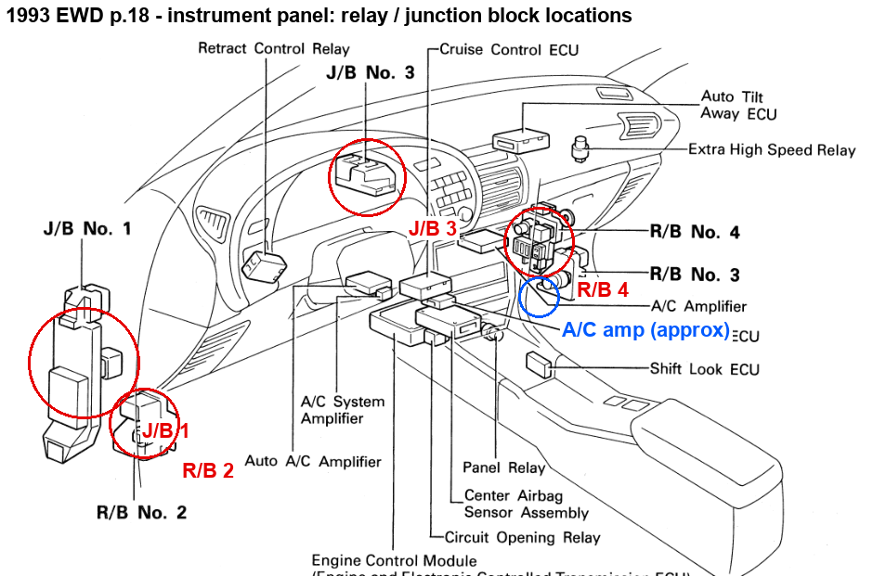
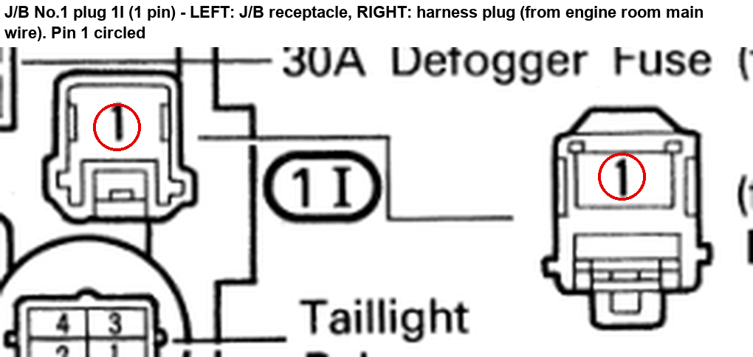
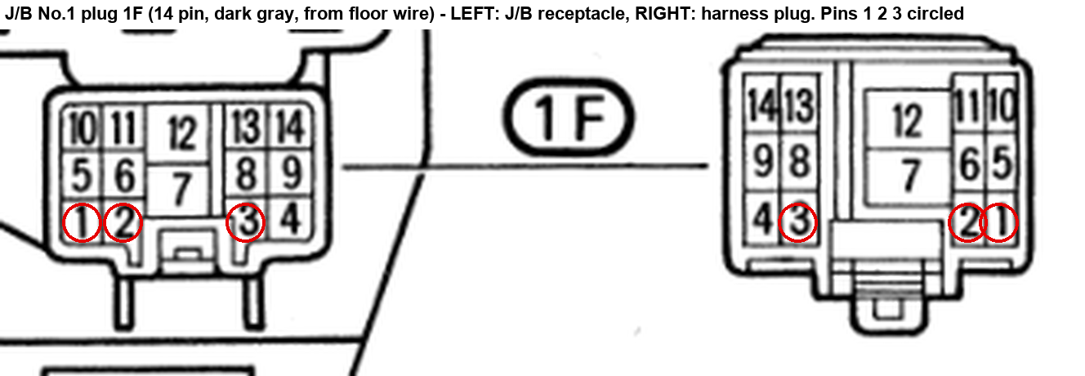
J-B1 (1H 1I 1F)
J/B No.1 sits behind the left kick panel (see location picture). Plug 1H mates to the engine-room main wire, 1I to the same, 1F to the floor wire (dark gray). In each picture the LEFT drawing is shown with its label, the other half is the mating half; both halves are circled so you can work from whichever side you can reach.

Connector | Pin | OEM wire colour (EWD) | New wire AWG | New wire colour | Signal / what it does | Goes to (new harness end) | Splice method | EWD page | wire_id | Flag
J/B No.1 plug 1H (8 pin, left kick) | 2 | L-Y | 14 | Red | AMI BUS1 50 A fuse -> LOGIC DM 20 A fuse | LOGIC pin BUS1-5 (LOGIC box - custom fuse + relay box, glove box inboard (cad/fusebox rev 5, DECISIONS R75): Bus 1 (permanent) and Bus 2 (switched, k_efi 30) mini fuse strips, micro relays M1-M7) | crimp butt splice into the factory 1H-2 lead at J/B1 (cabin side; engine-room main removed) | 1993 p.132 | w_pmu_dome
J/B No.1 plug 1H (8 pin, left kick) | 4 | G-B | 18 | Red | LH front turn + | F7 pin 3 (LH front turn / clearance lamp F7 pin 3) | crimp butt splice into the factory 1H-4 lead at J/B1 (cabin side; engine-room main removed) | 1993 p.130 | w_turn_f7
J/B No.1 plug 1H (8 pin, left kick) | 5 | L | 14 | Red | Wiper +B | F9 pin 4 (Front wiper motor F9 pin 4 (cowl, driver side)) | crimp butt splice into the factory 1H-5 lead at J/B1 (cabin side; engine-room main removed) | 1993 p.148 | w_wip_b | wiper (skipped device)
J/B No.1 plug 1H (8 pin, left kick) | 6 | G | 16 | Red | Clearance lamp feed | SP-CLR | crimp butt splice into the factory 1H-6 lead at J/B1 (cabin side; engine-room main removed) | 1993 p.112 | w_clr
J/B No.1 plug 1H (8 pin, left kick) | 7 | B-O | 20 | Yellow | Ignition sw sense | ECU-B pin 28 (ECU-B (Link G4X plug B, centre dash)) | solder splice onto the factory lead | 1993 TIS EWD p.62 (Power Source) | w_ign
J/B No.1 plug 1H (8 pin, left kick) | 7 | B-O | 20 | Yellow | IG2 wake feed | D-IG2-WAKE pin 1 (IG2 wake diode (1N5822)) | solder splice onto the factory lead | 1993 TIS EWD p.62 (Power Source) | w_ig2_in
J/B No.1 plug 1H (8 pin, left kick) | 8 | G-Y | 18 | Red | RH front turn + | F8 pin 3 (RH front turn / clearance lamp F8 pin 3) | crimp butt splice into the factory 1H-8 lead at J/B1 (cabin side; engine-room main removed) | 1993 p.130 | w_turn_f8
J/B No.1 plug 1I (1 pin) | 1 | B | 6 | Red | AMI JB1 60 A fuse | POWER pin AMI OUT-5 (POWER box with the bus bar in it - custom fuse + relay box, glove box outboard (cad/fusebox rev 7, DECISIONS R75, R91): the tinned copper + bar IS the AMI bar (7 AMI IN relay feeds, 7 AMI OUT; no 1/0 link cable), NEG bar in the rear bus zone, Mini ISO relays R1-R6, ACPS mini fuse) | heavy crimp butt splice into the factory 1I-1 lead | p.18-19 | w_pdb_jb1
J/B No.1 plug 1F (14 pin, dark gray) | 1 | G | 16 | Red | Tail lamp feed | SP-RL-TAIL | crimp butt splice into the factory 1F-1 lead at J/B1 (cabin side, left kick; the rear floor wire is missing, R55) | 1993 p.112-113 | w_rl_tail
J/B No.1 plug 1F (14 pin, dark gray) | 2 | G-Y | 18 | Red | Turn RH rear + | R12 pin 6 (RH rear lamp R12 pin 6, socket pigtail) | crimp butt splice into the factory 1F-2 lead at J/B1 (cabin side, left kick; the rear floor wire is missing, R55) | 1993 p.130-131 | w_rl_turn_r
J/B No.1 plug 1F (14 pin, dark gray) | 3 | G-B | 18 | Red | Turn LH rear + | R11 pin 6 (LH rear lamp R11 pin 6, socket pigtail) | crimp butt splice into the factory 1F-3 lead at J/B1 (cabin side, left kick; the rear floor wire is missing, R55) | 1993 p.130-131 | w_rl_turn_l

IE1
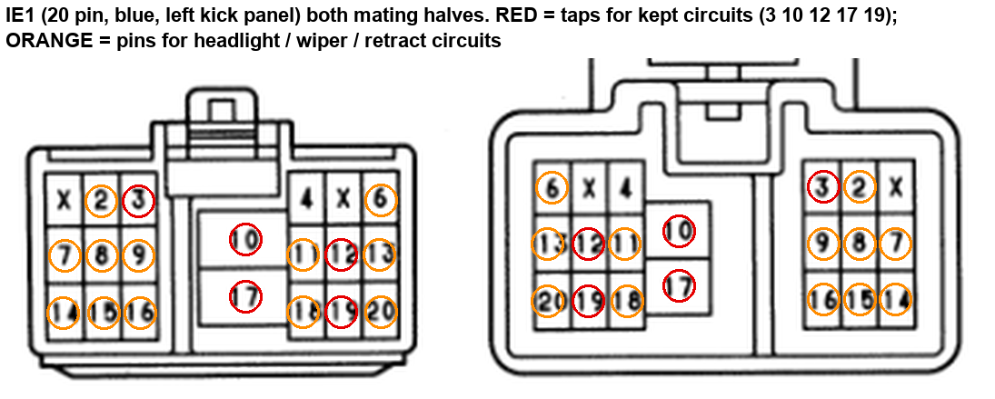
IE1
IE1 joins the engine-room main wire and the cowl wire at the left kick panel. Both mating halves are shown; the pin numbers match between halves. Check wire colours on the car to tell which half is the cowl side.

Connector | Pin | OEM wire colour (EWD) | New wire AWG | New wire colour | Signal / what it does | Goes to (new harness end) | Splice method | EWD page | wire_id | Flag
IE1 (20 pin, blue, left kick) | 3 | W | 10 | Red | AMI RTR 30 A fuse | POWER pin AMI OUT-2 (POWER box with the bus bar in it - custom fuse + relay box, glove box outboard (cad/fusebox rev 7, DECISIONS R75, R91): the tinned copper + bar IS the AMI bar (7 AMI IN relay feeds, 7 AMI OUT; no 1/0 link cable), NEG bar in the rear bus zone, Mini ISO relays R1-R6, ACPS mini fuse) | heavy crimp butt splice into the factory cowl-side lead (cabin side; engine-room main removed) | 1993 p.116 | w_pmu_rtr | retract relay feed (retract motors skipped)
IE1 (20 pin, blue, left kick) | 10 | W | 8 | Red | AMI AM1 40 A fuse | POWER pin AMI OUT-3 (POWER box with the bus bar in it - custom fuse + relay box, glove box outboard (cad/fusebox rev 7, DECISIONS R75, R91): the tinned copper + bar IS the AMI bar (7 AMI IN relay feeds, 7 AMI OUT; no 1/0 link cable), NEG bar in the rear bus zone, Mini ISO relays R1-R6, ACPS mini fuse) | heavy crimp butt splice into the factory lead | p.31 | w_pdb_am1
IE1 (20 pin, blue, left kick) | 12 | W | 14 | Red | AMI BUS1 50 A fuse -> LOGIC HZ 15 A fuse | SP-HZ | crimp butt splice into the factory cowl-side lead (cabin side; engine-room main removed) | 1993 p.130 | w_haz_cp
IE1 (20 pin, blue, left kick) | 17 | B-R | 10 | Red | AMI AM2 30 A fuse | POWER pin AMI OUT-4 (POWER box with the bus bar in it - custom fuse + relay box, glove box outboard (cad/fusebox rev 7, DECISIONS R75, R91): the tinned copper + bar IS the AMI bar (7 AMI IN relay feeds, 7 AMI OUT; no 1/0 link cable), NEG bar in the rear bus zone, Mini ISO relays R1-R6, ACPS mini fuse) | heavy crimp butt splice into the factory lead | p.31 | w_pdb_am2
IE1 (20 pin, blue, left kick) | 19 | G | 18 | White | Horn relay coil (-) | K-HORN pin 85 (Horn Relay (seated in the LOGIC box M3) - coil+ (86) from the HAZ-HORN 15A fuse, coil- (85) grounded by the horn switch via IE1-19) | crimp butt splice into the factory cowl-side lead (cabin side; engine-room main removed) | 1993 p.185 | w_horn_85_cp
IE1 (20 pin, blue, left kick) | 2 | R-Y | 18 | White | Headlight coil (-) | SP-HEAD-COIL | crimp butt splice into the factory cowl-side lead (cabin side; engine-room main removed) | 1993 p.116 | w_head_coil_cp | headlights (skipped)
IE1 (20 pin, blue, left kick) | 11 | R-L | 14 | Red | High-beam return | SP-HL-HIGH | crimp butt splice into the factory cowl-side lead (cabin side; engine-room main removed) | 1993 p.116 | w_hl_high | headlights (skipped)
IE1 (20 pin, blue, left kick) | 18 | R-W | 14 | Red | Low-beam return | SP-HL-LOW | crimp butt splice into the factory cowl-side lead (cabin side; engine-room main removed) | 1993 p.116 | w_hl_low | headlights (skipped)
IE1 (20 pin, blue, left kick) | 6 | L-W | 14 | Yellow | Wiper park sw | F9 pin 3 (Front wiper motor F9 pin 3 (cowl, driver side)) | crimp butt splice into the factory cowl-side lead (cabin side; engine-room main removed) | 1993 p.148 | w_wip_park | wiper (skipped)
IE1 (20 pin, blue, left kick) | 13 | L-B | 14 | Red | Wiper LOW | F9 pin 2 (Front wiper motor F9 pin 2 (cowl, driver side)) | crimp butt splice into the factory cowl-side lead (cabin side; engine-room main removed) | 1993 p.148 | w_wip_lo | wiper (skipped)
IE1 (20 pin, blue, left kick) | 20 | L-O | 14 | Red | Wiper HIGH | F9 pin 1 (Front wiper motor F9 pin 1 (cowl, driver side)) | crimp butt splice into the factory cowl-side lead (cabin side; engine-room main removed) | 1993 p.148 | w_wip_hi | wiper (skipped)
IE1 (20 pin, blue, left kick) | 7 | G-Y | 12 | Red | RH retract motor 4 | SP-RTR-R3-4 | crimp butt splice into the factory cowl-side lead (cabin side; engine-room main removed) | 1993 p.117 | w_rtr_r3_4 | retract (skipped)
IE1 (20 pin, blue, left kick) | 8 | G-B | 16 | Red | RH retract motor 2 | R3 pin 2 (RH retract motor R3 pin 2) | crimp butt splice into the factory cowl-side lead (cabin side; engine-room main removed) | 1993 p.117 | w_rtr_r3_2 | retract (skipped)
IE1 (20 pin, blue, left kick) | 9 | G-Y | 18 | Yellow | Retract close limit | SP-RTR-CLOSE | crimp butt splice into the factory cowl-side lead (cabin side; engine-room main removed) | 1993 p.117 | w_rtr_close | retract (skipped)
IE1 (20 pin, blue, left kick) | 14 | G | 12 | Red | LH retract motor 4 | SP-RTR-R2-4 | crimp butt splice into the factory cowl-side lead (cabin side; engine-room main removed) | 1993 p.117 | w_rtr_r2_4 | retract (skipped)
IE1 (20 pin, blue, left kick) | 15 | G-O | 16 | Red | LH retract motor 2 | R2 pin 2 (LH retract motor R2 pin 2) | crimp butt splice into the factory cowl-side lead (cabin side; engine-room main removed) | 1993 p.117 | w_rtr_r2_2 | retract (skipped)
IE1 (20 pin, blue, left kick) | 16 | G-W | 18 | Yellow | Retract open limit | SP-RTR-OPEN | crimp butt splice into the factory cowl-side lead (cabin side; engine-room main removed) | 1993 p.117 | w_rtr_open | retract (skipped)

J-B3 R-B2 R-B4
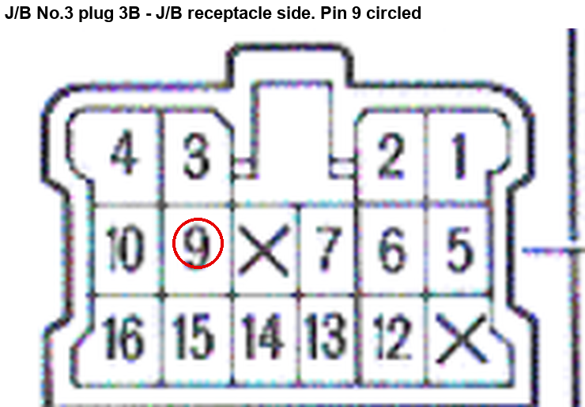
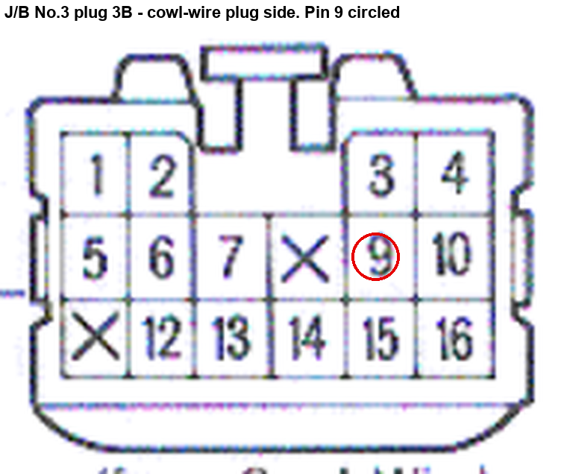
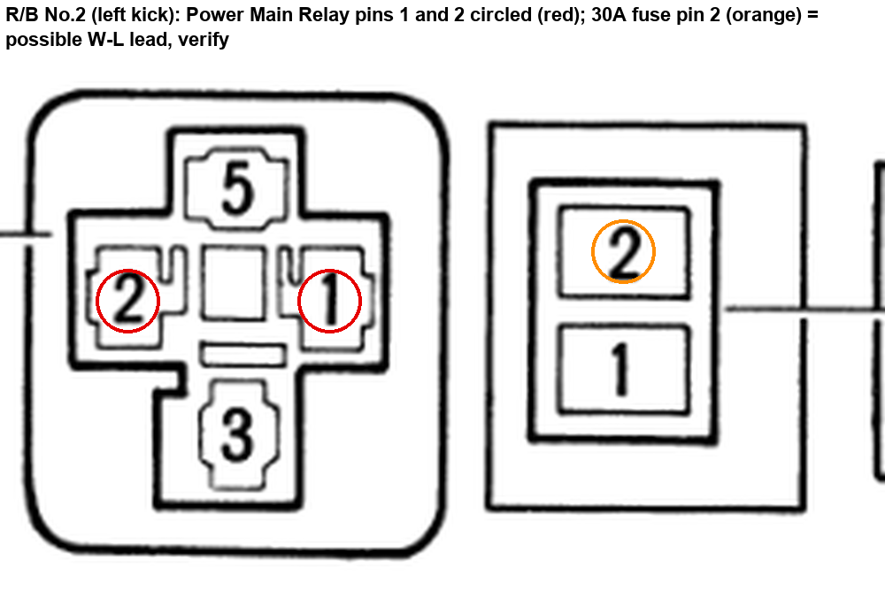
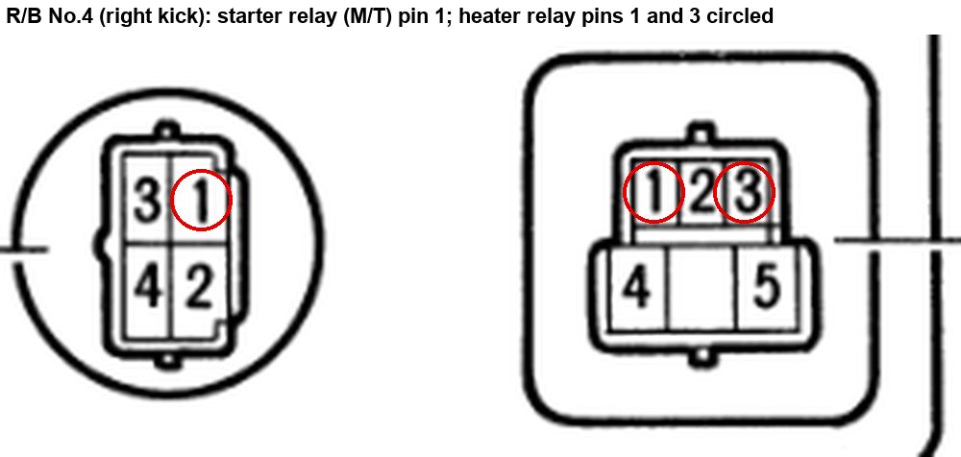
J-B3 R-B2 R-B4
J/B3 is behind the combination meter. R/B2 is on the left kick panel, R/B4 (with R/B3) on the right kick panel. The master calls the R/B pins "terminal 1/2/3" of the relay socket. W-L lead on R/B2: the master puts it on pin 2, but pin 2 is the L-Y coil lead - verify on the car (orange circle = 30A fuse pin 2).

Connector | Pin | OEM wire colour (EWD) | New wire AWG | New wire colour | Signal / what it does | Goes to (new harness end) | Splice method | EWD page | wire_id | Flag
J/B No.3 plug 3B (16 pin, behind cluster) | 9 | R-L | 16 | Red | GAUGE 15A feed | SP-REV-GAUGE | crimp butt splice into the factory R-L lead at J/B3 3B-9 (cabin side; its engine-wire leg to the switch is gone) | Mitchell 1993 overall wiring Fig. 16 (grid 63, J/B #3 pin B9); 1992 p.132 | w_rev_gauge_cp
R/B No.2 power main relay (left kick) | 2 | L-Y | 18 | Red | Power relay coil+ | K-PWR pin 86 (Power Relay (seated in the POWER box R6) - coil+ (86) key IG from the factory L-Y lead, coil- (85) to ground) | crimp butt splice into the factory cowl-side L-Y lead at the left kick | 1993 p.137-138 | w_pwr_86_cp
R/B No.2 power main relay (left kick) | 1 | W-G | 10 | Red | AMI PWR 30 A fuse -> power relay k_pwr | K-PWR pin 30 (Power Relay (seated in the POWER box R6) - coil+ (86) key IG from the factory L-Y lead, coil- (85) to ground) | heavy crimp butt splice into the factory cowl-side W-G lead at the left kick | 1993 p.137 | w_rb2
R/B No.2 power main relay (left kick) | 2 | W-L | 14 | Red | AMI BUS1 50 A fuse -> LOGIC WL 15 A fuse | LOGIC pin BUS1-6 (LOGIC box - custom fuse + relay box, glove box inboard (cad/fusebox rev 5, DECISIONS R75): Bus 1 (permanent) and Bus 2 (switched, k_efi 30) mini fuse strips, micro relays M1-M7) | crimp butt splice into the factory cowl-side W-L lead at the left kick (cabin side) | 1993 p.137 | w_rb2_wl | VERIFY: pin 2 already has the L-Y coil lead; W-L may be on the 30A fuse terminal 2
R/B No.4 starter relay (M/T) (right kick) | 1 | B-W | 20 | Yellow | Start sw ST1 feed | LOGIC pin BUS2-13 IN (LOGIC box - custom fuse + relay box, glove box inboard (cad/fusebox rev 5, DECISIONS R75): Bus 1 (permanent) and Bus 2 (switched, k_efi 30) mini fuse strips, micro relays M1-M7) | solder splice onto the factory lead | 1993 TIS EWD p.66 (Starting and Ignition, All-Trac) | w_start_in_cp
R/B No.4 heater relay (right kick) | 1 | L-W | 18 | White | Heater relay coil- | K-HTR pin 85 (Heater Relay, 1 form C (seated in the POWER box R1) - coil+ (86) from the factory R-L lead, coil- (85) grounded by the auto A/C amplifier HR, NC (87a) grounds the blower + when off) | crimp butt splice into the factory L-W lead at the old R/B4 spot (right kick panel) | 1993 p.215 | w_htr_85_cp
R/B No.4 heater relay (right kick) | 3 | R-L | 18 | Red | Heater relay coil+ | K-HTR pin 86 (Heater Relay, 1 form C (seated in the POWER box R1) - coil+ (86) from the factory R-L lead, coil- (85) grounded by the auto A/C amplifier HR, NC (87a) grounds the blower + when off) | crimp butt splice into the factory R-L lead at the old R/B4 spot (right kick panel) | 1993 p.215 | w_htr_86_cp

Cluster plugs
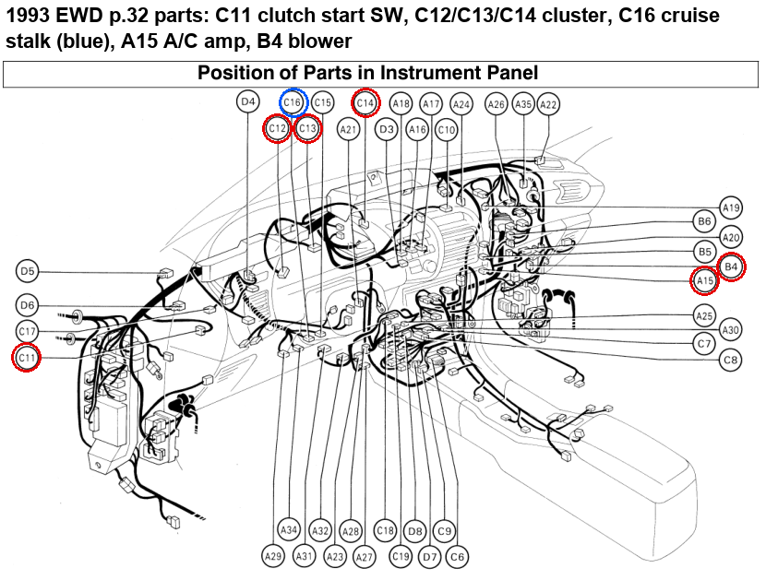
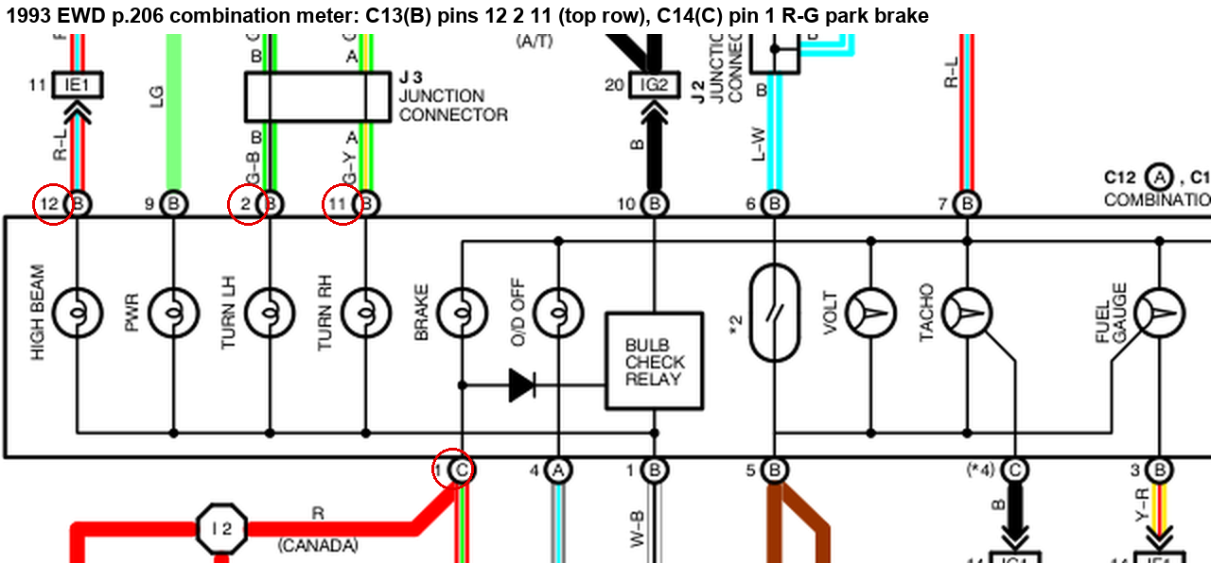
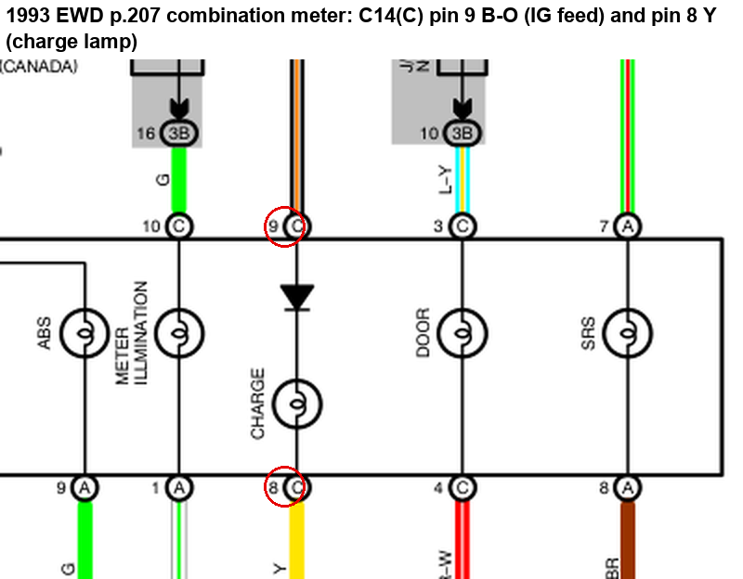
Cluster plugs
Cluster plugs are labelled A/B/C on the back of the meter. The 1993 book codes them C12 (A), C13 (B), C14 (C); the master calls the B plug C11 and the C plug C12. No pin-face drawing for these exists in the repo - the picture is the EWD schematic with the tapped pins circled.

Connector | Pin | OEM wire colour (EWD) | New wire AWG | New wire colour | Signal / what it does | Goes to (new harness end) | Splice method | EWD page | wire_id | Flag
Cluster plug C13 (B) [master calls it C11] | 2 | G-B | 20 | Red | Turn LH LED + | D-TL pin 1 (Turn LH LED) | solder splice onto the factory lead at the combination meter | 1993 TIS EWD p.206 (Combination Meter; the 1993 book codes this plug C13 (B)) | w_tl_a
Cluster plug C13 (B) [master calls it C11] | 11 | G-Y | 20 | Red | Turn RH LED + | D-TR pin 1 (Turn RH LED) | solder splice onto the factory lead at the combination meter | 1993 TIS EWD p.206 (Combination Meter; the 1993 book codes this plug C13 (B)) | w_tr_a
Cluster plug C13 (B) [master calls it C11] | 12 | R-L | 20 | Red | High beam LED + | D-HB pin 1 (High beam LED) | solder splice onto the factory lead at the combination meter | 1993 TIS EWD p.206 (Combination Meter; the 1993 book codes this plug C13 (B)) | w_hb_a
Cluster plug C14 (C) [master calls it C12] | 9 | B-O | 20 | Red | LED IG +12 V | SP-LED-12V | solder splice onto the factory lead at the combination meter | p.52 | w_ig_tap
Cluster plug C14 (C) [master calls it C12] | 8 | Y | 20 | White | Charge lamp drive | D-CHG pin 2 (Charge LED) | solder splice onto the factory lead at the combination meter | p.52 | w_chg_k
Cluster plug C14 (C) [master calls it C12] | 1 | R-G | 20 | Yellow | Park brake sw (-) | D-PK pin 2 (Park brake LED) | solder splice onto the factory lead at the combination meter | 1993 TIS EWD p.206 (Combination Meter; the 1993 book codes this plug C14 (C)) | w_pk_k

Cruise Clutch Stop
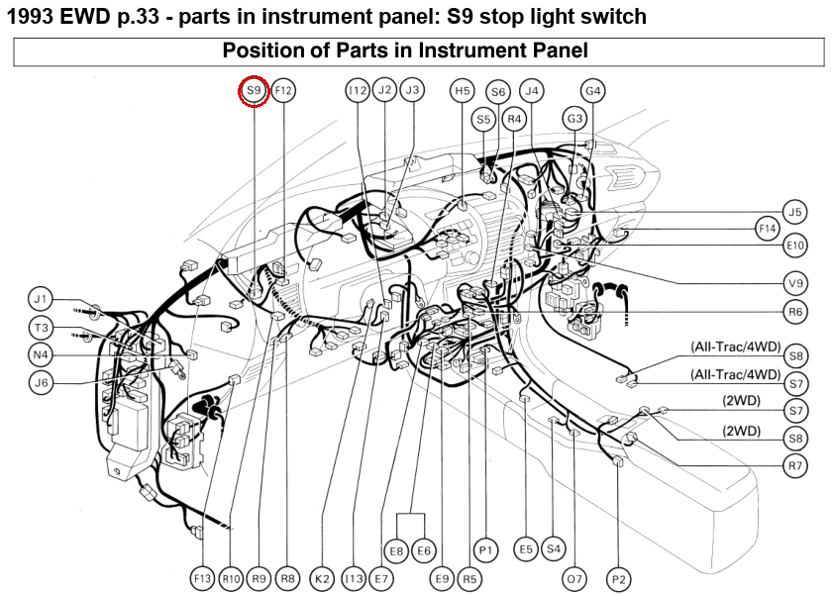
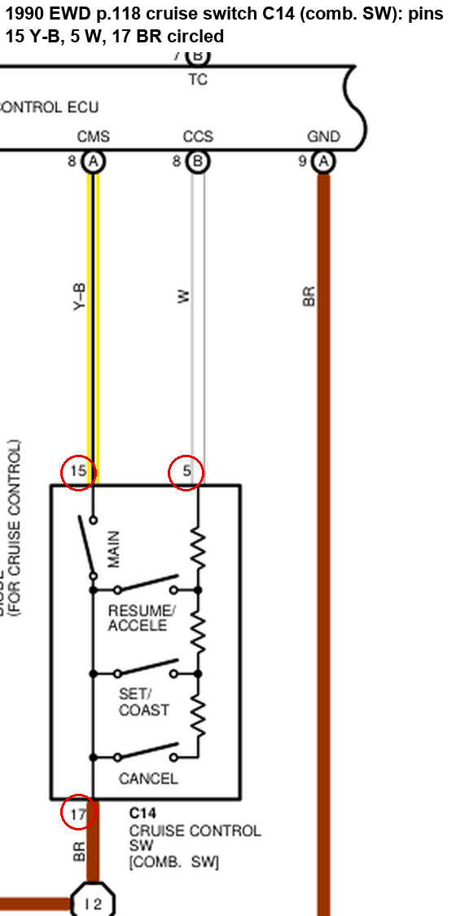
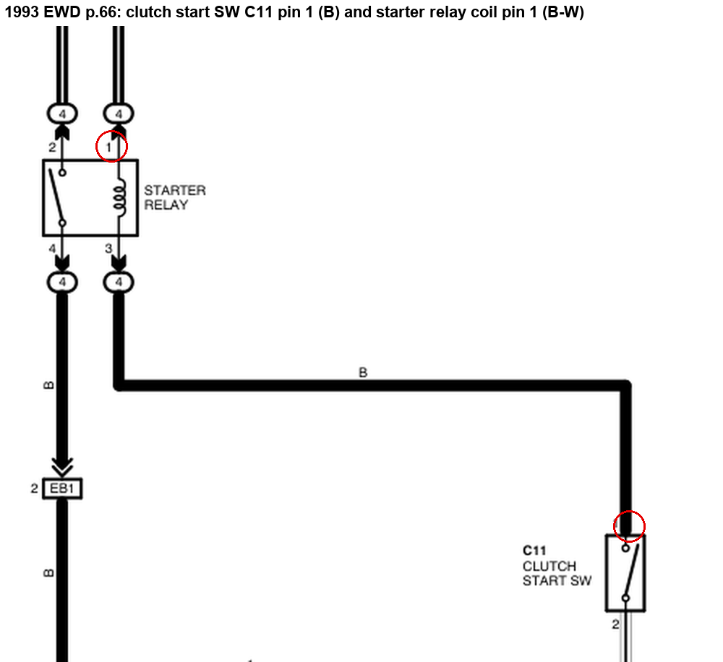
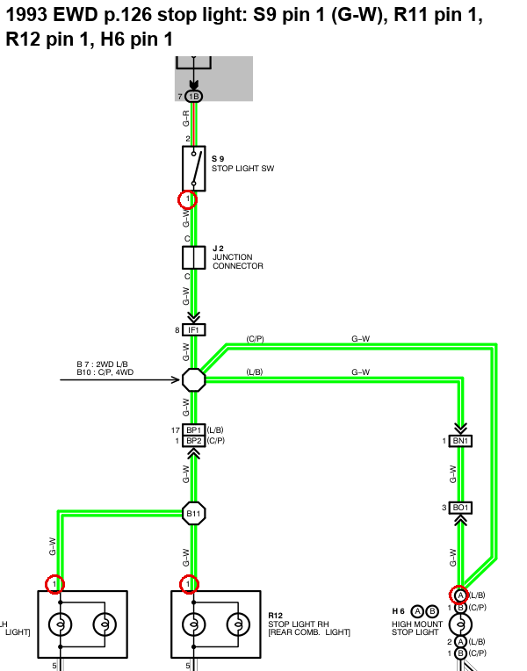
Cruise Clutch Stop
No pin-face drawings for these plugs in the repo. The 1993 EWD in the repo has no cruise page, so the stalk pins (5 / 15 / 17, 1993 plug C16) come from the 1990 book (C14). Wire colours W / Y-B / BR match the 1993 Mitchell cruise diagram, but check the pin numbers on the car. Clutch switch C11 and stop switch S9 are straight from the 1993 EWD.

Connector | Pin | OEM wire colour (EWD) | New wire AWG | New wire colour | Signal / what it does | Goes to (new harness end) | Splice method | EWD page | wire_id | Flag
Cruise stalk C16 (1993) [master: C14 = 1990 code] | 5 | W (white) | 20 | Yellow | Cruise ladder | SP-CRUISE-LADDER | solder splice onto the factory lead | 1990 EWD p.118 (C14) | w_an2 | VERIFY: pin numbers from 1990 EWD p.118 - wire colour matches 1993 Mitchell Fig.12 but 1993 stalk pin numbers NOT confirmed (no cruise page in the repo 1993 EWD)
Cruise stalk C16 (1993) [master: C14 = 1990 code] | 15 | Y-B (yellow/black) | 20 | Yellow | Cruise MAIN on | CSB3 pin 17 (ECUMaster CSB3 - Power/CAN/Switch I/O) | solder splice onto the factory lead | 1990 EWD p.118 (C14) | w_sw2 | VERIFY: pin numbers from 1990 EWD p.118 - wire colour matches 1993 Mitchell Fig.12 but 1993 stalk pin numbers NOT confirmed (no cruise page in the repo 1993 EWD)
Cruise stalk C16 (1993) [master: C14 = 1990 code] | 17 | BR (brown) | 20 | Blue | Cruise stalk ground | SP-CSB-GND | solder splice onto the factory lead | 1990 EWD p.118 (C14) | w_cru_gnd | VERIFY: pin numbers from 1990 EWD p.118 - wire colour matches 1993 Mitchell Fig.12 but 1993 stalk pin numbers NOT confirmed (no cruise page in the repo 1993 EWD)
Clutch start switch C11 (1993) | 1 | B | 20 | Yellow | Clutch pedal sw | CSB3 pin 20 (ECUMaster CSB3 - Power/CAN/Switch I/O) | solder splice onto the factory lead | 1993 TIS EWD p.66 (Starting and Ignition, All-Trac) | w_sw5
Stop light switch S9 (1993) | 1 | G-W | 16 | Yellow | Brake on +12 V | OPTO-8 pin IN1 (Optocoupler board, 8 channel (Dan's, generic EL814) - inline at the CSB3) | soldered tap into the factory G-W lead at S9 (cabin) | 1993 p.126-127 | w_sw6
Stop light switch S9 (1993) | 1 | G-W | 16 | Red | Stop lamp feed | SP-RL-STOP | soldered tap into the factory G-W lead at S9 pin 1 (cabin, under the dash; the CSB3 brake tap FL_BRAKE_SW_C1 lands on the same lead) | 1993 p.126-127 | w_rl_stop

A-C amp + Blower
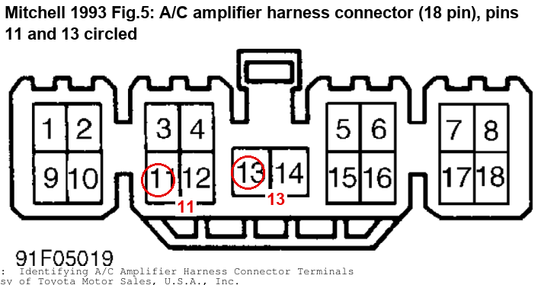
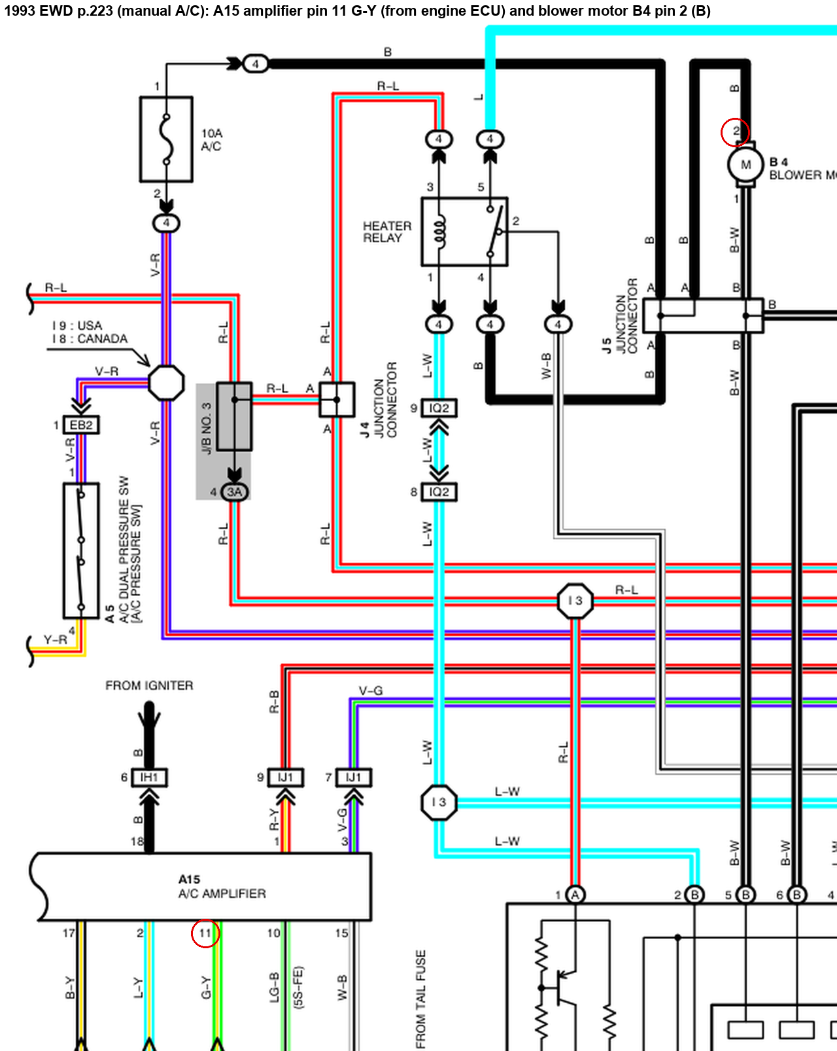
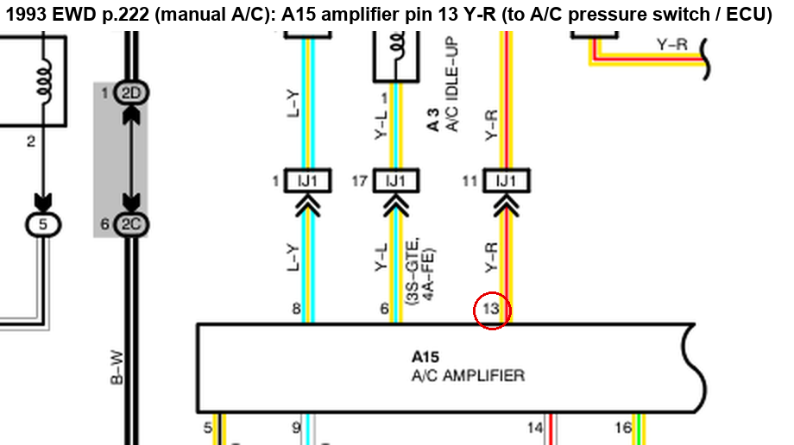
A-C amp + Blower
Only the A/C amplifier has a pin-face drawing (Mitchell Fig.5, 18 pin, pins 11 and 13 circled). Blower motor B4: no plug-face drawing found. Pin 2 = the B (blower +) lead per 1993 EWD p.223. A15 pin 11 (G-Y, from the engine ECU) is on p.223 and pin 13 (Y-R) on p.222 of the 1993 manual-A/C pages, so both master pins check out against the 1993 book.

Connector | Pin | OEM wire colour (EWD) | New wire AWG | New wire colour | Signal / what it does | Goes to (new harness end) | Splice method | EWD page | wire_id | Flag
Blower motor B4 | 2 | B (black) | 8 | Red | AMI HTR 40 A fuse -> heater relay k_htr | SP-HTR87 | heavy crimp butt splice into the factory lead at the blower motor (cabin, behind the glove box) | 1993 EWD p.223 (manual A/C, B4 pin 2) | w_rb4_cp
A/C amplifier A15 (1993 manual A/C) [master: A18 = 1990/92 code] | 11 | G-Y | 20 | White | A/C cancel (ACT) | ECU-A pin 18 (Link G4X plug A (centre dash)) | solder splice onto the factory G-Y ACT lead at the A/C amplifier | 1993 EWD p.223 (manual A/C, A15 pin 11) | w_ac_kill
A/C amplifier A15 (1993 manual A/C) [master: A18 = 1990/92 code] | 13 | Y-R | 20 | Yellow | A/C pressure sw out | SP-AC-PSW | solder splice onto the factory Y-R lead at the A/C amplifier | 1993 EWD p.222 (manual A/C, A15 pin 13) | w_ac_psw_sw | A5 pressure switch (skipped)

Rear lamps
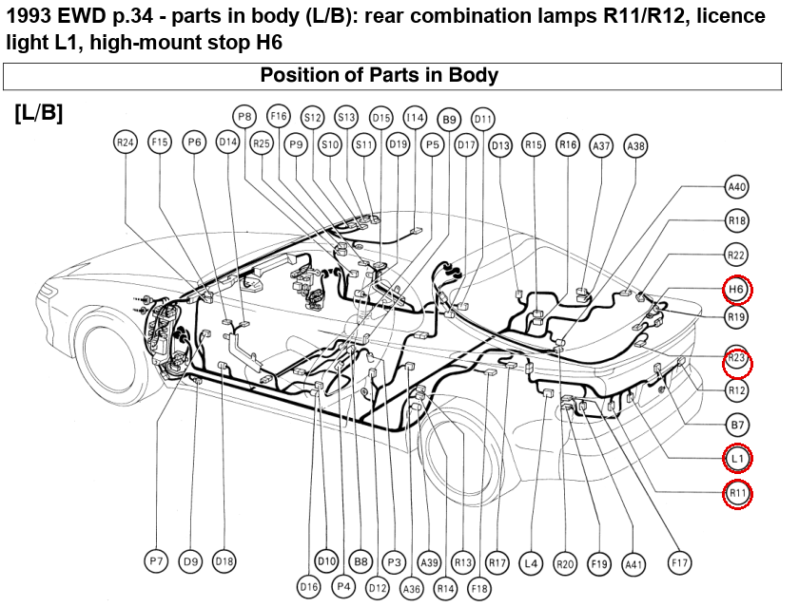
Rear lamps
Factory bulb sockets are kept (R117): solder flying leads to the socket pigtails. Pin numbers are the lamp-side pins from the EWD.

Connector | Pin | OEM wire colour (EWD) | New wire AWG | New wire colour | Signal / what it does | Goes to (new harness end) | Splice method | EWD page | wire_id | Flag
LH rear lamp R11 (socket pigtail) | 1 | G-W | 16 | Red | Stop LH + | SP-RL-STOP | new-wire flying lead, soldered by Dan to the factory bulb-socket pigtail + adhesive heat-shrink ATUM-4/1-0 (factory sockets kept, no plug; R117) | 1993 p.126 | w_rl_stop_r11_c1
LH rear lamp R11 (socket pigtail) | 2 | G | 16 | Red | Tail LH + | SP-RL-TAIL | new-wire flying lead, soldered by Dan to the factory bulb-socket pigtail + adhesive heat-shrink ATUM-4/1-0 (factory sockets kept, no plug; R117) | 1993 p.113 | w_rl_tail_r11_c2
LH rear lamp R11 (socket pigtail) | 3 | G | 16 | Red | Rear marker LH + | SP-RL-TAIL | new-wire flying lead, soldered by Dan to the factory bulb-socket pigtail + adhesive heat-shrink ATUM-4/1-0 (factory sockets kept, no plug; R117) | 1993 p.113 | w_rl_tail_r11_c3
LH rear lamp R11 (socket pigtail) | 4 | R-B | 16 | Red | reverse relay k_rev | SP-RL-REV | new-wire flying lead, soldered by Dan to the factory bulb-socket pigtail + adhesive heat-shrink ATUM-4/1-0 (factory sockets kept, no plug; R117) | Mitchell 1993 Fig. 16 grid 63; 1992 p.132 | w_rl_rev_r11_c4
LH rear lamp R11 (socket pigtail) | 5 | W-B | 16 | Black | Rear lamp LH gnd | SP-RL-GND | new-wire flying lead, soldered by Dan to the factory bulb-socket pigtail + adhesive heat-shrink ATUM-4/1-0 (factory sockets kept, no plug; R117) | 1993 p.113 | w_rl_gnd_r11_c5
LH rear lamp R11 (socket pigtail) | 6 | G-B | 18 | Red | Turn LH rear + | JB1 pin 1F-3 (OEM J/B 1 plug 1F pin 3 (LH kick), G-B wire) | crimp butt splice into the factory 1F-3 lead at J/B1 (cabin side, left kick; the rear floor wire is missing, R55) | 1993 p.130-131 | w_rl_turn_l
RH rear lamp R12 (socket pigtail) | 1 | G-W | 16 | Red | Stop RH + | SP-RL-STOP | new-wire flying lead, soldered by Dan to the factory bulb-socket pigtail + adhesive heat-shrink ATUM-4/1-0 (factory sockets kept, no plug; R117) | 1993 p.126 | w_rl_stop_r12_c1
RH rear lamp R12 (socket pigtail) | 2 | G | 16 | Red | Tail RH + | SP-RL-TAIL | new-wire flying lead, soldered by Dan to the factory bulb-socket pigtail + adhesive heat-shrink ATUM-4/1-0 (factory sockets kept, no plug; R117) | 1993 p.113 | w_rl_tail_r12_c2
RH rear lamp R12 (socket pigtail) | 3 | G | 16 | Red | Rear marker RH + | SP-RL-TAIL | new-wire flying lead, soldered by Dan to the factory bulb-socket pigtail + adhesive heat-shrink ATUM-4/1-0 (factory sockets kept, no plug; R117) | 1993 p.113 | w_rl_tail_r12_c3
RH rear lamp R12 (socket pigtail) | 4 | R-B | 16 | Red | reverse relay k_rev | SP-RL-REV | new-wire flying lead, soldered by Dan to the factory bulb-socket pigtail + adhesive heat-shrink ATUM-4/1-0 (factory sockets kept, no plug; R117) | Mitchell 1993 Fig. 16 grid 63; 1992 p.132 | w_rl_rev_r12_c4
RH rear lamp R12 (socket pigtail) | 5 | W-B | 16 | Black | Rear lamp RH gnd | SP-RL-GND | new-wire flying lead, soldered by Dan to the factory bulb-socket pigtail + adhesive heat-shrink ATUM-4/1-0 (factory sockets kept, no plug; R117) | 1993 p.113 | w_rl_gnd_r12_c5
RH rear lamp R12 (socket pigtail) | 6 | G-Y | 18 | Red | Turn RH rear + | JB1 pin 1F-2 (OEM J/B 1 plug 1F pin 2 (LH kick), G-Y wire) | crimp butt splice into the factory 1F-2 lead at J/B1 (cabin side, left kick; the rear floor wire is missing, R55) | 1993 p.130-131 | w_rl_turn_r
Licence light L1 (socket pigtail) | 1 | G | 16 | Red | Licence light + | SP-RL-TAIL | new-wire flying lead, soldered by Dan to the factory bulb-socket pigtail + adhesive heat-shrink ATUM-4/1-0 (factory sockets kept, no plug; R117) | 1993 p.113 | w_rl_tail_l1_c1
Licence light L1 (socket pigtail) | 2 | W-B | 16 | Black | Licence light gnd | SP-RL-GND | new-wire flying lead, soldered by Dan to the factory bulb-socket pigtail + adhesive heat-shrink ATUM-4/1-0 (factory sockets kept, no plug; R117) | 1993 p.113 | w_rl_gnd_l1_c2
High-mount stop light H6 | A-1 | G-W | 16 | Red | High stop lamp + | SP-RL-STOP | new-wire flying lead, soldered by Dan to the factory bulb-socket pigtail + adhesive heat-shrink ATUM-4/1-0 (factory sockets kept, no plug; R117) | 1993 p.126 | w_rl_stop_h6_c1
High-mount stop light H6 | A-2 | W-B | 16 | Black | High stop lamp gnd | SP-RL-GND | new-wire flying lead, soldered by Dan to the factory bulb-socket pigtail + adhesive heat-shrink ATUM-4/1-0 (factory sockets kept, no plug; R117) | 1993 p.126 | w_rl_gnd_h6_c2

