Sheet1
图片 | 名称 | 颜色 | 规格 | 长(cm) | 宽(cm) | 高(cm) | 体积(cm³) | 重量(g)
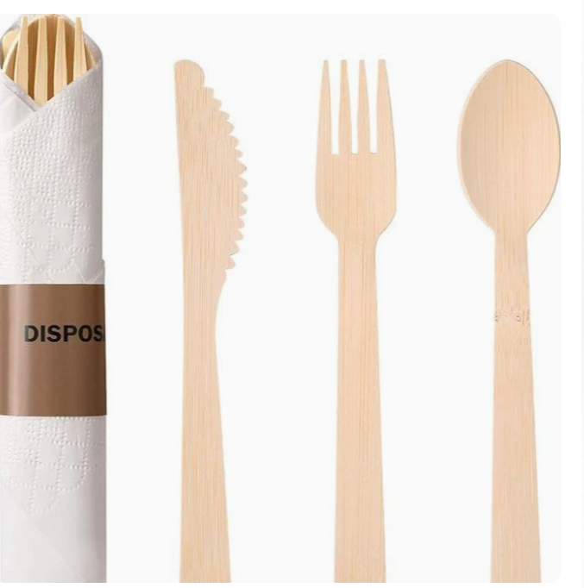 | 竹刀竹叉一次性可降解餐具 | 自然色 | 170mm一次性竹勺 | 17 | 2 | 0.2 | 6.8 | 5 | https://dj.1688.com/ci_bb?spm=a26352.13672862.offerlist.23.45e61e6255D68S&a=1876&e=MIr-VQ344p4-ql3UD7yhk4aETIsx7uifhZMn74nn.yAFICTbcIHSTAM94MLZCRm4fkYHqrh22QDJsDlh1ayjieEUWP04ndcf2GE-VLv5cDXnoLFe96HgTY9wNjfwfJ.3Bmk80fnqaf1J8QOte6eSopJRdFXFZRvtED-.pe62ezyOzoTJhCUl1aPPRS-vfM0AtvefobIXNMwEp48jGLt.QNaRMcSVdyR1uyBM7UFZCKeXqloGQHADDmfV136.Vq5t3hW.kxQXZbHgmVFv.J3SvT0asjI6TzBN1VQWFJCnJWEB2lkwhlQhiEmQMrvhaXjdNohso0dpyXJg0mCO6Q6XZVoOBvwcfOp7DRscnQwRFuuDOEmR5GmP-yxWTDzypZ.vfOaGII6jvVv9J.QZXg8bfe12-W.yZokM9Jjcf9cpk4xH2EmglZtUm.FnMedvkvTOQgXZTRPkehlDxzLf3EN8yvFZrhinfFWAQbGSVt2UISTY8w4LYO-6dqHmzwdmlr5kWYD-FpuLKZcUmw7D9u0Ck0jePM3sM3Dh.nj4rNeWv4cYTM3Q7SUloXs0rw7g4XzX4x9wrPKLTPRkqLkpaqw4ic-SAUt2D1815T9qqEIFnWhUR.ULlpzj6HsOi5iYYXKtQt8UvQY20d3amye4yeLdH9O6ie35cNHmf0QT7CTQwalxJ.YJnS5tBwe5egT21GsQ6.MHmBqDETi5ivQ2wF5jrsYOGHoMZVBpVFXcZqVPBR83HUcmN1Eg-yLxWXv6Aq31RmC4RC7uUQ.z-r.MgzaXMh3QWzySQdNHU9PsQl8ynKUKZOgA6xhrYckLDozc-rWfY7DEU2k33gXjg8KvzmhNQHWYqpnExqk2ACJP1v2ROZosLMF1BqEW7Vr.Jgka7tqUyXEBtNYRP13nFAs2pmnwSW.Qr5AcxHzN7vkSXUebhzz73rF4fyP02EIkOqXKHGscoxNAJUJnWBsUrURChirqc4hDAcRI6LnMc-Mey32ydC.HvPfDXfoskLCOIFE5eZFsOQe88fpf9UVCWcl2tYf9LhvgHP173M4AiGhqdN9oPghIlaMmH1k-WiF2alx26HMa6Uop2jUEG8yx9KijtMH.m42JWANjuYKveomzgq6jMjnvCQjMOuwXbmPGouIRPOpMnaJ1.NE0A2v4VYpCpWS5p9R9VndRRxWzIR.neNN1mzINSC0zJW8jlP3o8-Jlmc6IHuYkLuOlT23Ej25mdN6juTLlq4HbhpwNFYdtMQ1djAn2moUe3CZcKIiRG0v2RN3FXD2cSAgjWanyE6R2fqsie1VfIjQxBKIN6V1MRa3K.SbBplN0iZC3-ytWMH5l2DC8rJXRRpOCnyKtm40YE24yVXm81kQlsMrBF53C-JhPuwgJamQCM-9zk8d2HuAIEbjWyPQT4llZRuB9JrxJRD65D9cm4lz03P1YZtGyyAw0pq1lVXIUR6WqLHmevtXxLBq6TJgMb8j5jXjC2JUCQJiPZTSHpg9QB.z5kyz5D6nQsjJ-6kmcGH2BOtOi.bKI2oQSKDVn9hsSk-sc99HcnLg2LDIwqVdcmP3rB5nr1lKImE9xHLrqEONabsTcY0wEibo24xCkarvHDkwJWf9U8sDfTRvvWwW.fm2E.JavjRpzrnBI6Y50hejUIOyijhyP3HLgcNwMWQ6HsiJtjqv5X6pshOkXgE9HYM9UmV6VYoNIotxeMZGuDLb1MhbQTVs7QeF9u1IjrW06Pt5HXn.xtcg8c-fQk7UHmJ52zH9n6AfM91tgok8rUT3nG5Th1KNbDkD5uzlJtnMizIHjHGIWFCvGqQ4peY-uqG.tH3Q1aWJFTNwjJ4NmSlX3aaA1Qn5IR1ToW63FAocmGn7drZke9syIfuhmu6CxkKrWd7zG4UKcUJZrOIEcI4UYQfove8e8Z
 |  | 自然色 | 170mm一次性竹叉 | 17 | 2 | 0.2 | 6.8 | 5
 |  | 自然色 | 170mm一次性竹刀 | 17 | 2 | 0.2 | 6.8 | 5
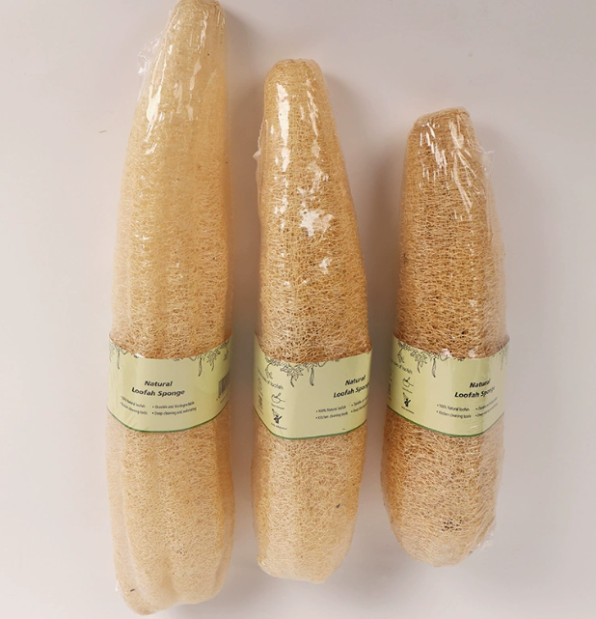 | 丝瓜络洗碗刷锅 | 颜色 | 规格 | 长(cm) | 宽(cm) | 高(cm) | 体积(cm³) | 重量(g)
 |  | 天然丝瓜络（裸货） | 整根20-29cm（直径6-8cm) | 20 | 6 | 29 | 3480 | 20 | https://dj.1688.com/ci_bb?spm=a26352.13672862.offerlist.1.6f0d1e62dtO9KA&a=28927&e=uVPsMhZHsfC4DkTfw4I9Vo1sohqec..Pc84eYZzoeP2vM0IKEEQwdpl7lrH-AHdybIf58hr8qIVq.z9LlLK7p0FbEdFhm1x.OiW.uEOd1Ajl5GWRcZE--iPnY4xJTyLCooJr.c2IBZPvL70D2dmJb-S1EeOsAZ10OHG5IFnG9stb1uexmz8lKLGV4rxw2rrik3oW-DvGizDLOgjl5xNnz2AeRviSICDG8HNvbcDIXYXd3Ppb9iUXl.6d6N2uLN6w-KC0UakqBsuMldHY3cLSkZ0kynbTzNL.SbU49m0yrzd5pzesOUYCiqVSOroRLBf0T24hfq3cdledbZCuQUws9-70RplLcWNTpCRaeEwk5I2ZhSOq6C19UgfSd1NE5PxnzObkMNhvi0N7NeiXr2jaNSLUjoFP31nGGs6XlODEy5jalru1OIr6U6dO3QBaKY9XwWU.4t.W3JDTrlCGAW3UmzyAN4TWOqR7QfVF-wL92KIpolevOWsH1RI1.x6dDe8SDPocOcb3FFkRTTEzA2k80KvFwGFaJAzYuoxdIi7IlH9Frf8QVAyEu79uQIq80AFypDN4es8wcikWRlkoqHDLU1qkwXjzwSdr4HEGYNSTpk2D8yoJprU-CUpVY4gy3bwFPyxvTKS4gDQ5zdy58b-vfPkCrbmhTMnxq88dcfdGaCkt9bDrXivcByWWIOHfLEAnoDohpvmn1Ym.ojkDE.m4idIdCxYBglaQ9IHZRtgGzueti..d-q0luF515ee3pJyNTCoRna-b89wXBidBwvcCtMXNmNlBZ5fdioY2tgItMdfIMKYnXeltYyj0nxBloanEKOdxU93GFpwaQUvfAWcxdJXEr-rIb9ucBnjC-1EJZT7S8sGk6zr9qUsQu08.mB7neF2sRTKWso9CzkVDlLnCzmq7sK8BsqyMbJXKf.HNpi3PmXAzMKpHud7CUxeue.e3vyyj8h7O6Zm.gi.hc3Z8H6vfSlzF.GNW9LnQBGptMT7r-HjeAjyMLpY8hZHfLAuA9qQvA6BUbsifZ.vJ7YeAM9TlzTRvnLOw92tvYPErwoy6eOjUu2RgxEa6FFzFmFFUuxsH8tBHlHM-hehsta.sBcBn55MTyg9VBpLlYhXO-xAEoKQvwiJsb7nn9AcgteMCqiKHTG6vVrS2TsWDlyOZQd2zNg0SrjZZp532T4n4cA5kHNfE3DQu.c7LRVsc3lD4R8IVvZCSJFUBO7--m3.Cws.8QrD9Fp7VeOEBkF1km6gu9CvYHkNADWUFMYxaGgqTSIC1jr0cu8bKkGSelySeFd45-aIAL-SiZe.vPUV4mi75zvYHIG-f35JEp3NxFDTTPwy7ReBZ1sTqN5EKL5-jaoRRaExtmTeyO-MflBHUdyXamYohaeq07zrRdRQfCrh3p-CkfpCZdXAtdHI1yCIMbXEUCR.rffdQq2cyPwbP1G1RFDCnv7aQsO4vHztA99ppl6q5H19Ht.kGZnQYKcmaiOS.ajIZif4HCbYb-cVeLo2Kt-FuNnQ8iVedC7IpDvLUgSOfg1Tb2o.jSLcuCBwWrZD2jKjqHI1CO4nOPAzBxQEUUxcB-IiE1j3kaziYkGraPAXZ62PbZjMTWOHVPIa1AUhcK050e0DXqK6ABImrIjSikWCd0DnddOBee2-1LhwpO9Q9wJ.ngk.D9IQ5IyH03FppX1jjrisqXLDWhL4VRlQRL.LNB1QwsIavm0uPZH.eolTdWI2ZBkcEa.Twv1yaJqMRI9RMhtCo-5JdzH9ILTiprWvdVQ44rEFCC6GU3w7IrtJGLIPevWFmHeW8TSNnJ85gXUh6TaCvetNOxyv65mAZ8cTrfrxS1cFMoGQEUBI1qsdMwfsGt2nRD-wAIzAjLQn49dsRkBrr0XjgOR8M1LtYPYk2-xnW7hDQ4Y-eh
 |  | 天然丝瓜络（裸货） | 整根30-39cm（直径6-8cm) | 30 | 6 | 39 | 7020 | 25
 |  | 天然丝瓜络（裸货） | 整根40-49cm（直径6-8cm) | 40 | 6 | 49 | 11760 | 30
 |  | 天然丝瓜络（裸货） | 整根50-59cm（直径6-8cm) | 50 | 6 | 59 | 17700 | 35
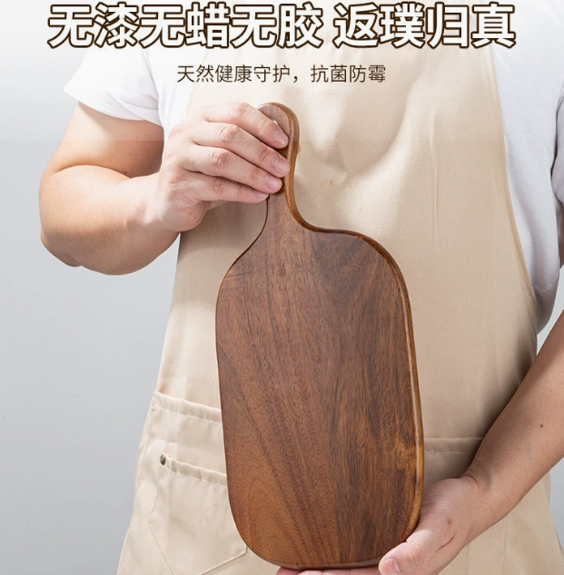 | 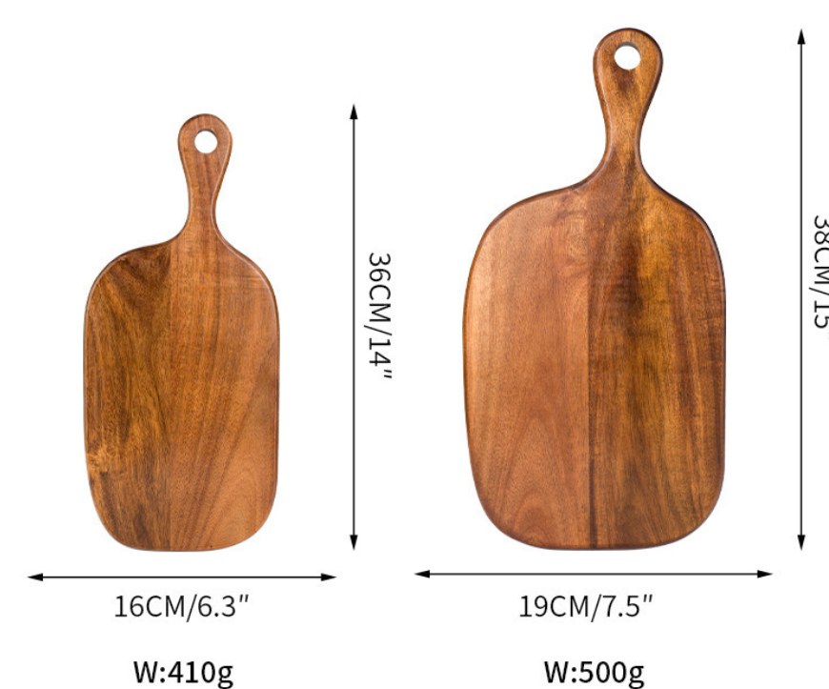 |  |  |  |  |  |  |  | https://dj.1688.com/ci_bb?spm=a26352.13672862.offerlist.48.72e21e62uuTYMf&a=435&e=O7e7BiLdx5VRvuhrRHnBhtS2UYWwkY6gTU4WR.Zes6NgCK-yBwrz6Mcu3fO9jk7p5Lw1NXi2PwOQrYOlG9Uwc17TyuWKM0FgwaDG2aOLZzWmBmL4BgEWzEtf-GUWauFwIwOOpLQEFX4i0d8F40pp5ne-qqiyoWi73OjoDugaRlBqF6BZ9aNp3--c7xSMeE9uNnsrLkruJSuQQPSh81LgWX4KKtCNBmDzvb1BlprAcPL4owptF--ZUhxYEhE3xmOyhbeNG0Jd2F.NEKcrs9CP8nhxsAdpLtsFecqkk-OUUcVw8QIiiIkhLpO.va3w2HZH3NRDxMd4ZCi5aXmylr5QpT9RRWnH-lmSes3yR0hCnKaZKOk7OuMLfBzXDkZIj8PWCEgy72Je2Lq4jyOQpInqZtsGs3OT9pvhGGSWAE8ks4GBowvA7FYZiDkXX3UYgFZk8Li1G49oeUh4NfAVfEw3i4.zJMFA78SRgOucRwos55ZjeApRNmv7CtuRfH68Jgrl3djE3qsdOUoL6pjbTMi1wujNBjCM0fpJr-MXON4nWAy7A2KkdTcicMrH79Jm37EGI8KN5KfhzXa0OwENNtUVFwbAaERJl7BiYJxRZyEBeFF1jgSOdg.HW98JkqbzX0HDh-v-QW1dwwqz-GAhO1wYR7xhlIFUttZQtfEwN6-FjJBhx2R2Z6TwBMqwoQTL9PpB0UnJxkhz0Uj82OHGq6UvIevVBLmaFIJA7xjapz-7hyrJgBrmp7WuhpsrAR6XxCeAby4IFIRvre8POenG--DEphbUhMJ1.roF8i1Rv3pJmUQ4rwSvZgg-vRq2WD.xNR-eW-Fjqa.qZKQdQ6ymdUbSrxIH6RfAZFsFZmz.AOhTpHk9RL6lSerq0Wbxiy4KGz4qu2mvro0htpOaydChg2B8qwGy7Kf2WtiH9KiVtwjNufpUgNXQKd.0N-AO20GTWu3eMg2unx-2okmmAGOGqFPQb3ft83wq9HJJ6m41g4F-ESho1QNlvuAeDTIQ1J0S7cic2oYX0gX40T2s0O-g.UpmnFuf9Fgn9F5JVvVx7DacpwpWIIUuwkdc8kfIOgjjarGQGNGLiOdkR432BRznE30KDoZ-WmQUeiolaiRh5CBBzo5UgNXQKd.0N1jp89TnQQygHQjVMN3Gt4l04MAespG9J1lpychzGK9yR4TkJxBCOfeoFWUeAQauwFNzvIBV875vosxPLRds37snte.TbJFL7fBWZpWG.21jA-OTsAwhnZI8b4yBE8TcbGj5yTqFkiFbOj7Ify87Frklxid5rza2.E.I9JXp4ZZRpA8d3SCY1aMe04MqKt2js3vnfKEID2xZ-U5hwDUDDWUHUxVNQWYgi3APPRNtLzgc9OkB34K-oI9PATOIX9RshZ-4McJMMk43ZduzGCxKlWM3iypb3mswX7oM0HdQXFhUGsIdLZYH4prPaMXdDGvcK6XkeCUwsxbhSnF1VC.kGQ0c5akihiP5r2q3TRPTI22JkL6CVCdsYAbeNeOMF5hnL87PrFu4DwLyq0ZLNPJb5r6bbqlcVaqPTA2wfw8e4l494YnEP5YJZ1x4HLEQ7lgpwXIYA-o8BnpoFCQ2da0SRoMiEoy0bZozq-iceFD8SE5hGtY1u.Q-vhX9j6vWYg1QTlE-vz05YpO1KT5XcACZS70Xo3TyvHh.i4O8wEcb8-2drKPBZHdReePVG2MQMrfTAOi6GnHXtj8X07ceQb2gRnS-nURhPUlPKun3QRd4Ix1VEsOIEgO4d2MsdTX1S3.YETwb8zlFXowVP6RbDdIxkGNWZv4bQTr.bC0VAIDtirsqMSTj9vBUwtY-wGC0PwLQ9Q__&v=4&ap=2&rp=2&idx=11&sw_check_ab=1

