Sheet5
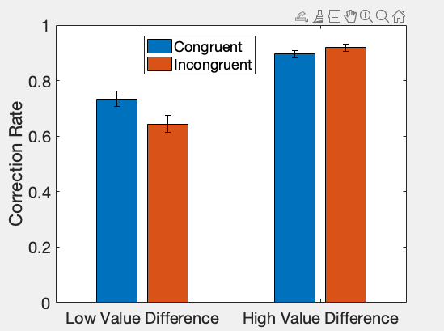
Image Name | Salient Side | Apple_Left | Orange_Left | Apple_Right | Orange_Right | Sum_Left | Sum_Right | Difference | salientLeft | left is bigger | salient is bigger
flippedimg_25 | Right | 3 | 1 | 1 | 4 | 6.1 | 10.1 | -4 | 0 | 0 | 1 | apple | 1.3
img_27 | Left | 1 | 4 | 3 | 1 | 10.1 | 6.1 | 4 | 1 | 1 | 1 | orange | 2.2
flippedimg_9 | Left | 2 | 1 | 0 | 4 | 4.8 | 8.8 | -4 | 1 | 0 | 0
img_9 | Right | 0 | 4 | 2 | 1 | 8.8 | 4.8 | 4 | 0 | 1 | 0
img_10 | Left | 0 | 4 | 4 | 1 | 8.8 | 7.4 | 1.4 | 1 | 1 | 1
flippedimg_53 | Right | 0 | 2 | 4 | 0 | 4.4 | 5.2 | -0.8 | 0 | 0 | 1
img_53 | Left | 4 | 0 | 0 | 2 | 5.2 | 4.4 | 0.8 | 1 | 1 | 1
img_28 | Left | 0 | 3 | 3 | 1 | 6.6 | 6.1 | 0.5 | 1 | 1 | 1
img_15 | Right | 0 | 4 | 5 | 0 | 8.8 | 6.5 | 2.3 | 0 | 1 | 0
flippedimg_30 | Left | 4 | 1 | 0 | 4 | 7.4 | 8.8 | -1.4 | 1 | 0 | 0
flippedimg_54 | Right | 2 | 2 | 4 | 1 | 7 | 7.4 | -0.4 | 0 | 0 | 1
flippedimg_6 | Right | 3 | 2 | 1 | 3 | 8.3 | 7.9 | 0.4 | 0 | 1 | 0
flippedimg_12 | Right | 3 | 1 | 1 | 2 | 6.1 | 5.7 | 0.4 | 0 | 1 | 0
flippedimg_18 | Right | 3 | 1 | 1 | 2 | 6.1 | 5.7 | 0.4 | 0 | 1 | 0
flippedimg_29 | Left | 3 | 1 | 0 | 3 | 6.1 | 6.6 | -0.5 | 1 | 0 | 0
flippedimg_21 | Right | 3 | 2 | 1 | 3 | 8.3 | 7.9 | 0.4 | 0 | 1 | 0
img_17 | Left | 1 | 3 | 3 | 2 | 7.9 | 8.3 | -0.4 | 1 | 0 | 0
img_54 | Left | 4 | 1 | 2 | 2 | 7.4 | 7 | 0.4 | 1 | 1 | 1
img_52 | Left | 2 | 2 | 0 | 3 | 7 | 6.6 | 0.4 | 1 | 1 | 1
flippedimg_52 | Right | 0 | 3 | 2 | 2 | 6.6 | 7 | -0.4 | 0 | 0 | 1

