各组件状态
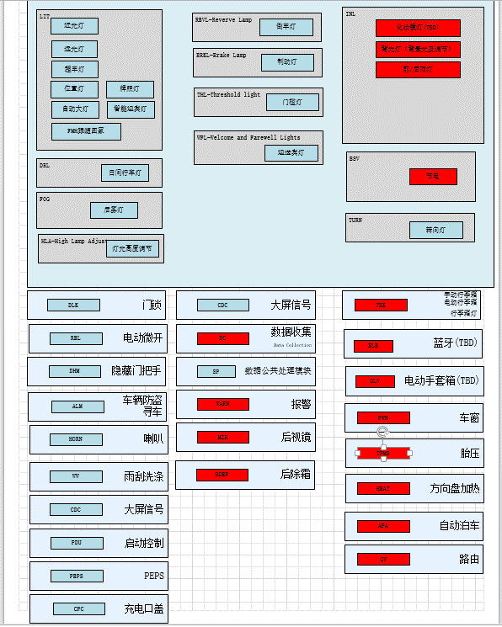
 | 模型组件名 | 模型组件名称 | 组件简写
LIT | LIT | 外灯 | LIT
FOG | FOG Light | 前后雾灯 | FOG
DRL | Daytime running lamp | 日间行车灯 | DRL
HLA | High Lamp Adjust | 灯光高度调节 | HLA
REVL | REVL-Reverve Lamp | 倒车灯 | REVL
BRKL | BRKL-Brake Lamp | 制动灯 | BRKL
ITRL | Interactive Lamp | 交互灯 | ITRL
INL | InnerLight | 内灯 | INL
BSV | Battery Saver | 电池节能 | BSV
TUR | TurnLghtCtrl | 转向灯控制组件 | TURL
ALM | AntiTheftCtrl | 防盗控制组件 | ALM
DLK | DoorLockCtrl | 门锁控制 | DLK
DHM |  | 隐藏门把手
TRK | Trunk | 后背门 | TRK
VCU
PEPS | Passive Entry Passive Start | 无钥匙进入启动 | PEPS
PDU | PowerDistributionUnit | 电源管理 | PDU
HORN | HORN | Horn 喇叭 | HORN
CPC |  | 充电口盖 | CPC
WW | Wiper Washer 雨刮洗涤 | 雨刮控制组件 | WW
MIR | Mirror 后视镜 | 后视镜 | MIR
RDEF | RearDefrostCtrl | 后除霜 | RDEF
PWN | Power Window | 车窗输入控制组件 | WIN
TPMS | Tire Pressure Monitoring System | 胎压检测
HEAT | HEAT 加热模块 | 方向盘加热 | HEAT
APA | Atmosphere Light Ctrl | 氛围灯 | ALC
GW | GW | 网关 | GW
WARN |  | 警告 | WARN
CDC |  | 大屏信号 | CDC
SP | Odometer | 统一处理多模块共用的数据接口 | SP
BLE | Bluetooth | 蓝牙 | BLE
FTL | FuelTankLid | 加油小门 | FTL

