Rafting counts
Date | Time (local) | Count | Location | Type of observation | Notes | Links
mm/dd/yyyy | Pacific time | # sea lions | E.g. Indianola | Visual, binoculars, etc. | Eg how many rafts of what size, how many juveniles, behaviors, weather, herring, etc | Eg to photos
2024-03-10 |  | 21 | Indianola | Telephoto | 2 rafts between Indianola dock and entrance to Miller Bay | https://photos.app.goo.gl/3pU1v9yncBZ8EdVTA
2024-03-11 | 16:00:00 | 0 | Indianola | Visual | returning from Bremerton, moderate southerly wind | https://photos.app.goo.gl/PFz7M3XvsU2yrvSq8
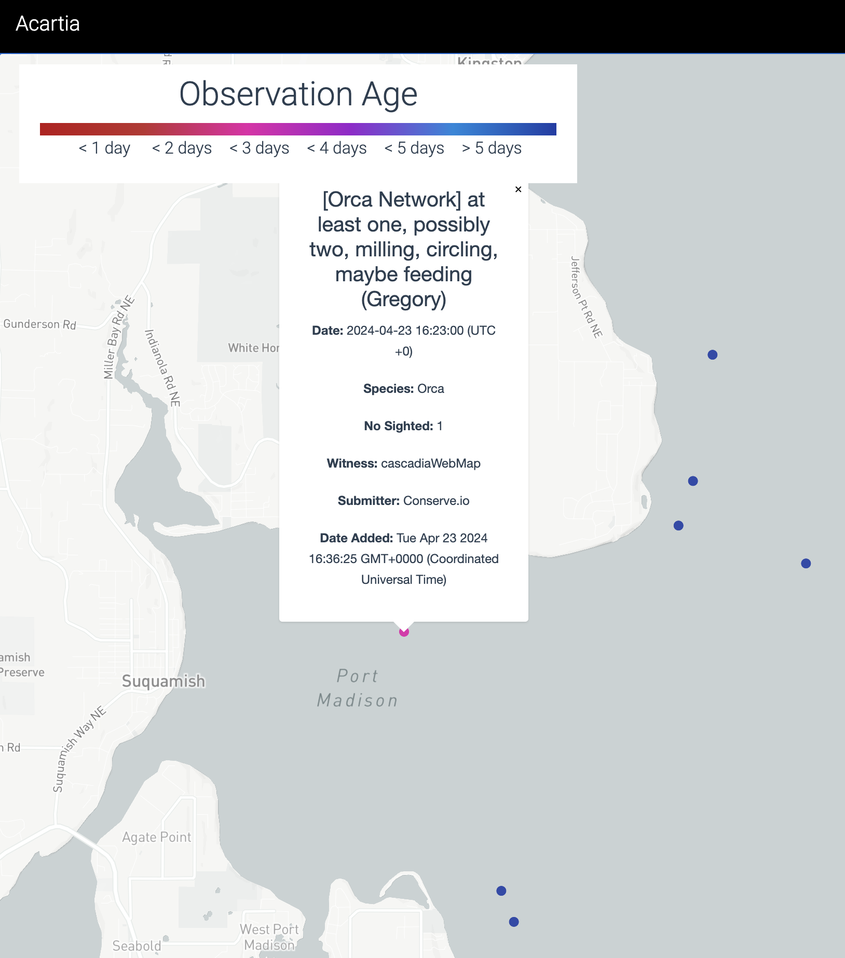
2024-03-17 | 16:00:00 | 12? | Indianola | visual from beach | east end of beach, quiet and close to shore; there were Orcas traveling north in main shipping channel at that time
2024-03-19 | 14:15:00 | 23 | Indianola | visual from bluff | in 2 groups (8 & 15); traveling east from Indianola dock. Both groups stopped and milled around at the easterly point, then continued on out of view towards Camp Indianola
2024-03-26 | 16:30:00 | 8 | Indianola | visual from beach | in 2 groups (3 & 5); traveling east from dock and around the point out of view towards Camp Indianola
2024-03-31 | ? | 20 | Indianola | visual from beach | 1-4 rafts of 3-8; Surface foraging; 3-5 breaths 5-10s apart, then 3+ min dive; Quick turns at surface, often w/o a breath, a couple examples of biting/chewing open mouths at surface

4/23/24 | 9:30:00 | n/a | Indianola | Orca Network report | Orca(s) well inside Port Madison, possibly foraging:

Sunset Beach buoy
Count A vs. Date
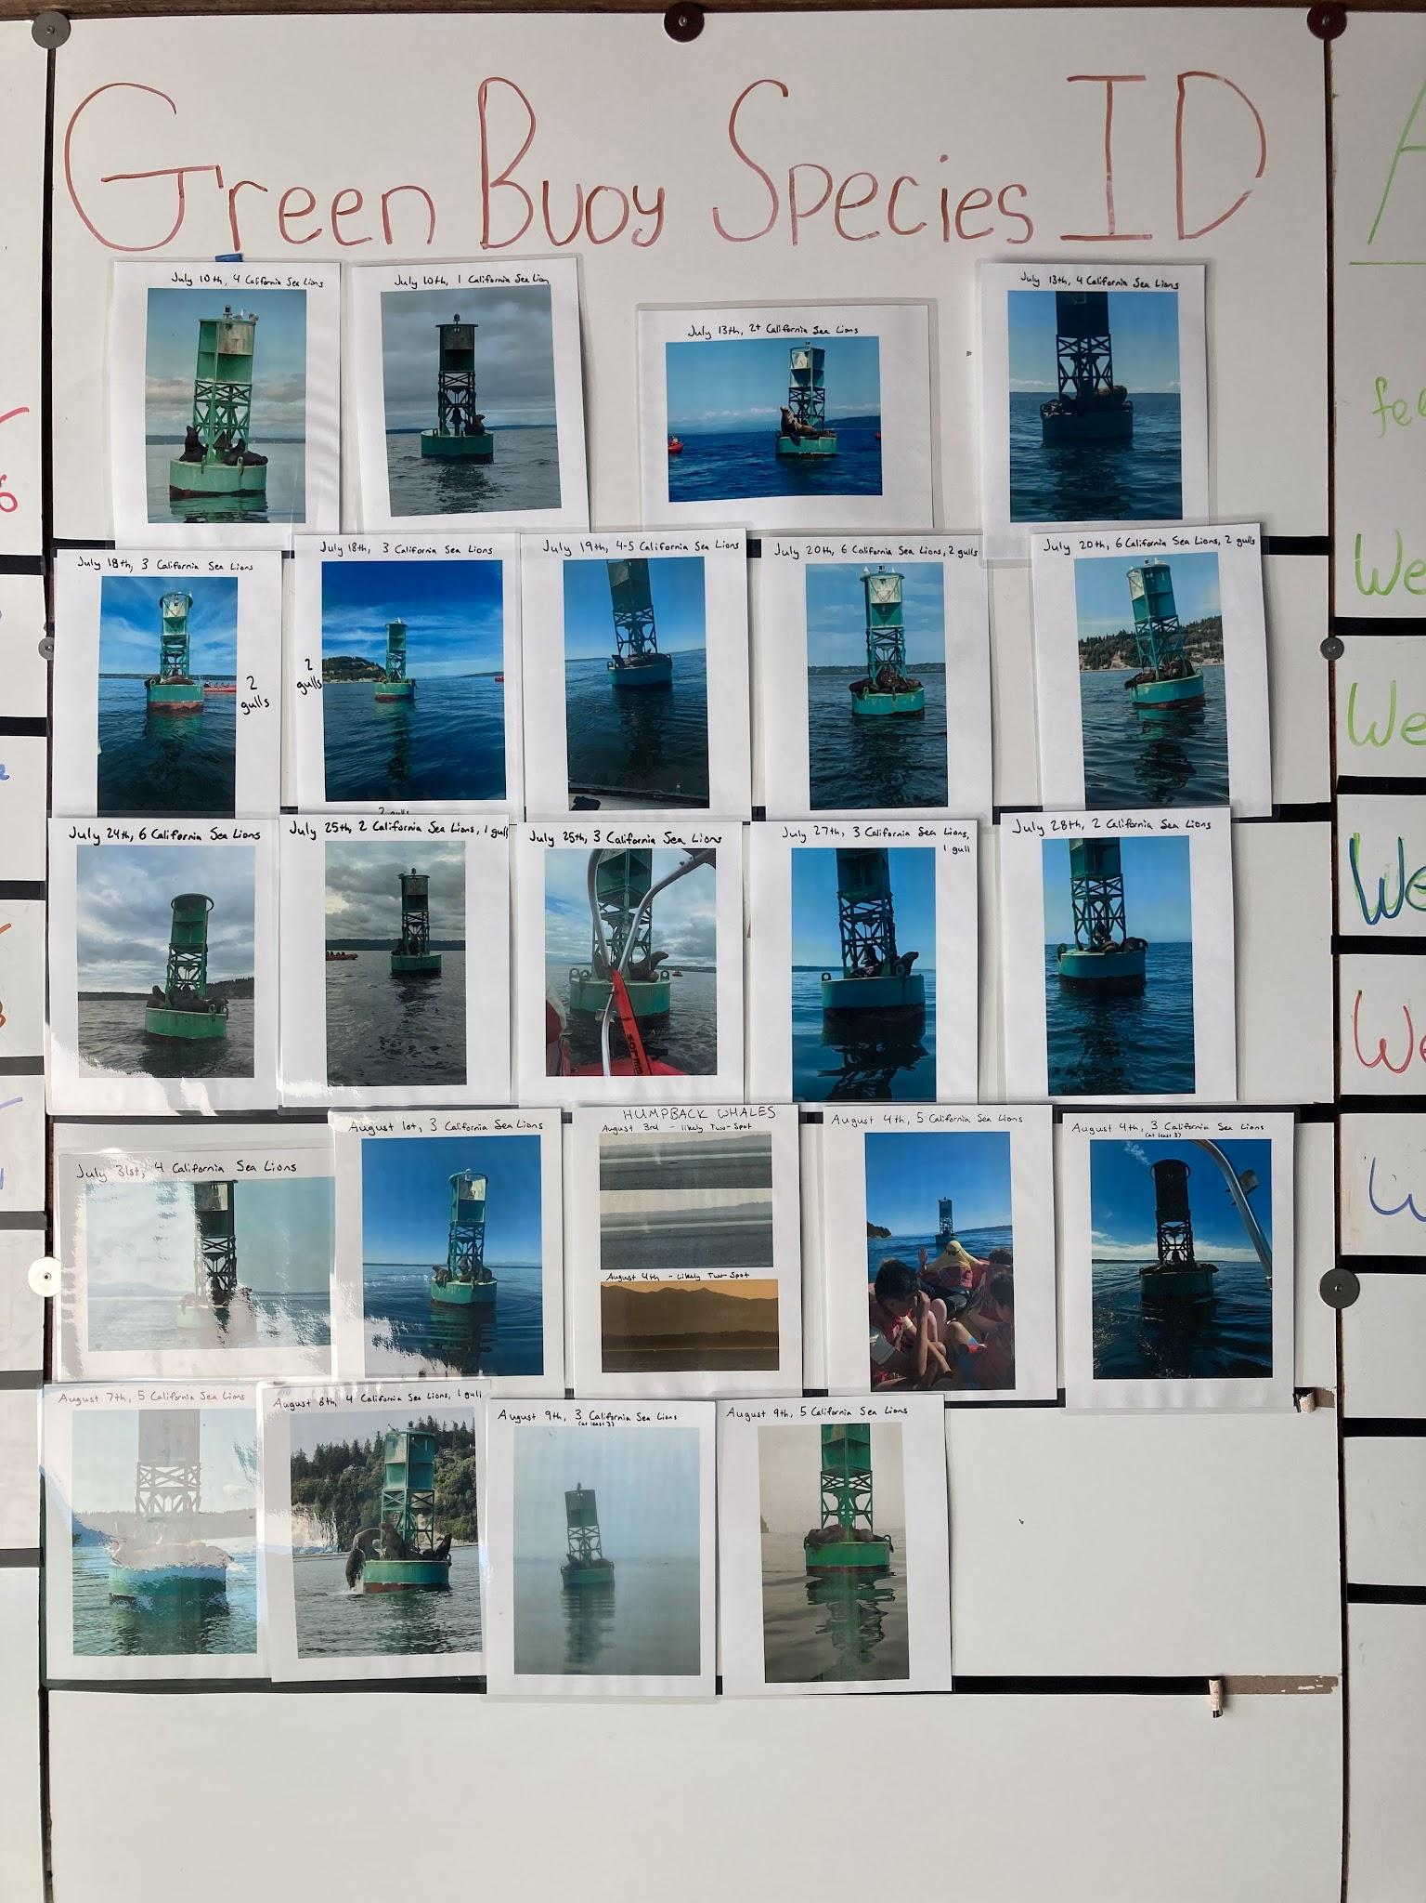
Date | Count A | Count B | Other
2023-07-10 | 4 | 1
2023-07-13 | 2 | 4
2023-07-18 | 3 | 3
2023-07-19 | 4 | 6
2023-07-20 | 6 | 6
2023-07-24 | 6
2023-07-25 | 2 | 3
2023-07-27 | 3
2023-07-28 | 2
2023-07-31 | 4
2023-08-01 | 3
2023-08-04 | 5 | 3 | humpback; on 8/3, too
2023-08-07 | 5
2023-08-08 | 4
2023-08-09 | 3 | 5

