Sheet1
test | _creation_instance | _imageURL | image
 |  |  | 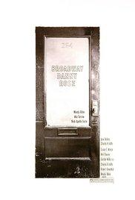

test | _creation_instance | _imageURL

