Full Map List
Film | Year | Director/Filmmaker Name | Location Display Text | LATITUDE | LONGITUDE | Borough | Neighborhood | image
Broadway Danny Rose | 1984 | Woody Allen | Carnegie Deli at 854 Seventh Ave. Midtown Manhattan | 40.764073 | -73.981288 | Manhattan | Midtown | 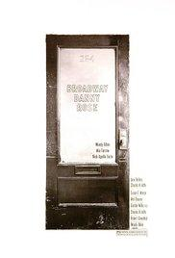 https://images-na.ssl-images-amazon.com/images/M/MV5BMTkwMDQ4MjMwNF5BMl5BanBnXkFtZTcwNTM4OTYwNA@@._V1_UX182_CR0,0,182,268_AL_.jpg
Ghostbusters | 1984 | Ivan Reitman | W. 66th St. and Central Park West Upper West Side Manhattan | 40.7724 | -73.9787 | Manhattan | Upper West Side | 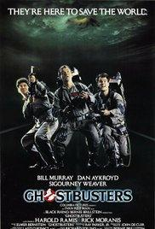 https://images-na.ssl-images-amazon.com/images/M/MV5BMTkxMjYyNzgwMl5BMl5BanBnXkFtZTgwMTE3MjYyMTE@._V1_UX182_CR0,0,182,268_AL_.jpg
King Kong | 1976 | John Guillermin | World Trade Center Lower Manhattan | 40.712548942 | -74.014779925 | Manhattan | Lower Manhattan | 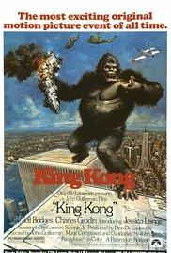 https://images-na.ssl-images-amazon.com/images/M/MV5BYWNlNjlmYjktNjhiNy00YTQzLWEzYTUtYzc0MDdjYTlmNzUyXkEyXkFqcGdeQXVyNjc1NTYyMjg@._V1_UX182_CR0,0,182,268_AL_.jpg
Nighthawks | 1981 | Bruce Malmuth | Roosevelt Island Tramway Manhattan | 40.758359056 | -73.956946135 | Manhattan | Roosevelt Island | 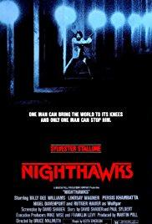 https://images-na.ssl-images-amazon.com/images/M/MV5BOWUzMTk0ZmItZmRmYy00NjMzLWE2NWEtM2IzZjg2MDFhNjIwXkEyXkFqcGdeQXVyMTQxNzMzNDI@._V1_UX182_CR0,0,182,268_AL_.jpg
Six Degrees of Separation | 1993 | Fred Schepisi | Metropolitan Museum of Art Fifth Ave. at 82nd St. | 40.779079086 | -73.96261096 | Manhattan | Upper East Side | 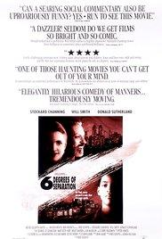 https://images-na.ssl-images-amazon.com/images/M/MV5BMTQ5ODk1NTI4NV5BMl5BanBnXkFtZTcwNDYzMjI3NA@@._V1_UX182_CR0,0,182,268_AL_.jpg
The French Connection | 1971 | William Friedkin | Bay 50th St. Station Brooklyn | 40.588602271 | -73.983757496 | Brooklyn | Brooklyn | 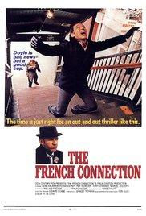 https://images-na.ssl-images-amazon.com/images/M/MV5BOTZhY2E3NmItMGIwNi00OTA2LThkYmEtODFiZTM0NGI0ZWU5XkEyXkFqcGdeQXVyNTc1NTQxODI@._V1_UY268_CR4,0,182,268_AL_.jpg
The Wrong Man | 1956 | Alfred Hitchcock | Subway at 53rd St. and Fifth Ave. Midtown Manhattan | 40.760504488 | -73.975464106 | Manhattan | Midtown | 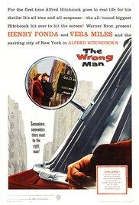 https://images-na.ssl-images-amazon.com/images/M/MV5BOWFhOTM1NDItZTMyYi00MGZiLWFjYTktOWI3YTgzNGRjY2I3XkEyXkFqcGdeQXVyNjc1NTYyMjg@._V1_UX182_CR0,0,182,268_AL_.jpg

