pivot
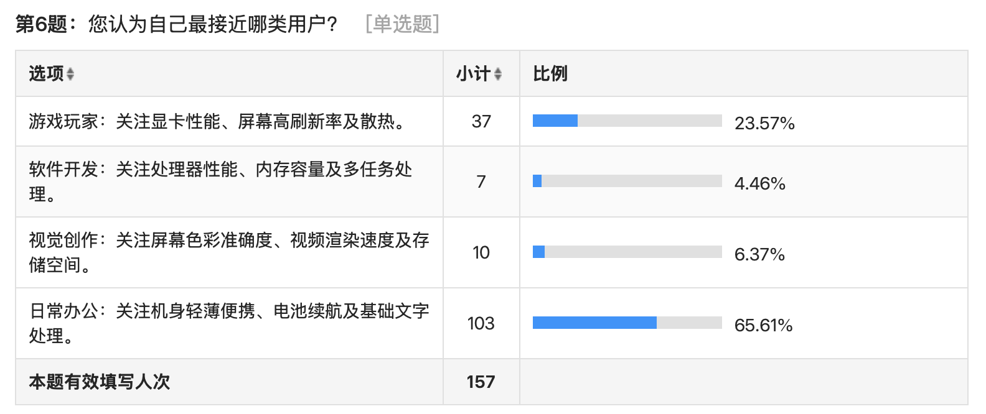

计数项:6、您认为自己最接近哪类用户？
6、您认为自己最接近哪类用户？ | 汇总
1 | 37
2 | 7
3 | 10
4 | 103
(空白)
总计 | 157

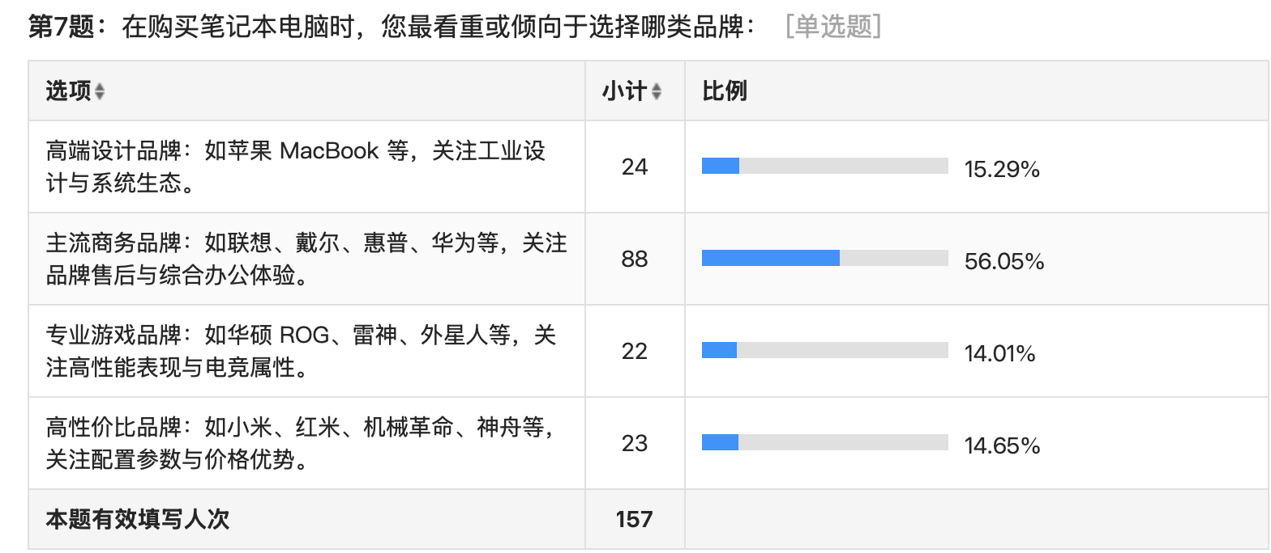

计数项:7、在购买笔记本电脑时，您最看重或倾向于选择哪类品牌：
7、在购买笔记本电脑时，您最看重或倾向于选择哪类品牌： | 汇总
1 | 24
2 | 88
3 | 22
4 | 23
(空白)
总计 | 157

