redo_20220617_234
Number | ABC | References used | Mn Composition |  |  |  |  | Site | MAP | R-factor | Reduced Chi-sq | Standard | Weight | Mn Comp | Mn2+ | Mn3+ | Mn4+ | Site | MAP | Mn2+ | Mn3+ | Mn4+
1 | a | rhodochrosite | 2 |  |  |  |  | 2 |  | 0.0016549 | 0.0004517 | BULK175_MnK_LP_Mn4oxide_DEC21_032_001.xdi | 0.274 | 4 |  |  | 0.274 | 2 | 3123 | 17.7 | 0.0 | 82.3
2 | b | mn2oxalate | 2 |  |  |  |  |  |  |  |  | Mn4-Ca2Mn3O8.dat | 0.549 | 4 |  |  | 0.549 | 3 | 3018 | 27.8 | 72.2 | 0.0
3 | c | mncl2 | 2 |  |  |  |  |  |  |  |  | BULK175_MnK_LP_Rhodo_DEC21_035_001.xdi | 0.177 | 2 | 0.177 |  |  | 6 | 2686 | 31.2 | 68.8 | 0.0
 |  | franklinite | 23 | excluded |  |  |  |  |  |  |  | Sum | 1 |  | 0.177 | 0 | 0.823 | 11 | 2176 | 7.7 | 19.2 | 73.1
 |  | hausmannite | 23 | excluded |  |  |  |  |  |  |  | Percentage |  |  | 17.7 | 0 | 82.3 | 15 | 1903 | 8.0 | 24.6 | 67.4
 |  | mn3 acetate | 3 | excluded |  |  |  |  |  |  |  |  |  |  |  |  |  | 18 | 1711 | 3.1 | 11.9 | 85.0
4 | d | mn3 oxalate | 3 |  |  |  |  | 3 |  | 0.0045632 | 0.0013459 | Mn3-Feitknechtite.dat | 0.722 | 3 |  | 0.722 |  | 27 | 996 | 7.4 | 26.4 | 66.2
5 | e | groutite | 3 |  |  |  |  |  |  |  |  | BULK175_MnK_LP_Rhodo_DEC21_035_001.xdi | 0.158 | 2 | 0.158 |  |  | 30 | 888 | 7.6 | 29.2 | 63.1
6 | f | feitknechtite | 3 |  |  |  |  |  |  |  |  | mncl2_3.xmu | 0.12 | 2 | 0.12 |  |  | 32 | 996 | 15.2 | 49.5 | 35.2
 |  | lithiophorite | 34 | excluded |  |  |  |  |  |  |  | Sum | 1 |  | 0.278 | 0.722 | 0 | 33 | 954 | 14.9 | 38.4 | 46.6
7 | g | mn4 oxide | 4 |  |  |  |  |  |  |  |  | Percentage |  |  | 27.8 | 72.2 | 0 | 36 | 822 | 9.8 | 35.9 | 54.4
8 | h | mn4 ca2mn3o8 | 4 |  |  |  |  |  |  |  |  |  |  |  |  |  |  | 39 | 437 | 11.4 | 41.5 | 47.1
9 | i | ramsdellite | 4 |  |  |  |  | 6 |  | 0.0045611 | 0.0013676 | Mn3-Feitknechtite.dat | 0.688 | 3 |  | 0.688 |  | 42 | 343 | 10.0 | 37.5 | 52.6
Note: right column reflects reanalyses to exclude transition minerals to limit results to Mn2+, 3+, and 4+ |  |  |  |  |  |  |  |  |  |  |  | BULK175_MnK_LP_Rhodo_DEC21_035_001.xdi | 0.134 | 2 | 0.134 |  |  | 44 | 304 | 10.2 | 41.7 | 48.2
 |  |  |  |  |  |  |  |  |  |  |  | mncl2_3.xmu | 0.178 | 2 | 0.178 |  |  | 45 | 285 | 7.6 | 33.5 | 58.9
LCF fit of 202201_P02_merge as flattened mu(E) from 6519 to 6589 Fit included 206 data points and 2 variables, and approximately 57.866 measurements Weights sum to 1: yes Weights forced between 0 and 1: yes Overall e0 shift used: no Noise added to data: 0 R-factor = 0.0016549 Chi-square = 0.09259 Reduced chi-square = 0.0004517 . standard weight e0 ======================================================== . BULK175_MnK_LP_Mn4oxide_DEC21_032_001.xdi 0.274 (0.087) 0.000 (0.000) . Mn4-Ca2Mn3O8.dat 0.549 (0.019) 0.000 (0.000) . BULK175_MnK_LP_Rhodo_DEC21_035_001.xdi 0.177 (0.004) 0.000 (0.000) . sum ........... 1.000 |  |  |  |  | 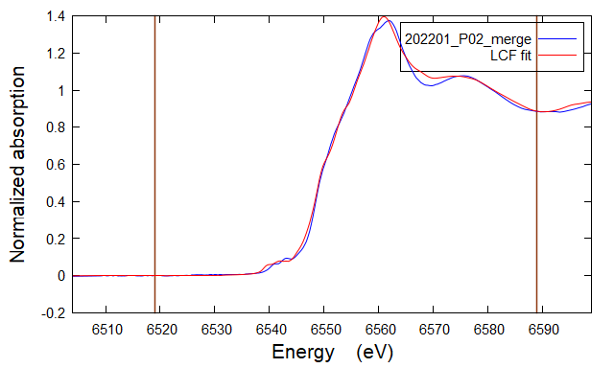 |  |  |  |  |  |  | Sum | 1 |  | 0.312 | 0.688 | 0
 |  |  |  |  |  |  |  |  |  |  |  | Percentage |  |  | 31.2 | 68.8 | 0

 |  |  |  |  |  |  |  | 11 |  | 0.0015302 | 0.0004214 | BULK175_MnK_LP_Mn3oxalate_DEC21_030_001.xdi | 0.192 | 3 |  | 0.192
 |  |  |  |  |  |  |  |  |  |  |  | Mn4-Ramsdellite.dat | 0.731 | 4 |  |  | 0.731
 |  |  |  |  |  |  |  |  |  |  |  | BULK175_MnK_LP_Rhodo_DEC21_035_001.xdi | 0.077 | 2 | 0.077
 |  |  |  |  |  |  |  |  |  |  |  | Sum | 1 |  | 0.077 | 0.192 | 0.731
 |  |  |  |  |  |  |  |  |  |  |  | Percentage |  |  | 7.7 | 19.2 | 73.1

 |  |  |  |  |  |  |  | 15 |  | 0.0015668 | 0.0004275 | BULK175_MnK_LP_Mn3oxalate_DEC21_030_001.xdi | 0.246 | 3 |  | 0.246
 |  |  |  |  |  |  |  |  |  |  |  | Mn4-Ramsdellite.dat | 0.674 | 4 |  |  | 0.674
 |  |  |  |  |  |  |  |  |  |  |  | BULK175_MnK_LP_Rhodo_DEC21_035_001.xdi | 0.08 | 2 | 0.08
 |  |  |  |  |  |  |  |  |  |  |  | Sum | 1 |  | 0.08 | 0.246 | 0.674
 |  |  |  |  |  |  |  |  |  |  |  | Percentage |  |  | 8 | 24.6 | 67.4

 |  |  |  |  |  |  |  | 18 |  | 0.004872 | 0.0013193 | BULK175_MnK_LP_Mn3oxalate_DEC21_030_001.xdi | 0.119 | 3 |  | 0.119
 |  |  |  |  |  |  |  |  |  |  |  | Mn4-Ramsdellite.dat | 0.85 | 4 |  |  | 0.85
 |  |  |  |  |  |  |  |  |  |  |  | BULK175_MnK_LP_Rhodo_DEC21_035_001.xdi | 0.031 | 2 | 0.031
 |  |  |  |  |  |  |  |  |  |  |  | Sum | 1 |  | 0.031 | 0.119 | 0.85
 |  |  |  |  |  |  |  |  |  |  |  | Percentage |  |  | 3.1 | 11.9 | 85

 |  |  |  |  |  |  |  | 27 |  | 0.0011839 | 0.014005 | BULK175_MnK_LP_Mn3oxalate_DEC21_030_001.xdi | 0.264 | 3 |  | 0.264
LCF fit of 202201_P03_merge as flattened mu(E) from 6519 to 6589 Fit included 206 data points and 2 variables, and approximately 57.866 measurements Weights sum to 1: yes Weights forced between 0 and 1: yes Overall e0 shift used: no Noise added to data: 0 R-factor = 0.0033715 Chi-square = 0.20386 Reduced chi-square = 0.0009944 . standard weight e0 ======================================================== . Mn32-Hausmannite.dat 0.402 (0.025) 0.000 (0.000) . mncl2_3.xmu 0.237 (0.010) 0.000 (0.000) . BULK175_MnK_LP_Franklinite_DEC21_040_001.xdi 0.361 (0.023) 0.000 (0.000) . sum ........... 1.000 |  |  |  |  | 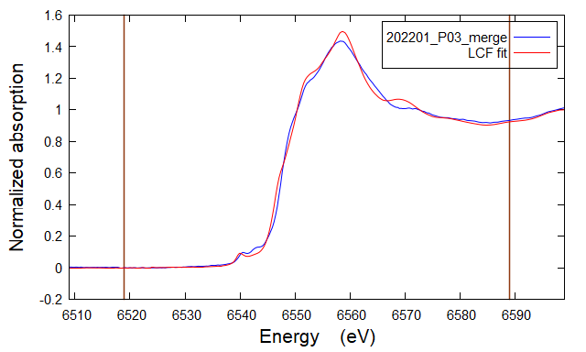 | LCF fit of 202201_P03_merge as flattened mu(E) from 6519 to 6589 Fit included 206 data points and 2 variables, and approximately 57.866 measurements Weights sum to 1: yes Weights forced between 0 and 1: yes Overall e0 shift used: no Noise added to data: 0 R-factor = 0.0045632 Chi-square = 0.27592 Reduced chi-square = 0.0013459 . standard weight e0 ======================================================== . Mn3-Feitknechtite.dat 0.722 (0.008) 0.000 (0.000) . BULK175_MnK_LP_Rhodo_DEC21_035_001.xdi 0.158 (0.022) 0.000 (0.000) . mncl2_3.xmu 0.120 (0.018) 0.000 (0.000) . sum ........... 1.000 | 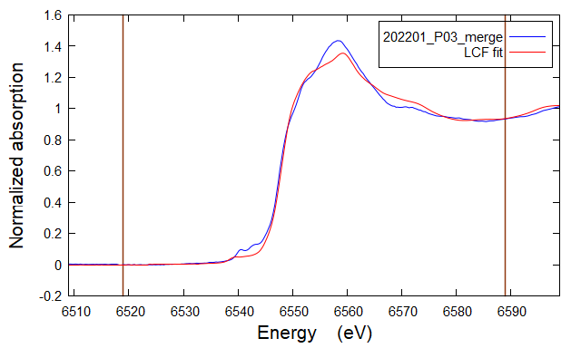 |  |  |  |  | Mn4-Ramsdellite.dat | 0.662 | 4 |  |  | 0.662
 |  |  |  |  |  |  |  |  |  |  |  | BULK175_MnK_LP_Rhodo_DEC21_035_001.xdi | 0.074 | 2 | 0.074
 |  |  |  |  |  |  |  |  |  |  |  | Sum | 1 |  | 0.074 | 0.264 | 0.662
 |  |  |  |  |  |  |  |  |  |  |  | Percentage |  |  | 7.4 | 26.4 | 66.2

 |  |  |  |  |  |  |  | 30 |  | 0.0017862 | 0.0004827 | BULK175_MnK_LP_Rhodo_DEC21_035_001.xdi | 0.076 | 2 | 0.076
 |  |  |  |  |  |  |  |  |  |  |  | BULK175_MnK_LP_Mn3oxalate_DEC21_030_001.xdi | 0.292 | 3 |  | 0.292
 |  |  |  |  |  |  |  |  |  |  |  | Mn4-Ramsdellite.dat | 0.631 | 4 |  |  | 0.631
 |  |  |  |  |  |  |  |  |  |  |  | Sum | 0.999 |  | 0.076 | 0.292 | 0.631
 |  |  |  |  |  |  |  |  |  |  |  | Percentage |  |  | 7.6076076076 | 29.2 | 63.1

 |  |  |  |  |  |  |  | 32 |  | 0.0016712 | 0.0004509 | Mn4-Ramsdellite.dat | 0.352 | 4 |  |  | 0.352
 |  |  |  |  |  |  |  |  |  |  |  | BULK175_MnK_LP_Mn3oxalate_DEC21_030_001.xdi | 0.495 | 3 |  | 0.495
 |  |  |  |  |  |  |  |  |  |  |  | BULK175_MnK_LP_Rhodo_DEC21_035_001.xdi | 0.152 | 2 | 0.152
 |  |  |  |  |  |  |  |  |  |  |  | Sum | 0.999 |  | 0.152 | 0.495 | 0.352
 |  |  |  |  |  |  |  |  |  |  |  | Percentage |  |  | 15.215215215 | 49.5 | 35.2

 |  |  |  |  |  |  |  | 33 |  | 0.0010258 | 0.003562 | Mn4-Ramsdellite.dat | 0.466 | 4 |  |  | 0.466
 |  |  |  |  |  |  |  |  |  |  |  | BULK175_MnK_LP_Mn3oxalate_DEC21_030_001.xdi | 0.384 | 3 |  | 0.384
 |  |  |  |  |  |  |  |  |  |  |  | BULK175_MnK_LP_Rhodo_DEC21_035_001.xdi | 0.149 | 2 | 0.149
 |  |  |  |  |  |  |  |  |  |  |  | Sum | 0.999 |  | 0.149 | 0.384 | 0.466
 |  |  |  |  |  |  |  |  |  |  |  | Percentage |  |  | 14.914914915 | 38.4 | 46.6
LCF fit of 202201_P06_merge as flattened mu(E) from 6519 to 6589 Fit included 206 data points and 2 variables, and approximately 57.866 measurements Weights sum to 1: yes Weights forced between 0 and 1: yes Overall e0 shift used: no Noise added to data: 0 R-factor = 0.0032398 Chi-square = 0.19915 Reduced chi-square = 0.0009715 . standard weight e0 ======================================================== . Mn32-Hausmannite.dat 0.418 (0.017) 0.000 (0.000) . mncl2_3.xmu 0.286 (0.030) 0.000 (0.000) . BULK175_MnK_LP_Franklinite_DEC21_040_001.xdi 0.296 (0.023) 0.000 (0.000) . sum ........... 1.000 |  |  |  |  | 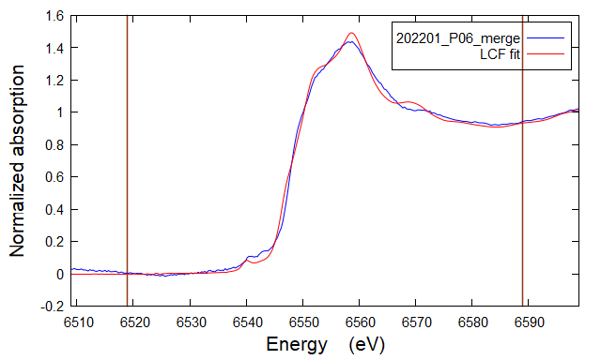 | LCF fit of 202201_P06_merge as flattened mu(E) from 6519 to 6589 Fit included 206 data points and 2 variables, and approximately 57.866 measurements Weights sum to 1: yes Weights forced between 0 and 1: yes Overall e0 shift used: no Noise added to data: 0 R-factor = 0.0045611 Chi-square = 0.28036 Reduced chi-square = 0.0013676 . standard weight e0 ======================================================== . Mn3-Feitknechtite.dat 0.688 (0.024) 0.000 (0.000) . BULK175_MnK_LP_Rhodo_DEC21_035_001.xdi 0.134 (0.015) 0.000 (0.000) . mncl2_3.xmu 0.178 (0.018) 0.000 (0.000) . sum ........... 1.000 | 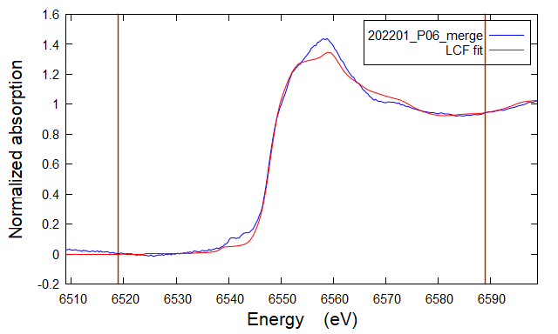
 |  |  |  |  |  |  |  | 36 |  | 0.0016516 | 0.0004451 | BULK175_MnK_LP_Mn3oxalate_DEC21_030_001.xdi | 0.359 | 3 |  | 0.359
 |  |  |  |  |  |  |  |  |  |  |  | Mn4-Ramsdellite.dat | 0.544 | 4 |  |  | 0.544
 |  |  |  |  |  |  |  |  |  |  |  | BULK175_MnK_LP_Rhodo_DEC21_035_001.xdi | 0.098 | 2 | 0.098
 |  |  |  |  |  |  |  |  |  |  |  | Sum | 1.001 |  | 0.098 | 0.359 | 0.544
 |  |  |  |  |  |  |  |  |  |  |  | Percentage |  |  | 9.7902097902 | 35.9 | 54.4

 |  |  |  |  |  |  |  | 39 |  | 0.0017178 | 0.0004617 | BULK175_MnK_LP_Mn3oxalate_DEC21_030_001.xdi | 0.415 | 3 |  | 0.415
 |  |  |  |  |  |  |  |  |  |  |  | Mn4-Ramsdellite.dat | 0.471 | 4 |  |  | 0.471
 |  |  |  |  |  |  |  |  |  |  |  | BULK175_MnK_LP_Rhodo_DEC21_035_001.xdi | 0.114 | 2 | 0.114
 |  |  |  |  |  |  |  |  |  |  |  | Sum | 1 |  | 0.114 | 0.415 | 0.471
 |  |  |  |  |  |  |  |  |  |  |  | Percentage |  |  | 11.4 | 41.5 | 47.1

 |  |  |  |  |  |  |  | 42 |  | 0.0010123 | 0.0002774 | BULK175_MnK_LP_Mn3oxalate_DEC21_030_001.xdi | 0.375 | 3 |  | 0.375
 |  |  |  |  |  |  |  |  |  |  |  | Mn4-Ramsdellite.dat | 0.526 | 4 |  |  | 0.526
 |  |  |  |  |  |  |  |  |  |  |  | BULK175_MnK_LP_Rhodo_DEC21_035_001.xdi | 0.1 | 2 | 0.1
 |  |  |  |  |  |  |  |  |  |  |  | Sum | 1.001 |  | 0.1 | 0.375 | 0.526
 |  |  |  |  |  |  |  |  |  |  |  | Percentage |  |  | 9.99000999 | 37.5 | 52.6

 |  |  |  |  |  |  |  | 44 |  | 0.0011087 | 0.0003013 | BULK175_MnK_LP_Mn3oxalate_DEC21_030_001.xdi | 0.417 | 3 |  | 0.417
 |  |  |  |  |  |  |  |  |  |  |  | Mn4-Ramsdellite.dat | 0.482 | 4 |  |  | 0.482
 |  |  |  |  |  |  |  |  |  |  |  | BULK175_MnK_LP_Rhodo_DEC21_035_001.xdi | 0.102 | 2 | 0.102
LCF fit of 202201_P11_merge as flattened mu(E) from 6519 to 6589 Fit included 206 data points and 2 variables, and approximately 57.866 measurements Weights sum to 1: yes Weights forced between 0 and 1: yes Overall e0 shift used: no Noise added to data: 0 R-factor = 0.0013117 Chi-square = 0.07407 Reduced chi-square = 0.0003613 . standard weight e0 ======================================================== . BULK175_MnK_LP_Mn4oxide_DEC21_032_001.xdi 0.245 (0.037) 0.000 (0.000) . BULK175_MnK_LP_Franklinite_DEC21_040_001.xdi 0.222 (0.008) 0.000 (0.000) . BULK175_MnK_LP_Lithiophorite_DEC21_038_001.xdi 0.533 (0.024) 0.000 (0.000) . sum ........... 1.000 |  |  |  |  | 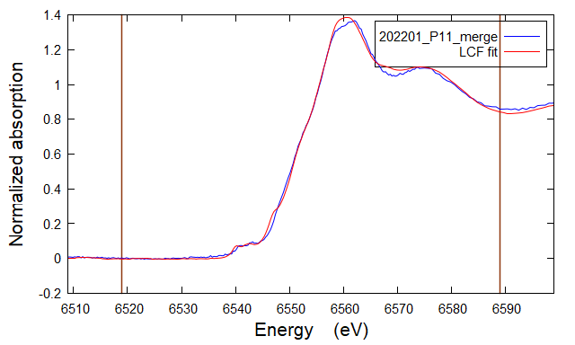 | LCF fit of 202201_P11_merge as flattened mu(E) from 6519 to 6589 Fit included 206 data points and 2 variables, and approximately 57.866 measurements Weights sum to 1: yes Weights forced between 0 and 1: yes Overall e0 shift used: no Noise added to data: 0 R-factor = 0.0015302 Chi-square = 0.08638 Reduced chi-square = 0.0004214 . standard weight e0 ======================================================== . BULK175_MnK_LP_Mn3oxalate_DEC21_030_001.xdi 0.192 (0.014) 0.000 (0.000) . Mn4-Ramsdellite.dat 0.731 (0.013) 0.000 (0.000) . BULK175_MnK_LP_Rhodo_DEC21_035_001.xdi 0.077 (0.004) 0.000 (0.000) . sum ........... 1.000 | 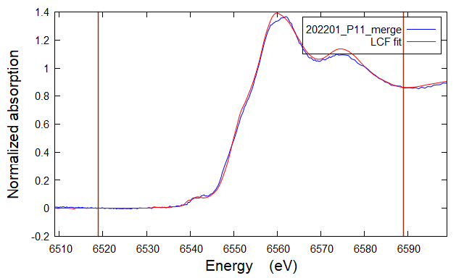 |  |  |  |  | Sum | 1.001 |  | 0.102 | 0.417 | 0.482
 |  |  |  |  |  |  |  |  |  |  |  | Percentage |  |  | 10.18981019 | 41.7 | 48.2

 |  |  |  |  |  |  |  | 45 |  | 0.0012606 | 0.0003435 | BULK175_MnK_LP_Mn3oxalate_DEC21_030_001.xdi | 0.335 | 3 |  | 0.335
 |  |  |  |  |  |  |  |  |  |  |  | Mn4-Ramsdellite.dat | 0.589 | 4 |  |  | 0.589
 |  |  |  |  |  |  |  |  |  |  |  | BULK175_MnK_LP_Rhodo_DEC21_035_001.xdi | 0.076 | 2 | 0.076
 |  |  |  |  |  |  |  |  |  |  |  | Sum | 1 |  | 0.076 | 0.335 | 0.589
 |  |  |  |  |  |  |  |  |  |  |  | Percentage |  |  | 7.6 | 33.5 | 58.9

LCF fit of 202201_P15_merge as flattened mu(E) from 6519 to 6589 Fit included 206 data points and 2 variables, and approximately 57.866 measurements Weights sum to 1: yes Weights forced between 0 and 1: yes Overall e0 shift used: no Noise added to data: 0 R-factor = 0.0014931 Chi-square = 0.08351 Reduced chi-square = 0.0004074 . standard weight e0 ======================================================== . BULK175_MnK_LP_Mn4oxide_DEC21_032_001.xdi 0.236 (0.045) 0.000 (0.000) . BULK175_MnK_LP_Franklinite_DEC21_040_001.xdi 0.256 (0.008) 0.000 (0.000) . BULK175_MnK_LP_Lithiophorite_DEC21_038_001.xdi 0.508 (0.025) 0.000 (0.000) . sum ........... 1.000 |  |  |  |  | 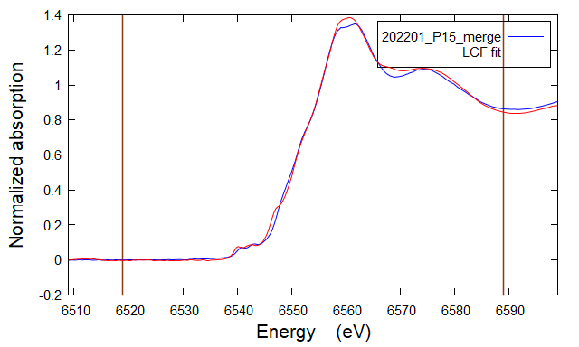 | LCF fit of 202201_P15_merge as flattened mu(E) from 6519 to 6589 Fit included 206 data points and 2 variables, and approximately 57.866 measurements Weights sum to 1: yes Weights forced between 0 and 1: yes Overall e0 shift used: no Noise added to data: 0 R-factor = 0.0015668 Chi-square = 0.08763 Reduced chi-square = 0.0004275 . standard weight e0 ======================================================== . BULK175_MnK_LP_Mn3oxalate_DEC21_030_001.xdi 0.246 (0.035) 0.000 (0.000) . Mn4-Ramsdellite.dat 0.674 (0.013) 0.000 (0.000) . BULK175_MnK_LP_Rhodo_DEC21_035_001.xdi 0.080 (0.004) 0.000 (0.000) . sum ........... 1.000 | 

LCF fit of 202201_P18_merge as flattened mu(E) from 6519 to 6589 Fit included 206 data points and 2 variables, and approximately 57.866 measurements Weights sum to 1: yes Weights forced between 0 and 1: yes Overall e0 shift used: no Noise added to data: 0 R-factor = 0.0019658 Chi-square = 0.10913 Reduced chi-square = 0.0005323 . standard weight e0 ======================================================== . BULK175_MnK_LP_Mn4oxide_DEC21_032_001.xdi 0.454 (0.022) 0.000 (0.000) . BULK175_MnK_LP_Franklinite_DEC21_040_001.xdi 0.141 (0.010) 0.000 (0.000) . BULK175_MnK_LP_Lithiophorite_DEC21_038_001.xdi 0.404 (0.078) 0.000 (0.000) . sum ........... 1.000 |  |  |  |  | 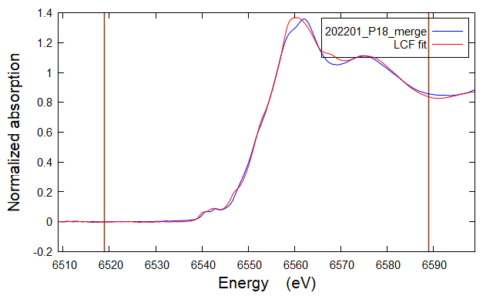 | LCF fit of 202201_P18_merge as flattened mu(E) from 6519 to 6589 Fit included 206 data points and 2 variables, and approximately 57.866 measurements Weights sum to 1: yes Weights forced between 0 and 1: yes Overall e0 shift used: no Noise added to data: 0 R-factor = 0.0048720 Chi-square = 0.27046 Reduced chi-square = 0.0013193 . standard weight e0 ======================================================== . BULK175_MnK_LP_Mn3oxalate_DEC21_030_001.xdi 0.119 (0.028) 0.000 (0.000) . Mn4-Ramsdellite.dat 0.850 (0.023) 0.000 (0.000) . BULK175_MnK_LP_Rhodo_DEC21_035_001.xdi 0.031 (0.064) 0.000 (0.000) . sum ........... 1.000 | 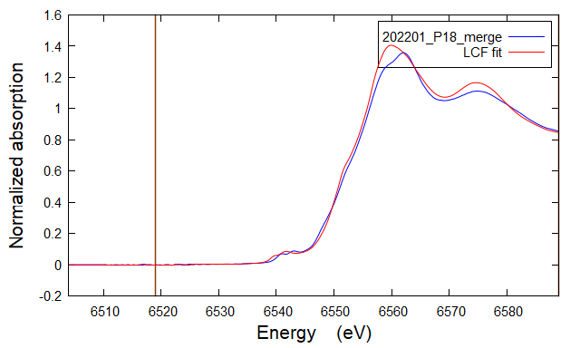

LCF fit of 202201_P27_merge as flattened mu(E) from 6519 to 6589 Fit included 206 data points and 2 variables, and approximately 57.866 measurements Weights sum to 1: yes Weights forced between 0 and 1: yes Overall e0 shift used: no Noise added to data: 0 R-factor = 0.0013548 Chi-square = 0.07634 Reduced chi-square = 0.0003724 . standard weight e0 ======================================================== . BULK175_MnK_LP_Mn4oxide_DEC21_032_001.xdi 0.178 (0.044) 0.000 (0.000) . BULK175_MnK_LP_Franklinite_DEC21_040_001.xdi 0.235 (0.008) 0.000 (0.000) . BULK175_MnK_LP_Lithiophorite_DEC21_038_001.xdi 0.587 (0.024) 0.000 (0.000) . sum ........... 1.000 |  |  |  |  |  | LCF fit of 202201_P27_merge as flattened mu(E) from 6519 to 6589 Fit included 206 data points and 2 variables, and approximately 57.866 measurements Weights sum to 1: yes Weights forced between 0 and 1: yes Overall e0 shift used: no Noise added to data: 0 R-factor = 0.0011839 Chi-square = 0.01400 Reduced chi-square = 0.0140050 . standard weight e0 ======================================================== . BULK175_MnK_LP_Mn3oxalate_DEC21_030_001.xdi 0.264 (0.014) 0.000 (0.000) . Mn4-Ramsdellite.dat 0.662 (0.024) 0.000 (0.000) . BULK175_MnK_LP_Rhodo_DEC21_035_001.xdi 0.074 (0.014) 0.000 (0.000) . sum ........... 1.000 | 

LCF fit of 202201_P30_merge as flattened mu(E) from 6519 to 6589 Fit included 206 data points and 2 variables, and approximately 57.866 measurements Weights sum to 1: yes Weights forced between 0 and 1: yes Overall e0 shift used: no Noise added to data: 0 R-factor = 0.0018812 Chi-square = 0.10421 Reduced chi-square = 0.0005083 . standard weight e0 ======================================================== . BULK175_MnK_LP_Mn4oxide_DEC21_032_001.xdi 0.244 (0.021) 0.000 (0.000) . BULK175_MnK_LP_Franklinite_DEC21_040_001.xdi 0.271 (0.041) 0.000 (0.000) . BULK175_MnK_LP_Lithiophorite_DEC21_038_001.xdi 0.485 (0.028) 0.000 (0.000) . sum ........... 1.000 |  |  |  |  |  | LCF fit of 202201_P30_merge as flattened mu(E) from 6519 to 6589 Fit included 206 data points and 2 variables, and approximately 57.866 measurements Weights sum to 1: yes Weights forced between 0 and 1: yes Overall e0 shift used: no Noise added to data: 0 R-factor = 0.0017862 Chi-square = 0.09894 Reduced chi-square = 0.0004827 . standard weight e0 ======================================================== . BULK175_MnK_LP_Rhodo_DEC21_035_001.xdi 0.076 (0.005) 0.000 (0.000) . BULK175_MnK_LP_Mn3oxalate_DEC21_030_001.xdi 0.292 (0.017) 0.000 (0.000) . Mn4-Ramsdellite.dat 0.631 (0.046) 0.000 (0.000) . sum ........... 1.000 | 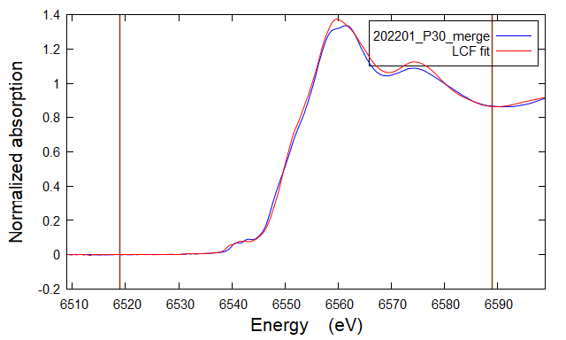

LCF fit of 202201_P32_merge as flattened mu(E) from 6519 to 6589 Fit included 206 data points and 2 variables, and approximately 57.866 measurements Weights sum to 1: yes Weights forced between 0 and 1: yes Overall e0 shift used: no Noise added to data: 0 R-factor = 0.0016712 Chi-square = 0.09243 Reduced chi-square = 0.0004509 . standard weight e0 ======================================================== . Mn4-Ramsdellite.dat 0.352 (0.014) 0.000 (0.000) . BULK175_MnK_LP_Mn3oxalate_DEC21_030_001.xdi 0.495 (0.016) 0.000 (0.000) . BULK175_MnK_LP_Rhodo_DEC21_035_001.xdi 0.152 (0.022) 0.000 (0.000) . sum ........... 1.000 |  |  |  |  | 

LCF fit of 202201_P33_merge as flattened mu(E) from 6519 to 6589 Fit included 206 data points and 2 variables, and approximately 57.866 measurements Weights sum to 1: yes Weights forced between 0 and 1: yes Overall e0 shift used: no Noise added to data: 0 R-factor = 0.0010258 Chi-square = 0.00356 Reduced chi-square = 0.0035620 . standard weight e0 ======================================================== . Mn4-Ramsdellite.dat 0.466 (0.006) 0.000 (0.000) . BULK175_MnK_LP_Mn3oxalate_DEC21_030_001.xdi 0.384 (0.004) 0.000 (0.000) . BULK175_MnK_LP_Rhodo_DEC21_035_001.xdi 0.149 (0.004) 0.000 (0.000) . sum ........... 1.000 |  |  |  |  | 

LCF fit of 202201_P36_merge as flattened mu(E) from 6519 to 6589 Fit included 206 data points and 2 variables, and approximately 57.866 measurements Weights sum to 1: yes Weights forced between 0 and 1: yes Overall e0 shift used: no Noise added to data: 0 R-factor = 0.0016516 Chi-square = 0.09124 Reduced chi-square = 0.0004451 . standard weight e0 ======================================================== . BULK175_MnK_LP_Mn3oxalate_DEC21_030_001.xdi 0.359 (0.043) 0.000 (0.000) . Mn4-Ramsdellite.dat 0.544 (0.013) 0.000 (0.000) . BULK175_MnK_LP_Rhodo_DEC21_035_001.xdi 0.098 (0.005) 0.000 (0.000) . sum ........... 1.000 |  |  |  |  | 

LCF fit of 202201_P39_merge as flattened mu(E) from 6519 to 6589 Fit included 206 data points and 2 variables, and approximately 57.866 measurements Weights sum to 1: yes Weights forced between 0 and 1: yes Overall e0 shift used: no Noise added to data: 0 R-factor = 0.0017178 Chi-square = 0.09465 Reduced chi-square = 0.0004617 . standard weight e0 ======================================================== . BULK175_MnK_LP_Mn3oxalate_DEC21_030_001.xdi 0.415 (0.017) 0.000 (0.000) . Mn4-Ramsdellite.dat 0.471 (0.014) 0.000 (0.000) . BULK175_MnK_LP_Rhodo_DEC21_035_001.xdi 0.114 (0.023) 0.000 (0.000) . sum ........... 1.000 |  |  |  |  | 

LCF fit of 202201_P42_merge as flattened mu(E) from 6519 to 6589 Fit included 206 data points and 2 variables, and approximately 57.866 measurements Weights sum to 1: yes Weights forced between 0 and 1: yes Overall e0 shift used: no Noise added to data: 0 R-factor = 0.0010123 Chi-square = 0.05686 Reduced chi-square = 0.0002774 . standard weight e0 ======================================================== . BULK175_MnK_LP_Mn3oxalate_DEC21_030_001.xdi 0.375 (0.013) 0.000 (0.000) . Mn4-Ramsdellite.dat 0.526 (0.011) 0.000 (0.000) . BULK175_MnK_LP_Rhodo_DEC21_035_001.xdi 0.100 (0.019) 0.000 (0.000) . sum ........... 1.000 |  |  |  |  | 

LCF fit of 202201_P44_merge as flattened mu(E) from 6519 to 6589 Fit included 206 data points and 2 variables, and approximately 57.866 measurements Weights sum to 1: yes Weights forced between 0 and 1: yes Overall e0 shift used: no Noise added to data: 0 R-factor = 0.0011087 Chi-square = 0.06177 Reduced chi-square = 0.0003013 . standard weight e0 ======================================================== . BULK175_MnK_LP_Mn3oxalate_DEC21_030_001.xdi 0.417 (0.013) 0.000 (0.000) . Mn4-Ramsdellite.dat 0.482 (0.011) 0.000 (0.000) . BULK175_MnK_LP_Rhodo_DEC21_035_001.xdi 0.102 (0.018) 0.000 (0.000) . sum ........... 1.000 |  |  |  |  | 

LCF fit of 202201_P45_merge as flattened mu(E) from 6519 to 6589 Fit included 206 data points and 2 variables, and approximately 57.866 measurements Weights sum to 1: yes Weights forced between 0 and 1: yes Overall e0 shift used: no Noise added to data: 0 R-factor = 0.0012606 Chi-square = 0.07041 Reduced chi-square = 0.0003435 . standard weight e0 ======================================================== . BULK175_MnK_LP_Mn3oxalate_DEC21_030_001.xdi 0.335 (0.014) 0.000 (0.000) . Mn4-Ramsdellite.dat 0.589 (0.012) 0.000 (0.000) . BULK175_MnK_LP_Rhodo_DEC21_035_001.xdi 0.076 (0.044) 0.000 (0.000) . sum ........... 1.000 |  |  |  |  | 

redo_20220614
LCF fit of 202201_P02_merge as flattened mu(E) from 6519 to 6589 Fit included 206 data points and 2 variables, and approximately 57.866 measurements Weights sum to 1: yes Weights forced between 0 and 1: yes Overall e0 shift used: no Noise added to data: 0 R-factor = 0.0013966 Chi-square = 0.07814 Reduced chi-square = 0.0003812 . standard weight e0 ======================================================== . mncl2_3.xmu 0.132 (0.007) 0.000 (0.000) . BULK175_MnK_LP_Franklinite_DEC21_040_001.xdi 0.148 (0.016) 0.000 (0.000) . BULK175_MnK_LP_Lithiophorite_DEC21_038_001.xdi 0.720 (0.009) 0.000 (0.000) . sum ........... 1.000 | 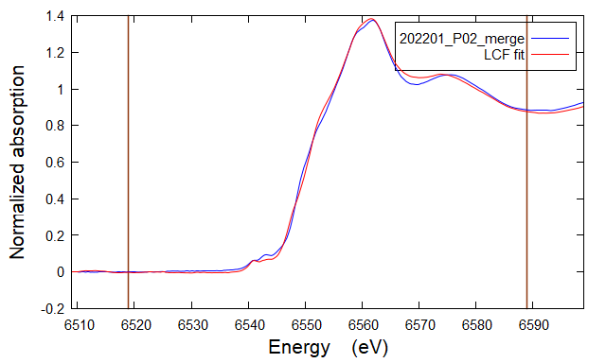 | References used | Mn Composition | R-factor | Reduced Chi-sq | Reference | Weight | Mn Composition | Mn2+ | Mn2+/3+ | Mn3+ | Mn3+/4+ | Mn4+
 |  | franklinite | 23
 |  | lithiophorite | 34
 |  | rhodochrosite | 2
 |  | mn2oxide | 2
 |  | mn2oxalate | 2
 |  | mncl2 | 2
 |  | mn3 acetate | 3
 |  | mn3 oxlate | 3
 |  | mn4 oxide | 4
 |  | mn4 ca2mn3o8 | 4

LCF fit of 202201_P03_merge as flattened mu(E) from 6519 to 6589 Fit included 206 data points and 2 variables, and approximately 57.866 measurements Weights sum to 1: yes Weights forced between 0 and 1: yes Overall e0 shift used: no Noise added to data: 0 R-factor = 0.0035762 Chi-square = 0.21624 Reduced chi-square = 0.0010548 . standard weight e0 ======================================================== . BULK175_MnK_LP_Mn3oxalate_DEC21_030_001.xdi 0.113 (0.017) 0.000 (0.000) . BULK175_MnK_LP_Franklinite_DEC21_040_001.xdi 0.671 (0.023) 0.000 (0.000) . BULK175_MnK_LP_Mn2oxalate_DEC21_033_001.xdi 0.216 (0.028) 0.000 (0.000) . sum ........... 1.000 | 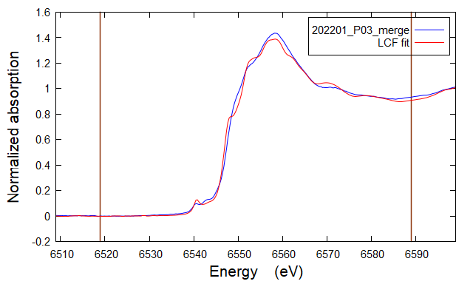

LCF fit of 202201_P06_merge as flattened mu(E) from 6519 to 6589 Fit included 206 data points and 2 variables, and approximately 57.866 measurements Weights sum to 1: yes Weights forced between 0 and 1: yes Overall e0 shift used: no Noise added to data: 0 R-factor = 0.0048930 Chi-square = 0.30078 Reduced chi-square = 0.0014672 . standard weight e0 ======================================================== . BULK175_MnK_LP_Franklinite_DEC21_040_001.xdi 0.676 (0.022) 0.000 (0.000) . BULK175_MnK_LP_Mn3acetate_DEC21_029_001.xdi 0.071 (0.039) 0.000 (0.000) . BULK175_MnK_LP_Mn2oxalate_DEC21_033_001.xdi 0.253 (0.012) 0.000 (0.000) . sum ........... 1.000 | 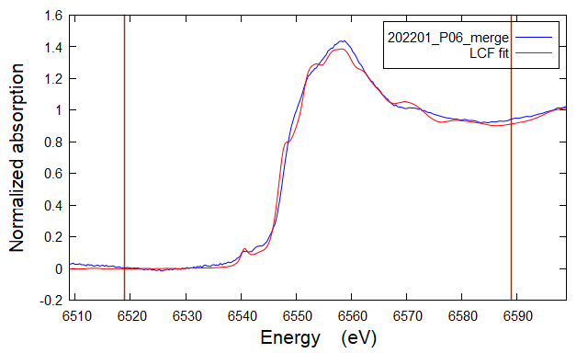

LCF fit of 202201_P11_merge as flattened mu(E) from 6519 to 6589 Fit included 206 data points and 2 variables, and approximately 57.866 measurements Weights sum to 1: yes Weights forced between 0 and 1: yes Overall e0 shift used: no Noise added to data: 0 R-factor = 0.0006943 Chi-square = 0.03921 Reduced chi-square = 0.0001913 . standard weight e0 ======================================================== . BULK175_MnK_LP_Mn2oxide_DEC21_031_001.xdi 0.058 (0.006) 0.000 (0.000) . BULK175_MnK_LP_Franklinite_DEC21_040_001.xdi 0.224 (0.009) 0.000 (0.000) . BULK175_MnK_LP_Lithiophorite_DEC21_038_001.xdi 0.718 (0.024) 0.000 (0.000) . sum ........... 1.000 | 

LCF fit of 202201_P15_merge as flattened mu(E) from 6519 to 6589 Fit included 206 data points and 2 variables, and approximately 57.866 measurements Weights sum to 1: yes Weights forced between 0 and 1: yes Overall e0 shift used: no Noise added to data: 0 R-factor = 0.0007916 Chi-square = 0.04428 Reduced chi-square = 0.0002160 . standard weight e0 ======================================================== . BULK175_MnK_LP_Mn3oxalate_DEC21_030_001.xdi 0.193 (0.015) 0.000 (0.000) . BULK175_MnK_LP_Franklinite_DEC21_040_001.xdi 0.261 (0.008) 0.000 (0.000) . BULK175_MnK_LP_Lithiophorite_DEC21_038_001.xdi 0.546 (0.026) 0.000 (0.000) . sum ........... 1.000 | 

LCF fit of 202201_P18_merge as flattened mu(E) from 6519 to 6589 Fit included 206 data points and 2 variables, and approximately 57.866 measurements Weights sum to 1: yes Weights forced between 0 and 1: yes Overall e0 shift used: no Noise added to data: 0 R-factor = 0.0007868 Chi-square = 0.04368 Reduced chi-square = 0.0002131 . standard weight e0 ======================================================== . BULK175_MnK_LP_Mn2oxide_DEC21_031_001.xdi 0.117 (0.034) 0.000 (0.000) . Mn4-Ca2Mn3O8.dat 0.256 (0.024) 0.000 (0.000) . BULK175_MnK_LP_Lithiophorite_DEC21_038_001.xdi 0.627 (0.025) 0.000 (0.000) . sum ........... 1.000 | 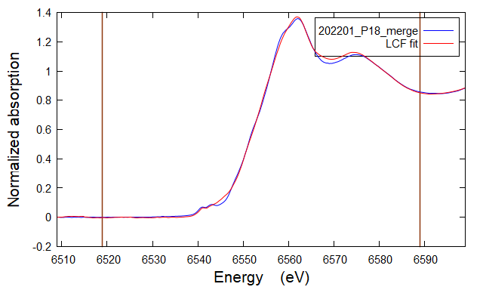

LCF fit of 202201_P27_merge as flattened mu(E) from 6519 to 6589 Fit included 206 data points and 2 variables, and approximately 57.866 measurements Weights sum to 1: yes Weights forced between 0 and 1: yes Overall e0 shift used: no Noise added to data: 0 R-factor = 0.0005925 Chi-square = 0.03339 Reduced chi-square = 0.0001629 . standard weight e0 ======================================================== . BULK175_MnK_LP_Mn3oxalate_DEC21_030_001.xdi 0.225 (0.013) 0.000 (0.000) . BULK175_MnK_LP_Franklinite_DEC21_040_001.xdi 0.244 (0.007) 0.000 (0.000) . BULK175_MnK_LP_Lithiophorite_DEC21_038_001.xdi 0.531 (0.050) 0.000 (0.000) . sum ........... 1.000 | 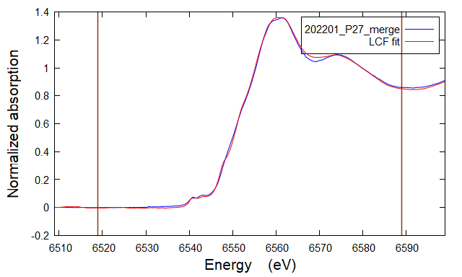

LCF fit of 202201_P30_merge as flattened mu(E) from 6519 to 6589 Fit included 206 data points and 2 variables, and approximately 57.866 measurements Weights sum to 1: yes Weights forced between 0 and 1: yes Overall e0 shift used: no Noise added to data: 0 R-factor = 0.0009743 Chi-square = 0.05397 Reduced chi-square = 0.0002633 . standard weight e0 ======================================================== . BULK175_MnK_LP_Mn3oxalate_DEC21_030_001.xdi 0.251 (0.017) 0.000 (0.000) . BULK175_MnK_LP_Franklinite_DEC21_040_001.xdi 0.249 (0.009) 0.000 (0.000) . BULK175_MnK_LP_Lithiophorite_DEC21_038_001.xdi 0.500 (0.020) 0.000 (0.000) . sum ........... 1.000 | 

LCF fit of 202201_P32_merge as flattened mu(E) from 6519 to 6589 Fit included 206 data points and 2 variables, and approximately 57.866 measurements Weights sum to 1: yes Weights forced between 0 and 1: yes Overall e0 shift used: no Noise added to data: 0 R-factor = 0.0019097 Chi-square = 0.10562 Reduced chi-square = 0.0005152 . standard weight e0 ======================================================== . BULK175_MnK_LP_Mn3oxalate_DEC21_030_001.xdi 0.347 (0.020) 0.000 (0.000) . BULK175_MnK_LP_Franklinite_DEC21_040_001.xdi 0.484 (0.012) 0.000 (0.000) . BULK175_MnK_LP_Lithiophorite_DEC21_038_001.xdi 0.170 (0.016) 0.000 (0.000) . sum ........... 1.000 | 

LCF fit of 202201_P33_merge as flattened mu(E) from 6519 to 6589 Fit included 206 data points and 2 variables, and approximately 57.866 measurements Weights sum to 1: yes Weights forced between 0 and 1: yes Overall e0 shift used: no Noise added to data: 0 R-factor = 0.0014763 Chi-square = 0.08180 Reduced chi-square = 0.0003990 . standard weight e0 ======================================================== . BULK175_MnK_LP_Franklinite_DEC21_040_001.xdi 0.316 (0.015) 0.000 (0.000) . BULK175_MnK_LP_Lithiophorite_DEC21_038_001.xdi 0.554 (0.008) 0.000 (0.000) . BULK175_MnK_LP_Mn2oxalate_DEC21_033_001.xdi 0.130 (0.035) 0.000 (0.000) . sum ........... 1.000 | 

LCF fit of 202201_P36_merge as flattened mu(E) from 6519 to 6589 Fit included 206 data points and 2 variables, and approximately 57.866 measurements Weights sum to 1: yes Weights forced between 0 and 1: yes Overall e0 shift used: no Noise added to data: 0 R-factor = 0.0010003 Chi-square = 0.05526 Reduced chi-square = 0.0002696 . standard weight e0 ======================================================== . BULK175_MnK_LP_Mn3oxalate_DEC21_030_001.xdi 0.278 (0.015) 0.000 (0.000) . BULK175_MnK_LP_Franklinite_DEC21_040_001.xdi 0.324 (0.009) 0.000 (0.000) . BULK175_MnK_LP_Lithiophorite_DEC21_038_001.xdi 0.398 (0.012) 0.000 (0.000) . sum ........... 1.000 | 

LCF fit of 202201_P39_merge as flattened mu(E) from 6519 to 6589 Fit included 206 data points and 2 variables, and approximately 57.866 measurements Weights sum to 1: yes Weights forced between 0 and 1: yes Overall e0 shift used: no Noise added to data: 0 R-factor = 0.0012446 Chi-square = 0.06858 Reduced chi-square = 0.0003345 . standard weight e0 ======================================================== . Mn4-Ca2Mn3O8.dat 0.288 (0.032) 0.000 (0.000) . BULK175_MnK_LP_Mn3oxalate_DEC21_030_001.xdi 0.312 (0.019) 0.000 (0.000) . BULK175_MnK_LP_Franklinite_DEC21_040_001.xdi 0.400 (0.010) 0.000 (0.000) . sum ........... 1.000 | 

LCF fit of 202201_P42_merge as flattened mu(E) from 6519 to 6589 Fit included 206 data points and 2 variables, and approximately 57.866 measurements Weights sum to 1: yes Weights forced between 0 and 1: yes Overall e0 shift used: no Noise added to data: 0 R-factor = 0.0006562 Chi-square = 0.03686 Reduced chi-square = 0.0001798 . standard weight e0 ======================================================== . BULK175_MnK_LP_Mn3oxalate_DEC21_030_001.xdi 0.296 (0.050) 0.000 (0.000) . BULK175_MnK_LP_Franklinite_DEC21_040_001.xdi 0.333 (0.007) 0.000 (0.000) . BULK175_MnK_LP_Lithiophorite_DEC21_038_001.xdi 0.372 (0.009) 0.000 (0.000) . sum ........... 1.000 | 

LCF fit of 202201_P44_merge as flattened mu(E) from 6519 to 6589 Fit included 206 data points and 2 variables, and approximately 57.866 measurements Weights sum to 1: yes Weights forced between 0 and 1: yes Overall e0 shift used: no Noise added to data: 0 R-factor = 0.0007497 Chi-square = 0.04177 Reduced chi-square = 0.0002037 . standard weight e0 ======================================================== . BULK175_MnK_LP_Mn3oxalate_DEC21_030_001.xdi 0.335 (0.031) 0.000 (0.000) . BULK175_MnK_LP_Franklinite_DEC21_040_001.xdi 0.341 (0.008) 0.000 (0.000) . BULK175_MnK_LP_Lithiophorite_DEC21_038_001.xdi 0.325 (0.010) 0.000 (0.000) . sum ........... 1.000 | 

LCF fit of 202201_P45_merge as flattened mu(E) from 6519 to 6589 Fit included 206 data points and 2 variables, and approximately 57.866 measurements Weights sum to 1: yes Weights forced between 0 and 1: yes Overall e0 shift used: no Noise added to data: 0 R-factor = 0.0010518 Chi-square = 0.05875 Reduced chi-square = 0.0002866 . standard weight e0 ======================================================== . BULK175_MnK_LP_Franklinite_DEC21_040_001.xdi 0.289 (0.009) 0.000 (0.000) . Mn4-Ca2Mn3O8.dat 0.406 (0.011) 0.000 (0.000) . BULK175_MnK_LP_Mn3oxalate_DEC21_030_001.xdi 0.305 (0.015) 0.000 (0.000) . sum ........... 1.000 | 

P02
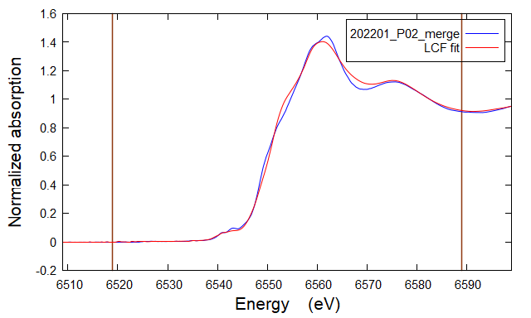
LCF fit of 202201_P02_merge as flattened mu(E) from 6519 to 6589 Fit included 206 data points and 2 variables, and approximately 57.866 measurements Weights sum to 1: yes Weights forced between 0 and 1: yes Overall e0 shift used: no Noise added to data: 0 R-factor = 0.0023757 Chi-square = 0.14582 Reduced chi-square = 0.0007113 . standard weight e0 ======================================================== . Mn4-Ca2Mn3O8.dat 0.163 (0.033) 0.000 (0.000) . mncl2_3.xmu 0.235 (0.006) 0.000 (0.000) . BULK175_MnK_LP_Mn2carbonate_DEC21_036_001.xdi 0.602 (0.039) 0.000 (0.000) . sum ........... 1.000

P03
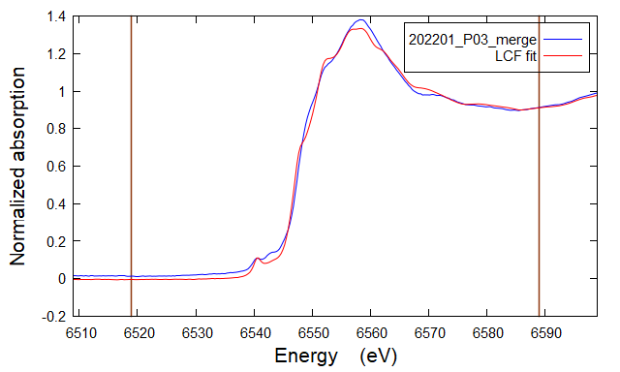
LCF fit of 202201_P03_merge as flattened mu(E) from 6519 to 6589 Fit included 206 data points and 2 variables, and approximately 57.866 measurements Weights sum to 1: yes Weights forced between 0 and 1: yes Overall e0 shift used: no Noise added to data: 0 R-factor = 0.0030714 Chi-square = 0.16881 Reduced chi-square = 0.0008234 . standard weight e0 ======================================================== . mncl2_3.xmu 0.242 (0.010) 0.000 (0.000) . BULK175_MnK_LP_Mn3oxalate_DEC21_030_001.xdi 0.204 (0.024) 0.000 (0.000) . BULK175_MnK_LP_Franklinite_DEC21_040_001.xdi 0.554 (0.022) 0.000 (0.000) . sum ........... 1.000

P06
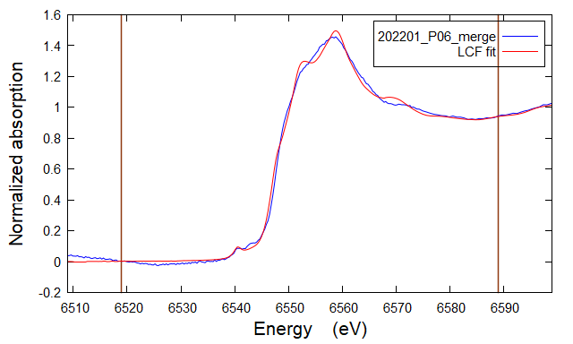
LCF fit of 202201_P06_merge as flattened mu(E) from 6519 to 6589 Fit included 206 data points and 2 variables, and approximately 57.866 measurements Weights sum to 1: yes Weights forced between 0 and 1: yes Overall e0 shift used: no Noise added to data: 0 R-factor = 0.0025518 Chi-square = 0.16388 Reduced chi-square = 0.0007994 . standard weight e0 ======================================================== . mncl2_3.xmu 0.333 (0.010) 0.000 (0.000) . Mn32-Hausmannite.dat 0.336 (0.017) 0.000 (0.000) . BULK175_MnK_LP_Franklinite_DEC21_040_001.xdi 0.331 (0.031) 0.000 (0.000) . sum ........... 1.000

P11
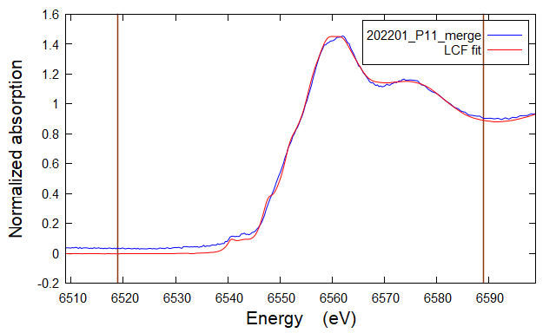
LCF fit of 202201_P11_merge as flattened mu(E) from 6519 to 6589 Fit included 206 data points and 2 variables, and approximately 57.866 measurements Weights sum to 1: yes Weights forced between 0 and 1: yes Overall e0 shift used: no Noise added to data: 0 R-factor = 0.0027580 Chi-square = 0.16811 Reduced chi-square = 0.0008200 . standard weight e0 ======================================================== . Mn4-Ca2Mn3O8.dat 0.181 (0.038) 0.000 (0.000) . BULK175_MnK_LP_Franklinite_DEC21_040_001.xdi 0.341 (0.012) 0.000 (0.000) . BULK175_MnK_LP_Mn2carbonate_DEC21_036_001.xdi 0.478 (0.070) 0.000 (0.000) . sum ........... 1.000

P15
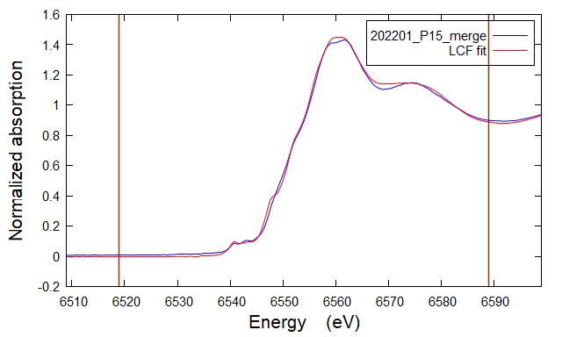
LCF fit of 202201_P15_merge as flattened mu(E) from 6519 to 6589 Fit included 206 data points and 2 variables, and approximately 57.866 measurements Weights sum to 1: yes Weights forced between 0 and 1: yes Overall e0 shift used: no Noise added to data: 0 R-factor = 0.0011938 Chi-square = 0.07391 Reduced chi-square = 0.0003605 . standard weight e0 ======================================================== . Mn4-Ca2Mn3O8.dat 0.230 (0.025) 0.000 (0.000) . BULK175_MnK_LP_Franklinite_DEC21_040_001.xdi 0.351 (0.008) 0.000 (0.000) . BULK175_MnK_LP_Mn2carbonate_DEC21_036_001.xdi 0.419 (0.033) 0.000 (0.000) . sum ........... 1.000

P18
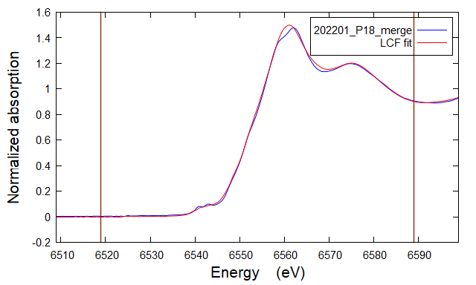
LCF fit of 202201_P18_merge as flattened mu(E) from 6519 to 6589 Fit included 206 data points and 2 variables, and approximately 57.866 measurements Weights sum to 1: yes Weights forced between 0 and 1: yes Overall e0 shift used: no Noise added to data: 0 R-factor = 0.0008534 Chi-square = 0.05514 Reduced chi-square = 0.0002690 . standard weight e0 ======================================================== . Mn4-Ca2Mn3O8.dat 0.306 (0.019) 0.000 (0.000) . Mn2-Rhodocrosite.dat 0.081 (0.003) 0.000 (0.000) . BULK175_MnK_LP_Mn2carbonate_DEC21_036_001.xdi 0.614 (0.026) 0.000 (0.000) . sum ........... 1.000

P27

LCF fit of 202201_P27_merge as flattened mu(E) from 6519 to 6589 Fit included 206 data points and 2 variables, and approximately 57.866 measurements Weights sum to 1: yes Weights forced between 0 and 1: yes Overall e0 shift used: no Noise added to data: 0 R-factor = 0.0012113 Chi-square = 0.07524 Reduced chi-square = 0.0003670 . standard weight e0 ======================================================== . Mn4-Ca2Mn3O8.dat 0.287 (0.025) 0.000 (0.000) . BULK175_MnK_LP_Franklinite_DEC21_040_001.xdi 0.333 (0.008) 0.000 (0.000) . BULK175_MnK_LP_Mn2carbonate_DEC21_036_001.xdi 0.379 (0.029) 0.000 (0.000) . sum ........... 1.000

P30
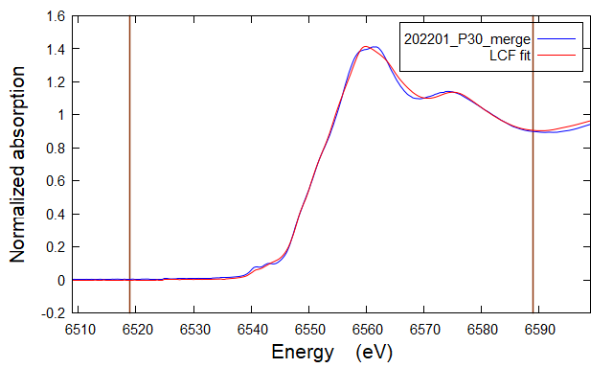
LCF fit of 202201_P30_merge as flattened mu(E) from 6519 to 6589 Fit included 206 data points and 2 variables, and approximately 57.866 measurements Weights sum to 1: yes Weights forced between 0 and 1: yes Overall e0 shift used: no Noise added to data: 0 R-factor = 0.0007170 Chi-square = 0.04379 Reduced chi-square = 0.0002136 . standard weight e0 ======================================================== . BULK175_MnK_LP_Mn3oxalate_DEC21_030_001.xdi 0.398 (0.009) 0.000 (0.000) . Mn2-Rhodocrosite.dat 0.120 (0.003) 0.000 (0.000) . BULK175_MnK_LP_Mn2carbonate_DEC21_036_001.xdi 0.482 (0.009) 0.000 (0.000) . sum ........... 1.000

P32
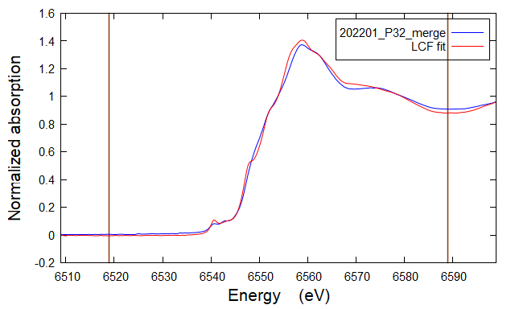
LCF fit of 202201_P32_merge as flattened mu(E) from 6519 to 6589 Fit included 206 data points and 2 variables, and approximately 57.866 measurements Weights sum to 1: yes Weights forced between 0 and 1: yes Overall e0 shift used: no Noise added to data: 0 R-factor = 0.0025889 Chi-square = 0.14755 Reduced chi-square = 0.0007198 . standard weight e0 ======================================================== . BULK175_MnK_LP_Mn3oxalate_DEC21_030_001.xdi 0.374 (0.022) 0.000 (0.000) . BULK175_MnK_LP_Franklinite_DEC21_040_001.xdi 0.504 (0.015) 0.000 (0.000) . BULK175_MnK_LP_Mn2carbonate_DEC21_036_001.xdi 0.122 (0.016) 0.000 (0.000) . sum ........... 1.000

P33
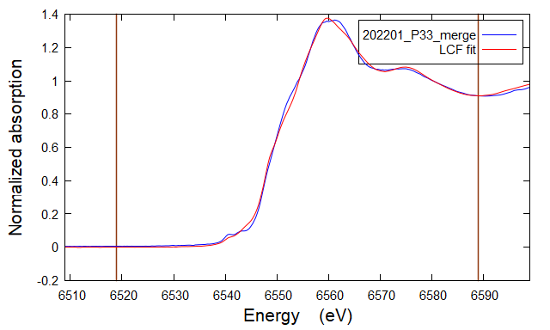
LCF fit of 202201_P33_merge as flattened mu(E) from 6519 to 6589 Fit included 206 data points and 2 variables, and approximately 57.866 measurements Weights sum to 1: yes Weights forced between 0 and 1: yes Overall e0 shift used: no Noise added to data: 0 R-factor = 0.0011372 Chi-square = 0.06592 Reduced chi-square = 0.0003216 . standard weight e0 ======================================================== . BULK175_MnK_LP_Mn3oxalate_DEC21_030_001.xdi 0.515 (0.012) 0.000 (0.000) . Mn2-Rhodocrosite.dat 0.189 (0.004) 0.000 (0.000) . BULK175_MnK_LP_Mn2carbonate_DEC21_036_001.xdi 0.296 (0.011) 0.000 (0.000) . sum ........... 1.000

P36
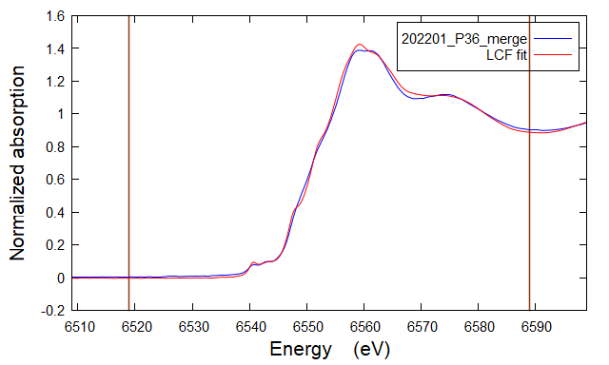
LCF fit of 202201_P36_merge as flattened mu(E) from 6519 to 6589 Fit included 206 data points and 2 variables, and approximately 57.866 measurements Weights sum to 1: yes Weights forced between 0 and 1: yes Overall e0 shift used: no Noise added to data: 0 R-factor = 0.0012972 Chi-square = 0.07786 Reduced chi-square = 0.0003798 . standard weight e0 ======================================================== . BULK175_MnK_LP_Mn3oxalate_DEC21_030_001.xdi 0.271 (0.016) 0.000 (0.000) . BULK175_MnK_LP_Franklinite_DEC21_040_001.xdi 0.372 (0.011) 0.000 (0.000) . BULK175_MnK_LP_Mn2carbonate_DEC21_036_001.xdi 0.356 (0.011) 0.000 (0.000) . sum ........... 1.000

P39

LCF fit of 202201_P39_merge as flattened mu(E) from 6519 to 6589 Fit included 206 data points and 2 variables, and approximately 57.866 measurements Weights sum to 1: yes Weights forced between 0 and 1: yes Overall e0 shift used: no Noise added to data: 0 R-factor = 0.0015255 Chi-square = 0.08968 Reduced chi-square = 0.0004375 . standard weight e0 ======================================================== . BULK175_MnK_LP_Mn3oxalate_DEC21_030_001.xdi 0.310 (0.017) 0.000 (0.000) . BULK175_MnK_LP_Franklinite_DEC21_040_001.xdi 0.421 (0.012) 0.000 (0.000) . BULK175_MnK_LP_Mn2carbonate_DEC21_036_001.xdi 0.269 (0.012) 0.000 (0.000) . sum ........... 1.000

P42

LCF fit of 202201_P42_merge as flattened mu(E) from 6519 to 6589 Fit included 206 data points and 2 variables, and approximately 57.866 measurements Weights sum to 1: yes Weights forced between 0 and 1: yes Overall e0 shift used: no Noise added to data: 0 R-factor = 0.0014847 Chi-square = 0.08889 Reduced chi-square = 0.0004336 . standard weight e0 ======================================================== . BULK175_MnK_LP_Mn3oxalate_DEC21_030_001.xdi 0.261 (0.017) 0.000 (0.000) . BULK175_MnK_LP_Franklinite_DEC21_040_001.xdi 0.395 (0.012) 0.000 (0.000) . BULK175_MnK_LP_Mn2carbonate_DEC21_036_001.xdi 0.344 (0.012) 0.000 (0.000) . sum ........... 1.000

P44

LCF fit of 202201_P44_merge as flattened mu(E) from 6519 to 6589 Fit included 206 data points and 2 variables, and approximately 57.866 measurements Weights sum to 1: yes Weights forced between 0 and 1: yes Overall e0 shift used: no Noise added to data: 0 R-factor = 0.0011414 Chi-square = 0.06815 Reduced chi-square = 0.0003324 . standard weight e0 ======================================================== . BULK175_MnK_LP_Mn3oxalate_DEC21_030_001.xdi 0.329 (0.015) 0.000 (0.000) . BULK175_MnK_LP_Franklinite_DEC21_040_001.xdi 0.382 (0.010) 0.000 (0.000) . BULK175_MnK_LP_Mn2carbonate_DEC21_036_001.xdi 0.290 (0.011) 0.000 (0.000) . sum ........... 1.000

P45

LCF fit of 202201_P45_merge as flattened mu(E) from 6519 to 6589 Fit included 206 data points and 2 variables, and approximately 57.866 measurements Weights sum to 1: yes Weights forced between 0 and 1: yes Overall e0 shift used: no Noise added to data: 0 R-factor = 0.0010432 Chi-square = 0.06383 Reduced chi-square = 0.0003113 . standard weight e0 ======================================================== . BULK175_MnK_LP_Mn3oxalate_DEC21_030_001.xdi 0.281 (0.014) 0.000 (0.000) . BULK175_MnK_LP_Franklinite_DEC21_040_001.xdi 0.310 (0.010) 0.000 (0.000) . BULK175_MnK_LP_Mn2carbonate_DEC21_036_001.xdi 0.409 (0.010) 0.000 (0.000) . sum ........... 1.000

