Sheet1
 | instance_id | canonical_smiles | similarities | sa_score | qeds | cluster_labels | tpsa | logp | molwt | nitro | carbox | pubchem
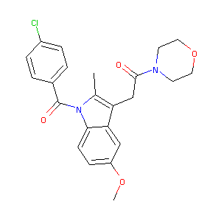 | CHEMBL72631 | COc1ccc2c(c1)c(CC(=O)N3CCOCC3)c(C)n2C(=O)c4ccc(Cl)cc4 | 0.43157894737 | 2.2624660689 | 0.63783177907 | 6 | 60.77 | 3.70152 | 426.9 | 0 | 0
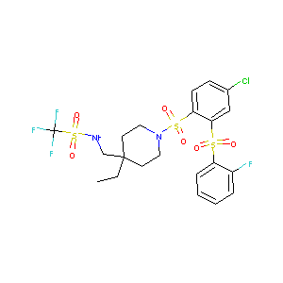 | CHEMBL596388 | CCC1(CNS(=O)(=O)C(F)(F)F)CCN(CC1)S(=O)(=O)c2ccc(Cl)cc2S(=O)(=O)c3ccccc3F | 0.33333333333 | 3.003339602 | 0.45516899502 | 0 | 117.69 | 3.932 | 607.069 | 0 | 0
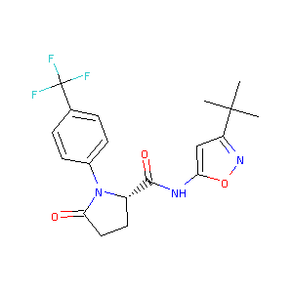 | CHEMBL3353881 | CC(C)(C)c1cc(NC(=O)[C@@H]2CCC(=O)N2c3ccc(cc3)C(F)(F)F)on1 | 0.30357142857 | 3.0866577816 | 0.84818479586 | 5 | 75.44 | 4.125 | 395.381 | 0 | 0
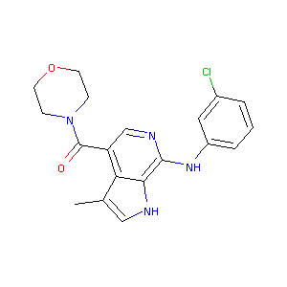 | CHEMBL567911 | Cc1c[nH]c2c(Nc3cccc(Cl)c3)ncc(C(=O)N4CCOCC4)c12 | 0.35849056604 | 2.4886621048 | 0.73640843488 | 1 | 70.25 | 3.74072 | 370.84 | 0 | 0
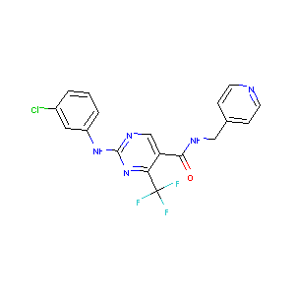 | CHEMBL375955 | FC(F)(F)c1nc(Nc2cccc(Cl)c2)ncc1C(=O)NCc3ccncc3 | 0.32110091743 | 2.3257685963 | 0.66171011365 | 32 | 79.8 | 4.2174 | 407.783 | 0 | 0
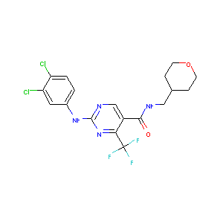 | CHEMBL389408 | FC(F)(F)c1nc(Nc2ccc(Cl)c(Cl)c2)ncc1C(=O)NCC3CCOCC3 | 0.34285714286 | 2.5207931266 | 0.69234068639 | 25 | 76.14 | 4.7022 | 449.26 | 0 | 0
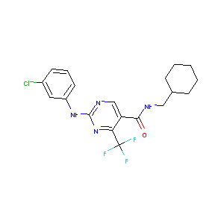 | CHEMBL226067 | FC(F)(F)c1nc(Nc2cccc(Cl)c2)ncc1C(=O)NCC3CCCCC3 | 0.33944954128 | 2.3595462009 | 0.70767779866 | 19 | 66.91 | 5.2025 | 412.843 | 0 | 0
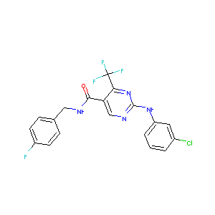 | CHEMBL389908 | Fc1ccc(CNC(=O)c2cnc(Nc3cccc(Cl)c3)nc2C(F)(F)F)cc1 | 0.33333333333 | 2.22192646 | 0.56794534525 | 28 | 66.91 | 4.9615 | 424.785 | 0 | 0
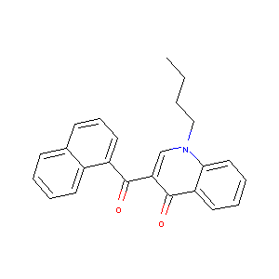 | CHEMBL235698 | CCCCN1C=C(C(=O)c2cccc3ccccc23)C(=O)c4ccccc14 | 0.40229885057 | 2.0300052518 | 0.4624245389 | 2 | 39.07 | 5.1858 | 355.437 | 0 | 0
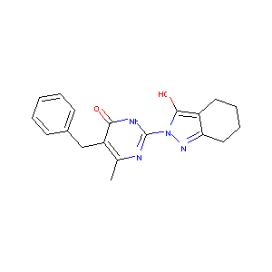 | CHEMBL1452116 | CC1=C(Cc2ccccc2)C(=O)NC(=N1)n3nc4CCCCc4c3O | 0.41860465116 | 2.7670858516 | 0.76932525568 | 30 | 83.8 | 2.43922 | 336.395 | 0 | 0
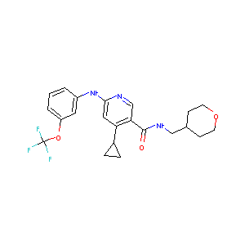 | CHEMBL520413 | FC(F)(F)Oc1cccc(Nc2cc(C3CC3)c(cn2)C(=O)NCC4CCOCC4)c1 | 0.29133858268 | 2.6041708365 | 0.65635213321 | 33 | 72.48 | 4.7576 | 435.446 | 0 | 0
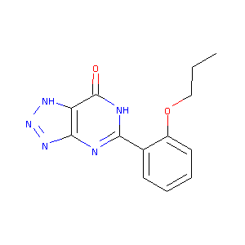 | CHEMBL28079 | CCCOc1ccccc1C2=Nc3nn[nH]c3C(=O)N2 | 0.28571428571 | 2.7149492171 | 0.74910266926 | 31 | 96.55 | 1.497 | 271.28 | 0 | 0
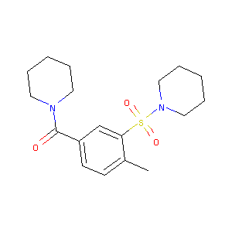 | CHEMBL253059 | Cc1ccc(cc1S(=O)(=O)N2CCCCC2)C(=O)N3CCCCC3 | 0.38709677419 | 1.9085839352 | 0.84215697284 | 23 | 57.69 | 2.79572 | 350.484 | 0 | 0
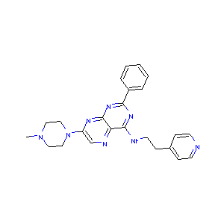 | CHEMBL3974874 | CN1CCN(CC1)c2cnc3c(NCCc4ccncc4)nc(nc3n2)c5ccccc5 | 0.37373737374 | 2.5339523497 | 0.50398251277 | 22 | 82.96 | 2.8882 | 426.528 | 0 | 0
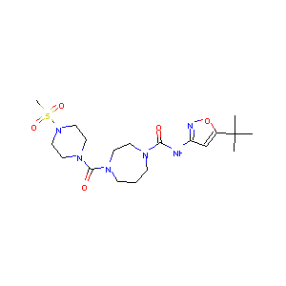 | CHEMBL1762430 | CC(C)(C)c1onc(NC(=O)N2CCCN(CC2)C(=O)N3CCN(CC3)S(=O)(=O)C)c1 | 0.26495726496 | 2.6416816222 | 0.7143945731 | 18 | 119.3 | 1.2089 | 456.569 | 0 | 0
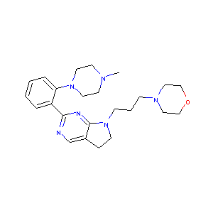 | CHEMBL3357067 | CN1CCN(CC1)c2ccccc2c3ncc4CCN(CCCN5CCOCC5)c4n3 | 0.36448598131 | 2.6128603926 | 0.70548834036 | 29 | 47.97 | 1.9802 | 422.577 | 0 | 0
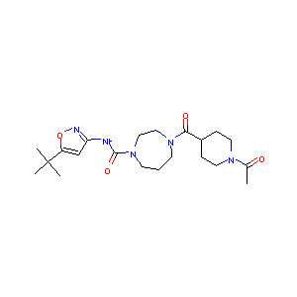 | CHEMBL1762423 | CC(=O)N1CCC(CC1)C(=O)N2CCCN(CC2)C(=O)Nc3cc(on3)C(C)(C)C | 0.29661016949 | 2.500473662 | 0.79298940323 | 17 | 98.99 | 2.2968 | 419.526 | 0 | 0
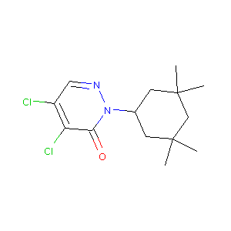 | CHEMBL3696821 | CC1(C)CC(CC(C)(C)C1)N2N=CC(=C(Cl)C2=O)Cl | 0.34615384615 | 2.9128892512 | 0.77378978653 | 24 | 34.89 | 4.3275 | 303.233 | 0 | 0
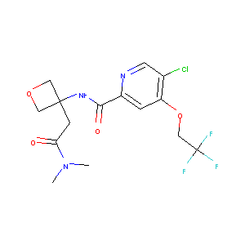 | CHEMBL3968008 | CN(C)C(=O)CC1(COC1)NC(=O)c2cc(OCC(F)(F)F)c(Cl)cn2 | 0.27 | 3.0283151082 | 0.7919056005 | 15 | 80.76 | 1.6532 | 395.765 | 0 | 0
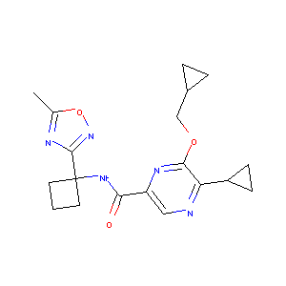 | CHEMBL3908287 | Cc1onc(n1)C2(CCC2)NC(=O)c3cnc(C4CC4)c(OCC5CC5)n3 | 0.2962962963 | 3.0475626015 | 0.79997996024 | 16 | 103.03 | 2.64342 | 369.425 | 0 | 0
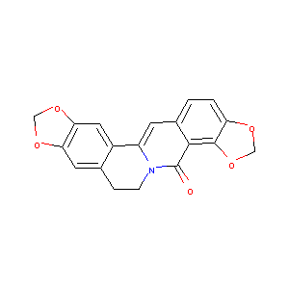 | CHEMBL3612189 | O=C1N2CCc3cc4OCOc4cc3C2=Cc5ccc6OCOc6c15 | 0.29591836735 | 2.7724655813 | 0.63210286685 | 21 | 58.92 | 2.682 | 335.315 | 0 | 0
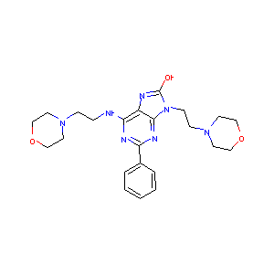 | CHEMBL3961869 | Oc1nc2c(NCCN3CCOCC3)nc(nc2n1CCN4CCOCC4)c5ccccc5 | 0.39830508475 | 2.6948372777 | 0.52221714762 | 27 | 100.8 | 1.2752 | 453.547 | 0 | 0
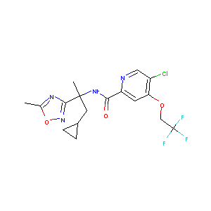 | CHEMBL3981363 | Cc1onc(n1)C(C)(CC2CC2)NC(=O)c3cc(OCC(F)(F)F)c(Cl)cn3 | 0.27272727273 | 3.6077723565 | 0.7348856131 | 13 | 90.14 | 3.81282 | 418.803 | 0 | 0
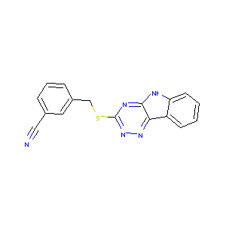 | CHEMBL3353805 | N#Cc1cccc(CSc2nnc3c4ccccc4[nH]c3n2)c1 | 0.31111111111 | 2.3727196372 | 0.58325319825 | 8 | 78.25 | 3.67008 | 317.377 | 0 | 0
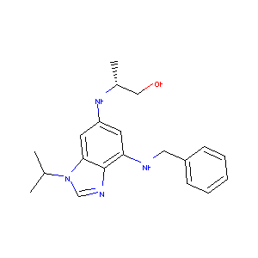 | CHEMBL1434767 | C[C@H](CO)Nc1cc(NCc2ccccc2)c3ncn(C(C)C)c3c1 | 0.37234042553 | 2.868545423 | 0.60872709293 | 11 | 62.11 | 4.022 | 338.455 | 0 | 0
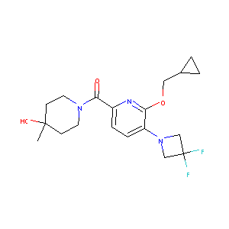 | CHEMBL3977561 | CC1(O)CCN(CC1)C(=O)c2ccc(N3CC(F)(F)C3)c(OCC4CC4)n2 | 0.26548672566 | 2.9766702446 | 0.84800134226 | 7 | 65.9 | 2.3127 | 381.423 | 0 | 0
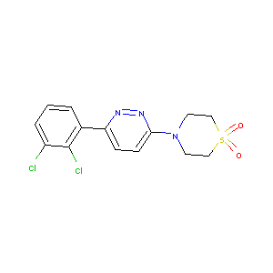 | CHEMBL608700 | Clc1cccc(c1Cl)c2ccc(nn2)N3CCS(=O)(=O)CC3 | 0.2962962963 | 2.4876940768 | 0.82606703775 | 26 | 63.16 | 2.6852 | 358.25 | 0 | 0
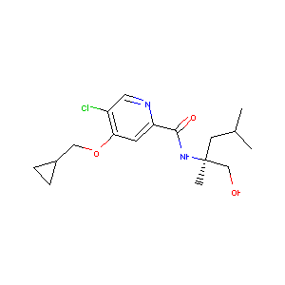 | CHEMBL3910666 | CC(C)C[C@@](C)(CO)NC(=O)c1cc(OCC2CC2)c(Cl)cn1 | 0.25925925926 | 3.2092068637 | 0.76261448034 | 20 | 71.45 | 3.0507 | 340.851 | 0 | 0
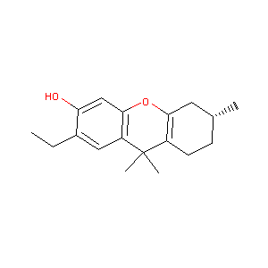 | CHEMBL3329479 | CCc1cc2c(OC3=C(CC[C@@H](C)C3)C2(C)C)cc1O | 0.30120481928 | 3.5026952299 | 0.80269111184 | 3 | 29.46 | 4.6987 | 272.388 | 0 | 0
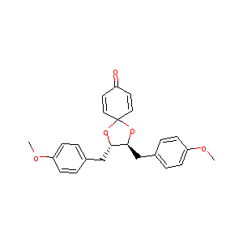 | CHEMBL1734503 | COc1ccc(C[C@@H]2OC3(O[C@H]2Cc4ccc(OC)cc4)C=CC(=O)C=C3)cc1 | 0.36956521739 | 3.8775232462 | 0.75094956685 | 10 | 53.99 | 3.6644 | 392.451 | 0 | 0
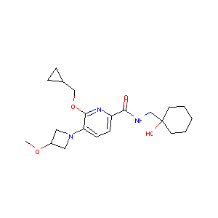 | CHEMBL3582016 | COC1CN(C1)c2ccc(nc2OCC3CC3)C(=O)NCC4(O)CCCCC4 | 0.29906542056 | 2.7944240977 | 0.70867117088 | 14 | 83.92 | 2.1304 | 389.496 | 0 | 0
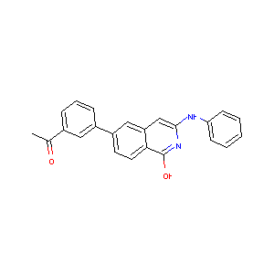 | CHEMBL1700040 | CC(=O)c1cccc(c1)c2ccc3c(O)nc(Nc4ccccc4)cc3c2 | 0.3625 | 2.2108697488 | 0.47146092594 | 9 | 62.22 | 5.5536 | 354.409 | 0 | 0
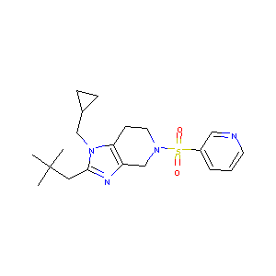 | CHEMBL558932 | CC(C)(C)Cc1nc2CN(CCc2n1CC3CC3)S(=O)(=O)c4cccnc4 | 0.28828828829 | 2.8538004234 | 0.78952500236 | 12 | 68.09 | 3.0237 | 388.537 | 0 | 0
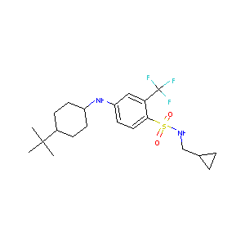 | CHEMBL3929652 | CC(C)(C)C1CCC(CC1)Nc2ccc(c(c2)C(F)(F)F)S(=O)(=O)NCC3CC3 | 0.27 | 2.5502607795 | 0.6318753687 | 4 | 58.2 | 5.4105 | 432.552 | 0 | 0

