Show Hide File Extensions
PC

Mac

Mac Show/Hide Filename Extensions
https://support.apple.com/guide/mac-help/show-or-hide-filename-extensions-on-mac-mchlp2304/mac

Grade Worksheet for you
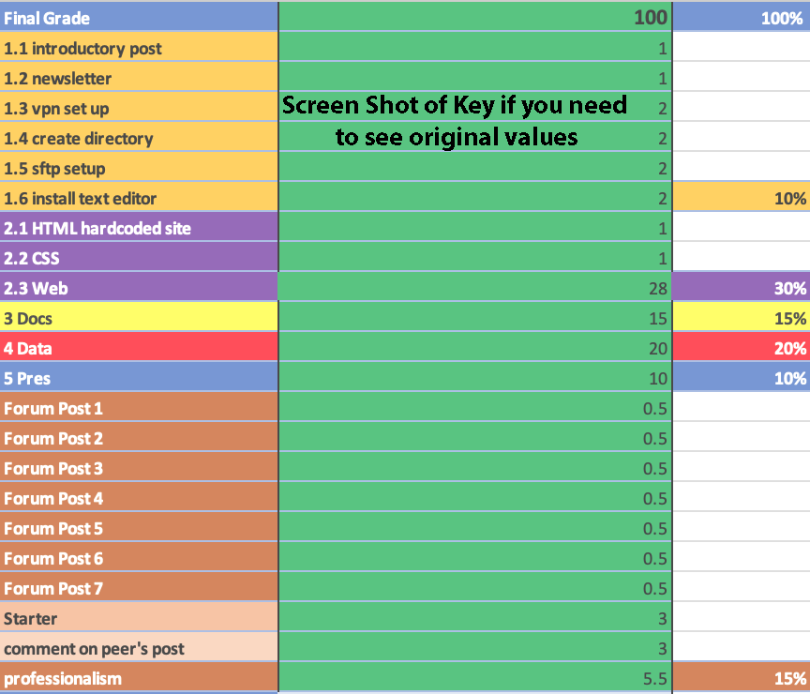
Be sure to do all your value added assignments to assure earning the mastery level grade.
Class is easy if you do the work.
Final Grade | 100 | 100%
1.1 introductory post | 1 |  | 95> | Mastery of course content at the highest level of attainment that can reasonably be expected | A
1.2 newsletter | 1 |  | 92-94 | A totally acceptable performance | A-
1.3 vpn set up | 2 |  | 87-91 | demonstrating an adequate level of attainment | B+
1.4 create directory | 2 |  | 83-86 |  | B
1.5 sftp setup | 2 |  | 80-82 |  | B-
1.6 install text editor | 2 | 10% | 77-79 | A marginal performance in the required exercises | C+
2.1 HTML hardcoded site | 1 |  | 73-76 | demonstrating a minimal passing level | C
2.2 CSS | 1 |  | 70-72 |  | C-
2.3 Web | 28 | 30% | 67-69 |  | D+
3 Docs | 15 | 15% | 60-66 |  | D
4 Data | 20 | 20% | <60 | For whatever reasons, an unacceptable performance | F
5 Pres | 10 | 10%
Forum Post 1 | 0.5
Forum Post 2 | 0.5
Forum Post 3 | 0.5
Forum Post 4 | 0.5
Forum Post 5 | 0.5
Forum Post 6 | 0.5
Forum Post 7 | 0.5
Starter | 3 | You get full points for just doing it!
comment on peer's post | 3
professionalism | 5.5 | 15%

Opal Directory
 | the opal server: | https://opal.ils.unc.edu/
 | tilde symbol indicates your home (user) directory: | ~ | (this is a tilde. It can be found on the keyboard left of the 1. You must shift to access it.)
 | Enter your onyen here: | onyen

 | Your webspace is the following: | https://opal.ils.unc.edu/~onyen |  | <<< Hover over F5 to see note

You must wait patiently until the system administrator sets up your space (user account not created yet): |  |  |  | This means you have a user account, but you have not set permissions yet.
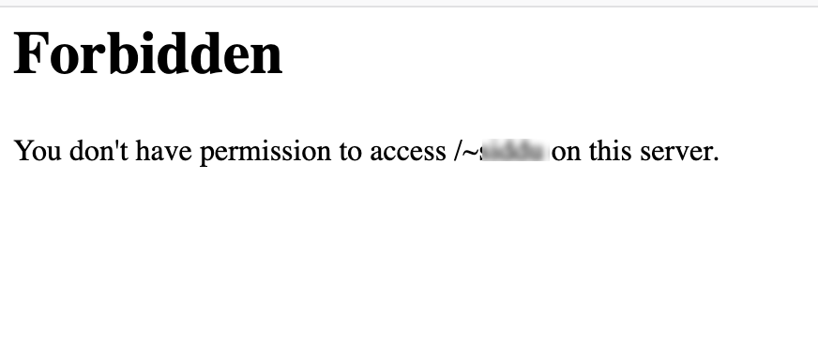

Link: https://www.howtogeek.com/329573/why-does-represent-the-home-folder-on-macos-and-linux/

