Lesson Sheet
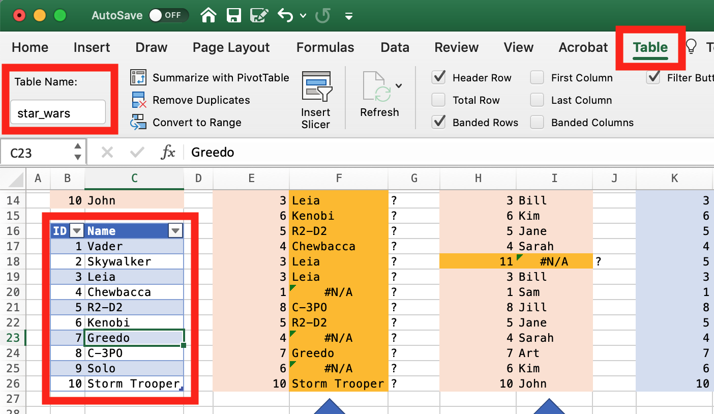
VLOOKUP EXAMPLES

S_ID | Student Name
1 | Sam | Students (Relative) |  |  | Students (Absolute) |  |  | star_wars (named table)
2 | Jeff | S_ID | Name |  | S_ID | Name |  | SW_ID | Name
3 | Bill | 8 |  |  | 8 |  |  | 1
4 | Sarah | 4 |  |  | 4 |  |  | 2
5 | Jane | 3 |  |  | 3 |  |  | 3
6 | Kim | 5 |  |  | 5 |  |  | 5
7 | Art | 7 |  |  | 7 |  |  | 7
8 | Jill | 6 |  |  | 6 |  |  | 6
9 | Cam | 4 |  | ? | 4 |  |  | 4
10 | John | 3 |  | ? | 3 |  |  | 3
 |  | 6 |  | ? | 6 |  |  | 6
SW-ID | Name | 5 |  | ? | 5 |  |  | 5
1 | Vader | 4 |  | ? | 4 |  |  | 4
2 | Skywalker | 3 |  | ? | 4 |  | ? | 5
3 | Leia | 3 |  | ? | 3 |  |  | 3
4 | Chewbacca | 1 |  | ? | 1 |  |  | 1
5 | R2-D2 | 8 |  | ? | 8 |  |  | 8
6 | Kenobi | 5 |  | ? | 5 |  |  | 5
7 | Greedo | 4 |  | ? | 4 |  |  | 4
8 | C-3PO | 7 |  | ? | 7 |  |  | 7
9 | Solo | 6 |  | ? | 6 |  |  | 6
10 | Storm Trooper | 10 |  | ? | 10 |  |  | 10

=VLOOKUP(E26,B24:C33,2,FALSE)
=VLOOKUP(H26,$B$5:$C$14,2,FALSE)
=VLOOKUP(K26,star_wars,2,FALSE)

