English-Speaking
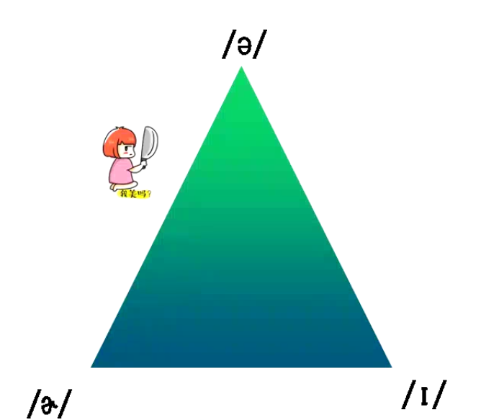

Stress Position on 2 Syllable Verbs

1st Syllable | 28 | 1st Syllable | 23
2nd Syllable | 72 | 2nd Syllable | 62
 |  | 3rd syllable | 15

Stress Position on 3 Syllable verbs

肢体动作 | 55
语调 | 38
内容 | 7

