Bushing_ASME 16.11
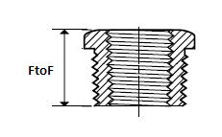

DN | NPS | END TYPE 1 | END TYPE 2 | F TO F | CODE
15 | 0.5 | MTE | FTE | 19mm | ASME B16.11 (HEX.BUSHING)
20 | 0.75 | MTE | FTE | 22mm | ASME B16.11 (HEX.BUSHING)
25 | 1 | MTE | FTE | 25mm | ASME B16.11 (HEX.BUSHING)
32 | 1.25 | MTE | FTE | 28mm | ASME B16.11 (HEX.BUSHING)
40 | 1.5 | MTE | FTE | 29mm | ASME B16.11 (HEX.BUSHING)
50 | 2 | MTE | FTE | 31mm | ASME B16.11 (HEX.BUSHING)
65 | 2.5 | MTE | FTE | 37mm | ASME B16.11 (HEX.BUSHING)
80 | 3 | MTE | FTE | 38mm | ASME B16.11 (HEX.BUSHING)
100 | 4 | MTE | FTE | 45mm | ASME B16.11 (HEX.BUSHING)

