Plug_B16.11
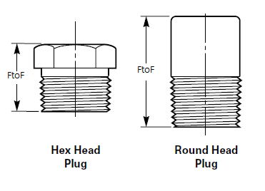

DN | NPS | END TYPE | F TO F | CODE | REMARK
15 | 0.5 | MTE | 22mm | ASME B16.11 | Hex Head
20 | 0.75 | MTE | 26mm | ASME B16.11 | Hex Head
25 | 1 | MTE | 29mm | ASME B16.11 | Hex Head
32 | 1.25 | MTE | 35mm | ASME B16.11 | Hex Head
40 | 1.5 | MTE | 37mm | ASME B16.11 | Hex Head
50 | 2 | MTE | 40mm | ASME B16.11 | Hex Head
65 | 2.5 | MTE | 46mm | ASME B16.11 | Hex Head
80 | 3 | MTE | 49mm | ASME B16.11 | Hex Head
100 | 4 | MTE | 57mm | ASME B16.11 | Hex Head
15 | 0.5 | MTE | 44mm | ASME B16.11 | Round Head
20 | 0.75 | MTE | 44mm | ASME B16.11 | Round Head
25 | 1 | MTE | 51mm | ASME B16.11 | Round Head
32 | 1.25 | MTE | 51mm | ASME B16.11 | Round Head
40 | 1.5 | MTE | 51mm | ASME B16.11 | Round Head
50 | 2 | MTE | 64mm | ASME B16.11 | Round Head
65 | 2.5 | MTE | 70mm | ASME B16.11 | Round Head
80 | 3 | MTE | 70mm | ASME B16.11 | Round Head
100 | 4 | MTE | 76mm | ASME B16.11 | Round Head

