Bug reports
ID | Title | Steps to Reproduce | Expected Result | Actual Result | Issue Tipe | Severity | Attachment
1 | "GUEST REWARDS" menu item not translated after switching to Spanish | 1. Open https://www... 2. Click on language dropdown menu 3. Select "Español" | "GUEST REWARDS" menu item is translated to Spanish | "GUEST REWARDS" menu item is not translated to Spanish | Content | Low | 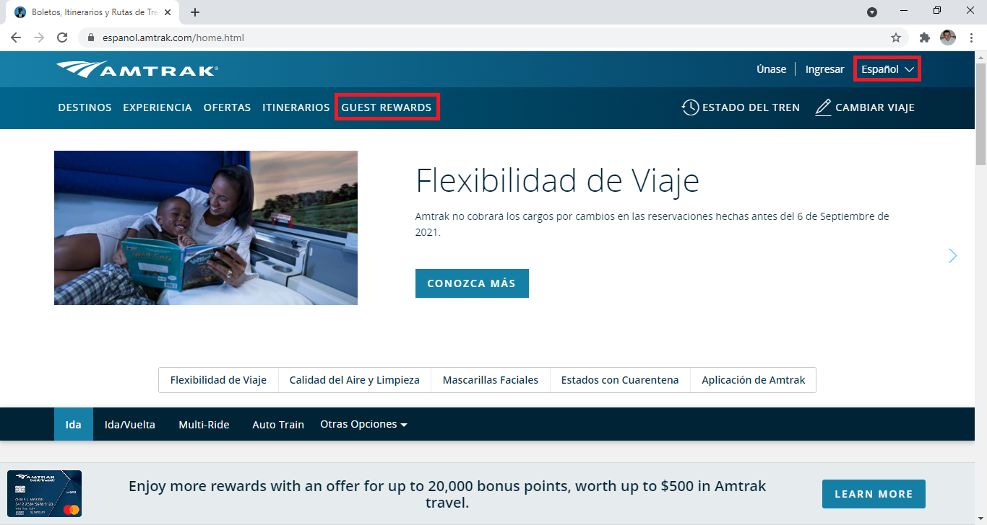 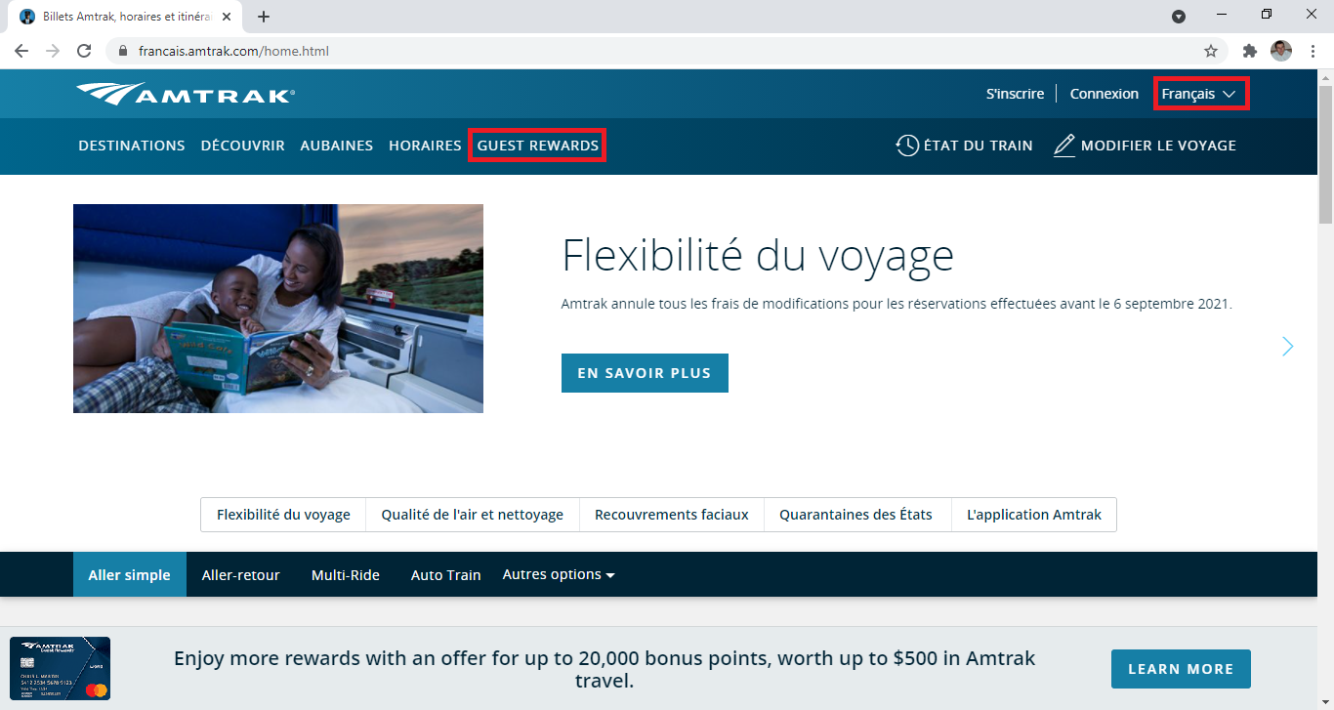 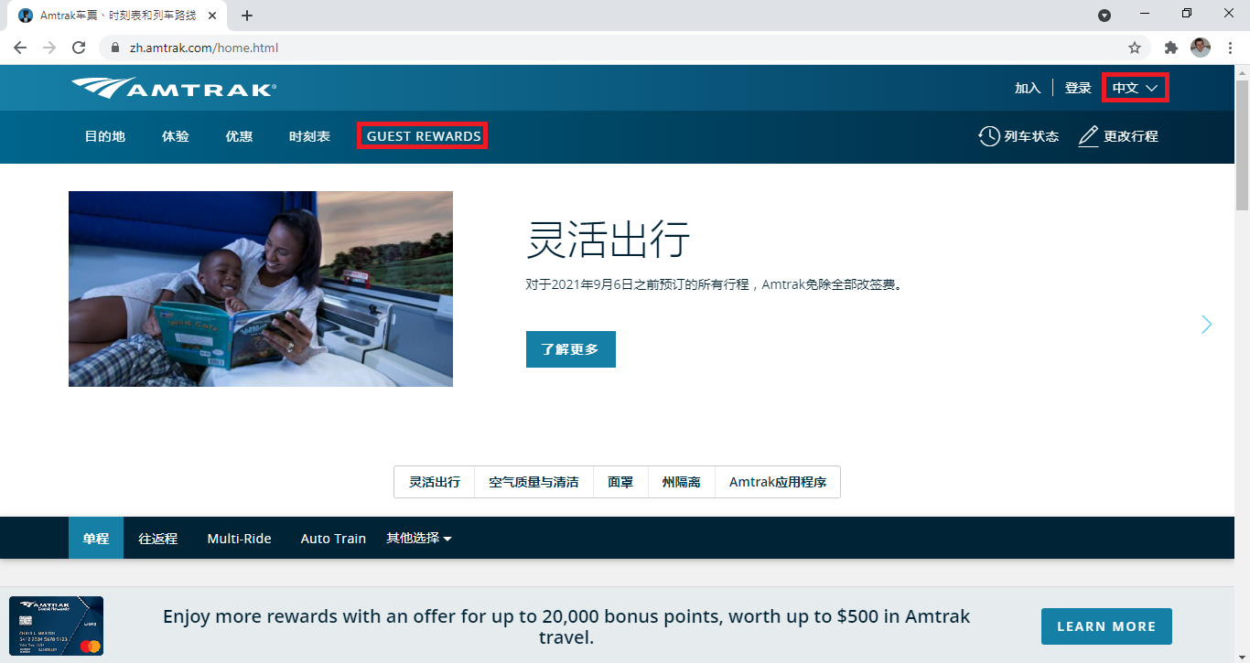
2 | "GUEST REWARDS" menu item not translated after switching to French | 1. Open https://www... 2. Click on language dropdown menu 3. Select "Français" | "GUEST REWARDS" menu item is translated to French | "GUEST REWARDS" menu item is not translated to French | Content | Low
3 | "GUEST REWARDS" menu item not translated after switching to Chinese | 1. Open https://www... 2. Click on language dropdown menu 3. Select "中文 " | "GUEST REWARDS" menu item is translated to Chinese | "GUEST REWARDS" menu item is not translated to Chinese | Content | Low
4 | Search field is missing after language changing to Spanish | 1. Open https://www... 2. Click on language dropdown menu 3. Select "Español" | Search field is shown after language changing to Spanish | Search field is missing | Visual | Medium | 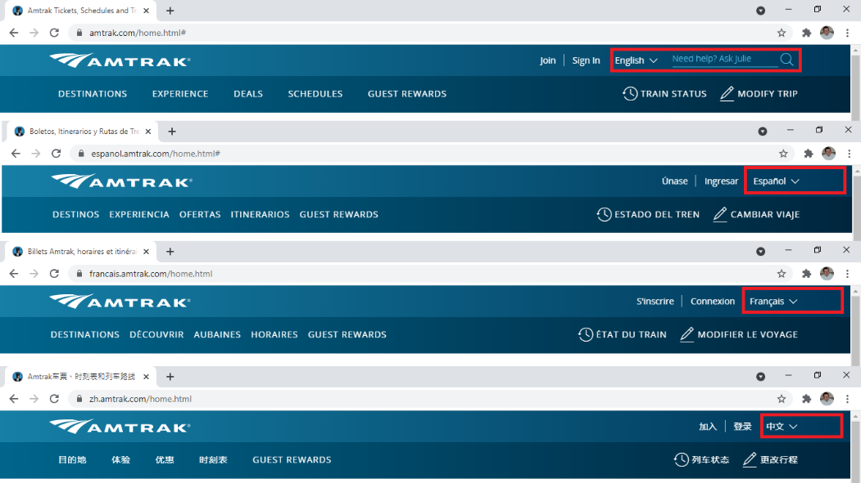
5 | Search field is missing after language changing to French | 1. Open https://www... 2. Click on language dropdown menu 3. Select "Français" | Search field is shown after language changing to French | Search field is missing | Visual | Medium
6 | Search field is missing after language changing to Chinese | 1. Open https://www... 2. Click on language dropdown menu 3. Select "中文" | Search field is shown after language changing to Chinese | Search field is missing | Visual | Medium
7 | "Multi-Ride" menu item not translated after switching to Spanish | 1. Open https://www... 2. Click on language dropdown menu 3. Select "Español" | "Multi-Ride" menu item is translated to Spanish | "Multi-Ride" menu item is not translated to Spanish | Content | Low | 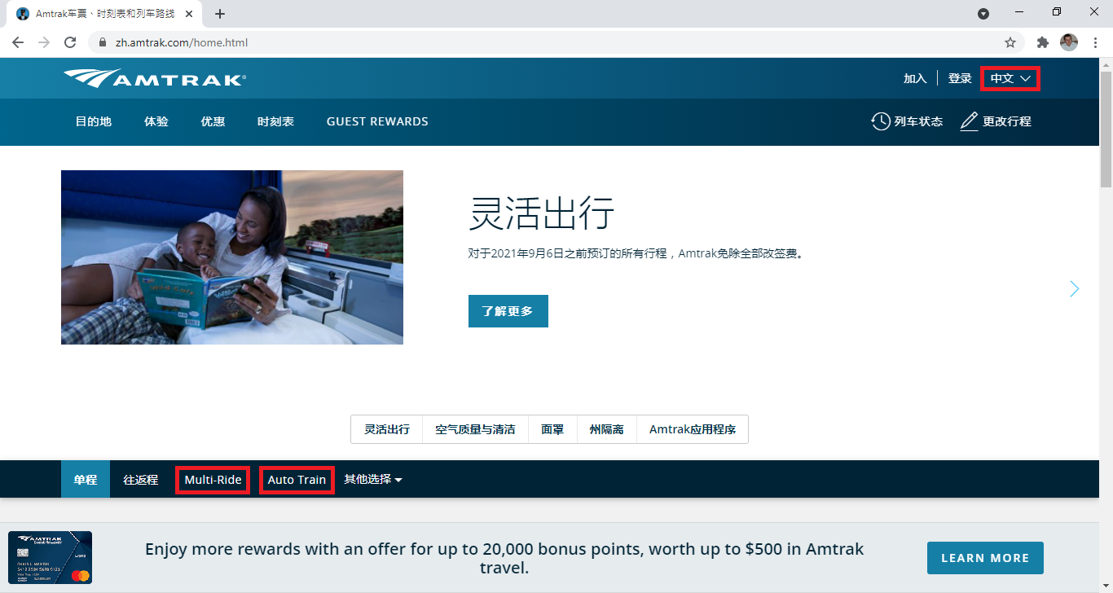
8 | "Multi-Ride" menu item not translated after switching to French | 1. Open https://www... 2. Click on language dropdown menu 3. Select "Français" | "Multi-Ride" menu item is translated to French | "Multi-Ride" menu item is not translated to French | Content | Low
9 | "Multi-Ride" menu item not translated after switching to Chinese | 1. Open https://www... 2. Click on language dropdown menu 3. Select "中文" | "Multi-Ride" menu item is translated to Chinese | "Multi-Ride" menu item is not translated to Chinese | Content | Low
10 | "Auto-Train" menu item not translated after switching to Spanish | 1. Open https://www... 2. Click on language dropdown menu 3. Select "Español" | "Auto-Train" menu item is translated to Spanish | "Auto-Train" menu item is not translated to Spanish | Content | Low
11 | "Auto-Train" menu item not translated after switching to French | 1. Open https://www... 2. Click on language dropdown menu 3. Select "Français" | "Auto-Train" menu item is translated to French | "Auto-Train" menu item is not translated to French | Content | Low
12 | "Auto-Train" menu item not translated after switching to Chinese | 1. Open https://www... 2. Click on language dropdown menu 3. Select "中文" | "Auto-Train" menu item is translated to Chinese | "Auto-Train" menu item is not translated to Chinese | Content | Low
13 | Infinity loader is shown if user try to "Join" when Spanish language is selected | 1. Open https://www... 2. Click on language dropdown menu 3. Select "Español" 4. Select "Únase" | User can Join to the system if Spanish language is selected | Infinity loader is shown | Performance | HighHi
14 | Infinity loader is shown if user try to "Join" when French language is selected | 1. Open https://www... 2. Click on language dropdown menu 3. Select "Français" 4. Select "S'inscrire" | User can Join to the system if French language is selected | Infinity loader is shown | Performance | HighHi
15 | Infinity loader is shown if user try to "Join" when Chinese language is selected | 1. Open https://www... 2. Click on language dropdown menu 3. Select "Español" 4. Select "加入" | User can Join to the system if Chinese language is selected | Infinity loader is shown | Performance | HighHi
16 | Infinity loader is shown if user try to "Sign in" when Spanish language is selected | 1. Open https://www... 2. Click on language dropdown menu 3. Select "Español" 4. Select Ingresar" | User can Sign in to the system if Spanish language is selected | Infinity loader is shown | Performance | HighHi
17 | Infinity loader is shown if user try to "Sign in" when French language is selected | 1. Open https://www... 2. Click on language dropdown menu 3. Select "Français" 4. Select "Connexion" | User can Sign in to the system if French language is selected | Infinity loader is shown | Performance | HighHi
18 | Infinity loader is shown if user try to "Sign in" when Chinese language is selected | 1. Open https://www... 2. Click on language dropdown menu 3. Select "中文" 4. Select "登录" | User can Sign in to the system if Chinese language is selected | Infinity loader is shown | Performance | High
19 | Error message is shown after "OPT IT NOW" button was selected inside the registration email | 1. Open https://www... 2. Click on "Join" 3. Fill in all required fields in the registration form 4. Select "Join" button 5. Open the email received after registration 7. Click on "OPT IN NOW" | "subscribed" message is shown | "We're sorry. We were unable to opt you into emails right now. Please try again later." error message is shown | Functional | Medium | 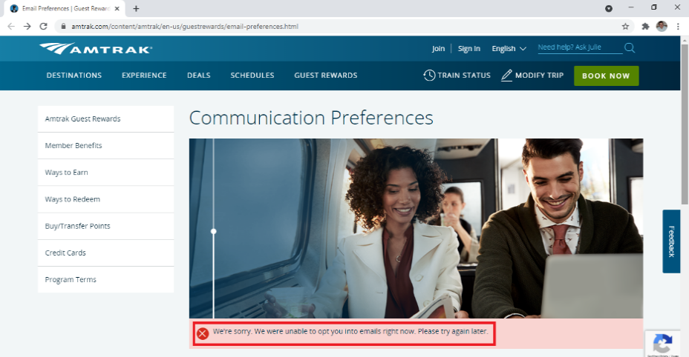
20 | Error message is shown if "SCHEDULE" tool was used | 1. Open https://www... 2. Click on "SCHEDULE" 3. Fil in "From", "To" and select "Depart" day 4. Select "FIND SCHEDULE" button | The train schedule is shown | "We are unable to complete your request at this time. Please try again by going to Amtrak.com. If you continue to have problems, call 1-800-USA-RAIL for assistance. Reference # 0.94641102.1619358594.d58162b" error message is shown | Functional | Medium | 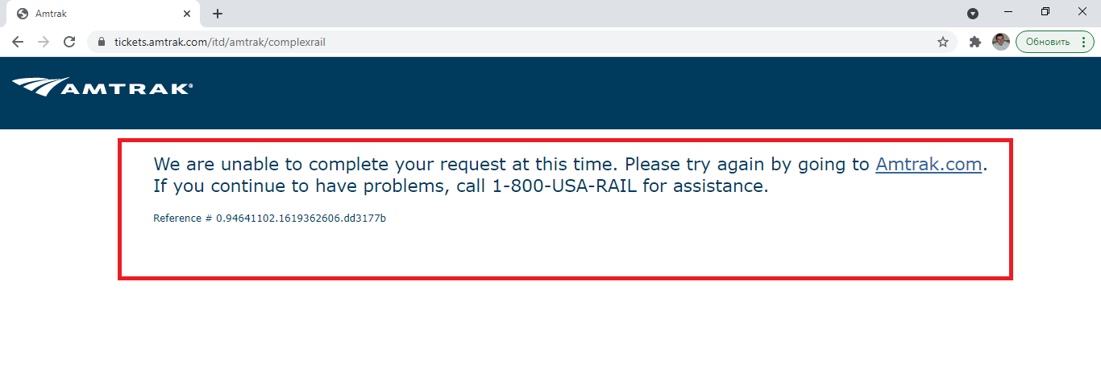
21 | Error message is shown when "Multi-Citi" menu item is selected from "Other Options" dropdown menu | 1. Open https://www... 2. Click on "Other Options" dropdown menu 3. Select "Multi-City" menu item | "Multi-City" page is open | "We are unable to complete your request at this time. Please try again by going to Amtrak.com. If you continue to have problems, call 1-800-USA-RAIL for assistance. Reference # 0.94641102.1619358594.d58162b" error message is shown | Functional | Medium
22 | Error message is shown when "Group Travel" menu item is selected from "Other Options" dropdown menu | 1. Open https://www... 2. Click on "Group Travel" dropdown menu 3. Select "Multi-City" menu item | "Group Travel" page is open | "We are unable to complete your request at this time. Please try again by going to Amtrak.com. If you continue to have problems, call 1-800-USA-RAIL for assistance. Reference # 0.94641102.1619358594.d58162b" error message is shown | Functional | Medium
23 | Pop-up error message is shown when "No Checked Baggage" option is selected in "Details" on "Train Options and Accommodations" page | 1. Open https://www... 2. Scrolled down to Find Trains widget. 3. Type "Los Angeles, CA - Union Station (LAX)" into the "From" field. 4. Type "San Francisco, CA (SFC)" into the "To" field 5. Click on "Depart Date" and selected 28 April 2020, select "Done button 6. Select "FIND TRAINS" button 7. In the first result select "Details" dropdown list 8. Click on the "No Checked Baggage" icon | Info Pop-up window about "No Checked Baggage" option for this service. | "Oops. We can't seem to find the page you're looking for" error message is shown in "No Checked Baggage" pop-up window | Functional | Low | 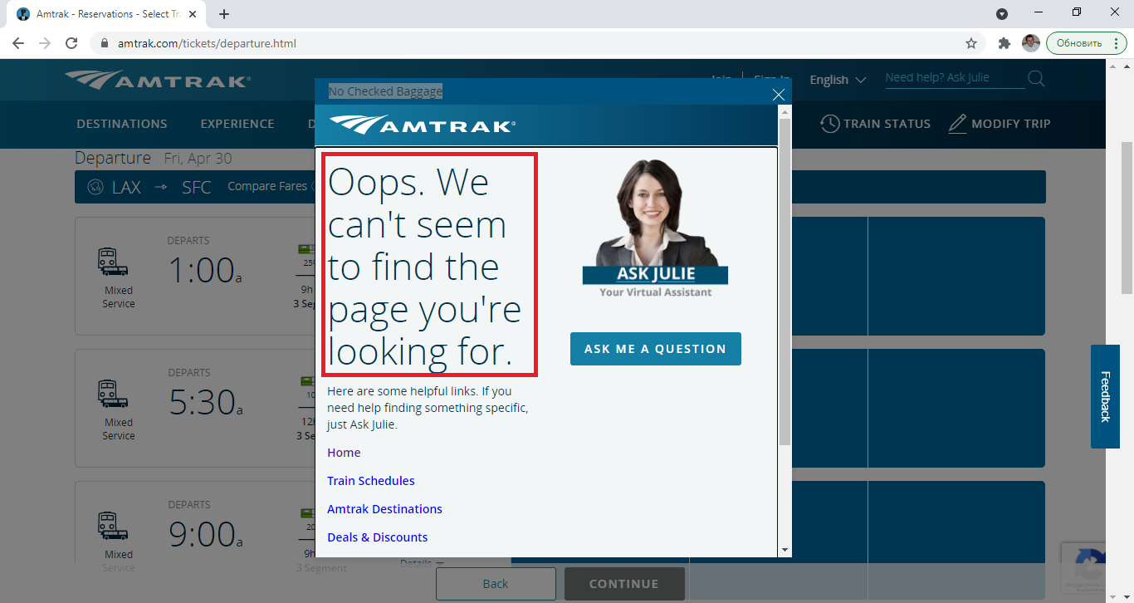
24 | "Previous"/"Next" slider navigation buttons is missing on the "Auto Train" page | 1. Open https://www... 2. Select "Auto Train" menu item | "Previous"/"Next" slider navigation buttons is shown | "Previous"/"Next" slider navigation buttons is missing | Functional | Low | 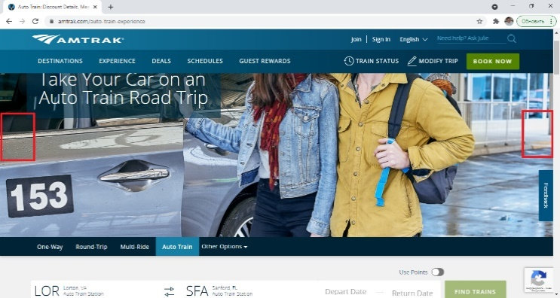
25 | Error message is shown when "Sign Up for Delay Alerts" menu item was selected on the homepage | 1. Open https://www... 2. Scroll down to the footer 3. Select "Sign Up for Delay Alerts" menu item | "Sign Up for Delay Alerts" page opens | Error message is shown | Functional | Medium
26 | "Return Date" field name is misaligned vertically on the "Find Trains" widget | 1. Open https://www... 2. Select "One Way" menu item | Return Date" field name is centered vertically | Return Date" field name is misaligned vertically | Visual | Low | 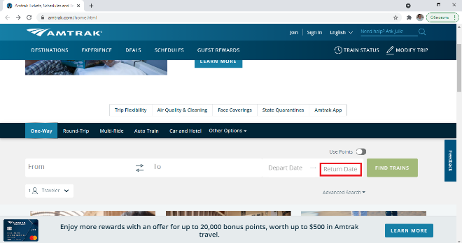
27 | Error message is shown after click on "SEND" button in "Refer friends to Amtrak Guest Rewards" | 1. Open https://www... 2. Login to profile 3. Click on your account icon 4. Click on "My account overview" 5. Click on "My Promotions" 6. Click on "Refer a Friend..." 7. Write an email "zagrollson@gmail.com" 8. Click on "SEND" button | The referral link will be sent to the "agrollson@gmail.com" emale address | "Something went wrong." error message is showm | Functional | Medium | 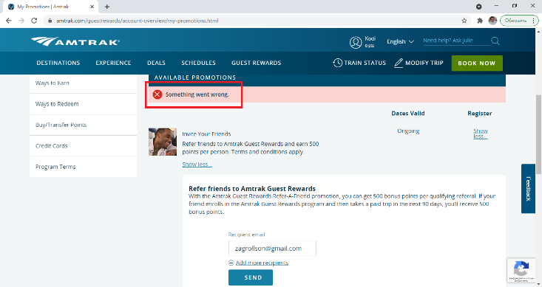
28 | "404 Page Not Found" error shown after "Private Sleeper Sale" was selected on "Everyday Discounts" page | 1. Open https://www... 2. Click on "Deals" menu item 3. Select "Everyday Discounts" 4. Scroll down to "Private Sleeper Sale" 5. Select "Learn More" | A new page with discount information opens. | "404 Page Not Found" error shown | Functional | Medium | 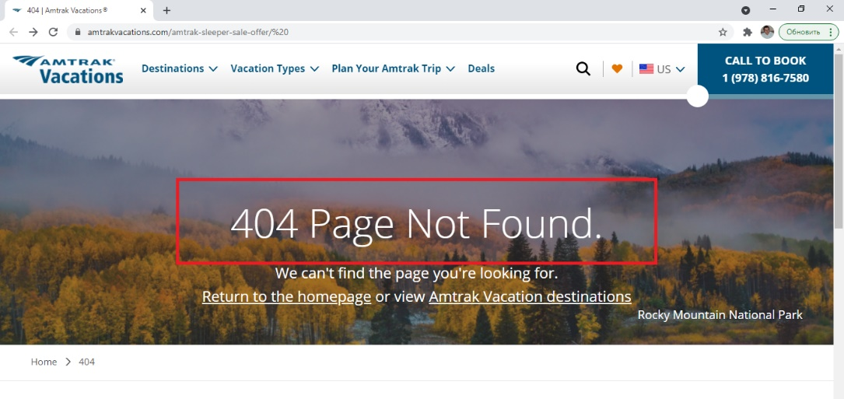
29 | 403 Page error shown after "2000s" was selected on "Amtrak's 50th Anniversary" page | 1. Open https://www... 2. Scroll down to the page footer 3. Select "About amtrak" 4. Click on "Amtrak's 50th Anniversary" in the right navigation menu 5. Select 2000s image | A page with a description of the company in the specified years opens | Page with "Internal error (no Exception to report) RequestURI=/content/amtrak/en-us/about-amtrak/50th-anniversary/amtrak-history-2000s/ Servlet= org.apache.sling.servlets.get.DefaultGetServlet Apache Sling" error message shown | Functional | Critical
30 | "Booking Your Trip" images are not loading on "Tickets & Reservations" page | 1. Open https://www... 2. Click on "EXPERIENCE" menu 3.Select "Before you go" 4. Click on "Tickets & Reservations" in the right navigation menu | Images is shown | Images are not shown | Visual | Low | 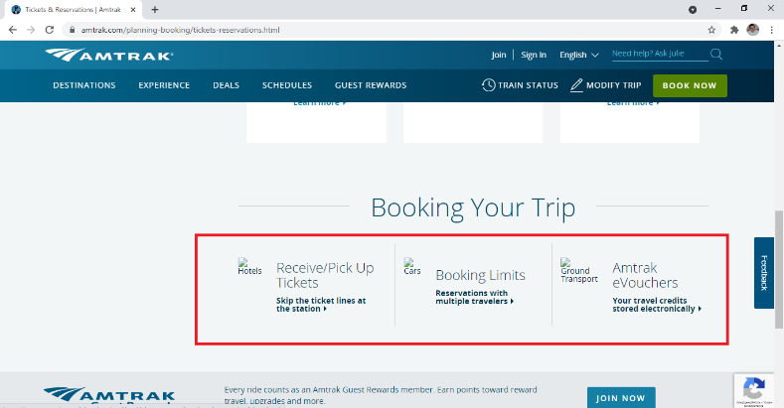
31 | Content is missing at "Deals & Promotions" page of "Start Planning Today" section | 1. Open https://www... 2. Scroll down to the page footer 3.Select "Discover America" 4. Scroll down to "Start Planning Today" 5. Select "Deals & Promotions" | Content is shown | Content is missing | Visual | Medium | 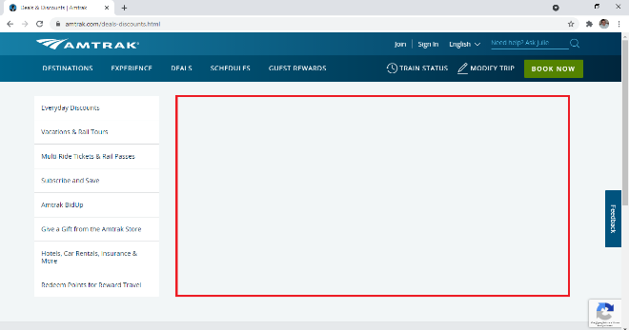
32 | Error message is shown if double name use in "First Name" field at the registration form | 1. Open https://www... 2. Select "Join" 3. Tipe "Arthur-Milles" (double name) in the "First Name" field 4. Fill in other required fields 5. Select "Join" button | New account created | "Something wrong with our System. Please try again" error message | Functional | High | 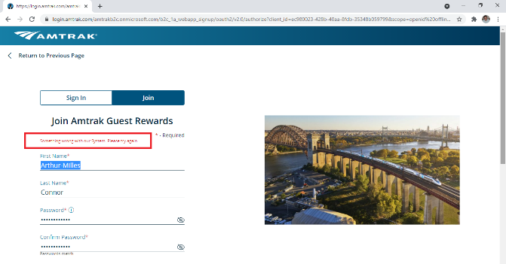
33 | No any special deals shown if location region was changed on "Deals&Promotion" page | 1. Open https://www... 2. Click on "Deals" menu item 3. Select "Deals&Promotion" 4. Change region | Special deals is shown for the selected region | No any special deals shown | Functional | Medium
34 | "502 Bad Gateway" error message shown when "Sign Up for Delay Alerts" was selected from "SITE TOOLS" footer section | 1. Open https://www... 2. Scroll down to the page footer 3.Select "Sign Up for Delay Alerts" | "Sign Up for Delay Alerts" page opens | "502 Bad Gateway" error message | Functional | Critical
35 | Error message is shown after "Special Order Quote" selected on Amtrak Store page | 1. Open https://www... 2. Select "Amtrack Store" menu item 3. Select "Special Order Quote" | "Special Order Quote" page is open | "We were unable to process your request. We're sorry, the site experienced an error. Error ID: 61863449" error message | Functional | High | 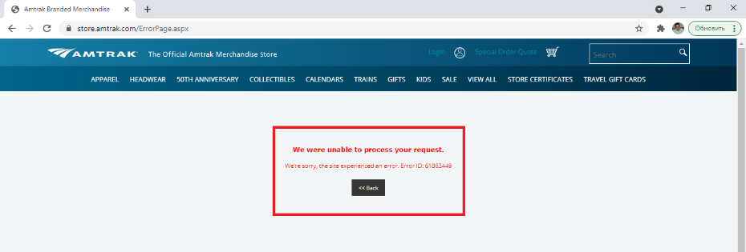
36 | Product images is misaligned in "ProductListCart" | 1. Open https://www... 2. Select "Amtrack Store" menu item 3. Select "View all" button 4. Select ''View all" in the middle of the page 5. Select "all" in drop-down menu | The image of the products is aligned at the same way to each other | Product images is misaligned | Visual | Low | 