北一 (2)
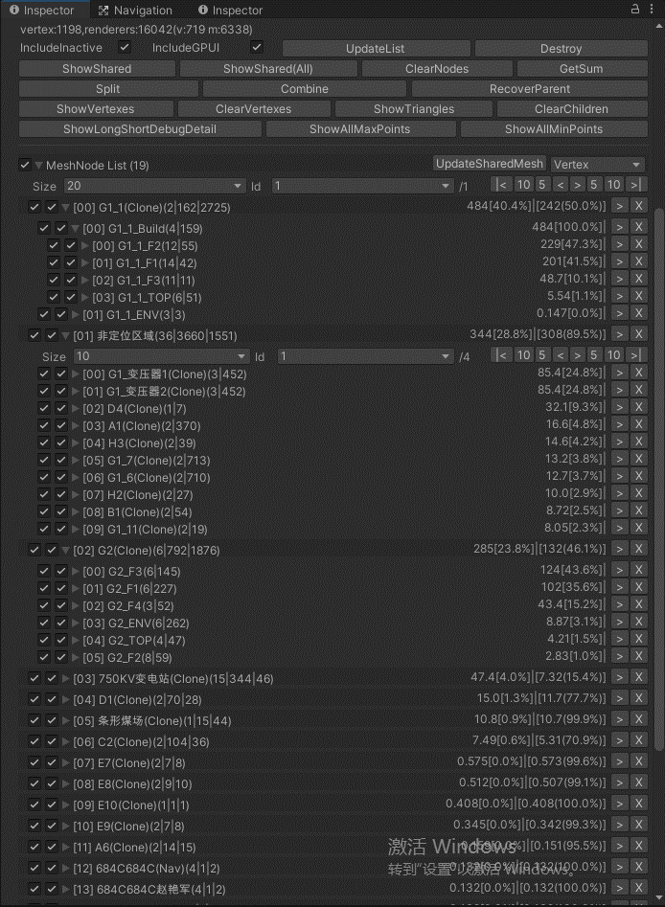
 | 电脑1
部分 | Batches |  | Tris |  | Calls |  | FPS |  | ShadowCaster
登录页 | 102 |  | 432 |  | 81 |  | 60
首页 | 20455 |  |  |  | 2012 |  | 21
Canvas(Clone) | 20236 | 219 | 8865737 | 0 | 1496 | 0 | 19 | 0 | 9855 | 0 | 20236
Terrain(Clone) | 18136 | 2100 | 7303112 | 0 | 1465 | 0 | 21 | 0 | 8861 | 0 | 18136
Cars | 17845 | 291 | 7222579 | 0 | 1452 | 0 | 22 | 0 | 8721 | 0 | 17857
消防车 | 17693 | 152 | 6969766 | 0 | 1439 | 0 | 23 | 0 | 8635 | 0 | 17693
地形0620 | 17322 | 371 | 6368695 | 0 | 1358 | 0 | 23 | 0 | 8453 | 0 | 17322
厂区路灯2022119 | 16936 | 386 | 5759413 | 0 | 1324 | 0 | 24 | 0 | 8257 | 0 | 16936
750KV变电站(Clone) | 16566 | 370 | 5683865 | 0 | 1319 | 0 | 25 | 0 | 8017 | 0 | 16566
A6(Clone) | 16516 | 50 | 5681089 | 0 | 1301 | 0 | 24 | 0 | 8000 | 0 | 16516
C2(Clone) | 16122 | 394 | 5574143 | 0 | 1252 | 0 | 25 | 0 | 7808 | 0 | 16122
D1(Clone) | 15913 | 209 | 5370815 | 0 | 1258 | 0 | 25 | 0 | 7696 | 0 | 15913
E7(Clone) | 15853 | 60 | 5359695 | 0 | 1233 | 0 | 26 | 0 | 7676 | 0 | 15853
E8(Clone) | 15781 | 72 | 5349239 | 0 | 1188 | 0 | 27 | 0 | 7652 | 0 | 15781
E9(Clone) | 15733 | 48 | 5342857 | 0 | 1172 | 0 | 26 | 0 | 7636 | 0 | 15733
E10(Clone) | 15719 | 14 | 5336081 | 0 | 1157 | 0 | 27 | 0 | 7631 | 0 | 15719
G1_1_F1 | 15425 | 294 | 5286209 | 0 | 1103 | 0 | 28 | 0 | 7507 | 0 | 15425
G1_1_F2 | 15022 | 403 | 5250123 | 0 | 1056 | 0 | 29 | 0 | 7328 | 0 | 15022
G1_1_F3 | 14821 | 201 | 5126787 | 0 | 1000 | 0 | 29 | 0 | 7230 | 0 | 14821
G1_1_TOP | 14568 | 253 | 5017477 | 0 | 938 | 0 | 29 | 0 | 7123 | 0 | 14568
G1_1_ENV | 14501 | 67 | 5008013 | 0 | 902 | 0 | 30 | 0 | 7093 | 0 | 14501
G2_F1 | 13439 | 1062 | 4937030 | 0 | 853 | 0 | 31 | 0 | 6703 | 0 | 13439
G2_F2 | 13122 | 317 | 4910840 | 0 | 820 | 0 | 31 | 0 | 6597 | 0 | 13122
G2_F3 | 12324 | 798 | 4629553 | 0 | 704 | 0 | 33 | 0 | 6319 | 0 | 12324
G2_F4 | 12071 | 253 | 4602569 | 0 | 706 | 0 | 33 | 0 | 6221 | 0 | 12071
G2_TOP | 11723 | 348 | 4526959 | 0 | 673 | 0 | 34 | 0 | 6095 | 0 | 11723
G2_ENV | 10603 | 1120 | 4341471 | 0 | 503 | 0 | 33 | 0 | 5715 | 0 | 10603
条形煤场(Clone) | 10484 | 119 | 4312473 | 0 | 410 | 0 | 34 | 0 | 5675 | 0 | 10484
A1(Clone) | 8278 | 2206 | 4026364 | 0 | 402 | 0 | 36 | 0 | 4197 | 0 | 8278
A3(Clone) | 6670 | 1608 | 3915720 | 0 | 396 | 0 | 37 | 0 | 3125 | 0 | 6670
A5(Clone) | 6567 | 103 | 3907066 | 0 | 353 | 0 | 37 | 0 | 3073 | 0 | 6567
B1(Clone) | 6164 | 403 | 3615520 | 0 | 244 | 0 | 38 | 0 | 2871 | 0 | 6164
B2(Clone) | 6120 | 44 | 3585344 | 0 | 239 | 0 | 38 | 0 | 2849 | 0 | 6120
B3(Clone) | 5646 | 474 | 3546747 | 0 | 226 | 0 | 39 | 0 | 2533 | 0 | 5646
B4(Clone) | 5522 | 124 | 3507717 | 0 | 222 | 0 | 41 | 0 | 2471 | 0 | 5522
B5(Clone) | 5418 | 104 | 3480945 | 0 | 223 | 0 | 40 | 0 | 2419 | 0 | 5418
C3(Clone) | 5328 | 90 | 3442496 | 0 | 223 | 0 | 40 | 0 | 2389 | 0 | 5328
D2(Clone) | 5145 | 183 | 3353001 | 0 | 222 | 0 | 40 | 0 | 2328 | 0 | 5145
D3(Clone) | 4938 | 207 | 3258429 | 0 | 209 | 0 | 42 | 0 | 2227 | 0 | 4938
D4(Clone) | 4725 | 213 | 2483819 | 0 | 211 | 0 | 42 | 0 | 2156 | 0 | 4725
D5(Clone) | 4614 | 111 | 2453587 | 0 | 210 | 0 | 42 | 0 | 2119 | 0 | 4614
E1(Clone) | 4558 | 56 | 2441121 | 0 | 210 | 0 | 41 | 0 | 2091 | 0 | 4558
E2(Clone) | 4480 | 78 | 2429818 | 0 | 208 | 0 | 41 | 0 | 2065 | 0 | 4480
E4(Clone) | 4206 | 274 | 2386184 | 0 | 207 | 0 | 41 | 0 | 1928 | 0 | 4206
E5(Clone) | 4166 | 40 | 2376344 | 0 | 210 | 0 | 41 | 0 | 1917 | 0 | 4166
F1(Clone) | 4066 | 100 | 2332800 | 0 | 208 | 0 | 42 | 0 | 1867 | 0 | 4066
F2(Clone) | 4066 | 0 | 2332808 | 0 | 208 | 0 | 42 | 0 | 1867 | 0 | 4066
F3(Clone) | 3991 | 75 | 2314136 | 0 | 208 | 0 | 42 | 0 | 1842 | 0 | 3991
F4(Clone) | 3897 | 94 | 2255030 | 0 | 203 | 0 | 44 | 0 | 1795 | 0 | 3897
H2(Clone) | 3433 | 464 | 1954674 | 0 | 196 | 0 | 44 | 0 | 1563 | 0 | 3433
H3(Clone) | 3313 | 120 | 1708624 | 0 | 188 | 0 | 45 | 0 | 1503 | 0 | 3313
S02_1(Clone) | 3265 | 48 | 1683211 | 0 | 189 | 0 | 45 | 0 | 1487 | 0 | 3265
S02_2(Clone) | 3205 | 60 | 1646927 | 0 | 180 | 0 | 44 | 0 | 1457 | 0 | 3205
G1_变压器1(Clone) | 2918 | 287 | 1634853 | 0 | 174 | 0 | 44 | 0 | 1270 | 0 | 2918
G1_变压器2(Clone) | 2704 | 214 | 1626427 | 0 | 173 | 0 | 44 | 0 | 1156 | 0 | 2704
G1_5(Clone) | 2599 | 105 | 1606397 | 0 | 173 | 0 | 44 | 0 | 1121 | 0 | 2599
G1_6(Clone) | 1864 | 735 | 1542549 | 0 | 162 | 0 | 44 | 0 | 756 | 0 | 1864
G1_7(Clone) | 1140 | 724 | 1475531 | 0 | 155 | 0 | 45 | 0 | 394 | 0 | 1140
G1_8(Clone) | 1071 | 69 | 1469418 | 0 | 155 | 0 | 47 | 0 | 371 | 0 | 1071
G1_9(Clone) | 999 | 72 | 1462129 | 0 | 155 | 0 | 46 | 0 | 347 | 0 | 999
G1_10(Clone) | 878 | 121 | 1443572 | 0 | 154 | 0 | 46 | 0 | 310 | 0 | 878
G1_11(Clone) | 672 | 206 | 1284106 | 0 | 137 | 0 | 47 | 0 | 238 | 0 | 672
G1_12(Clone) | 582 | 90 | 1264166 | 0 | 133 | 0 | 49 | 0 | 193 | 0 | 582
G1_13(Clone) | 545 | 37 | 1251296 | 0 | 118 | 0 | 48 | 0 | 181 | 0 | 545

