Visual
GPA v. Work Hours
 | Weekly Hours | GPA
Loubens | 45 | 3.1
Kevin | 20 | 2.9
Sandy | 25 | 3.2
Thomas | 16 | 3.7
Tom | 35 | 3.1
Jerry | 8 | 3.8
Nadine | 40 | 2.9
Paul | 25 | 3.3
Saxxor | 35 | 2.8
Melanie | 8 | 3.7
Tommy | 25 | 3.0
Reed | 8 | 3.5
Ella | 32 | 3.0
Hughes | 41 | 2.9
Potter | 21 | 3.2
Locke | 12 | 3.2
Matthew | 0 | 3.7
Dorian | 16 | 3.0
Yuri | 30 | 2.9
Sandro | 40 | 3.5
Alicia | 30 | 3.3
Riya | 25 | 2.9
Wreath | 10 | 4.0
Randy | 35 | 3.1
Locust | 45 | 2.7
Palden | 15 | 2.9
Lobsang | 0 | 3.1
Mo | 35 | 2.8
Elianor | 12 | 3.8
Bella | 35 | 3.8

Regression
GPA v. Work Hours
Student | Weekly Hours | GPA
Loubens | 45 | 3.1
Kevin | 20 | 2.9
Sandy | 25 | 3.2
Thomas | 16 | 3.7
Tom | 35 | 3.1
Jerry | 8 | 3.8
Nadine | 40 | 2.9
Paul | 25 | 3.3
Saxxor | 35 | 2.8
Melanie | 8 | 3.7
Tommy | 25 | 3
Reed | 8 | 3.5
Ella | 32 | 3
Hughes | 41 | 2.9
Potter | 21 | 3.2
Locke | 12 | 3.2
Matthew | 0 | 3.7
Dorian | 16 | 3
Yuri | 30 | 2.9
Sandro | 40 | 3.5
Alicia | 30 | 3.3
Riya | 25 | 2.9
Wreath | 10 | 4
Randy | 35 | 3.1
Locust | 45 | 2.7
Palden | 15 | 2.9
Lobsang | 0 | 3.1
Mo | 35 | 2.8
Elianor | 12 | 3.8
Bella | 35 | 3.8

Box n' Whiskers
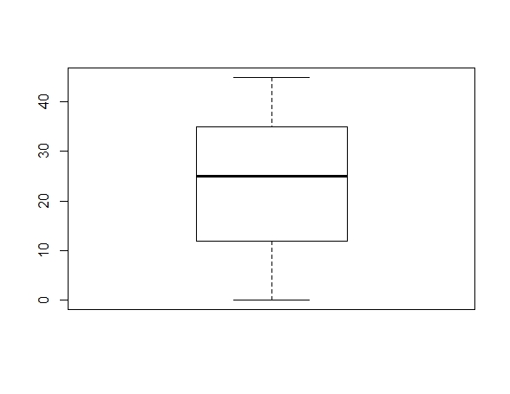
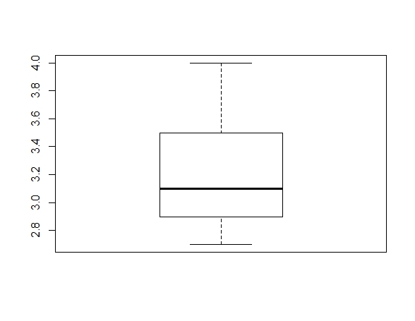
Hours | GPA

