Regression & data prep
Data Source | TIMEFRAME (DD/MM/YYYY) | Volumetric Flow Meter 1 | Volumetric Flow Meter 2 | Pump Speed (RPM) | Pump Torque | Ambient Temperature | Horse Power | Pump Efficiency | PUMP FAILURE (1 or 0) | Regressive Equation
Rolling Stdev (30 Minute) | 12/9/14 | 1.04 | 0.96 | 5.54 | 11.70 | 3.40 | 0.32 | 1.74 | 0.00 | 0.05 | Please note that the Regression Co-efficients are different from the Correlation Co-efficients
Rolling Stdev (30 Minute) | 12/9/14 | 1.06 | 1.01 | 5.49 | 11.73 | 3.36 | 0.31 | 1.83 | 0.00 | 0.05 | Regression Co-Efficients (Taken from the Summary Output Tab created when you calculate the Multivariate Regression) | Column1
Rolling Stdev (30 Minute) | 12/9/14 | 1.06 | 1.03 | 5.62 | 11.94 | 3.40 | 0.31 | 1.87 | 0.00 | 0.04 | Volumetric Flow Meter 1 | 0.050933943927
Rolling Stdev (30 Minute) | 12/9/14 | 1.06 | 1.05 | 5.61 | 12.10 | 3.30 | 0.31 | 1.90 | 0.00 | 0.03 | Volumetric Flow Meter 2 | -0.61136432959
Rolling Stdev (30 Minute) | 12/9/14 | 1.07 | 1.03 | 5.61 | 12.31 | 3.36 | 0.30 | 1.88 | 0.00 | 0.02 | Pump Speed (RPM) | -0.017867336052
Rolling Stdev (30 Minute) | 12/9/14 | 1.05 | 1.05 | 5.81 | 12.41 | 3.43 | 0.31 | 1.90 | 0.00 | 0.02 | Pump Torque | -0.018901994709
Rolling Stdev (30 Minute) | 12/9/14 | 1.10 | 1.01 | 5.78 | 12.01 | 3.40 | 0.30 | 1.83 | 0.00 | 0.03 | Ambient Temperature | 0.018206887297
Rolling Stdev (30 Minute) | 12/9/14 | 1.08 | 1.01 | 5.77 | 12.04 | 3.40 | 0.30 | 1.84 | 0.00 | 0.03 | Horse Power | 0.76484538773
Rolling Stdev (30 Minute) | 12/9/14 | 1.07 | 1.06 | 5.57 | 12.18 | 3.34 | 0.30 | 1.93 | 0.00 | 0.03 | Pump Efficiency | 0.34236588972
Rolling Stdev (30 Minute) | 12/9/14 | 1.06 | 1.07 | 5.71 | 12.32 | 3.35 | 0.32 | 1.94 | 0.00 | 0.03
Regression Coeffient Ranking
Rolling Stdev (30 Minute) | 12/9/14 | 1.02 | 1.06 | 5.78 | 12.32 | 3.31 | 0.32 | 1.93 | 0.00 | 0.03
Rolling Stdev (30 Minute) | 12/9/14 | 0.98 | 1.06 | 5.75 | 12.74 | 3.34 | 0.33 | 1.92 | 0.00 | 0.03
Rolling Stdev (30 Minute) | 12/9/14 | 1.02 | 1.08 | 5.79 | 12.73 | 3.39 | 0.33 | 1.97 | 0.00 | 0.03
Rolling Stdev (30 Minute) | 12/9/14 | 1.01 | 1.12 | 5.70 | 12.42 | 3.38 | 0.33 | 2.03 | 0.00 | 0.04
Rolling Stdev (30 Minute) | 12/9/14 | 0.99 | 1.11 | 5.75 | 12.28 | 3.39 | 0.33 | 2.02 | 0.00 | 0.04
Rolling Stdev (30 Minute) | 12/9/14 | 0.99 | 1.11 | 5.83 | 12.27 | 3.35 | 0.33 | 2.02 | 0.00 | 0.04
Rolling Stdev (30 Minute) | 12/9/14 | 0.97 | 1.12 | 5.84 | 12.14 | 3.37 | 0.33 | 2.03 | 0.00 | 0.04
Rolling Stdev (30 Minute) | 12/9/14 | 1.00 | 1.14 | 5.98 | 12.42 | 3.40 | 0.33 | 2.07 | 0.00 | 0.04
Rolling Stdev (30 Minute) | 12/9/14 | 1.02 | 1.18 | 6.11 | 12.30 | 3.24 | 0.34 | 2.15 | 0.00 | 0.04
Statistical Alarm Plot
 | Horse Power | Pump Efficiency | Regressive Equation | PUMP FAILURE (1 or 0)
 | 0.32 | 1.74 | 0.05 | 0.00
 | 0.31 | 1.83 | 0.05 | 0.00
 | 0.31 | 1.87 | 0.04 | 0.00
 | 0.31 | 1.90 | 0.03 | 0.00
 | 0.30 | 1.88 | 0.02 | 0.00
 | 0.31 | 1.90 | 0.02 | 0.00
 | 0.30 | 1.83 | 0.03 | 0.00
 | 0.30 | 1.84 | 0.03 | 0.00
 | 0.30 | 1.93 | 0.03 | 0.00
 | 0.32 | 1.94 | 0.03 | 0.00
 | 0.32 | 1.93 | 0.03 | 0.00
 | 0.33 | 1.92 | 0.03 | 0.00
 | 0.33 | 1.97 | 0.03 | 0.00
 | 0.33 | 2.03 | 0.04 | 0.00
 | 0.33 | 2.02 | 0.04 | 0.00
 | 0.33 | 2.02 | 0.04 | 0.00
 | 0.33 | 2.03 | 0.04 | 0.00
 | 0.33 | 2.07 | 0.04 | 0.00
 | 0.34 | 2.15 | 0.04 | 0.00
 | 0.33 | 2.11 | 0.04 | 0.00
 | 0.33 | 2.18 | 0.04 | 0.00
 | 0.34 | 2.19 | 0.05 | 0.00
 | 0.33 | 2.26 | 0.05 | 0.00
 | 0.33 | 2.25 | 0.06 | 0.00
 | 0.33 | 2.27 | 0.05 | 0.00
 | 0.31 | 2.21 | 0.05 | 0.00
 | 0.31 | 2.21 | 0.05 | 0.00
 | 0.30 | 2.24 | 0.03 | 0.00
 | 0.30 | 2.24 | 0.04 | 0.00
 | 0.28 | 2.27 | 0.03 | 0.00
 | 0.27 | 2.28 | 0.03 | 0.00
 | 0.27 | 2.23 | 0.03 | 0.00
 | 0.28 | 2.18 | 0.04 | 0.00
 | 0.28 | 2.25 | 0.05 | 0.00
 | 0.28 | 2.29 | 0.05 | 0.00
 | 0.27 | 2.23 | 0.04 | 0.00
 | 0.27 | 2.21 | 0.03 | 0.00
 | 0.27 | 2.18 | 0.03 | 0.00
 | 0.27 | 2.17 | 0.03 | 0.00
 | 0.26 | 2.20 | 0.02 | 0.00
 | 0.26 | 2.20 | 0.02 | 0.00
 | 0.25 | 2.27 | 0.02 | 0.00
 | 0.24 | 2.22 | 0.01 | 0.00
 | 0.25 | 2.17 | 0.01 | 0.00
 | 0.24 | 2.16 | 0.00 | 0.00
 | 0.23 | 2.17 | -0.01 | 0.00
 | 0.22 | 2.18 | -0.02 | 0.00
 | 0.21 | 2.17 | -0.02 | 0.00
 | 0.21 | 2.19 | -0.02 | 0.00
 | 0.23 | 2.19 | -0.01 | 0.00
...
Rolling Stdev (30 Minute) | 12/9/14 | 1.01 | 1.16 | 6.10 | 11.72 | 3.21 | 0.33 | 2.11 | 0.00 | 0.04
Rolling Stdev (30 Minute) | 12/9/14 | 1.01 | 1.20 | 6.18 | 11.79 | 3.27 | 0.33 | 2.18 | 0.00 | 0.04
Rolling Stdev (30 Minute) | 12/9/14 | 1.07 | 1.21 | 6.35 | 11.80 | 3.22 | 0.34 | 2.19 | 0.00 | 0.05
Rolling Stdev (30 Minute) | 12/9/14 | 1.08 | 1.24 | 6.31 | 11.58 | 3.31 | 0.33 | 2.26 | 0.00 | 0.05
Rolling Stdev (30 Minute) | 12/9/14 | 1.04 | 1.24 | 6.33 | 11.09 | 3.32 | 0.33 | 2.25 | 0.00 | 0.06
Rolling Stdev (30 Minute) | 12/9/14 | 1.07 | 1.25 | 6.33 | 11.32 | 3.28 | 0.33 | 2.27 | 0.00 | 0.05
Rolling Stdev (30 Minute) | 12/9/14 | 1.10 | 1.22 | 6.17 | 11.08 | 3.40 | 0.31 | 2.21 | 0.00 | 0.05
Rolling Stdev (30 Minute) | 12/9/14 | 1.12 | 1.21 | 6.24 | 11.06 | 3.48 | 0.31 | 2.21 | 0.00 | 0.05
Rolling Stdev (30 Minute) | 12/9/14 | 1.09 | 1.23 | 6.24 | 11.53 | 3.57 | 0.30 | 2.24 | 0.00 | 0.03
Rolling Stdev (30 Minute) | 12/9/14 | 1.11 | 1.23 | 6.13 | 11.30 | 3.64 | 0.30 | 2.24 | 0.00 | 0.04
Rolling Stdev (30 Minute) | 12/9/14 | 1.10 | 1.25 | 5.93 | 11.04 | 3.58 | 0.28 | 2.27 | 0.00 | 0.03
Rolling Stdev (30 Minute) | 12/9/14 | 1.11 | 1.25 | 6.07 | 10.97 | 3.58 | 0.27 | 2.28 | 0.00 | 0.03
Rolling Stdev (30 Minute) | 12/9/14 | 1.12 | 1.22 | 5.90 | 10.99 | 3.56 | 0.27 | 2.23 | 0.00 | 0.03
Rolling Stdev (30 Minute) | 12/9/14 | 1.16 | 1.20 | 5.90 | 10.52 | 3.45 | 0.28 | 2.18 | 0.00 | 0.04
Rolling Stdev (30 Minute) | 12/9/14 | 1.16 | 1.24 | 5.63 | 10.48 | 3.45 | 0.28 | 2.25 | 0.00 | 0.05
Rolling Stdev (30 Minute) | 12/9/14 | 1.16 | 1.26 | 5.44 | 10.53 | 3.37 | 0.28 | 2.29 | 0.00 | 0.05
Rolling Stdev (30 Minute) | 12/9/14 | 1.21 | 1.23 | 5.81 | 10.79 | 3.35 | 0.27 | 2.23 | 0.00 | 0.04
Rolling Stdev (30 Minute) | 12/9/14 | 1.18 | 1.22 | 5.96 | 11.06 | 3.35 | 0.27 | 2.21 | 0.00 | 0.03
Rolling Stdev (30 Minute) | 12/9/14 | 1.19 | 1.20 | 5.96 | 11.05 | 3.39 | 0.27 | 2.18 | 0.00 | 0.03
Rolling Stdev (30 Minute) | 12/9/14 | 1.24 | 1.19 | 5.92 | 11.03 | 3.35 | 0.27 | 2.17 | 0.00 | 0.03
Rolling Stdev (30 Minute) | 12/9/14 | 1.25 | 1.21 | 5.95 | 10.73 | 3.21 | 0.26 | 2.20 | 0.00 | 0.02
Rolling Stdev (30 Minute) | 12/9/14 | 1.24 | 1.21 | 5.85 | 10.97 | 3.29 | 0.26 | 2.20 | 0.00 | 0.02
Rolling Stdev (30 Minute) | 12/9/14 | 1.23 | 1.25 | 5.87 | 10.59 | 3.23 | 0.25 | 2.27 | 0.00 | 0.02
Rolling Stdev (30 Minute) | 12/9/14 | 1.18 | 1.22 | 5.80 | 10.60 | 3.19 | 0.24 | 2.22 | 0.00 | 0.01
Rolling Stdev (30 Minute) | 12/9/14 | 1.18 | 1.19 | 5.75 | 10.92 | 3.25 | 0.25 | 2.17 | 0.00 | 0.01
Rolling Stdev (30 Minute) | 12/9/14 | 1.17 | 1.19 | 5.78 | 11.13 | 3.28 | 0.24 | 2.16 | 0.00 | 0.00
Rolling Stdev (30 Minute) | 12/9/14 | 1.21 | 1.20 | 5.66 | 11.71 | 3.27 | 0.23 | 2.17 | 0.00 | -0.01
Rolling Stdev (30 Minute) | 12/9/14 | 1.18 | 1.20 | 5.66 | 11.34 | 3.24 | 0.22 | 2.18 | 0.00 | -0.02
Rolling Stdev (30 Minute) | 12/9/14 | 1.16 | 1.19 | 5.46 | 11.40 | 3.33 | 0.21 | 2.17 | 0.00 | -0.02
Rolling Stdev (30 Minute) | 12/9/14 | 1.16 | 1.20 | 5.17 | 11.68 | 3.32 | 0.21 | 2.19 | 0.00 | -0.02
Rolling Stdev (30 Minute) | 12/9/14 | 1.16 | 1.21 | 5.40 | 11.93 | 3.39 | 0.23 | 2.19 | 0.00 | -0.01
Rolling Stdev (30 Minute) | 12/9/14 | 1.16 | 1.20 | 5.40 | 12.18 | 3.47 | 0.22 | 2.18 | 0.00 | -0.02
Rolling Stdev (30 Minute) | 12/9/14 | 1.11 | 1.23 | 5.40 | 12.42 | 3.40 | 0.23 | 2.24 | 0.00 | -0.02
Rolling Stdev (30 Minute) | 12/9/14 | 1.09 | 1.24 | 5.91 | 12.35 | 3.35 | 0.25 | 2.25 | 0.00 | -0.02
Rolling Stdev (30 Minute) | 12/9/14 | 1.09 | 1.24 | 5.94 | 12.40 | 3.44 | 0.25 | 2.25 | 0.00 | -0.02
Rolling Stdev (30 Minute) | 12/9/14 | 1.07 | 1.26 | 5.86 | 12.34 | 3.51 | 0.25 | 2.30 | 0.00 | -0.01
Rolling Stdev (30 Minute) | 12/9/14 | 1.10 | 1.28 | 6.10 | 12.46 | 3.41 | 0.27 | 2.33 | 0.00 | 0.00
Rolling Stdev (30 Minute) | 12/9/14 | 1.08 | 1.26 | 5.97 | 12.39 | 3.46 | 0.27 | 2.29 | 0.00 | 0.00
Rolling Stdev (30 Minute) | 12/9/14 | 1.10 | 1.25 | 5.75 | 12.04 | 3.41 | 0.27 | 2.27 | 0.00 | 0.01
Rolling Stdev (30 Minute) | 12/9/14 | 1.07 | 1.25 | 5.75 | 11.98 | 3.46 | 0.27 | 2.28 | 0.00 | 0.01
Rolling Stdev (30 Minute) | 12/9/14 | 1.12 | 1.26 | 5.98 | 12.11 | 3.46 | 0.27 | 2.29 | 0.00 | 0.01
Rolling Stdev (30 Minute) | 12/9/14 | 1.10 | 1.28 | 5.94 | 12.26 | 3.38 | 0.27 | 2.33 | 0.00 | 0.00
Rolling Stdev (30 Minute) | 12/9/14 | 1.09 | 1.30 | 5.88 | 12.24 | 3.48 | 0.27 | 2.35 | 0.00 | 0.00
Rolling Stdev (30 Minute) | 12/9/14 | 1.04 | 1.30 | 5.76 | 12.61 | 3.48 | 0.27 | 2.37 | 0.00 | 0.00
Rolling Stdev (30 Minute) | 12/9/14 | 1.07 | 1.26 | 5.74 | 13.00 | 3.51 | 0.28 | 2.30 | 0.00 | 0.00
Rolling Stdev (30 Minute) | 12/9/14 | 1.08 | 1.28 | 5.74 | 13.20 | 3.61 | 0.28 | 2.33 | 0.00 | 0.00
Rolling Stdev (30 Minute) | 12/9/14 | 1.04 | 1.30 | 5.48 | 13.08 | 3.65 | 0.28 | 2.36 | 0.00 | 0.00
Rolling Stdev (30 Minute) | 12/9/14 | 1.00 | 1.31 | 5.27 | 12.86 | 3.70 | 0.28 | 2.38 | 0.00 | 0.01
Rolling Stdev (30 Minute) | 12/9/14 | 1.02 | 1.31 | 5.35 | 12.60 | 3.68 | 0.28 | 2.38 | 0.00 | 0.02
Rolling Stdev (30 Minute) | 12/9/14 | 1.00 | 1.29 | 5.37 | 12.59 | 3.74 | 0.28 | 2.35 | 0.00 | 0.02
Rolling Stdev (30 Minute) | 12/9/14 | 1.00 | 1.30 | 5.30 | 12.53 | 3.76 | 0.29 | 2.36 | 0.00 | 0.02
Rolling Stdev (30 Minute) | 12/9/14 | 1.04 | 1.30 | 5.27 | 12.05 | 3.67 | 0.28 | 2.36 | 0.00 | 0.02
Rolling Stdev (30 Minute) | 12/9/14 | 1.08 | 1.29 | 5.41 | 12.08 | 3.65 | 0.29 | 2.35 | 0.00 | 0.03
Rolling Stdev (30 Minute) | 12/9/14 | 1.09 | 1.32 | 5.59 | 12.15 | 3.62 | 0.29 | 2.40 | 0.00 | 0.03
Rolling Stdev (30 Minute) | 12/9/14 | 1.10 | 1.32 | 5.55 | 11.77 | 3.55 | 0.28 | 2.39 | 0.00 | 0.02
Rolling Stdev (30 Minute) | 12/9/14 | 1.09 | 1.35 | 5.28 | 11.58 | 3.59 | 0.27 | 2.46 | 0.00 | 0.03
Rolling Stdev (30 Minute) | 12/9/14 | 1.08 | 1.35 | 5.36 | 11.49 | 3.59 | 0.28 | 2.46 | 0.00 | 0.03
Rolling Stdev (30 Minute) | 12/9/14 | 1.08 | 1.35 | 5.38 | 11.84 | 3.54 | 0.28 | 2.45 | 0.00 | 0.03
Rolling Stdev (30 Minute) | 12/9/14 | 1.06 | 1.31 | 5.20 | 12.21 | 3.50 | 0.28 | 2.38 | 0.00 | 0.02
Rolling Stdev (30 Minute) | 12/9/14 | 1.04 | 1.29 | 5.07 | 11.85 | 3.51 | 0.26 | 2.35 | 0.00 | 0.01
Rolling Stdev (30 Minute) | 12/9/14 | 1.04 | 1.29 | 5.09 | 11.87 | 3.56 | 0.26 | 2.34 | 0.00 | 0.02
Rolling Stdev (30 Minute) | 12/9/14 | 1.05 | 1.25 | 4.75 | 11.79 | 3.43 | 0.26 | 2.28 | 0.00 | 0.02
Rolling Stdev (30 Minute) | 12/9/14 | 1.11 | 1.23 | 4.86 | 11.27 | 3.38 | 0.26 | 2.23 | 0.00 | 0.03
Rolling Stdev (30 Minute) | 12/9/14 | 1.13 | 1.18 | 4.75 | 11.64 | 3.44 | 0.25 | 2.15 | 0.00 | 0.02
Rolling Stdev (30 Minute) | 12/9/14 | 1.16 | 1.21 | 4.56 | 12.05 | 3.38 | 0.24 | 2.20 | 0.00 | 0.01
Rolling Stdev (30 Minute) | 12/9/14 | 1.21 | 1.21 | 4.54 | 12.03 | 3.38 | 0.24 | 2.21 | 0.00 | 0.01
Rolling Stdev (30 Minute) | 12/9/14 | 1.18 | 1.21 | 4.67 | 12.10 | 3.36 | 0.23 | 2.20 | 0.00 | 0.00
Rolling Stdev (30 Minute) | 12/9/14 | 1.20 | 1.20 | 4.66 | 12.08 | 3.23 | 0.22 | 2.19 | 0.00 | -0.01
Rolling Stdev (30 Minute) | 12/9/14 | 1.20 | 1.20 | 4.98 | 12.32 | 3.13 | 0.22 | 2.19 | 0.00 | -0.02
Rolling Stdev (30 Minute) | 12/9/14 | 1.20 | 1.22 | 5.16 | 12.76 | 3.01 | 0.22 | 2.21 | 0.00 | -0.03
Rolling Stdev (30 Minute) | 12/9/14 | 1.18 | 1.18 | 5.10 | 12.87 | 3.12 | 0.24 | 2.15 | 0.00 | -0.02
Rolling Stdev (30 Minute) | 12/9/14 | 1.18 | 1.16 | 5.04 | 12.50 | 3.06 | 0.24 | 2.11 | 0.00 | -0.01
Rolling Stdev (30 Minute) | 12/9/14 | 1.20 | 1.14 | 5.04 | 12.47 | 2.96 | 0.24 | 2.07 | 0.00 | -0.02
Rolling Stdev (30 Minute) | 12/9/14 | 1.23 | 1.14 | 5.04 | 12.84 | 3.04 | 0.24 | 2.08 | 0.00 | -0.02
Rolling Stdev (30 Minute) | 12/9/14 | 1.23 | 1.17 | 5.32 | 12.66 | 2.89 | 0.26 | 2.13 | 0.00 | -0.01
Rolling Stdev (30 Minute) | 12/9/14 | 1.23 | 1.15 | 5.66 | 12.70 | 2.83 | 0.25 | 2.08 | 0.00 | -0.02
Rolling Stdev (30 Minute) | 12/9/14 | 1.23 | 1.13 | 5.64 | 12.79 | 2.84 | 0.26 | 2.06 | 0.00 | -0.02
Rolling Stdev (30 Minute) | 12/9/14 | 1.26 | 1.16 | 5.83 | 12.79 | 2.91 | 0.27 | 2.10 | 0.00 | -0.01
Rolling Stdev (30 Minute) | 12/9/14 | 1.25 | 1.20 | 5.70 | 12.78 | 2.98 | 0.26 | 2.19 | 0.00 | -0.01
Rolling Stdev (30 Minute) | 12/9/14 | 1.22 | 1.18 | 5.70 | 12.67 | 2.87 | 0.26 | 2.14 | 0.00 | -0.02
Rolling Stdev (30 Minute) | 12/9/14 | 1.24 | 1.18 | 5.71 | 12.67 | 2.87 | 0.25 | 2.14 | 0.00 | -0.02
Rolling Stdev (30 Minute) | 12/9/14 | 1.25 | 1.18 | 5.67 | 12.67 | 3.05 | 0.25 | 2.14 | 0.00 | -0.02
Rolling Stdev (30 Minute) | 12/9/14 | 1.26 | 1.18 | 5.72 | 12.47 | 3.05 | 0.24 | 2.15 | 0.00 | -0.02
Rolling Stdev (30 Minute) | 12/9/14 | 1.29 | 1.16 | 5.80 | 12.46 | 3.05 | 0.25 | 2.11 | 0.00 | -0.01
Rolling Stdev (30 Minute) | 12/9/14 | 1.31 | 1.21 | 5.80 | 12.61 | 3.07 | 0.26 | 2.20 | 0.00 | -0.01
Rolling Stdev (30 Minute) | 12/9/14 | 1.36 | 1.16 | 5.88 | 12.77 | 3.09 | 0.27 | 2.11 | 0.00 | 0.00
Rolling Stdev (30 Minute) | 12/9/14 | 1.32 | 1.22 | 5.86 | 12.95 | 3.17 | 0.27 | 2.21 | 0.00 | -0.01
Rolling Stdev (30 Minute) | 12/9/14 | 1.32 | 1.24 | 5.85 | 12.67 | 3.28 | 0.27 | 2.25 | 0.00 | 0.00
Rolling Stdev (30 Minute) | 12/9/14 | 1.32 | 1.23 | 5.75 | 12.26 | 3.27 | 0.27 | 2.24 | 0.00 | 0.01
Rolling Stdev (30 Minute) | 12/9/14 | 1.32 | 1.21 | 5.91 | 12.63 | 3.32 | 0.27 | 2.21 | 0.00 | 0.00
Rolling Stdev (30 Minute) | 12/9/14 | 1.32 | 1.22 | 5.90 | 12.50 | 3.39 | 0.26 | 2.21 | 0.00 | 0.00
Rolling Stdev (30 Minute) | 12/9/14 | 1.32 | 1.24 | 6.06 | 12.42 | 3.40 | 0.26 | 2.26 | 0.00 | 0.00
Rolling Stdev (30 Minute) | 12/9/14 | 1.29 | 1.23 | 5.98 | 12.48 | 3.50 | 0.25 | 2.24 | 0.00 | -0.01
Rolling Stdev (30 Minute) | 12/9/14 | 1.31 | 1.29 | 6.03 | 12.69 | 3.36 | 0.25 | 2.35 | 0.00 | -0.01
Rolling Stdev (30 Minute) | 12/9/14 | 1.27 | 1.28 | 6.05 | 12.81 | 3.50 | 0.25 | 2.33 | 0.00 | -0.01
Rolling Stdev (30 Minute) | 12/9/14 | 1.23 | 1.26 | 6.01 | 12.94 | 3.43 | 0.25 | 2.29 | 0.00 | -0.02
Rolling Stdev (30 Minute) | 12/9/14 | 1.22 | 1.25 | 5.90 | 13.14 | 3.43 | 0.26 | 2.27 | 0.00 | -0.02
Rolling Stdev (30 Minute) | 12/9/14 | 1.21 | 1.27 | 5.83 | 13.51 | 3.44 | 0.26 | 2.30 | 0.00 | -0.02
Rolling Stdev (30 Minute) | 12/9/14 | 1.20 | 1.26 | 5.79 | 13.32 | 3.45 | 0.28 | 2.28 | 0.00 | 0.00
Rolling Stdev (30 Minute) | 12/9/14 | 1.20 | 1.25 | 5.55 | 13.04 | 3.45 | 0.28 | 2.27 | 0.00 | 0.01
Rolling Stdev (30 Minute) | 12/9/14 | 1.21 | 1.25 | 5.69 | 12.73 | 3.33 | 0.26 | 2.27 | 0.00 | -0.01
Rolling Stdev (30 Minute) | 12/9/14 | 1.20 | 1.25 | 5.72 | 13.01 | 3.45 | 0.25 | 2.27 | 0.00 | -0.02
Rolling Stdev (30 Minute) | 12/9/14 | 1.16 | 1.25 | 5.67 | 13.08 | 3.43 | 0.25 | 2.27 | 0.00 | -0.03
Rolling Stdev (30 Minute) | 12/9/14 | 1.15 | 1.25 | 5.62 | 12.63 | 3.44 | 0.24 | 2.27 | 0.00 | -0.02
Rolling Stdev (30 Minute) | 12/9/14 | 1.12 | 1.26 | 5.52 | 12.57 | 3.49 | 0.24 | 2.28 | 0.00 | -0.02
Rolling Stdev (30 Minute) | 12/9/14 | 1.13 | 1.26 | 5.32 | 12.22 | 3.49 | 0.24 | 2.29 | 0.00 | -0.01
Rolling Stdev (30 Minute) | 12/9/14 | 1.12 | 1.26 | 5.38 | 12.04 | 3.52 | 0.24 | 2.29 | 0.00 | -0.01
Rolling Stdev (30 Minute) | 12/9/14 | 1.09 | 1.21 | 5.16 | 12.33 | 3.45 | 0.24 | 2.20 | 0.00 | -0.01
Rolling Stdev (30 Minute) | 12/9/14 | 1.09 | 1.17 | 5.16 | 12.44 | 3.42 | 0.24 | 2.13 | 0.00 | -0.01
Rolling Stdev (30 Minute) | 12/9/14 | 1.10 | 1.22 | 5.49 | 12.76 | 3.46 | 0.27 | 2.22 | 0.00 | 0.00
Rolling Stdev (30 Minute) | 12/9/14 | 1.11 | 1.21 | 5.61 | 12.71 | 3.46 | 0.28 | 2.20 | 0.00 | 0.00
Rolling Stdev (30 Minute) | 12/9/14 | 1.08 | 1.22 | 5.61 | 12.74 | 3.30 | 0.27 | 2.21 | 0.00 | 0.00
Rolling Stdev (30 Minute) | 12/9/14 | 1.08 | 1.20 | 5.68 | 12.91 | 3.38 | 0.29 | 2.18 | 0.00 | 0.01
Rolling Stdev (30 Minute) | 12/9/14 | 1.04 | 1.18 | 5.52 | 13.34 | 3.34 | 0.28 | 2.14 | 0.00 | -0.01
Rolling Stdev (30 Minute) | 12/9/14 | 1.04 | 1.14 | 5.49 | 13.44 | 3.38 | 0.27 | 2.08 | 0.00 | -0.02
Rolling Stdev (30 Minute) | 12/9/14 | 1.05 | 1.13 | 5.50 | 13.28 | 3.30 | 0.26 | 2.06 | 0.00 | -0.02
Rolling Stdev (30 Minute) | 12/9/14 | 1.06 | 1.08 | 5.39 | 12.79 | 3.27 | 0.26 | 1.96 | 0.00 | -0.01
Rolling Stdev (30 Minute) | 12/9/14 | 1.11 | 1.04 | 5.46 | 12.66 | 3.24 | 0.26 | 1.90 | 0.00 | -0.01
Rolling Stdev (30 Minute) | 12/9/14 | 1.12 | 1.05 | 5.45 | 12.73 | 3.18 | 0.26 | 1.92 | 0.00 | -0.01
Rolling Stdev (30 Minute) | 12/9/14 | 1.12 | 1.06 | 5.56 | 12.44 | 3.15 | 0.28 | 1.92 | 0.00 | 0.00
Rolling Stdev (30 Minute) | 12/9/14 | 1.13 | 1.05 | 5.60 | 12.62 | 2.99 | 0.29 | 1.91 | 0.00 | 0.00
Rolling Stdev (30 Minute) | 12/9/14 | 1.14 | 1.06 | 5.37 | 12.66 | 3.04 | 0.28 | 1.92 | 0.00 | 0.01
Rolling Stdev (30 Minute) | 12/9/14 | 1.14 | 1.07 | 5.37 | 12.84 | 2.87 | 0.29 | 1.94 | 0.00 | 0.01
Rolling Stdev (30 Minute) | 12/9/14 | 1.09 | 1.03 | 5.20 | 12.44 | 2.87 | 0.31 | 1.87 | 0.00 | 0.03
Rolling Stdev (30 Minute) | 12/9/14 | 1.12 | 1.05 | 5.40 | 11.89 | 2.59 | 0.32 | 1.91 | 0.00 | 0.04
Rolling Stdev (30 Minute) | 12/9/14 | 1.12 | 1.04 | 5.47 | 11.95 | 2.88 | 0.32 | 1.88 | 0.00 | 0.04
Rolling Stdev (30 Minute) | 12/9/14 | 1.14 | 1.03 | 5.65 | 11.32 | 2.97 | 0.32 | 1.88 | 0.00 | 0.05
Rolling Stdev (30 Minute) | 12/9/14 | 1.19 | 1.04 | 5.68 | 10.97 | 2.97 | 0.32 | 1.88 | 0.00 | 0.06
Rolling Stdev (30 Minute) | 12/9/14 | 1.19 | 1.07 | 5.61 | 10.93 | 3.05 | 0.31 | 1.94 | 0.00 | 0.06
Rolling Stdev (30 Minute) | 12/9/14 | 1.23 | 1.06 | 5.57 | 10.91 | 3.20 | 0.31 | 1.94 | 0.00 | 0.06
Rolling Stdev (30 Minute) | 12/9/14 | 1.21 | 1.10 | 5.49 | 10.79 | 3.23 | 0.31 | 2.00 | 0.00 | 0.07
Rolling Stdev (30 Minute) | 12/9/14 | 1.23 | 1.14 | 5.44 | 10.79 | 3.18 | 0.31 | 2.06 | 0.00 | 0.07
Rolling Stdev (30 Minute) | 12/9/14 | 1.23 | 1.12 | 5.44 | 10.80 | 3.18 | 0.31 | 2.03 | 0.00 | 0.07
Rolling Stdev (30 Minute) | 12/9/14 | 1.22 | 1.17 | 5.43 | 10.78 | 3.15 | 0.31 | 2.12 | 0.00 | 0.07
Rolling Stdev (30 Minute) | 12/9/14 | 1.24 | 1.15 | 5.71 | 10.93 | 3.15 | 0.33 | 2.09 | 0.00 | 0.08
Rolling Stdev (30 Minute) | 12/9/14 | 1.24 | 1.13 | 5.92 | 10.40 | 3.09 | 0.32 | 2.05 | 0.00 | 0.08
Rolling Stdev (30 Minute) | 12/9/14 | 1.25 | 1.12 | 5.86 | 10.41 | 2.99 | 0.32 | 2.04 | 0.00 | 0.08
Rolling Stdev (30 Minute) | 12/9/14 | 1.25 | 1.13 | 5.94 | 10.31 | 3.09 | 0.32 | 2.05 | 0.00 | 0.08
Rolling Stdev (30 Minute) | 12/9/14 | 1.25 | 1.13 | 6.19 | 10.30 | 3.12 | 0.32 | 2.06 | 0.00 | 0.08
Rolling Stdev (30 Minute) | 12/9/14 | 1.25 | 1.11 | 6.09 | 10.58 | 3.10 | 0.30 | 2.01 | 0.00 | 0.06
Rolling Stdev (30 Minute) | 12/9/14 | 1.22 | 1.10 | 6.02 | 10.72 | 3.24 | 0.30 | 2.00 | 0.00 | 0.05
Rolling Stdev (30 Minute) | 12/9/14 | 1.25 | 1.14 | 5.92 | 10.78 | 3.28 | 0.30 | 2.08 | 0.00 | 0.06
Rolling Stdev (30 Minute) | 12/9/14 | 1.27 | 1.14 | 5.76 | 10.66 | 3.28 | 0.29 | 2.07 | 0.00 | 0.05
Rolling Stdev (30 Minute) | 12/9/14 | 1.28 | 1.14 | 5.91 | 10.55 | 3.26 | 0.29 | 2.07 | 0.00 | 0.05
Rolling Stdev (30 Minute) | 12/9/14 | 1.28 | 1.15 | 5.89 | 10.26 | 3.36 | 0.29 | 2.09 | 0.00 | 0.06
Rolling Stdev (30 Minute) | 12/9/14 | 1.27 | 1.15 | 5.89 | 10.32 | 3.40 | 0.29 | 2.08 | 0.00 | 0.06
Rolling Stdev (30 Minute) | 12/9/14 | 1.26 | 1.15 | 5.86 | 10.21 | 3.42 | 0.29 | 2.09 | 0.00 | 0.06
Rolling Stdev (30 Minute) | 12/9/14 | 1.22 | 1.15 | 5.82 | 10.91 | 3.34 | 0.29 | 2.09 | 0.00 | 0.05
Rolling Stdev (30 Minute) | 12/9/14 | 1.21 | 1.14 | 6.04 | 10.91 | 3.31 | 0.29 | 2.07 | 0.00 | 0.04
Rolling Stdev (30 Minute) | 12/9/14 | 1.22 | 1.16 | 5.83 | 11.14 | 3.31 | 0.29 | 2.12 | 0.00 | 0.04
Rolling Stdev (30 Minute) | 12/9/14 | 1.25 | 1.17 | 5.79 | 11.24 | 3.31 | 0.28 | 2.12 | 0.00 | 0.04
Rolling Stdev (30 Minute) | 12/9/14 | 1.30 | 1.14 | 5.78 | 11.64 | 3.17 | 0.29 | 2.06 | 0.00 | 0.03
Rolling Stdev (30 Minute) | 12/9/14 | 1.33 | 1.10 | 5.73 | 11.43 | 3.12 | 0.28 | 2.00 | 0.00 | 0.03
Rolling Stdev (30 Minute) | 12/9/14 | 1.33 | 1.04 | 5.70 | 11.57 | 3.12 | 0.28 | 1.89 | 0.00 | 0.03
Rolling Stdev (30 Minute) | 12/9/14 | 1.30 | 1.03 | 5.64 | 11.70 | 3.09 | 0.28 | 1.88 | 0.00 | 0.03
Rolling Stdev (30 Minute) | 12/9/14 | 1.30 | 1.10 | 5.54 | 11.48 | 3.10 | 0.26 | 2.00 | 0.00 | 0.02
Rolling Stdev (30 Minute) | 12/9/14 | 1.27 | 1.10 | 5.54 | 11.54 | 3.05 | 0.27 | 2.00 | 0.00 | 0.02
Rolling Stdev (30 Minute) | 12/9/14 | 1.25 | 1.09 | 5.43 | 11.55 | 3.05 | 0.26 | 1.98 | 0.00 | 0.02
Rolling Stdev (30 Minute) | 12/9/14 | 1.30 | 1.11 | 5.36 | 11.54 | 3.12 | 0.27 | 2.02 | 0.00 | 0.03
Rolling Stdev (30 Minute) | 12/9/14 | 1.27 | 1.16 | 5.47 | 11.73 | 3.10 | 0.27 | 2.11 | 0.00 | 0.02
Rolling Stdev (30 Minute) | 12/9/14 | 1.27 | 1.18 | 5.27 | 11.94 | 3.10 | 0.27 | 2.14 | 0.00 | 0.02
Rolling Stdev (30 Minute) | 12/9/14 | 1.23 | 1.15 | 5.39 | 11.37 | 3.06 | 0.27 | 2.09 | 0.00 | 0.03
Rolling Stdev (30 Minute) | 12/9/14 | 1.29 | 1.12 | 5.75 | 11.74 | 3.16 | 0.27 | 2.04 | 0.00 | 0.02
Rolling Stdev (30 Minute) | 12/9/14 | 1.29 | 1.08 | 5.87 | 11.98 | 3.24 | 0.27 | 1.96 | 0.00 | 0.01
Rolling Stdev (30 Minute) | 12/9/14 | 1.30 | 1.11 | 5.95 | 11.94 | 3.20 | 0.27 | 2.01 | 0.00 | 0.01
Rolling Stdev (30 Minute) | 12/9/14 | 1.32 | 1.14 | 5.75 | 12.09 | 3.15 | 0.27 | 2.07 | 0.00 | 0.01
Rolling Stdev (30 Minute) | 12/9/14 | 1.31 | 1.14 | 5.87 | 12.63 | 3.21 | 0.29 | 2.08 | 0.00 | 0.02
Rolling Stdev (30 Minute) | 12/9/14 | 1.31 | 1.19 | 5.99 | 12.92 | 3.17 | 0.29 | 2.16 | 0.00 | 0.01
Rolling Stdev (30 Minute) | 12/9/14 | 1.30 | 1.21 | 5.83 | 13.11 | 3.08 | 0.28 | 2.20 | 0.00 | 0.00
Rolling Stdev (30 Minute) | 12/9/14 | 1.30 | 1.21 | 5.64 | 12.87 | 3.09 | 0.28 | 2.19 | 0.00 | 0.01
Rolling Stdev (30 Minute) | 12/9/14 | 1.28 | 1.22 | 5.47 | 12.83 | 3.02 | 0.28 | 2.21 | 0.00 | 0.01
Rolling Stdev (30 Minute) | 12/9/14 | 1.26 | 1.23 | 5.90 | 13.24 | 2.98 | 0.27 | 2.23 | 0.00 | -0.01
Rolling Stdev (30 Minute) | 12/9/14 | 1.22 | 1.19 | 5.99 | 13.64 | 2.98 | 0.29 | 2.16 | 0.00 | -0.01
Rolling Stdev (30 Minute) | 12/9/14 | 1.16 | 1.18 | 5.99 | 13.46 | 3.01 | 0.29 | 2.15 | 0.00 | -0.01
Rolling Stdev (30 Minute) | 12/9/14 | 1.18 | 1.19 | 6.00 | 13.79 | 2.84 | 0.29 | 2.15 | 0.00 | -0.02
Rolling Stdev (30 Minute) | 12/9/14 | 1.18 | 1.19 | 5.92 | 14.19 | 2.70 | 0.31 | 2.16 | 0.00 | -0.02
Rolling Stdev (30 Minute) | 12/9/14 | 1.20 | 1.22 | 5.91 | 14.35 | 2.81 | 0.31 | 2.22 | 0.00 | -0.01
Rolling Stdev (30 Minute) | 12/9/14 | 1.19 | 1.24 | 5.91 | 14.35 | 2.82 | 0.31 | 2.25 | 0.00 | -0.01
Rolling Stdev (30 Minute) | 12/9/14 | 1.19 | 1.26 | 5.92 | 14.41 | 2.80 | 0.31 | 2.28 | 0.00 | -0.02
Rolling Stdev (30 Minute) | 12/9/14 | 1.19 | 1.24 | 5.96 | 14.46 | 2.86 | 0.31 | 2.26 | 0.00 | -0.02
Rolling Stdev (30 Minute) | 12/9/14 | 1.14 | 1.24 | 6.22 | 14.47 | 3.01 | 0.33 | 2.26 | 0.00 | -0.01
Rolling Stdev (30 Minute) | 12/9/14 | 1.13 | 1.26 | 6.20 | 14.47 | 3.07 | 0.33 | 2.29 | 0.00 | 0.00
Rolling Stdev (30 Minute) | 12/9/14 | 1.09 | 1.30 | 6.32 | 14.45 | 3.09 | 0.34 | 2.37 | 0.00 | 0.00
Rolling Stdev (30 Minute) | 12/9/14 | 1.07 | 1.27 | 6.28 | 14.22 | 3.26 | 0.33 | 2.31 | 0.00 | 0.00
Rolling Stdev (30 Minute) | 12/9/14 | 1.12 | 1.24 | 6.21 | 14.53 | 3.32 | 0.33 | 2.25 | 0.00 | 0.00
Rolling Stdev (30 Minute) | 12/9/14 | 1.12 | 1.25 | 6.17 | 14.46 | 3.24 | 0.34 | 2.27 | 0.00 | 0.00
Rolling Stdev (30 Minute) | 12/9/14 | 1.13 | 1.26 | 6.03 | 14.61 | 3.23 | 0.33 | 2.29 | 0.00 | 0.00
Rolling Stdev (30 Minute) | 12/9/14 | 1.12 | 1.26 | 6.07 | 14.59 | 3.27 | 0.33 | 2.29 | 0.00 | 0.00
Rolling Stdev (30 Minute) | 12/9/14 | 1.07 | 1.26 | 6.10 | 14.55 | 3.25 | 0.32 | 2.29 | 0.00 | -0.01
Rolling Stdev (30 Minute) | 12/9/14 | 1.05 | 1.26 | 6.22 | 14.48 | 3.25 | 0.32 | 2.29 | 0.00 | -0.01
Rolling Stdev (30 Minute) | 12/9/14 | 1.09 | 1.25 | 6.42 | 14.32 | 3.17 | 0.32 | 2.27 | 0.00 | -0.02
Rolling Stdev (30 Minute) | 12/9/14 | 1.10 | 1.26 | 6.40 | 14.30 | 3.20 | 0.32 | 2.29 | 0.00 | -0.02
Rolling Stdev (30 Minute) | 12/9/14 | 1.03 | 1.25 | 6.26 | 14.18 | 3.16 | 0.32 | 2.27 | 0.00 | -0.01
Rolling Stdev (30 Minute) | 12/9/14 | 1.04 | 1.26 | 6.21 | 13.87 | 3.22 | 0.32 | 2.30 | 0.00 | 0.00
Rolling Stdev (30 Minute) | 12/9/14 | 0.98 | 1.27 | 6.07 | 14.33 | 3.29 | 0.33 | 2.31 | 0.00 | 0.00
Rolling Stdev (30 Minute) | 12/9/14 | 0.95 | 1.32 | 6.24 | 14.94 | 3.46 | 0.36 | 2.24 | 0.00 | -0.05
Rolling Stdev (30 Minute) | 12/9/14 | 0.97 | 1.39 | 6.36 | 15.54 | 3.41 | 0.38 | 2.28 | 0.00 | -0.07
Rolling Stdev (30 Minute) | 12/9/14 | 0.95 | 1.44 | 6.64 | 15.73 | 3.44 | 0.42 | 2.23 | 0.00 | -0.10
Rolling Stdev (30 Minute) | 12/9/14 | 0.94 | 1.49 | 6.75 | 16.83 | 3.55 | 0.46 | 2.21 | 0.00 | -0.13
Rolling Stdev (30 Minute) | 12/9/14 | 0.97 | 1.49 | 6.71 | 18.14 | 3.60 | 0.49 | 2.30 | 0.00 | -0.09
Rolling Stdev (30 Minute) | 12/9/14 | 0.99 | 1.46 | 6.88 | 19.30 | 3.67 | 0.53 | 2.44 | 0.00 | -0.02
Rolling Stdev (30 Minute) | 12/9/14 | 0.99 | 1.50 | 6.79 | 19.74 | 3.68 | 0.55 | 2.40 | 0.00 | -0.05
Rolling Stdev (30 Minute) | 12/9/14 | 1.00 | 1.50 | 6.86 | 20.15 | 3.68 | 0.56 | 2.40 | 0.00 | -0.05
Rolling Stdev (30 Minute) | 12/9/14 | 1.00 | 1.49 | 6.52 | 20.68 | 3.66 | 0.57 | 2.39 | 0.00 | -0.05
Rolling Stdev (30 Minute) | 12/9/14 | 1.01 | 1.50 | 6.53 | 20.44 | 3.67 | 0.57 | 2.44 | 0.00 | -0.03
Rolling Stdev (30 Minute) | 12/9/14 | 0.97 | 1.51 | 6.28 | 20.35 | 3.68 | 0.56 | 2.56 | 0.00 | 0.00
Rolling Stdev (30 Minute) | 12/9/14 | 0.98 | 1.50 | 6.19 | 20.45 | 3.63 | 0.56 | 2.51 | 0.00 | -0.01
Rolling Stdev (30 Minute) | 12/9/14 | 0.93 | 1.50 | 6.27 | 19.90 | 3.71 | 0.56 | 2.50 | 0.00 | -0.01
Rolling Stdev (30 Minute) | 12/9/14 | 0.93 | 1.48 | 6.30 | 19.80 | 3.76 | 0.56 | 2.46 | 0.00 | 0.00
Rolling Stdev (30 Minute) | 12/9/14 | 0.98 | 1.47 | 5.69 | 18.71 | 3.65 | 0.52 | 2.58 | 0.00 | 0.04
Rolling Stdev (30 Minute) | 12/9/14 | 0.99 | 1.49 | 5.80 | 18.93 | 3.60 | 0.53 | 2.57 | 0.00 | 0.03
Rolling Stdev (30 Minute) | 12/9/14 | 0.99 | 1.47 | 5.55 | 17.73 | 3.52 | 0.50 | 2.49 | 0.00 | 0.02
Rolling Stdev (30 Minute) | 12/9/14 | 0.99 | 1.46 | 5.56 | 17.75 | 3.57 | 0.50 | 2.51 | 0.00 | 0.03
Rolling Stdev (30 Minute) | 12/9/14 | 0.99 | 1.51 | 5.66 | 17.90 | 3.53 | 0.51 | 2.48 | 0.00 | -0.01
Rolling Stdev (30 Minute) | 12/9/14 | 0.98 | 1.56 | 5.63 | 17.91 | 3.57 | 0.51 | 2.50 | 0.00 | -0.03
Rolling Stdev (30 Minute) | 12/9/14 | 0.96 | 1.47 | 5.72 | 17.30 | 3.48 | 0.50 | 2.35 | 0.00 | -0.03
Rolling Stdev (30 Minute) | 12/9/14 | 0.97 | 1.48 | 5.67 | 16.10 | 3.44 | 0.48 | 2.37 | 0.00 | -0.03
Rolling Stdev (30 Minute) | 12/9/14 | 0.97 | 1.48 | 5.26 | 15.46 | 3.26 | 0.44 | 2.37 | 0.00 | -0.03
Rolling Stdev (30 Minute) | 12/9/14 | 0.98 | 1.38 | 4.64 | 15.43 | 2.97 | 0.43 | 2.20 | 0.00 | -0.04
Rolling Stdev (30 Minute) | 12/9/14 | 0.96 | 1.32 | 4.68 | 14.47 | 2.69 | 0.41 | 2.04 | 0.00 | -0.05
Rolling Stdev (30 Minute) | 12/9/14 | 0.99 | 1.26 | 4.69 | 13.13 | 2.70 | 0.40 | 2.02 | 0.00 | -0.01
Rolling Stdev (30 Minute) | 12/9/14 | 0.95 | 1.29 | 4.25 | 12.27 | 2.45 | 0.36 | 2.01 | 0.00 | -0.04
Rolling Stdev (30 Minute) | 12/9/14 | 0.90 | 1.25 | 3.32 | 9.07 | 1.91 | 0.26 | 1.96 | 0.00 | -0.05
Rolling Stdev (30 Minute) | 12/9/14 | 0.82 | 1.16 | 2.72 | 7.00 | 1.89 | 0.17 | 1.79 | 0.00 | -0.07
Rolling Stdev (30 Minute) | 12/9/14 | 0.82 | 1.02 | 2.67 | 6.87 | 1.07 | 0.17 | 1.49 | 0.00 | -0.10
Rolling Stdev (30 Minute) | 12/9/14 | 0.84 | 1.02 | 2.81 | 6.75 | 1.04 | 0.17 | 1.52 | 0.00 | -0.09
Rolling Stdev (30 Minute) | 12/9/14 | 0.89 | 1.03 | 2.97 | 6.81 | 1.07 | 0.17 | 1.62 | 0.00 | -0.07
Rolling Stdev (30 Minute) | 12/9/14 | 0.87 | 1.04 | 2.88 | 6.85 | 1.03 | 0.18 | 1.58 | 0.00 | -0.08
Rolling Stdev (30 Minute) | 12/9/14 | 0.89 | 1.02 | 2.93 | 6.96 | 1.06 | 0.18 | 1.62 | 0.00 | -0.05
Rolling Stdev (30 Minute) | 12/9/14 | 0.89 | 1.04 | 3.00 | 6.71 | 1.08 | 0.18 | 1.61 | 0.00 | -0.06
Rolling Stdev (30 Minute) | 12/9/14 | 0.86 | 1.02 | 2.94 | 6.71 | 1.12 | 0.17 | 1.56 | 0.00 | -0.07
Rolling Stdev (30 Minute) | 12/9/14 | 0.89 | 0.99 | 2.97 | 6.44 | 1.12 | 0.17 | 1.62 | 0.00 | -0.03
Rolling Stdev (30 Minute) | 12/9/14 | 0.85 | 1.00 | 2.96 | 6.54 | 1.15 | 0.17 | 1.55 | 0.00 | -0.06
Rolling Stdev (30 Minute) | 12/9/14 | 0.86 | 1.03 | 2.97 | 6.67 | 1.11 | 0.17 | 1.56 | 0.00 | -0.08
Rolling Stdev (30 Minute) | 12/9/14 | 0.86 | 1.04 | 2.97 | 6.78 | 1.07 | 0.18 | 1.56 | 0.00 | -0.09
Rolling Stdev (30 Minute) | 12/9/14 | 0.85 | 1.07 | 2.97 | 6.61 | 1.07 | 0.17 | 1.54 | 0.00 | -0.11
Rolling Stdev (30 Minute) | 12/9/14 | 0.88 | 1.06 | 3.00 | 6.61 | 1.09 | 0.17 | 1.59 | 0.00 | -0.09
Rolling Stdev (30 Minute) | 12/9/14 | 0.87 | 1.08 | 3.11 | 6.66 | 1.07 | 0.17 | 1.59 | 0.00 | -0.10
Rolling Stdev (30 Minute) | 12/9/14 | 0.89 | 1.17 | 3.13 | 6.57 | 1.07 | 0.17 | 1.63 | 0.00 | -0.14
Rolling Stdev (30 Minute) | 12/9/14 | 0.86 | 1.29 | 3.64 | 8.46 | 1.25 | 0.24 | 1.88 | 0.00 | -0.12
Rolling Stdev (30 Minute) | 12/9/14 | 0.92 | 1.32 | 4.02 | 9.89 | 1.49 | 0.29 | 1.93 | 0.00 | -0.11
Rolling Stdev (30 Minute) | 12/9/14 | 0.95 | 1.36 | 4.92 | 10.52 | 1.49 | 0.34 | 2.05 | 0.00 | -0.08
Rolling Stdev (30 Minute) | 12/9/14 | 0.94 | 1.37 | 5.25 | 10.40 | 1.57 | 0.35 | 2.08 | 0.00 | -0.07
Rolling Stdev (30 Minute) | 12/9/14 | 1.02 | 1.38 | 5.36 | 11.98 | 1.58 | 0.38 | 2.21 | 0.00 | -0.04
Rolling Stdev (30 Minute) | 12/9/14 | 1.02 | 1.34 | 5.36 | 13.84 | 1.54 | 0.41 | 2.19 | 0.00 | -0.03
Rolling Stdev (30 Minute) | 12/9/14 | 1.15 | 1.37 | 5.80 | 13.91 | 1.54 | 0.42 | 2.27 | 0.00 | -0.02
Rolling Stdev (30 Minute) | 12/9/14 | 1.17 | 1.45 | 6.01 | 14.29 | 1.56 | 0.44 | 2.44 | 0.00 | 0.00
Rolling Stdev (30 Minute) | 12/9/14 | 1.18 | 1.46 | 5.88 | 14.39 | 1.92 | 0.44 | 2.47 | 0.00 | 0.01
Rolling Stdev (30 Minute) | 12/9/14 | 1.20 | 1.52 | 5.98 | 14.39 | 1.95 | 0.45 | 2.61 | 0.00 | 0.02
Rolling Stdev (30 Minute) | 12/9/14 | 1.21 | 1.52 | 6.25 | 14.14 | 1.98 | 0.45 | 2.71 | 0.00 | 0.06
Rolling Stdev (30 Minute) | 12/9/14 | 1.17 | 1.56 | 6.46 | 14.34 | 2.31 | 0.46 | 2.71 | 0.00 | 0.04
Rolling Stdev (30 Minute) | 12/9/14 | 1.19 | 1.55 | 6.49 | 14.56 | 2.61 | 0.47 | 2.82 | 0.00 | 0.09
Rolling Stdev (30 Minute) | 12/9/14 | 1.19 | 1.55 | 6.57 | 14.94 | 2.93 | 0.48 | 2.86 | 0.00 | 0.11
Rolling Stdev (30 Minute) | 12/9/14 | 1.21 | 1.55 | 6.57 | 14.44 | 3.06 | 0.47 | 2.85 | 0.00 | 0.11
Rolling Stdev (30 Minute) | 12/9/14 | 1.31 | 1.56 | 6.32 | 15.36 | 3.06 | 0.47 | 2.84 | 0.00 | 0.10
Rolling Stdev (30 Minute) | 12/9/14 | 1.28 | 1.51 | 6.29 | 15.12 | 3.06 | 0.45 | 2.76 | 0.00 | 0.09
Rolling Stdev (30 Minute) | 12/9/14 | 1.25 | 1.45 | 5.98 | 14.98 | 3.03 | 0.43 | 2.65 | 0.00 | 0.08
Rolling Stdev (30 Minute) | 12/9/14 | 1.22 | 1.50 | 5.89 | 15.02 | 3.03 | 0.43 | 2.64 | 0.00 | 0.05
Rolling Stdev (30 Minute) | 12/9/14 | 1.15 | 1.48 | 5.91 | 14.94 | 2.98 | 0.43 | 2.48 | 0.00 | 0.00
Rolling Stdev (30 Minute) | 12/9/14 | 1.14 | 1.41 | 5.89 | 14.58 | 3.04 | 0.42 | 2.50 | 0.00 | 0.05
Rolling Stdev (30 Minute) | 12/9/14 | 1.13 | 1.37 | 5.98 | 14.66 | 3.07 | 0.40 | 2.44 | 0.00 | 0.03
Rolling Stdev (30 Minute) | 12/9/14 | 1.06 | 1.39 | 5.92 | 14.22 | 3.04 | 0.38 | 2.31 | 0.00 | -0.03
Rolling Stdev (30 Minute) | 12/9/14 | 1.09 | 1.25 | 5.69 | 14.09 | 3.05 | 0.37 | 2.19 | 0.00 | 0.01
Rolling Stdev (30 Minute) | 12/9/14 | 1.12 | 1.26 | 5.38 | 14.92 | 3.07 | 0.36 | 2.19 | 0.00 | -0.01
Rolling Stdev (30 Minute) | 12/9/14 | 1.09 | 1.19 | 5.28 | 15.43 | 3.05 | 0.36 | 2.16 | 0.00 | 0.01
Rolling Stdev (30 Minute) | 12/9/14 | 1.09 | 1.21 | 5.05 | 14.70 | 3.09 | 0.32 | 2.18 | 0.00 | 0.00
Rolling Stdev (30 Minute) | 12/9/14 | 1.14 | 1.18 | 4.54 | 14.46 | 3.10 | 0.29 | 2.20 | 0.00 | 0.02
Rolling Stdev (30 Minute) | 12/9/14 | 1.12 | 1.16 | 4.63 | 13.54 | 3.07 | 0.27 | 2.12 | 0.00 | -0.01
Rolling Stdev (30 Minute) | 12/9/14 | 1.16 | 1.16 | 4.77 | 12.70 | 3.11 | 0.25 | 2.10 | 0.00 | -0.01
Rolling Stdev (30 Minute) | 12/9/14 | 1.16 | 1.15 | 4.97 | 12.88 | 3.19 | 0.27 | 2.09 | 0.00 | 0.00
Rolling Stdev (30 Minute) | 12/9/14 | 1.17 | 1.15 | 5.10 | 13.05 | 3.31 | 0.26 | 2.09 | 0.00 | 0.00
Rolling Stdev (30 Minute) | 12/9/14 | 1.18 | 1.16 | 5.06 | 13.31 | 3.23 | 0.26 | 2.10 | 0.00 | -0.01
Rolling Stdev (30 Minute) | 12/9/14 | 1.17 | 1.16 | 5.10 | 13.04 | 3.30 | 0.26 | 2.11 | 0.00 | -0.01
Rolling Stdev (30 Minute) | 12/9/14 | 1.14 | 1.22 | 5.11 | 13.20 | 3.26 | 0.26 | 2.21 | 0.00 | -0.01
Rolling Stdev (30 Minute) | 12/9/14 | 1.17 | 1.25 | 5.11 | 12.93 | 3.24 | 0.26 | 2.27 | 0.00 | 0.00
Rolling Stdev (30 Minute) | 12/9/14 | 1.13 | 1.25 | 5.05 | 12.83 | 3.19 | 0.26 | 2.27 | 0.00 | 0.00
Rolling Stdev (30 Minute) | 12/9/14 | 1.15 | 1.23 | 5.11 | 12.88 | 3.19 | 0.27 | 2.23 | 0.00 | 0.00
Rolling Stdev (30 Minute) | 12/9/14 | 1.18 | 1.28 | 4.95 | 13.43 | 3.19 | 0.27 | 2.33 | 0.00 | 0.00
Rolling Stdev (30 Minute) | 12/9/14 | 1.21 | 1.25 | 4.95 | 13.42 | 3.12 | 0.27 | 2.27 | 0.00 | 0.00
Rolling Stdev (30 Minute) | 12/9/14 | 1.21 | 1.26 | 4.82 | 13.49 | 3.18 | 0.27 | 2.29 | 0.00 | 0.00
Rolling Stdev (30 Minute) | 12/9/14 | 1.25 | 1.29 | 4.72 | 13.58 | 3.06 | 0.27 | 2.34 | 0.00 | 0.00
Rolling Stdev (30 Minute) | 12/9/14 | 1.25 | 1.31 | 5.03 | 13.65 | 2.93 | 0.29 | 2.38 | 0.00 | 0.01
Rolling Stdev (30 Minute) | 12/9/14 | 1.27 | 1.32 | 5.08 | 13.76 | 2.79 | 0.30 | 2.40 | 0.00 | 0.01
Rolling Stdev (30 Minute) | 12/9/14 | 1.21 | 1.32 | 5.15 | 14.13 | 2.79 | 0.31 | 2.40 | 0.00 | 0.00
Rolling Stdev (30 Minute) | 12/9/14 | 1.20 | 1.34 | 5.45 | 13.61 | 2.78 | 0.31 | 2.43 | 0.00 | 0.01
Rolling Stdev (30 Minute) | 12/9/14 | 1.19 | 1.39 | 5.21 | 13.54 | 2.86 | 0.32 | 2.53 | 0.00 | 0.02
Rolling Stdev (30 Minute) | 12/9/14 | 1.19 | 1.34 | 5.29 | 13.59 | 2.90 | 0.32 | 2.44 | 0.00 | 0.02
Rolling Stdev (30 Minute) | 12/9/14 | 1.18 | 1.33 | 5.30 | 14.01 | 2.96 | 0.33 | 2.41 | 0.00 | 0.02
Rolling Stdev (30 Minute) | 12/9/14 | 1.17 | 1.34 | 5.37 | 13.89 | 3.10 | 0.33 | 2.43 | 0.00 | 0.03
Rolling Stdev (30 Minute) | 12/9/14 | 1.16 | 1.35 | 5.36 | 13.60 | 3.01 | 0.33 | 2.46 | 0.00 | 0.03
Rolling Stdev (30 Minute) | 12/9/14 | 1.14 | 1.38 | 5.31 | 13.40 | 3.01 | 0.34 | 2.51 | 0.00 | 0.04
Rolling Stdev (30 Minute) | 12/9/14 | 1.16 | 1.35 | 5.44 | 13.57 | 3.05 | 0.34 | 2.46 | 0.00 | 0.04
Rolling Stdev (30 Minute) | 12/9/14 | 1.18 | 1.35 | 5.46 | 12.97 | 3.26 | 0.34 | 2.46 | 0.00 | 0.05
Rolling Stdev (30 Minute) | 12/9/14 | 1.17 | 1.34 | 5.60 | 12.93 | 3.26 | 0.33 | 2.44 | 0.00 | 0.04
Rolling Stdev (30 Minute) | 12/9/14 | 1.20 | 1.32 | 5.66 | 12.68 | 3.33 | 0.33 | 2.39 | 0.00 | 0.05
Rolling Stdev (30 Minute) | 12/9/14 | 1.22 | 1.29 | 5.93 | 12.40 | 3.35 | 0.34 | 2.35 | 0.00 | 0.06
Rolling Stdev (30 Minute) | 12/9/14 | 1.20 | 1.30 | 5.92 | 12.14 | 3.45 | 0.34 | 2.37 | 0.00 | 0.06
Rolling Stdev (30 Minute) | 12/9/14 | 1.23 | 1.32 | 5.99 | 12.27 | 3.53 | 0.35 | 2.41 | 0.00 | 0.07
Rolling Stdev (30 Minute) | 12/9/14 | 1.20 | 1.37 | 5.58 | 12.30 | 3.48 | 0.33 | 2.48 | 0.00 | 0.06
Rolling Stdev (30 Minute) | 12/9/14 | 1.19 | 1.34 | 5.55 | 11.62 | 3.58 | 0.32 | 2.44 | 0.00 | 0.07
Rolling Stdev (30 Minute) | 12/9/14 | 1.19 | 1.38 | 5.55 | 11.70 | 3.46 | 0.32 | 2.51 | 0.00 | 0.06
Rolling Stdev (30 Minute) | 12/9/14 | 1.19 | 1.36 | 5.60 | 11.70 | 3.63 | 0.32 | 2.48 | 0.00 | 0.06
Rolling Stdev (30 Minute) | 12/9/14 | 1.18 | 1.40 | 5.49 | 11.33 | 3.56 | 0.32 | 2.54 | 0.00 | 0.07
Rolling Stdev (30 Minute) | 12/9/14 | 1.21 | 1.37 | 5.88 | 11.28 | 3.56 | 0.33 | 2.50 | 0.00 | 0.07
Rolling Stdev (30 Minute) | 12/9/14 | 1.24 | 1.35 | 5.97 | 11.83 | 3.57 | 0.33 | 2.46 | 0.00 | 0.06
Rolling Stdev (30 Minute) | 12/9/14 | 1.25 | 1.35 | 6.16 | 12.02 | 3.68 | 0.34 | 2.45 | 0.00 | 0.07
Rolling Stdev (30 Minute) | 12/9/14 | 1.23 | 1.34 | 6.18 | 12.36 | 3.60 | 0.33 | 2.44 | 0.00 | 0.05
Rolling Stdev (30 Minute) | 12/9/14 | 1.22 | 1.34 | 6.35 | 12.14 | 3.62 | 0.33 | 2.44 | 0.00 | 0.05
Rolling Stdev (30 Minute) | 12/9/14 | 1.17 | 1.34 | 6.48 | 12.78 | 3.72 | 0.33 | 2.43 | 0.00 | 0.04
Rolling Stdev (30 Minute) | 12/9/14 | 1.14 | 1.30 | 6.78 | 13.29 | 3.70 | 0.33 | 2.37 | 0.00 | 0.02
Rolling Stdev (30 Minute) | 12/9/14 | 1.11 | 1.28 | 6.86 | 13.81 | 3.80 | 0.33 | 2.32 | 0.00 | 0.01
Rolling Stdev (30 Minute) | 12/9/14 | 1.11 | 1.27 | 6.81 | 13.87 | 3.90 | 0.33 | 2.31 | 0.00 | 0.01
Rolling Stdev (30 Minute) | 12/9/14 | 1.11 | 1.26 | 6.81 | 13.65 | 3.77 | 0.32 | 2.29 | 0.00 | 0.00
Rolling Stdev (30 Minute) | 12/9/14 | 1.17 | 1.24 | 6.84 | 13.41 | 3.77 | 0.31 | 2.25 | 0.00 | 0.00
Rolling Stdev (30 Minute) | 12/9/14 | 1.12 | 1.26 | 6.64 | 13.41 | 3.77 | 0.30 | 2.28 | 0.00 | 0.00
Rolling Stdev (30 Minute) | 12/9/14 | 1.11 | 1.22 | 6.92 | 13.17 | 3.62 | 0.31 | 2.22 | 0.00 | 0.00
Rolling Stdev (30 Minute) | 12/9/14 | 1.16 | 1.24 | 6.76 | 13.14 | 3.57 | 0.31 | 2.25 | 0.00 | 0.01
Rolling Stdev (30 Minute) | 12/9/14 | 1.21 | 1.19 | 7.00 | 12.93 | 3.40 | 0.31 | 2.17 | 0.00 | 0.00
Rolling Stdev (30 Minute) | 12/9/14 | 1.23 | 1.17 | 7.00 | 13.02 | 3.44 | 0.31 | 2.12 | 0.00 | 0.00
Rolling Stdev (30 Minute) | 12/9/14 | 1.23 | 1.18 | 7.10 | 13.02 | 3.60 | 0.31 | 2.14 | 0.00 | 0.00
Rolling Stdev (30 Minute) | 12/9/14 | 1.22 | 1.16 | 7.01 | 12.97 | 3.60 | 0.30 | 2.11 | 0.00 | 0.00
Rolling Stdev (30 Minute) | 12/9/14 | 1.24 | 1.20 | 7.05 | 12.70 | 3.51 | 0.31 | 2.18 | 0.00 | 0.01
Rolling Stdev (30 Minute) | 12/9/14 | 1.24 | 1.20 | 7.05 | 12.73 | 3.54 | 0.32 | 2.18 | 0.00 | 0.02
Rolling Stdev (30 Minute) | 12/9/14 | 1.29 | 1.20 | 7.05 | 12.20 | 3.57 | 0.32 | 2.19 | 0.00 | 0.03
Rolling Stdev (30 Minute) | 12/9/14 | 1.29 | 1.23 | 7.02 | 12.42 | 3.43 | 0.32 | 2.24 | 0.00 | 0.03
Rolling Stdev (30 Minute) | 12/9/14 | 1.30 | 1.22 | 6.84 | 12.52 | 3.45 | 0.31 | 2.22 | 0.00 | 0.02
Rolling Stdev (30 Minute) | 12/9/14 | 1.31 | 1.18 | 6.84 | 12.01 | 3.45 | 0.31 | 2.15 | 0.00 | 0.03
Rolling Stdev (30 Minute) | 12/9/14 | 1.31 | 1.17 | 6.66 | 12.13 | 3.32 | 0.29 | 2.13 | 0.00 | 0.01
Rolling Stdev (30 Minute) | 12/9/14 | 1.33 | 1.12 | 6.73 | 11.93 | 3.30 | 0.29 | 2.03 | 0.00 | 0.02
Rolling Stdev (30 Minute) | 12/9/14 | 1.37 | 1.11 | 6.90 | 12.57 | 3.21 | 0.32 | 2.01 | 0.00 | 0.02
Rolling Stdev (30 Minute) | 12/9/14 | 1.36 | 1.04 | 6.82 | 12.86 | 3.20 | 0.33 | 1.88 | 0.00 | 0.02
Rolling Stdev (30 Minute) | 12/9/14 | 1.35 | 1.06 | 6.74 | 12.56 | 3.10 | 0.33 | 1.92 | 0.00 | 0.03
Rolling Stdev (30 Minute) | 12/9/14 | 1.37 | 1.03 | 6.93 | 12.82 | 3.18 | 0.35 | 1.88 | 0.00 | 0.04
Rolling Stdev (30 Minute) | 12/9/14 | 1.35 | 1.04 | 6.79 | 12.67 | 3.16 | 0.34 | 1.89 | 0.00 | 0.04
Rolling Stdev (30 Minute) | 12/9/14 | 1.33 | 1.03 | 6.82 | 12.81 | 3.09 | 0.34 | 1.88 | 0.00 | 0.03
Rolling Stdev (30 Minute) | 12/9/14 | 1.30 | 1.04 | 6.65 | 12.76 | 3.05 | 0.33 | 1.89 | 0.00 | 0.03
Rolling Stdev (30 Minute) | 12/9/14 | 1.32 | 1.03 | 6.73 | 12.53 | 3.05 | 0.34 | 1.88 | 0.00 | 0.04
Rolling Stdev (30 Minute) | 12/9/14 | 1.28 | 0.99 | 6.73 | 12.80 | 3.03 | 0.33 | 1.80 | 0.00 | 0.02
Rolling Stdev (30 Minute) | 12/9/14 | 1.28 | 0.99 | 6.62 | 12.70 | 2.99 | 0.34 | 1.80 | 0.00 | 0.03
Rolling Stdev (30 Minute) | 12/9/14 | 1.32 | 1.03 | 6.52 | 12.29 | 3.04 | 0.35 | 1.88 | 0.00 | 0.05
Rolling Stdev (30 Minute) | 12/9/14 | 1.31 | 1.06 | 6.68 | 11.84 | 3.10 | 0.36 | 1.92 | 0.00 | 0.07
Rolling Stdev (30 Minute) | 12/9/14 | 1.32 | 1.06 | 6.49 | 12.19 | 3.03 | 0.35 | 1.93 | 0.00 | 0.05
Rolling Stdev (30 Minute) | 12/9/14 | 1.32 | 1.03 | 6.34 | 12.19 | 3.03 | 0.34 | 1.88 | 0.00 | 0.05
Rolling Stdev (30 Minute) | 12/9/14 | 1.28 | 1.10 | 6.51 | 12.69 | 3.00 | 0.34 | 1.99 | 0.00 | 0.04
Rolling Stdev (30 Minute) | 12/9/14 | 1.29 | 1.09 | 6.74 | 12.93 | 3.04 | 0.36 | 1.98 | 0.00 | 0.04
Rolling Stdev (30 Minute) | 12/9/14 | 1.32 | 1.09 | 6.61 | 12.92 | 3.14 | 0.35 | 1.99 | 0.00 | 0.04
Rolling Stdev (30 Minute) | 12/9/14 | 1.27 | 1.11 | 6.76 | 13.09 | 3.18 | 0.36 | 2.01 | 0.00 | 0.04
Rolling Stdev (30 Minute) | 12/9/14 | 1.28 | 1.16 | 6.46 | 12.86 | 3.19 | 0.36 | 2.10 | 0.00 | 0.05
Rolling Stdev (30 Minute) | 12/9/14 | 1.27 | 1.18 | 6.64 | 12.95 | 3.09 | 0.35 | 2.14 | 0.00 | 0.04
Rolling Stdev (30 Minute) | 12/9/14 | 1.28 | 1.13 | 6.53 | 13.14 | 2.93 | 0.36 | 2.05 | 0.00 | 0.04
Rolling Stdev (30 Minute) | 12/9/14 | 1.29 | 1.12 | 6.54 | 13.24 | 2.93 | 0.37 | 2.04 | 0.00 | 0.05
Rolling Stdev (30 Minute) | 12/9/14 | 1.27 | 1.07 | 6.59 | 13.72 | 2.90 | 0.39 | 1.95 | 0.00 | 0.05
Rolling Stdev (30 Minute) | 12/9/14 | 1.25 | 1.07 | 6.54 | 13.61 | 2.88 | 0.38 | 1.94 | 0.00 | 0.04
Rolling Stdev (30 Minute) | 12/9/14 | 1.23 | 1.06 | 6.28 | 13.62 | 2.88 | 0.37 | 1.92 | 0.00 | 0.04
Rolling Stdev (30 Minute) | 12/9/14 | 1.18 | 1.02 | 6.26 | 13.77 | 2.86 | 0.37 | 1.86 | 0.00 | 0.03
Rolling Stdev (30 Minute) | 12/9/14 | 1.15 | 1.01 | 6.29 | 13.90 | 2.90 | 0.37 | 1.84 | 0.00 | 0.03
Rolling Stdev (30 Minute) | 12/9/14 | 1.16 | 1.02 | 6.57 | 14.35 | 2.95 | 0.39 | 1.85 | 0.00 | 0.04
Rolling Stdev (30 Minute) | 12/9/14 | 1.14 | 1.01 | 6.77 | 14.28 | 2.98 | 0.39 | 1.83 | 0.00 | 0.03
Rolling Stdev (30 Minute) | 12/9/14 | 1.11 | 1.02 | 6.93 | 14.27 | 2.98 | 0.40 | 1.85 | 0.00 | 0.03
Rolling Stdev (30 Minute) | 12/9/14 | 1.07 | 1.04 | 6.89 | 13.97 | 3.00 | 0.38 | 1.89 | 0.00 | 0.02
Rolling Stdev (30 Minute) | 12/9/14 | 1.06 | 1.05 | 6.90 | 13.43 | 3.12 | 0.37 | 1.91 | 0.00 | 0.03
Rolling Stdev (30 Minute) | 12/9/14 | 1.07 | 1.09 | 6.95 | 13.33 | 3.12 | 0.37 | 1.98 | 0.00 | 0.03
Rolling Stdev (30 Minute) | 12/9/14 | 1.04 | 1.07 | 6.69 | 13.20 | 3.21 | 0.35 | 1.95 | 0.00 | 0.02
Rolling Stdev (30 Minute) | 12/9/14 | 1.07 | 1.08 | 6.73 | 13.20 | 3.28 | 0.35 | 1.95 | 0.00 | 0.03
Rolling Stdev (30 Minute) | 12/9/14 | 1.06 | 1.07 | 6.63 | 13.21 | 3.32 | 0.35 | 1.95 | 0.00 | 0.03
Rolling Stdev (30 Minute) | 12/9/14 | 1.08 | 1.04 | 6.51 | 13.46 | 3.48 | 0.36 | 1.90 | 0.00 | 0.03
Rolling Stdev (30 Minute) | 12/9/14 | 1.05 | 1.09 | 6.78 | 13.44 | 3.53 | 0.37 | 1.97 | 0.00 | 0.04
Rolling Stdev (30 Minute) | 12/9/14 | 1.06 | 1.12 | 6.72 | 13.54 | 3.55 | 0.37 | 2.03 | 0.00 | 0.04
Rolling Stdev (30 Minute) | 12/9/14 | 1.06 | 1.11 | 6.89 | 13.42 | 3.50 | 0.37 | 2.02 | 0.00 | 0.04
Rolling Stdev (30 Minute) | 12/9/14 | 1.07 | 1.12 | 6.93 | 13.28 | 3.59 | 0.37 | 2.03 | 0.00 | 0.04
Rolling Stdev (30 Minute) | 12/9/14 | 1.09 | 1.11 | 6.84 | 13.00 | 3.43 | 0.35 | 2.02 | 0.00 | 0.03
Rolling Stdev (30 Minute) | 12/9/14 | 1.08 | 1.09 | 7.07 | 12.76 | 3.38 | 0.35 | 1.98 | 0.00 | 0.03
Rolling Stdev (30 Minute) | 12/9/14 | 1.08 | 1.11 | 7.23 | 12.81 | 3.40 | 0.36 | 2.02 | 0.00 | 0.04
Rolling Stdev (30 Minute) | 12/9/14 | 1.06 | 1.08 | 7.20 | 12.77 | 3.36 | 0.36 | 1.96 | 0.00 | 0.04
Rolling Stdev (30 Minute) | 12/9/14 | 1.03 | 1.04 | 7.34 | 12.62 | 3.29 | 0.35 | 1.90 | 0.00 | 0.02
Rolling Stdev (30 Minute) | 12/9/14 | 1.00 | 1.04 | 7.53 | 13.05 | 3.27 | 0.34 | 1.89 | 0.00 | 0.00
Rolling Stdev (30 Minute) | 12/9/14 | 1.01 | 1.00 | 7.64 | 12.55 | 3.41 | 0.33 | 1.82 | 0.00 | 0.00
Rolling Stdev (30 Minute) | 12/9/14 | 0.97 | 0.96 | 7.72 | 12.50 | 3.54 | 0.33 | 1.74 | 0.00 | 0.00
Rolling Stdev (30 Minute) | 12/9/14 | 0.96 | 0.94 | 7.53 | 11.97 | 3.55 | 0.33 | 1.72 | 0.00 | 0.02
Rolling Stdev (30 Minute) | 12/9/14 | 0.95 | 0.97 | 7.49 | 12.00 | 3.57 | 0.33 | 1.76 | 0.00 | 0.01
Rolling Stdev (30 Minute) | 12/9/14 | 0.95 | 1.03 | 7.60 | 11.99 | 3.53 | 0.33 | 1.87 | 0.00 | 0.01
Rolling Stdev (30 Minute) | 12/9/14 | 0.99 | 1.05 | 7.45 | 12.36 | 3.70 | 0.32 | 1.90 | 0.00 | 0.01
Rolling Stdev (30 Minute) | 12/9/14 | 1.01 | 1.11 | 7.46 | 12.32 | 3.70 | 0.32 | 2.01 | 0.00 | 0.01
Rolling Stdev (30 Minute) | 12/9/14 | 0.98 | 1.13 | 7.48 | 12.41 | 3.71 | 0.32 | 2.05 | 0.00 | 0.01
Rolling Stdev (30 Minute) | 12/9/14 | 1.01 | 1.11 | 7.48 | 12.03 | 3.76 | 0.32 | 2.02 | 0.00 | 0.02
Rolling Stdev (30 Minute) | 12/9/14 | 1.03 | 1.11 | 7.53 | 11.54 | 3.71 | 0.32 | 2.03 | 0.00 | 0.02
Rolling Stdev (30 Minute) | 12/9/14 | 1.02 | 1.15 | 7.31 | 11.23 | 3.64 | 0.29 | 2.10 | 0.00 | 0.01
Rolling Stdev (30 Minute) | 12/9/14 | 1.04 | 1.17 | 7.12 | 11.49 | 3.55 | 0.30 | 2.13 | 0.00 | 0.01
Rolling Stdev (30 Minute) | 12/9/14 | 1.07 | 1.14 | 7.02 | 11.50 | 3.65 | 0.29 | 2.07 | 0.00 | 0.02
Rolling Stdev (30 Minute) | 12/9/14 | 1.14 | 1.16 | 6.92 | 11.40 | 3.77 | 0.29 | 2.11 | 0.00 | 0.02
Rolling Stdev (30 Minute) | 12/9/14 | 1.14 | 1.13 | 6.93 | 11.54 | 3.74 | 0.30 | 2.05 | 0.00 | 0.02
Rolling Stdev (30 Minute) | 12/9/14 | 1.17 | 1.11 | 6.91 | 11.39 | 3.79 | 0.30 | 2.01 | 0.00 | 0.03
Rolling Stdev (30 Minute) | 12/9/14 | 1.18 | 1.11 | 6.91 | 11.43 | 3.69 | 0.30 | 2.01 | 0.00 | 0.03
Rolling Stdev (30 Minute) | 12/9/14 | 1.18 | 1.11 | 6.95 | 11.43 | 3.61 | 0.30 | 2.01 | 0.00 | 0.03
Rolling Stdev (30 Minute) | 12/9/14 | 1.18 | 1.14 | 6.76 | 11.30 | 3.55 | 0.31 | 2.06 | 0.00 | 0.04
Rolling Stdev (30 Minute) | 12/9/14 | 1.20 | 1.13 | 6.72 | 11.25 | 3.40 | 0.30 | 2.05 | 0.00 | 0.03
Rolling Stdev (30 Minute) | 12/9/14 | 1.22 | 1.15 | 6.64 | 11.25 | 3.35 | 0.29 | 2.08 | 0.00 | 0.03
Rolling Stdev (30 Minute) | 12/9/14 | 1.25 | 1.13 | 6.66 | 10.96 | 3.35 | 0.30 | 2.05 | 0.00 | 0.04
Rolling Stdev (30 Minute) | 12/9/14 | 1.26 | 1.13 | 6.54 | 10.85 | 3.44 | 0.30 | 2.06 | 0.00 | 0.04
Rolling Stdev (30 Minute) | 12/9/14 | 1.23 | 1.11 | 6.41 | 11.39 | 3.32 | 0.31 | 2.01 | 0.00 | 0.04
Rolling Stdev (30 Minute) | 12/9/14 | 1.22 | 1.11 | 6.32 | 11.24 | 3.32 | 0.31 | 2.03 | 0.00 | 0.05
Rolling Stdev (30 Minute) | 12/9/14 | 1.26 | 1.15 | 6.50 | 11.45 | 3.34 | 0.31 | 2.10 | 0.00 | 0.04
Rolling Stdev (30 Minute) | 12/9/14 | 1.24 | 1.16 | 6.44 | 11.37 | 3.29 | 0.31 | 2.10 | 0.00 | 0.04
Rolling Stdev (30 Minute) | 12/9/14 | 1.28 | 1.19 | 6.21 | 11.21 | 3.24 | 0.31 | 2.16 | 0.00 | 0.05
Rolling Stdev (30 Minute) | 12/9/14 | 1.33 | 1.19 | 6.10 | 11.21 | 3.15 | 0.32 | 2.16 | 0.00 | 0.06
Rolling Stdev (30 Minute) | 12/9/14 | 1.34 | 1.22 | 5.90 | 11.31 | 3.12 | 0.34 | 2.22 | 0.00 | 0.08
Rolling Stdev (30 Minute) | 12/9/14 | 1.36 | 1.22 | 5.59 | 11.53 | 3.04 | 0.34 | 2.23 | 0.00 | 0.08
Rolling Stdev (30 Minute) | 12/9/14 | 1.34 | 1.22 | 5.71 | 11.65 | 3.08 | 0.35 | 2.22 | 0.00 | 0.08
Rolling Stdev (30 Minute) | 12/9/14 | 1.36 | 1.19 | 5.66 | 11.31 | 3.13 | 0.33 | 2.17 | 0.00 | 0.08
Rolling Stdev (30 Minute) | 12/9/14 | 1.39 | 1.21 | 5.73 | 10.94 | 3.13 | 0.34 | 2.21 | 0.00 | 0.09
Rolling Stdev (30 Minute) | 12/9/14 | 1.42 | 1.22 | 5.47 | 10.95 | 3.18 | 0.33 | 2.23 | 0.00 | 0.09
Rolling Stdev (30 Minute) | 12/9/14 | 1.42 | 1.22 | 5.75 | 10.42 | 3.09 | 0.32 | 2.21 | 0.00 | 0.09
Rolling Stdev (30 Minute) | 12/9/14 | 1.41 | 1.20 | 5.89 | 10.75 | 2.98 | 0.32 | 2.19 | 0.00 | 0.08
Rolling Stdev (30 Minute) | 12/9/14 | 1.43 | 1.20 | 6.10 | 11.13 | 2.98 | 0.34 | 2.18 | 0.00 | 0.08
Rolling Stdev (30 Minute) | 12/9/14 | 1.40 | 1.22 | 6.30 | 11.40 | 2.88 | 0.34 | 2.22 | 0.00 | 0.07
Rolling Stdev (30 Minute) | 12/9/14 | 1.40 | 1.21 | 6.48 | 11.18 | 2.85 | 0.35 | 2.21 | 0.00 | 0.08
Rolling Stdev (30 Minute) | 12/9/14 | 1.38 | 1.17 | 6.68 | 11.26 | 2.98 | 0.36 | 2.13 | 0.00 | 0.08
Rolling Stdev (30 Minute) | 12/9/14 | 1.33 | 1.17 | 6.72 | 10.79 | 2.98 | 0.35 | 2.12 | 0.00 | 0.08
Rolling Stdev (30 Minute) | 12/9/14 | 1.32 | 1.20 | 6.64 | 11.19 | 2.94 | 0.36 | 2.17 | 0.00 | 0.08
Rolling Stdev (30 Minute) | 12/9/14 | 1.32 | 1.17 | 6.69 | 11.29 | 2.94 | 0.35 | 2.12 | 0.00 | 0.07
Rolling Stdev (30 Minute) | 12/9/14 | 1.31 | 1.20 | 6.87 | 11.30 | 2.89 | 0.34 | 2.18 | 0.00 | 0.06
Rolling Stdev (30 Minute) | 12/9/14 | 1.27 | 1.23 | 6.97 | 11.66 | 2.98 | 0.34 | 2.23 | 0.00 | 0.05
Rolling Stdev (30 Minute) | 12/9/14 | 1.27 | 1.23 | 6.97 | 11.72 | 2.87 | 0.34 | 2.23 | 0.00 | 0.05
Rolling Stdev (30 Minute) | 12/9/14 | 1.25 | 1.24 | 6.84 | 11.70 | 2.88 | 0.34 | 2.26 | 0.00 | 0.05
Rolling Stdev (30 Minute) | 12/9/14 | 1.27 | 1.22 | 6.82 | 11.38 | 2.89 | 0.33 | 2.21 | 0.00 | 0.05
Rolling Stdev (30 Minute) | 12/9/14 | 1.24 | 1.25 | 6.86 | 11.29 | 2.87 | 0.33 | 2.27 | 0.00 | 0.05
Rolling Stdev (30 Minute) | 12/9/14 | 1.26 | 1.23 | 6.78 | 10.56 | 2.97 | 0.31 | 2.24 | 0.00 | 0.05
Rolling Stdev (30 Minute) | 12/9/14 | 1.27 | 1.23 | 6.92 | 10.65 | 2.88 | 0.32 | 2.23 | 0.00 | 0.05
Rolling Stdev (30 Minute) | 12/9/14 | 1.26 | 1.22 | 6.70 | 11.21 | 2.84 | 0.32 | 2.22 | 0.00 | 0.04
Rolling Stdev (30 Minute) | 12/9/14 | 1.24 | 1.22 | 6.72 | 11.03 | 2.88 | 0.31 | 2.21 | 0.00 | 0.04
Rolling Stdev (30 Minute) | 12/9/14 | 1.24 | 1.20 | 6.69 | 11.29 | 2.88 | 0.32 | 2.18 | 0.00 | 0.04
Rolling Stdev (30 Minute) | 12/9/14 | 1.23 | 1.18 | 6.53 | 11.06 | 2.89 | 0.32 | 2.14 | 0.00 | 0.05
Rolling Stdev (30 Minute) | 12/9/14 | 1.23 | 1.14 | 6.75 | 11.50 | 2.98 | 0.34 | 2.08 | 0.00 | 0.06
Rolling Stdev (30 Minute) | 12/9/14 | 1.20 | 1.14 | 6.85 | 11.39 | 2.98 | 0.34 | 2.08 | 0.00 | 0.05
Rolling Stdev (30 Minute) | 12/9/14 | 1.13 | 1.15 | 6.90 | 11.18 | 3.06 | 0.33 | 2.09 | 0.00 | 0.04
Rolling Stdev (30 Minute) | 12/9/14 | 1.16 | 1.10 | 6.97 | 11.24 | 3.07 | 0.34 | 1.99 | 0.00 | 0.05
Rolling Stdev (30 Minute) | 12/9/14 | 1.15 | 1.08 | 7.25 | 11.50 | 3.00 | 0.36 | 1.97 | 0.00 | 0.06
Rolling Stdev (30 Minute) | 12/9/14 | 1.16 | 1.14 | 7.38 | 11.88 | 2.76 | 0.35 | 2.08 | 0.00 | 0.03
Rolling Stdev (30 Minute) | 12/9/14 | 1.14 | 1.16 | 7.39 | 12.30 | 2.91 | 0.36 | 2.11 | 0.00 | 0.04
Rolling Stdev (30 Minute) | 12/9/14 | 1.13 | 1.18 | 7.51 | 12.33 | 3.04 | 0.36 | 2.14 | 0.00 | 0.04
Rolling Stdev (30 Minute) | 12/9/14 | 1.10 | 1.17 | 7.51 | 12.80 | 2.85 | 0.37 | 2.13 | 0.00 | 0.03
Rolling Stdev (30 Minute) | 12/9/14 | 1.15 | 1.17 | 7.24 | 12.79 | 2.88 | 0.36 | 2.14 | 0.00 | 0.03
Rolling Stdev (30 Minute) | 12/9/14 | 1.17 | 1.15 | 7.32 | 12.92 | 2.88 | 0.36 | 2.10 | 0.00 | 0.03
Rolling Stdev (30 Minute) | 12/9/14 | 1.14 | 1.15 | 7.24 | 12.43 | 2.86 | 0.35 | 2.10 | 0.00 | 0.02
Rolling Stdev (30 Minute) | 12/9/14 | 1.19 | 1.13 | 7.24 | 12.75 | 2.95 | 0.37 | 2.05 | 0.00 | 0.04
Rolling Stdev (30 Minute) | 12/9/14 | 1.18 | 1.18 | 7.03 | 13.04 | 2.90 | 0.36 | 2.14 | 0.00 | 0.03
Rolling Stdev (30 Minute) | 12/9/14 | 1.20 | 1.18 | 6.76 | 12.97 | 2.90 | 0.34 | 2.15 | 0.00 | 0.02
Rolling Stdev (30 Minute) | 12/9/14 | 1.20 | 1.23 | 6.89 | 12.95 | 2.91 | 0.35 | 2.23 | 0.00 | 0.02
Rolling Stdev (30 Minute) | 12/9/14 | 1.19 | 1.21 | 6.87 | 12.45 | 2.96 | 0.34 | 2.20 | 0.00 | 0.03
Rolling Stdev (30 Minute) | 12/9/14 | 1.15 | 1.25 | 6.90 | 12.48 | 2.96 | 0.34 | 2.28 | 0.00 | 0.02
Rolling Stdev (30 Minute) | 12/9/14 | 1.15 | 1.23 | 6.78 | 12.39 | 2.96 | 0.35 | 2.23 | 0.00 | 0.04
Rolling Stdev (30 Minute) | 12/9/14 | 1.19 | 1.23 | 6.69 | 12.60 | 2.85 | 0.36 | 2.25 | 0.00 | 0.04
Rolling Stdev (30 Minute) | 12/9/14 | 1.23 | 1.27 | 6.69 | 12.76 | 2.95 | 0.36 | 2.32 | 0.00 | 0.05
Rolling Stdev (30 Minute) | 12/9/14 | 1.24 | 1.27 | 6.74 | 12.79 | 3.06 | 0.36 | 2.31 | 0.00 | 0.05
Rolling Stdev (30 Minute) | 12/9/14 | 1.22 | 1.27 | 6.89 | 13.08 | 3.12 | 0.38 | 2.31 | 0.00 | 0.05
Rolling Stdev (30 Minute) | 12/9/14 | 1.25 | 1.24 | 7.06 | 13.17 | 3.12 | 0.40 | 2.25 | 0.00 | 0.06
Rolling Stdev (30 Minute) | 12/9/14 | 1.21 | 1.21 | 7.08 | 13.24 | 3.03 | 0.39 | 2.20 | 0.00 | 0.05
Rolling Stdev (30 Minute) | 12/9/14 | 1.21 | 1.22 | 6.87 | 13.35 | 3.03 | 0.38 | 2.22 | 0.00 | 0.05
Rolling Stdev (30 Minute) | 12/9/14 | 1.21 | 1.21 | 6.86 | 13.47 | 3.02 | 0.38 | 2.20 | 0.00 | 0.04
Rolling Stdev (30 Minute) | 12/9/14 | 1.21 | 1.21 | 6.96 | 13.30 | 2.96 | 0.38 | 2.20 | 0.00 | 0.05
Rolling Stdev (30 Minute) | 12/9/14 | 1.19 | 1.21 | 6.98 | 13.09 | 2.99 | 0.38 | 2.20 | 0.00 | 0.05
Rolling Stdev (30 Minute) | 12/9/14 | 1.21 | 1.20 | 6.98 | 13.39 | 3.06 | 0.39 | 2.19 | 0.00 | 0.05
Rolling Stdev (30 Minute) | 12/9/14 | 1.21 | 1.19 | 6.71 | 13.14 | 3.03 | 0.36 | 2.16 | 0.00 | 0.04
Rolling Stdev (30 Minute) | 12/9/14 | 1.22 | 1.14 | 6.51 | 12.99 | 3.15 | 0.36 | 2.07 | 0.00 | 0.05
Rolling Stdev (30 Minute) | 12/9/14 | 1.27 | 1.12 | 6.35 | 13.47 | 3.11 | 0.37 | 2.03 | 0.00 | 0.05
Rolling Stdev (30 Minute) | 12/9/14 | 1.26 | 1.11 | 6.38 | 13.12 | 3.00 | 0.35 | 2.01 | 0.00 | 0.04
Rolling Stdev (30 Minute) | 12/9/14 | 1.23 | 1.08 | 6.33 | 13.05 | 3.00 | 0.33 | 1.97 | 0.00 | 0.02
Rolling Stdev (30 Minute) | 12/9/14 | 1.25 | 1.06 | 6.17 | 12.89 | 2.97 | 0.34 | 1.93 | 0.00 | 0.03
Rolling Stdev (30 Minute) | 12/9/14 | 1.29 | 1.03 | 6.17 | 12.62 | 2.91 | 0.33 | 1.88 | 0.00 | 0.04
Rolling Stdev (30 Minute) | 12/9/14 | 1.29 | 1.03 | 6.12 | 12.93 | 2.84 | 0.33 | 1.88 | 0.00 | 0.03
Rolling Stdev (30 Minute) | 12/9/14 | 1.26 | 1.02 | 6.20 | 12.84 | 2.84 | 0.32 | 1.85 | 0.00 | 0.02
Rolling Stdev (30 Minute) | 12/9/14 | 1.22 | 1.05 | 6.23 | 13.12 | 2.98 | 0.33 | 1.92 | 0.00 | 0.02
Rolling Stdev (30 Minute) | 12/9/14 | 1.21 | 1.07 | 6.16 | 12.71 | 2.97 | 0.33 | 1.95 | 0.00 | 0.03
Rolling Stdev (30 Minute) | 12/9/14 | 1.21 | 1.07 | 5.92 | 12.77 | 2.99 | 0.33 | 1.95 | 0.00 | 0.03
Rolling Stdev (30 Minute) | 12/9/14 | 1.18 | 1.09 | 5.55 | 12.79 | 2.97 | 0.30 | 1.98 | 0.00 | 0.02
Rolling Stdev (30 Minute) | 12/9/14 | 1.21 | 1.02 | 5.55 | 12.47 | 2.99 | 0.30 | 1.85 | 0.00 | 0.03
Rolling Stdev (30 Minute) | 12/9/14 | 1.17 | 1.02 | 5.46 | 12.91 | 3.07 | 0.31 | 1.86 | 0.00 | 0.02
Rolling Stdev (30 Minute) | 12/9/14 | 1.23 | 0.98 | 5.41 | 13.15 | 3.07 | 0.32 | 1.79 | 0.00 | 0.03
Rolling Stdev (30 Minute) | 12/9/14 | 1.23 | 0.95 | 5.62 | 13.18 | 3.20 | 0.32 | 1.74 | 0.00 | 0.02
Rolling Stdev (30 Minute) | 12/9/14 | 1.26 | 0.92 | 5.48 | 13.11 | 3.04 | 0.32 | 1.67 | 0.00 | 0.03
Rolling Stdev (30 Minute) | 12/9/14 | 1.30 | 0.94 | 5.18 | 12.80 | 3.03 | 0.30 | 1.72 | 0.00 | 0.02
Rolling Stdev (30 Minute) | 12/9/14 | 1.31 | 0.88 | 5.27 | 12.39 | 3.07 | 0.29 | 1.60 | 0.00 | 0.03
Rolling Stdev (30 Minute) | 12/9/14 | 1.29 | 0.84 | 5.44 | 12.39 | 3.01 | 0.30 | 1.52 | 0.00 | 0.03
Rolling Stdev (30 Minute) | 12/9/14 | 1.27 | 0.91 | 5.25 | 12.74 | 3.01 | 0.30 | 1.65 | 0.00 | 0.03
Rolling Stdev (30 Minute) | 12/9/14 | 1.28 | 0.91 | 5.20 | 12.57 | 2.96 | 0.29 | 1.66 | 0.00 | 0.02
Rolling Stdev (30 Minute) | 12/9/14 | 1.25 | 0.96 | 5.06 | 12.48 | 2.95 | 0.28 | 1.75 | 0.00 | 0.01
Rolling Stdev (30 Minute) | 12/9/14 | 1.25 | 1.01 | 5.24 | 12.52 | 2.99 | 0.29 | 1.83 | 0.00 | 0.02
Rolling Stdev (30 Minute) | 12/9/14 | 1.22 | 0.99 | 5.46 | 12.26 | 2.92 | 0.29 | 1.80 | 0.00 | 0.02
Rolling Stdev (30 Minute) | 12/9/14 | 1.27 | 1.04 | 5.69 | 11.82 | 2.92 | 0.29 | 1.89 | 0.00 | 0.03
Rolling Stdev (30 Minute) | 12/9/14 | 1.28 | 1.04 | 5.69 | 11.82 | 2.92 | 0.29 | 1.89 | 0.00 | 0.03
Rolling Stdev (30 Minute) | 12/9/14 | 1.27 | 1.07 | 5.58 | 12.09 | 2.89 | 0.29 | 1.94 | 0.00 | 0.02
Rolling Stdev (30 Minute) | 12/9/14 | 1.25 | 1.09 | 5.63 | 12.28 | 2.83 | 0.30 | 1.98 | 0.00 | 0.02
Rolling Stdev (30 Minute) | 12/9/14 | 1.27 | 1.15 | 5.69 | 12.47 | 2.85 | 0.29 | 2.09 | 0.00 | 0.02
Rolling Stdev (30 Minute) | 12/9/14 | 1.26 | 1.19 | 5.94 | 12.46 | 2.75 | 0.30 | 2.17 | 0.00 | 0.01
Rolling Stdev (30 Minute) | 12/9/14 | 1.24 | 1.20 | 5.92 | 12.08 | 2.79 | 0.30 | 2.18 | 0.00 | 0.02
Rolling Stdev (30 Minute) | 12/9/14 | 1.24 | 1.20 | 5.82 | 12.25 | 2.82 | 0.30 | 2.17 | 0.00 | 0.02
Rolling Stdev (30 Minute) | 12/9/14 | 1.25 | 1.19 | 5.73 | 11.60 | 2.76 | 0.31 | 2.16 | 0.00 | 0.04
Rolling Stdev (30 Minute) | 12/9/14 | 1.23 | 1.17 | 5.67 | 11.52 | 2.94 | 0.30 | 2.12 | 0.00 | 0.04
Rolling Stdev (30 Minute) | 12/9/14 | 1.17 | 1.19 | 5.67 | 12.08 | 2.97 | 0.31 | 2.17 | 0.00 | 0.03
Rolling Stdev (30 Minute) | 12/9/14 | 1.13 | 1.20 | 5.73 | 12.19 | 3.02 | 0.33 | 2.17 | 0.00 | 0.04
Rolling Stdev (30 Minute) | 12/9/14 | 1.12 | 1.20 | 5.82 | 11.97 | 3.03 | 0.34 | 2.17 | 0.00 | 0.05
Rolling Stdev (30 Minute) | 12/9/14 | 1.12 | 1.21 | 5.85 | 12.04 | 2.83 | 0.34 | 2.20 | 0.00 | 0.05
Rolling Stdev (30 Minute) | 12/9/14 | 1.15 | 1.18 | 5.71 | 12.22 | 2.88 | 0.33 | 2.14 | 0.00 | 0.05
Rolling Stdev (30 Minute) | 12/9/14 | 1.15 | 1.14 | 5.87 | 12.52 | 2.93 | 0.35 | 2.07 | 0.00 | 0.05
Rolling Stdev (30 Minute) | 12/9/14 | 1.15 | 1.15 | 6.13 | 12.02 | 2.94 | 0.35 | 2.09 | 0.00 | 0.06
Rolling Stdev (30 Minute) | 12/9/14 | 1.13 | 1.14 | 6.10 | 12.48 | 2.94 | 0.36 | 2.07 | 0.00 | 0.06
Rolling Stdev (30 Minute) | 12/9/14 | 1.17 | 1.19 | 6.36 | 12.21 | 2.94 | 0.36 | 2.16 | 0.00 | 0.06
Rolling Stdev (30 Minute) | 12/9/14 | 1.16 | 1.17 | 6.46 | 12.14 | 3.07 | 0.35 | 2.12 | 0.00 | 0.05
Rolling Stdev (30 Minute) | 12/9/14 | 1.16 | 1.16 | 6.30 | 12.05 | 2.98 | 0.35 | 2.10 | 0.00 | 0.05
Rolling Stdev (30 Minute) | 12/9/14 | 1.11 | 1.15 | 6.39 | 12.08 | 3.05 | 0.35 | 2.09 | 0.00 | 0.05
Rolling Stdev (30 Minute) | 12/9/14 | 1.03 | 1.12 | 6.44 | 12.07 | 3.10 | 0.35 | 2.03 | 0.00 | 0.05
Rolling Stdev (30 Minute) | 12/9/14 | 1.06 | 1.13 | 6.30 | 12.15 | 3.20 | 0.35 | 2.06 | 0.00 | 0.05
Rolling Stdev (30 Minute) | 12/9/14 | 1.08 | 1.16 | 6.22 | 12.04 | 3.29 | 0.34 | 2.12 | 0.00 | 0.05
Rolling Stdev (30 Minute) | 12/9/14 | 1.08 | 1.14 | 6.27 | 11.94 | 3.19 | 0.33 | 2.07 | 0.00 | 0.04
Rolling Stdev (30 Minute) | 12/9/14 | 1.06 | 1.13 | 6.41 | 11.70 | 3.13 | 0.33 | 2.05 | 0.00 | 0.04
Rolling Stdev (30 Minute) | 12/9/14 | 1.04 | 1.04 | 6.46 | 11.98 | 3.16 | 0.34 | 1.89 | 0.00 | 0.04
Rolling Stdev (30 Minute) | 12/9/14 | 1.05 | 1.06 | 6.34 | 11.95 | 3.09 | 0.32 | 1.92 | 0.00 | 0.03
Rolling Stdev (30 Minute) | 12/9/14 | 1.07 | 1.06 | 6.18 | 11.94 | 3.20 | 0.32 | 1.93 | 0.00 | 0.03
Rolling Stdev (30 Minute) | 12/9/14 | 1.02 | 1.06 | 6.18 | 11.91 | 3.23 | 0.32 | 1.92 | 0.00 | 0.03
Rolling Stdev (30 Minute) | 12/9/14 | 0.99 | 1.13 | 6.18 | 11.91 | 3.30 | 0.32 | 2.05 | 0.00 | 0.03
...
Data Source | TIMEFRAME (DD/MM/YYYY) | Volumetric Flow Meter 1 | Volumetric Flow Meter 2 | Pump Speed (RPM) | Pump Torque | Ambient Temperature | Horse Power | Pump Efficiency | PUMP FAILURE (1 or 0) | Regressive Equation
Rolling Stdev (30 Minute) | 12/9/14 | 1.04 | 0.96 | 5.54 | 11.70 | 3.40 | 0.32 | 1.74 | 0.00 | 0.05 | Please note that the Regression Co-efficients are different from the Correlation Co-efficients
Rolling Stdev (30 Minute) | 12/10/14 | 1.25 | 1.18 | 5.93 | 14.17 | 3.50 | 0.37 | 2.15 | 0.00 | 0.05
Rolling Stdev (30 Minute) | 12/10/14 | 1.26 | 1.19 | 5.83 | 13.93 | 3.45 | 0.36 | 2.16 | 0.00 | 0.05
Rolling Stdev (30 Minute) | 12/10/14 | 1.23 | 1.14 | 5.95 | 13.96 | 3.36 | 0.38 | 2.07 | 0.00 | 0.05
Rolling Stdev (30 Minute) | 12/10/14 | 1.19 | 1.16 | 5.99 | 13.69 | 3.42 | 0.37 | 2.11 | 0.00 | 0.06
Rolling Stdev (30 Minute) | 12/10/14 | 1.23 | 1.16 | 5.93 | 13.70 | 3.35 | 0.37 | 2.11 | 0.00 | 0.05
Rolling Stdev (30 Minute) | 12/10/14 | 1.23 | 1.18 | 5.81 | 13.23 | 3.27 | 0.35 | 2.15 | 0.00 | 0.05
Rolling Stdev (30 Minute) | 12/10/14 | 1.26 | 1.17 | 5.81 | 13.04 | 3.20 | 0.35 | 2.13 | 0.00 | 0.05
Rolling Stdev (30 Minute) | 12/10/14 | 1.21 | 1.17 | 6.07 | 13.26 | 3.14 | 0.35 | 2.14 | 0.00 | 0.04
Rolling Stdev (30 Minute) | 12/10/14 | 1.25 | 1.15 | 5.87 | 13.27 | 3.06 | 0.34 | 2.09 | 0.00 | 0.04
Rolling Stdev (30 Minute) | 12/10/14 | 1.26 | 1.17 | 6.09 | 13.12 | 3.03 | 0.35 | 2.13 | 0.00 | 0.04
Rolling Stdev (30 Minute) | 12/10/14 | 1.28 | 1.20 | 6.24 | 12.91 | 3.05 | 0.37 | 2.17 | 0.00 | 0.06
Rolling Stdev (30 Minute) | 12/10/14 | 1.24 | 1.20 | 6.46 | 12.79 | 3.17 | 0.36 | 2.18 | 0.00 | 0.06
Rolling Stdev (30 Minute) | 12/10/14 | 1.24 | 1.19 | 6.56 | 12.64 | 3.09 | 0.36 | 2.17 | 0.00 | 0.05
Rolling Stdev (30 Minute) | 12/10/14 | 1.20 | 1.24 | 6.61 | 12.90 | 3.09 | 0.37 | 2.25 | 0.00 | 0.05
Rolling Stdev (30 Minute) | 12/10/14 | 1.18 | 1.25 | 6.51 | 12.74 | 3.02 | 0.36 | 2.28 | 0.00 | 0.05
Rolling Stdev (30 Minute) | 12/10/14 | 1.14 | 1.23 | 6.49 | 12.91 | 3.11 | 0.37 | 2.24 | 0.00 | 0.05
Rolling Stdev (30 Minute) | 12/10/14 | 1.11 | 1.23 | 6.48 | 12.74 | 3.21 | 0.36 | 2.23 | 0.00 | 0.05
Rolling Stdev (30 Minute) | 12/10/14 | 1.10 | 1.22 | 6.56 | 12.17 | 3.27 | 0.36 | 2.23 | 0.00 | 0.05
Rolling Stdev (30 Minute) | 12/10/14 | 1.07 | 1.21 | 6.57 | 12.37 | 3.27 | 0.36 | 2.20 | 0.00 | 0.05
Rolling Stdev (30 Minute) | 12/10/14 | 1.03 | 1.20 | 6.61 | 12.13 | 3.30 | 0.36 | 2.17 | 0.00 | 0.05
Rolling Stdev (30 Minute) | 12/10/14 | 1.00 | 1.23 | 6.71 | 11.88 | 3.27 | 0.36 | 2.23 | 0.00 | 0.05
Rolling Stdev (30 Minute) | 12/10/14 | 1.05 | 1.23 | 6.90 | 11.74 | 3.25 | 0.37 | 2.23 | 0.00 | 0.06
Rolling Stdev (30 Minute) | 12/10/14 | 1.09 | 1.16 | 7.03 | 11.42 | 3.19 | 0.37 | 2.12 | 0.00 | 0.06
Rolling Stdev (30 Minute) | 12/10/14 | 1.12 | 1.18 | 7.15 | 11.64 | 3.33 | 0.37 | 2.15 | 0.00 | 0.07
Rolling Stdev (30 Minute) | 12/10/14 | 1.12 | 1.18 | 6.99 | 11.37 | 3.33 | 0.36 | 2.14 | 0.00 | 0.07
Rolling Stdev (30 Minute) | 12/10/14 | 1.08 | 1.18 | 6.88 | 11.63 | 3.22 | 0.35 | 2.15 | 0.00 | 0.05
Rolling Stdev (30 Minute) | 12/10/14 | 1.07 | 1.17 | 6.72 | 11.79 | 3.15 | 0.35 | 2.13 | 0.00 | 0.05
Rolling Stdev (30 Minute) | 12/10/14 | 1.10 | 1.17 | 6.60 | 11.35 | 3.12 | 0.33 | 2.13 | 0.00 | 0.05
Rolling Stdev (30 Minute) | 12/10/14 | 1.08 | 1.17 | 6.60 | 11.45 | 2.97 | 0.33 | 2.12 | 0.00 | 0.04
Rolling Stdev (30 Minute) | 12/10/14 | 1.08 | 1.14 | 6.76 | 11.31 | 3.02 | 0.33 | 2.08 | 0.00 | 0.04
Rolling Stdev (30 Minute) | 12/10/14 | 1.08 | 1.20 | 6.56 | 11.25 | 3.12 | 0.34 | 2.19 | 0.00 | 0.05
Rolling Stdev (30 Minute) | 12/10/14 | 1.11 | 1.19 | 6.66 | 11.19 | 3.07 | 0.34 | 2.16 | 0.00 | 0.05
Rolling Stdev (30 Minute) | 12/10/14 | 1.11 | 1.18 | 6.60 | 10.96 | 3.09 | 0.32 | 2.14 | 0.00 | 0.05
Rolling Stdev (30 Minute) | 12/10/14 | 1.12 | 1.14 | 6.56 | 11.13 | 3.09 | 0.33 | 2.08 | 0.00 | 0.05
Rolling Stdev (30 Minute) | 12/10/14 | 1.06 | 1.15 | 6.79 | 11.15 | 3.13 | 0.34 | 2.10 | 0.00 | 0.05
Rolling Stdev (30 Minute) | 12/10/14 | 1.07 | 1.13 | 7.02 | 11.05 | 3.16 | 0.35 | 2.06 | 0.00 | 0.06
Rolling Stdev (30 Minute) | 12/10/14 | 1.02 | 1.14 | 6.92 | 10.86 | 3.19 | 0.35 | 2.08 | 0.00 | 0.06
Rolling Stdev (30 Minute) | 12/10/14 | 1.02 | 1.12 | 6.70 | 10.56 | 3.19 | 0.35 | 2.03 | 0.00 | 0.07
Rolling Stdev (30 Minute) | 12/10/14 | 1.02 | 1.10 | 6.69 | 10.82 | 3.19 | 0.36 | 2.01 | 0.00 | 0.07
Rolling Stdev (30 Minute) | 12/10/14 | 1.03 | 1.08 | 6.61 | 10.75 | 3.30 | 0.35 | 1.96 | 0.00 | 0.07
Rolling Stdev (30 Minute) | 12/10/14 | 1.00 | 1.04 | 6.41 | 11.18 | 3.39 | 0.34 | 1.89 | 0.00 | 0.06
Rolling Stdev (30 Minute) | 12/10/14 | 1.00 | 1.05 | 6.29 | 11.52 | 3.37 | 0.35 | 1.92 | 0.00 | 0.06
Rolling Stdev (30 Minute) | 12/10/14 | 1.02 | 1.01 | 6.34 | 11.53 | 3.41 | 0.36 | 1.84 | 0.00 | 0.07
Rolling Stdev (30 Minute) | 12/10/14 | 1.02 | 0.98 | 6.29 | 11.07 | 3.41 | 0.34 | 1.77 | 0.00 | 0.07
Rolling Stdev (30 Minute) | 12/10/14 | 1.03 | 0.94 | 6.21 | 11.18 | 3.41 | 0.34 | 1.71 | 0.00 | 0.06
Rolling Stdev (30 Minute) | 12/10/14 | 1.04 | 0.96 | 6.41 | 11.04 | 3.33 | 0.34 | 1.75 | 0.00 | 0.06
Rolling Stdev (30 Minute) | 12/10/14 | 1.03 | 0.97 | 6.43 | 11.61 | 3.35 | 0.35 | 1.77 | 0.00 | 0.06
Rolling Stdev (30 Minute) | 12/10/14 | 1.02 | 0.93 | 6.35 | 12.00 | 3.39 | 0.36 | 1.69 | 0.00 | 0.06
Rolling Stdev (30 Minute) | 12/10/14 | 0.98 | 0.93 | 6.41 | 11.73 | 3.28 | 0.35 | 1.69 | 0.00 | 0.05
Rolling Stdev (30 Minute) | 12/10/14 | 1.02 | 0.93 | 6.49 | 12.00 | 3.26 | 0.37 | 1.70 | 0.00 | 0.06
 | PUMP FAILURE (1 or 0)
0.32 | 0.00
0.31 | 0.00
0.31 | 0.00
0.31 | 0.00
0.30 | 0.00
0.31 | 0.00
0.30 | 0.00
0.30 | 0.00
0.30 | 0.00
0.32 | 0.00
0.32 | 0.00
0.33 | 0.00
0.33 | 0.00
0.33 | 0.00
0.33 | 0.00
0.33 | 0.00
0.33 | 0.00
0.33 | 0.00
0.34 | 0.00
0.33 | 0.00
0.33 | 0.00
0.34 | 0.00
0.33 | 0.00
0.33 | 0.00
0.33 | 0.00
0.31 | 0.00
0.31 | 0.00
0.30 | 0.00
0.30 | 0.00
0.28 | 0.00
0.27 | 0.00
0.27 | 0.00
0.28 | 0.00
0.28 | 0.00
0.28 | 0.00
0.27 | 0.00
0.27 | 0.00
0.27 | 0.00
0.27 | 0.00
0.26 | 0.00
0.26 | 0.00
0.25 | 0.00
0.24 | 0.00
0.25 | 0.00
0.24 | 0.00
0.23 | 0.00
0.22 | 0.00
0.21 | 0.00
0.21 | 0.00
0.23 | 0.00
...
Rolling Stdev (30 Minute) | 12/10/14 | 1.05 | 0.89 | 6.41 | 12.33 | 3.24 | 0.36 | 1.63 | 0.00 | 0.05
Rolling Stdev (30 Minute) | 12/10/14 | 1.02 | 0.91 | 6.22 | 12.28 | 3.27 | 0.35 | 1.65 | 0.00 | 0.05
Rolling Stdev (30 Minute) | 12/10/14 | 1.00 | 0.86 | 6.12 | 12.68 | 3.23 | 0.36 | 1.57 | 0.00 | 0.04
Rolling Stdev (30 Minute) | 12/10/14 | 0.96 | 0.85 | 6.09 | 12.53 | 3.02 | 0.35 | 1.55 | 0.00 | 0.04
Rolling Stdev (30 Minute) | 12/9/14 | 0.99 | 0.87 | 6.09 | 12.70 | 2.97 | 0.36 | 1.58 | 0.00 | 0.04
Rolling Stdev (30 Minute) | 12/9/14 | 1.03 | 0.86 | 6.06 | 12.70 | 2.97 | 0.36 | 1.56 | 0.00 | 0.04
Rolling Stdev (30 Minute) | 12/9/14 | 1.03 | 0.85 | 6.04 | 12.65 | 3.08 | 0.36 | 1.55 | 0.00 | 0.04
Rolling Stdev (30 Minute) | 12/9/14 | 1.02 | 0.86 | 5.97 | 12.87 | 3.05 | 0.36 | 1.57 | 0.00 | 0.04
Rolling Stdev (30 Minute) | 12/9/14 | 1.04 | 0.86 | 6.00 | 13.03 | 3.10 | 0.36 | 1.57 | 0.00 | 0.04
Rolling Stdev (30 Minute) | 12/9/14 | 1.04 | 0.88 | 5.79 | 12.96 | 3.06 | 0.37 | 1.60 | 0.00 | 0.05
Rolling Stdev (30 Minute) | 12/9/14 | 1.06 | 0.83 | 5.89 | 12.98 | 3.06 | 0.37 | 1.52 | 0.00 | 0.05
Rolling Stdev (30 Minute) | 12/9/14 | 1.02 | 0.85 | 5.84 | 13.16 | 3.11 | 0.37 | 1.54 | 0.00 | 0.05
Rolling Stdev (30 Minute) | 12/9/14 | 1.03 | 0.87 | 5.79 | 13.28 | 3.12 | 0.38 | 1.58 | 0.00 | 0.05
Rolling Stdev (30 Minute) | 12/9/14 | 1.03 | 0.86 | 5.91 | 13.22 | 3.16 | 0.38 | 1.57 | 0.00 | 0.06
Rolling Stdev (30 Minute) | 12/9/14 | 1.05 | 0.80 | 5.53 | 13.10 | 3.12 | 0.36 | 1.45 | 0.00 | 0.05
Rolling Stdev (30 Minute) | 12/9/14 | 1.06 | 0.82 | 5.32 | 13.42 | 3.05 | 0.37 | 1.49 | 0.00 | 0.05
Rolling Stdev (30 Minute) | 12/9/14 | 1.09 | 0.76 | 5.42 | 13.73 | 2.87 | 0.37 | 1.37 | 0.00 | 0.05
Rolling Stdev (30 Minute) | 12/9/14 | 1.12 | 0.78 | 5.56 | 13.93 | 2.49 | 0.38 | 1.41 | 0.00 | 0.04
Rolling Stdev (30 Minute) | 12/9/14 | 1.06 | 0.80 | 5.72 | 13.71 | 2.55 | 0.39 | 1.45 | 0.00 | 0.04
Rolling Stdev (30 Minute) | 12/9/14 | 1.06 | 0.82 | 5.30 | 14.05 | 2.58 | 0.39 | 1.49 | 0.00 | 0.05
Rolling Stdev (30 Minute) | 12/9/14 | 1.09 | 0.82 | 5.48 | 13.96 | 2.60 | 0.40 | 1.48 | 0.00 | 0.05
Rolling Stdev (30 Minute) | 12/9/14 | 1.08 | 0.78 | 5.59 | 12.96 | 2.67 | 0.38 | 1.41 | 0.00 | 0.06
Rolling Stdev (30 Minute) | 12/9/14 | 1.09 | 0.80 | 5.25 | 13.03 | 2.59 | 0.37 | 1.45 | 0.00 | 0.05
Rolling Stdev (30 Minute) | 12/9/14 | 1.14 | 0.76 | 5.38 | 13.49 | 2.67 | 0.38 | 1.39 | 0.00 | 0.05
Rolling Stdev (30 Minute) | 12/9/14 | 1.18 | 0.80 | 5.44 | 14.07 | 2.74 | 0.39 | 1.45 | 0.00 | 0.06
Rolling Stdev (30 Minute) | 12/9/14 | 1.18 | 0.76 | 5.03 | 14.73 | 2.77 | 0.40 | 1.38 | 0.00 | 0.06
Rolling Stdev (30 Minute) | 12/9/14 | 1.24 | 0.68 | 5.20 | 14.84 | 2.66 | 0.41 | 1.24 | 0.00 | 0.06
Rolling Stdev (30 Minute) | 12/9/14 | 1.22 | 0.72 | 5.01 | 15.16 | 2.44 | 0.40 | 1.31 | 0.00 | 0.05
Rolling Stdev (30 Minute) | 12/9/14 | 1.27 | 0.76 | 4.81 | 14.82 | 2.51 | 0.43 | 1.39 | 0.00 | 0.08
Rolling Stdev (30 Minute) | 12/9/14 | 1.31 | 0.82 | 4.39 | 13.31 | 2.56 | 0.38 | 1.50 | 0.00 | 0.08
Rolling Stdev (30 Minute) | 12/9/14 | 1.36 | 0.90 | 4.68 | 14.10 | 2.80 | 0.42 | 1.63 | 0.00 | 0.10
Rolling Stdev (30 Minute) | 12/9/14 | 1.51 | 0.82 | 5.15 | 13.45 | 2.55 | 0.43 | 1.50 | 0.00 | 0.12
Rolling Stdev (30 Minute) | 12/9/14 | 1.57 | 0.93 | 5.35 | 14.86 | 2.65 | 0.47 | 1.70 | 0.00 | 0.12
Rolling Stdev (30 Minute) | 12/9/14 | 1.76 | 1.10 | 0.58 | 5.51 | 2.52 | 0.11 | 2.00 | 0.00 | 0.12
Rolling Stdev (30 Minute) | 12/9/14 | 0.38 | 0.64 | 0.71 | 7.07 | 3.54 | 0.15 | 1.17 | 0.00 | 0.06

Descriptive Statistics Analysis
Descriptive Statistics Analysis - Part I
Our descriptive statistical analysis enables us to identify the trends that we will then reinforce with our inferential analysis.
An example of this might be with Walmart; Walmart may have seen a customer trend that shoppers most frequently enter the store on the Saturday Morning. As such, they may include more promotional specials over the weekend period and ask the respective analytics team to run some inferential statistics to assess whether there is a trend between promotional specials shown on the Saturday Morning and sales over that period.

let's take a look at Southern Water Corps Desalination Pump Performance Data and see what trends we can identify using the tools of Descriptive Statistics.

looking at the numbers in a stationary way (i.e. table form as opposed to graphical) can make trend realisation difficult.
This is especially the case where we have large volumes of data points to visualise.
viewing graphical data enables us to more accurately pick out abnormal periods which we can then hone in on.
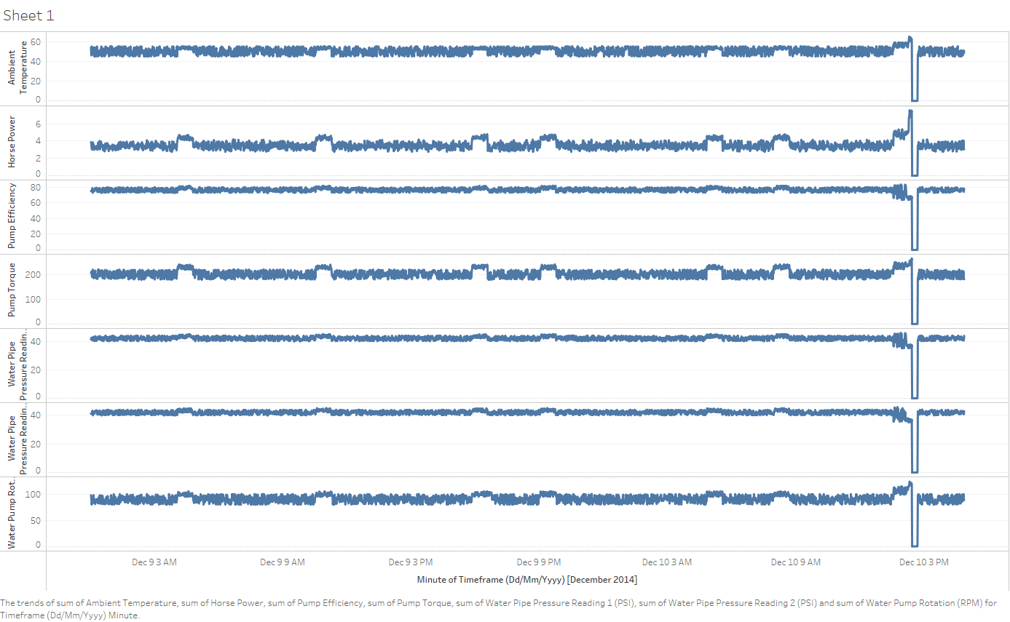
Q1. Create a line plot for all the variable(s) in the Data Repository Table where the Data Source is filtered to 'Raw', with the exception to this being the column labelled Pump Failure (1 or 0). Upon completion of this, list down what observation(s) you have noted from the time-series line plot. Are there any variables that seem to exhibit any irregular looking trends?

Horsepower spiked up 57% from 1 p.m. to 2 p.m., the ambient temperature and other variables rised rapidly, followed by a sharp drop or completely failure.

Looking at the data in this way, we can pick up a few abnormal events which seem to 'spike up'. However, these variables all have different units of measure and scale (I.e. Some numbers are in the low 10's, and others in the 100's.)
Let's create a Secondary Axes to help us better understand the view of the Horse Power and Pump Failure (1 or 0) variables.
The secondary axes essentially provides us with another Y-Axis that enables us to more easily view the data which is at a much smaller scale.
Q2. Just as you did in Q1, create a line plot for all the variable(s) in the Data Repository Table - Raw Tab. However, this time, ensure that the Horse Power Variable and the Pump Failure (1 or 0) Variable is plotted on the secondary axes.

What observations do you note when viewing the data in this way?

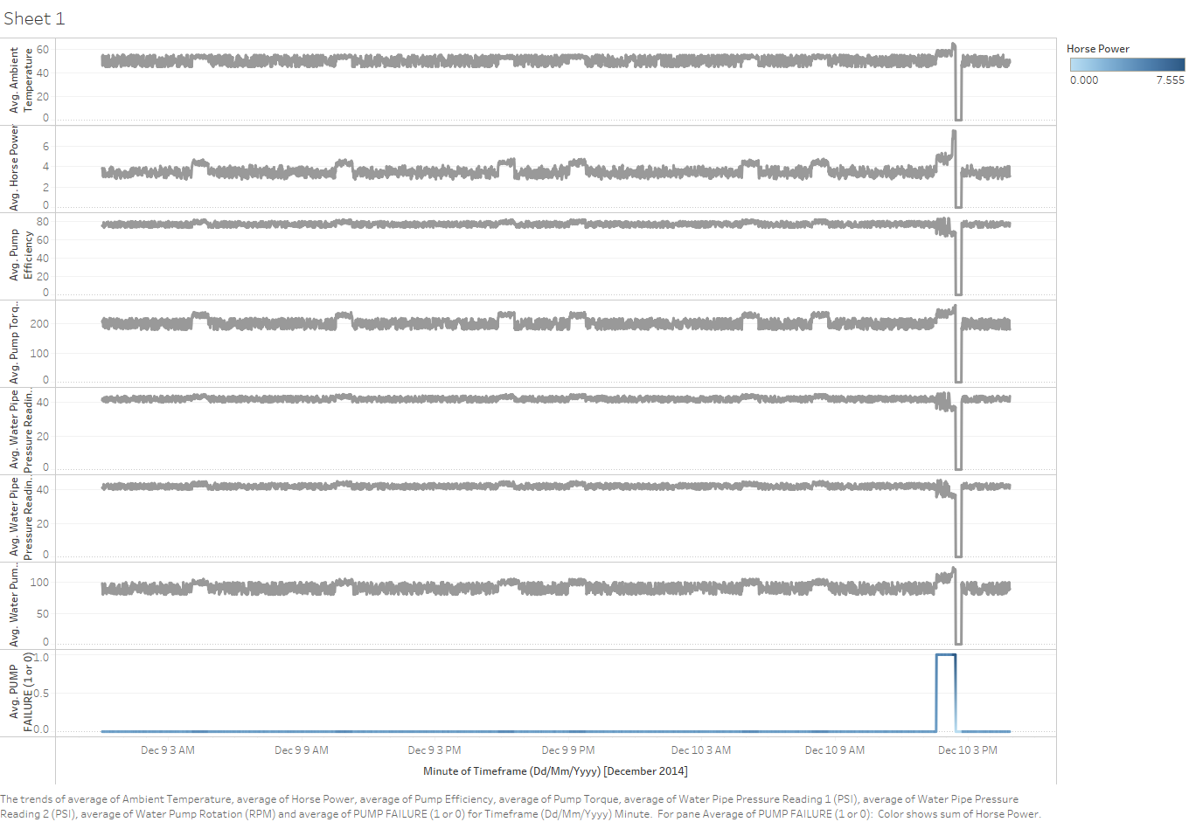

Horse power spikked up, followed by pump failuer.

Now we've made some observations when looking at the time-series data which is currently recorded every minute.
As you might tell, the data does look a little noisy at times and we might want to smooth this out so we don't have to look at as much data, but still retain the overall trends.
This is where we are introduced to a technique known as 'Upsampling'. Upsampling means you wish to aggregate the data at a higher frequency (i.e. Instead of every 1 minute, we might want the data to be sampled every 5 minutes instead)

Now we're going to combine this with another technique known as a rolling mean / rolling standard deviation.
When dealing with time series data, if we want to remove some of the 'noisiness' of the data, we can apply a rolling mean or rolling standard deviation transformation.
Earlier we covered the Mean and the Standard Deviation. The mean let's us know what the average is with the Standard Deviation letting us know how much 'dispersion' we are seeing over a data series.
A rolling mean and rolling deviation is essentially a window function that enables us to better understand what the dispersion of the data looks like when some of the noise is removed.

Q3. Just as you did in Q1 and Q2, create two line plots for all the variables in the DRT Rolling Stdev and DRT Rolling Mean Tabs. Ensure that the Horse Power variable and Pump Failure (1 or 0) are plotted on a secondary-axis. Note down what observations/trends emerge when you look at the data in this manner - are there any trends that are more pronounced with the Rolling Mean / Rolling Stdev data?

DRT Rolling Mean Plot
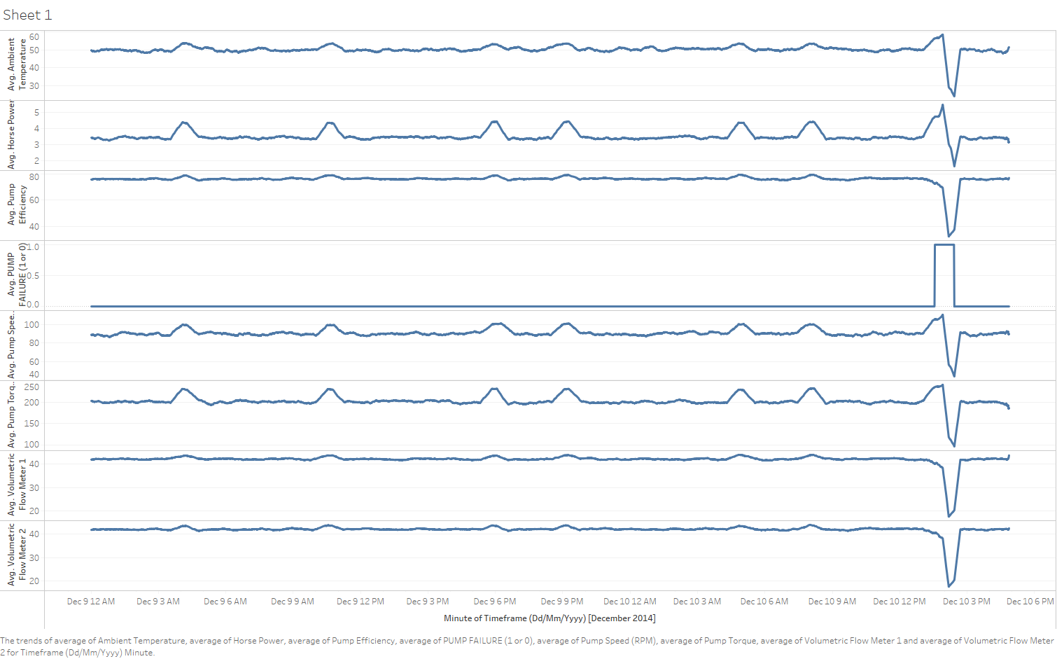

DRT Rolling Stdev Plot

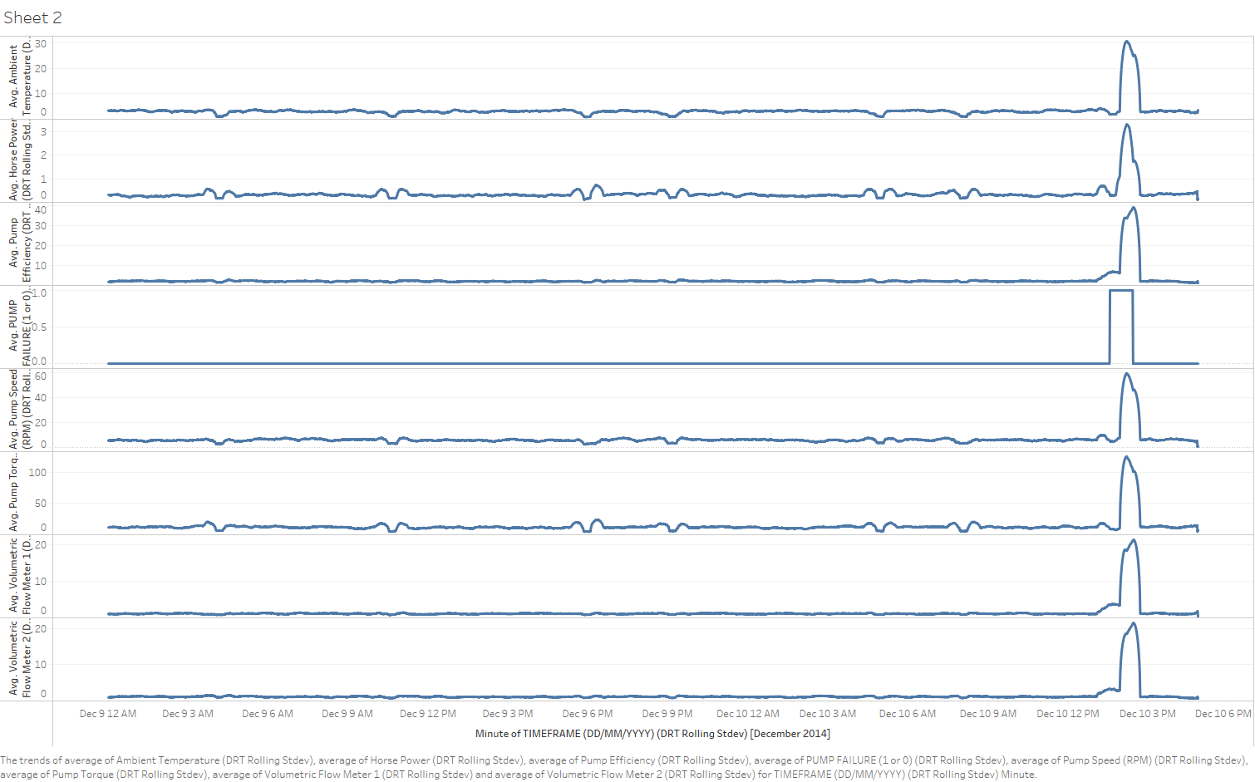

Standard deviation displays abnormal changes on a larger scale with positive figures.

Our previous analyses have enabled us to pick up some trend(s) that seem a little odd. We've noted in particular certain variables trending upwards in relation to a Failure.
We're now going to make use of one our descriptive analysis techniques known as Box Plots.
Box Plots are useful descriptive statistical tools that enable us to visualise the degree of dispersion that our variables in our time series have.
We've clearly observed some variance(s) being apparent in our time series with our earlier plots; We will now create two box plots below to see whether we can identify further pattern(s) with respect to the variance ranges and whether the Pump has failed or not.
Q4. Using the data in columns C through to I for each of the three (3) Data Repository Table - Raw, DRT Rolling Stdev and DRT Rolling Mean Tabs, create Two Box Plots. The first box plot will be filtered to contain the Pump Failure Data when Pump Failure is equal to 1 (The pump has failed). The second box plot will be filtered to contain the Pump Failure Data when Pump Failure is Equal to 0 (i.e. The Pump has not yet failed). You'll end up creating six (6) box plots, two for each dataset. Remember that when you change the Pump Failure Filter from 1 to 0, the Box Plots will automatically update so you will need to work out an approach to make sure the Box Plots retain either the Pump Failure = 1 or Pump Failure = 0 Data (Otherwise, your Box Plots may be skewed). What trends become apparent when viewing the data in this manner?

 | BoxPlot when Pump Failure = 0( Not Failed) | BoxPlot when Pump Failure = 1(Failed)
 | Dataset: Raw | Dataset: Raw
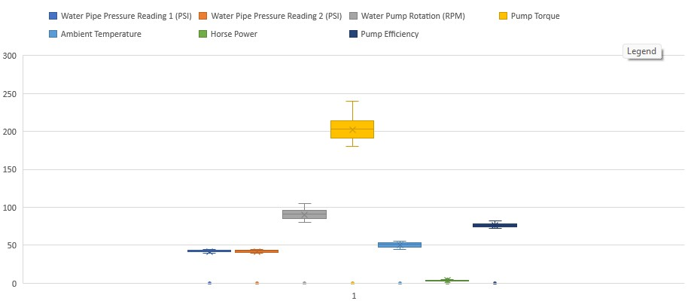
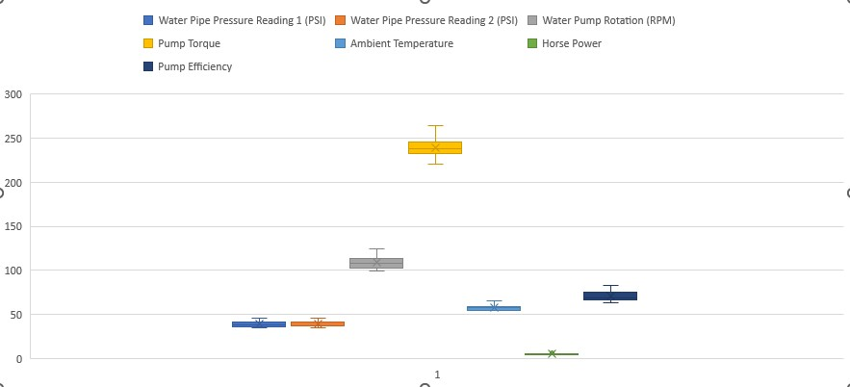

 | BoxPlot when Pump Failure = 0 ( Not Failed) | BoxPlot when Pump Failure = 1 (Failed)
 | Dataset: Rolling Mean (30 Minute) | Dataset: Rolling Mean (30 Minute)
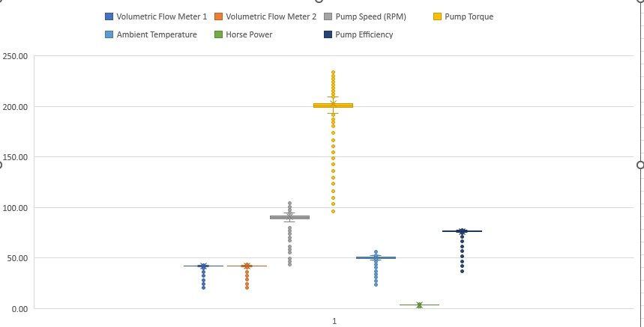
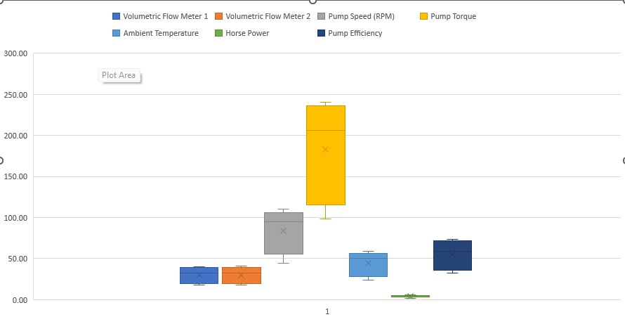

 | BoxPlot when Pump Failure = 0 ( Not Failed) | BoxPlot when Pump Failure = 1(Failed)
 | Dataset: Rolling Stdev (30 Minute) | Dataset:Rolling Stdev (30 Minute)
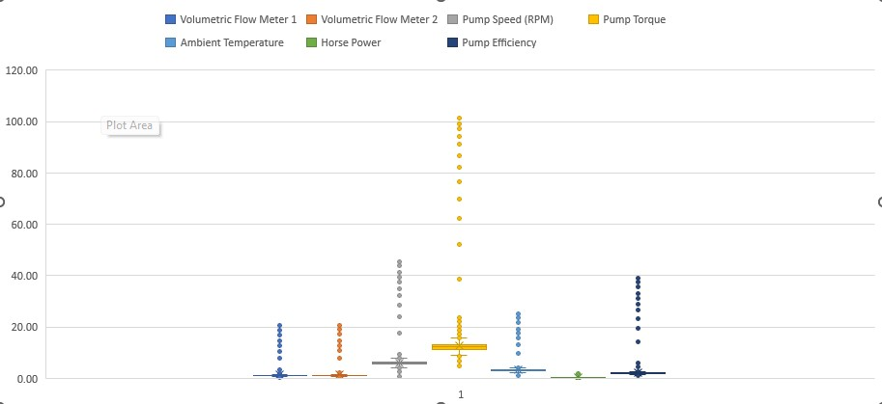
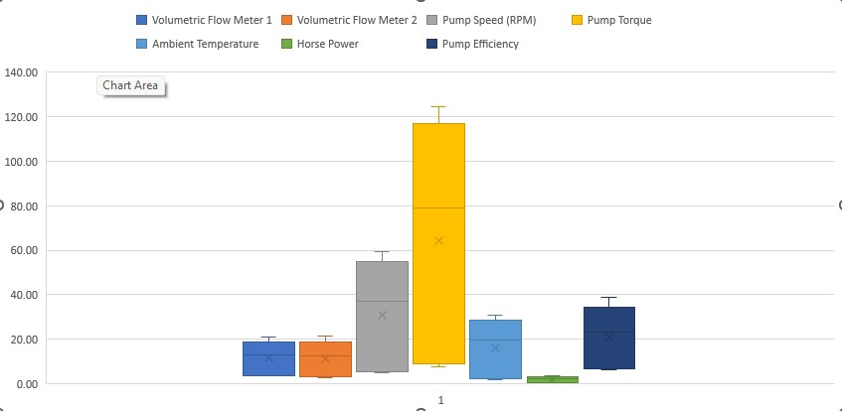

When pump failed, the box area is streched out, the mean value is higher and closer to the high end.

So far, we've reached the end of Part I of the Descriptive Statistics Case Study.
a number of trends have been identified from the descriptive analysis, we will explore with an inferential approach in Part II of the assignment.
Just because a variable looks like it may be related - this might not be the case. This is why we use Inferential Statistics to further back up our Descriptive Analysis.

Inferential Statistics Analysis
Inferential Statistics - Part II

previously, we've completed Descriptive Statistics that have enabled us to identify particular trends.
However, we want to solidify our confidence in these trends with some inferential statistics.
We've previously used Rolling Standard Deviations and Box Plots to help us understand from a descriptive stand point, what variables stand out the most in relation to our trend analysis.

Now we want to be able to create a multivariate equation that will become a statistical alarm that the Engineers can use to pick up Pump Failure without having to analyse the data all the time themselves.
We'll now create this alarm using the tools of Inferential Statistics such as Correlations, P-Values and Multivariate Regression to help us close out this Statistics Story!

We've previously understood that Pump Torque, Pump Efficiency and other variables seem to have a relationship with respect to Pump Failure.
We want to amplify this by creating a correlation heatmap for each of the three (3) datasets, Raw, Rolling Mean (30 Minutes) and Rolling Standard Deviation (30 Minutes) and understand which variables are most strongly correlated with Pump Failure.
Q5.Using the three datasets in the Data Repository Tab (Raw, Rolling Mean (30 Minutes), Rolling Standard Deviation (30 Minutes)), create three separate correlation heatmaps. What do you observe about the correlations when focusing specifically on the 'Pump Failure (1 or 0)' Row? Note: It may be helpful to apply conditional formatting to make the correlation scores easier to interpret! (i.e. The closer to 1 is green, the closer to -1 is red)
Raw Data Correlation Heatmap |  |  |  |  |  |  |  |  | Rolling Mean (30 Minute) Correlation Heatmap |  |  |  |  |  |  |  |  | Rolling Standard Deviation (30 Minute) Correlation Heatmap
 | Volumetric Flow Meter 1 | Volumetric Flow Meter 2 | Pump Speed (RPM) | Pump Torque | Ambient Temperature | Horse Power | Pump Efficiency | PUMP FAILURE (1 or 0) |  | Volumetric Flow Meter 1 | Volumetric Flow Meter 2 | Pump Speed (RPM) | Pump Torque | Ambient Temperature | Horse Power | Pump Efficiency | PUMP FAILURE (1 or 0) |  | Volumetric Flow Meter 1 | Volumetric Flow Meter 2 | Pump Speed (RPM) | Pump Torque | Ambient Temperature | Horse Power | Pump Efficiency | PUMP FAILURE (1 or 0)
Volumetric Flow Meter 1 | 1.000 |  |  |  |  |  |  |  | Volumetric Flow Meter 1 | 1.000 |  |  |  |  |  |  |  | Volumetric Flow Meter 1 | 1.000
Volumetric Flow Meter 2 | 0.893 | 1.000 |  |  |  |  |  |  | Volumetric Flow Meter 2 | 0.994 | 1.000 |  |  |  |  |  |  | Volumetric Flow Meter 2 | 0.997 | 1.000
Pump Speed (RPM) | 0.675 | 0.672 | 1.000 |  |  |  |  |  | Pump Speed (RPM) | 0.740 | 0.729 | 1.000 |  |  |  |  |  | Pump Speed (RPM) | 0.968 | 0.968 | 1.000
Pump Torque | 0.701 | 0.692 | 0.711 | 1.000 |  |  |  |  | Pump Torque | 0.748 | 0.733 | 0.951 | 1.000 |  |  |  |  | Pump Torque | 0.962 | 0.965 | 0.979 | 1.000
Ambient Temperature | 0.714 | 0.710 | 0.675 | 0.680 | 1.000 |  |  |  | Ambient Temperature | 0.842 | 0.836 | 0.920 | 0.914 | 1.000 |  |  |  | Ambient Temperature | 0.965 | 0.966 | 0.986 | 0.973 | 1.000
Horse Power | 0.470 | 0.462 | 0.848 | 0.848 | 0.579 | 1.000 |  |  | Horse Power | 0.318 | 0.299 | 0.835 | 0.852 | 0.670 | 1.000 |  |  | Horse Power | 0.906 | 0.907 | 0.950 | 0.962 | 0.926 | 1.000
Pump Efficiency | 0.913 | 0.980 | 0.678 | 0.699 | 0.713 | 0.472 | 1.000 |  | Pump Efficiency | 0.994 | 0.999 | 0.736 | 0.739 | 0.840 | 0.308 | 1.000 |  | Pump Efficiency | 0.998 | 0.999 | 0.968 | 0.963 | 0.965 | 0.907 | 1.000
PUMP FAILURE (1 or 0) | -0.102 | -0.112 | 0.260 | 0.233 | 0.208 | 0.422 | -0.103 | 1.000 | PUMP FAILURE (1 or 0) | -0.692 | -0.698 | -0.184 | -0.216 | -0.303 | 0.218 | -0.695 | 1.000 | PUMP FAILURE (1 or 0) | 0.645 | 0.626 | 0.625 | 0.597 | 0.600 | 0.690 | 0.644 | 1.000

Based on the Raw correlation heatmap, pump failure(1 or 0) is more correlated with horse power, pump torque, and pump speed.
Rather than look at all the correlation heatmap values - let's focus specifically on the Pump Failure (1 or 0) Column.

Q6. For each of the three Correlation Heatmaps you have created, create THREE Column Charts using the Pump Failure (1 or 0) data (Row 23) and order this in descending order.
We've created the tables for you - you just need to fill them in with the Pump Failure (1 or 0) coefficients you've calculated in Q5 and make sure its ordered in DESCENDING order.

PUMP FAILURE (1 or 0) |  |  |  |  |  |  |  |  | PUMP FAILURE (1 or 0) |  |  |  |  |  |  |  |  | PUMP FAILURE (1 or 0)
Raw Data | Correlation Coefficient |  |  |  |  |  |  |  | Rolling Mean (30 Minute) | Correlation Coefficient |  |  |  |  |  |  |  | Rolling Stdev (30 Minute) | Correlation Coefficient
Horse Power | 0.42 |  |  |  |  |  |  |  | Horse Power | 0.22 |  |  |  |  |  |  |  | Horse Power | 0.69
Pump Speed (RPM) | 0.26 |  |  |  |  |  |  |  | Pump Speed (RPM) | -0.18 |  |  |  |  |  |  |  | Volumetric Flow Meter 1 | 0.64
Pump Torque | 0.23 |  |  |  |  |  |  |  | Pump Torque | -0.22 |  |  |  |  |  |  |  | Pump Efficiency | 0.64
Ambient Temperature | 0.21 |  |  |  |  |  |  |  | Ambient Temperature | -0.30 |  |  |  |  |  |  |  | Volumetric Flow Meter 2 | 0.63
Volumetric Flow Meter 2 | -0.11 |  |  |  |  |  |  |  | Volumetric Flow Meter 1 | -0.69 |  |  |  |  |  |  |  | Pump Speed (RPM) | 0.62
Volumetric Flow Meter 1 | -0.10 |  |  |  |  |  |  |  | Pump Efficiency | -0.70 |  |  |  |  |  |  |  | Ambient Temperature | 0.60
Pump Efficiency | -0.10 |  |  |  |  |  |  |  | Volumetric Flow Meter 2 | -0.70 |  |  |  |  |  |  |  | Pump Torque | 0.60

Column Chart (Correlation Coefficient Pump Failure (1 or 0) - Raw Data |  |  |  |  |  |  |  |  | Column Chart (Correlation Coefficient Pump Failure (1 or 0) - Rolling Mean (30 Minute) Data |  |  |  |  |  |  |  |  | Column Chart (Correlation Coefficient Pump Failure (1 or 0) - Rolling Stdev (30 Minute) Data

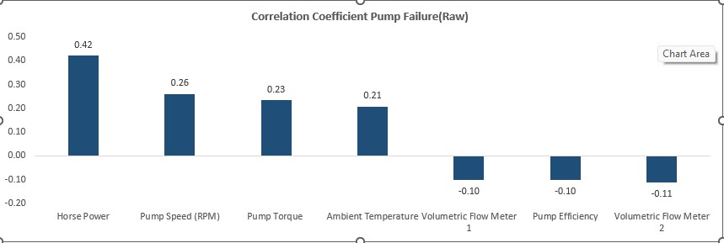
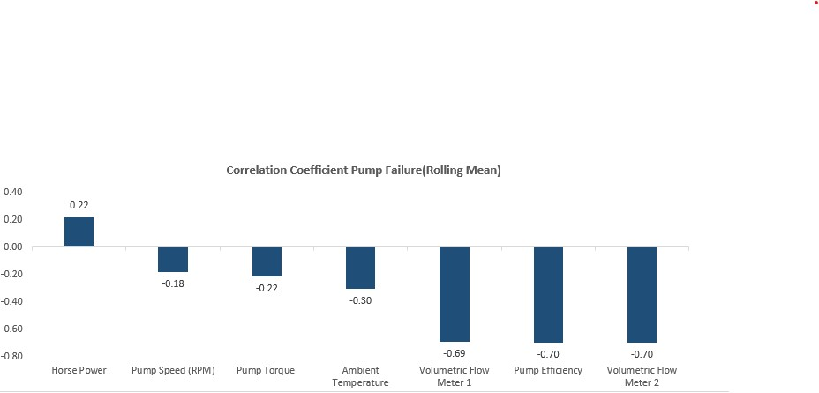

Looking at all three of our correlation heat-maps and associated correlation column plots, it is apparent that one of our three data-sets happens to show variables which are closely correlated with Pump Failure. (The Rolling Standard Deviation Dataset).

Now we want to help Southern Water Corp create a Linear Regressive Model by using rolling standard deviation to better predict Pump Failure.
Q7. Using the Data Preparation Tab, create a multivariate linear regression. As you look at the Summary Output from the Linear Regression Model - what does the R Squared Value tell you about your model? What about the P-Value?
Based on rolling stdev dataset R Square is the coefficient of determination, indicating the goodness of fit. In this example, R square is 0.77, meaning 77% of our values fit the regression analysis model.
The p-value measures the probability that the null hypothesis is true. A low p-value suggests that the coefficient is statistically significant.
Now from our previous analysis, we had identified which variable(s) are significant based off the P-Values.
For all the variables that have a P-Value > 0.05, they are deemed statistically insignificant.
For all the variables that have a P-Value < 0.05, they are deemed statistically significant and we will keep them in our regressive analysis.
In this case, the P-value is 0, indicates the statistically significant.
Using the variable(s) we have identified as significant, we are going to create a regressive equation model and plot this against the data in DRT Rolling Stdev Tab.
See sheet Regression & data prep for details.

Q8. Create the Multivariate Regression Equation Values for each row using the Regression Coefficients you have calculated in Q7. From your output, this will become the Statistical Alarm Signal that the Engineers will observe in the future for abnormalities. Place each co-efficient that you have calculated in the table titled 'Co-Efficients (Taken from the Summary Output Tab created when you calculate the Multivariate Regression)' in the Data Preparation Tab.
Having completed this, subsequently plot out the Multivariate Equation Values you've calculated versus the Pump Failure. Add in the Horse Power and Pump Efficiency Variables from the Data Preparation Tab. horse power, pump failure, regression equation are on the secondary axe.

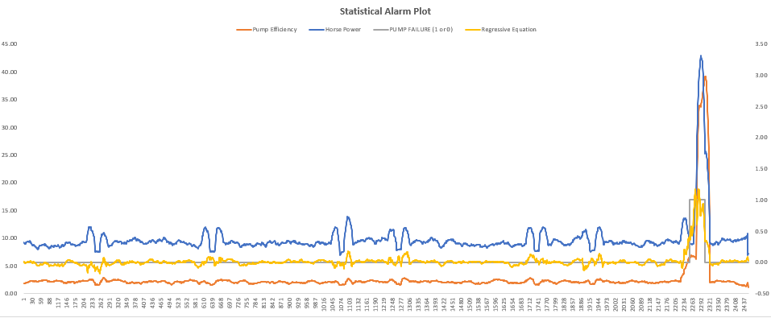

Q9. Revisiting the Regression Coefficients you have calculated in Q7, create a Column Chart that shows in descending order, each variables Regression Coefficient. Having completed this - what does this tell you about the variables that have the largest absolute impact towards Pump Failure? Additionally, how is this regression coefficient different from the correlation coefficient?

Regression is the slop of a line, used to build predictive model, which I used to create regression equation.(see Regression & data prep tab) The largest absolute value of the regression variable has the greatest impact on pump failure.
Correlation is a number between -1 and 1, with a value close to -1 or 1 indicating a strong relationship. (see Regression Stat & Calculation tab)

We've managed to create a Statistical Alarm that the Engineers can look at and use to identify potential Pump Failure for the Surjek Asset!

