DRT Rolling Mean
Data Source | TIMEFRAME (DD/MM/YYYY) | Volumetric Flow Meter 1 | Volumetric Flow Meter 2 | Pump Speed (RPM) | Pump Torque | Ambient Temperature | Horse Power | Pump Efficiency | PUMP FAILURE (1 or 0)
Rolling Mean (30 Minute) | 12/9/14 | 41.78 | 41.76 | 88.94 | 202.74 | 49.81 | 3.44 | 75.92 | 0
Rolling Mean (30 Minute) | 12/9/14 | 41.79 | 41.74 | 88.39 | 203.10 | 49.52 | 3.42 | 75.89 | 0
Rolling Mean (30 Minute) | 12/9/14 | 41.79 | 41.79 | 88.55 | 202.42 | 49.52 | 3.41 | 75.99 | 0
Rolling Mean (30 Minute) | 12/9/14 | 41.83 | 41.83 | 89.03 | 201.71 | 49.23 | 3.42 | 76.05 | 0
Rolling Mean (30 Minute) | 12/9/14 | 41.82 | 41.91 | 88.97 | 201.74 | 49.35 | 3.42 | 76.21 | 0
Rolling Mean (30 Minute) | 12/9/14 | 41.81 | 41.90 | 88.97 | 201.71 | 49.35 | 3.42 | 76.19 | 0
Rolling Mean (30 Minute) | 12/9/14 | 41.82 | 42.00 | 88.81 | 201.45 | 49.48 | 3.41 | 76.37 | 0
Rolling Mean (30 Minute) | 12/9/14 | 41.81 | 41.97 | 88.74 | 200.77 | 49.32 | 3.39 | 76.32 | 0
Rolling Mean 30 Minu
 | Volumetric Flow Meter 1 | Volumetric Flow Meter 2 | Pump Speed (RPM) | Pump Torque | Ambient Temperature | Horse Power | Pump Efficiency | PUMP FAILURE (1 or 0)
 | 41.78 | 41.76 | 88.94 | 202.74 | 49.81 | 3.44 | 75.92 | 0
 | 41.79 | 41.74 | 88.39 | 203.10 | 49.52 | 3.42 | 75.89 | 0
 | 41.79 | 41.79 | 88.55 | 202.42 | 49.52 | 3.41 | 75.99 | 0
 | 41.83 | 41.83 | 89.03 | 201.71 | 49.23 | 3.42 | 76.05 | 0
 | 41.82 | 41.91 | 88.97 | 201.74 | 49.35 | 3.42 | 76.21 | 0
 | 41.81 | 41.90 | 88.97 | 201.71 | 49.35 | 3.42 | 76.19 | 0
 | 41.82 | 42.00 | 88.81 | 201.45 | 49.48 | 3.41 | 76.37 | 0
 | 41.81 | 41.97 | 88.74 | 200.77 | 49.32 | 3.39 | 76.32 | 0
 | 41.85 | 42.01 | 88.19 | 200.35 | 49.03 | 3.37 | 76.37 | 0
 | 41.90 | 41.99 | 87.87 | 200.45 | 49.00 | 3.36 | 76.34 | 0
 | 42.00 | 42.02 | 88.06 | 201.42 | 49.03 | 3.38 | 76.39 | 0
 | 42.12 | 42.08 | 87.94 | 201.23 | 49.16 | 3.37 | 76.50 | 0
 | 42.06 | 42.00 | 88.29 | 201.10 | 49.13 | 3.38 | 76.36 | 0
 | 42.11 | 41.93 | 88.68 | 200.87 | 49.23 | 3.39 | 76.24 | 0
 | 42.07 | 41.88 | 88.87 | 201.23 | 49.23 | 3.41 | 76.14 | 0
 | 42.00 | 41.84 | 88.90 | 201.84 | 49.29 | 3.42 | 76.07 | 0
 | 42.01 | 41.89 | 89.16 | 201.97 | 49.55 | 3.43 | 76.17 | 0
 | 42.05 | 41.89 | 89.35 | 202.00 | 49.61 | 3.44 | 76.17 | 0
 | 42.07 | 41.89 | 89.29 | 202.16 | 49.42 | 3.44 | 76.16 | 0
 | 42.08 | 41.88 | 89.10 | 202.45 | 49.45 | 3.44 | 76.14 | 0
 | 42.02 | 41.85 | 89.03 | 202.16 | 49.29 | 3.43 | 76.09 | 0
 | 42.03 | 41.91 | 88.94 | 201.74 | 49.29 | 3.42 | 76.20 | 0
 | 42.06 | 41.85 | 88.71 | 201.35 | 49.42 | 3.40 | 76.09 | 0
 | 41.96 | 41.92 | 88.52 | 201.19 | 49.58 | 3.39 | 76.22 | 0
 | 41.98 | 41.94 | 88.61 | 200.68 | 49.87 | 3.39 | 76.25 | 0
 | 41.93 | 41.94 | 88.10 | 200.39 | 50.06 | 3.36 | 76.25 | 0
 | 41.97 | 42.03 | 88.58 | 200.06 | 50.19 | 3.37 | 76.41 | 0
 | 41.96 | 42.02 | 88.32 | 199.65 | 50.13 | 3.36 | 76.40 | 0
 | 41.98 | 42.08 | 88.45 | 198.97 | 50.00 | 3.35 | 76.50 | 0
 | 41.92 | 42.03 | 87.90 | 198.84 | 50.29 | 3.33 | 76.42 | 0
 | 42.00 | 42.02 | 87.94 | 198.55 | 50.06 | 3.32 | 76.39 | 0
 | 42.12 | 42.11 | 87.42 | 198.26 | 49.90 | 3.30 | 76.56 | 0
 | 42.14 | 42.09 | 87.58 | 197.77 | 49.94 | 3.30 | 76.53 | 0
 | 42.11 | 42.02 | 87.29 | 198.48 | 50.03 | 3.30 | 76.39 | 0
 | 42.03 | 42.01 | 87.45 | 198.45 | 50.23 | 3.30 | 76.38 | 0
 | 42.09 | 41.97 | 87.42 | 199.16 | 50.16 | 3.31 | 76.31 | 0
 | 42.13 | 41.92 | 87.35 | 198.90 | 50.26 | 3.31 | 76.22 | 0
 | 42.05 | 41.83 | 87.35 | 198.23 | 50.13 | 3.30 | 76.05 | 0
 | 42.06 | 41.92 | 87.71 | 198.26 | 50.23 | 3.31 | 76.22 | 0
 | 42.05 | 41.91 | 87.81 | 198.26 | 50.26 | 3.31 | 76.20 | 0
 | 42.00 | 41.98 | 87.94 | 199.00 | 50.29 | 3.33 | 76.33 | 0
 | 41.99 | 42.00 | 87.74 | 198.42 | 50.55 | 3.31 | 76.37 | 0
 | 41.91 | 41.92 | 87.87 | 197.94 | 50.26 | 3.31 | 76.23 | 0
 | 41.91 | 41.95 | 87.48 | 198.39 | 50.06 | 3.30 | 76.27 | 0
 | 41.82 | 41.96 | 87.23 | 198.68 | 50.16 | 3.30 | 76.29 | 0
 | 41.82 | 42.01 | 87.13 | 198.32 | 50.10 | 3.29 | 76.38 | 0
 | 41.85 | 41.98 | 86.84 | 198.10 | 50.13 | 3.27 | 76.33 | 0
 | 41.87 | 41.98 | 86.48 | 197.97 | 50.03 | 3.26 | 76.32 | 0
 | 41.86 | 41.95 | 86.45 | 198.29 | 50.19 | 3.26 | 76.27 | 0
 | 41.85 | 41.91 | 86.23 | 198.81 | 50.39 | 3.26 | 76.21 | 0
...
Rolling Mean (30 Minute) | 12/9/14 | 41.85 | 42.01 | 88.19 | 200.35 | 49.03 | 3.37 | 76.37 | 0
Rolling Mean (30 Minute) | 12/9/14 | 41.90 | 41.99 | 87.87 | 200.45 | 49.00 | 3.36 | 76.34 | 0
Rolling Mean (30 Minute) | 12/9/14 | 42.00 | 42.02 | 88.06 | 201.42 | 49.03 | 3.38 | 76.39 | 0
Rolling Mean (30 Minute) | 12/9/14 | 42.12 | 42.08 | 87.94 | 201.23 | 49.16 | 3.37 | 76.50 | 0
Rolling Mean (30 Minute) | 12/9/14 | 42.06 | 42.00 | 88.29 | 201.10 | 49.13 | 3.38 | 76.36 | 0
Rolling Mean (30 Minute) | 12/9/14 | 42.11 | 41.93 | 88.68 | 200.87 | 49.23 | 3.39 | 76.24 | 0
Rolling Mean (30 Minute) | 12/9/14 | 42.07 | 41.88 | 88.87 | 201.23 | 49.23 | 3.41 | 76.14 | 0
Rolling Mean (30 Minute) | 12/9/14 | 42.00 | 41.84 | 88.90 | 201.84 | 49.29 | 3.42 | 76.07 | 0
Rolling Mean (30 Minute) | 12/9/14 | 42.01 | 41.89 | 89.16 | 201.97 | 49.55 | 3.43 | 76.17 | 0
Rolling Mean (30 Minute) | 12/9/14 | 42.05 | 41.89 | 89.35 | 202.00 | 49.61 | 3.44 | 76.17 | 0
Rolling Mean (30 Minute) | 12/9/14 | 42.07 | 41.89 | 89.29 | 202.16 | 49.42 | 3.44 | 76.16 | 0
Rolling Mean (30 Minute) | 12/9/14 | 42.08 | 41.88 | 89.10 | 202.45 | 49.45 | 3.44 | 76.14 | 0
Rolling Mean (30 Minute) | 12/9/14 | 42.02 | 41.85 | 89.03 | 202.16 | 49.29 | 3.43 | 76.09 | 0
Rolling Mean (30 Minute) | 12/9/14 | 42.03 | 41.91 | 88.94 | 201.74 | 49.29 | 3.42 | 76.20 | 0
Rolling Mean (30 Minute) | 12/9/14 | 42.06 | 41.85 | 88.71 | 201.35 | 49.42 | 3.40 | 76.09 | 0
Rolling Mean (30 Minute) | 12/9/14 | 41.96 | 41.92 | 88.52 | 201.19 | 49.58 | 3.39 | 76.22 | 0
Rolling Mean (30 Minute) | 12/9/14 | 41.98 | 41.94 | 88.61 | 200.68 | 49.87 | 3.39 | 76.25 | 0
Rolling Mean (30 Minute) | 12/9/14 | 41.93 | 41.94 | 88.10 | 200.39 | 50.06 | 3.36 | 76.25 | 0
Rolling Mean (30 Minute) | 12/9/14 | 41.97 | 42.03 | 88.58 | 200.06 | 50.19 | 3.37 | 76.41 | 0
Rolling Mean (30 Minute) | 12/9/14 | 41.96 | 42.02 | 88.32 | 199.65 | 50.13 | 3.36 | 76.40 | 0
Rolling Mean (30 Minute) | 12/9/14 | 41.98 | 42.08 | 88.45 | 198.97 | 50.00 | 3.35 | 76.50 | 0
Rolling Mean (30 Minute) | 12/9/14 | 41.92 | 42.03 | 87.90 | 198.84 | 50.29 | 3.33 | 76.42 | 0
Rolling Mean (30 Minute) | 12/9/14 | 42.00 | 42.02 | 87.94 | 198.55 | 50.06 | 3.32 | 76.39 | 0
Rolling Mean (30 Minute) | 12/9/14 | 42.12 | 42.11 | 87.42 | 198.26 | 49.90 | 3.30 | 76.56 | 0
Rolling Mean (30 Minute) | 12/9/14 | 42.14 | 42.09 | 87.58 | 197.77 | 49.94 | 3.30 | 76.53 | 0
Rolling Mean (30 Minute) | 12/9/14 | 42.11 | 42.02 | 87.29 | 198.48 | 50.03 | 3.30 | 76.39 | 0
Rolling Mean (30 Minute) | 12/9/14 | 42.03 | 42.01 | 87.45 | 198.45 | 50.23 | 3.30 | 76.38 | 0
Rolling Mean (30 Minute) | 12/9/14 | 42.09 | 41.97 | 87.42 | 199.16 | 50.16 | 3.31 | 76.31 | 0
Rolling Mean (30 Minute) | 12/9/14 | 42.13 | 41.92 | 87.35 | 198.90 | 50.26 | 3.31 | 76.22 | 0
Rolling Mean (30 Minute) | 12/9/14 | 42.05 | 41.83 | 87.35 | 198.23 | 50.13 | 3.30 | 76.05 | 0
Rolling Mean (30 Minute) | 12/9/14 | 42.06 | 41.92 | 87.71 | 198.26 | 50.23 | 3.31 | 76.22 | 0
Rolling Mean (30 Minute) | 12/9/14 | 42.05 | 41.91 | 87.81 | 198.26 | 50.26 | 3.31 | 76.20 | 0
Rolling Mean (30 Minute) | 12/9/14 | 42.00 | 41.98 | 87.94 | 199.00 | 50.29 | 3.33 | 76.33 | 0
Rolling Mean (30 Minute) | 12/9/14 | 41.99 | 42.00 | 87.74 | 198.42 | 50.55 | 3.31 | 76.37 | 0
Rolling Mean (30 Minute) | 12/9/14 | 41.91 | 41.92 | 87.87 | 197.94 | 50.26 | 3.31 | 76.23 | 0
Rolling Mean (30 Minute) | 12/9/14 | 41.91 | 41.95 | 87.48 | 198.39 | 50.06 | 3.30 | 76.27 | 0
Rolling Mean (30 Minute) | 12/9/14 | 41.82 | 41.96 | 87.23 | 198.68 | 50.16 | 3.30 | 76.29 | 0
Rolling Mean (30 Minute) | 12/9/14 | 41.82 | 42.01 | 87.13 | 198.32 | 50.10 | 3.29 | 76.38 | 0
Rolling Mean (30 Minute) | 12/9/14 | 41.85 | 41.98 | 86.84 | 198.10 | 50.13 | 3.27 | 76.33 | 0
Rolling Mean (30 Minute) | 12/9/14 | 41.87 | 41.98 | 86.48 | 197.97 | 50.03 | 3.26 | 76.32 | 0
Rolling Mean (30 Minute) | 12/9/14 | 41.86 | 41.95 | 86.45 | 198.29 | 50.19 | 3.26 | 76.27 | 0
Rolling Mean (30 Minute) | 12/9/14 | 41.85 | 41.91 | 86.23 | 198.81 | 50.39 | 3.26 | 76.21 | 0
Rolling Mean (30 Minute) | 12/9/14 | 41.88 | 42.02 | 86.58 | 199.74 | 50.39 | 3.29 | 76.41 | 0
Rolling Mean (30 Minute) | 12/9/14 | 41.95 | 41.99 | 87.19 | 200.23 | 50.39 | 3.32 | 76.35 | 0
Rolling Mean (30 Minute) | 12/9/14 | 41.90 | 41.90 | 87.06 | 199.77 | 50.42 | 3.31 | 76.19 | 0
Rolling Mean (30 Minute) | 12/9/14 | 41.87 | 42.00 | 87.13 | 199.23 | 50.23 | 3.30 | 76.36 | 0
Rolling Mean (30 Minute) | 12/9/14 | 41.98 | 42.01 | 87.61 | 199.16 | 50.23 | 3.32 | 76.37 | 0
Rolling Mean (30 Minute) | 12/9/14 | 41.97 | 42.03 | 87.71 | 199.29 | 50.23 | 3.33 | 76.43 | 0
Rolling Mean (30 Minute) | 12/9/14 | 42.06 | 42.02 | 88.10 | 198.77 | 50.23 | 3.33 | 76.40 | 0
Rolling Mean (30 Minute) | 12/9/14 | 42.03 | 41.95 | 87.84 | 199.45 | 49.90 | 3.33 | 76.28 | 0
Rolling Mean (30 Minute) | 12/9/14 | 42.04 | 41.88 | 88.06 | 199.32 | 49.97 | 3.34 | 76.15 | 0
Rolling Mean (30 Minute) | 12/9/14 | 42.08 | 41.89 | 88.39 | 199.06 | 50.13 | 3.35 | 76.16 | 0
Rolling Mean (30 Minute) | 12/9/14 | 42.07 | 41.98 | 88.65 | 198.74 | 49.81 | 3.35 | 76.32 | 0
Rolling Mean (30 Minute) | 12/9/14 | 42.01 | 41.98 | 88.65 | 199.29 | 49.94 | 3.36 | 76.34 | 0
Rolling Mean (30 Minute) | 12/9/14 | 42.00 | 41.95 | 88.90 | 200.23 | 50.16 | 3.39 | 76.27 | 0
Rolling Mean (30 Minute) | 12/9/14 | 41.95 | 41.95 | 89.06 | 200.71 | 50.45 | 3.40 | 76.27 | 0
Rolling Mean (30 Minute) | 12/9/14 | 41.96 | 42.02 | 89.29 | 199.87 | 50.39 | 3.40 | 76.40 | 0
Rolling Mean (30 Minute) | 12/9/14 | 42.05 | 41.99 | 88.81 | 200.42 | 50.23 | 3.39 | 76.34 | 0
Rolling Mean (30 Minute) | 12/9/14 | 42.03 | 41.95 | 88.94 | 199.90 | 50.13 | 3.38 | 76.27 | 0
Rolling Mean (30 Minute) | 12/9/14 | 42.00 | 42.01 | 89.06 | 200.68 | 50.19 | 3.40 | 76.39 | 0
Rolling Mean (30 Minute) | 12/9/14 | 42.03 | 42.02 | 89.26 | 201.26 | 50.23 | 3.42 | 76.41 | 0
Rolling Mean (30 Minute) | 12/9/14 | 42.06 | 41.98 | 88.94 | 201.48 | 50.26 | 3.41 | 76.33 | 0
Rolling Mean (30 Minute) | 12/9/14 | 42.01 | 41.93 | 89.35 | 202.45 | 50.35 | 3.44 | 76.24 | 0
Rolling Mean (30 Minute) | 12/9/14 | 42.07 | 41.93 | 89.84 | 201.90 | 50.35 | 3.45 | 76.23 | 0
Rolling Mean (30 Minute) | 12/9/14 | 42.03 | 41.88 | 90.19 | 201.68 | 50.16 | 3.46 | 76.15 | 0
Rolling Mean (30 Minute) | 12/9/14 | 42.04 | 41.97 | 90.45 | 202.35 | 50.16 | 3.48 | 76.31 | 0
Rolling Mean (30 Minute) | 12/9/14 | 42.12 | 41.97 | 90.52 | 202.42 | 50.26 | 3.49 | 76.32 | 0
Rolling Mean (30 Minute) | 12/9/14 | 42.18 | 42.04 | 90.77 | 201.23 | 50.26 | 3.48 | 76.43 | 0
Rolling Mean (30 Minute) | 12/9/14 | 42.18 | 42.02 | 90.94 | 201.06 | 50.48 | 3.48 | 76.41 | 0
Rolling Mean (30 Minute) | 12/9/14 | 42.23 | 42.04 | 91.29 | 200.58 | 50.29 | 3.49 | 76.43 | 0
Rolling Mean (30 Minute) | 12/9/14 | 42.27 | 41.96 | 91.35 | 200.77 | 50.13 | 3.49 | 76.30 | 0
Rolling Mean (30 Minute) | 12/9/14 | 42.24 | 41.93 | 91.13 | 200.81 | 50.00 | 3.48 | 76.24 | 0
Rolling Mean (30 Minute) | 12/9/14 | 42.17 | 42.02 | 91.65 | 200.58 | 49.84 | 3.50 | 76.40 | 0
Rolling Mean (30 Minute) | 12/9/14 | 42.19 | 41.95 | 91.84 | 199.42 | 49.90 | 3.49 | 76.28 | 0
Rolling Mean (30 Minute) | 12/9/14 | 42.25 | 41.96 | 91.48 | 200.03 | 49.97 | 3.48 | 76.28 | 0
Rolling Mean (30 Minute) | 12/9/14 | 42.20 | 42.05 | 91.84 | 200.74 | 49.97 | 3.51 | 76.45 | 0
Rolling Mean (30 Minute) | 12/9/14 | 42.27 | 41.96 | 91.71 | 201.65 | 50.06 | 3.52 | 76.29 | 0
Rolling Mean (30 Minute) | 12/9/14 | 42.17 | 41.92 | 91.65 | 201.10 | 50.00 | 3.51 | 76.22 | 0
Rolling Mean (30 Minute) | 12/9/14 | 42.12 | 41.86 | 91.45 | 201.87 | 49.81 | 3.51 | 76.11 | 0
Rolling Mean (30 Minute) | 12/9/14 | 42.11 | 41.86 | 91.65 | 201.61 | 49.65 | 3.51 | 76.11 | 0
Rolling Mean (30 Minute) | 12/9/14 | 42.09 | 41.88 | 91.81 | 202.13 | 49.65 | 3.53 | 76.14 | 0
Rolling Mean (30 Minute) | 12/9/14 | 42.00 | 41.89 | 91.68 | 202.84 | 49.68 | 3.54 | 76.17 | 0
Rolling Mean (30 Minute) | 12/9/14 | 41.92 | 41.89 | 91.65 | 203.42 | 49.65 | 3.55 | 76.16 | 0
Rolling Mean (30 Minute) | 12/9/14 | 42.02 | 41.80 | 91.81 | 202.81 | 49.94 | 3.54 | 75.99 | 0
Rolling Mean (30 Minute) | 12/9/14 | 42.06 | 41.87 | 91.45 | 201.94 | 49.81 | 3.51 | 76.13 | 0
Rolling Mean (30 Minute) | 12/9/14 | 42.05 | 41.85 | 91.19 | 202.00 | 49.48 | 3.50 | 76.09 | 0
Rolling Mean (30 Minute) | 12/9/14 | 42.11 | 41.92 | 91.10 | 200.94 | 49.39 | 3.48 | 76.22 | 0
Rolling Mean (30 Minute) | 12/9/14 | 42.18 | 41.94 | 90.65 | 201.39 | 49.61 | 3.47 | 76.25 | 0
Rolling Mean (30 Minute) | 12/9/14 | 42.13 | 41.91 | 90.77 | 201.29 | 49.58 | 3.48 | 76.21 | 0
Rolling Mean (30 Minute) | 12/9/14 | 42.08 | 41.92 | 91.03 | 201.45 | 49.52 | 3.49 | 76.22 | 0
Rolling Mean (30 Minute) | 12/9/14 | 42.19 | 41.83 | 91.10 | 200.90 | 49.29 | 3.48 | 76.06 | 0
Rolling Mean (30 Minute) | 12/9/14 | 42.17 | 41.88 | 91.19 | 200.55 | 49.52 | 3.48 | 76.15 | 0
Rolling Mean (30 Minute) | 12/9/14 | 42.06 | 41.83 | 91.16 | 200.74 | 49.48 | 3.48 | 76.06 | 0
Rolling Mean (30 Minute) | 12/9/14 | 42.17 | 41.84 | 90.61 | 200.19 | 49.61 | 3.45 | 76.07 | 0
Rolling Mean (30 Minute) | 12/9/14 | 42.09 | 41.85 | 90.42 | 200.77 | 49.58 | 3.45 | 76.09 | 0
Rolling Mean (30 Minute) | 12/9/14 | 42.05 | 41.83 | 90.10 | 200.61 | 49.77 | 3.44 | 76.06 | 0
Rolling Mean (30 Minute) | 12/9/14 | 42.06 | 41.84 | 90.23 | 199.81 | 49.77 | 3.43 | 76.07 | 0
Rolling Mean (30 Minute) | 12/9/14 | 42.01 | 41.80 | 90.45 | 199.68 | 49.61 | 3.44 | 76.00 | 0
Rolling Mean (30 Minute) | 12/9/14 | 41.99 | 41.78 | 90.39 | 200.42 | 49.42 | 3.45 | 75.97 | 0
Rolling Mean (30 Minute) | 12/9/14 | 41.96 | 41.74 | 89.94 | 201.58 | 49.16 | 3.45 | 75.89 | 0
Rolling Mean (30 Minute) | 12/9/14 | 41.93 | 41.76 | 89.90 | 201.58 | 49.35 | 3.45 | 75.93 | 0
Rolling Mean (30 Minute) | 12/9/14 | 41.91 | 41.81 | 90.26 | 201.74 | 49.55 | 3.46 | 76.02 | 0
Rolling Mean (30 Minute) | 12/9/14 | 41.94 | 41.84 | 90.19 | 201.68 | 49.68 | 3.46 | 76.07 | 0
Rolling Mean (30 Minute) | 12/9/14 | 42.06 | 41.87 | 90.26 | 200.81 | 49.61 | 3.45 | 76.12 | 0
Rolling Mean (30 Minute) | 12/9/14 | 42.00 | 41.83 | 90.10 | 200.71 | 49.61 | 3.44 | 76.06 | 0
Rolling Mean (30 Minute) | 12/9/14 | 41.91 | 41.93 | 90.23 | 200.71 | 49.65 | 3.44 | 76.23 | 0
Rolling Mean (30 Minute) | 12/9/14 | 41.94 | 41.88 | 90.03 | 199.61 | 49.81 | 3.42 | 76.14 | 0
Rolling Mean (30 Minute) | 12/9/14 | 41.87 | 41.87 | 90.19 | 199.71 | 49.81 | 3.42 | 76.13 | 0
Rolling Mean (30 Minute) | 12/9/14 | 41.89 | 41.84 | 89.81 | 199.39 | 49.74 | 3.41 | 76.08 | 0
Rolling Mean (30 Minute) | 12/9/14 | 41.95 | 41.85 | 90.13 | 198.68 | 49.77 | 3.41 | 76.09 | 0
Rolling Mean (30 Minute) | 12/9/14 | 41.95 | 41.81 | 89.55 | 199.58 | 49.84 | 3.40 | 76.01 | 0
Rolling Mean (30 Minute) | 12/9/14 | 42.00 | 41.78 | 89.52 | 198.32 | 49.84 | 3.38 | 75.96 | 0
Rolling Mean (30 Minute) | 12/9/14 | 42.05 | 41.76 | 89.26 | 198.23 | 49.84 | 3.36 | 75.92 | 0
Rolling Mean (30 Minute) | 12/9/14 | 42.06 | 41.73 | 89.10 | 198.10 | 49.61 | 3.36 | 75.88 | 0
Rolling Mean (30 Minute) | 12/9/14 | 42.00 | 41.82 | 88.84 | 198.68 | 49.35 | 3.36 | 76.04 | 0
Rolling Mean (30 Minute) | 12/9/14 | 41.90 | 41.74 | 89.00 | 198.45 | 49.26 | 3.36 | 75.89 | 0
Rolling Mean (30 Minute) | 12/9/14 | 41.85 | 41.74 | 89.13 | 198.00 | 49.52 | 3.36 | 75.90 | 0
Rolling Mean (30 Minute) | 12/9/14 | 41.78 | 41.73 | 89.23 | 198.90 | 49.52 | 3.38 | 75.86 | 0
Rolling Mean (30 Minute) | 12/9/14 | 41.73 | 41.67 | 89.52 | 199.13 | 49.29 | 3.39 | 75.76 | 0
Rolling Mean (30 Minute) | 12/9/14 | 41.72 | 41.78 | 89.87 | 199.68 | 49.26 | 3.41 | 75.97 | 0
Rolling Mean (30 Minute) | 12/9/14 | 41.79 | 41.77 | 89.55 | 199.71 | 49.32 | 3.40 | 75.95 | 0
Rolling Mean (30 Minute) | 12/9/14 | 41.74 | 41.84 | 89.61 | 199.77 | 49.32 | 3.41 | 76.07 | 0
Rolling Mean (30 Minute) | 12/9/14 | 41.73 | 41.80 | 89.65 | 200.23 | 49.00 | 3.42 | 76.00 | 0
Rolling Mean (30 Minute) | 12/9/14 | 41.74 | 41.84 | 89.61 | 200.71 | 48.90 | 3.42 | 76.08 | 0
Rolling Mean (30 Minute) | 12/9/14 | 41.71 | 41.91 | 89.84 | 201.35 | 48.90 | 3.44 | 76.21 | 0
Rolling Mean (30 Minute) | 12/9/14 | 41.81 | 41.84 | 89.90 | 200.84 | 48.68 | 3.43 | 76.08 | 0
Rolling Mean (30 Minute) | 12/9/14 | 41.89 | 41.91 | 89.97 | 201.58 | 48.55 | 3.45 | 76.20 | 0
Rolling Mean (30 Minute) | 12/9/14 | 41.82 | 41.88 | 89.58 | 202.29 | 48.55 | 3.45 | 76.14 | 0
Rolling Mean (30 Minute) | 12/9/14 | 41.77 | 41.90 | 89.55 | 201.71 | 48.61 | 3.44 | 76.19 | 0
Rolling Mean (30 Minute) | 12/9/14 | 41.77 | 41.90 | 89.19 | 201.29 | 48.77 | 3.42 | 76.19 | 0
Rolling Mean (30 Minute) | 12/9/14 | 41.75 | 41.93 | 89.58 | 201.13 | 48.97 | 3.43 | 76.23 | 0
Rolling Mean (30 Minute) | 12/9/14 | 41.76 | 41.90 | 89.48 | 201.61 | 48.65 | 3.43 | 76.19 | 0
Rolling Mean (30 Minute) | 12/9/14 | 41.81 | 41.83 | 89.10 | 201.35 | 48.52 | 3.41 | 76.05 | 0
Rolling Mean (30 Minute) | 12/9/14 | 41.81 | 41.75 | 89.42 | 201.52 | 48.35 | 3.43 | 75.91 | 0
Rolling Mean (30 Minute) | 12/9/14 | 41.70 | 41.73 | 88.81 | 201.97 | 48.32 | 3.42 | 75.87 | 0
Rolling Mean (30 Minute) | 12/9/14 | 41.73 | 41.81 | 88.45 | 202.10 | 48.32 | 3.41 | 76.02 | 0
Rolling Mean (30 Minute) | 12/9/14 | 41.71 | 41.76 | 88.55 | 201.68 | 48.45 | 3.40 | 75.93 | 0
Rolling Mean (30 Minute) | 12/9/14 | 41.80 | 41.79 | 88.42 | 202.32 | 48.32 | 3.41 | 75.98 | 0
Rolling Mean (30 Minute) | 12/9/14 | 41.82 | 41.77 | 88.32 | 202.39 | 48.42 | 3.41 | 75.95 | 0
Rolling Mean (30 Minute) | 12/9/14 | 41.90 | 41.82 | 88.52 | 202.77 | 48.61 | 3.42 | 76.03 | 0
Rolling Mean (30 Minute) | 12/9/14 | 41.86 | 41.89 | 88.23 | 203.06 | 48.45 | 3.41 | 76.17 | 0
Rolling Mean (30 Minute) | 12/9/14 | 41.77 | 41.97 | 88.58 | 202.03 | 48.32 | 3.41 | 76.31 | 0
Rolling Mean (30 Minute) | 12/9/14 | 41.77 | 42.05 | 88.52 | 202.94 | 48.45 | 3.42 | 76.46 | 0
Rolling Mean (30 Minute) | 12/9/14 | 41.73 | 42.05 | 88.65 | 202.74 | 48.52 | 3.42 | 76.46 | 0
Rolling Mean (30 Minute) | 12/9/14 | 41.72 | 42.07 | 88.94 | 203.23 | 48.55 | 3.44 | 76.49 | 0
Rolling Mean (30 Minute) | 12/9/14 | 41.77 | 42.04 | 89.35 | 203.26 | 48.58 | 3.46 | 76.44 | 0
Rolling Mean (30 Minute) | 12/9/14 | 41.86 | 42.11 | 89.45 | 203.77 | 48.65 | 3.47 | 76.57 | 0
Rolling Mean (30 Minute) | 12/9/14 | 41.83 | 42.17 | 89.42 | 203.90 | 48.68 | 3.47 | 76.66 | 0
Rolling Mean (30 Minute) | 12/9/14 | 41.85 | 42.15 | 89.68 | 203.48 | 48.48 | 3.48 | 76.63 | 0
Rolling Mean (30 Minute) | 12/9/14 | 41.86 | 42.18 | 89.94 | 202.74 | 48.65 | 3.47 | 76.69 | 0
Rolling Mean (30 Minute) | 12/9/14 | 41.84 | 42.16 | 89.81 | 202.03 | 48.94 | 3.45 | 76.65 | 0
Rolling Mean (30 Minute) | 12/9/14 | 41.81 | 42.13 | 90.06 | 202.32 | 48.87 | 3.47 | 76.61 | 0
Rolling Mean (30 Minute) | 12/9/14 | 41.86 | 42.16 | 89.87 | 202.68 | 49.03 | 3.47 | 76.65 | 0
Rolling Mean (30 Minute) | 12/9/14 | 41.99 | 42.22 | 89.32 | 202.84 | 49.26 | 3.45 | 76.76 | 0
Rolling Mean (30 Minute) | 12/9/14 | 42.03 | 42.20 | 89.48 | 202.16 | 49.55 | 3.44 | 76.73 | 0
Rolling Mean (30 Minute) | 12/9/14 | 42.06 | 42.19 | 89.77 | 201.45 | 49.61 | 3.44 | 76.70 | 0
Rolling Mean (30 Minute) | 12/9/14 | 42.00 | 42.18 | 89.58 | 201.35 | 49.71 | 3.43 | 76.68 | 0
Rolling Mean (30 Minute) | 12/9/14 | 42.02 | 42.17 | 89.81 | 200.32 | 49.71 | 3.43 | 76.68 | 0
Rolling Mean (30 Minute) | 12/9/14 | 42.05 | 42.18 | 89.68 | 200.48 | 49.87 | 3.42 | 76.69 | 0
Rolling Mean (30 Minute) | 12/9/14 | 42.06 | 42.18 | 89.87 | 201.23 | 49.97 | 3.44 | 76.69 | 0
Rolling Mean (30 Minute) | 12/9/14 | 42.01 | 42.15 | 90.23 | 201.06 | 50.03 | 3.45 | 76.64 | 0
Rolling Mean (30 Minute) | 12/9/14 | 42.12 | 42.18 | 90.13 | 200.00 | 49.97 | 3.43 | 76.69 | 0
Rolling Mean (30 Minute) | 12/9/14 | 42.16 | 42.24 | 90.19 | 199.84 | 50.10 | 3.43 | 76.81 | 0
Rolling Mean (30 Minute) | 12/9/14 | 42.10 | 42.33 | 90.48 | 200.84 | 50.16 | 3.46 | 76.96 | 0
Rolling Mean (30 Minute) | 12/9/14 | 42.06 | 42.43 | 90.00 | 200.00 | 50.13 | 3.43 | 77.14 | 0
Rolling Mean (30 Minute) | 12/9/14 | 42.10 | 42.32 | 90.55 | 199.90 | 50.06 | 3.45 | 76.95 | 0
Rolling Mean (30 Minute) | 12/9/14 | 42.12 | 42.29 | 91.00 | 200.65 | 49.94 | 3.47 | 76.89 | 0
Rolling Mean (30 Minute) | 12/9/14 | 42.14 | 42.31 | 90.81 | 200.58 | 49.74 | 3.47 | 76.92 | 0
Rolling Mean (30 Minute) | 12/9/14 | 42.15 | 42.22 | 90.94 | 199.94 | 49.97 | 3.46 | 76.75 | 0
Rolling Mean (30 Minute) | 12/9/14 | 42.12 | 42.22 | 90.90 | 199.68 | 49.77 | 3.45 | 76.76 | 0
Rolling Mean (30 Minute) | 12/9/14 | 42.05 | 42.15 | 91.03 | 200.19 | 49.48 | 3.47 | 76.64 | 0
Rolling Mean (30 Minute) | 12/9/14 | 42.09 | 42.15 | 91.10 | 199.87 | 49.65 | 3.47 | 76.64 | 0
Rolling Mean (30 Minute) | 12/9/14 | 42.08 | 42.10 | 90.71 | 201.10 | 49.87 | 3.47 | 76.55 | 0
Rolling Mean (30 Minute) | 12/9/14 | 42.05 | 42.03 | 90.45 | 201.29 | 50.03 | 3.46 | 76.43 | 0
Rolling Mean (30 Minute) | 12/9/14 | 42.01 | 42.04 | 90.16 | 200.90 | 49.90 | 3.45 | 76.44 | 0
Rolling Mean (30 Minute) | 12/9/14 | 42.11 | 42.06 | 89.81 | 200.13 | 50.03 | 3.42 | 76.47 | 0
Rolling Mean (30 Minute) | 12/9/14 | 42.06 | 42.08 | 89.32 | 199.52 | 50.29 | 3.39 | 76.50 | 0
Rolling Mean (30 Minute) | 12/9/14 | 42.08 | 41.98 | 89.03 | 200.03 | 50.32 | 3.39 | 76.34 | 0
Rolling Mean (30 Minute) | 12/9/14 | 42.12 | 41.92 | 88.97 | 200.13 | 50.16 | 3.39 | 76.22 | 0
Rolling Mean (30 Minute) | 12/9/14 | 42.14 | 41.97 | 88.45 | 200.39 | 50.23 | 3.37 | 76.31 | 0
Rolling Mean (30 Minute) | 12/9/14 | 42.08 | 41.89 | 88.03 | 201.10 | 50.10 | 3.37 | 76.17 | 0
Rolling Mean (30 Minute) | 12/9/14 | 42.15 | 41.80 | 88.16 | 200.68 | 49.87 | 3.37 | 76.01 | 0
Rolling Mean (30 Minute) | 12/9/14 | 42.12 | 41.85 | 88.29 | 200.90 | 50.10 | 3.37 | 76.10 | 0
Rolling Mean (30 Minute) | 12/9/14 | 42.07 | 41.78 | 87.97 | 201.10 | 49.90 | 3.36 | 75.96 | 0
Rolling Mean (30 Minute) | 12/9/14 | 42.04 | 41.77 | 88.29 | 200.03 | 49.84 | 3.36 | 75.95 | 0
Rolling Mean (30 Minute) | 12/9/14 | 42.00 | 41.82 | 88.10 | 199.48 | 49.58 | 3.34 | 76.03 | 0
Rolling Mean (30 Minute) | 12/9/14 | 41.99 | 41.75 | 87.77 | 200.10 | 49.26 | 3.34 | 75.91 | 0
Rolling Mean (30 Minute) | 12/9/14 | 41.95 | 41.81 | 87.87 | 199.65 | 49.35 | 3.34 | 76.03 | 0
Rolling Mean (30 Minute) | 12/9/14 | 41.94 | 41.84 | 87.94 | 199.97 | 49.32 | 3.35 | 76.08 | 0
Rolling Mean (30 Minute) | 12/9/14 | 42.01 | 41.79 | 87.90 | 199.10 | 49.16 | 3.33 | 75.98 | 0
Rolling Mean (30 Minute) | 12/9/14 | 42.07 | 41.82 | 88.00 | 198.94 | 49.32 | 3.33 | 76.04 | 0
Rolling Mean (30 Minute) | 12/9/14 | 42.20 | 41.77 | 87.84 | 198.77 | 49.13 | 3.32 | 75.95 | 0
Rolling Mean (30 Minute) | 12/9/14 | 42.13 | 41.79 | 87.97 | 199.48 | 49.16 | 3.34 | 75.98 | 0
Rolling Mean (30 Minute) | 12/9/14 | 42.09 | 41.75 | 88.06 | 199.71 | 49.35 | 3.35 | 75.91 | 0
Rolling Mean (30 Minute) | 12/9/14 | 42.18 | 41.71 | 88.00 | 199.74 | 49.48 | 3.35 | 75.85 | 0
Rolling Mean (30 Minute) | 12/9/14 | 42.17 | 41.61 | 88.48 | 199.97 | 49.45 | 3.37 | 75.65 | 0
Rolling Mean (30 Minute) | 12/9/14 | 42.22 | 41.69 | 88.32 | 199.81 | 49.58 | 3.36 | 75.79 | 0
Rolling Mean (30 Minute) | 12/9/14 | 42.22 | 41.70 | 87.94 | 199.52 | 49.42 | 3.34 | 75.82 | 0
Rolling Mean (30 Minute) | 12/9/14 | 42.27 | 41.63 | 87.74 | 200.00 | 49.35 | 3.34 | 75.68 | 0
Rolling Mean (30 Minute) | 12/9/14 | 42.20 | 41.64 | 87.94 | 200.39 | 49.10 | 3.35 | 75.70 | 0
Rolling Mean (30 Minute) | 12/9/14 | 42.30 | 41.66 | 88.35 | 199.81 | 49.26 | 3.36 | 75.74 | 0
Rolling Mean (30 Minute) | 12/9/14 | 42.29 | 41.75 | 88.16 | 199.45 | 49.32 | 3.35 | 75.91 | 0
Rolling Mean (30 Minute) | 12/9/14 | 42.25 | 41.69 | 88.13 | 199.06 | 49.16 | 3.34 | 75.81 | 0
Rolling Mean (30 Minute) | 12/9/14 | 42.28 | 41.64 | 88.39 | 198.39 | 49.19 | 3.34 | 75.70 | 0
Rolling Mean (30 Minute) | 12/9/14 | 42.35 | 41.60 | 88.71 | 198.58 | 48.90 | 3.35 | 75.63 | 0
Rolling Mean (30 Minute) | 12/9/14 | 42.43 | 41.73 | 89.26 | 199.71 | 49.16 | 3.40 | 75.77 | 0
Rolling Mean (30 Minute) | 12/9/14 | 42.42 | 41.75 | 89.61 | 201.06 | 49.29 | 3.43 | 75.77 | 0
Rolling Mean (30 Minute) | 12/9/14 | 42.43 | 41.79 | 90.29 | 202.42 | 49.19 | 3.48 | 75.70 | 0
Rolling Mean (30 Minute) | 12/9/14 | 42.40 | 41.93 | 90.97 | 203.03 | 49.39 | 3.52 | 75.83 | 0
Rolling Mean (30 Minute) | 12/9/14 | 42.46 | 41.98 | 91.52 | 203.94 | 49.52 | 3.56 | 76.01 | 0
Rolling Mean (30 Minute) | 12/9/14 | 42.55 | 41.97 | 92.16 | 204.97 | 49.71 | 3.61 | 76.12 | 0
Rolling Mean (30 Minute) | 12/9/14 | 42.63 | 42.10 | 92.55 | 206.03 | 49.87 | 3.64 | 76.28 | 0
Rolling Mean (30 Minute) | 12/9/14 | 42.62 | 42.16 | 92.48 | 207.71 | 50.06 | 3.67 | 76.39 | 0
Rolling Mean (30 Minute) | 12/9/14 | 42.63 | 42.19 | 92.61 | 208.16 | 50.03 | 3.69 | 76.44 | 0
Rolling Mean (30 Minute) | 12/9/14 | 42.67 | 42.25 | 93.16 | 208.65 | 50.19 | 3.72 | 76.58 | 0
Rolling Mean (30 Minute) | 12/9/14 | 42.72 | 42.28 | 93.48 | 210.39 | 50.32 | 3.76 | 76.69 | 0
Rolling Mean (30 Minute) | 12/9/14 | 42.82 | 42.33 | 94.06 | 211.71 | 50.58 | 3.81 | 76.74 | 0
Rolling Mean (30 Minute) | 12/9/14 | 42.81 | 42.42 | 94.52 | 212.35 | 50.90 | 3.84 | 76.90 | 0
Rolling Mean (30 Minute) | 12/9/14 | 42.85 | 42.38 | 94.68 | 214.16 | 51.03 | 3.88 | 76.86 | 0
Rolling Mean (30 Minute) | 12/9/14 | 42.92 | 42.33 | 94.77 | 215.23 | 51.16 | 3.90 | 76.92 | 0
Rolling Mean (30 Minute) | 12/9/14 | 42.90 | 42.40 | 95.48 | 216.94 | 51.39 | 3.96 | 76.97 | 0
Rolling Mean (30 Minute) | 12/9/14 | 42.92 | 42.48 | 95.52 | 217.42 | 51.39 | 3.97 | 77.07 | 0
Rolling Mean (30 Minute) | 12/9/14 | 42.93 | 42.55 | 95.90 | 219.19 | 51.68 | 4.01 | 77.30 | 0
Rolling Mean (30 Minute) | 12/9/14 | 42.94 | 42.59 | 96.13 | 220.23 | 51.74 | 4.04 | 77.22 | 0
Rolling Mean (30 Minute) | 12/9/14 | 42.98 | 42.70 | 96.19 | 220.61 | 51.74 | 4.05 | 77.36 | 0
Rolling Mean (30 Minute) | 12/9/14 | 42.92 | 42.75 | 96.48 | 220.65 | 51.77 | 4.07 | 77.35 | 0
Rolling Mean (30 Minute) | 12/9/14 | 42.98 | 42.87 | 96.45 | 221.90 | 51.94 | 4.09 | 77.56 | 0
Rolling Mean (30 Minute) | 12/9/14 | 42.97 | 42.86 | 96.81 | 223.03 | 52.10 | 4.12 | 77.56 | 0
Rolling Mean (30 Minute) | 12/9/14 | 42.93 | 42.88 | 97.32 | 223.74 | 52.35 | 4.15 | 77.55 | 0
Rolling Mean (30 Minute) | 12/9/14 | 42.95 | 43.03 | 97.90 | 224.39 | 52.61 | 4.19 | 77.72 | 0
Rolling Mean (30 Minute) | 12/9/14 | 43.04 | 43.10 | 98.06 | 225.58 | 52.90 | 4.22 | 77.97 | 0
Rolling Mean (30 Minute) | 12/9/14 | 43.00 | 43.22 | 97.97 | 226.68 | 52.97 | 4.24 | 78.08 | 0
Rolling Mean (30 Minute) | 12/9/14 | 43.05 | 43.22 | 98.45 | 227.29 | 53.16 | 4.27 | 78.04 | 0
Rolling Mean (30 Minute) | 12/9/14 | 43.10 | 43.24 | 98.81 | 229.10 | 53.45 | 4.31 | 78.14 | 0
Rolling Mean (30 Minute) | 12/9/14 | 43.18 | 43.29 | 99.32 | 230.42 | 53.35 | 4.36 | 78.31 | 0
Rolling Mean (30 Minute) | 12/9/14 | 43.20 | 43.42 | 99.68 | 230.74 | 53.61 | 4.38 | 78.55 | 0
Rolling Mean (30 Minute) | 12/9/14 | 43.27 | 43.44 | 99.94 | 230.81 | 53.61 | 4.39 | 78.68 | 0
Rolling Mean (30 Minute) | 12/9/14 | 43.29 | 43.37 | 99.90 | 230.45 | 53.58 | 4.38 | 78.71 | 0
Rolling Mean (30 Minute) | 12/9/14 | 43.38 | 43.34 | 99.65 | 230.45 | 53.68 | 4.37 | 78.87 | 0
Rolling Mean (30 Minute) | 12/9/14 | 43.42 | 43.35 | 99.45 | 230.29 | 53.71 | 4.36 | 78.94 | 0
Rolling Mean (30 Minute) | 12/9/14 | 43.40 | 43.39 | 99.42 | 230.29 | 53.68 | 4.36 | 78.91 | 0
Rolling Mean (30 Minute) | 12/9/14 | 43.41 | 43.41 | 99.19 | 229.97 | 53.68 | 4.34 | 78.92 | 0
Rolling Mean (30 Minute) | 12/9/14 | 43.43 | 43.42 | 99.29 | 229.42 | 53.65 | 4.34 | 78.96 | 0
Rolling Mean (30 Minute) | 12/9/14 | 43.45 | 43.42 | 99.39 | 229.06 | 53.68 | 4.33 | 79.00 | 0
Rolling Mean (30 Minute) | 12/9/14 | 43.47 | 43.47 | 99.35 | 228.71 | 53.71 | 4.33 | 79.04 | 0
Rolling Mean (30 Minute) | 12/9/14 | 43.44 | 43.44 | 99.42 | 228.90 | 53.77 | 4.33 | 78.99 | 0
Rolling Mean (30 Minute) | 12/9/14 | 43.37 | 43.43 | 99.48 | 228.39 | 53.71 | 4.33 | 78.85 | 0
Rolling Mean (30 Minute) | 12/9/14 | 43.36 | 43.37 | 99.32 | 228.81 | 53.68 | 4.33 | 78.84 | 0
Rolling Mean (30 Minute) | 12/9/14 | 43.34 | 43.30 | 99.23 | 228.81 | 53.58 | 4.32 | 78.79 | 0
Rolling Mean (30 Minute) | 12/9/14 | 43.37 | 43.24 | 98.94 | 227.61 | 53.42 | 4.29 | 78.65 | 0
Rolling Mean (30 Minute) | 12/9/14 | 43.26 | 43.22 | 98.65 | 226.84 | 53.29 | 4.26 | 78.46 | 0
Rolling Mean (30 Minute) | 12/9/14 | 43.25 | 43.13 | 98.03 | 226.00 | 53.35 | 4.22 | 78.39 | 0
Rolling Mean (30 Minute) | 12/9/14 | 43.24 | 43.04 | 97.68 | 225.77 | 53.19 | 4.20 | 78.27 | 0
Rolling Mean (30 Minute) | 12/9/14 | 43.14 | 43.00 | 97.42 | 224.32 | 53.16 | 4.17 | 78.08 | 0
Rolling Mean (30 Minute) | 12/9/14 | 43.16 | 42.93 | 97.26 | 222.74 | 53.16 | 4.13 | 78.11 | 0
Rolling Mean (30 Minute) | 12/9/14 | 43.04 | 42.80 | 96.87 | 222.45 | 53.13 | 4.11 | 77.95 | 0
Rolling Mean (30 Minute) | 12/9/14 | 43.03 | 42.69 | 96.42 | 221.81 | 53.16 | 4.08 | 77.84 | 0
Rolling Mean (30 Minute) | 12/9/14 | 43.04 | 42.63 | 96.48 | 221.06 | 53.00 | 4.07 | 77.74 | 0
Rolling Mean (30 Minute) | 12/9/14 | 43.00 | 42.55 | 96.03 | 221.03 | 53.03 | 4.05 | 77.59 | 0
Rolling Mean (30 Minute) | 12/9/14 | 43.06 | 42.47 | 95.52 | 220.71 | 52.94 | 4.02 | 77.49 | 0
Rolling Mean (30 Minute) | 12/9/14 | 43.04 | 42.34 | 94.97 | 219.58 | 52.71 | 3.98 | 77.34 | 0
Rolling Mean (30 Minute) | 12/9/14 | 42.95 | 42.26 | 94.68 | 218.71 | 52.42 | 3.95 | 77.07 | 0
Rolling Mean (30 Minute) | 12/9/14 | 42.94 | 42.13 | 94.35 | 217.84 | 52.16 | 3.92 | 76.96 | 0
Rolling Mean (30 Minute) | 12/9/14 | 42.98 | 42.11 | 94.13 | 217.48 | 51.97 | 3.91 | 76.95 | 0
Rolling Mean (30 Minute) | 12/9/14 | 42.87 | 42.08 | 94.00 | 215.58 | 51.94 | 3.87 | 76.83 | 0
Rolling Mean (30 Minute) | 12/9/14 | 42.87 | 42.06 | 93.29 | 215.00 | 51.90 | 3.83 | 76.73 | 0
Rolling Mean (30 Minute) | 12/9/14 | 42.78 | 42.05 | 92.68 | 214.39 | 51.94 | 3.79 | 76.70 | 0
Rolling Mean (30 Minute) | 12/9/14 | 42.71 | 42.02 | 92.23 | 213.68 | 51.87 | 3.76 | 76.65 | 0
Rolling Mean (30 Minute) | 12/9/14 | 42.67 | 42.04 | 91.87 | 213.35 | 51.87 | 3.74 | 76.58 | 0
Rolling Mean (30 Minute) | 12/9/14 | 42.60 | 41.94 | 91.61 | 213.19 | 51.61 | 3.73 | 76.32 | 0
Rolling Mean (30 Minute) | 12/9/14 | 42.58 | 41.84 | 91.74 | 211.61 | 51.58 | 3.70 | 76.22 | 0
Rolling Mean (30 Minute) | 12/9/14 | 42.53 | 41.73 | 91.48 | 210.52 | 51.58 | 3.67 | 76.02 | 0
Rolling Mean (30 Minute) | 12/9/14 | 42.40 | 41.70 | 91.32 | 210.13 | 51.45 | 3.66 | 75.86 | 0
Rolling Mean (30 Minute) | 12/9/14 | 42.31 | 41.57 | 90.97 | 208.74 | 51.32 | 3.62 | 75.68 | 0
Rolling Mean (30 Minute) | 12/9/14 | 42.28 | 41.61 | 90.74 | 207.48 | 51.23 | 3.59 | 75.71 | 0
Rolling Mean (30 Minute) | 12/9/14 | 42.26 | 41.47 | 90.58 | 207.23 | 51.29 | 3.57 | 75.51 | 0
Rolling Mean (30 Minute) | 12/9/14 | 42.19 | 41.41 | 90.26 | 206.58 | 51.26 | 3.55 | 75.37 | 0
Rolling Mean (30 Minute) | 12/9/14 | 42.18 | 41.36 | 90.10 | 206.39 | 51.19 | 3.54 | 75.34 | 0
Rolling Mean (30 Minute) | 12/9/14 | 42.20 | 41.34 | 89.61 | 205.00 | 51.00 | 3.50 | 75.24 | 0
Rolling Mean (30 Minute) | 12/9/14 | 42.15 | 41.33 | 89.61 | 204.48 | 51.10 | 3.49 | 75.15 | 0
Rolling Mean (30 Minute) | 12/9/14 | 42.14 | 41.39 | 89.84 | 204.26 | 50.97 | 3.49 | 75.25 | 0
Rolling Mean (30 Minute) | 12/9/14 | 42.15 | 41.36 | 89.68 | 204.90 | 51.06 | 3.50 | 75.19 | 0
Rolling Mean (30 Minute) | 12/9/14 | 42.19 | 41.39 | 89.77 | 205.00 | 50.81 | 3.50 | 75.25 | 0
Rolling Mean (30 Minute) | 12/9/14 | 42.15 | 41.45 | 89.77 | 203.94 | 50.87 | 3.48 | 75.36 | 0
Rolling Mean (30 Minute) | 12/9/14 | 42.14 | 41.54 | 90.00 | 204.00 | 50.81 | 3.49 | 75.52 | 0
Rolling Mean (30 Minute) | 12/9/14 | 42.08 | 41.47 | 89.90 | 204.39 | 50.77 | 3.50 | 75.40 | 0
Rolling Mean (30 Minute) | 12/9/14 | 42.19 | 41.47 | 90.26 | 204.29 | 50.52 | 3.51 | 75.41 | 0
Rolling Mean (30 Minute) | 12/9/14 | 42.13 | 41.59 | 90.29 | 203.71 | 50.48 | 3.50 | 75.61 | 0
Rolling Mean (30 Minute) | 12/9/14 | 42.03 | 41.58 | 90.03 | 202.87 | 50.68 | 3.48 | 75.60 | 0
Rolling Mean (30 Minute) | 12/9/14 | 42.10 | 41.58 | 90.06 | 201.90 | 50.65 | 3.46 | 75.60 | 0
Rolling Mean (30 Minute) | 12/9/14 | 41.99 | 41.68 | 90.26 | 201.32 | 50.68 | 3.46 | 75.79 | 0
Rolling Mean (30 Minute) | 12/9/14 | 41.96 | 41.79 | 90.74 | 201.52 | 50.81 | 3.48 | 75.99 | 0
Rolling Mean (30 Minute) | 12/9/14 | 42.01 | 41.80 | 90.97 | 201.77 | 51.10 | 3.49 | 76.01 | 0
Rolling Mean (30 Minute) | 12/9/14 | 41.99 | 41.80 | 90.97 | 201.19 | 51.16 | 3.48 | 76.01 | 0
Rolling Mean (30 Minute) | 12/9/14 | 41.87 | 41.73 | 90.52 | 200.74 | 51.29 | 3.46 | 75.87 | 0
Rolling Mean (30 Minute) | 12/9/14 | 41.89 | 41.81 | 90.52 | 200.84 | 51.35 | 3.46 | 76.02 | 0
Rolling Mean (30 Minute) | 12/9/14 | 41.86 | 41.81 | 91.03 | 199.77 | 51.48 | 3.46 | 76.03 | 0
Rolling Mean (30 Minute) | 12/9/14 | 41.88 | 41.81 | 91.13 | 198.77 | 51.52 | 3.45 | 76.03 | 0
Rolling Mean (30 Minute) | 12/9/14 | 41.85 | 41.79 | 90.94 | 198.32 | 51.29 | 3.44 | 75.99 | 0
Rolling Mean (30 Minute) | 12/9/14 | 41.82 | 41.70 | 91.16 | 197.48 | 51.19 | 3.43 | 75.81 | 0
Rolling Mean (30 Minute) | 12/9/14 | 41.77 | 41.79 | 91.52 | 197.13 | 51.42 | 3.44 | 75.98 | 0
Rolling Mean (30 Minute) | 12/9/14 | 41.76 | 41.83 | 91.45 | 197.16 | 51.42 | 3.44 | 76.05 | 0
Rolling Mean (30 Minute) | 12/9/14 | 41.81 | 41.89 | 91.58 | 196.77 | 51.19 | 3.43 | 76.16 | 0
Rolling Mean (30 Minute) | 12/9/14 | 41.88 | 41.86 | 91.84 | 195.58 | 51.13 | 3.42 | 76.10 | 0
Rolling Mean (30 Minute) | 12/9/14 | 41.87 | 41.88 | 91.77 | 195.97 | 51.35 | 3.43 | 76.15 | 0
Rolling Mean (30 Minute) | 12/9/14 | 41.92 | 41.80 | 91.39 | 196.06 | 51.23 | 3.41 | 76.00 | 0
Rolling Mean (30 Minute) | 12/9/14 | 41.86 | 41.92 | 91.42 | 195.06 | 50.94 | 3.40 | 76.21 | 0
Rolling Mean (30 Minute) | 12/9/14 | 41.95 | 41.93 | 91.74 | 195.23 | 51.00 | 3.41 | 76.24 | 0
Rolling Mean (30 Minute) | 12/9/14 | 41.99 | 41.88 | 91.58 | 194.35 | 51.03 | 3.39 | 76.15 | 0
Rolling Mean (30 Minute) | 12/9/14 | 41.96 | 41.87 | 92.10 | 194.65 | 50.94 | 3.42 | 76.13 | 0
Rolling Mean (30 Minute) | 12/9/14 | 41.95 | 41.86 | 92.06 | 193.65 | 50.84 | 3.40 | 76.12 | 0
Rolling Mean (30 Minute) | 12/9/14 | 41.89 | 41.87 | 91.65 | 194.52 | 50.81 | 3.39 | 76.12 | 0
Rolling Mean (30 Minute) | 12/9/14 | 41.93 | 41.96 | 91.94 | 193.84 | 50.77 | 3.40 | 76.29 | 0
Rolling Mean (30 Minute) | 12/9/14 | 41.94 | 41.99 | 91.74 | 193.19 | 50.94 | 3.38 | 76.34 | 0
Rolling Mean (30 Minute) | 12/9/14 | 41.99 | 41.96 | 91.61 | 194.03 | 50.97 | 3.39 | 76.29 | 0
Rolling Mean (30 Minute) | 12/9/14 | 41.99 | 41.95 | 91.71 | 194.45 | 50.77 | 3.40 | 76.26 | 0
Rolling Mean (30 Minute) | 12/9/14 | 42.05 | 41.97 | 91.48 | 195.10 | 50.65 | 3.40 | 76.31 | 0
Rolling Mean (30 Minute) | 12/9/14 | 42.06 | 41.95 | 91.10 | 194.48 | 50.68 | 3.37 | 76.26 | 0
Rolling Mean (30 Minute) | 12/9/14 | 42.12 | 41.89 | 90.94 | 195.68 | 50.39 | 3.39 | 76.17 | 0
Rolling Mean (30 Minute) | 12/9/14 | 42.16 | 41.93 | 90.65 | 196.68 | 50.19 | 3.39 | 76.23 | 0
Rolling Mean (30 Minute) | 12/9/14 | 42.07 | 42.01 | 90.48 | 197.58 | 49.90 | 3.40 | 76.39 | 0
Rolling Mean (30 Minute) | 12/9/14 | 42.14 | 42.02 | 90.77 | 198.16 | 49.68 | 3.42 | 76.39 | 0
Rolling Mean (30 Minute) | 12/9/14 | 42.19 | 41.92 | 90.71 | 197.71 | 49.65 | 3.41 | 76.21 | 0
Rolling Mean (30 Minute) | 12/9/14 | 42.10 | 41.96 | 90.26 | 197.52 | 49.39 | 3.39 | 76.29 | 0
Rolling Mean (30 Minute) | 12/9/14 | 42.09 | 41.94 | 90.32 | 197.94 | 49.52 | 3.40 | 76.26 | 0
Rolling Mean (30 Minute) | 12/9/14 | 42.11 | 41.96 | 90.29 | 197.81 | 49.48 | 3.40 | 76.29 | 0
Rolling Mean (30 Minute) | 12/9/14 | 42.09 | 41.93 | 90.29 | 197.97 | 49.45 | 3.40 | 76.24 | 0
Rolling Mean (30 Minute) | 12/9/14 | 42.03 | 41.94 | 90.35 | 197.90 | 49.26 | 3.40 | 76.26 | 0
Rolling Mean (30 Minute) | 12/9/14 | 42.07 | 41.87 | 90.58 | 198.90 | 48.94 | 3.43 | 76.12 | 0
Rolling Mean (30 Minute) | 12/9/14 | 42.08 | 41.89 | 91.00 | 198.74 | 49.23 | 3.44 | 76.16 | 0
Rolling Mean (30 Minute) | 12/9/14 | 42.12 | 41.92 | 90.71 | 199.29 | 49.35 | 3.44 | 76.23 | 0
Rolling Mean (30 Minute) | 12/9/14 | 42.19 | 41.94 | 90.71 | 199.35 | 49.13 | 3.44 | 76.26 | 0
Rolling Mean (30 Minute) | 12/9/14 | 42.12 | 41.93 | 90.58 | 200.16 | 49.13 | 3.45 | 76.23 | 0
Rolling Mean (30 Minute) | 12/9/14 | 42.14 | 41.96 | 90.74 | 200.32 | 49.35 | 3.46 | 76.29 | 0
Rolling Mean (30 Minute) | 12/9/14 | 42.06 | 42.05 | 90.52 | 201.48 | 49.32 | 3.47 | 76.45 | 0
Rolling Mean (30 Minute) | 12/9/14 | 42.16 | 42.09 | 90.58 | 201.19 | 49.23 | 3.47 | 76.53 | 0
Rolling Mean (30 Minute) | 12/9/14 | 42.16 | 42.14 | 90.94 | 201.71 | 49.19 | 3.49 | 76.62 | 0
Rolling Mean (30 Minute) | 12/9/14 | 42.16 | 42.05 | 90.84 | 201.71 | 49.39 | 3.49 | 76.46 | 0
Rolling Mean (30 Minute) | 12/9/14 | 42.07 | 42.13 | 90.39 | 201.29 | 49.23 | 3.46 | 76.59 | 0
Rolling Mean (30 Minute) | 12/9/14 | 42.09 | 42.18 | 90.00 | 201.00 | 49.19 | 3.44 | 76.70 | 0
Rolling Mean (30 Minute) | 12/9/14 | 42.11 | 42.22 | 89.71 | 200.32 | 49.26 | 3.42 | 76.77 | 0
Rolling Mean (30 Minute) | 12/9/14 | 42.17 | 42.26 | 89.39 | 200.42 | 49.19 | 3.41 | 76.83 | 0
Rolling Mean (30 Minute) | 12/9/14 | 42.23 | 42.28 | 89.90 | 200.26 | 49.19 | 3.43 | 76.88 | 0
Rolling Mean (30 Minute) | 12/9/14 | 42.23 | 42.22 | 90.03 | 200.39 | 49.06 | 3.44 | 76.76 | 0
Rolling Mean (30 Minute) | 12/9/14 | 42.22 | 42.20 | 90.61 | 200.19 | 49.03 | 3.45 | 76.72 | 0
Rolling Mean (30 Minute) | 12/9/14 | 42.14 | 42.21 | 90.97 | 199.74 | 48.87 | 3.46 | 76.75 | 0
Rolling Mean (30 Minute) | 12/9/14 | 42.15 | 42.19 | 90.45 | 199.06 | 49.00 | 3.43 | 76.71 | 0
Rolling Mean (30 Minute) | 12/9/14 | 42.12 | 42.19 | 90.32 | 198.94 | 49.00 | 3.42 | 76.70 | 0
Rolling Mean (30 Minute) | 12/9/14 | 42.06 | 42.26 | 90.52 | 199.71 | 48.97 | 3.44 | 76.83 | 0
Rolling Mean (30 Minute) | 12/9/14 | 42.12 | 42.21 | 90.45 | 198.84 | 49.23 | 3.43 | 76.75 | 0
Rolling Mean (30 Minute) | 12/9/14 | 42.11 | 42.16 | 90.48 | 197.90 | 49.48 | 3.41 | 76.65 | 0
Rolling Mean (30 Minute) | 12/9/14 | 42.12 | 42.08 | 90.65 | 197.90 | 49.74 | 3.42 | 76.51 | 0
Rolling Mean (30 Minute) | 12/9/14 | 42.14 | 42.03 | 90.32 | 197.39 | 49.94 | 3.40 | 76.43 | 0
Rolling Mean (30 Minute) | 12/9/14 | 42.13 | 42.01 | 89.74 | 198.13 | 50.03 | 3.39 | 76.39 | 0
Rolling Mean (30 Minute) | 12/9/14 | 42.23 | 41.96 | 89.61 | 197.45 | 50.23 | 3.37 | 76.29 | 0
Rolling Mean (30 Minute) | 12/9/14 | 42.19 | 41.98 | 89.48 | 197.71 | 50.06 | 3.37 | 76.33 | 0
Rolling Mean (30 Minute) | 12/9/14 | 42.21 | 42.06 | 89.55 | 197.42 | 49.90 | 3.37 | 76.47 | 0
Rolling Mean (30 Minute) | 12/9/14 | 42.20 | 41.97 | 89.48 | 197.71 | 49.71 | 3.37 | 76.31 | 0
Rolling Mean (30 Minute) | 12/9/14 | 42.28 | 42.01 | 89.48 | 197.61 | 49.68 | 3.37 | 76.38 | 0
Rolling Mean (30 Minute) | 12/9/14 | 42.22 | 42.02 | 89.45 | 197.74 | 49.84 | 3.37 | 76.40 | 0
Rolling Mean (30 Minute) | 12/9/14 | 42.18 | 41.97 | 89.32 | 198.48 | 49.52 | 3.38 | 76.31 | 0
Rolling Mean (30 Minute) | 12/9/14 | 42.17 | 41.99 | 89.81 | 199.06 | 49.39 | 3.41 | 76.35 | 0
Rolling Mean (30 Minute) | 12/9/14 | 42.10 | 41.92 | 89.48 | 198.77 | 49.32 | 3.39 | 76.22 | 0
Rolling Mean (30 Minute) | 12/9/14 | 42.19 | 41.88 | 89.29 | 198.35 | 49.06 | 3.38 | 76.15 | 0
Rolling Mean (30 Minute) | 12/9/14 | 42.15 | 41.87 | 88.90 | 199.03 | 49.00 | 3.37 | 76.13 | 0
Rolling Mean (30 Minute) | 12/9/14 | 42.21 | 41.79 | 88.90 | 197.84 | 49.19 | 3.35 | 75.98 | 0
Rolling Mean (30 Minute) | 12/9/14 | 42.22 | 41.72 | 89.26 | 198.97 | 48.97 | 3.39 | 75.86 | 0
Rolling Mean (30 Minute) | 12/9/14 | 42.19 | 41.71 | 88.84 | 199.39 | 48.94 | 3.38 | 75.83 | 0
Rolling Mean (30 Minute) | 12/9/14 | 42.18 | 41.68 | 88.52 | 199.81 | 48.87 | 3.37 | 75.78 | 0
Rolling Mean (30 Minute) | 12/9/14 | 42.22 | 41.67 | 88.39 | 200.06 | 48.90 | 3.37 | 75.77 | 0
Rolling Mean (30 Minute) | 12/9/14 | 42.12 | 41.63 | 88.58 | 200.61 | 49.03 | 3.39 | 75.68 | 0
Rolling Mean (30 Minute) | 12/9/14 | 42.10 | 41.65 | 88.81 | 201.03 | 49.06 | 3.40 | 75.73 | 0
Rolling Mean (30 Minute) | 12/9/14 | 42.09 | 41.66 | 88.94 | 201.68 | 49.23 | 3.42 | 75.75 | 0
Rolling Mean (30 Minute) | 12/9/14 | 41.99 | 41.65 | 88.90 | 201.29 | 49.23 | 3.41 | 75.72 | 0
Rolling Mean (30 Minute) | 12/9/14 | 41.96 | 41.64 | 88.39 | 201.87 | 49.19 | 3.40 | 75.72 | 0
Rolling Mean (30 Minute) | 12/9/14 | 41.88 | 41.66 | 88.00 | 202.00 | 49.32 | 3.39 | 75.74 | 0
Rolling Mean (30 Minute) | 12/9/14 | 41.90 | 41.66 | 88.13 | 202.68 | 49.26 | 3.40 | 75.75 | 0
Rolling Mean (30 Minute) | 12/9/14 | 41.96 | 41.69 | 88.19 | 203.71 | 49.16 | 3.42 | 75.80 | 0
Rolling Mean (30 Minute) | 12/9/14 | 41.95 | 41.69 | 88.10 | 203.68 | 49.16 | 3.42 | 75.79 | 0
Rolling Mean (30 Minute) | 12/9/14 | 42.01 | 41.61 | 87.84 | 203.42 | 49.45 | 3.40 | 75.66 | 0
Rolling Mean (30 Minute) | 12/9/14 | 41.99 | 41.64 | 87.90 | 204.03 | 49.35 | 3.42 | 75.71 | 0
Rolling Mean (30 Minute) | 12/9/14 | 42.01 | 41.69 | 88.45 | 204.48 | 49.10 | 3.44 | 75.81 | 0
Rolling Mean (30 Minute) | 12/9/14 | 42.00 | 41.69 | 88.13 | 203.68 | 48.87 | 3.42 | 75.81 | 0
Rolling Mean (30 Minute) | 12/9/14 | 41.97 | 41.65 | 87.87 | 204.39 | 48.74 | 3.42 | 75.73 | 0
Rolling Mean (30 Minute) | 12/9/14 | 41.96 | 41.72 | 88.52 | 203.39 | 48.55 | 3.43 | 75.85 | 0
Rolling Mean (30 Minute) | 12/9/14 | 41.90 | 41.80 | 89.16 | 203.45 | 48.35 | 3.45 | 75.99 | 0
Rolling Mean (30 Minute) | 12/9/14 | 41.92 | 41.83 | 89.71 | 203.23 | 48.65 | 3.47 | 76.05 | 0
Rolling Mean (30 Minute) | 12/9/14 | 41.97 | 41.79 | 90.16 | 203.77 | 48.94 | 3.49 | 75.99 | 0
Rolling Mean (30 Minute) | 12/9/14 | 42.03 | 41.80 | 90.32 | 204.39 | 49.03 | 3.51 | 76.01 | 0
Rolling Mean (30 Minute) | 12/9/14 | 42.00 | 41.79 | 89.90 | 205.48 | 49.00 | 3.51 | 75.98 | 0
Rolling Mean (30 Minute) | 12/9/14 | 41.99 | 41.86 | 90.00 | 205.13 | 48.87 | 3.51 | 76.11 | 0
Rolling Mean (30 Minute) | 12/9/14 | 41.97 | 41.80 | 89.65 | 204.29 | 49.19 | 3.48 | 76.01 | 0
Rolling Mean (30 Minute) | 12/9/14 | 41.90 | 41.87 | 89.26 | 203.74 | 49.03 | 3.46 | 76.12 | 0
Rolling Mean (30 Minute) | 12/9/14 | 41.89 | 41.83 | 89.16 | 203.52 | 49.29 | 3.45 | 76.06 | 0
Rolling Mean (30 Minute) | 12/9/14 | 41.79 | 41.85 | 89.13 | 203.71 | 49.29 | 3.45 | 76.09 | 0
Rolling Mean (30 Minute) | 12/9/14 | 41.80 | 41.85 | 89.39 | 202.71 | 49.19 | 3.45 | 76.08 | 0
Rolling Mean (30 Minute) | 12/9/14 | 41.73 | 41.94 | 89.13 | 203.32 | 49.10 | 3.45 | 76.25 | 0
Rolling Mean (30 Minute) | 12/9/14 | 41.61 | 41.94 | 88.77 | 203.39 | 49.23 | 3.43 | 76.25 | 0
Rolling Mean (30 Minute) | 12/9/14 | 41.63 | 41.91 | 89.29 | 203.29 | 49.52 | 3.45 | 76.20 | 0
Rolling Mean (30 Minute) | 12/9/14 | 41.72 | 41.92 | 89.81 | 203.35 | 49.68 | 3.47 | 76.22 | 0
Rolling Mean (30 Minute) | 12/9/14 | 41.72 | 41.88 | 90.26 | 203.42 | 49.52 | 3.49 | 76.14 | 0
Rolling Mean (30 Minute) | 12/9/14 | 41.81 | 41.95 | 90.32 | 203.52 | 49.48 | 3.50 | 76.27 | 0
Rolling Mean (30 Minute) | 12/9/14 | 41.79 | 41.89 | 90.19 | 203.61 | 49.42 | 3.49 | 76.17 | 0
Rolling Mean (30 Minute) | 12/9/14 | 41.75 | 41.92 | 89.90 | 203.48 | 49.23 | 3.48 | 76.21 | 0
Rolling Mean (30 Minute) | 12/9/14 | 41.81 | 41.95 | 89.71 | 203.97 | 49.39 | 3.48 | 76.28 | 0
Rolling Mean (30 Minute) | 12/9/14 | 41.88 | 41.97 | 90.00 | 202.97 | 49.48 | 3.48 | 76.31 | 0
Rolling Mean (30 Minute) | 12/9/14 | 41.88 | 41.89 | 90.35 | 204.00 | 49.35 | 3.51 | 76.16 | 0
Rolling Mean (30 Minute) | 12/9/14 | 41.91 | 41.86 | 89.90 | 203.39 | 49.39 | 3.48 | 76.11 | 0
Rolling Mean (30 Minute) | 12/9/14 | 41.92 | 41.78 | 90.29 | 202.74 | 49.61 | 3.48 | 75.97 | 0
Rolling Mean (30 Minute) | 12/9/14 | 41.89 | 41.79 | 90.42 | 201.74 | 49.74 | 3.47 | 75.98 | 0
Rolling Mean (30 Minute) | 12/9/14 | 41.77 | 41.81 | 90.87 | 201.52 | 49.58 | 3.49 | 76.02 | 0
Rolling Mean (30 Minute) | 12/9/14 | 41.78 | 41.88 | 90.74 | 201.58 | 49.68 | 3.48 | 76.14 | 0
Rolling Mean (30 Minute) | 12/9/14 | 41.78 | 41.81 | 90.19 | 201.42 | 49.84 | 3.46 | 76.02 | 0
Rolling Mean (30 Minute) | 12/9/14 | 41.75 | 41.92 | 90.65 | 202.06 | 50.00 | 3.49 | 76.21 | 0
Rolling Mean (30 Minute) | 12/9/14 | 41.81 | 41.94 | 90.74 | 201.10 | 50.10 | 3.48 | 76.26 | 0
Rolling Mean (30 Minute) | 12/9/14 | 41.80 | 41.88 | 90.26 | 201.00 | 50.16 | 3.46 | 76.14 | 0
Rolling Mean (30 Minute) | 12/9/14 | 41.76 | 41.83 | 89.87 | 201.06 | 50.16 | 3.44 | 76.06 | 0
Rolling Mean (30 Minute) | 12/9/14 | 41.78 | 41.82 | 89.23 | 200.94 | 49.84 | 3.42 | 76.05 | 0
Rolling Mean (30 Minute) | 12/9/14 | 41.78 | 41.82 | 88.90 | 201.03 | 49.81 | 3.41 | 76.03 | 0
Rolling Mean (30 Minute) | 12/9/14 | 41.72 | 41.92 | 88.90 | 200.58 | 49.87 | 3.40 | 76.21 | 0
Rolling Mean (30 Minute) | 12/9/14 | 41.78 | 41.95 | 88.90 | 199.90 | 49.81 | 3.39 | 76.27 | 0
Rolling Mean (30 Minute) | 12/9/14 | 41.86 | 41.92 | 88.97 | 199.74 | 50.03 | 3.39 | 76.21 | 0
Rolling Mean (30 Minute) | 12/9/14 | 41.88 | 42.01 | 88.94 | 200.81 | 49.81 | 3.40 | 76.37 | 0
Rolling Mean (30 Minute) | 12/9/14 | 41.87 | 41.99 | 88.68 | 200.16 | 50.06 | 3.38 | 76.35 | 0
Rolling Mean (30 Minute) | 12/9/14 | 41.87 | 42.09 | 88.48 | 200.87 | 49.97 | 3.39 | 76.52 | 0
Rolling Mean (30 Minute) | 12/9/14 | 41.89 | 42.10 | 88.87 | 200.94 | 50.03 | 3.40 | 76.55 | 0
Rolling Mean (30 Minute) | 12/9/14 | 41.82 | 42.06 | 89.00 | 201.58 | 50.29 | 3.42 | 76.47 | 0
Rolling Mean (30 Minute) | 12/9/14 | 41.87 | 41.97 | 89.29 | 201.42 | 50.32 | 3.43 | 76.31 | 0
Rolling Mean (30 Minute) | 12/9/14 | 41.92 | 42.07 | 89.16 | 200.16 | 50.45 | 3.40 | 76.49 | 0
Rolling Mean (30 Minute) | 12/9/14 | 41.94 | 42.08 | 88.65 | 200.06 | 50.48 | 3.38 | 76.51 | 0
Rolling Mean (30 Minute) | 12/9/14 | 41.88 | 42.08 | 88.74 | 199.61 | 50.23 | 3.38 | 76.50 | 0
Rolling Mean (30 Minute) | 12/9/14 | 41.89 | 42.05 | 88.32 | 199.61 | 50.52 | 3.36 | 76.45 | 0
Rolling Mean (30 Minute) | 12/9/14 | 41.85 | 42.01 | 88.39 | 199.84 | 50.48 | 3.36 | 76.38 | 0
Rolling Mean (30 Minute) | 12/9/14 | 41.81 | 41.99 | 88.42 | 199.84 | 50.71 | 3.37 | 76.34 | 0
Rolling Mean (30 Minute) | 12/9/14 | 41.81 | 41.99 | 88.68 | 199.32 | 50.81 | 3.37 | 76.34 | 0
Rolling Mean (30 Minute) | 12/9/14 | 41.82 | 41.89 | 88.71 | 198.55 | 50.84 | 3.35 | 76.17 | 0
Rolling Mean (30 Minute) | 12/9/14 | 41.71 | 41.95 | 88.45 | 198.87 | 51.03 | 3.35 | 76.27 | 0
Rolling Mean (30 Minute) | 12/9/14 | 41.82 | 42.02 | 87.90 | 197.90 | 51.10 | 3.31 | 76.40 | 0
Rolling Mean (30 Minute) | 12/9/14 | 41.78 | 42.04 | 88.13 | 198.42 | 51.23 | 3.33 | 76.43 | 0
Rolling Mean (30 Minute) | 12/9/14 | 41.73 | 42.09 | 87.65 | 198.90 | 51.23 | 3.32 | 76.52 | 0
Rolling Mean (30 Minute) | 12/9/14 | 41.73 | 42.10 | 87.97 | 199.90 | 51.16 | 3.35 | 76.55 | 0
Rolling Mean (30 Minute) | 12/9/14 | 41.82 | 42.17 | 87.71 | 200.00 | 51.13 | 3.34 | 76.67 | 0
Rolling Mean (30 Minute) | 12/9/14 | 41.77 | 42.15 | 88.35 | 200.13 | 50.94 | 3.37 | 76.64 | 0
Rolling Mean (30 Minute) | 12/9/14 | 41.76 | 42.26 | 88.32 | 200.55 | 50.87 | 3.37 | 76.84 | 0
Rolling Mean (30 Minute) | 12/9/14 | 41.79 | 42.24 | 87.94 | 200.35 | 50.74 | 3.36 | 76.80 | 0
Rolling Mean (30 Minute) | 12/9/14 | 41.78 | 42.28 | 87.87 | 200.23 | 50.87 | 3.35 | 76.88 | 0
Rolling Mean (30 Minute) | 12/9/14 | 41.72 | 42.37 | 88.32 | 201.39 | 51.03 | 3.39 | 77.03 | 0
Rolling Mean (30 Minute) | 12/9/14 | 41.81 | 42.34 | 88.71 | 201.23 | 51.19 | 3.40 | 76.98 | 0
Rolling Mean (30 Minute) | 12/9/14 | 41.80 | 42.40 | 89.13 | 202.10 | 51.23 | 3.43 | 77.08 | 0
Rolling Mean (30 Minute) | 12/9/14 | 41.71 | 42.35 | 89.52 | 201.90 | 51.00 | 3.44 | 77.01 | 0
Rolling Mean (30 Minute) | 12/9/14 | 41.71 | 42.26 | 89.29 | 201.26 | 50.87 | 3.42 | 76.84 | 0
Rolling Mean (30 Minute) | 12/9/14 | 41.73 | 42.18 | 89.39 | 201.42 | 50.97 | 3.43 | 76.69 | 0
Rolling Mean (30 Minute) | 12/9/14 | 41.72 | 42.13 | 88.74 | 202.03 | 50.81 | 3.41 | 76.60 | 0
Rolling Mean (30 Minute) | 12/9/14 | 41.77 | 42.04 | 88.74 | 201.55 | 50.94 | 3.41 | 76.44 | 0
Rolling Mean (30 Minute) | 12/9/14 | 41.88 | 42.02 | 88.74 | 201.52 | 51.00 | 3.41 | 76.39 | 0
Rolling Mean (30 Minute) | 12/9/14 | 41.90 | 42.03 | 88.90 | 201.58 | 51.00 | 3.41 | 76.42 | 0
Rolling Mean (30 Minute) | 12/9/14 | 41.99 | 42.01 | 88.48 | 201.61 | 50.97 | 3.40 | 76.38 | 0
Rolling Mean (30 Minute) | 12/9/14 | 42.04 | 41.96 | 88.42 | 201.16 | 50.87 | 3.39 | 76.29 | 0
Rolling Mean (30 Minute) | 12/9/14 | 42.05 | 41.93 | 88.23 | 201.16 | 50.74 | 3.38 | 76.25 | 0
Rolling Mean (30 Minute) | 12/9/14 | 42.08 | 41.81 | 88.65 | 201.58 | 50.81 | 3.40 | 76.02 | 0
Rolling Mean (30 Minute) | 12/9/14 | 42.03 | 41.84 | 88.68 | 200.87 | 50.55 | 3.39 | 76.08 | 0
Rolling Mean (30 Minute) | 12/9/14 | 41.97 | 41.95 | 88.26 | 200.81 | 50.65 | 3.38 | 76.26 | 0
Rolling Mean (30 Minute) | 12/9/14 | 42.04 | 42.05 | 88.52 | 200.74 | 50.35 | 3.39 | 76.45 | 0
Rolling Mean (30 Minute) | 12/9/14 | 41.98 | 42.03 | 88.29 | 200.32 | 50.13 | 3.37 | 76.42 | 0
Rolling Mean (30 Minute) | 12/9/14 | 42.05 | 42.07 | 88.45 | 201.10 | 50.16 | 3.39 | 76.48 | 0
Rolling Mean (30 Minute) | 12/9/14 | 42.15 | 42.04 | 88.74 | 201.90 | 50.13 | 3.42 | 76.43 | 0
Rolling Mean (30 Minute) | 12/9/14 | 42.11 | 42.06 | 88.84 | 201.94 | 50.00 | 3.42 | 76.48 | 0
Rolling Mean (30 Minute) | 12/9/14 | 42.12 | 42.04 | 89.10 | 201.55 | 49.94 | 3.42 | 76.43 | 0
Rolling Mean (30 Minute) | 12/9/14 | 42.06 | 42.01 | 89.45 | 201.32 | 49.84 | 3.43 | 76.38 | 0
Rolling Mean (30 Minute) | 12/9/14 | 42.08 | 41.96 | 89.68 | 200.74 | 49.71 | 3.43 | 76.30 | 0
Rolling Mean (30 Minute) | 12/9/14 | 42.15 | 41.93 | 89.74 | 200.42 | 49.65 | 3.43 | 76.24 | 0
Rolling Mean (30 Minute) | 12/9/14 | 42.26 | 41.91 | 89.71 | 200.52 | 49.52 | 3.43 | 76.20 | 0
Rolling Mean (30 Minute) | 12/9/14 | 42.22 | 41.85 | 89.81 | 200.03 | 49.58 | 3.42 | 76.09 | 0
Rolling Mean (30 Minute) | 12/9/14 | 42.20 | 41.79 | 89.35 | 199.48 | 49.52 | 3.40 | 75.99 | 0
Rolling Mean (30 Minute) | 12/9/14 | 42.15 | 41.75 | 89.65 | 199.81 | 49.52 | 3.41 | 75.92 | 0
Rolling Mean (30 Minute) | 12/9/14 | 42.16 | 41.74 | 90.19 | 199.45 | 49.58 | 3.43 | 75.90 | 0
Rolling Mean (30 Minute) | 12/9/14 | 42.12 | 41.69 | 90.71 | 199.35 | 49.55 | 3.44 | 75.80 | 0
Rolling Mean (30 Minute) | 12/9/14 | 42.22 | 41.62 | 90.61 | 199.06 | 49.45 | 3.43 | 75.67 | 0
Rolling Mean (30 Minute) | 12/9/14 | 42.13 | 41.70 | 90.39 | 200.03 | 49.42 | 3.44 | 75.82 | 0
Rolling Mean (30 Minute) | 12/9/14 | 42.10 | 41.61 | 90.52 | 198.90 | 49.58 | 3.43 | 75.66 | 0
Rolling Mean (30 Minute) | 12/9/14 | 42.12 | 41.65 | 90.06 | 199.48 | 49.68 | 3.42 | 75.73 | 0
Rolling Mean (30 Minute) | 12/9/14 | 42.17 | 41.73 | 90.26 | 200.55 | 49.87 | 3.45 | 75.88 | 0
Rolling Mean (30 Minute) | 12/9/14 | 42.13 | 41.71 | 90.58 | 200.52 | 49.90 | 3.46 | 75.83 | 0
Rolling Mean (30 Minute) | 12/9/14 | 42.11 | 41.68 | 90.94 | 199.71 | 50.06 | 3.46 | 75.78 | 0
Rolling Mean (30 Minute) | 12/9/14 | 42.13 | 41.76 | 91.16 | 200.32 | 49.84 | 3.48 | 75.93 | 0
Rolling Mean (30 Minute) | 12/9/14 | 42.12 | 41.73 | 91.32 | 200.94 | 49.61 | 3.49 | 75.86 | 0
Rolling Mean (30 Minute) | 12/9/14 | 42.13 | 41.68 | 91.58 | 201.03 | 49.45 | 3.51 | 75.79 | 0
Rolling Mean (30 Minute) | 12/9/14 | 42.01 | 41.67 | 91.65 | 200.45 | 49.45 | 3.50 | 75.77 | 0
Rolling Mean (30 Minute) | 12/9/14 | 41.99 | 41.71 | 91.16 | 200.90 | 49.55 | 3.49 | 75.84 | 0
Rolling Mean (30 Minute) | 12/9/14 | 41.94 | 41.73 | 91.26 | 201.19 | 49.65 | 3.50 | 75.86 | 0
Rolling Mean (30 Minute) | 12/9/14 | 41.87 | 41.74 | 91.16 | 201.58 | 49.55 | 3.50 | 75.89 | 0
Rolling Mean (30 Minute) | 12/9/14 | 41.92 | 41.72 | 91.26 | 201.77 | 49.55 | 3.51 | 75.85 | 0
Rolling Mean (30 Minute) | 12/9/14 | 42.02 | 41.71 | 91.19 | 202.06 | 49.48 | 3.51 | 75.83 | 0
Rolling Mean (30 Minute) | 12/9/14 | 41.97 | 41.70 | 91.35 | 202.29 | 49.45 | 3.52 | 75.83 | 0
Rolling Mean (30 Minute) | 12/9/14 | 42.06 | 41.70 | 91.71 | 202.10 | 49.48 | 3.53 | 75.82 | 0
Rolling Mean (30 Minute) | 12/9/14 | 42.00 | 41.64 | 91.58 | 201.16 | 49.32 | 3.51 | 75.71 | 0
Rolling Mean (30 Minute) | 12/9/14 | 41.96 | 41.70 | 91.65 | 201.03 | 49.39 | 3.51 | 75.83 | 0
Rolling Mean (30 Minute) | 12/9/14 | 41.96 | 41.74 | 91.23 | 201.13 | 49.45 | 3.49 | 75.88 | 0
Rolling Mean (30 Minute) | 12/9/14 | 42.08 | 41.76 | 91.55 | 201.39 | 49.35 | 3.51 | 75.92 | 0
Rolling Mean (30 Minute) | 12/9/14 | 42.13 | 41.78 | 91.81 | 201.90 | 49.26 | 3.53 | 75.96 | 0
Rolling Mean (30 Minute) | 12/9/14 | 42.12 | 41.74 | 91.68 | 201.55 | 49.39 | 3.52 | 75.89 | 0
Rolling Mean (30 Minute) | 12/9/14 | 42.12 | 41.80 | 92.03 | 202.13 | 49.26 | 3.54 | 75.99 | 0
Rolling Mean (30 Minute) | 12/9/14 | 42.11 | 41.89 | 91.84 | 202.23 | 49.29 | 3.54 | 76.16 | 0
Rolling Mean (30 Minute) | 12/9/14 | 42.12 | 41.97 | 91.55 | 202.65 | 49.29 | 3.53 | 76.32 | 0
Rolling Mean (30 Minute) | 12/9/14 | 42.10 | 42.02 | 91.77 | 202.52 | 49.52 | 3.54 | 76.40 | 0
Rolling Mean (30 Minute) | 12/9/14 | 42.20 | 41.98 | 92.00 | 202.35 | 49.58 | 3.54 | 76.33 | 0
Rolling Mean (30 Minute) | 12/9/14 | 42.20 | 41.96 | 91.87 | 202.87 | 49.55 | 3.55 | 76.29 | 0
Rolling Mean (30 Minute) | 12/9/14 | 42.22 | 41.99 | 91.65 | 203.71 | 49.61 | 3.56 | 76.35 | 0
Rolling Mean (30 Minute) | 12/9/14 | 42.19 | 42.09 | 91.45 | 202.74 | 49.52 | 3.53 | 76.52 | 0
Rolling Mean (30 Minute) | 12/9/14 | 42.26 | 42.11 | 91.16 | 201.74 | 49.35 | 3.50 | 76.56 | 0
Rolling Mean (30 Minute) | 12/9/14 | 42.35 | 42.14 | 90.68 | 202.19 | 49.26 | 3.49 | 76.63 | 0
Rolling Mean (30 Minute) | 12/9/14 | 42.37 | 42.20 | 90.77 | 201.26 | 49.29 | 3.48 | 76.73 | 0
Rolling Mean (30 Minute) | 12/9/14 | 42.35 | 42.15 | 90.90 | 200.42 | 49.19 | 3.47 | 76.63 | 0
Rolling Mean (30 Minute) | 12/9/14 | 42.33 | 42.19 | 90.35 | 199.94 | 49.35 | 3.44 | 76.71 | 0
Rolling Mean (30 Minute) | 12/9/14 | 42.29 | 42.28 | 90.65 | 200.26 | 49.39 | 3.46 | 76.87 | 0
Rolling Mean (30 Minute) | 12/9/14 | 42.25 | 42.25 | 90.87 | 200.23 | 49.48 | 3.47 | 76.81 | 0
Rolling Mean (30 Minute) | 12/9/14 | 42.26 | 42.21 | 90.74 | 200.61 | 49.39 | 3.47 | 76.75 | 0
Rolling Mean (30 Minute) | 12/9/14 | 42.19 | 42.21 | 90.45 | 200.42 | 49.71 | 3.45 | 76.74 | 0
Rolling Mean (30 Minute) | 12/9/14 | 42.29 | 42.27 | 90.68 | 200.84 | 49.68 | 3.47 | 76.86 | 0
Rolling Mean (30 Minute) | 12/9/14 | 42.33 | 42.26 | 91.16 | 200.39 | 49.39 | 3.48 | 76.84 | 0
Rolling Mean (30 Minute) | 12/9/14 | 42.40 | 42.35 | 91.39 | 200.45 | 49.23 | 3.49 | 77.01 | 0
Rolling Mean (30 Minute) | 12/9/14 | 42.40 | 42.46 | 91.26 | 199.90 | 49.29 | 3.48 | 77.20 | 0
Rolling Mean (30 Minute) | 12/9/14 | 42.31 | 42.43 | 91.32 | 200.29 | 49.23 | 3.48 | 77.14 | 0
Rolling Mean (30 Minute) | 12/9/14 | 42.28 | 42.40 | 91.39 | 201.16 | 49.26 | 3.50 | 77.09 | 0
Rolling Mean (30 Minute) | 12/9/14 | 42.26 | 42.39 | 91.52 | 200.48 | 49.39 | 3.49 | 77.08 | 0
Rolling Mean (30 Minute) | 12/9/14 | 42.23 | 42.45 | 91.29 | 200.35 | 49.58 | 3.48 | 77.19 | 0
Rolling Mean (30 Minute) | 12/9/14 | 42.26 | 42.58 | 91.06 | 200.94 | 49.58 | 3.49 | 77.41 | 0
Rolling Mean (30 Minute) | 12/9/14 | 42.29 | 42.53 | 90.71 | 200.74 | 49.61 | 3.47 | 77.33 | 0
Rolling Mean (30 Minute) | 12/9/14 | 42.31 | 42.57 | 91.26 | 200.97 | 49.55 | 3.49 | 77.39 | 0
Rolling Mean (30 Minute) | 12/9/14 | 42.27 | 42.47 | 91.23 | 201.06 | 49.68 | 3.49 | 77.22 | 0
Rolling Mean (30 Minute) | 12/9/14 | 42.26 | 42.41 | 90.87 | 201.35 | 49.94 | 3.48 | 77.12 | 0
Rolling Mean (30 Minute) | 12/9/14 | 42.18 | 42.50 | 90.39 | 201.35 | 49.74 | 3.47 | 77.28 | 0
Rolling Mean (30 Minute) | 12/9/14 | 42.17 | 42.49 | 90.00 | 200.42 | 49.87 | 3.44 | 77.26 | 0
Rolling Mean (30 Minute) | 12/9/14 | 42.06 | 42.37 | 90.00 | 199.94 | 50.10 | 3.43 | 77.04 | 0
Rolling Mean (30 Minute) | 12/9/14 | 41.99 | 42.27 | 90.13 | 200.39 | 49.90 | 3.44 | 76.85 | 0
Rolling Mean (30 Minute) | 12/9/14 | 42.02 | 42.30 | 90.10 | 200.74 | 49.84 | 3.45 | 76.90 | 0
Rolling Mean (30 Minute) | 12/9/14 | 42.00 | 42.26 | 90.16 | 199.65 | 49.74 | 3.43 | 76.83 | 0
Rolling Mean (30 Minute) | 12/9/14 | 41.99 | 42.25 | 90.10 | 199.32 | 49.71 | 3.42 | 76.83 | 0
Rolling Mean (30 Minute) | 12/9/14 | 41.91 | 42.21 | 89.87 | 199.10 | 49.68 | 3.41 | 76.75 | 0
Rolling Mean (30 Minute) | 12/9/14 | 41.94 | 42.21 | 89.58 | 199.29 | 49.65 | 3.40 | 76.75 | 0
Rolling Mean (30 Minute) | 12/9/14 | 41.89 | 42.17 | 89.94 | 200.06 | 49.94 | 3.43 | 76.67 | 0
Rolling Mean (30 Minute) | 12/9/14 | 41.90 | 42.21 | 89.97 | 200.58 | 49.84 | 3.44 | 76.74 | 0
Rolling Mean (30 Minute) | 12/9/14 | 41.97 | 42.19 | 89.74 | 201.06 | 49.94 | 3.43 | 76.72 | 0
Rolling Mean (30 Minute) | 12/9/14 | 41.98 | 42.22 | 89.71 | 201.65 | 49.74 | 3.44 | 76.77 | 0
Rolling Mean (30 Minute) | 12/9/14 | 42.01 | 42.22 | 89.97 | 202.45 | 49.58 | 3.47 | 76.76 | 0
Rolling Mean (30 Minute) | 12/9/14 | 42.06 | 42.15 | 89.32 | 202.35 | 49.61 | 3.44 | 76.63 | 0
Rolling Mean (30 Minute) | 12/9/14 | 42.08 | 42.20 | 89.13 | 202.06 | 49.61 | 3.43 | 76.73 | 0
Rolling Mean (30 Minute) | 12/9/14 | 41.99 | 42.21 | 89.52 | 201.61 | 49.74 | 3.44 | 76.75 | 0
Rolling Mean (30 Minute) | 12/9/14 | 41.99 | 42.26 | 89.42 | 200.84 | 49.65 | 3.42 | 76.84 | 0
Rolling Mean (30 Minute) | 12/9/14 | 41.89 | 42.27 | 89.26 | 200.39 | 49.74 | 3.41 | 76.85 | 0
Rolling Mean (30 Minute) | 12/9/14 | 41.82 | 42.33 | 88.84 | 200.06 | 49.74 | 3.39 | 76.97 | 0
Rolling Mean (30 Minute) | 12/9/14 | 41.80 | 42.22 | 88.29 | 199.77 | 49.90 | 3.36 | 76.77 | 0
Rolling Mean (30 Minute) | 12/9/14 | 41.82 | 42.22 | 88.16 | 200.58 | 49.94 | 3.37 | 76.77 | 0
Rolling Mean (30 Minute) | 12/9/14 | 41.80 | 42.32 | 88.45 | 200.45 | 50.13 | 3.38 | 76.95 | 0
Rolling Mean (30 Minute) | 12/9/14 | 41.76 | 42.25 | 88.81 | 199.39 | 50.10 | 3.37 | 76.82 | 0
Rolling Mean (30 Minute) | 12/9/14 | 41.73 | 42.15 | 88.77 | 199.00 | 50.06 | 3.36 | 76.63 | 0
Rolling Mean (30 Minute) | 12/9/14 | 41.70 | 42.11 | 88.74 | 199.35 | 49.87 | 3.37 | 76.56 | 0
Rolling Mean (30 Minute) | 12/9/14 | 41.70 | 42.03 | 89.06 | 199.03 | 49.84 | 3.38 | 76.42 | 0
Rolling Mean (30 Minute) | 12/9/14 | 41.61 | 42.02 | 89.29 | 198.68 | 49.87 | 3.38 | 76.39 | 0
Rolling Mean (30 Minute) | 12/9/14 | 41.67 | 41.96 | 88.90 | 198.26 | 49.97 | 3.36 | 76.30 | 0
Rolling Mean (30 Minute) | 12/9/14 | 41.63 | 41.96 | 88.87 | 197.84 | 49.94 | 3.35 | 76.30 | 0
Rolling Mean (30 Minute) | 12/9/14 | 41.55 | 42.01 | 89.23 | 197.26 | 49.84 | 3.35 | 76.38 | 0
Rolling Mean (30 Minute) | 12/9/14 | 41.60 | 42.00 | 89.65 | 197.74 | 50.10 | 3.37 | 76.35 | 0
Rolling Mean (30 Minute) | 12/9/14 | 41.56 | 41.91 | 89.58 | 197.90 | 50.13 | 3.37 | 76.20 | 0
Rolling Mean (30 Minute) | 12/9/14 | 41.64 | 41.99 | 89.39 | 197.94 | 50.06 | 3.37 | 76.35 | 0
Rolling Mean (30 Minute) | 12/9/14 | 41.70 | 42.10 | 89.87 | 197.13 | 50.16 | 3.37 | 76.55 | 0
Rolling Mean (30 Minute) | 12/9/14 | 41.67 | 41.98 | 89.87 | 197.42 | 50.26 | 3.38 | 76.33 | 0
Rolling Mean (30 Minute) | 12/9/14 | 41.72 | 42.01 | 89.48 | 197.39 | 50.23 | 3.36 | 76.37 | 0
Rolling Mean (30 Minute) | 12/9/14 | 41.77 | 41.99 | 89.32 | 197.52 | 50.32 | 3.36 | 76.35 | 0
Rolling Mean (30 Minute) | 12/9/14 | 41.81 | 42.05 | 89.65 | 197.26 | 50.10 | 3.37 | 76.45 | 0
Rolling Mean (30 Minute) | 12/9/14 | 41.73 | 42.02 | 89.77 | 198.23 | 50.13 | 3.39 | 76.40 | 0
Rolling Mean (30 Minute) | 12/9/14 | 41.76 | 42.01 | 89.32 | 198.29 | 49.94 | 3.37 | 76.38 | 0
Rolling Mean (30 Minute) | 12/9/14 | 41.71 | 41.93 | 89.32 | 198.39 | 50.03 | 3.37 | 76.23 | 0
Rolling Mean (30 Minute) | 12/9/14 | 41.59 | 41.89 | 89.48 | 197.97 | 49.87 | 3.37 | 76.16 | 0
Rolling Mean (30 Minute) | 12/9/14 | 41.57 | 41.84 | 89.42 | 197.19 | 49.97 | 3.35 | 76.08 | 0
Rolling Mean (30 Minute) | 12/9/14 | 41.56 | 41.86 | 89.29 | 196.55 | 50.03 | 3.34 | 76.10 | 0
...

DRT Rolling Stdev
Data Source | TIMEFRAME (DD/MM/YYYY) | Volumetric Flow Meter 1 | Volumetric Flow Meter 2 | Pump Speed (RPM) | Pump Torque | Ambient Temperature | Horse Power | Pump Efficiency | PUMP FAILURE (1 or 0)
Rolling Stdev (30 Minute) | 12/9/14 | 1.04 | 0.96 | 5.54 | 11.70 | 3.40 | 0.32 | 1.74 | 0
Rolling Stdev (30 Minute) | 12/9/14 | 1.06 | 1.01 | 5.49 | 11.73 | 3.36 | 0.31 | 1.83 | 0
Rolling Stdev (30 Minute) | 12/9/14 | 1.06 | 1.03 | 5.62 | 11.94 | 3.40 | 0.31 | 1.87 | 0
Rolling Stdev (30 Minute) | 12/9/14 | 1.06 | 1.05 | 5.61 | 12.10 | 3.30 | 0.31 | 1.90 | 0
Rolling Stdev (30 Minute) | 12/9/14 | 1.07 | 1.03 | 5.61 | 12.31 | 3.36 | 0.30 | 1.88 | 0
Rolling Stdev 30 Minu
 | Volumetric Flow Meter 1 | Volumetric Flow Meter 2 | Pump Speed (RPM) | Pump Torque | Ambient Temperature | Horse Power | Pump Efficiency | PUMP FAILURE (1 or 0)
 | 1.04 | 0.96 | 5.54 | 11.70 | 3.40 | 0.32 | 1.74 | 0
 | 1.06 | 1.01 | 5.49 | 11.73 | 3.36 | 0.31 | 1.83 | 0
 | 1.06 | 1.03 | 5.62 | 11.94 | 3.40 | 0.31 | 1.87 | 0
 | 1.06 | 1.05 | 5.61 | 12.10 | 3.30 | 0.31 | 1.90 | 0
 | 1.07 | 1.03 | 5.61 | 12.31 | 3.36 | 0.30 | 1.88 | 0
 | 1.05 | 1.05 | 5.81 | 12.41 | 3.43 | 0.31 | 1.90 | 0
 | 1.10 | 1.01 | 5.78 | 12.01 | 3.40 | 0.30 | 1.83 | 0
 | 1.08 | 1.01 | 5.77 | 12.04 | 3.40 | 0.30 | 1.84 | 0
 | 1.07 | 1.06 | 5.57 | 12.18 | 3.34 | 0.30 | 1.93 | 0
 | 1.06 | 1.07 | 5.71 | 12.32 | 3.35 | 0.32 | 1.94 | 0
 | 1.02 | 1.06 | 5.78 | 12.32 | 3.31 | 0.32 | 1.93 | 0
 | 0.98 | 1.06 | 5.75 | 12.74 | 3.34 | 0.33 | 1.92 | 0
 | 1.02 | 1.08 | 5.79 | 12.73 | 3.39 | 0.33 | 1.97 | 0
 | 1.01 | 1.12 | 5.70 | 12.42 | 3.38 | 0.33 | 2.03 | 0
 | 0.99 | 1.11 | 5.75 | 12.28 | 3.39 | 0.33 | 2.02 | 0
 | 0.99 | 1.11 | 5.83 | 12.27 | 3.35 | 0.33 | 2.02 | 0
 | 0.97 | 1.12 | 5.84 | 12.14 | 3.37 | 0.33 | 2.03 | 0
 | 1.00 | 1.14 | 5.98 | 12.42 | 3.40 | 0.33 | 2.07 | 0
 | 1.02 | 1.18 | 6.11 | 12.30 | 3.24 | 0.34 | 2.15 | 0
 | 1.01 | 1.16 | 6.10 | 11.72 | 3.21 | 0.33 | 2.11 | 0
 | 1.01 | 1.20 | 6.18 | 11.79 | 3.27 | 0.33 | 2.18 | 0
 | 1.07 | 1.21 | 6.35 | 11.80 | 3.22 | 0.34 | 2.19 | 0
 | 1.08 | 1.24 | 6.31 | 11.58 | 3.31 | 0.33 | 2.26 | 0
 | 1.04 | 1.24 | 6.33 | 11.09 | 3.32 | 0.33 | 2.25 | 0
 | 1.07 | 1.25 | 6.33 | 11.32 | 3.28 | 0.33 | 2.27 | 0
 | 1.10 | 1.22 | 6.17 | 11.08 | 3.40 | 0.31 | 2.21 | 0
 | 1.12 | 1.21 | 6.24 | 11.06 | 3.48 | 0.31 | 2.21 | 0
 | 1.09 | 1.23 | 6.24 | 11.53 | 3.57 | 0.30 | 2.24 | 0
 | 1.11 | 1.23 | 6.13 | 11.30 | 3.64 | 0.30 | 2.24 | 0
 | 1.10 | 1.25 | 5.93 | 11.04 | 3.58 | 0.28 | 2.27 | 0
 | 1.11 | 1.25 | 6.07 | 10.97 | 3.58 | 0.27 | 2.28 | 0
 | 1.12 | 1.22 | 5.90 | 10.99 | 3.56 | 0.27 | 2.23 | 0
 | 1.16 | 1.20 | 5.90 | 10.52 | 3.45 | 0.28 | 2.18 | 0
 | 1.16 | 1.24 | 5.63 | 10.48 | 3.45 | 0.28 | 2.25 | 0
 | 1.16 | 1.26 | 5.44 | 10.53 | 3.37 | 0.28 | 2.29 | 0
 | 1.21 | 1.23 | 5.81 | 10.79 | 3.35 | 0.27 | 2.23 | 0
 | 1.18 | 1.22 | 5.96 | 11.06 | 3.35 | 0.27 | 2.21 | 0
 | 1.19 | 1.20 | 5.96 | 11.05 | 3.39 | 0.27 | 2.18 | 0
 | 1.24 | 1.19 | 5.92 | 11.03 | 3.35 | 0.27 | 2.17 | 0
 | 1.25 | 1.21 | 5.95 | 10.73 | 3.21 | 0.26 | 2.20 | 0
 | 1.24 | 1.21 | 5.85 | 10.97 | 3.29 | 0.26 | 2.20 | 0
 | 1.23 | 1.25 | 5.87 | 10.59 | 3.23 | 0.25 | 2.27 | 0
 | 1.18 | 1.22 | 5.80 | 10.60 | 3.19 | 0.24 | 2.22 | 0
 | 1.18 | 1.19 | 5.75 | 10.92 | 3.25 | 0.25 | 2.17 | 0
 | 1.17 | 1.19 | 5.78 | 11.13 | 3.28 | 0.24 | 2.16 | 0
 | 1.21 | 1.20 | 5.66 | 11.71 | 3.27 | 0.23 | 2.17 | 0
 | 1.18 | 1.20 | 5.66 | 11.34 | 3.24 | 0.22 | 2.18 | 0
 | 1.16 | 1.19 | 5.46 | 11.40 | 3.33 | 0.21 | 2.17 | 0
 | 1.16 | 1.20 | 5.17 | 11.68 | 3.32 | 0.21 | 2.19 | 0
 | 1.16 | 1.21 | 5.40 | 11.93 | 3.39 | 0.23 | 2.19 | 0
...
Rolling Stdev (30 Minute) | 12/9/14 | 1.05 | 1.05 | 5.81 | 12.41 | 3.43 | 0.31 | 1.90 | 0
Rolling Stdev (30 Minute) | 12/9/14 | 1.10 | 1.01 | 5.78 | 12.01 | 3.40 | 0.30 | 1.83 | 0
Rolling Stdev (30 Minute) | 12/9/14 | 1.08 | 1.01 | 5.77 | 12.04 | 3.40 | 0.30 | 1.84 | 0
Rolling Stdev (30 Minute) | 12/9/14 | 1.07 | 1.06 | 5.57 | 12.18 | 3.34 | 0.30 | 1.93 | 0
Rolling Stdev (30 Minute) | 12/9/14 | 1.06 | 1.07 | 5.71 | 12.32 | 3.35 | 0.32 | 1.94 | 0
Rolling Stdev (30 Minute) | 12/9/14 | 1.02 | 1.06 | 5.78 | 12.32 | 3.31 | 0.32 | 1.93 | 0
Rolling Stdev (30 Minute) | 12/9/14 | 0.98 | 1.06 | 5.75 | 12.74 | 3.34 | 0.33 | 1.92 | 0
Rolling Stdev (30 Minute) | 12/9/14 | 1.02 | 1.08 | 5.79 | 12.73 | 3.39 | 0.33 | 1.97 | 0
Rolling Stdev (30 Minute) | 12/9/14 | 1.01 | 1.12 | 5.70 | 12.42 | 3.38 | 0.33 | 2.03 | 0
Rolling Stdev (30 Minute) | 12/9/14 | 0.99 | 1.11 | 5.75 | 12.28 | 3.39 | 0.33 | 2.02 | 0
Rolling Stdev (30 Minute) | 12/9/14 | 0.99 | 1.11 | 5.83 | 12.27 | 3.35 | 0.33 | 2.02 | 0
Rolling Stdev (30 Minute) | 12/9/14 | 0.97 | 1.12 | 5.84 | 12.14 | 3.37 | 0.33 | 2.03 | 0
Rolling Stdev (30 Minute) | 12/9/14 | 1.00 | 1.14 | 5.98 | 12.42 | 3.40 | 0.33 | 2.07 | 0
Rolling Stdev (30 Minute) | 12/9/14 | 1.02 | 1.18 | 6.11 | 12.30 | 3.24 | 0.34 | 2.15 | 0
Rolling Stdev (30 Minute) | 12/9/14 | 1.01 | 1.16 | 6.10 | 11.72 | 3.21 | 0.33 | 2.11 | 0
Rolling Stdev (30 Minute) | 12/9/14 | 1.01 | 1.20 | 6.18 | 11.79 | 3.27 | 0.33 | 2.18 | 0
Rolling Stdev (30 Minute) | 12/9/14 | 1.07 | 1.21 | 6.35 | 11.80 | 3.22 | 0.34 | 2.19 | 0
Rolling Stdev (30 Minute) | 12/9/14 | 1.08 | 1.24 | 6.31 | 11.58 | 3.31 | 0.33 | 2.26 | 0
Rolling Stdev (30 Minute) | 12/9/14 | 1.04 | 1.24 | 6.33 | 11.09 | 3.32 | 0.33 | 2.25 | 0
Rolling Stdev (30 Minute) | 12/9/14 | 1.07 | 1.25 | 6.33 | 11.32 | 3.28 | 0.33 | 2.27 | 0
Rolling Stdev (30 Minute) | 12/9/14 | 1.10 | 1.22 | 6.17 | 11.08 | 3.40 | 0.31 | 2.21 | 0
Rolling Stdev (30 Minute) | 12/9/14 | 1.12 | 1.21 | 6.24 | 11.06 | 3.48 | 0.31 | 2.21 | 0
Rolling Stdev (30 Minute) | 12/9/14 | 1.09 | 1.23 | 6.24 | 11.53 | 3.57 | 0.30 | 2.24 | 0
Rolling Stdev (30 Minute) | 12/9/14 | 1.11 | 1.23 | 6.13 | 11.30 | 3.64 | 0.30 | 2.24 | 0
Rolling Stdev (30 Minute) | 12/9/14 | 1.10 | 1.25 | 5.93 | 11.04 | 3.58 | 0.28 | 2.27 | 0
Rolling Stdev (30 Minute) | 12/9/14 | 1.11 | 1.25 | 6.07 | 10.97 | 3.58 | 0.27 | 2.28 | 0
Rolling Stdev (30 Minute) | 12/9/14 | 1.12 | 1.22 | 5.90 | 10.99 | 3.56 | 0.27 | 2.23 | 0
Rolling Stdev (30 Minute) | 12/9/14 | 1.16 | 1.20 | 5.90 | 10.52 | 3.45 | 0.28 | 2.18 | 0
Rolling Stdev (30 Minute) | 12/9/14 | 1.16 | 1.24 | 5.63 | 10.48 | 3.45 | 0.28 | 2.25 | 0
Rolling Stdev (30 Minute) | 12/9/14 | 1.16 | 1.26 | 5.44 | 10.53 | 3.37 | 0.28 | 2.29 | 0
Rolling Stdev (30 Minute) | 12/9/14 | 1.21 | 1.23 | 5.81 | 10.79 | 3.35 | 0.27 | 2.23 | 0
Rolling Stdev (30 Minute) | 12/9/14 | 1.18 | 1.22 | 5.96 | 11.06 | 3.35 | 0.27 | 2.21 | 0
Rolling Stdev (30 Minute) | 12/9/14 | 1.19 | 1.20 | 5.96 | 11.05 | 3.39 | 0.27 | 2.18 | 0
Rolling Stdev (30 Minute) | 12/9/14 | 1.24 | 1.19 | 5.92 | 11.03 | 3.35 | 0.27 | 2.17 | 0
Rolling Stdev (30 Minute) | 12/9/14 | 1.25 | 1.21 | 5.95 | 10.73 | 3.21 | 0.26 | 2.20 | 0
Rolling Stdev (30 Minute) | 12/9/14 | 1.24 | 1.21 | 5.85 | 10.97 | 3.29 | 0.26 | 2.20 | 0
Rolling Stdev (30 Minute) | 12/9/14 | 1.23 | 1.25 | 5.87 | 10.59 | 3.23 | 0.25 | 2.27 | 0
Rolling Stdev (30 Minute) | 12/9/14 | 1.18 | 1.22 | 5.80 | 10.60 | 3.19 | 0.24 | 2.22 | 0
Rolling Stdev (30 Minute) | 12/9/14 | 1.18 | 1.19 | 5.75 | 10.92 | 3.25 | 0.25 | 2.17 | 0
Rolling Stdev (30 Minute) | 12/9/14 | 1.17 | 1.19 | 5.78 | 11.13 | 3.28 | 0.24 | 2.16 | 0
Rolling Stdev (30 Minute) | 12/9/14 | 1.21 | 1.20 | 5.66 | 11.71 | 3.27 | 0.23 | 2.17 | 0
Rolling Stdev (30 Minute) | 12/9/14 | 1.18 | 1.20 | 5.66 | 11.34 | 3.24 | 0.22 | 2.18 | 0
Rolling Stdev (30 Minute) | 12/9/14 | 1.16 | 1.19 | 5.46 | 11.40 | 3.33 | 0.21 | 2.17 | 0
Rolling Stdev (30 Minute) | 12/9/14 | 1.16 | 1.20 | 5.17 | 11.68 | 3.32 | 0.21 | 2.19 | 0
Rolling Stdev (30 Minute) | 12/9/14 | 1.16 | 1.21 | 5.40 | 11.93 | 3.39 | 0.23 | 2.19 | 0
Rolling Stdev (30 Minute) | 12/9/14 | 1.16 | 1.20 | 5.40 | 12.18 | 3.47 | 0.22 | 2.18 | 0
Rolling Stdev (30 Minute) | 12/9/14 | 1.11 | 1.23 | 5.40 | 12.42 | 3.40 | 0.23 | 2.24 | 0
Rolling Stdev (30 Minute) | 12/9/14 | 1.09 | 1.24 | 5.91 | 12.35 | 3.35 | 0.25 | 2.25 | 0
Rolling Stdev (30 Minute) | 12/9/14 | 1.09 | 1.24 | 5.94 | 12.40 | 3.44 | 0.25 | 2.25 | 0
Rolling Stdev (30 Minute) | 12/9/14 | 1.07 | 1.26 | 5.86 | 12.34 | 3.51 | 0.25 | 2.30 | 0
Rolling Stdev (30 Minute) | 12/9/14 | 1.10 | 1.28 | 6.10 | 12.46 | 3.41 | 0.27 | 2.33 | 0
Rolling Stdev (30 Minute) | 12/9/14 | 1.08 | 1.26 | 5.97 | 12.39 | 3.46 | 0.27 | 2.29 | 0
Rolling Stdev (30 Minute) | 12/9/14 | 1.10 | 1.25 | 5.75 | 12.04 | 3.41 | 0.27 | 2.27 | 0
Rolling Stdev (30 Minute) | 12/9/14 | 1.07 | 1.25 | 5.75 | 11.98 | 3.46 | 0.27 | 2.28 | 0
Rolling Stdev (30 Minute) | 12/9/14 | 1.12 | 1.26 | 5.98 | 12.11 | 3.46 | 0.27 | 2.29 | 0
Rolling Stdev (30 Minute) | 12/9/14 | 1.10 | 1.28 | 5.94 | 12.26 | 3.38 | 0.27 | 2.33 | 0
Rolling Stdev (30 Minute) | 12/9/14 | 1.09 | 1.30 | 5.88 | 12.24 | 3.48 | 0.27 | 2.35 | 0
Rolling Stdev (30 Minute) | 12/9/14 | 1.04 | 1.30 | 5.76 | 12.61 | 3.48 | 0.27 | 2.37 | 0
Rolling Stdev (30 Minute) | 12/9/14 | 1.07 | 1.26 | 5.74 | 13.00 | 3.51 | 0.28 | 2.30 | 0
Rolling Stdev (30 Minute) | 12/9/14 | 1.08 | 1.28 | 5.74 | 13.20 | 3.61 | 0.28 | 2.33 | 0
Rolling Stdev (30 Minute) | 12/9/14 | 1.04 | 1.30 | 5.48 | 13.08 | 3.65 | 0.28 | 2.36 | 0
Rolling Stdev (30 Minute) | 12/9/14 | 1.00 | 1.31 | 5.27 | 12.86 | 3.70 | 0.28 | 2.38 | 0
Rolling Stdev (30 Minute) | 12/9/14 | 1.02 | 1.31 | 5.35 | 12.60 | 3.68 | 0.28 | 2.38 | 0
Rolling Stdev (30 Minute) | 12/9/14 | 1.00 | 1.29 | 5.37 | 12.59 | 3.74 | 0.28 | 2.35 | 0
Rolling Stdev (30 Minute) | 12/9/14 | 1.00 | 1.30 | 5.30 | 12.53 | 3.76 | 0.29 | 2.36 | 0
Rolling Stdev (30 Minute) | 12/9/14 | 1.04 | 1.30 | 5.27 | 12.05 | 3.67 | 0.28 | 2.36 | 0
Rolling Stdev (30 Minute) | 12/9/14 | 1.08 | 1.29 | 5.41 | 12.08 | 3.65 | 0.29 | 2.35 | 0
Rolling Stdev (30 Minute) | 12/9/14 | 1.09 | 1.32 | 5.59 | 12.15 | 3.62 | 0.29 | 2.40 | 0
Rolling Stdev (30 Minute) | 12/9/14 | 1.10 | 1.32 | 5.55 | 11.77 | 3.55 | 0.28 | 2.39 | 0
Rolling Stdev (30 Minute) | 12/9/14 | 1.09 | 1.35 | 5.28 | 11.58 | 3.59 | 0.27 | 2.46 | 0
Rolling Stdev (30 Minute) | 12/9/14 | 1.08 | 1.35 | 5.36 | 11.49 | 3.59 | 0.28 | 2.46 | 0
Rolling Stdev (30 Minute) | 12/9/14 | 1.08 | 1.35 | 5.38 | 11.84 | 3.54 | 0.28 | 2.45 | 0
Rolling Stdev (30 Minute) | 12/9/14 | 1.06 | 1.31 | 5.20 | 12.21 | 3.50 | 0.28 | 2.38 | 0
Rolling Stdev (30 Minute) | 12/9/14 | 1.04 | 1.29 | 5.07 | 11.85 | 3.51 | 0.26 | 2.35 | 0
Rolling Stdev (30 Minute) | 12/9/14 | 1.04 | 1.29 | 5.09 | 11.87 | 3.56 | 0.26 | 2.34 | 0
Rolling Stdev (30 Minute) | 12/9/14 | 1.05 | 1.25 | 4.75 | 11.79 | 3.43 | 0.26 | 2.28 | 0
Rolling Stdev (30 Minute) | 12/9/14 | 1.11 | 1.23 | 4.86 | 11.27 | 3.38 | 0.26 | 2.23 | 0
Rolling Stdev (30 Minute) | 12/9/14 | 1.13 | 1.18 | 4.75 | 11.64 | 3.44 | 0.25 | 2.15 | 0
Rolling Stdev (30 Minute) | 12/9/14 | 1.16 | 1.21 | 4.56 | 12.05 | 3.38 | 0.24 | 2.20 | 0
Rolling Stdev (30 Minute) | 12/9/14 | 1.21 | 1.21 | 4.54 | 12.03 | 3.38 | 0.24 | 2.21 | 0
Rolling Stdev (30 Minute) | 12/9/14 | 1.18 | 1.21 | 4.67 | 12.10 | 3.36 | 0.23 | 2.20 | 0
Rolling Stdev (30 Minute) | 12/9/14 | 1.20 | 1.20 | 4.66 | 12.08 | 3.23 | 0.22 | 2.19 | 0
Rolling Stdev (30 Minute) | 12/9/14 | 1.20 | 1.20 | 4.98 | 12.32 | 3.13 | 0.22 | 2.19 | 0
Rolling Stdev (30 Minute) | 12/9/14 | 1.20 | 1.22 | 5.16 | 12.76 | 3.01 | 0.22 | 2.21 | 0
Rolling Stdev (30 Minute) | 12/9/14 | 1.18 | 1.18 | 5.10 | 12.87 | 3.12 | 0.24 | 2.15 | 0
Rolling Stdev (30 Minute) | 12/9/14 | 1.18 | 1.16 | 5.04 | 12.50 | 3.06 | 0.24 | 2.11 | 0
Rolling Stdev (30 Minute) | 12/9/14 | 1.20 | 1.14 | 5.04 | 12.47 | 2.96 | 0.24 | 2.07 | 0
Rolling Stdev (30 Minute) | 12/9/14 | 1.23 | 1.14 | 5.04 | 12.84 | 3.04 | 0.24 | 2.08 | 0
Rolling Stdev (30 Minute) | 12/9/14 | 1.23 | 1.17 | 5.32 | 12.66 | 2.89 | 0.26 | 2.13 | 0
Rolling Stdev (30 Minute) | 12/9/14 | 1.23 | 1.15 | 5.66 | 12.70 | 2.83 | 0.25 | 2.08 | 0
Rolling Stdev (30 Minute) | 12/9/14 | 1.23 | 1.13 | 5.64 | 12.79 | 2.84 | 0.26 | 2.06 | 0
Rolling Stdev (30 Minute) | 12/9/14 | 1.26 | 1.16 | 5.83 | 12.79 | 2.91 | 0.27 | 2.10 | 0
Rolling Stdev (30 Minute) | 12/9/14 | 1.25 | 1.20 | 5.70 | 12.78 | 2.98 | 0.26 | 2.19 | 0
Rolling Stdev (30 Minute) | 12/9/14 | 1.22 | 1.18 | 5.70 | 12.67 | 2.87 | 0.26 | 2.14 | 0
Rolling Stdev (30 Minute) | 12/9/14 | 1.24 | 1.18 | 5.71 | 12.67 | 2.87 | 0.25 | 2.14 | 0
Rolling Stdev (30 Minute) | 12/9/14 | 1.25 | 1.18 | 5.67 | 12.67 | 3.05 | 0.25 | 2.14 | 0
Rolling Stdev (30 Minute) | 12/9/14 | 1.26 | 1.18 | 5.72 | 12.47 | 3.05 | 0.24 | 2.15 | 0
Rolling Stdev (30 Minute) | 12/9/14 | 1.29 | 1.16 | 5.80 | 12.46 | 3.05 | 0.25 | 2.11 | 0
Rolling Stdev (30 Minute) | 12/9/14 | 1.31 | 1.21 | 5.80 | 12.61 | 3.07 | 0.26 | 2.20 | 0
Rolling Stdev (30 Minute) | 12/9/14 | 1.36 | 1.16 | 5.88 | 12.77 | 3.09 | 0.27 | 2.11 | 0
Rolling Stdev (30 Minute) | 12/9/14 | 1.32 | 1.22 | 5.86 | 12.95 | 3.17 | 0.27 | 2.21 | 0
Rolling Stdev (30 Minute) | 12/9/14 | 1.32 | 1.24 | 5.85 | 12.67 | 3.28 | 0.27 | 2.25 | 0
Rolling Stdev (30 Minute) | 12/9/14 | 1.32 | 1.23 | 5.75 | 12.26 | 3.27 | 0.27 | 2.24 | 0
Rolling Stdev (30 Minute) | 12/9/14 | 1.32 | 1.21 | 5.91 | 12.63 | 3.32 | 0.27 | 2.21 | 0
Rolling Stdev (30 Minute) | 12/9/14 | 1.32 | 1.22 | 5.90 | 12.50 | 3.39 | 0.26 | 2.21 | 0
Rolling Stdev (30 Minute) | 12/9/14 | 1.32 | 1.24 | 6.06 | 12.42 | 3.40 | 0.26 | 2.26 | 0
Rolling Stdev (30 Minute) | 12/9/14 | 1.29 | 1.23 | 5.98 | 12.48 | 3.50 | 0.25 | 2.24 | 0
Rolling Stdev (30 Minute) | 12/9/14 | 1.31 | 1.29 | 6.03 | 12.69 | 3.36 | 0.25 | 2.35 | 0
Rolling Stdev (30 Minute) | 12/9/14 | 1.27 | 1.28 | 6.05 | 12.81 | 3.50 | 0.25 | 2.33 | 0
Rolling Stdev (30 Minute) | 12/9/14 | 1.23 | 1.26 | 6.01 | 12.94 | 3.43 | 0.25 | 2.29 | 0
Rolling Stdev (30 Minute) | 12/9/14 | 1.22 | 1.25 | 5.90 | 13.14 | 3.43 | 0.26 | 2.27 | 0
Rolling Stdev (30 Minute) | 12/9/14 | 1.21 | 1.27 | 5.83 | 13.51 | 3.44 | 0.26 | 2.30 | 0
Rolling Stdev (30 Minute) | 12/9/14 | 1.20 | 1.26 | 5.79 | 13.32 | 3.45 | 0.28 | 2.28 | 0
Rolling Stdev (30 Minute) | 12/9/14 | 1.20 | 1.25 | 5.55 | 13.04 | 3.45 | 0.28 | 2.27 | 0
Rolling Stdev (30 Minute) | 12/9/14 | 1.21 | 1.25 | 5.69 | 12.73 | 3.33 | 0.26 | 2.27 | 0
Rolling Stdev (30 Minute) | 12/9/14 | 1.20 | 1.25 | 5.72 | 13.01 | 3.45 | 0.25 | 2.27 | 0
Rolling Stdev (30 Minute) | 12/9/14 | 1.16 | 1.25 | 5.67 | 13.08 | 3.43 | 0.25 | 2.27 | 0
Rolling Stdev (30 Minute) | 12/9/14 | 1.15 | 1.25 | 5.62 | 12.63 | 3.44 | 0.24 | 2.27 | 0
Rolling Stdev (30 Minute) | 12/9/14 | 1.12 | 1.26 | 5.52 | 12.57 | 3.49 | 0.24 | 2.28 | 0
Rolling Stdev (30 Minute) | 12/9/14 | 1.13 | 1.26 | 5.32 | 12.22 | 3.49 | 0.24 | 2.29 | 0
...

Descriptive Statistics
...
Descriptive Statistics Analysis - Part I
An example of this might be with Walmart; Walmart may have seen a customer trend that shoppers most frequently enter the store on the Saturday Morning. As such, they may include more promotional specials over the weekend period and ask the respective analytics team to run some inferential statistics to assess whether there is a trend between promotional specials shown on the Saturday Morning and sales over that period.

With what you've learned, let's take a look at Southern Water Corps Desalination Pump Performance Data and see what trends we can identify using the tools of Descriptive Statistics.

Let's get started!

As with all data analysis exercises, looking at the numbers in a stationary way (i.e. table form as opposed to graphical) can make trend realisation difficult.
This is especially the case where we have large volumes of data points to visualise.
This is why we turn towards a graphical view of our data - viewing the data in this manner enables us to more accurately pick out abnormal periods which we can then hone in on.
Q1. Create a line plot for all the variable(s) in the Data Repository Table where the Data Source is filtered to 'Raw', with the exception to this being the column labelled Pump Failure (1 or 0). Upon completion of this, list down what observation(s) you have noted from the time-series line plot. Are there any variables that seem to exhibit any irregular looking trends? Note: If you're unsure of how to create a line-chart for the timeseries data, please refer to the following link: https://support.office.com/en-us/article/present-your-data-in-a-scatter-chart-or-a-line-chart-4570a80f-599a-4d6b-a155-104a9018b86e
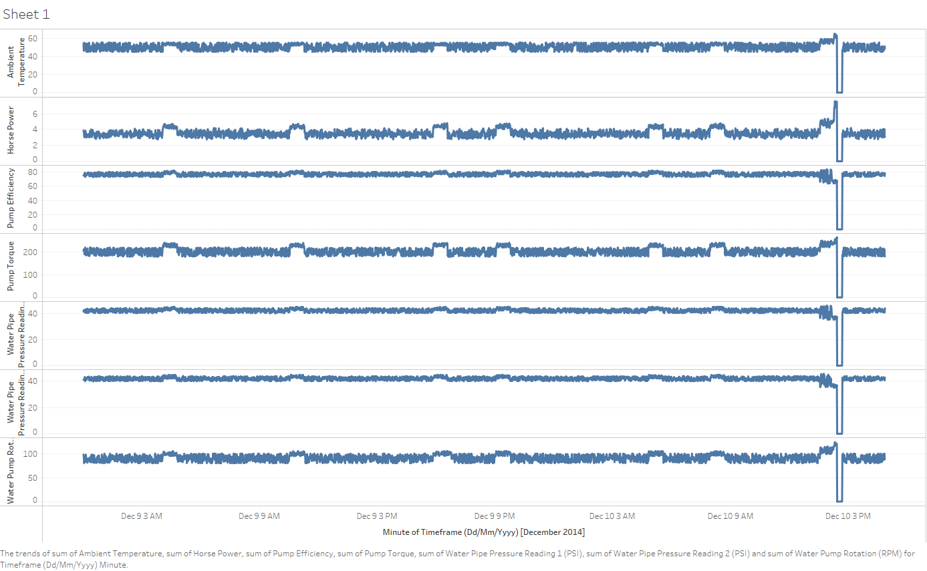

Horsepower spiked up 57% from 1 p.m. to 2 p.m., the ambient temperature and other variables rised rapidly, followed by a sharp drop or completely failure.

Looking at the data in this way, we can pick up a few abnormal events which seem to 'spike up'. However, these variables all have different units of measure and scale (I.e. Some numbers are in the low 10's, and others in the 100's.)
Let's create a Secondary Axes to help us better understand the view of the Horse Power and Pump Failure (1 or 0) variables.
The secondary axes essentially provides us with another Y-Axis that enables us to more easily view the data which is at a much smaller scale.
Q2. Just as you did in Q1, create a line plot for all the variable(s) in the Data Repository Table - Raw Tab. However, this time, ensure that the Horse Power Variable and the Pump Failure (1 or 0) Variable is plotted on the secondary axes.

What observations do you note when viewing the data in this way?
Note: If you're unsure of how to add a secondary axes, refer to the following link: https://support.microsoft.com/en-us/office/add-or-remove-a-secondary-axis-in-a-chart-in-excel-91da1e2f-5db1-41e9-8908-e1a2e14dd5a9
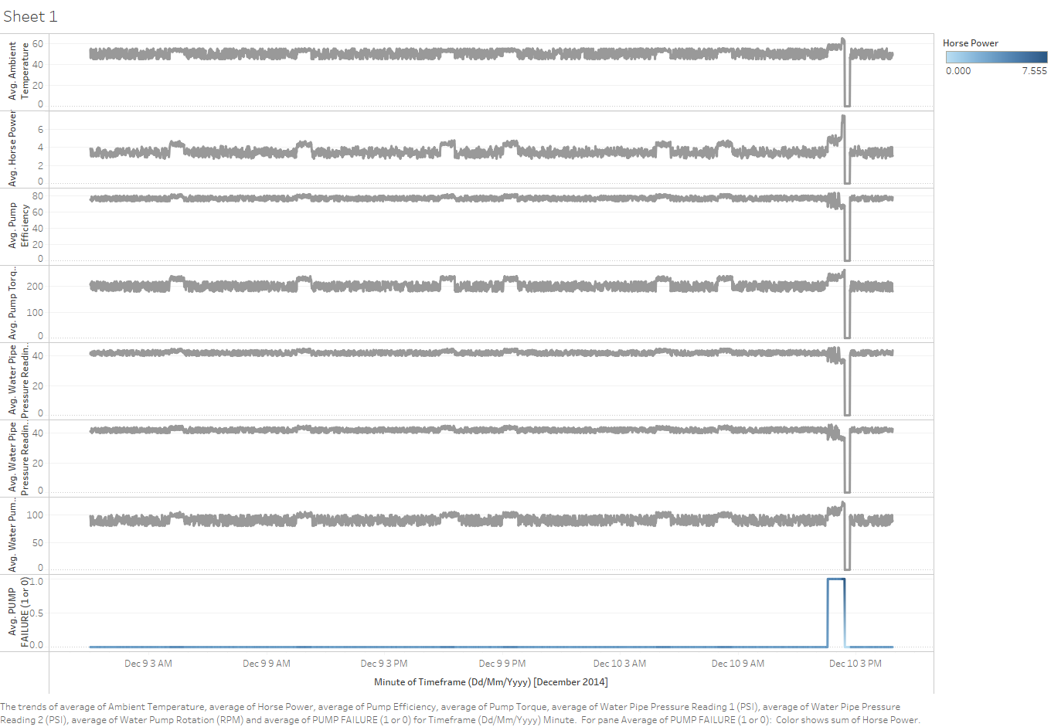

Horse power spikked up, followed by pump failuer.

Now we've made some observations when looking at the time-series data which is currently recorded every minute.
As you might tell, the data does look a little noisy at times and we might want to smooth this out so we don't have to look at as much data, but still retain the overall trends.
This is where we are introduced to a technique known as 'Upsampling'. Upsampling means you wish to aggregate the data at a higher frequency (i.e. Instead of every 1 minute, we might want the data to be sampled every 5 minutes instead)

Now we're going to combine this with another technique known as a rolling mean / rolling standard deviation.
When dealing with time series data, if we want to remove some of the 'noisiness' of the data, we can apply a rolling mean or rolling standard deviation transformation.
Earlier we covered the Mean and the Standard Deviation. The mean let's us know what the average is with the Standard Deviation letting us know how much 'dispersion' we are seeing over a data series.
A rolling mean and rolling deviation is essentially a window function that enables us to better understand what the dispersion of the data looks like when some of the noise is removed.

Q3. Just as you did in Q1 and Q2, create two line plots for all the variables in the DRT Rolling Stdev and DRT Rolling Mean Tabs. Ensure that the Horse Power variable and Pump Failure (1 or 0) are plotted on a secondary-axis. Note down what observations/trends emerge when you look at the data in this manner - are there any trends that are more pronounced with the Rolling Mean / Rolling Stdev data?
Note: The data you need to plot the Rolling Mean is located in the DRT Rolling Mean Tab; Similarly, the Rolling Standard Deviation data is recorded in the DRT Rolling Stdev Tab.
Note: You may also want to set the Y-Axis to a Maximum of '10' so that the large deviations don't skew your view of the data. It may also help to make-use of a secondary axes for Pump Torque, Pump Speed and Horse Power which may exhibit large variations.
DRT Rolling Mean Plot
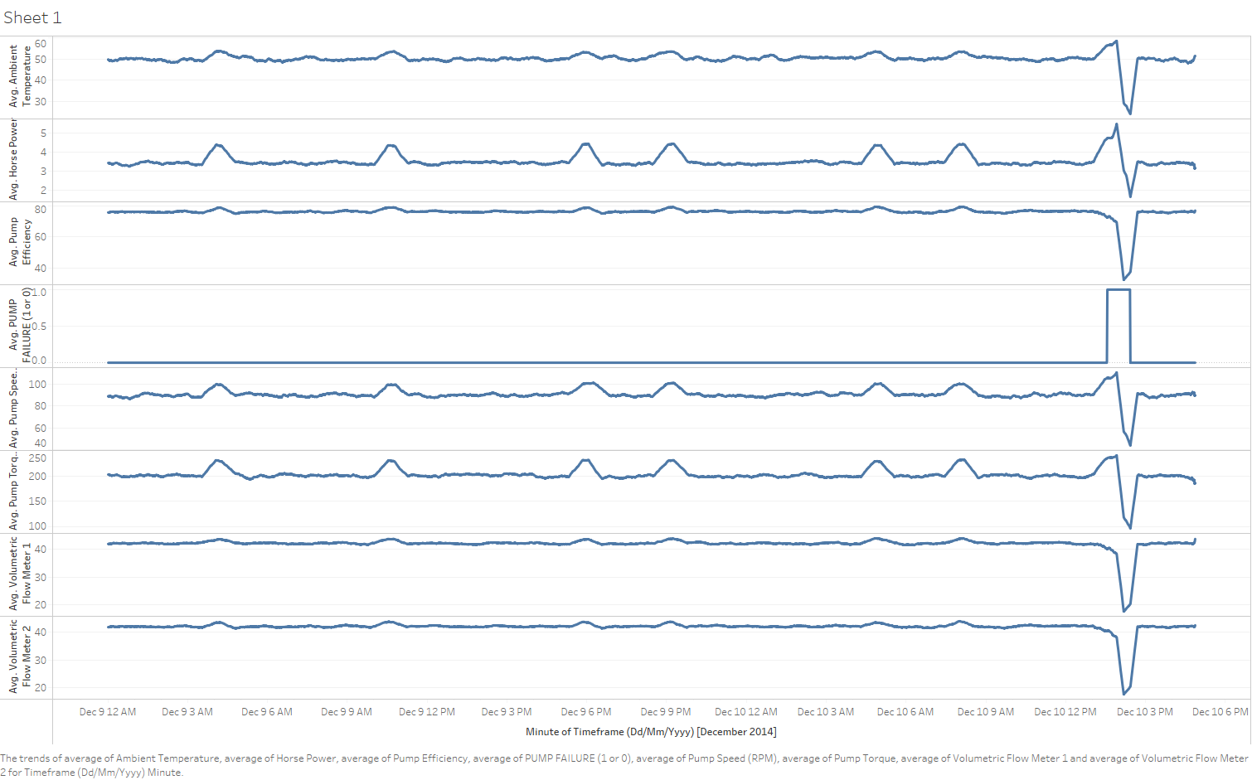

DRT Rolling Stdev Plot

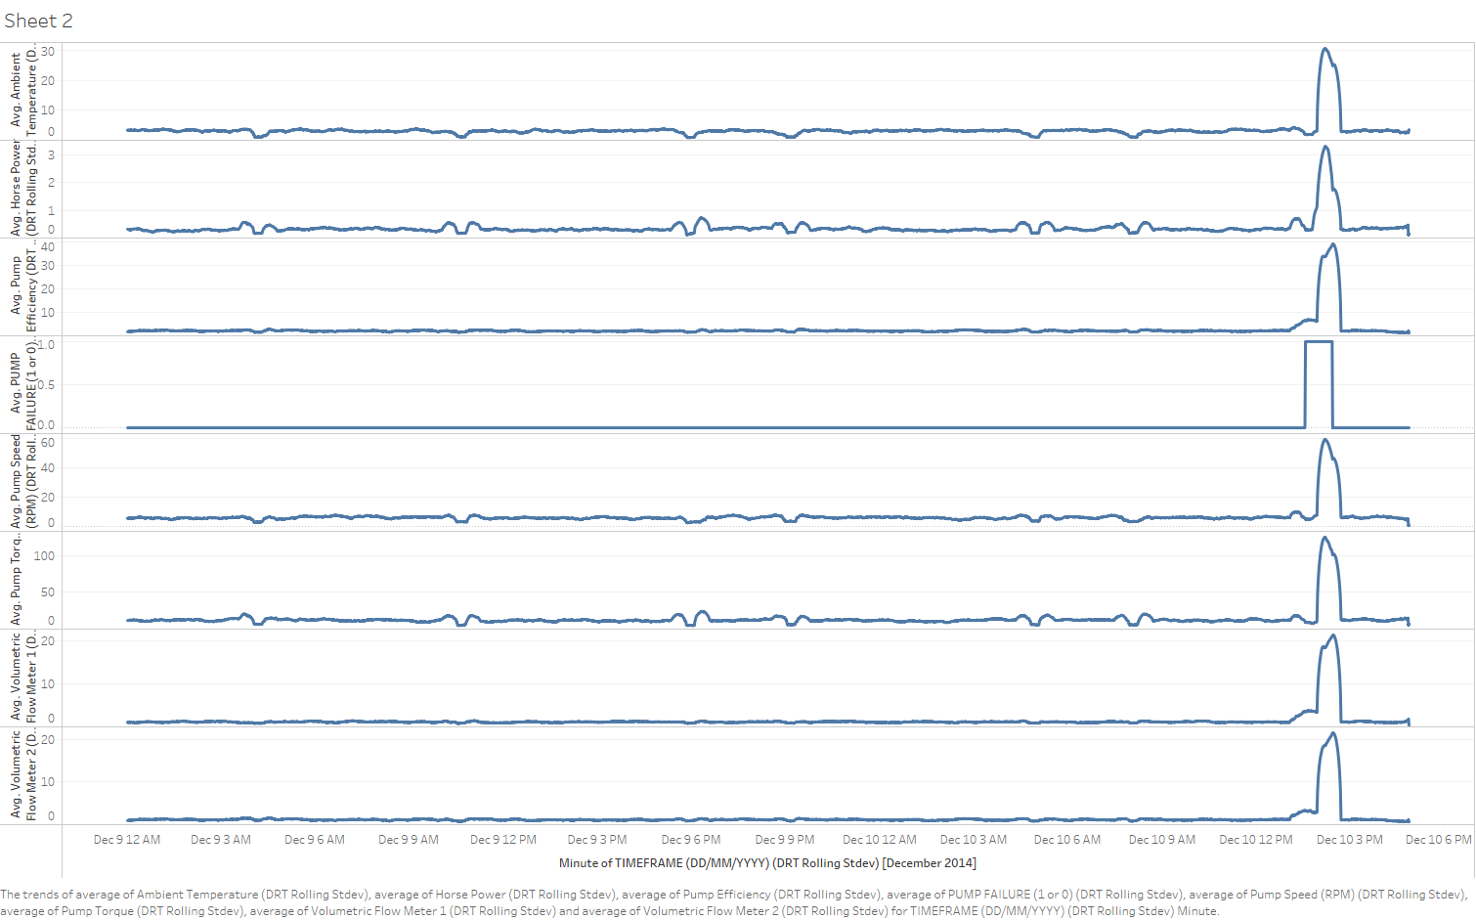

Standard deviation displays abnormal changes on a larger scale with positive figures.

Our previous analyses have enabled us to pick up some trend(s) that seem a little odd. We've noted in particular certain variables trending upwards in relation to a Failure.
We're now going to make use of one our descriptive analysis techniques known as Box Plots.
Box Plots are useful descriptive statistical tools that enable us to visualise the degree of dispersion that our variables in our time series have.
We've clearly observed some variance(s) being apparent in our time series with our earlier plots; We will now create two box plots below to see whether we can identify further pattern(s) with respect to the variance ranges and whether the Pump has failed or not.
Q4. Using the data in columns C through to I for each of the three (3) Data Repository Table - Raw, DRT Rolling Stdev and DRT Rolling Mean Tabs, create Two Box Plots. The first box plot will be filtered to contain the Pump Failure Data when Pump Failure is equal to 1 (The pump has failed). The second box plot will be filtered to contain the Pump Failure Data when Pump Failure is Equal to 0 (i.e. The Pump has not yet failed). You'll end up creating six (6) box plots, two for each dataset. Remember that when you change the Pump Failure Filter from 1 to 0, the Box Plots will automatically update so you will need to work out an approach to make sure the Box Plots retain either the Pump Failure = 1 or Pump Failure = 0 Data (Otherwise, your Box Plots may be skewed). What trends become apparent when viewing the data in this manner?
Note: If you're unsure of how to create a Box Plot, please reference the following: https://support.microsoft.com/en-us/office/create-a-box-and-whisker-chart-62f4219f-db4b-4754-aca8-4743f6190f0d . We've included an example below of what your chart might look like.
Note: We would strongly recommend that you PASTE the Box Plots you create as an IMAGE. This means that when you adjust your filter for Pump Failure to 1 or 0, you don't see your Box Plot change as its an image.
 | BoxPlot when Pump Failure = 0( Not Failed) | BoxPlot when Pump Failure = 1(Failed)
 | Dataset: Raw | Dataset: Raw
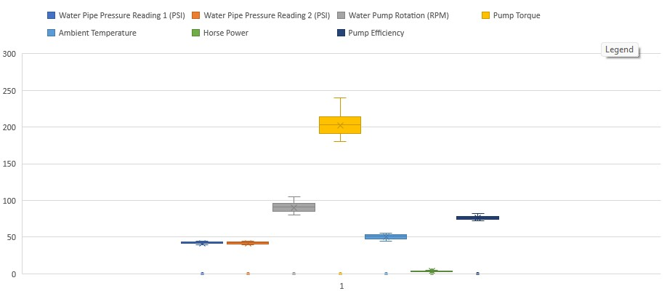
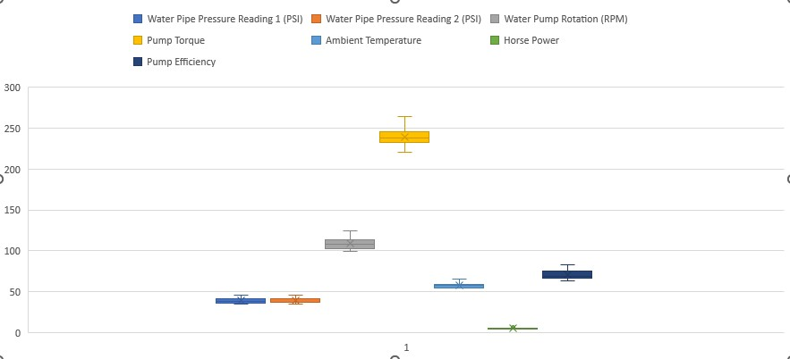

 | BoxPlot when Pump Failure = 0 ( Not Failed) | BoxPlot when Pump Failure = 1 (Failed)
 | Dataset: Rolling Mean (30 Minute) | Dataset: Rolling Mean (30 Minute)
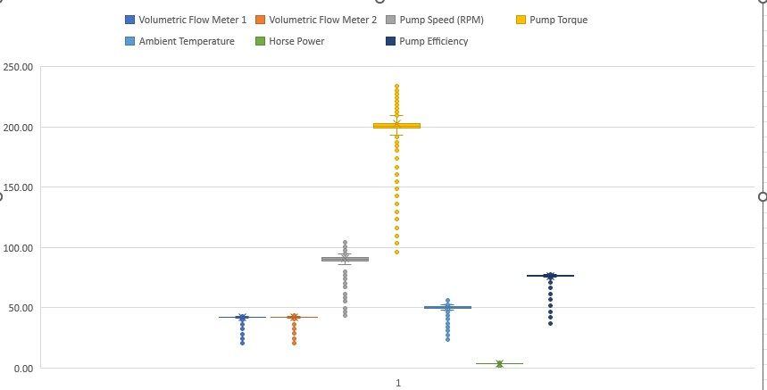
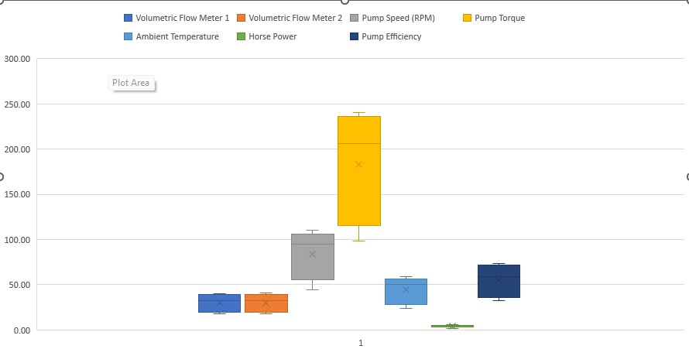

 | BoxPlot when Pump Failure = 0 ( Not Failed) | BoxPlot when Pump Failure = 1(Failed)
 | Dataset: Rolling Stdev (30 Minute) | Dataset:Rolling Stdev (30 Minute)
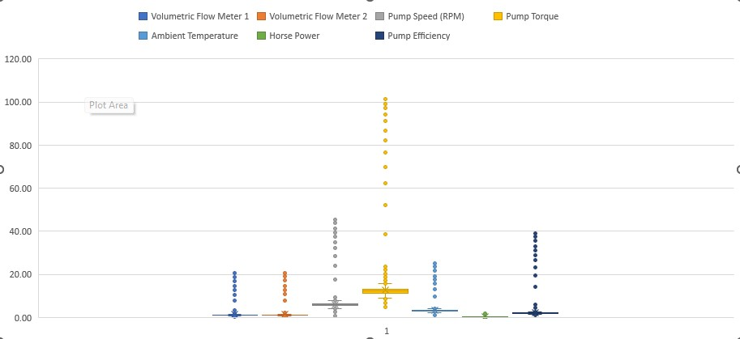
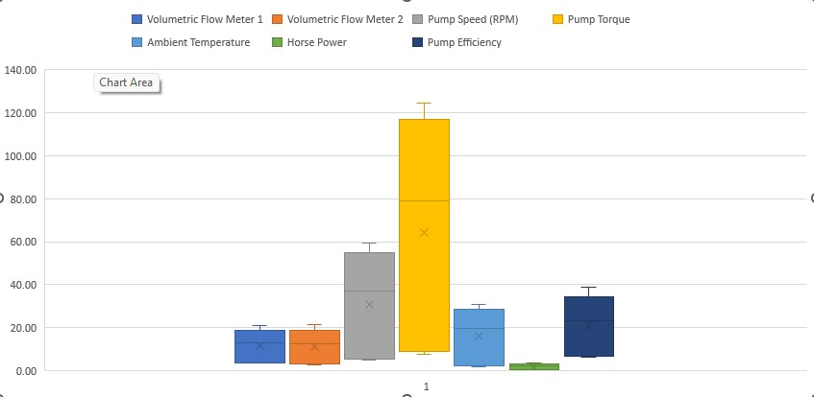

When pump failed, the box area is streched out, the mean value is higher and closer to the high end.

Great job! We've reached the end of Part I of the Descriptive Statistics Case Study.
You've now identified a number of trends from your descriptive analysis you will explore with an inferential approach in Part II of the assignment.
Just because a variable looks like it may be related - this might not be the case. This is why we use Inferential Statistics to further back up our Descriptive Analysis.
Keep up the great work!

Inferential Statistics
...
Now that we have all the correlation heat-maps, we've got no shortage of numbers to look at.
Horse Power | 0.42 | Horse Power | 0.22 | Horse Power | 0.69
Pump Speed (RPM) | 0.26 | Pump Speed (RPM) | -0.18 | Volumetric Flow Meter 1 | 0.64
Pump Torque | 0.23 | Pump Torque | -0.22 | Pump Efficiency | 0.64
Ambient Temperature | 0.21 | Ambient Temperature | -0.30 | Volumetric Flow Meter 2 | 0.63
Volumetric Flow Meter 2 | -0.11 | Volumetric Flow Meter 1 | -0.69 | Pump Speed (RPM) | 0.62
Volumetric Flow Meter 1 | -0.10 | Pump Efficiency | -0.70 | Ambient Temperature | 0.60
Pump Efficiency | -0.10 | Volumetric Flow Meter 2 | -0.70 | Pump Torque | 0.60

Column Chart (Correlation Coefficient Pump Failure (1 or 0) - Raw Data |  | Column Chart (Correlation Coefficient Pump Failure (1 or 0) - Rolling Mean (30 Minute) Data |  | Column Chart (Correlation Coefficient Pump Failure (1 or 0) - Rolling Stdev (30 Minute) Data

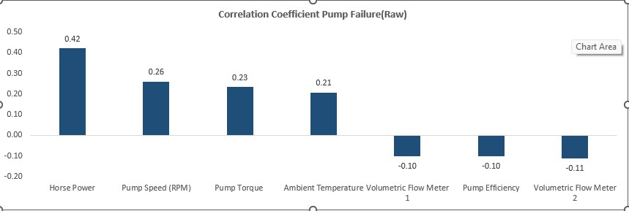
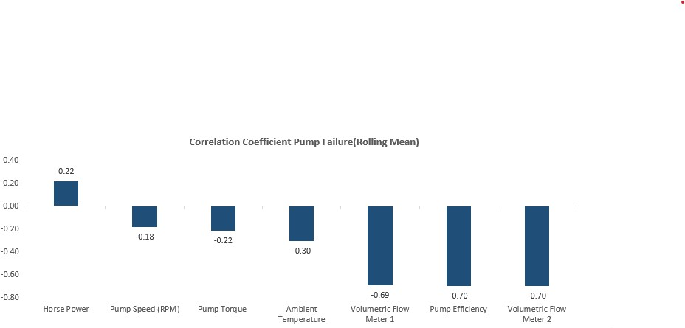

Looking at all three of our correlation heat-maps and associated correlation column plots, it is apparent that one of our three data-sets happens to show variables which are closely correlated with Pump Failure. (The Rolling Standard Deviation Dataset).
However, this doesn't mean that our other datasets and correlations are not informative.
The concept we are reinforcing here is that when looking at analysing time series data and events of interest, we should pay particularly strong attention towards variables which exhibit the largest degree of statistical variance.
Upon identification of those variables, we can create other variables out of this and use this together to help 'predict' our event of interest.
For example, we might note that a rapid increase in the Standard Deviation, seems to be a good indicator of failure.
We could then create a new variable which checks if the Standard Deviation Result is one Standard Deviation away from the mean - it is 'abnormal' and class this as a 1 or 0 via an IF Statement such as: IF (ValueX > (Standard Deviation Value + Mean), 1, 0) We won't do this in the case study, but this is an example of how you could create new variables out of your existing set of variables and add this to your regression if you're interested.
Now we want to help Southern Water Corp create a Linear Regressive Model to better predict Pump Failure. In this case, we now have a number of variables in our dataset that we have transformed (i.e. Rolling Mean & Rolling Standard Deviations). However, the Rolling Standard Deviation seems to exhibit the strongest variance related behaviours so we'll use the variables in this dataset for our regressive analysis. Q7. Using the Data Preparation Tab, create a multivariate linear regression. As you look at the Summary Output from the Linear Regression Model - what does the R Squared Value tell you about your model? What about the P-Value? If you're unsure of how to create a Linear Regression in Excel, please follow the tutorial here: https://www.ablebits.com/office-addins-blog/2018/08/01/linear-regression-analysis-excel/ Similar to what you had done with the correlation analysis in Q5, you just need to select 'Regression' from the Data Analysis Tab and put in the respective dependent and independent variables you wish to explore! In this question, we aren't asking you to produce any graphics but to test your understanding of what the R Squared and P-Values signify.
...
Q8. Create the Multivariate Regression Equation Values for each row using the Regression Coefficients you have calculated in Q7. From your output, this will become the Statistical Alarm Signal that the Engineers will observe in the future for abnormalities. Place each co-efficient that you have calculated in the table titled 'Co-Efficients (Taken from the Summary Output Tab created when you calculate the Multivariate Regression)' in the Data Preparation Tab.
Having completed this, subsequently plot out the Multivariate Equation Values you've calculated versus the Pump Failure as per the example image below. Add in the Horse Power and Pump Efficiency Variables from the Data Preparation Tab and ensure that these two variables, alongside Pump Failure (1 or 0) is on the secondary axes.
What do you notice when you've completed your Multivariate Equation Plot?
Note: As a Data Analyst - it's up to you to choose the best way to visualise this information. We've left any further hints out as you should be comfortable enough to choose the appropriate graphics to illustrate your respective trends.

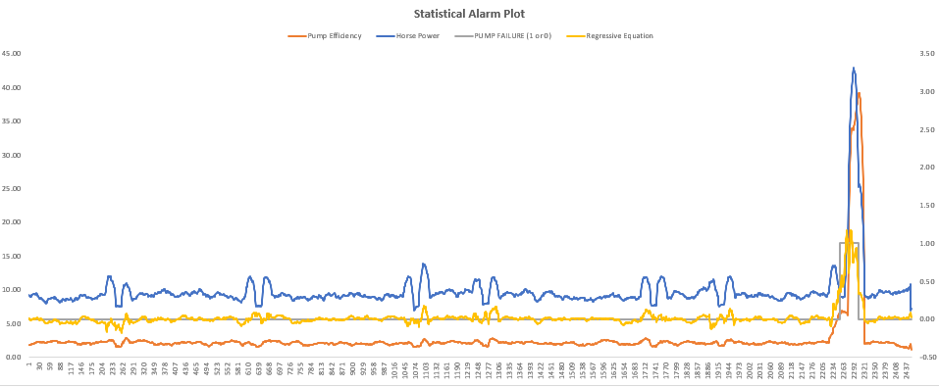

Q9. Revisiting the Regression Coefficients you have calculated in Q7, create a Column Chart that shows in descending order, each variables Regression Coefficient. Having completed this - what does this tell you about the variables that have the largest absolute impact towards Pump Failure? Additionally, how is this regression coefficient different from the correlation coefficient?
Note: We've included a graphic below that showcases what your Regression Coefficient Chart should look like.
...

Sheet4
...
Correlation Strengh Associated with Pump Failure (Raw)
Horse Power | 0.42
Pump Speed (RPM) | 0.26
Pump Torque | 0.23
Ambient Temperature | 0.21
Volumetric Flow Meter 2 | -0.11
Volumetric Flow Meter 1 | -0.10
Pump Efficiency | -0.10
Correlation Strengh Associated with Pump Failure (Rolling Mean)
Horse Power | 0.22
Pump Speed (RPM) | -0.18
Pump Torque | -0.22
Ambient Temperature | -0.30
Volumetric Flow Meter 1 | -0.69
Pump Efficiency | -0.70
Volumetric Flow Meter 2 | -0.70
Correlation Strengh Associated with Pump Failure (Rolling Stdev)
Horse Power | 0.69
Volumetric Flow Meter 1 | 0.64
Pump Efficiency | 0.64
Volumetric Flow Meter 2 | 0.63
Pump Speed (RPM) | 0.62
Ambient Temperature | 0.60
Pump Torque | 0.60
...
 |  | Significance F
 |  | 2.3499179737E-288
...
 |  | Lower 95% | Upper 95% | Lower 95.0% | Upper 95.0%
 |  | -0.044130986171 | -0.033737941015 | -0.044130986171 | -0.033737941015
 |  | 0.038592609249 | 0.042395154111 | 0.038592609249 | 0.042395154111
...
Predicted PUMP FAILURE (1 or 0) | Residuals
0.0030056359883 | -0.0030056359883
0.0041206694683 | -0.0041206694683
0.0039416809939 | -0.0039416809939
0.0040806572556 | -0.0040806572556
0.00456866749 | -0.00456866749
0.0034221250746 | -0.0034221250746
0.005426742742 | -0.005426742742
0.0049050961939 | -0.0049050961939
0.004576675388 | -0.004576675388
0.0039362913309 | -0.0039362913309
Coeffient Ranking
Horse Power | 0.765
Pump Efficiency | 0.342
Volumetric Flow Meter 1 | 0.051
Ambient Temperature | 0.018
Pump Speed (RPM) | -0.018
Pump Torque | -0.019
Volumetric Flow Meter 2 | -0.611
0.0023632627227 | -0.0023632627227
0.00086844074914 | -0.00086844074914
0.0022345183166 | -0.0022345183166
0.0021357385217 | -0.0021357385217
0.0012695732854 | -0.0012695732854
0.00096534847396 | -0.00096534847396
0.00031413423688 | -0.00031413423688
0.0017575396182 | -0.0017575396182
0.0021709337331 | -0.0021709337331
0.0019455273151 | -0.0019455273151
0.0021543685601 | -0.0021543685601
0.0043195718395 | -0.0043195718395
0.0046500792292 | -0.0046500792292
0.0032724481096 | -0.0032724481096
0.0043545850722 | -0.0043545850722
0.0054347614414 | -0.0054347614414
0.0065598540691 | -0.0065598540691
0.0051870376829 | -0.0051870376829
0.0059744605381 | -0.0059744605381
0.0057922988855 | -0.0057922988855
0.0061041563118 | -0.0061041563118
0.0063836288372 | -0.0063836288372
0.0080300944759 | -0.0080300944759
0.0080161265102 | -0.0080161265102
0.0080537663096 | -0.0080537663096
0.0099461683804 | -0.0099461683804
...

Data Preparation
Data Source | TIMEFRAME (DD/MM/YYYY) | Volumetric Flow Meter 1 | Volumetric Flow Meter 2 | Pump Speed (RPM) | Pump Torque | Ambient Temperature | Horse Power | Pump Efficiency | PUMP FAILURE (1 or 0) | Regressive Equation
Rolling Stdev (30 Minute) | 12/9/14 | 1.04 | 0.96 | 5.54 | 11.70 | 3.40 | 0.32 | 1.74 | 0.00 | 0.48 | Please note that the Regression Co-efficients are different from the Correlation Co-efficients
Rolling Stdev (30 Minute) | 12/9/14 | 1.06 | 1.01 | 5.49 | 11.73 | 3.36 | 0.31 | 1.83 | 0.00 | 0.47 | Regression Co-Efficients (Taken from the Summary Output Tab created when you calculate the Multivariate Regression)
Rolling Stdev (30 Minute) | 12/9/14 | 1.06 | 1.03 | 5.62 | 11.94 | 3.40 | 0.31 | 1.87 | 0.00 | 0.46 | Horse Power | 0.765
Rolling Stdev (30 Minute) | 12/9/14 | 1.06 | 1.05 | 5.61 | 12.10 | 3.30 | 0.31 | 1.90 | 0.00 | 0.45 | Pump Efficiency | 0.342
Rolling Stdev (30 Minute) | 12/9/14 | 1.07 | 1.03 | 5.61 | 12.31 | 3.36 | 0.30 | 1.88 | 0.00 | 0.47 | Volumetric Flow Meter 1 | 0.051
Rolling Stdev (30 Minute) | 12/9/14 | 1.05 | 1.05 | 5.81 | 12.41 | 3.43 | 0.31 | 1.90 | 0.00 | 0.45 | Ambient Temperature | 0.018
Rolling Stdev (30 Minute) | 12/9/14 | 1.10 | 1.01 | 5.78 | 12.01 | 3.40 | 0.30 | 1.83 | 0.00 | 0.51 | Pump Speed (RPM) | -0.018
Rolling Stdev (30 Minute) | 12/9/14 | 1.08 | 1.01 | 5.77 | 12.04 | 3.40 | 0.30 | 1.84 | 0.00 | 0.50 | Pump Torque | -0.019
Rolling Stdev (30 Minute) | 12/9/14 | 1.07 | 1.06 | 5.57 | 12.18 | 3.34 | 0.30 | 1.93 | 0.00 | 0.44 | Volumetric Flow Meter 2 | -0.611
Rolling Stdev (30 Minute) | 12/9/14 | 1.06 | 1.07 | 5.71 | 12.32 | 3.35 | 0.32 | 1.94 | 0.00 | 0.44
Coeffient Ranking
Rolling Stdev (30 Minute) | 12/9/14 | 1.02 | 1.06 | 5.78 | 12.32 | 3.31 | 0.32 | 1.93 | 0.00 | 0.42
Rolling Stdev (30 Minute) | 12/9/14 | 0.98 | 1.06 | 5.75 | 12.74 | 3.34 | 0.33 | 1.92 | 0.00 | 0.40
Rolling Stdev (30 Minute) | 12/9/14 | 1.02 | 1.08 | 5.79 | 12.73 | 3.39 | 0.33 | 1.97 | 0.00 | 0.40
Rolling Stdev (30 Minute) | 12/9/14 | 1.01 | 1.12 | 5.70 | 12.42 | 3.38 | 0.33 | 2.03 | 0.00 | 0.36
Rolling Stdev (30 Minute) | 12/9/14 | 0.99 | 1.11 | 5.75 | 12.28 | 3.39 | 0.33 | 2.02 | 0.00 | 0.35
Rolling Stdev (30 Minute) | 12/9/14 | 0.99 | 1.11 | 5.83 | 12.27 | 3.35 | 0.33 | 2.02 | 0.00 | 0.35
Rolling Stdev (30 Minute) | 12/9/14 | 0.97 | 1.12 | 5.84 | 12.14 | 3.37 | 0.33 | 2.03 | 0.00 | 0.33
Rolling Stdev (30 Minute) | 12/9/14 | 1.00 | 1.14 | 5.98 | 12.42 | 3.40 | 0.33 | 2.07 | 0.00 | 0.36
Rolling Stdev (30 Minute) | 12/9/14 | 1.02 | 1.18 | 6.11 | 12.30 | 3.24 | 0.34 | 2.15 | 0.00 | 0.34
Rolling Stdev (30 Minute) | 12/9/14 | 1.01 | 1.16 | 6.10 | 11.72 | 3.21 | 0.33 | 2.11 | 0.00 | 0.34
Rolling Stdev (30 Minute) | 12/9/14 | 1.01 | 1.20 | 6.18 | 11.79 | 3.27 | 0.33 | 2.18 | 0.00 | 0.32
Rolling Stdev (30 Minute) | 12/9/14 | 1.07 | 1.21 | 6.35 | 11.80 | 3.22 | 0.34 | 2.19 | 0.00 | 0.36
Rolling Stdev (30 Minute) | 12/9/14 | 1.08 | 1.24 | 6.31 | 11.58 | 3.31 | 0.33 | 2.26 | 0.00 | 0.34
Rolling Stdev (30 Minute) | 12/9/14 | 1.04 | 1.24 | 6.33 | 11.09 | 3.32 | 0.33 | 2.25 | 0.00 | 0.30
Rolling Stdev (30 Minute) | 12/9/14 | 1.07 | 1.25 | 6.33 | 11.32 | 3.28 | 0.33 | 2.27 | 0.00 | 0.32
Rolling Stdev (30 Minute) | 12/9/14 | 1.10 | 1.22 | 6.17 | 11.08 | 3.40 | 0.31 | 2.21 | 0.00 | 0.35
Rolling Stdev (30 Minute) | 12/9/14 | 1.12 | 1.21 | 6.24 | 11.06 | 3.48 | 0.31 | 2.21 | 0.00 | 0.38
Rolling Stdev (30 Minute) | 12/9/14 | 1.09 | 1.23 | 6.24 | 11.53 | 3.57 | 0.30 | 2.24 | 0.00 | 0.35
Rolling Stdev (30 Minute) | 12/9/14 | 1.11 | 1.23 | 6.13 | 11.30 | 3.64 | 0.30 | 2.24 | 0.00 | 0.35
Rolling Stdev (30 Minute) | 12/9/14 | 1.10 | 1.25 | 5.93 | 11.04 | 3.58 | 0.28 | 2.27 | 0.00 | 0.32
Rolling Stdev (30 Minute) | 12/9/14 | 1.11 | 1.25 | 6.07 | 10.97 | 3.58 | 0.27 | 2.28 | 0.00 | 0.33
Rolling Stdev (30 Minute) | 12/9/14 | 1.12 | 1.22 | 5.90 | 10.99 | 3.56 | 0.27 | 2.23 | 0.00 | 0.35
Rolling Stdev (30 Minute) | 12/9/14 | 1.16 | 1.20 | 5.90 | 10.52 | 3.45 | 0.28 | 2.18 | 0.00 | 0.39
Statistical Alarm Plot
 | Horse Power | Pump Efficiency
 | 0.32 | 1.74
 | 0.31 | 1.83
 | 0.31 | 1.87
 | 0.31 | 1.90
 | 0.30 | 1.88
 | 0.31 | 1.90
 | 0.30 | 1.83
 | 0.30 | 1.84
 | 0.30 | 1.93
 | 0.32 | 1.94
 | 0.32 | 1.93
 | 0.33 | 1.92
 | 0.33 | 1.97
 | 0.33 | 2.03
 | 0.33 | 2.02
 | 0.33 | 2.02
 | 0.33 | 2.03
 | 0.33 | 2.07
 | 0.34 | 2.15
 | 0.33 | 2.11
 | 0.33 | 2.18
 | 0.34 | 2.19
 | 0.33 | 2.26
 | 0.33 | 2.25
 | 0.33 | 2.27
 | 0.31 | 2.21
 | 0.31 | 2.21
 | 0.30 | 2.24
 | 0.30 | 2.24
 | 0.28 | 2.27
 | 0.27 | 2.28
 | 0.27 | 2.23
 | 0.28 | 2.18
 | 0.28 | 2.25
 | 0.28 | 2.29
 | 0.27 | 2.23
 | 0.27 | 2.21
 | 0.27 | 2.18
 | 0.27 | 2.17
 | 0.26 | 2.20
 | 0.26 | 2.20
 | 0.25 | 2.27
 | 0.24 | 2.22
 | 0.25 | 2.17
 | 0.24 | 2.16
 | 0.23 | 2.17
 | 0.22 | 2.18
 | 0.21 | 2.17
 | 0.21 | 2.19
 | 0.23 | 2.19
...
Rolling Stdev (30 Minute) | 12/9/14 | 1.16 | 1.24 | 5.63 | 10.48 | 3.45 | 0.28 | 2.25 | 0.00 | 0.35
Rolling Stdev (30 Minute) | 12/9/14 | 1.16 | 1.26 | 5.44 | 10.53 | 3.37 | 0.28 | 2.29 | 0.00 | 0.32
Rolling Stdev (30 Minute) | 12/9/14 | 1.21 | 1.23 | 5.81 | 10.79 | 3.35 | 0.27 | 2.23 | 0.00 | 0.41
Rolling Stdev (30 Minute) | 12/9/14 | 1.18 | 1.22 | 5.96 | 11.06 | 3.35 | 0.27 | 2.21 | 0.00 | 0.41
Rolling Stdev (30 Minute) | 12/9/14 | 1.19 | 1.20 | 5.96 | 11.05 | 3.39 | 0.27 | 2.18 | 0.00 | 0.43
Rolling Stdev (30 Minute) | 12/9/14 | 1.24 | 1.19 | 5.92 | 11.03 | 3.35 | 0.27 | 2.17 | 0.00 | 0.47
Rolling Stdev (30 Minute) | 12/9/14 | 1.25 | 1.21 | 5.95 | 10.73 | 3.21 | 0.26 | 2.20 | 0.00 | 0.46
Rolling Stdev (30 Minute) | 12/9/14 | 1.24 | 1.21 | 5.85 | 10.97 | 3.29 | 0.26 | 2.20 | 0.00 | 0.45
Rolling Stdev (30 Minute) | 12/9/14 | 1.23 | 1.25 | 5.87 | 10.59 | 3.23 | 0.25 | 2.27 | 0.00 | 0.41
Rolling Stdev (30 Minute) | 12/9/14 | 1.18 | 1.22 | 5.80 | 10.60 | 3.19 | 0.24 | 2.22 | 0.00 | 0.39
Rolling Stdev (30 Minute) | 12/9/14 | 1.18 | 1.19 | 5.75 | 10.92 | 3.25 | 0.25 | 2.17 | 0.00 | 0.41
Rolling Stdev (30 Minute) | 12/9/14 | 1.17 | 1.19 | 5.78 | 11.13 | 3.28 | 0.24 | 2.16 | 0.00 | 0.42
Rolling Stdev (30 Minute) | 12/9/14 | 1.21 | 1.20 | 5.66 | 11.71 | 3.27 | 0.23 | 2.17 | 0.00 | 0.44
Rolling Stdev (30 Minute) | 12/9/14 | 1.18 | 1.20 | 5.66 | 11.34 | 3.24 | 0.22 | 2.18 | 0.00 | 0.41
Rolling Stdev (30 Minute) | 12/9/14 | 1.16 | 1.19 | 5.46 | 11.40 | 3.33 | 0.21 | 2.17 | 0.00 | 0.39
Rolling Stdev (30 Minute) | 12/9/14 | 1.16 | 1.20 | 5.17 | 11.68 | 3.32 | 0.21 | 2.19 | 0.00 | 0.38
Rolling Stdev (30 Minute) | 12/9/14 | 1.16 | 1.21 | 5.40 | 11.93 | 3.39 | 0.23 | 2.19 | 0.00 | 0.39
Rolling Stdev (30 Minute) | 12/9/14 | 1.16 | 1.20 | 5.40 | 12.18 | 3.47 | 0.22 | 2.18 | 0.00 | 0.39
Rolling Stdev (30 Minute) | 12/9/14 | 1.11 | 1.23 | 5.40 | 12.42 | 3.40 | 0.23 | 2.24 | 0.00 | 0.34
Rolling Stdev (30 Minute) | 12/9/14 | 1.09 | 1.24 | 5.91 | 12.35 | 3.35 | 0.25 | 2.25 | 0.00 | 0.34
Rolling Stdev (30 Minute) | 12/9/14 | 1.09 | 1.24 | 5.94 | 12.40 | 3.44 | 0.25 | 2.25 | 0.00 | 0.35
Rolling Stdev (30 Minute) | 12/9/14 | 1.07 | 1.26 | 5.86 | 12.34 | 3.51 | 0.25 | 2.30 | 0.00 | 0.30
Rolling Stdev (30 Minute) | 12/9/14 | 1.10 | 1.28 | 6.10 | 12.46 | 3.41 | 0.27 | 2.33 | 0.00 | 0.33
Rolling Stdev (30 Minute) | 12/9/14 | 1.08 | 1.26 | 5.97 | 12.39 | 3.46 | 0.27 | 2.29 | 0.00 | 0.32
Rolling Stdev (30 Minute) | 12/9/14 | 1.10 | 1.25 | 5.75 | 12.04 | 3.41 | 0.27 | 2.27 | 0.00 | 0.32
Rolling Stdev (30 Minute) | 12/9/14 | 1.07 | 1.25 | 5.75 | 11.98 | 3.46 | 0.27 | 2.28 | 0.00 | 0.30
Rolling Stdev (30 Minute) | 12/9/14 | 1.12 | 1.26 | 5.98 | 12.11 | 3.46 | 0.27 | 2.29 | 0.00 | 0.34
Rolling Stdev (30 Minute) | 12/9/14 | 1.10 | 1.28 | 5.94 | 12.26 | 3.38 | 0.27 | 2.33 | 0.00 | 0.32
Rolling Stdev (30 Minute) | 12/9/14 | 1.09 | 1.30 | 5.88 | 12.24 | 3.48 | 0.27 | 2.35 | 0.00 | 0.30
Rolling Stdev (30 Minute) | 12/9/14 | 1.04 | 1.30 | 5.76 | 12.61 | 3.48 | 0.27 | 2.37 | 0.00 | 0.25
Rolling Stdev (30 Minute) | 12/9/14 | 1.07 | 1.26 | 5.74 | 13.00 | 3.51 | 0.28 | 2.30 | 0.00 | 0.31
Rolling Stdev (30 Minute) | 12/9/14 | 1.08 | 1.28 | 5.74 | 13.20 | 3.61 | 0.28 | 2.33 | 0.00 | 0.30
Rolling Stdev (30 Minute) | 12/9/14 | 1.04 | 1.30 | 5.48 | 13.08 | 3.65 | 0.28 | 2.36 | 0.00 | 0.24
Rolling Stdev (30 Minute) | 12/9/14 | 1.00 | 1.31 | 5.27 | 12.86 | 3.70 | 0.28 | 2.38 | 0.00 | 0.19
Rolling Stdev (30 Minute) | 12/9/14 | 1.02 | 1.31 | 5.35 | 12.60 | 3.68 | 0.28 | 2.38 | 0.00 | 0.20
Rolling Stdev (30 Minute) | 12/9/14 | 1.00 | 1.29 | 5.37 | 12.59 | 3.74 | 0.28 | 2.35 | 0.00 | 0.20
Rolling Stdev (30 Minute) | 12/9/14 | 1.00 | 1.30 | 5.30 | 12.53 | 3.76 | 0.29 | 2.36 | 0.00 | 0.19
Rolling Stdev (30 Minute) | 12/9/14 | 1.04 | 1.30 | 5.27 | 12.05 | 3.67 | 0.28 | 2.36 | 0.00 | 0.21
...
 |  |  |  | Pump Speed (RPM) | Pump Torque | Ambient Temperature | Horse Power | Pump Efficiency | PUMP FAILURE (1 or 0) | Regressive Equation
 |  |  |  | 5.54 | 11.70 | 3.40 | 0.32 | 1.74 | 0.00 | 0.48 | Please note that the Regression Co-efficients are different from the Correlation Co-efficients
 |  |  |  | 6.41 | 11.18 | 3.39 | 0.34 | 1.89 | 0.00 | 0.42
 |  |  |  | 6.29 | 11.52 | 3.37 | 0.35 | 1.92 | 0.00 | 0.41
 |  |  |  | 6.34 | 11.53 | 3.41 | 0.36 | 1.84 | 0.00 | 0.46
 |  |  |  | 6.29 | 11.07 | 3.41 | 0.34 | 1.77 | 0.00 | 0.49
 |  |  |  | 6.21 | 11.18 | 3.41 | 0.34 | 1.71 | 0.00 | 0.52
 |  |  |  | 6.41 | 11.04 | 3.33 | 0.34 | 1.75 | 0.00 | 0.52
 |  |  |  | 6.43 | 11.61 | 3.35 | 0.35 | 1.77 | 0.00 | 0.51
 |  |  |  | 6.35 | 12.00 | 3.39 | 0.36 | 1.69 | 0.00 | 0.54
 |  |  |  | 6.41 | 11.73 | 3.28 | 0.35 | 1.69 | 0.00 | 0.51
 |  |  |  | 6.49 | 12.00 | 3.26 | 0.37 | 1.70 | 0.00 | 0.55
 | PUMP FAILURE (1 or 0)
0.32 | 0.00
0.31 | 0.00
0.31 | 0.00
0.31 | 0.00
0.30 | 0.00
0.31 | 0.00
0.30 | 0.00
0.30 | 0.00
0.30 | 0.00
0.32 | 0.00
0.32 | 0.00
0.33 | 0.00
0.33 | 0.00
0.33 | 0.00
0.33 | 0.00
0.33 | 0.00
0.33 | 0.00
0.33 | 0.00
0.34 | 0.00
0.33 | 0.00
0.33 | 0.00
0.34 | 0.00
0.33 | 0.00
0.33 | 0.00
0.33 | 0.00
0.31 | 0.00
0.31 | 0.00
0.30 | 0.00
0.30 | 0.00
0.28 | 0.00
0.27 | 0.00
0.27 | 0.00
0.28 | 0.00
0.28 | 0.00
0.28 | 0.00
0.27 | 0.00
0.27 | 0.00
0.27 | 0.00
0.27 | 0.00
0.26 | 0.00
0.26 | 0.00
0.25 | 0.00
0.24 | 0.00
0.25 | 0.00
0.24 | 0.00
0.23 | 0.00
0.22 | 0.00
0.21 | 0.00
0.21 | 0.00
0.23 | 0.00
...
 |  |  |  | 6.41 | 12.33 | 3.24 | 0.36 | 1.63 | 0.00 | 0.60
 |  |  |  | 6.22 | 12.28 | 3.27 | 0.35 | 1.65 | 0.00 | 0.56
 |  |  |  | 6.12 | 12.68 | 3.23 | 0.36 | 1.57 | 0.00 | 0.58
 |  |  |  | 6.09 | 12.53 | 3.02 | 0.35 | 1.55 | 0.00 | 0.55
 |  |  |  | 6.09 | 12.70 | 2.97 | 0.36 | 1.58 | 0.00 | 0.57
 |  |  |  | 6.06 | 12.70 | 2.97 | 0.36 | 1.56 | 0.00 | 0.61
 |  |  |  | 6.04 | 12.65 | 3.08 | 0.36 | 1.55 | 0.00 | 0.61
 |  |  |  | 5.97 | 12.87 | 3.05 | 0.36 | 1.57 | 0.00 | 0.60
 |  |  |  | 6.00 | 13.03 | 3.10 | 0.36 | 1.57 | 0.00 | 0.61
 |  |  |  | 5.79 | 12.96 | 3.06 | 0.37 | 1.60 | 0.00 | 0.59
 |  |  |  | 5.89 | 12.98 | 3.06 | 0.37 | 1.52 | 0.00 | 0.64
 |  |  |  | 5.84 | 13.16 | 3.11 | 0.37 | 1.54 | 0.00 | 0.60
 |  |  |  | 5.79 | 13.28 | 3.12 | 0.38 | 1.58 | 0.00 | 0.60
 |  |  |  | 5.91 | 13.22 | 3.16 | 0.38 | 1.57 | 0.00 | 0.60
 |  |  |  | 5.53 | 13.10 | 3.12 | 0.36 | 1.45 | 0.00 | 0.65
 |  |  |  | 5.32 | 13.42 | 3.05 | 0.37 | 1.49 | 0.00 | 0.64
 |  |  |  | 5.42 | 13.73 | 2.87 | 0.37 | 1.37 | 0.00 | 0.72
 |  |  |  | 5.56 | 13.93 | 2.49 | 0.38 | 1.41 | 0.00 | 0.74
 |  |  |  | 5.72 | 13.71 | 2.55 | 0.39 | 1.45 | 0.00 | 0.69
 |  |  |  | 5.30 | 14.05 | 2.58 | 0.39 | 1.49 | 0.00 | 0.65
 |  |  |  | 5.48 | 13.96 | 2.60 | 0.40 | 1.48 | 0.00 | 0.68
 |  |  |  | 5.59 | 12.96 | 2.67 | 0.38 | 1.41 | 0.00 | 0.70
 |  |  |  | 5.25 | 13.03 | 2.59 | 0.37 | 1.45 | 0.00 | 0.67
 |  |  |  | 5.38 | 13.49 | 2.67 | 0.38 | 1.39 | 0.00 | 0.75
 |  |  |  | 5.44 | 14.07 | 2.74 | 0.39 | 1.45 | 0.00 | 0.76
 |  |  |  | 5.03 | 14.73 | 2.77 | 0.40 | 1.38 | 0.00 | 0.78
 |  |  |  | 5.20 | 14.84 | 2.66 | 0.41 | 1.24 | 0.00 | 0.91
 |  |  |  | 5.01 | 15.16 | 2.44 | 0.40 | 1.31 | 0.00 | 0.86
 |  |  |  | 4.81 | 14.82 | 2.51 | 0.43 | 1.39 | 0.00 | 0.85
 |  |  |  | 4.39 | 13.31 | 2.56 | 0.38 | 1.50 | 0.00 | 0.78
 |  |  |  | 4.68 | 14.10 | 2.80 | 0.42 | 1.63 | 0.00 | 0.78
 |  |  |  | 5.15 | 13.45 | 2.55 | 0.43 | 1.50 | 0.00 | 0.98
 |  |  |  | 5.35 | 14.86 | 2.65 | 0.47 | 1.70 | 0.00 | 0.97
...

