Uncertainty
 | Genaral Data |  |  | (+/- %) = | % deviation
 | level | 3 |  | Nr of scenarios | level ^ (#Groups) |  |  |  |  |  |  |  |  |  |  |  | interval of the levels
 | Probality of occurance | custom |  |  |  |  |  |  |  |  |  |  |  |  |  |  | level
 |  |  |  |  |  |  |  |  |  |  |  |  |  |  |  |  | 2 | [1, -1]
 |  |  |  |  |  |  |  |  |  |  |  |  |  |  |  |  | 3 | [1, 0, -1]
 | Source |  |  |  |  |  |  |  | Stoichiometric reactor |  |  |  |  |  |  |  | 4 | n.a.
 | Feed Composition (phi) |  |  |  |  |  |  |  | Conversion factor (theta) |  |  |  |  |  |  |  |  | …
 | Unit-Number | Component | (%) | Group-nr. | Correlation | Probabilities |  |  | Unit-Number | Component | Reaction-number | (%) | Group-nr. | Correlation | Probabilities |  |  |  | Source
 | 11 | Sugars | 0.4 | 1 | reference | [0.2, 0.7, 0.1] |  |  |  | Sugars | 2 | 0.2 | 1 | equal |  |  | Custom Level set |  | Composition Exclusion (phi)
 |  | Phenolics | 0.5 | 1 | opposite | [0.25, 0.5, 0.25] |  |  |  | Sugars | 1 | 0.1 | 1 | equal |  |  | Level |  | Unit-Number | Excluded components
 |  |  |  |  |  |  |  |  |  |  |  |  |  |  |  |  | 1 |  | 11 | H2O | x
 |  |  |  |  |  |  |  |  |  |  |  |  |  |  |  |  | 0.5
Relates to the composition that gets rearanged
when the composition of elemnet i is changed. Normaly the % change is spread out over the over components.
But you can choose not to do this
 |  |  |  |  |  |  |  |  |  |  |  |  |  |  |  |  | 0
 |  |  |  |  |  |  |  |  |  |  |  |  |  |  |  |  | -0.5
 |  |  |  |  |  |  |  |  |  |  |  |  |  |  |  |  | -1

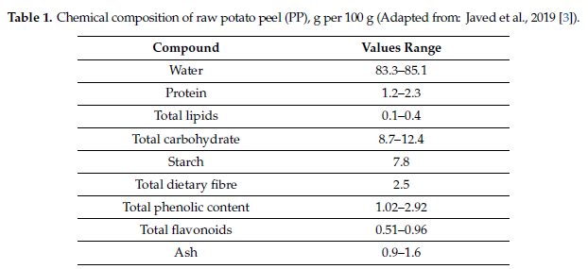

Specify the odds of each outcome as a vector, representing the individual probability of each value occurring.
The odds of a particular scenario occurring are calculated as the product of the odds associated with each uncertain parameter of that scenario.
Important Note *: When dealing with grouped scenarios, the probability of a specific value occurring will always match the reference parameter of that group to ensure that the sum of probabilities equals one.
Important Note **: If no specific odds are provided, it is assumed that all parameters have equal odds.
 | Yield & stoichiometric & pysical process |  |  |  |  |  |  |  | Stoichiometric reactor
 | Split factors (myu) |  |  |  |  |  |  |  | Stoichiometric factor (gamma)
 | Unit-Number | Target unit | Component | (%) | Group-nr. | Correlation | Probabilities |  | Unit-Number | Component | Reaction-number | (%) | Group-nr. | Correlation | Probabilities
MAE | 220 | 320 | Phenolics | 0.1 | 2 | reference | [0.2, 0.7, 0.1] |  |  | Sugars | 2 | 0.1 | 2 | opposite
UAE | 230 | 330 | Phenolics | 0.1 | 2 | equal | [0.2, 0.7, 0.1] |  |  | Sugars | 1 | 0.2 | 2 | opposite

 | Yield reactor |  |  |  |  |  |  | SOURCE price |  |  |  |  |  | POOL price
 | Yield factor (xi) |  |  |  |  |  |  | materialcosts |  |  |  |  |  | ProductPrice
 | Unit-Number | Component | (%) | Group-nr. | Correlation | Probabilities |  | Unit-Number | (%) | Group-nr. | Correlation | Probabilities |  | Unit-Number | (%) | Group-nr. | Correlation | Probabilities
 |  | PLA | 0.2 | 3 | reference | [0.25, 0.5, 0.25] |  |  | 0 | 3 | equal | [0.1, 0.8, 0.1] |  | 2000 | 0.4 | 3 | reference | [0.25, 0.5, 0.25]
 |  |  |  |  |  | [0.1, 0.8, 0.1] |  |  |  |  |  | [0.1, 0.8, 0.1] |  | 3000 | 0.4 | 3 | opposite

 |  |  |  |  |  |  |  |  |  |  |  |  |  |  |  |  |  | [0.3, 0.7]

 | x

 | Product prices

