Sources
units | Sources
(-) | Name | PotatoPeels | Water | Air | Solvent
(-) | Number | 11 | 22 | 33 | 44
€/t | Costs | 0 | 0 | 0 | 20
t/h | Lower-Limit | 1
t/h | Upper-Limit | 1
(-) | CO2-Emission-Fac
(-) | Fresh-water-factor | 0 | 1 | 0
(-) | Composition | 1 | 1 | 1 | 1 | 0 | 0 | 0 | 0 | 0 | 0 | 0
 | Proteins | 0.0175
 | Lipids | 0.0025
 | Sugars | 0.0275
 | Phenolics | 0.0197
 | H2O | 0.842 | 1
 | O2 |  |  | 0.22
 | N2 |  |  | 0.78
 | DES |  |  |  | 1
 | ash | 0.0128
 | Starch | 0.078
 |  |  |  |  |  |  |  |  |  |  |  |  | x

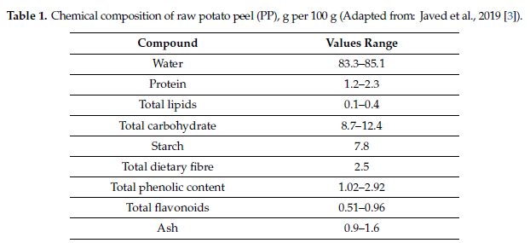

POTATO PEELS
doi:10.3390/foods9111598
LETS ASSUME we can process 1 metric ton per hour
 |  |  |  |  |  |  |  |  |  |  | x

Uncertainty
Genaral Data |  |  | (+/- %) = | % deviation
level | 2 |  |  |  |  |  |  |  |  |  |  |  | interval of the levels
Probality of occurance | uniform |  |  |  |  |  |  |  |  |  |  |  | level
 |  |  |  |  |  |  |  |  |  |  |  |  | 2 | [1, -1]
 |  |  |  |  |  |  |  |  |  |  |  |  | 3 | [1, 0, -1]
Source |  |  |  |  |  | Stoichiometric reactor |  |  |  |  |  |  | 4 | n.a.
Feed Composition (phi) |  |  |  |  |  | Conversion factor (theta) |  |  |  |  |  |  |  | …
Unit-Number | Component | (%) | Group-nr. | Correlation | odds | Unit-Number | Component | Reaction-number | (%) | Group-nr. | Correlation
11 | Sugars | 0.18 | 1 | reference | [0.1, 0.8, 0.1} | 200 | Sugars | 2 | 0.2 | 1 | equal |  | Custom Level set |  | Custom probability
11 | Phenolics | 0.48 | 1 | opposite | [0.1, 0.8, 0.1} | 210 | Sugars | 1 | 0.1 | 1 | equal |  | Level |  | Group | Probability
 |  |  |  |  |  |  |  |  |  |  |  |  | 1 |  | 1 | 0.3
 |  |  |  |  |  |  |  |  |  |  |  |  | 0.5 |  | 2 | 0.2
 |  |  |  |  |  |  |  |  |  |  |  |  | 0
 |  |  |  |  |  |  |  |  |  |  |  |  | -0.5
 |  |  |  |  |  |  |  |  |  |  |  |  | -1

Note to self,
I could speciefe individually what the ods are as a vecotr, of eavh value occuring!
the odds of a scenario then happening is the product of all the odds of each uncertain parameter of that scenario!! todo I want to put this in the code!!!
Yield & stoichiometric & pysical process |  |  |  |  |  | Stoichiometric reactor
Split factors (myu) |  |  |  |  |  | Stoichiometric factor (gamma)
Unit-Number | Target unit | Component | (%) | Group-nr. | Correlation | Unit-Number | Component | Reaction-number | (%) | Group-nr. | Correlation
220 | 320 | Phenolics | 0.1 | 2 | reference |  | Sugars | 2 | 0.1 | 2 | opposite
230 | 330 | Phenolics | 0.1 | 2 | equal |  | Sugars | 1 | 0.2 | 2 | opposite

Yield reactor |  |  |  |  |  | SOURCE price |  |  |  |  | POOL price
Yield factor (xi) |  |  |  |  |  | materialcosts |  |  |  |  | ProductPrice
Unit-Number | Component | (%) | Group-nr. | Correlation |  | Unit-Number | (%) | Group-nr. | Correlation |  | Unit-Number | (%) | Group-nr. | Correlation
555 | PLA | 0.2 | 3 | reference |  |  |  |  |  |  | 2000 | 0.072 | 4 | reference
 |  |  |  |  |  |  |  |  |  |  | 3000 | 0.41 | 5 | reference
 |  |  |  |  |  |  |  |  |  |  | 4000 | 0.11 | 6 | reference
 |  |  |  |  |  |  |  |  |  |  | 5000 | 0.13 | 7 | reference

x

