Sources
units | Sources
(-) | Name | PotatoPeels | Water | Air | Solvent
(-) | Number | 11 | 22 | 33 | 44
€/t | Costs | 0 | 0 | 0 | 20
t/h | Lower-Limit | 1
t/h | Upper-Limit | 1
(-) | CO2-Emission-Fac
(-) | Fresh-water-factor | 0 | 1 | 0
(-) | Composition | 1 | 1 | 1 | 1 | 0 | 0 | 0 | 0 | 0 | 0 | 0
 | Proteins | 0.0175
 | Lipids | 0.0025
 | Sugars | 0.0275
 | Phenolics | 0.0197
 | H2O | 0.842 | 1
 | O2 |  |  | 0.22
 | N2 |  |  | 0.78
 | DES |  |  |  | 1
 | ash | 0.0128
 | Starch | 0.078
 |  |  |  |  |  |  |  |  |  |  |  |  | x

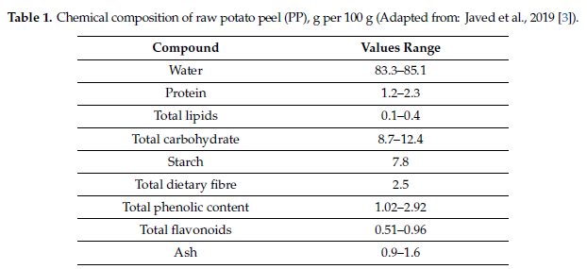

POTATO PEELS
doi:10.3390/foods9111598
LETS ASSUME we can process 1 metric ton per hour
1.97 |  |  |  |  |  |  |  |  |  |  | x
20

Uncertainty
Genaral Data
Combinatorial | True
Discretization | 3
Probality_of_occurance | custom
LHS_Sampling | False
Sample_Size | 50

Custom Level set |  | Composition Exclusion (phi)
Level |  | Source_Number | Excluded components
1 |  | 11 | H2O
0.5
Relates to the composition that gets rearanged
when the composition of elemnet i is changed. Normaly the % change is spread out over the over components.
But you can choose not to do this
0
-0.5
-1

 |  |  |  |  |  |  |  |  |  | DO NOT TOUCH OR DELEET

Colunm Combinatorial
Specify the odds of each outcome as a vector, representing the individual probability of each value occurring.
The odds of a particular scenario occurring are calculated as the product of the odds associated with each uncertain parameter of that scenario.
Important Note *: When dealing with grouped scenarios, the probability of a specific value occurring will always match the reference parameter of that group to ensure that the sum of probabilities equals one.
Important Note **: If no specific odds are provided, it is assumed that all parameters have equal odds.
 |  | Identification data |  |  |  |  |  | Combinatorial | LHS
Parameter_Type | Unit_Number | Component | Target_Unit | Reaction_Number | (%) | Group_Number | Correlation | Custom_Probabilities | Distribution_Function |  | ComponentsList | Target UNIT | Reaction nr
Feed Composition (phi) | 11 | Sugars | n.a. | n.a. | 0.18 | 1 | reference | [0.1, 0.8, 0.1] | Uniform |  | ComponentsList | NAValue | NAValue
Feed Composition (phi) | 11 | Starch | n.a. | n.a. | 0.18 | 1 | equal | [0.1, 0.8, 0.1] | Normal |  | ComponentsList | NAValue | NAValue
Feed Composition (phi) | 11 | Phenolics | n.a. | n.a. | 0.48 | 2 | reference | [0.3, 0.4, 0.3] | Normal |  | ComponentsList | NAValue | NAValue
Conversion factor (theta) | 210 | Sugars | n.a. | 1 | 0.28 | 3 | reference | [0.1, 0.8, 0.1] | Uniform |  | ComponentsList | NAValue | ReactionNumbers
Conversion factor (theta) | 210 | Starch | n.a. | 1 | 0.28 | 3 | equal | [0.1, 0.8, 0.1] | Uniform |  | ComponentsList | NAValue | ReactionNumbers
Split factors (myu) | 220 | Phenolics | 320 | n.a. | 0.6 | 3 | equal | [0.3, 0.4, 0.3] | Uniform |  | ComponentsList | UnitNumbers | NAValue
Split factors (myu) | 230 | Phenolics | 320 | n.a. | 0.19 | 3 | equal | [0.3, 0.4, 0.3] | Uniform |  | ComponentsList | UnitNumbers | NAValue
Price (ProductPrice) | 2000 | n.a. | n.a. | n.a. | 0.072 | 4 | reference | [0.1, 0.8, 0.1] | Uniform |  | NAValue | NAValue | NAValue
Price (ProductPrice) | 3000 | n.a. | n.a. | n.a. | 0.41 | 4 | equal | [0.1, 0.8, 0.1] | Uniform |  | NAValue | NAValue | NAValue
Price (ProductPrice) | 4000 | n.a. | n.a. | n.a. | 0.11 | 4 | equal | [0.1, 0.8, 0.1] | Uniform |  | NAValue | NAValue | NAValue
Price (ProductPrice) | 5000 | n.a. | n.a. | n.a. | 0.13 | 4 | equal | [0.1, 0.8, 0.1] | Uniform |  | NAValue | NAValue | NAValue
 |  |  |  |  |  |  |  |  |  |  | ComponentsList | NAValue | NAValue
 |  |  |  |  |  |  |  |  |  |  | ComponentsList | NAValue | NAValue
 |  |  |  |  |  |  |  |  |  |  | ComponentsList | NAValue | NAValue
 |  |  |  |  |  |  |  |  |  |  | ComponentsList | NAValue | NAValue
Parameter type
Yield & stoichiometric & pysical process:
Physical Split factors (myu)
Source:
Feed Composition (phi)
Costs (materialcosts)
stoichiometric process:
Conversion factor (theta)
Stoichiometric factor (gamma)
Yield process
Yield factor (xi)
Pools
Price (ProductPrice)
Others
electricity_price
heat_price
 |  |  |  |  |  |  |  |  |  |  | ComponentsList | NAValue | NAValue
 |  |  |  |  |  |  |  |  |  |  | ComponentsList | NAValue | NAValue
 |  |  |  |  |  |  |  |  |  |  | ComponentsList | NAValue | NAValue
 |  |  |  |  |  |  |  |  |  |  | ComponentsList | NAValue | NAValue
 |  |  |  |  |  |  |  |  |  |  | ComponentsList | NAValue | NAValue
 |  |  |  |  |  |  |  |  |  |  | ComponentsList | NAValue | NAValue
 |  |  |  |  |  |  |  |  |  |  | ComponentsList | NAValue | NAValue
 |  |  |  |  |  |  |  |  |  |  | ComponentsList | NAValue | NAValue
 |  |  |  |  |  |  |  |  |  |  | ComponentsList | NAValue | NAValue
 |  |  |  |  |  |  |  |  |  |  | ComponentsList | NAValue | NAValue
 |  |  |  |  |  |  |  |  |  |  | ComponentsList | NAValue | NAValue
 |  |  |  |  |  |  |  |  |  |  | ComponentsList | NAValue | NAValue

x

Uncertainty_old
 | Genaral Data |  |  | (+/- %) = | % deviation
 | level | 3 |  | Nr of scenarios | level ^ (#Groups) |  |  |  |  |  |  |  |  |  |  |  | interval of the levels
 | Probality of occurance | custom |  |  |  |  |  |  |  |  |  |  |  |  |  |  | level
 |  |  |  |  |  |  |  |  |  |  |  |  |  |  |  |  | 2 | [1, -1]
 |  |  |  |  |  |  |  |  |  |  |  |  |  |  |  |  | 3 | [1, 0, -1]
 | Source |  |  |  |  |  |  |  | Stoichiometric reactor |  |  |  |  |  |  |  | 4 | n.a.
 | Feed Composition (phi) |  |  |  |  |  |  |  | Conversion factor (theta) |  |  |  |  |  |  |  |  | …
 | Unit-Number | Component | (%) | Group-nr. | Correlation | Probabilities | PPF |  | Unit-Number | Component | Reaction-number | (%) | Group-nr. | Correlation | Probabilities |  |  |  | Source
 | 11 | Sugars | 0.18 | 1 | reference | [0.1, 0.8, 0.1] |  |  | 210 | Sugars | 1 | 0.28 | 3 | reference | [0.1, 0.8, 0.1] |  | Custom Level set |  | Composition Exclusion (phi)
 | 11 | Starch | 0.18 | 1 | equal | [0.1, 0.8, 0.1] |  |  | 210 | Starch | 1 | 0.28 | 3 | equal | [0.1, 0.8, 0.1] |  | Level |  | Unit-Number | Excluded components
 | 11 | Phenolics | 0.48 | 2 | reference | [0.3, 0.4, 0.3] |  |  |  |  |  |  |  |  |  |  | 1 |  | 11 | H2O
 |  |  |  |  |  |  |  |  |  |  |  |  |  |  |  |  | 0.5
Relates to the composition that gets rearanged
when the composition of elemnet i is changed. Normaly the % change is spread out over the over components.
But you can choose not to do this
 |  |  |  |  |  |  |  |  |  |  |  |  |  |  |  |  | 0
 |  |  |  |  |  |  |  |  |  |  |  |  |  |  |  |  | -0.5
 |  |  |  |  |  |  |  |  |  |  |  |  |  |  |  |  | -1

 |  |  |  |  |  |  |  |  |  |  |  |  |  |  |  |  |  |  |  |  | x

Specify the odds of each outcome as a vector, representing the individual probability of each value occurring.
The odds of a particular scenario occurring are calculated as the product of the odds associated with each uncertain parameter of that scenario.
Important Note *: When dealing with grouped scenarios, the probability of a specific value occurring will always match the reference parameter of that group to ensure that the sum of probabilities equals one.
Important Note **: If no specific odds are provided, it is assumed that all parameters have equal odds.
 | Yield & stoichiometric & pysical process |  |  |  |  |  |  |  | Stoichiometric reactor
 | Split factors (myu) |  |  |  |  |  |  |  | Stoichiometric factor (gamma)
 | Unit-Number | Target unit | Component | (%) | Group-nr. | Correlation | Probabilities |  | Unit-Number | Component | Reaction-number | (%) | Group-nr. | Correlation | Probabilities
MAE | 220 | 320 | Phenolics | 0.6 | 3 | equal | [0.3, 0.4, 0.3] |  |  |  |  |  |  |  | [0.1, 0.8, 0.1]
UAE | 230 | 330 | Phenolics | 0.19 | 3 | equal | [0.3, 0.4, 0.3] |  |  |  |  |  |  |  | [0.1, 0.8, 0.1]

 | Yield reactor |  |  |  |  |  |  | SOURCE price |  |  |  |  |  | POOL price
 | Yield factor (xi) |  |  |  |  |  |  | materialcosts |  |  |  |  |  | ProductPrice
 | Unit-Number | Component | (%) | Group-nr. | Correlation | Probabilities |  | Unit-Number | (%) | Group-nr. | Correlation | Probabilities |  | Unit-Number | (%) | Group-nr. | Correlation | Probabilities
 |  |  |  |  |  | [0.1, 0.8, 0.1] |  |  |  |  |  | [0.1, 0.8, 0.1] |  | 2000 | 0.07 | 4 | reference | [0.1, 0.8, 0.1]
 |  |  |  |  |  | [0.1, 0.8, 0.1] |  |  |  |  |  | [0.1, 0.8, 0.1] |  | 3000 | 0.41 | 4 | equal | [0.1, 0.8, 0.1]
 |  |  |  |  |  |  |  |  |  |  |  |  |  | 4000 | 0.11 | 4 | equal
 |  |  |  |  |  |  |  |  |  |  |  |  |  | 5000 | 0.13 | 4 | equal

 | x

 | Source
 | Feed Composition (phi)
 | Unit-Number | Component | (%) | Group-nr. | Correlation | Probabilities
 | 11 | Sugars | 0.18 | 1 | reference | [0.1, 0.8, 0.1]
 | 11 | Starch | 0.18 | 1 | equal | [0.1, 0.8, 0.1]
 | 11 | Phenolics | 0.48 | 2 | reference | [0.3, 0.4, 0.3]

 | Parameter Type | Unit-Number | Target unit | Component | (%) | Group-nr. | Correlation | Probabilities | PPF
 | Feed Composition (phi) | 220 | 320 | Phenolics | 0.6 | 3 | equal | [0.3, 0.4, 0.3]
 | Feed Composition (phi) | 230 | 330 | Phenolics | 0.19 | 3 | equal | [0.3, 0.4, 0.3]

Solvent recovery
General factors |  |  | Cost related factors |  |  | Energy related factors |  |  |  |  |  | Splitfactors |  |  | Material flow soures |  |  |  | Concentration factors
Parameter | Value | Units | Parameter | Values | Units | Parameter | Electricity | Heating / Cooling (1) | Heating / Cooling (2) | Chilling | Units | Target Process | Component | Split | Sources | Target Group 1 | Target Group 2 | Target Group 3 | Flow 1 | Component | Flow 2 | Component | Concentration (of Flow 1 compared to Flow 2)
Name | Anti-solvent recov 1 | (-) | Faktor |  | (-) | Specific energy demand |  | 0.1 |  |  | MWh/{unit specific} | 3000 | Phenolics | 1 |  | 3000 | 220
Nummer | 320 | (-) | Reference Costs | 0.05 | M€ | Reference flow type |  | FIN |  |  | t/h | 220 | DES | 0.85
Type |  | (-) | Reference Flow | 10 | t/h | Components list |  | DES
Process group |  | (-) | Exponent | 0.1 | (-) |  |  | H2O
Lifetime | 25 | (-) | Reference Year | 2018 | year
Direct Cost Factor | 2.6 | (-) | Refence Flow Type | FIN | t/h
Indirect Cost Factor | 1.44 | (-) | Componentlist | DES | (-)
Temperature In (1) | 25 | K or C |  | Phenolics | (-)
Tmperature Out (1) | 60 | K or C |  |  | (-)
Temperature In (2) |  | K or C |  |  | (-)
Tmperature Out (2) |  | K or C |  |  | (-)
Efficiency (Only Generators) | NO VALUE | (-) |  |  | (-)
CO2 Emissions for Building |  | (-) |  |  | (-)
Maintenance Cost Factor |  | (-) |  |  | (-)
Turnover factor |  | (-) |  |  | (-)
Turnover time |  | (-) |  |  | (-)
Turnover mode |  | (-) |  |  | (-)
Process specific Full Load Hours | 8000 | h |  |  | (-)

Assumptions made and references
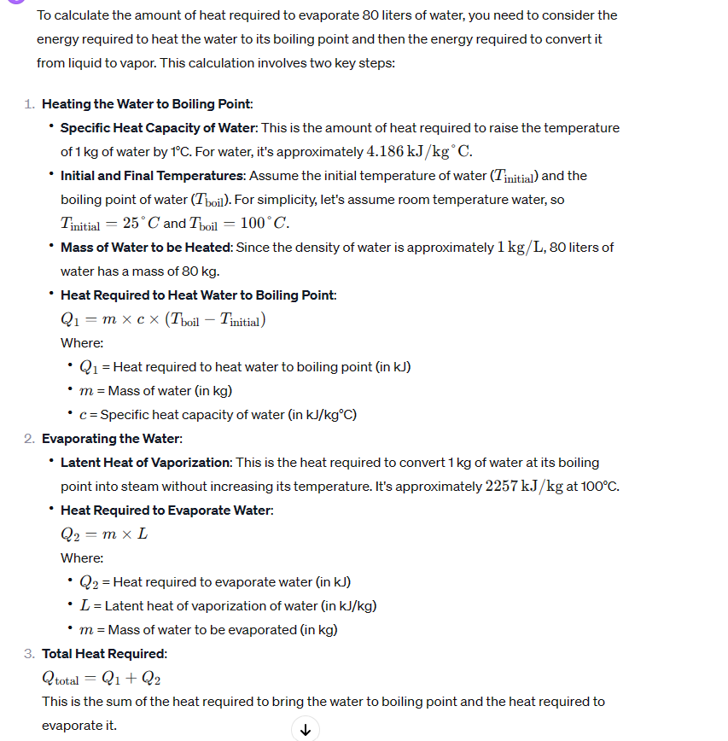
Assume anti-solvent recovery is used (being water or ethanol)
read:
https://doi.org/10.1007/s13399-021-01860-9

say we use water as anti solvent
20 | C
100 | C
dTemp
BOILING
4.186 | kJ/kg°C.
313.95 | kJ/kg
EVAPORATINg
2257 | kJ/kg

tot
2570.95 | kJ/kg
assume 8 hours of operation
seems resonable

0.089269097222 | kW/kg
0.089269097222 | MWh/t

x

 |  |  |  |  |  |  |  |  |  | x

Anaerobic Digestor
 |  |  |  |  | Stö

General factors |  |  | Cost related factors |  |  | Energy related factors |  |  |  |  |  | Splitfactors |  |  | Material flow soures |  |  |  | Concentration factors |  |  |  |  | Stoichiometric Factors |  |  | Conversion Factors
Parameter | Value | Units | Parameter | Values | Units | Parameter | Electricity | Heating / Cooling (1) | Heating / Cooling (2) | Chilling | Units | Target Process | Component | Split | Sources | Target Group 1 | Target Group 2 | Target Group 3 | Flow 1 | Component | Flow 2 | Component | Concentration (of Flow 1 compared to Flow 2) | Component | Reaction r | Value | Reaction r | Component m | Conversion
Name | Anaerobic Digest. | (-) | Faktor |  | (-) | Specific energy demand | 0.010 | 0.127 |  |  | MWh/t | 777 | CH4 | 1 |  | 777 | 1000 | 1100 |  |  |  |  |  | Sugars | 2 | -1 | 2 | Sugars | 0.99
Nummer | 200 | (-) | Reference Costs | 0.7 | M€ | Reference flow type | FIN | FIN |  |  | t/h | 1000 | Biomass | 1 |  |  |  |  |  |  |  |  |  | CH4 | 2 | 0.14 | 3 | Lipids | 0.5
Type | Stoich.Reactor | (-) | Reference Flow | 0.20 | t/h | Components list | Sugars | Sugars |  |  |  |  |  |  |  |  |  |  |  |  |  |  |  | Biomass | 2 | 0.86 | 4 | Proteins | 0.6
Process group |  | (-) | Exponent | 0.6 | (-) |  | Proteins | Proteins |  |  |  |  |  |  |  |  |  |  |  |  |  |  |  | Lipids | 3 | -1 | 8 | Starch | 0.2
Lifetime | 25 | (-) | Reference Year | 2018 | year |  | Lipids | Lipids |  |  |  |  |  |  |  |  |  |  |  |  |  |  |  | CH4 | 3 | 0.14
Direct Cost Factor | 2.6 | (-) | Refence Flow Type | FIN | t/h |  | Phenolics | Phenolics |  |  |  |  |  |  |  |  |  |  |  |  |  |  |  | Biomass | 3 | 0.86
Indirect Cost Factor | 1.44 | (-) | Componentlist | Sugars | (-) |  | Starch | Starch |  |  |  |  |  |  |  |  |  |  |  |  |  |  |  | Proteins | 4 | -1
Temperature In (1) | 20 | K |  | Phenolics | (-) |  | H2O | H2O |  |  |  |  |  |  |  |  |  |  |  |  |  |  |  | CH4 | 4 | 0.14
Tmperature Out (1) | 35 | K |  | Proteins |  |  |  |  |  |  |  |  |  |  |  |  |  |  |  |  |  |  |  | Biomass | 4 | 0.86
Temperature In (2) |  | K |  | Lipids |  |  |  |  |  |  |  |  |  |  |  |  |  |  |  |  |  |  |  | Starch | 8 | -1
Tmperature Out (2) |  | K |  |  |  |  |  |  |  |  |  |  |  |  |  |  |  |  |  |  |  |  |  | Biomass | 8 | 0.14
Efficiency (Only Generators) | NO VALUE | (-) |  |  |  |  |  |  |  |  |  |  |  |  |  |  |  |  |  |  |  |  |  | CH4 | 8 | 0.86
CO2 Emissions for Building |  | (-)
Maintenance Cost Factor |  | (-)
Turnover factor |  | (-)
Turnover time |  | (-)
Turnover mode |  | (-)
Specifice flh | 8000 | h

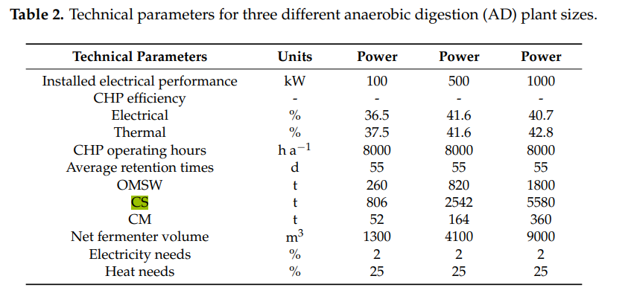

output | 100 | kW
electricity | 0.02
heat | 0.25

operating hours | 1320 | h
load | 260 | ton

elec | 2640 | kWh
heat | 33000 | kWh
so per ton:
elec | 0.010 | MWh/ton
heat | 0.1 | MWh/ton

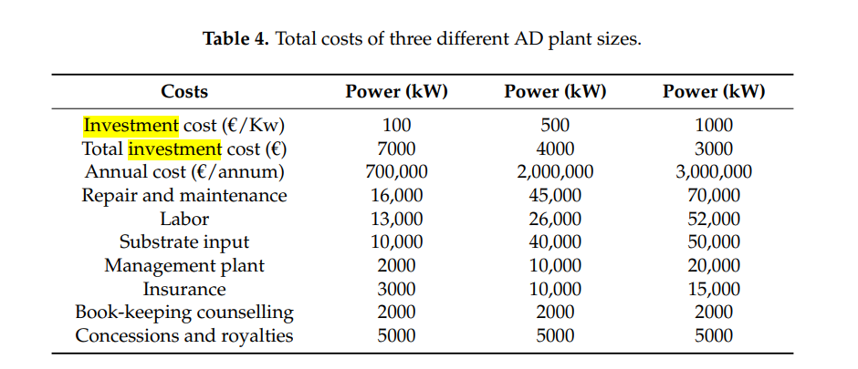

YEILDs
https://doi.org/10.3390/en12122311
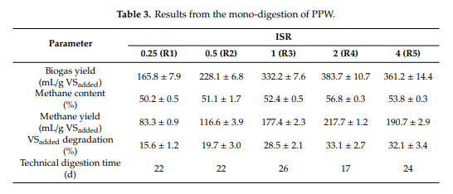

assume
density of methane | 0.000717 | g/ml
production | 190 | ml/gVS
yield | 0.13623 | gCH4/gVS

 |  |  |  |  |  |  |  |  |  |  | x

