Grinding (100)
 |  |  |  |  |  |  | 0.016
General factors |  |  | Cost related factors |  |  | Energy related factors |  |  |  |  |  | Splitfactors |  |  |  | Material flow soures |  |  |  |  | Concentration factors
Parameter | Value | Units | Parameter | Values | Units | Parameter | Electricity | Heating / Cooling (1) | Heating / Cooling (2) | Chilling | Units | Target Process | Component | Split |  | Sources | Target Group 1 | Target Group 2 | Target Group 3 |  | Flow 1 | Component | Flow 2 | Component | Concentration (of Flow 1 compared to Flow 2)
Name | Grinding | (-) |  |  |  | Specific energy demand | 0.016 |  |  |  | MWh/{unit specific} | 888 | Proteins | 1 | All is passed on | 11 | 888 |  |  | source from potato peels
Nummer | 100 | (-) | Reference Costs | 0.263 | M€ | Reference flow type | FIN |  |  |  | t/h | 888 | Lipids | 1
Type |  | (-) | Reference Flow | 250 | t/h | Components list | Proteins |  |  |  |  | 888 | Sugars | 1
Process group |  | (-) | Exponent | 0.6 | (-) |  | Lipids |  |  |  |  | 888 | Phenolics | 1
Lifetime | 25 | (-) | Reference Year | 2017 | year |  | Sugars |  |  |  |  | 888 | Cellulose | 1
Direct Cost Factor | 2.6 | (-) | Refence Flow Type | FIN | t/h |  | Phenolics |  |  |  |  | 888 | Ligin | 1
Indirect Cost Factor | 1.44 | (-) | Componentlist | Proteins | (-) |  | Cellulose |  |  |  |  | 888 | Hemi-cellulose | 1
Temperature In (1) | 22 | K or C |  | Lipids | (-) |  | Ligin |  |  |  |  | 888 | Starch | 1
Tmperature Out (1) | 25 | K or C |  | Sugars | (-) |  | Hemi-cellulose |  |  |  |  | 888 | H2O | 0.95
Temperature In (2) |  | K or C |  | Phenolics | (-) |  | Starch |  |  |  |  | 888 | Ash | 1
Tmperature Out (2) |  | K or C |  | Cellulose | (-) |  | H2O
Efficiency (Only Generators) | NO VALUE | (-) |  | Ligin | (-) |  | Ash
CO2 Emissions for Building |  | (-) |  | Hemi-cellulose | (-)
Maintenance Cost Factor | 0.04 | (-) |  | Starch | (-)
Turnover factor |  | (-) |  | H2O | (-)
Turnover time |  | (-) |  | Ash | (-)
Turnover mode |  | (-) |  |  | (-)
Process specific Full Load Hours | 8000 | h |  |  | (-)
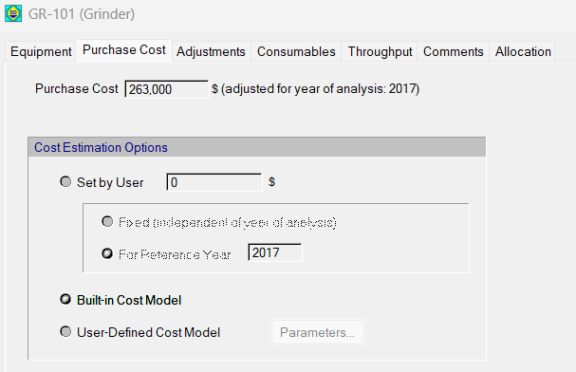
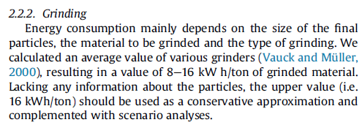
 |  |  |  |  |  | reference piccini et al 2016 :
 |  |  |  |  |  | http://dx.doi.org/10.1016/j.jclepro.2016.06.164
Reference: Super-pro desinger (potatopeel case study)
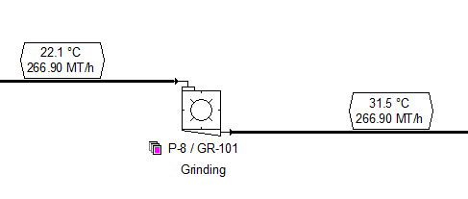

Diliverable 1.1 WR

Considering 558 Mtons of potatopeels per year

 |  |  |  |  |  |  |  |  |  | x

Hydrolysis (200)
 |  |  |  |  | Stö

FLOW1 = Concentration_Factor x FLOW2

Cenversion efficientcies are a great source of uncertainty
General factors |  |  | Cost related factors |  |  | Energy related factors |  |  |  |  |  | Splitfactors |  |  | Material flow soures |  |  |  | Concentration factors |  |  |  |  | Stoichiometric Factors |  |  | Conversion Factors
Parameter | Value | Units | Parameter | Values | Units | Parameter | Electricity | Heating / Cooling (1) | Heating / Cooling (2) | Chilling | Units | Target Process | Component | Split | Sources | Target Group 1 | Target Group 2 | Target Group 3 | Flow 1 | Component | Flow 2 | Component | Concentration (of Flow 1 compared to Flow 2) | Component | Reaction r | Value | Reaction r | Component m | Conversion
Name | Hydrolysis | (-) |  |  | (-) | Specific energy demand |  | 100 |  |  | Delta T | 400 | Starch | 1 | 88 | 400 |  |  | FIN | Amylase | FIN | Starch | 0.002 | Starch | 14 | -1 | 14 | Starch | 0.9
Nummer | 200 | (-) | Reference Costs | 0.075 | M€ | Reference flow type |  | FIN_CP |  |  | t/h | 400 | Cellulose | 1 |  |  |  |  |  |  |  |  |  | Sugars | 14 | 1 | 15 | Cellulose | 0.7
Type | Stoich.Reactor | (-) | Reference Flow | 0.10 | t/h | Components list |  | H2O |  |  |  | 400 | Hemi-cellulose | 1 |  |  |  |  |  |  |  |  |  | Cellulose | 15 | -1 | 16 | Hemi-cellulose | 0.7
Process group |  | (-) | Exponent | 0.53 | (-) |  |  |  |  |  |  | 400 | Lipids | 1 |  |  |  |  |  |  |  |  |  | Sugars | 15 | 1
Lifetime | 25 | (-) | Reference Year | 2006 | year |  |  |  |  |  |  | 400 | Proteins | 1 |  |  |  |  |  |  |  |  |  | Hemi-cellulose | 16 | -1
Direct Cost Factor | 2.6 | (-) | Refence Flow Type | FIN | t/h |  |  |  |  |  |  | 400 | Phenolics | 1 |  |  |  |  |  |  |  |  |  | Sugars | 16 | 1
Indirect Cost Factor | 1.44 | (-) | Componentlist | H2O | (-) |  |  |  |  |  |  | 400 | Ligin | 1
Temperature In (1) | 25 | K |  | Proteins | (-) |  |  |  |  |  |  | 400 | Sugars | 1
Tmperature Out (1) | 80 | K |  | Lipids | (-) |  |  |  |  |  |  | 400 | H2O | 1
Temperature In (2) |  | K |  | Starch | (-) |  |  |  |  |  |  | 400 | Ash | 1
Tmperature Out (2) |  | K |  | Cellulose | (-)
Efficiency (Only Generators) | NO VALUE | (-) |  | Hemi-cellulose | (-)
CO2 Emissions for Building |  | (-) |  | Ligin | (-)
Maintenance Cost Factor |  | (-) |  | Sugars | (-)
Turnover factor |  | (-) |  |  | (-)
Turnover time |  | (-) |  |  | (-)
Turnover mode |  | (-) |  |  | (-)
Process specific Full Load Hours | 8000 | h |  |  | (-)

Let's assume, That we need to heat the water up to 100 degrees temperature difference. This will be a close enogh approximation of the energy consumption due to heating
 |  |  | Ref: rules of Thumb
In This unit we assum thermal and Enzymatic hydrolyis can happen in one vessel, and happens sequentially. Like a SBR!
references for this unit:
Soltaninejad et al (2022) OrgaSolv PPW, https://doi.org/10.1016/j.chemosphere.2021.133003
and
Aden, Andy, et al. Lignocellulosic biomass to ethanol process design and economics utilizing co-current dilute acid prehydrolysis and enzymatic hydrolysis for corn stover. No. NREL/TP-510-32438. National Renewable Energy Lab.(NREL), Golden, CO (United States), 2002.
Processes :
- Thermal (ethanol at 180 degrees celcius)
- Enzmatic 1 (cellulase)
- Enzymatic 2 (amylase)
https://doi.org/10.1016/j.chemosphere.2021.133003

 |  |  |  |  |  |  |  |  |  |  |  |  | Proteins
 |  |  |  |  |  |  |  |  |  |  |  |  | Lipids
 |  |  |  |  |  |  |  |  |  |  |  |  | Sugars
 |  |  |  |  |  |  |  |  |  |  |  |  | Phenolics
 |  |  |  |  |  |  |  |  |  |  |  |  | Cellulose
 |  |  |  |  |  |  |  |  |  |  |  |  | Ligin
 |  |  |  |  |  |  |  |  |  |  |  |  | Hemi-cellulose
 |  |  |  |  |  |  |  |  |  |  |  |  | Starch
 |  |  |  |  |  |  |  |  |  |  |  |  | H2O
 |  |  |  |  |  |  |  |  |  |  |  |  | Ash

We're going to need a pressure vessel, for the `pretreatment which is commonly applied at relativly high pressures.
Take 72 hours to pretreat the whole batch...

 |  |  | REFERENCE FLOW
 |  |  | 3 | m3
 |  |  | 1 | t/m3 is the assumption
 |  |  | 30 | h reaction time | REF: Andy, et al. 2002

 |  |  | Reference flow
 |  |  | 0.10000 | t/h

 |  |  |  |  |  |  |  |  |  |  | x

MCF (400)
FLOW1 = Concentration_Factor x FLOW2

Same as Anaerobis digestion??
see Anaerobic digestion nr 600
 |  |  |  |  |  |  |  | 0.00044
General factors |  |  |  | Cost related factors |  |  | Energy related factors |  |  |  |  |  | Splitfactors |  |  | Material flow soures |  |  |  | Concentration factors |  |  |  |  | Stoichiometric Factors |  |  | Conversion Factors
Parameter | Value | Units |  | Parameter | Values | Units | Parameter | Electricity | Heating / Cooling (1) | Heating / Cooling (2) | Chilling | Units | Target Process | Component | Split | Sources | Target gourp 1 | Target gourp 2 | Target gourp 3 | Flow 1 | Component | Flow 2 | Component | Concentration (of Flow 1 compared to Flow 2) | Component | Reaction r | Value | Reaction r | Component m | Conversion
Name | Mixed.culture.Ferm. | (-) |  |  |  |  | Specific energy demand | 0.00044 | 10 |  |  | MWh/t | 420 | VFA | 1 | 22 | 420 | 600 |  | FIN | Starch | FIN | H2O | 0.25 | Proteins | 26 | -1 | 13 | Sugars | 0.99
Nummer | 400 | (-) |  | Reference Costs | 0.185559 | M€ | Reference flow type | FIN | FIN_CP |  |  | t/h | 420 | H2O | 1 |  |  |  |  |  | Proteins |  |  |  | VFA | 26 | 0.55 | 22 | Starch | 0.7
Type | Stoich.Reactor | (-) |  | Reference Flow | 0.625 | t/h | Components list | H2O | H2O |  |  |  | 420 | Biomass | 1 |  |  |  |  |  | Lipids |  |  |  | Biomass | 26 | 0.1 | 23 | Cellulose | 0.775
assume we need to raise the temperature of the fermentation 10 degrees
Process group |  | (-) |  | Exponent | 0.7191 | (-) |  |  |  |  |  |  | 600 | Sugars | 1 |  |  |  |  |  | Ash |  |  |  | CO2 | 26 | 0.35 | 24 | Hemi-cellulose | 0.9
Lifetime | 25 | (-) |  | Reference Year | 2020 | year |  |  |  |  |  |  | 600 | Lipids | 1 |  |  |  |  |  | Phenolics |  |  |  | Lipids | 25 | -1 | 25 | Lipids | 0.45
Direct Cost Factor | 2.6 | (-) |  | Refence Flow Type | FIN | t/h |  |  |  |  |  |  | 600 | Proteins | 1 |  |  |  |  |  | Sugars |  |  |  | VFA | 25 | 0.55 | 26 | Proteins | 0.6
Indirect Cost Factor | 1.44 | (-) |  | Componentlist | Proteins | (-) |  |  |  |  |  |  | 600 | Starch | 1 |  |  |  |  |  | Cellulose |  |  |  | Biomass | 25 | 0.1
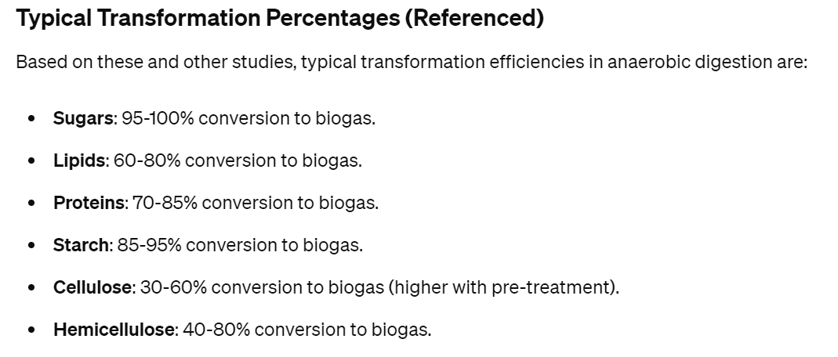
Temperature In (1) | 25 | K |  |  | Lipids | (-) |  |  |  |  |  |  | 600 | Cellulose | 1 |  |  |  |  |  | Hemi-cellulose |  |  |  | CO2 | 25 | 0.35
Tmperature Out (1) | 35 | K |  |  | Sugars | (-) |  |  |  |  |  |  | 600 | Hemi-cellulose | 1 |  |  |  |  |  |  |  |  |  | Starch | 22 | -1
Temperature In (2) |  | K |  |  | Starch | (-) |  |  |  |  |  |  | 600 | Ash | 1 |  |  |  |  |  |  |  |  |  | VFA | 22 | 0.55
Tmperature Out (2) |  | K |  |  | Phenolics | (-) |  |  |  |  |  |  |  |  |  |  |  |  |  |  |  |  |  |  | Biomass | 22 | 0.1
Efficiency (Only Generators) | NO VALUE | (-) |  |  | H2O | (-) |  |  |  |  |  |  |  |  |  |  |  |  |  |  |  |  |  |  | CO2 | 22 | 0.35
CO2 Emissions for Building |  | (-) |  |  | Cellulose | (-) |  |  |  |  |  |  |  |  |  |  |  |  |  |  |  |  |  |  | Sugars | 13 | -1
Half of the biomass to the next reactor! reference Yolanda from CRETUS
Assume you also decant the solids from the broth and the solids containt the left over fraction of digestate! all of it that is
Maintenance Cost Factor | 0.04 | (-) |  |  | Hemi-cellulose | (-) |  |  |  |  |  |  |  |  |  |  |  |  |  |  |  |  |  |  | VFA | 13 | 0.55
Turnover factor |  | (-) |  |  | Ligin | (-) |  |  |  |  |  |  |  |  |  |  |  |  |  |  |  |  |  |  | Biomass | 13 | 0.1
Turnover time |  | (-) |  |  | Ash | (-) |  |  |  |  |  |  |  |  |  |  |  |  |  |  |  |  |  |  | CO2 | 13 | 0.35
Turnover mode |  | (-) |  |  |  | (-) |  |  |  |  |  |  |  |  |  |  |  |  |  |  |  |  |  |  | Cellulose | 23 | -1
Process specific Full Load Hours | 8000 | h |  |  |  | (-) |  |  |  |  |  |  |  |  |  |  |  |  |  |  |  |  |  |  | VFA | 23 | 0.55
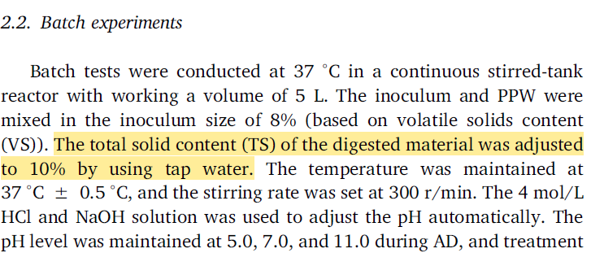
 |  |  |  |  |  |  |  |  |  |  |  |  |  |  |  |  |  |  |  |  |  |  |  |  | Biomass | 23 | 0.1
# calculations for power consumption:
Power consumption due to aggitation. See SuperPro designer for specifications. case study: PHA polymers
 |  |  |  | Cost model |  |  |  |  |  |  |  |  |  |  |  |  |  |  |  |  |  |  |  |  | CO2 | 23 | 0.35
 |  |  |  | From SuperPro designer |  |  |  |  |  |  |  |  |  |  |  |  |  |  |  |  |  |  |  |  | Hemi-cellulose | 24 | -1
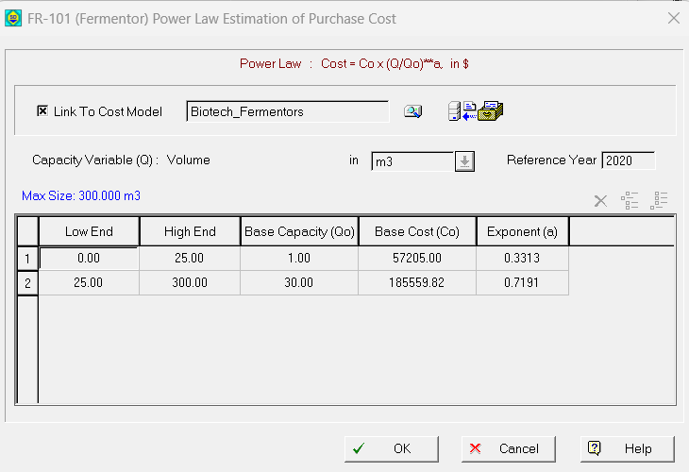
# calculations for power consumption:
Power consumption due to aggitation. according to Piccnin et al. (2016)
According to this formula the energy consunption should be aroung 0.00044, which is realy close to the anwser of Chat-GPT!! nice job!!
 |  |  |  |  |  |  |  |  |  |  |  |  |  |  |  |  |  |  |  |  |  |  |  |  | VFA | 24 | 0.55
 |  |  |  |  |  |  |  |  |  |  |  |  |  |  |  |  |  |  |  |  |  |  |  |  | Biomass | 24 | 0.1
 |  |  |  |  |  |  |  |  |  |  |  |  |  |  |  |  |  |  |  |  |  |  |  |  | CO2 | 24 | 0.35

 |  |  |  |  |  |  |  | 2 | kW/t_feed
 |  |  |  |  |  |  |  | 0.002 | MW/t
 |  |  |  |  |  |  |  | operating 48 hours
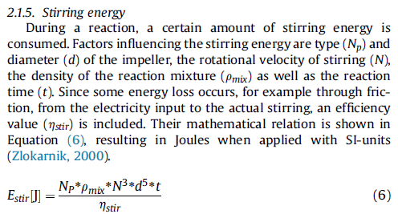
 |  |  |  |  |  |  |  | 0.096 | MWh/t

50% of solids are hydrolysised and accessible for consumption
30 g/l -> 15 g/L
Yield +/- 0.5 gCOD/gCOD
25 g raw material in 75 g water
For the yield we look at lu et al. (2020):
https://doi.org/10.1016/j.biortech.2020.123851
for detailed calculations see the Notebook file
According top Lu et al (the table below) we can assume that 88% is converted that way! Check if it is really the conversion efficientcy though… I'm not convinced
WHAT TO DO WITH FIBER (i.e., CELLULOSE, LIGNE, HEMICELLULOSE) and STARCH??
=> get hydrolyed in the process right? but to what degree??
 |  |  |  |  |  |  |  |  |  |  |  |  |  |  |  |  |  |  |  |  |  |  |  |  |  |  |  |  |  |  | Sugars | 2 | -1 | 13 | Sugar to VFA | Sugars
 |  |  |  |  |  |  |  | Assume 10 Watts/ton power consumption (chat GPT) |  |  |  |  |  |  |  |  |  |  |  |  |  |  |  |  |  |  |  |  |  |  | Biomass | 2 | 0.1 | 22 | Starch to VFA | Starch
 |  |  |  |  |  |  |  | assume 48 hours of stirring |  |  |  |  |  |  |  |  |  |  |  |  |  |  |  |  |  |  |  |  |  |  | CH4 | 2 | 0.25 | 23 | cellulose to VFA | Cellulose
 |  |  |  |  |  |  |  | 10 | W/t |  |  |  |  |  |  |  |  |  |  |  |  |  |  |  |  |  |  |  |  |  | CO2 | 2 | 0.65 | 24 | hemi to VFA | Hemi-cellulose
 |  |  |  |  |  |  |  | 480 | Wh/t |  |  |  |  |  |  |  |  |  |  |  |  |  |  |  |  |  |  |  |  |  | Lipids | 3 | -1 | 25 | Lipid to VFA | Lipids
 |  |  |  |  |  |  |  | 0.00048 | MWh/t |  |  |  |  |  |  |  |  |  |  |  |  |  |  |  |  |  |  |  |  |  | Biomass | 3 | 0.1 | 26 | prot to VFA | Proteins
# calculations for power consumption:
SuperPro designer seems to be a bit exagerated if you ask me. asking Chat GPT
 |  |  |  |  |  |  |  |  |  |  |  |  |  |  |  |  |  |  |  |  |  |  |  |  |  |  |  |  |  |  | CH4 | 3 | 0.56
 |  |  |  |  |  |  |  |  |  |  |  |  |  |  |  |  |  |  |  |  |  |  |  |  |  |  |  |  |  |  | CO2 | 3 | 0.34
 |  |  |  |  |  |  |  |  |  |  |  |  |  |  |  |  |  |  |  |  |  |  |  |  |  |  |  |  |  |  | Proteins | 4 | -1
 |  |  |  |  |  |  |  |  |  |  |  |  |  |  |  |  |  |  |  |  |  |  |  |  |  |  |  |  |  |  | Biomass | 4 | 0.1
 |  |  |  |  |  |  |  |  |  |  |  |  |  |  |  |  |  |  |  |  |  |  |  |  |  |  |  |  |  |  | CH4 | 4 | 0.33
# calculations for the reference flow :
The fermentation is 5 days, as a batch fermentation according to:
https://doi.org/10.1016/j.biortech.2020.123851
You can see at pH 7 the fermentation has already reached steady state after 48 hours.
So lets say the capacity of this reactor with 30 m3 (assume this is equal to 30 tons) and is ready in 48h
flow = 30tons / 48 h
 |  |  |  |  |  |  |  |  |  |  |  |  |  |  |  |  |  |  |  |  |  |  |  |  |  |  |  |  |  |  | CO2 | 4 | 0.57
 |  |  |  |  |  |  |  |  |  |  |  |  |  |  |  |  |  |  |  |  |  |  |  |  |  |  |  |  |  |  | Starch | 7 | -1
 |  |  |  |  |  |  |  |  |  |  |  |  |  |  |  |  |  |  |  |  |  |  |  |  |  |  |  |  |  |  | Biomass | 7 | 0.1
 |  |  |  |  |  |  |  |  |  |  |  |  |  |  |  |  |  |  |  |  |  |  |  |  |  |  |  |  |  |  | CH4 | 7 | 0.25
 |  |  |  |  |  |  |  |  |  |  |  |  |  |  |  |  |  |  |  |  |  |  |  |  |  |  |  |  |  |  | CO2 | 7 | 0.65
 |  |  |  |  |  |  |  |  |  |  |  |  |  |  |  |  |  |  |  |  |  |  |  |  |  |  |  |  |  |  | Cellulose | 5 | -1
 |  |  |  |  |  |  |  |  |  |  |  |  |  |  |  |  |  |  |  |  |  |  |  |  |  |  |  |  |  |  | Biomass | 5 | 0.1
 |  |  |  |  |  |  |  |  |  |  |  |  |  |  |  |  |  |  |  |  |  |  |  |  |  |  |  |  |  |  | CH4 | 5 | 0.2
 |  |  |  |  |  |  |  |  |  | According to this formula |  |  |  |  |  |  |  |  |  |  |  |  |  |  |  |  |  |  |  |  | CO2 | 5 | 0.7
 |  |  |  |  |  |  |  |  |  | 0.00044 |  |  |  |  |  |  |  |  |  |  |  |  |  |  |  |  |  |  |  |  | Hemi-cellulose | 6 | -1
 |  |  |  |  |  |  |  |  |  |  |  |  |  |  |  |  |  |  |  |  |  |  |  |  |  |  |  |  |  |  | Biomass | 6 | 0.1
 |  |  |  |  |  |  |  |  |  |  |  |  |  |  |  |  |  |  |  |  |  |  |  |  |  |  |  |  |  |  | CH4 | 6 | 0.15
For the yield we look at lu et al. (2020):
https://doi.org/10.1016/j.biortech.2020.123851
for detailed calculations see the Notebook file
According top Lu et al (the table below) we can assume that 88% is converted that way! Check if it is really the conversion efficientcy though… I'm not convinced
WHAT TO DO WITH FIBER (i.e., CELLULOSE, LIGNE, HEMICELLULOSE) and STARCH??
=> get hydrolyed in the process right? but to what degree??
 |  |  |  |  |  |  |  |  |  |  |  |  |  |  |  |  |  |  |  |  |  |  |  |  |  |  |  |  |  |  | CO2 | 6 | 0.75
 |  |  | RefFlow |  |  |  |  |  |  |  |  |  |  |  |  |  |  |  |  |  |  |  |  |  |  |  |  |  |  |  | Biomass | 21 | -1
 |  |  | 0.625 | t/h |  |  |  |  |  |  |  |  |  |  |  |  |  |  |  |  |  |  |  |  | OR from paper Mateo: https://doi.org/10.1016/j.jclepro.2022.135331 |  |  |  |  |  | Biomass | 21 | 0.1
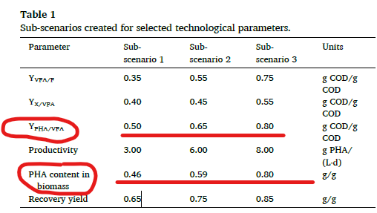
 |  |  |  |  |  |  |  |  |  |  |  |  |  |  |  |  |  |  |  |  |  |  |  |  |  |  |  |  |  |  | CH4 | 21 | 0.33
 |  |  |  |  |  |  |  |  |  |  |  |  |  |  |  |  |  |  |  |  |  |  |  |  |  |  |  |  |  |  | CO2 | 21 | 0.57

 |  |  |  |  |  |  |  |  |  |  | x

 |  |  |  |  |  |  |  |  |  |  |  | x

PHA accumulation (420)
 |  |  |  |  |  | Stö

FLOW1 = Concentration_Factor x FLOW2

 |  |  |  |  |  |  | SEE unit 400 for reference
General factors |  |  |  | Cost related factors |  |  | Energy related factors |  |  |  |  |  | Splitfactors |  |  | Material flow soures |  |  |  | Concentration factors |  |  |  |  |  | Yield Factor |  |  |  |  |  | Stoichiometric Factors |  |  | Conversion Factors
Parameter | Value | Units |  | Parameter | Values | Units | Parameter | Electricity | Heating / Cooling (1) | Heating / Cooling (2) | Chilling | Units | Target Process | Component | Split | Sources | Target Group 1 | Target Group 2 | Target Group 3 | Flow 1 | Component | Flow 2 | Component | Concentration (of Flow 1 compared to Flow 2) |  | Component | Value | Inert Component |  |  |  | Component | Reaction r | Value | Reaction r | Component m | Conversion
Name | PHA.Accum. | (-) |  |  |  |  | Specific energy demand | 0.00044 |  |  |  | MWh/{unit specific} | 430 | Biomass_pha | 1 | 22 | 430 |  |  | FOUT | Biomass_pha | FIN | H2O | 0.0115 |  | Biomass_pha | 0.588 | H2O |  |  |  | VFA | 10 | -1 | 10 | VFA | 1
Nummer | 420 | (-) |  | Reference Costs | 0.185559 | M€ | Reference flow type | FIN |  |  |  | t/h | 430 | H2O | 1 |  |  |  |  |  |  |  |  |  |  |  |  | Sugars |  |  |  | Biomass_pha | 10 | 1.992
Type | Yield.Reactor | (-) |  | Reference Flow | 0.625 | t/h | Components list | H2O |  |  |  |  |  |  |  |  |  |  |  |  |  |  |  |  |  |  |  | Lipids |  |  |  | CO2 | 10 | 0.008
Process group |  | (-) |  | Exponent | 0.7191 | (-) |  |  |  |  |  |  |  |  |  |  |  |  |  |  |  |  |  |  |  |  |  | Proteins
Lifetime | 25 | (-) |  | Reference Year | 2020 | year |  |  |  |  |  |  |  |  |  |  |  |  |  |  |  |  |  |  |  |  |  | Starch
Direct Cost Factor | 2.6 | (-) |  | Refence Flow Type | FIN | t/h |  |  |  |  |  |  |  |  |  |  |  |  |  |  |  |  |  |  |  |  |  | Cellulose
Indirect Cost Factor | 1.44 | (-) |  | Componentlist | Proteins | (-) |  |  |  |  |  |  |  |  |  |  |  |  |  |  |  |  |  |  |  |  |  | Hemi-cellulose
Temperature In (1) | 30 | K |  |  | Lipids | (-) |  |  |  |  |  |  |  |  |  |  |  |  |  |  |  |  |  |  |  |  |  | Ash
Tmperature Out (1) | 30 | K |  |  | Sugars | (-)
Temperature In (2) |  | K |  |  | Starch | (-)
Tmperature Out (2) |  | K |  |  | Phenolics | (-)
Efficiency (Only Generators) | NO VALUE | (-) |  |  | H2O | (-)
CO2 Emissions for Building |  | (-) |  |  |  | (-)
Maintenance Cost Factor |  | (-) |  |  |  | (-)
Turnover factor |  | (-) |  |  |  | (-)
Turnover time |  | (-) |  |  |  | (-)
Turnover mode |  | (-) |  |  |  | (-)
Process specific Full Load Hours | 8000 | h |  |  |  | (-)
We still want to know how much water needs to be added! lets say we need 11.5 kg_biomass / m3! ref: https://doi.org/10.1016/j.cej.2020.127687
assume 1 ton = 1m3
 |  |  |  | Cost model
REFERENCE Tania Palmeiro-Sánchez et 2017 |  |  |  | From SuperPro designer, see also process 400 MCF
and Salvadra Oso et al 2020
DOI: 10.1021/acs.iecr.9b03514 Ind. Eng. Chem. Res. 2019, 58, 21921−21926
(paper Mateo)
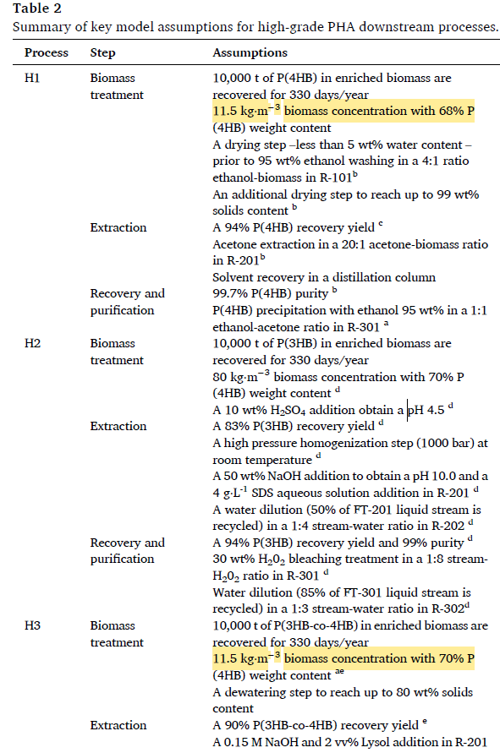

 |  |  |  |  |  |  |  |  |  |  |  |  |  |  |  |  |  |  |  |  |  |  |  |  |  |  |  |  | VFA | 10 | -1
 |  |  |  |  |  |  |  |  |  |  |  |  |  |  |  |  |  |  |  |  |  |  |  |  |  |  |  |  | Biomass | 10 | -1
 |  |  |  |  |  |  |  |  |  |  |  |  |  |  |  |  |  |  |  |  |  |  |  |  |  |  |  |  | Biomass_pha | 10 | 0.000
 |  |  |  |  |  |  |  |  |  |  |  |  |  |  |  |  |  |  |  |  |  |  |  |  |  |  |  |  | CO2 | 10 | 2.000

 |  |  |  |  |  |  |  |  |  |  |  |  |  |  |  |  |  |  |  |  |  |  |  |  |  |  |  | https://doi.org/10.1016/j.jclepro.2022.135331

 |  |  |  |  |  |  |  |  |  |  |  |  |  |  |  |  |  |  |  |  |  |  |  |  |  | First convert gCOD to grams
 |  |  |  |  |  |  |  |  |  |  |  |  |  |  |  |  |  |  |  |  |  |  |  |  |  | 1.51 | gCOD/gVFA
 |  |  |  |  |  |  |  |  |  |  |  |  |  |  |  |  |  |  |  |  |  |  |  |  |  | 1.67 | gCOD/gPHB
# calculations for the reference flow :
The fermentation is 5 days, as a batch fermentation according to:
https://doi.org/10.1016/j.biortech.2020.123851
You can see at pH 7 the fermentation has already reached steady state after 48 hours.
So lets say the capacity of this reactor with 30 m3 (assume this is equal to 30 tons) and is ready in 48h
flow = 30tons / 48 h
 |  |  |  |  |  |  |  |  |  |  |  |  |  |  |  |  |  |  |  |  |  |  |  |  |  | 0.90 | converssion

 |  |  |  |  |  |  |  |  |  |  |  |  |  |  |  |  |  |  |  |  |  |  |  |  | gCOD_pha / gCOD_VFA | 0.5 | 0.65 | 0.8 | 0.23076923077
 |  |  |  |  |  |  |  |  |  |  |  |  |  |  |  |  |  |  |  |  |  |  |  |  | gPHA / gVFA | 0.452 | 0.588 | 0.723

 |  |  |  |  |  |  |  |  |  |  |  |  |  |  |  |  |  |  |  |  |  |  |  |  |  |  | Now we need to find the yield in terms of biomass assume 60% of mass is PHA
 |  |  |  |  |  |  |  |  |  |  |  |  |  |  |  |  |  |  |  |  |  |  |  |  |  |  | 0.59 | PHA content (%)
 |  |  |  |  |  |  |  |  |  |  |  |  |  |  |  |  |  |  |  |  |  |  |  |  |  |  | Biomass yield
 |  |  |  |  |  |  |  |  |  |  |  |  |  |  |  |  |  |  |  |  |  |  |  |  |  |  | 0.996 | gX+pha/gVFA

 |  |  | RefFlow
 |  |  | 0.625 | t/h |  |  |  |  |  |  |  |  |  |  |  |  |  |  |  |  |  |  |  |  |  | EXCELENT AS A SOURCE OF UNCERTAINTY

 |  |  |  |  |  |  |  |  |  |  |  | x

Centrifuge(430)
General factors |  |  | Cost related factors |  |  |  | Energy related factors |  |  |  |  |  | Splitfactors |  |  | Material flow soures |  |  |  | Concentration factors
Parameter | Value | Units | Parameter | Values | Units |  | Parameter | Electricity | Heating / Cooling (1) | Heating / Cooling (2) | Chilling | Units | Target Process | Component | Split | Sources | Target Group 1 | Target Group 2 | Target Group 3 | Flow 1 | Component | Flow 2 | Component | Concentration (of Flow 1 compared to Flow 2)
Name | Basket.Centrifu. | (-) |  |  | (-) |  | Specific energy demand | 0.00011851851852 |  |  |  | MWh/ton | 435 | H2O | 0.0030283710551 |  | 435
Nummer | 430 | (-) | Reference Costs | 0.2046 | M€ |  | Reference flow type | FIN |  |  |  | t/h | 435 | Biomass_pha | 1
Type |  | (-) | Reference Flow | 7.92 | t/h |  | Components list | H2O
Process group |  | (-) | Exponent | 0.35 | (-) |  |  | Biomass_pha
Lifetime | 25 | (-) | Reference Year | 2007 | year
Direct Cost Factor | 2.6 | (-) | Refence Flow Type | FIN | t/h
Indirect Cost Factor | 1.44 | (-) | Componentlist | H2O | (-)
Temperature In (1) | 30 | K or C |  | Biomass_pha | (-)
Tmperature Out (1) | 30 | K or C |  |  | (-)
Temperature In (2) |  | K or C |  |  | (-)
Tmperature Out (2) |  | K or C |  |  | (-)
Efficiency (Only Generators) | NO VALUE | (-) |  |  | (-)
CO2 Emissions for Building |  | (-) |  |  | (-)
Maintenance Cost Factor | 0.04 | (-) |  |  | (-)
Turnover factor |  | (-) |  |  | (-)
Turnover time |  | (-) |  |  | (-)
Turnover mode |  | (-) |  |  | (-)
Process specific Full Load Hours | 8000 | h |  |  | (-)
 |  |  | Ref: Rules of Thumb
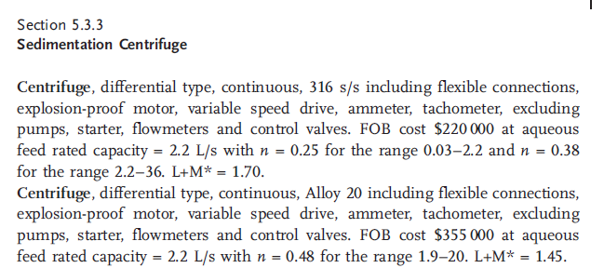
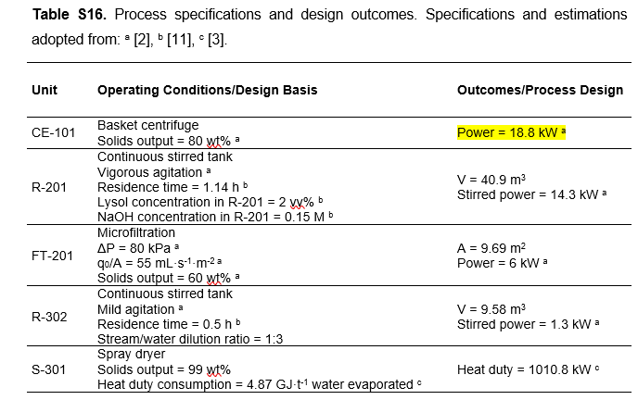
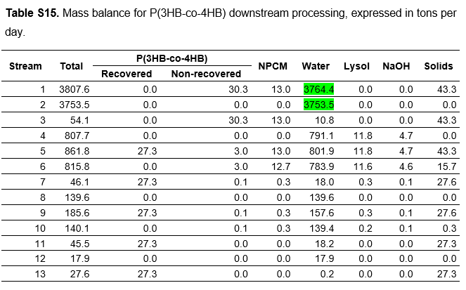

We're going to assume process H3 of Saavedra del Oso et al. (2020). for the down stream processing of biomass enriched PHA
because it has the cheapest Equipment cost.
ref: https://doi.org/10.1016/j.cej.2020.127687
 |  |  |  |  |  |  | 3807 | t/d
 |  |  |  |  |  |  | 158.625 | t/h
 |  |  |  |  |  |  | 18.8 | kW

 |  |  |  |  |  |  | 0.11851851852 | kWh/t
 |  |  |  |  |  |  | 0.00011851851852 | MWh/t

 |  |  | arpox feed rate (potato + water) |  | reference flow
 |  |  | 120 | t/h | 2.2 | kg/s
 |  |  | 33.33 | kg/s | 7.92 | t/h
 |  |  | SO centrifuge with capacity 2.2 - 36 L/s

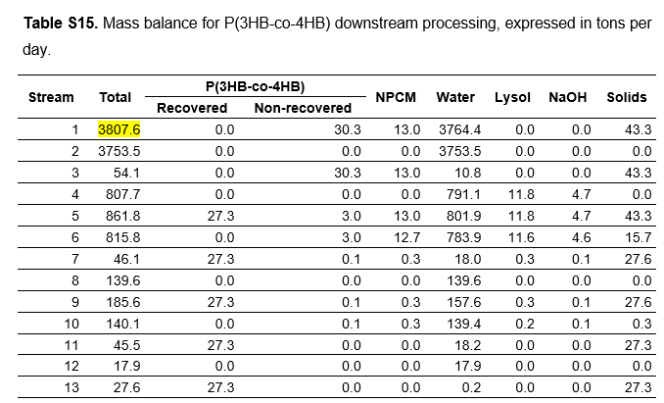

 |  |  |  |  |  |  |  |  |  |  | x

Digestion(435)
FLOW1 = Concentration_Factor x FLOW2

General factors |  |  | Cost related factors |  |  | Energy related factors |  |  |  |  |  | Splitfactors |  |  | Material flow soures |  |  |  | Concentration factors |  |  |  |  | Stoichiometric Factors |  |  | Conversion Factors
Parameter | Value | Units | Parameter | Values | Units | Parameter | Electricity | Heating / Cooling (1) | Heating / Cooling (2) | Chilling | Units | Target Process | Component | Split | Sources | Target Group 1 | Target Group 2 | Target Group 3 | Flow 1 | Component | Flow 2 | Component | Concentration (of Flow 1 compared to Flow 2) | Component | Reaction r | Value | Reaction r | Component m | Conversion
Name | CSTR.Diges. | (-) |  |  | (-) | Specific energy demand | 0.005434 |  |  |  | MWh/{unit specific} | 438 | H2O | 1 | 44 | 438 |  |  | FIN | NaOH | FIN | Biomass_pha | 0.29 | Biomass_pha | 11 | -1 | 11 | Biomass_pha | 0.95
Nummer | 435 | (-) | Reference Costs | 0.036 | M€ | Reference flow type | FIN |  |  |  | t/h | 438 | Biomass | 1 | 22 |  |  |  |  | Lysol |  |  |  | Biomass | 11 | 0.40
Type | Stoich.Reactor | (-) | Reference Flow | 2.632 | t/h | Components list | H2O |  |  |  |  | 438 | PHA | 1 |  |  |  |  |  |  |  |  |  | PHA | 11 | 0.60
Process group |  | (-) | Exponent | 0.53 | (-) |  | Biomass_pha
Lifetime | 25 | (-) | Reference Year | 2006 | year
Direct Cost Factor | 2.6 | (-) | Refence Flow Type | FIN | t/h
Indirect Cost Factor | 1.44 | (-) | Componentlist | Biomass_pha | (-)
Temperature In (1) | 30 | K or C |  | H2O | (-)
Tmperature Out (1) | 25 | K or C |  |  | (-)
Temperature In (2) |  | K or C |  |  | (-)
Tmperature Out (2) |  | K or C |  |  | (-)
Efficiency (Only Generators) | NO VALUE | (-) |  |  | (-)
CO2 Emissions for Building |  | (-) |  |  | (-)
Maintenance Cost Factor | 0.04 | (-) |  |  | (-)
Turnover factor |  | (-) |  |  | (-)
Turnover time |  | (-) |  |  | (-)
Turnover mode |  | (-) |  |  | (-)
Process specific Full Load Hours | 8000 | h |  |  | (-)

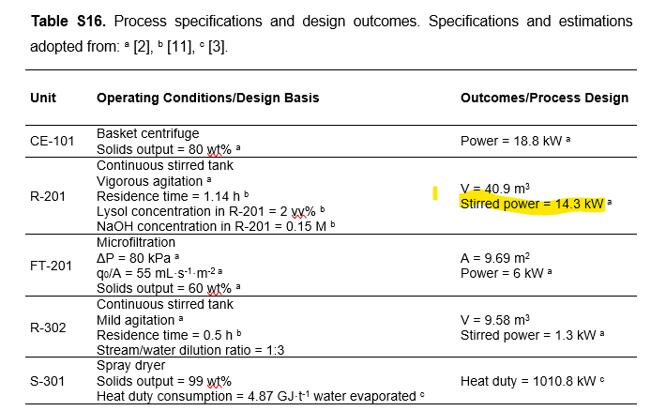
 |  |  | Ref: rules of thumbs for engineers |  |  |  |  |  |  |  |  |  |  |  |  |  |  |  | NPCM = Non PHA Containting Cells ()
 |  |  |  |  |  |  |  |  |  |  |  |  |  |  |  |  |  |  | NPCM + Solids (i.e., PHA) = Biomass_pha
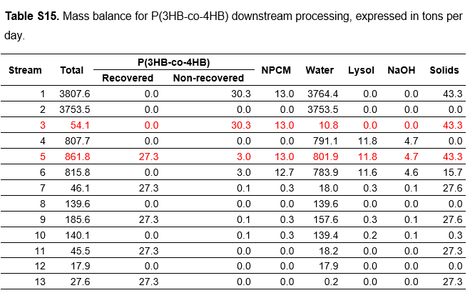

 |  |  | Reference flow
 |  |  | 3 | m3
 |  |  | 1.14 | hours, residence time |  |  |  |  |  |  |  |  |  |  |  |  |  |  |  |  |  |  |  | Excellent source of uncertainty! PHA content (%)
 |  |  | 2.6315789474 | t/h

 |  |  | ref: Supple. Mateo

 |  |  |  |  |  |  |  |  |  | x

Filration(438)
General factors |  |  | Cost related factors |  |  | Energy related factors |  |  |  |  |  | Splitfactors |  |  | Material flow soures |  |  |  | Concentration factors
Parameter | Value | Units | Parameter | Values | Units | Parameter | Electricity | Heating / Cooling (1) | Heating / Cooling (2) | Chilling | Units | Target Process | Component | Split | Sources | Target Group 1 | Target Group 2 | Target Group 3 | Flow 1 | Component | Flow 2 | Component | Concentration (of Flow 1 compared to Flow 2)
Name | Micro.Filtr | (-) | Faktor |  | (-) | Specific energy demand | 0.000499 |  |  |  | MWh/t | 440 | Biomass | 0.023 |  | 440 | 600
Nummer | 438 | (-) | Reference Costs | 0.000256 | M€ | Reference flow type | FIN |  |  |  | t/h | 440 | H2O | 0.02
Type |  | (-) | Reference Flow | 0.198 | t/h | Components list | H2O |  |  |  |  | 440 | PHA | 0.63741339492
Process group |  | (-) | Exponent | 1 | (-) |  | Biomass |  |  |  |  | 600 | Biomass | 0.977
Lifetime | 25 | (-) | Reference Year | 2019 | year |  | PHA
Direct Cost Factor | 2.6 | (-) | Refence Flow Type | FIN | t/h
Indirect Cost Factor | 1.44 | (-) | Componentlist | H2O | (-)
Temperature In (1) | 30 | K or C |  | Biomass | (-)
Tmperature Out (1) | 30 | K or C |  | PHA | (-)
Temperature In (2) |  | K or C |  |  | (-)
Tmperature Out (2) |  | K or C |  |  | (-)
Efficiency (Only Generators) | NO VALUE | (-) |  |  | (-)
CO2 Emissions for Building |  | (-) |  |  | (-)
Maintenance Cost Factor |  | (-) |  |  | (-)
Turnover factor |  | (-) |  |  | (-)
Turnover time |  | (-) |  |  | (-)
Turnover mode |  | (-) |  |  | (-)
Process specific Full Load Hours | 8000 | h |  |  | (-)
 |  |  | assume 1 m2
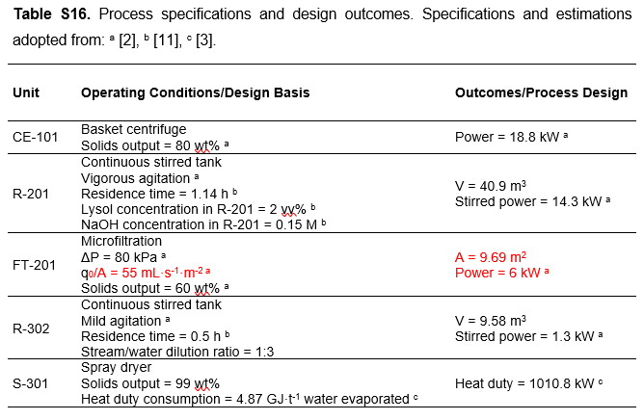
 |  |  | 0.055 | L/s
 |  |  | 0.198 | t/h
 |  |  | ref: https://doi.org/10.1016/j.cej.2020.127687

We're going to assume process H3 of Saavedra del Oso et al. (2020). for the down stream processing of biomass enriched PHA
because it has the cheapest production cost.
ref: https://doi.org/10.1016/j.cej.2020.127687
 |  |  |  |  |  |  |  |  |  |  |  | See table S8, supplementary materials Mateo

 |  |  |  |  |  | 6 | kW
 |  |  |  |  |  | 0.055 | L/S/m2
 |  |  |  |  |  | 60.73 | m2
 |  |  |  |  |  | 3.34015 | L/s
 |  |  |  |  |  | 12.02454 | t/h

 |  |  |  |  |  | Consumption energy
 |  |  |  |  |  | 0.49897958675 | kWh/t
 |  |  |  |  |  | 0.00049897958675 | MWh/t
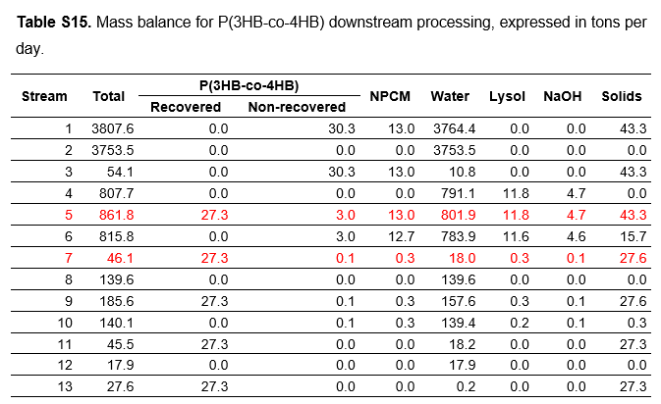

 |  |  |  |  |  |  |  |  |  | x

Washing (440)
FLOW1 = Concentration_Factor x FLOW2

General factors |  |  | Cost related factors |  |  | Energy related factors |  |  |  |  |  | Splitfactors |  |  | Material flow soures |  |  |  | Concentration factors
Parameter | Value | Units | Parameter | Values | Units | Parameter | Electricity | Heating / Cooling (1) | Heating / Cooling (2) | Chilling | Units | Target Process | Component | Split | Sources | Target Group 1 | Target Group 2 | Target Group 3 | Flow 1 | Component | Flow 2 | Component | Concentration (of Flow 1 compared to Flow 2)
Name | PHA.Washing | (-) |  |  | (-) | Specific energy demand | 0.00021666666667 |  |  |  | MWh/{unit specific} | 450 | H2O | 1 | 22 | 450 |  |  | FIN | Biomass | FIN | H2O | 0.18
Nummer | 440 | (-) | Reference Costs | 0.036 | M€ | Reference flow type | FIN |  |  |  | t/h | 450 | Biomass | 1 |  |  |  |  |  | PHA
Type |  | (-) | Reference Flow | 6.000 | t/h | Components list | H2O |  |  |  |  | 450 | PHA | 1
Process group |  | (-) | Exponent | 0.53 | (-) |  | Biomass
Lifetime | 25 | (-) | Reference Year | 2006 | year |  | PHA
Direct Cost Factor | 2.6 | (-) | Refence Flow Type | FIN | t/h
Indirect Cost Factor | 1.44 | (-) | Componentlist | Biomass | (-)
Temperature In (1) | 30 | K or C |  | H2O | (-)
Tmperature Out (1) | 25 | K or C |  | PHA | (-)
Temperature In (2) |  | K or C |  |  | (-)
Tmperature Out (2) |  | K or C |  |  | (-)
Efficiency (Only Generators) | NO VALUE | (-) |  |  | (-)
CO2 Emissions for Building |  | (-) |  |  | (-)
Maintenance Cost Factor | 0.04 | (-) |  |  | (-)
Turnover factor |  | (-) |  |  | (-)
Turnover time |  | (-) |  |  | (-)
Turnover mode |  | (-) |  |  | (-)
Process specific Full Load Hours | 8000 | h |  |  | (-)

 |  |  | Ref: rules of thumbs for engineers

 |  |  | Reference flow
 |  |  | 3 | m3
 |  |  | 0.5 | hours, residence time
 |  |  | 6 | t/h

 |  |  | ref: Supple. Mateo

 |  |  |  |  |  |  |  |  |  | x

Filration(450)
General factors |  |  | Cost related factors |  |  | Energy related factors |  |  |  |  |  | Splitfactors |  |  | Material flow soures |  |  |  | Concentration factors
Parameter | Value | Units | Parameter | Values | Units | Parameter | Electricity | Heating / Cooling (1) | Heating / Cooling (2) | Chilling | Units | Target Process | Component | Split | Sources | Target Group 1 | Target Group 2 | Target Group 3 | Flow 1 | Component | Flow 2 | Component | Concentration (of Flow 1 compared to Flow 2)
Name | Micro.Filtr2 | (-) | Faktor |  | (-) | Specific energy demand | 0.000499 |  |  |  | MWh/t | 490 | PHA | 0.989 |  | 490
Nummer | 450 | (-) | Reference Costs | 0.000256 | M€ | Reference flow type | FIN |  |  |  | t/h | 490 | H2O | 0.12
Type |  | (-) | Reference Flow | 0.198 | t/h | Components list | H2O
Process group |  | (-) | Exponent | 1 | (-) |  | Biomass
Lifetime | 25 | (-) | Reference Year | 2019 | year |  | PHA
Direct Cost Factor | 2.6 | (-) | Refence Flow Type | FIN | t/h
Indirect Cost Factor | 1.44 | (-) | Componentlist | H2O | (-)
Temperature In (1) | 30 | K or C |  | Biomass | (-)
Tmperature Out (1) | 30 | K or C |  | PHA | (-)
Temperature In (2) |  | K or C |  |  | (-)
Tmperature Out (2) |  | K or C |  |  | (-)
Efficiency (Only Generators) | NO VALUE | (-) |  |  | (-)
CO2 Emissions for Building |  | (-) |  |  | (-)
Maintenance Cost Factor |  | (-) |  |  | (-)
Turnover factor |  | (-) |  |  | (-)
Turnover time |  | (-) |  |  | (-)
Turnover mode |  | (-) |  |  | (-)
Process specific Full Load Hours | 8000 | h |  |  | (-)
 |  |  | assume 1 m2
 |  |  | 0.055 | L/s
 |  |  | 0.198 | t/h
 |  |  | ref: https://doi.org/10.1016/j.cej.2020.127687

We're going to assume process H3 of Saavedra del Oso et al. (2020). for the down stream processing of biomass enriched PHA
because it has the cheapest production cost.
ref: https://doi.org/10.1016/j.cej.2020.127687
 |  |  |  |  |  |  |  |  |  |  |  | See table S8, supplementary materials Mateo

 |  |  |  |  |  | 6 | kW
 |  |  |  |  |  | 0.055 | L/S/m2
 |  |  |  |  |  | 60.73 | m2
 |  |  |  |  |  | 3.34015 | L/s
 |  |  |  |  |  | 12.02454 | t/h

 |  |  |  |  |  | Consumption energy
 |  |  |  |  |  | 0.49897958675 | kWh/t
 |  |  |  |  |  | 0.00049897958675 | MWh/t

 |  |  |  |  |  |  |  |  |  | x

Spray.Dry.PHA(490)
FLOW1 = Concentration_Factor x FLOW2

General factors |  |  | Cost related factors |  |  |  | Energy related factors |  |  |  |  |  | Splitfactors |  |  | Material flow soures |  |  |  | Concentration factors
Parameter | Value | Units | Parameter | Values | Units |  | Parameter | Electricity | Heating / Cooling (1) | Heating / Cooling (2) | Chilling | Units | Target Process | Component | Split | Sources | Target Group 1 | Target Group 2 | Target Group 3 | Flow 1 | Component | Flow 2 | Component | Concentration (of Flow 1 compared to Flow 2)
Name | Spray.Dry.PHA | (-) |  |  | (-) |  | Specific energy demand |  | 0.709 |  |  | kWh/kg | 6000 | PHA | 1 |  | 6000
Nummer | 490 | (-) | Reference Costs | 0.221 | M€ |  | Reference flow type |  | FIN |  |  | () | 6000 | H2O | 0.010989010989
Type |  | (-) | Reference Flow | 0.635 | t/h |  | Components list |  | H2O
Process group |  | (-) | Exponent | 0.65 | (-)
Lifetime | 25 | (-) | Reference Year | 2007 | year
Direct Cost Factor | 2.6 | (-) | Refence Flow Type | FIN | t/h
Indirect Cost Factor | 1.44 | (-) | Componentlist | Starch | (-)
Temperature In (1) | 30 | K or C |  | Proteins | (-)
Tmperature Out (1) | 60 | K or C |  | Coag.Prot | (-)
Temperature In (2) |  | K or C |  | Fiber | (-)
Tmperature Out (2) |  | K or C |  | H2O | (-)
Efficiency (Only Generators) | NO VALUE | (-) |  |  | (-)
CO2 Emissions for Building |  | (-) |  |  | (-)
Maintenance Cost Factor |  | (-) |  |  | (-)
Turnover factor |  | (-) |  |  | (-)
Turnover time |  | (-) |  |  | (-)
Turnover mode |  | (-) |  |  | (-)
Process specific Full Load Hours | 8000 | h |  |  | (-)

 |  |  |  |  |  |  | Heating water from 30 to 100 degrees
 |  |  |  |  |  |  | 2260 | kJ/kg
 |  |  |  |  |  |  | 4.18 | kJ/kg/K
 |  |  |  |  |  |  | 70 | K
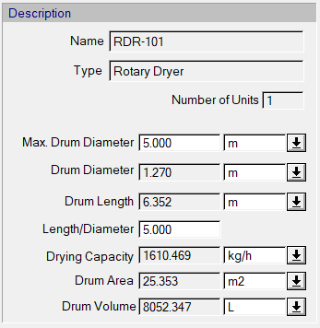
 |  |  |  |  |  |  | 292.6 | kJ/kg
 |  |  |  |  |  |  | Lattened heat for evaporation
 |  |  |  |  |  |  | 2552.6 | kJ/kg

 |  |  |  |  |  |  | Sum is energy requierment
 |  |  |  |  |  |  | 0.70905555556 | kWh/kg

 |  |  |  |  |  |  | Method from meteo seems off
 |  |  |  |  |  |  | 1010.8 | kWh
 |  |  |  |  |  |  | 18 | t/d
 |  |  |  |  |  |  | 0.750 | t/h

 |  |  |  |  |  |  | 1347.73 | kWh/t
 |  |  |  |  |  |  | 1.348 | MWh/t
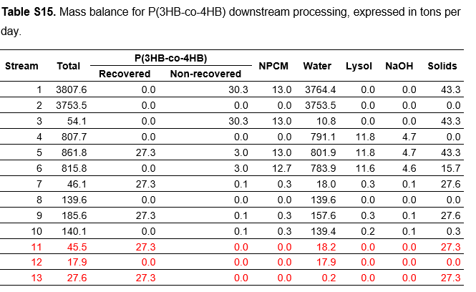
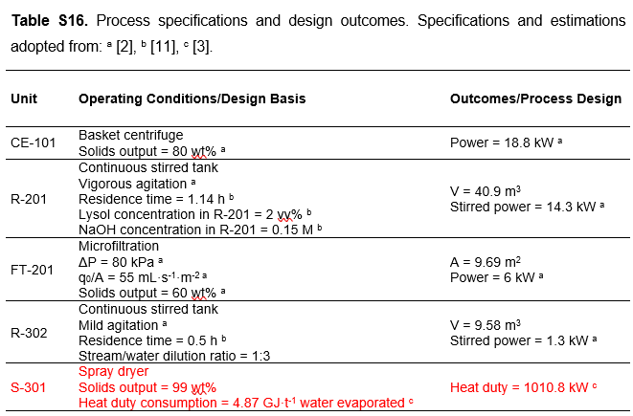

 |  |  | we need to go from surface area to drying capaticty for the right price

 |  |  | 25.353 | m2 | 10 | m2
 |  |  | 1610 | kg/h | 635.03 | kg/h

 |  |  |  |  |  |  |  |  |  |  | x

Anaerobic Digestor (600)
 |  |  |  |  |  |  |  | look at energy and electricity consumption
General factors |  |  | Cost related factors |  |  |  | Energy related factors |  |  |  |  |  | Splitfactors |  |  | Material flow soures |  |  |  | Concentration factors |  |  |  |  |  | Stoichiometric Factors |  |  |  | Conversion Factors
Parameter | Value | Units | Parameter | Values | Units |  | Parameter | Electricity | Heating / Cooling (1) | Heating / Cooling (2) | Chilling | Units | Target Process | Component | Split | Sources | Target Group 1 | Target Group 2 | Target Group 3 | Flow 1 | Component | Flow 2 | Component | Concentration (of Flow 1 compared to Flow 2) |  | Component | Reaction r | Value |  | Reaction r | Component m | Conversion
Name | Anaerobic Digest. | (-) |  |  | (-) |  | Specific energy demand | 0.010 | 0.127 |  |  | MWh/t | 777 | CH4 | 1 |  | 777 | 800 |  |  |  |  |  |  |  | Sugars | 2 | -1 |  | 2 | Sugars | 0.99
Nummer | 600 | (-) | Reference Costs | 0.7 | M€ |  | Reference flow type | FIN | FIN |  |  | t/h | 777 | CO2 | 1 |  |  |  |  |  |  |  |  |  |  | Biomass | 2 | 0.1 |  | 3 | Lipids | 0.7
Type | Stoich.Reactor | (-) | Reference Flow | 0.20 | t/h | 1725.4545455 | Components list | Sugars | Sugars |  |  |  | 800 | Biomass | 1 |  |  |  |  |  |  |  |  |  |  | CH4 | 2 | 0.25 |  | 4 | Proteins | 0.775
Process group |  | (-) | Exponent | 0.67 | (-) | 0.57077625571 |  | Proteins | Proteins |  |  |  | 800 | Proteins | 1 |  |  |  |  |  |  |  |  |  |  | CO2 | 2 | 0.65 |  | 7 | Starch | 0.9
Lifetime | 25 | (-) | Reference Year | 2005 | year |  |  | Lipids | Lipids |  |  |  | 800 | Lipids | 1 |  |  |  |  |  |  |  |  |  |  | Lipids | 3 | -1 |  | 5 | Cellulose | 0.45
Direct Cost Factor | 2.6 | (-) | Refence Flow Type | FIN | t/h |  |  | Phenolics | Phenolics |  |  |  | 800 | Phenolics | 1 |  |  |  |  |  |  |  |  |  |  | Biomass | 3 | 0.1 |  | 6 | Hemi-cellulose | 0.6
Indirect Cost Factor | 1.44 | (-) | Componentlist | Sugars | (-) |  |  | Starch | Starch |  |  |  | 800 | Cellulose | 1 |  |  |  |  |  |  |  |  |  |  | CH4 | 3 | 0.56 |  | 21 | Biomass | 0.775
Temperature In (1) | 55 | K |  | Phenolics | (-) |  |  | H2O | H2O |  |  |  | 800 | Hemi-cellulose | 1 |  |  |  |  |  |  |  |  |  |  | CO2 | 3 | 0.34 |  |  |  |  |  | 2 | AD - sugars | Sugars
Tmperature Out (1) | 55 | K |  | Proteins |  |  |  |  |  |  |  |  | 800 | Ligin | 1 |  |  |  |  |  |  |  |  |  |  | Proteins | 4 | -1 |  |  |  |  |  | 3 | AD- lipids | Lipids
Temperature In (2) |  | K |  | Lipids |  |  |  |  |  |  |  |  | 800 | Starch | 1 |  |  |  |  |  |  |  |  |  |  | Biomass | 4 | 0.1 |  |  |  |  |  | 4 | AD-proteins | Proteins
Tmperature Out (2) |  | K |  |  |  |  |  |  |  |  |  |  | 800 | Ash | 1 |  |  |  |  |  |  |  |  |  |  | CH4 | 4 | 0.33 |  |  |  |  |  | 5 | AD-Cellulose | Cellulose
Efficiency (Only Generators) | NO VALUE | (-) |  |  |  |  |  |  |  |  |  |  | 800 | H2O | 1 |  |  |  |  |  |  |  |  |  |  | CO2 | 4 | 0.57 |  |  |  |  |  | 6 | AD-Hemi-cellulose | Hemi-cellulose
CO2 Emissions for Building |  | (-) |  |  |  |  |  |  |  |  |  |  |  |  |  |  |  |  |  |  |  |  |  |  |  | Starch | 7 | -1 |  |  |  |  |  | 7 | AD-Starch | Starch
Maintenance Cost Factor |  | (-) |  |  |  |  |  |  |  |  |  |  |  |  |  |  |  |  |  |  |  |  |  |  |  | Biomass | 7 | 0.1
Turnover factor |  | (-) |  |  |  |  |  |  |  |  |  |  |  |  |  |  |  |  |  |  |  |  |  |  |  | CH4 | 7 | 0.25
Turnover time |  | (-) |  |  |  |  |  |  |  |  |  |  |  |  |  |  |  |  |  |  |  |  |  |  |  | CO2 | 7 | 0.65
Turnover mode |  | (-) |  |  |  |  |  |  |  |  |  |  |  |  |  |  |  |  |  |  |  |  |  |  |  | Cellulose | 5 | -1
Specifice flh | 8000 | h |  |  |  |  |  |  |  |  |  |  |  |  |  |  |  |  |  |  |  |  |  |  |  | Biomass | 5 | 0.1
 |  |  |  |  |  |  |  |  |  |  |  |  |  |  |  |  |  |  |  |  |  |  |  |  |  | CH4 | 5 | 0.2
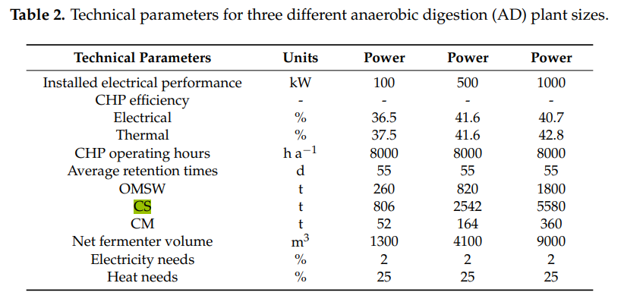
 |  |  |  | MURPHY et al 2006 |  |  |  |  |  |  |  |  |  |  |  |  |  |  |  |  |  |  |  |  |  | CO2 | 5 | 0.7
 |  |  |  | http://dx.doi.org/10.1080/10934520600614488 |  |  |  |  |  |  |  |  |  |  |  |  |  |  |  |  |  |  |  |  |  | Hemi-cellulose | 6 | -1
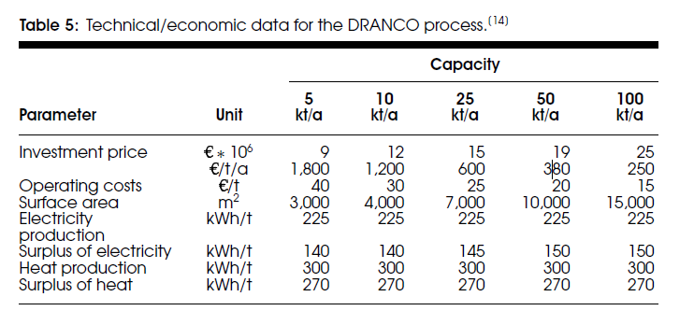
 |  |  |  |  |  |  |  |  |  |  |  |  |  |  |  |  |  |  |  |  |  |  |  |  |  | Biomass | 6 | 0.1
 |  |  |  |  |  |  |  |  |  |  |  |  |  |  |  |  |  |  |  |  |  |  |  |  |  | CH4 | 6 | 0.15
 |  |  |  |  |  |  |  |  |  |  |  |  |  |  |  |  |  |  |  |  |  |  |  |  |  | CO2 | 6 | 0.75
assume dead Biomass is consumed like proteins, not a bad estimate
 |  |  |  |  |  |  |  |  |  |  |  |  |  |  |  |  |  |  |  |  |  |  |  |  |  | Biomass | 21 | -1
 |  |  |  |  |  |  |  |  |  |  |  |  |  |  |  |  |  |  |  |  |  |  |  |  |  | Biomass | 21 | 0.1
 |  |  |  |  |  |  |  |  |  |  |  |  |  |  |  |  |  |  |  |  |  |  |  |  |  | CH4 | 21 | 0.33
 |  |  |  |  |  |  |  |  |  |  |  |  |  |  |  |  |  |  |  |  |  |  |  |  |  | CO2 | 21 | 0.57

output | 100 | kW |  |  |  |  |  |  |  |  |  |  |  |  |  |  |  |  |  |  |  |  |  | Reference: Agriloop Deliverable D1.4 (Wageningen Research, Jan Broeze et al.)
electricity | 0.02 |  |  |  |  |  |  |  |  |  |  |  |  |  |  |  |  |  |  |  |  |  |  | Products & conversion factors (kg/kg) in processing pathways
heat | 0.25 |  |  |  |  |  |  |  |  |  |  |  |  |  |  |  |  |  |  |  |  |  |  | Product | Ash | Protein | Lipids | Lignin | Cellulose | H-cell. | Starch | Sugar | Others
 |  |  |  |  |  |  |  |  |  |  |  |  |  |  |  |  |  |  |  |  |  |  |  | Bio-methane |  | 0.33 | 0.56 |  | 0.20 | 0.15 | 0.25 | 0.25 | 0.21
operating hours | 1320 | h |  |  |  |  |  |  |  |  |  |  |  |  |  |  |  |  |  |  |  |  |  | Bio-ethanol (fermentation) |  |  |  |  | 0.30 | 0.40 | 0.50 | 0.50 | 0.43
load | 260 | ton |  |  |  |  |  |  |  |  |  |  |  |  |  |  |  |  |  |  |  |  |  | Bio-ethanol (BTL) |  |  |  |  | 0.12 | 0.00 | 0.27 | 0.27 | 0.17
 |  |  |  |  |  |  |  |  |  |  |  |  |  |  |  |  |  |  |  |  |  |  |  | Bio-diesel |  |  | 0.90
elec | 2640 | kWh |  |  |  |  |  |  |  |  |  |  |  |  |  |  |  |  |  |  |  |  |  | Chemicals via building blocks - sugar based |  |  |  |  | 0.00 | 0.00 | 0.30 | 0.30 | 0
heat | 33000 | kWh |  |  |  |  |  |  |  |  |  |  |  |  |  |  |  |  |  |  |  |  |  | Chemicals via building blocks - incl. hydrolysis |  |  |  |  | 0.15 | 0.20 | 0.30 | 0.30 | 0.24
so per ton: |  |  |  |  |  |  |  |  |  |  |  |  |  |  |  |  |  |  |  |  |  |  |  | Partly direct to functionalised chemicals |  |  |  |  | 0.30 | 0.40 | 0.50 | 0.50 | 0.43
elec | 0.010 | MWh/ton |  |  |  |  |  |  |  |  |  |  |  |  |  |  |  |  |  |  |  |  |  | Direct to chemicals, efficient pathway |  | 0.40 | 0.80 | 0.50 | 0.35 | 0.45 | 0.70 | 0.70 | 0.55
heat | 0.1 | MWh/ton

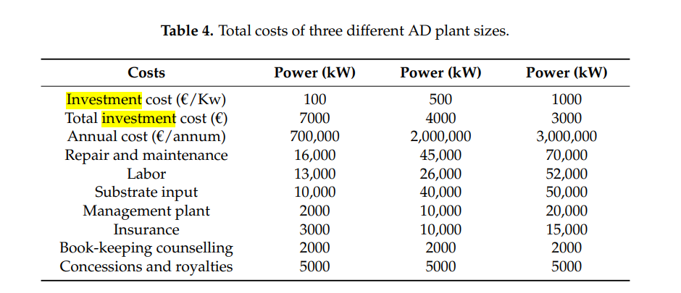

YEILDs
https://doi.org/10.3390/en12122311
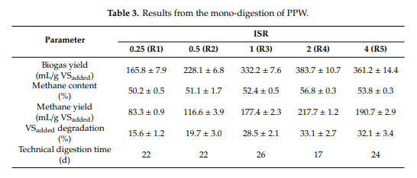

assume
density of methane | 0.000717 | g/ml
production | 190 | ml/gVS
yield | 0.13623 | gCH4/gVS

 |  |  |  |  |  |  |  |  |  |  |  | x

BG.upgrad.(610)
FLOW1 = Concentration_Factor x FLOW2

General factors |  |  | Cost related factors |  |  | Energy related factors |  |  |  |  |  | Splitfactors |  |  | Material flow soures |  |  |  | Concentration factors
Parameter | Value | Units | Parameter | Values | Units | Parameter | Electricity | Heating / Cooling (1) | Heating / Cooling (2) | Chilling | Units | Target Process | Component | Split | Sources | Target Group 1 | Target Group 2 | Target Group 3 | Flow 1 | Component | Flow 2 | Component | Concentration (of Flow 1 compared to Flow 2)
Name | BioGas.Upg. | (-) |  |  | (-) | Specific energy demand | 0.2633 |  |  |  | MWh/{unit specific} | 1100 | CO2 | 0.0348 |  | 1100
Nummer | 610 | (-) | Reference Costs | 2 | M€ | Reference flow type | FIN |  |  |  | t/h | 1100 | CH4 | 0.9126
Type |  | (-) | Reference Flow | 4.78 | t/h | Components list | CH4
Process group |  | (-) | Exponent | 0.93 | (-) |  | CO2
Lifetime | 25 | (-) | Reference Year | 2006 | year
Direct Cost Factor | 2.6 | (-) | Refence Flow Type | FIN | t/h
Indirect Cost Factor | 1.44 | (-) | Componentlist | CH4 | (-)
Temperature In (1) | 30 | K or C |  | CO2 | (-)
Tmperature Out (1) | 30 | K or C |  |  | (-)
Temperature In (2) |  | K or C |  |  | (-)
Tmperature Out (2) |  | K or C |  |  | (-)
Efficiency (Only Generators) | NO VALUE | (-) |  |  | (-)
CO2 Emissions for Building | 0.04 | (-) |  |  | (-)
Maintenance Cost Factor |  | (-) |  |  | (-)
Turnover factor |  | (-) |  |  | (-)
Turnover time |  | (-) |  |  | (-)
Turnover mode |  | (-) |  |  | (-)
Process specific Full Load Hours | 8000 | h |  |  | (-)
 |  |  | REF: Rules of thumb
UPGRADING BIOGAS TO BIOMETHANE
ref
https://doi.org/10.1016/j.renene.2022.09.124
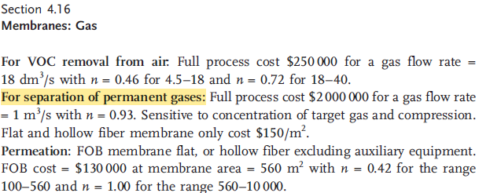

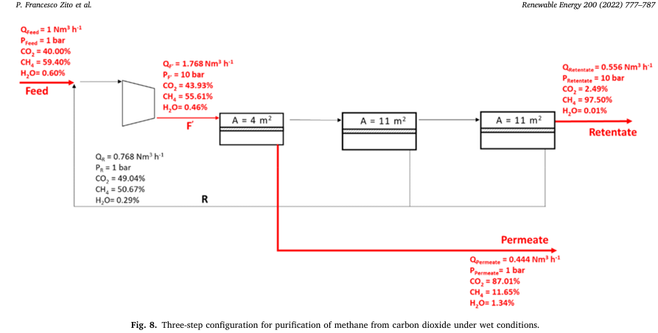
 |  |  |  |  |  | Find reference!!

 |  |  | 1 | m3/s reference flow
 |  |  | assume 50/50 co2 CH4 ratio
 |  |  | CALCULATIONS REFENCE FLOW
 |  |  | SEE JUPITER file

 |  |  |  |  |  |  |  |  |  | x

CHP (700)
 |  |  |  |  | Stö

General factors |  |  | Cost related factors |  |  | Energy related factors |  |  |  |  |  | Splitfactors |  |  | Material flow soures |  |  |  | Concentration factors |  |  |  |  | Stoichiometric Factors |  |  | Conversion Factors
Parameter | Value | Units | Parameter | Values | Units | Parameter | Electricity | Heating / Cooling (1) | Heating / Cooling (2) | Chilling | Units | Target Process | Component | Split | Sources | Target Group 1 | Target Group 2 | Target Group 3 | Flow 1 | Component | Flow 2 | Component | Concentration (of Flow 1 compared to Flow 2) | Component | Reaction r | Value | Reaction r | Component m | Conversion
Name | CHP | (-) | Faktor |  | (-) | Specific energy demand |  |  |  |  | MWh/{unit specific} |  |  |  | 33 |  |  |  | FIN | CH4 | FIN | O2 | 0.18 | CH4 | 5 | -1 | 5 | CH4 | 1
Nummer | 700 | (-) | Reference Costs | 0.001 | M€ | Reference flow type |  |  |  |  | t/h |  |  |  |  |  |  |  |  |  |  |  |  | O2 | 5 | -4
Type | CHP.Generator | (-) | Reference Flow | 5 | t/h | Components list |  |  |  |  |  |  |  |  |  |  |  |  |  |  |  |  |  | CO2 | 5 | 2.75
Supply oxygen to combust the Methane!
4 parts O2 for 1 part CH4. but put a bit more to ensure mass balances are OK
Process group |  | (-) | Exponent | 1 | (-) |  |  |  |  |  |  |  |  |  |  |  |  |  |  |  |  |  |  | H2O | 5 | 2.25
Lifetime | 25 | (-) | Reference Year | 2023 | year
Direct Cost Factor | 2.6 | (-) | Refence Flow Type | FIN | MW
Indirect Cost Factor | 1.44 | (-) | Componentlist | CH4 | (-)
Temperature In (1) | 35 | K or C |  |  | (-)
Tmperature Out (1) | 80 | K or C |  |  | (-)
Temperature In (2) |  | K or C |  |  | (-)
Tmperature Out (2) |  | K or C |  |  | (-)
Efficiency (Only Generators) | 0.58 | (-) |  |  | (-)
CO2 Emissions for Building |  | (-) |  |  | (-)
Maintenance Cost Factor | 0.04 | (-) |  |  | (-)
Turnover factor |  | (-) |  |  | (-)
Turnover time |  | (-) |  |  | (-)
Turnover mode |  | (-) |  |  | (-)
Process specific Full Load Hours | 8000 | h |  |  | (-)

I've hard coded the efficientcies in the program
 |  |  | VROEGER
 |  |  | 20.2
 |  |  | 5.24
 |  |  | 1
 |  |  | 2023
 |  |  | PEL
 |  |  | CH4

 |  |  |  |  |  |  |  |  |  |  |  |  |  |  |  |  |  |  |  |  |  |  | x

 |  |  |  |  |  |  |  |  |  |  | x

Composting (800)
 |  |  |  |  |  |  | 0.035
General factors |  |  | Cost related factors |  |  | Energy related factors |  |  |  |  |  | Splitfactors |  |  | Material flow soures |  |  |  | Concentration factors |  |  |  |  | Yield Factor
Parameter | Value | Units | Parameter | Values | Units | Parameter | Electricity | Heating / Cooling (1) | Heating / Cooling (2) | Chilling | Units | Target Process | Component | Split | Sources | Target gourp 1 | Target gourp 2 | Target gourp 3 | Flow 1 | Component | Flow 2 | Component | Concentration (of Flow 1 compared to Flow 2) | Component | Value | Inert Component
Name | Composting | (-) | Faktor |  | (-) | Specific energy demand | 110 |  |  |  | MWh/{unit specific} | 8000 | Compost | 1 |  | 8000 |  |  |  |  |  |  |  | Compost | 0.415 | H2O
Nummer | 800 | (-) | Reference Costs | 0.7 | M€ | Reference flow type | FIN |  |  |  | t/h | 8000 | H2O | 0.35
Type | Yield.Reactor | (-) | Reference Flow | 0.571 | t/h | Components list
Process group |  | (-) | Exponent | 0.36 | (-)
Lifetime | 20 | (-) | Reference Year | 2006 | year
Direct Cost Factor | 2.6 | (-) | Refence Flow Type | FIN | t/h
Indirect Cost Factor | 1.44 | (-) | Componentlist | Proteins | (-)
Temperature In (1) | 25 | K |  | Lipids | (-)
Tmperature Out (1) | 25 | K |  | Sugars | (-)
Temperature In (2) |  | K |  | Phenolics | (-)
Tmperature Out (2) |  | K |  | H2O | (-)
Efficiency (Only Generators) | NO VALUE | (-) |  |  | (-)
CO2 Emissions for Building |  | (-) |  |  | (-)
Maintenance Cost Factor | 0.1 | (-) |  |  | (-)
Turnover factor |  | (-) |  |  | (-)
Turnover time |  | (-) |  |  | (-)
Turnover mode |  | (-) |  |  | (-)
Process specific Full Load Hours | 8000 | h |  |  | (-)
How this box works:
Componet: the chemical that is being produced
Value: the yield (between 0 and 1) of the Unit process
Equation:
Component = sum(all_chemicals) * Yield
To exclude chemicals form the sum, specify them in the Inert component lsit. This list is passed to all the compounds wich are dependent on the yiedl coef specifiecd in the column Value (check this )

publication
DOI: 10.1080/10934520600614488 |  |  | SEE JUPITER FILE FOR CALCULATIONS
For the O&M factor => 40 (operting cost)/350(Capital expenditure) at 20 kt/a
0.11428571429
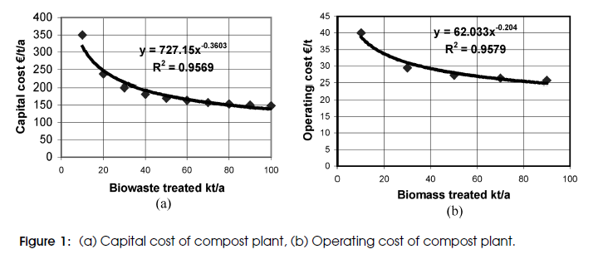

 |  |  |  |  |  |  |  |  |  | x

 |  |  |  |  |  |  |  |  |  |  | x

Uncertainty
 |  |  |  |  |  |  |  |  |  |  |  |  | PHA accumulation(420) | Yield factor (xi) | 420 | Biomass_pha | n.a. | n.a. | 0.23
 | Genaral Data |  |  |  |  |  |  |  |  |  |  |  | Digestion(435) | Stoichiometric factor (gamma) | 435 | PHA | n.a. | 11 | 0.2
 | Combinatorial | False |  |  |  |  |  |  |  |  |  |  | AD (600) | Conversion factor (theta) | 600 | Cellulose | n.a. | 5 | 0.33
 | Discretization | 3 |  |  |  |  |  |  |  |  |  |  | MCF (400) | Stoichiometric factor (gamma) | 400 | VFA | n.a. | 13 | 0.36
 | Probality_of_occurance | custom |  |  |  |  |  |  |  |  |  |  | Hydrolysis (200) | Conversion factor (theta) | 200 | Cellulose | n.a. | 14 | 0.14
 | LHS_Sampling | True |  |  |  |  |  |  |  |  |  |  | Hydrolysis (200) | Conversion factor (theta) | 200 | Hemi-cellulose | n.a. | 16 | 0.14
Relates to the composition that gets rearanged
when the composition of elemnet i is changed. Normaly the % change is spread out over the over components.
But you can choose not to do this
 | Sample_Size | 50 |  |  |  |  |  |  |  |  |  |  | Feed PPW | Feed Composition (phi) | 11 | Phenolics | n.a. | n.a. | 0.5
 |  |  |  |  |  |  |  |  |  |  |  |  | Price Phenolics | Price (ProductPrice) | 3000 | n.a. | n.a. | n.a. | 0.7
 |  |  |  |  |  |  |  |  |  |  |  |  | Price Proteins | Price (ProductPrice) | 9000 | n.a. | n.a. | n.a. | 0.3
 |  |  |  |  |  |  |  |  |  |  |  |  | Price PHA | Price (ProductPrice) | 6000 | n.a. | n.a. | n.a. | 0.3
 |  |  |  |  |  |  |  |  |  |  |  |  | Price animal Feed | Price (ProductPrice) | 7000 | n.a. | n.a. | n.a. | 0.33
 | Custom Level set |  | Composition Exclusion (phi) |  |  |  |  |  |  |  |  |  | ethanol price | Price (ProductPrice) | 2000 | n.a. | n.a. | n.a. | 0.2
 | Level |  | Source_Number | Excluded_Components |  |  |  |  |  |  |  |  | FEED ppw starch | Feed Composition (phi) | 11 | Starch | n.a. | n.a. | 0.25
 | 1 |  | 11 | Proteins | Lipids | Cellulose | Hemi-cellulose | H2O | Phenolics |  |  |  | Price MicroProt | Price (ProductPrice) | 9700 | n.a. | n.a. | n.a. | 0.4
 | 0.5 |  |  |  |  |  |  |  |  |  |  |  | separation eff. Phenols | Split factors (myu) | 300 | Phenolics | 320 | n.a. | 0.4
 | 0
 | -0.5 |  |  |  |  |  |  |  |  |  | 10.177777778
 | -1 |  |  |  |  |  |  |  |  |  | 2.1203703704 | days

 |  |  |  |  |  |  |  |  |  |  |  | 0.3025 | 0.36363636364
 |  |  |  |  |  |  |  |  |  |  |  |  |  |  |  |  | 0.33333333333
 |  |  |  |  |  |  |  |  |  |  |  |  |  |  |  |  |  |  |  | DO NOT TOUCH OR DELEET

Colunm Combinatorial
Specify the odds of each outcome as a vector, representing the individual probability of each value occurring.
The odds of a particular scenario occurring are calculated as the product of the odds associated with each uncertain parameter of that scenario.
Important Note *: When dealing with grouped scenarios, the probability of a specific value occurring will always match the reference parameter of that group to ensure that the sum of probabilities equals one.
Important Note **: If no specific odds are provided, it is assumed that all parameters have equal odds.
Colunm LHS
x amount of specified smaples will be made where the distribution is dependent on the PPF (Probabilty function) of the parameter. Curretnly only Normal and Uniform distributions are posiible.
 |  |  | Identification data |  |  |  | Combinatorial |  |  | LHS
UNIT NAME | Parameter_Type | Unit_Number | Component | Target_Unit | Reaction_Number | (%) | Group_Number | Correlation | Custom_Probabilities | Distribution_Function |  |  |  |  |  |  |  |  |  |  | ComponentsList | Target UNIT | Reaction nr
MCF stoich starch (400) | Stoichiometric factor (gamma) | 400 | VFA | n.a. | 13 | 0.50 |  |  |  | Uniform |  |  |  |  |  |  |  |  |  |  | ComponentsList | NAValue | ReactionNumbers
MCF stoich sugar (400) | Stoichiometric factor (gamma) | 400 | VFA | n.a. | 22 | 0.50 |  |  |  | Uniform |  |  |  |  |  |  |  |  |  |  | ComponentsList | NAValue | ReactionNumbers
PHA accumulation(420) | Yield factor (xi) | 420 | Biomass_pha | n.a. | n.a. | 0.50 |  |  |  | Uniform |  |  |  |  |  |  |  |  |  |  | ComponentsList | NAValue | NAValue
Digestion(435) | Stoichiometric factor (gamma) | 435 | PHA | n.a. | 11 | 0.50 |  |  |  | Uniform |  |  |  |  |  |  |  |  |  |  | ComponentsList | NAValue | ReactionNumbers
Feed Comp. Starch | Feed Composition (phi) | 11 | Starch | n.a. | n.a. | 0.50 |  |  |  | Uniform |  |  |  |  |  |  |  |  |  |  | ComponentsList | NAValue | NAValue
Filtration (438) | Split factors (myu) | 438 | PHA | 440 | n.a. | 0.50 |  |  |  | Uniform |  |  |  |  |  |  |  |  |  |  | ComponentsList | UnitNumbers | NAValue
spraydryer (490) | Heating demand 1 (tau_h) | 490 | n.a. | n.a. | n.a. | 0.5 |  |  |  | Uniform |  |  |  |  |  |  |  |  |  |  | ComponentsList | NAValue | NAValue
electricity | electricity_price |  | n.a. | n.a. | n.a. | 0.20 |  |  |  | Uniform |  |  |  |  |  |  |  |  |  |  | NAValue | NAValue | NAValue
 |  |  |  |  |  |  |  |  |  |  |  |  |  |  |  |  |  |  |  |  | NAValue | NAValue | NAValue
 |  |  |  |  |  |  |  |  |  |  |  |  |  |  |  |  |  |  |  |  | NAValue | NAValue | NAValue
 |  |  |  |  |  |  |  |  |  |  |  |  |  |  |  |  |  |  |  |  | NAValue | NAValue | NAValue
 |  |  |  |  |  |  |  |  |  |  |  |  |  |  |  |  |  |  |  |  | NAValue | NAValue | NAValue
 |  |  |  |  |  |  |  |  |  |  |  |  |  |  |  |  |  |  |  |  | NAValue | NAValue | NAValue
 |  |  |  |  |  |  |  |  |  |  |  |  |  |  |  |  |  |  |  |  | NAValue | NAValue | NAValue
 |  |  |  |  |  |  |  |  |  |  |  |  |  |  |  |  |  |  |  |  | NAValue | NAValue | NAValue
 |  |  |  |  |  |  |  |  |  |  |  |  |  |  |  |  |  |  |  |  | NAValue | NAValue | NAValue
 |  |  |  |  |  |  |  |  |  |  |  |  |  |  |  |  |  |  |  |  | NAValue | NAValue | NAValue
Parameter type
Yield & stoichiometric & pysical process:
Physical Split factors (myu)
Source:
Feed Composition (phi)
Costs (materialcosts)
stoichiometric process:
Conversion factor (theta)
Stoichiometric factor (gamma)
Yield process
Yield factor (xi)
Pools
Price (ProductPrice)
Others
electricity_price
heat_price
 |  |  |  |  |  |  |  |  |  |  |  |  |  |  |  |  |  |  |  |  | NAValue | NAValue | NAValue
 |  |  |  |  |  |  |  |  |  |  |  |  |  |  |  |  |  |  |  |  | NAValue | NAValue | NAValue
 |  |  |  |  |  |  |  |  |  |  |  |  |  |  |  |  |  |  |  |  | NAValue | NAValue | NAValue
 |  |  |  |  |  |  |  |  |  |  |  |  |  |  |  |  |  |  |  |  | NAValue | NAValue | NAValue
 |  |  |  |  |  |  |  |  |  |  |  |  |  | 2 | AD - sugars | Sugars |  |  |  |  | NAValue | NAValue | NAValue
 |  |  |  |  |  |  |  |  |  |  |  |  |  | 3 | AD- lipids | Lipids |  |  |  |  | NAValue | NAValue | NAValue
 |  |  |  |  |  |  |  |  |  |  |  |  |  | 4 | AD-proteins | Proteins |  |  |  |  | NAValue | NAValue | NAValue
 |  |  |  |  |  |  |  |  |  |  |  |  |  | 5 | AD-Cellulose | Cellulose |  |  |  |  | NAValue | NAValue | NAValue
 |  |  |  |  |  |  |  |  |  |  |  |  |  | 6 | AD-Hemi-cellulose | Hemi-cellulose |  |  |  |  | NAValue | NAValue | NAValue
 |  |  |  |  |  |  |  |  |  |  |  |  |  | 7 | AD-Starch | Starch |  |  |  |  | NAValue | NAValue | NAValue

440 | PHA | 0.63741339492

PHA accumulation(420) | Yield factor (xi) | 420 | Biomass_pha | n.a. | n.a. | 0.23
Digestion(435) | Stoichiometric factor (gamma) | 435 | PHA | n.a. | 11 | 0.2
Feed Comp. Starch | Feed Composition (phi) | 10 | Starch | n.a. | n.a. | 0.3
Feed Comp. Starch | Feed Composition (phi) | 11 | Starch | n.a. | n.a. | 0.3
MCF (400) | Stoichiometric factor (gamma) | 400 | VFA | n.a. | 13 | 0.4
Hydrolysis (200) | Conversion factor (theta) | 200 | Cellulose | n.a. | 15 | 0.2
Hydrolysis (200) | Conversion factor (theta) | 200 | Hemi-cellulose | n.a. | 16 | 0.2
 | Stoichiometric factor (gamma) | 400 | VFA | n.a. | 11 | -0.77
 | Stoichiometric factor (gamma) | 400 | VFA | n.a. | 11 | -0.77

 |  |  |  |  |  |  |  |  |  |  | -0.33333333333

 |  |  |  |  |  |  |  |  |  |  |  |  |  | UNCERTQINTY VFA PRODUCTION

 |  |  |  |  |  |  |  |  |  |  |  |  |  |  |  | 0.63636363636

 |  |  |  |  |  |  |  |  |  |  |  |  |  |  | 0.22033898305

Pools
 |  |  |  |  |  | 7840 | t/y
 |  |  |  |  |  | 49.6 | m€ | 6326.5306122
 |  | 430 | 3409 | 30
Units | Pools |  |  |  |  |  |  |  |  | x
 | Name | BioMethane | PHA-Plastic | Compost
 | Number | 1100 | 6000 | 8000
 | Type | Productpool | Productpool | Productpool
 | Group
 | Price (€/t) | 0 | 0 | 0
 | ProductType | ByProduct | MainProduct | ByProduct
 | CO2 Credits | 0 | 0 | 0
 | Water Credits
t/h | MinProduction
t/h | MaxProduction

 |  |  |  |  |  |  |  | 1500

PHA
from thesis mateo the production costs seem to be around 1.5 to 6 €/kg Let's assume selling price swings around 4000 €/ton and an uncertainty of 30%
Phenolics
The price of phenolic antioxidants can vary significantly depending on the type and application. As of 2024, the market price for hindered phenol antioxidants, a common type of phenolic antioxidant used in various industries, ranges between $4,000 and $7,000 per ton. This range accounts for different product grades and manufacturer.
HARD TO REALL FIND prices... 70% uncertainty I would say
references
Lycopene | Price | per kg | USD | PharmaCompass.com |  |  |  | 3000
min | 76 | USD/kg
max | 182 | USD/kg
mean | 129000
% sd | 0.6
min | #REF! | €/ton |  | 0.0005
max | #REF! | €/ton |  |  |  | x

BIO- Methane
European Union Natural Gas Import Price Monthly Analysis: Commodity Markets Review | YCharts
The current price of natural gas varies depending on the measurement unit and the market. As of recent data, the price of natural gas in Europe is approximately €9.085 per million British thermal units (MMBtu)
To calculate the price of natural gas per ton in €/ton using the given information:
1. **Determine the energy content per ton in Btu**: Fuel Gases - Heating Values (engineeringtoolbox.com)
- Given: Methane has 23,811 Btu per pound (Btu/lb).
- 1 ton = 2000 pounds.
Therefore, the energy content per ton of methane is:
\[
23,811 \text{ Btu/lb} \times 2000 \text{ lb} = 47,622,000 \text{ Btu/ton}
\]
2. **Convert Btu to MMBtu**:
- 1 MMBtu = 1,000,000 Btu.
Therefore, the energy content per ton in MMBtu is:
\[
\frac{47,622,000 \text{ Btu}}{1,000,000 \text{ Btu/MMBtu}} = 47.622 \text{ MMBtu/ton}
\]
3. **Calculate the price per ton**:
- Given: The price of natural gas is €9.085 per MMBtu.
Therefore, the price per ton is:
\[
47.622 \text{ MMBtu/ton} \times 9.085 \text{ €/MMBtu} = 432.88 \text{ €/ton}
\]
So, the price of natural gas per ton is €432.88.
France ethanol prices, 20-Nov-2023 | GlobalPetrolPrices.com |  |  |  | 2000
min | 1.04 | Eur/L
max | 0.9 | Eur/L
Animal Feed
Assume the price of barley as feed: 180 kg let say 33% variation
ref: Price dashboard - European Commission (europa.eu)
Animal Feed Micro. Prot
COMPARE TO FISH MEAL!! Same amino acid profile!!
Rho | 0.789 | kg/L

min | 820.56 | €/ton
max | 710.1 | €/ton
mean | 765.33 | €/ton
% sd | 0.0722 |  | need to change just to check
 | 820.56
 | 710.1
 |  |  |  |  |  |  |  |  | Price dashboard - European Commission (europa.eu)
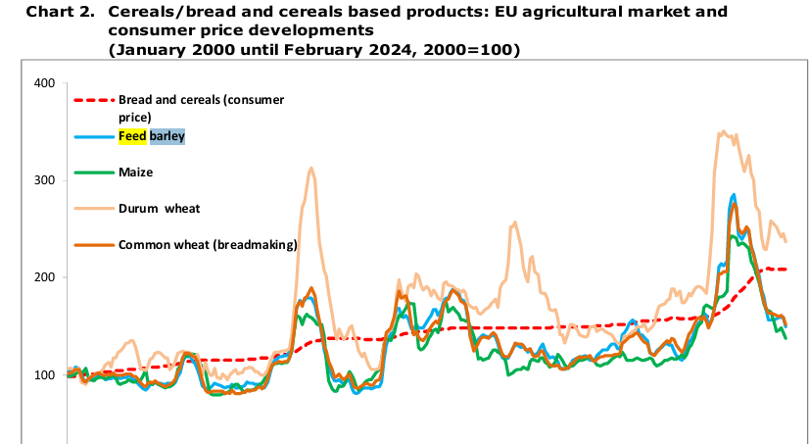
Polylactic acid (PLA) price index - businessanalytiq |  |  |  | 4000
min | 2.4 | Eur/kg
max | 3.03 | Eur/kg

%dv | 0.11602209945
min | #REF! | €/ton
max | #REF! | €/ton

Potato Starch Prices, Price, Pricing, Monitor | ChemAnalyst |  |  |  | 5000
min | 1000 | €/ton
max | 1300 | €/ton

 | 0.13043478261
 | 1150

 |  |  |  |  | Potato Starch Price in UK Contracts 10% to $712 per Ton - News and Statistics - IndexBox
Starch
In June 2022, the potato starch price per ton amounted to $712 (CIF, United Kingdom), which is down by -9.5% against the previous month. In general, the import price showed a noticeable downturn. The growth pace was the most rapid in March 2022 a decrease of -0.4% m-o-m. Over the period under review, average import prices attained the maximum at $846 per ton in January 2022; however, from February 2022 to June 2022, import prices stood at a somewhat lower figure. Please mention the Source: https://www.indexbox.io/blog/united-kingdom-potato-starch-price-per-ton-in-june-2022/
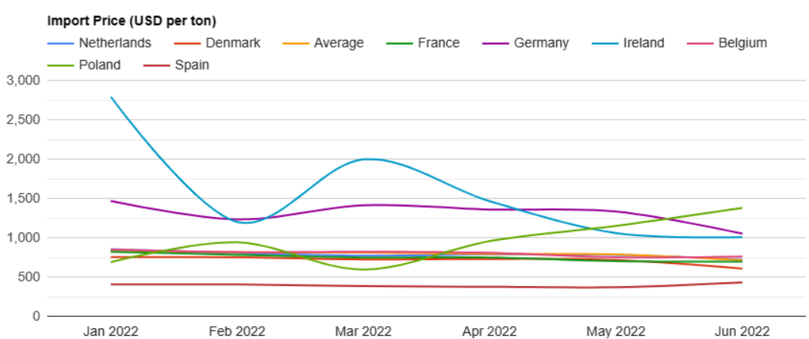

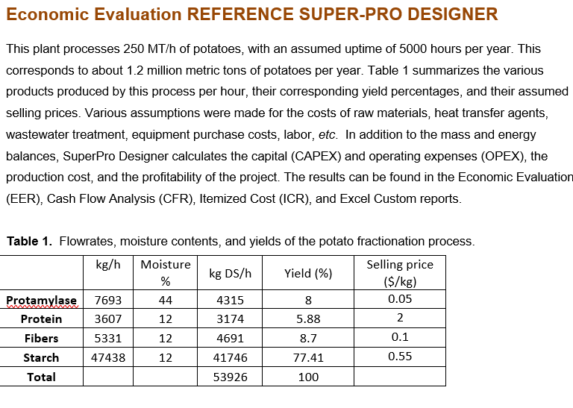

2000 €/t of protein seeeeeems alot to mee....
put 25% unceratainty on it!

Sources
 |  |  |  |  |  |  |  |  | 1161600.0
 |  | 70 tons max |  |  | 1238.9 | 5000 |  |  | VERY EXPENSIVE
units | Sources
(-) | Name | PotatoPeels | Water | Air | Lysol | Enzyms
(-) | Number | 11 | 22 | 33 | 44 | 88
€/t | Costs | 0 | 0 | 0 | 71.5 | 5000 |  |  |  |  |  |  |  |  | maxProduction
t/h | Lower-Limit
t/h | Upper-Limit
(-) | CO2-Emission-Fac
(-) | Fresh-water-factor | 0 | 1 | 0
(-) | Composition | 1 | 1 | 1 | 1 | 1 |  |  |  | 0 | 0 | 0 |  |  | DM content | Ash | Protein | Lipids | Lignin | Cellulose | H-cell. | Starch | Sugar | Others |  | activity | 125 | FPU/ml
 | Proteins | 0.0253 |  |  |  |  |  |  |  |  |  |  |  |  | g/kg | g/kg DM | g/kg DM | g/kg DM | g/kg DM | g/kg DM | g/kg DM | g/kg DM | g/kg DM | g/kg DM |  | added | 20 | FPU/g
 | Lipids | 0.0019 |  |  |  |  |  |  |  |  |  |  |  |  | 142 | 63 | 127 | 10 | 13 | 53 | 33 | 476 | 15 | 212 |  | conc | 50 | mg/ml
 | Phenolics | 0.0197 |  |  |  |  |  |  |  |  |  |  |  |  |  | 0.063 | 0.127 | 0.010 | 0.013 | 0.053 | 0.033 | 0.476 | 0.015 | 0.212
 | Cellulose | 0.0105 |  |  |  |  |  |  |  |  |  |  |  |  |  |  |  |  |  |  |  |  |  |  |  |  | 2.5 | FPU/g
 | Hemi-cellulose | 0.0066 |  |  |  |  |  |  |  |  |  |  |  |  |  |  |  |  |  | DM% | g/kg | % raw |  |  |  |  | 0.125
 | Ligin | 0.0025 |  |  |  |  |  |  |  |  |  |  |  |  |  |  |  |  | Ash | 0.063 | 63 | 0.013 |  | Protein | 0.025
 | Starch | 0.0952 |  |  |  |  |  |  |  |  |  |  |  |  |  |  |  |  | Protein | 0.1265 | 127 | 0.025 |  | Lipids | 0.002
 | Sugars | 0.0031 |  |  |  |  |  |  |  |  |  |  |  |  |  | 1000 |  |  | Lipids | 0.0095 | 10 | 0.002 |  | Phenolics | 0.0197
 | Ash | 0.0352 |  |  |  |  |  |  |  |  |  |  |  |  |  | 1 |  |  | Lignin | 0.0125 | 13 | 0.002 |  | Cellulose | 0.010
 | H2O | 0.8000 | 1 |  | 0.974 |  |  |  |  |  |  |  |  |  |  |  |  |  | Cellulose | 0.0525 | 53 | 0.010 |  | Hemi-cellulose | 0.007
 | O2 |  |  | 0.22 |  |  |  |  |  |  |  |  |  |  |  |  |  | x | H-cell. | 0.033 | 33 | 0.007 |  | Ligin | 0.002
 | N2 |  |  | 0.78 |  |  |  |  |  |  |  |  |  |  |  |  |  |  | Starch | 0.476 | 476 | 0.095 |  | Starch | 0.095
 | Lysol |  |  |  | 0.02 |  |  |  |  |  |  |  |  |  |  |  |  |  | Sugar | 0.015445 | 15 | 0.003 |  | Sugars | 0.003
 | H2SO4 |  |  |  |  |  |  |  |  |  |  |  |  |  |  |  |  |  | Others | 0.211555 | 212 | 0.042 |  | ash | 0.035
 | MeOH |  |  |  |  |  |  |  |  |  |  |  |  |  |  |  |  |  |  |  |  |  |  | H2O | 0.8
 | NaOH |  |  |  | 0.006 |  |  |  |  |  |  |  |  |  |  |  |  |  | Water | 0.8
 | CO2 |  |  |  |  |  |  |  |  |  |  |  |  |  |  |  |  |  |  |  |  |  |  | totaal | 1.000
 | EthOH |  |  |  |  |  |  |  |  |  |  |  |  |  |  |  |  |  |  | total added weight | 4000 | 0.8
 | Amylase |  |  |  |  | 0.1 |  |  |  |  |  |  |  |  |  |  |  |  |  | of water (grams)
 | Cellulase |  |  |  |  | 0.9
 |  |  |  |  |  |  |  |  |  |  |  |  |  |  |  |  |  |  |  |  |  | 1.000

CHAT GPT:
The composition of raw potato peels can vary based on factors such as the potato variety, growing conditions, and soil quality. However, I can provide you with a general breakdown of the typical composition of raw potato peels, focusing on the components you've asked about: protein, lipid (fats), starch, and other fiber components.
### Typical Composition of Raw Potato Peels:
1. **Protein**:
- Typically, potato peels contain about 2-4% protein by dry weight. This can vary slightly depending on the specific type of potato.
2. **Lipid (Fats)**:
- Potato peels have a low fat content, generally around 0.1-1% by dry weight. This is consistent across most potato varieties.
3. **Starch**:
- Starch content in potato peels is considerably lower than in the flesh because most of the starch in potatoes is concentrated in the flesh. Peels might contain about 2-6% starch by dry weight.
4. **Fiber Components**:
- **Total Dietary Fiber**: Potato peels are rich in dietary fiber, making up about 40-50% of the dry weight. This high fiber content is one of the key nutritional aspects of potato peels.
- **Cellulose and Hemicellulose**: These form significant portions of the fibrous content. Cellulose content can be around 20-30% of the total fiber content.
- **Pectin**: Another major component, especially in terms of soluble fiber. The amount can be variable but is significant within the structure of the peel.
- **Lignin**: Generally lower in concentration compared to cellulose and pectin but still a notable component of the structural integrity of the peels.
### Additional Notes:
- **Minerals and Vitamins**: Potato peels are also a good source of minerals, especially potassium, iron, and calcium, as well as vitamins such as vitamin C and B vitamins, though the concentrations can vary.
- **Antioxidants**: Potato peels contain phenolic compounds and other antioxidants, which are concentrated in the peels more than in the flesh.
Given this composition, potato peels represent a valuable source of nutrients, particularly dietary fiber, and can be beneficial in a variety of food applications, including health-focused products. They are also increasingly explored for their functional properties in food processing and as a source of dietary fiber in supplements.

POTATO PEELS, reference?? |  | RAW POTATOPEEL |  |  |  |  |  |  |  | DRY POTATOPEEL |  | https://doi.org/10.3390/app11083410
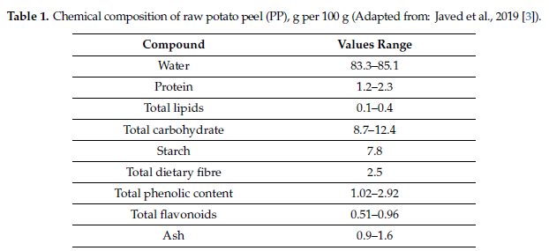
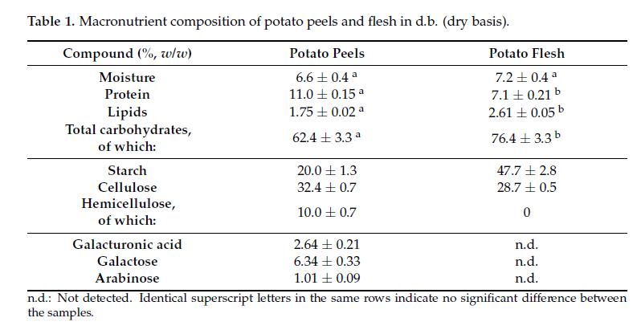

 |  |  |  |  | 0.09375

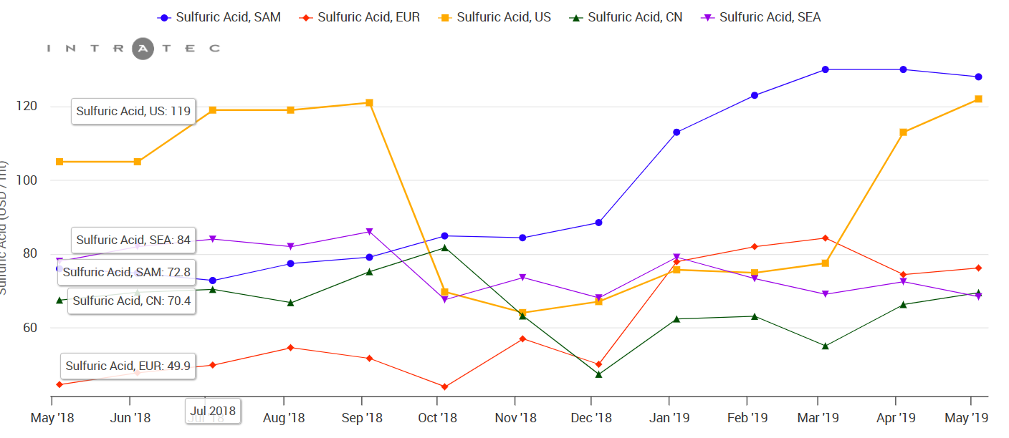
Sulfuric acid | Sulfuric Acid Prices | Historical and Current | Intratec.us
 |  |  |  |  |  |  |  |  |  |  |  |  | 43.3 | pha
 |  |  |  |  |  |  |  |  |  |  |  |  | 13 | bm
 |  |  |  |  |  |  |  |  |  |  |  |  | 56.3 | tot

 |  |  |  |  |  |  |  |  |  |  |  |  | 0.76909413854 | %pha

Methanol Price|Methanol Institute|www.methanol.org |  |  |  | There is an excel file with data on prices from 2021 to now

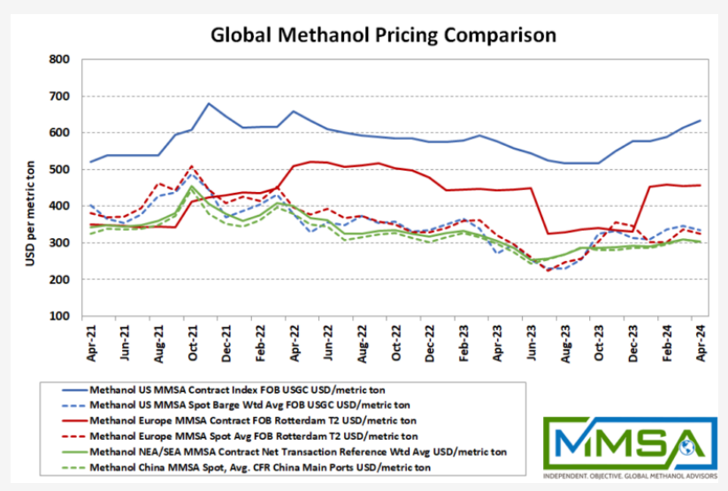

LYSOL | Lysols-Lysols Manufacturers, Suppliers and Exporters on Alibaba.comMulti-purpose Household Chemicals |  |  |  |  |  | Reference mateo
41 | Oz |  |  |  |  |  | 281422 | dollar/y | flow | 3933.33 | ton/y
1.1623 | kg/Oz |  |  |  |  |  | 8000 | h/y |  | 71.547966102 | dollar/ton
1.44 | €/41OZ |  |  |  |  |  | 24 | h/d
1.239 | € /kg |  |  |  |  |  | 333.33 | d/y
1238.9 | t/€

Cellulase aqueous solution, = 700units/g 9012-54-8 (sigmaaldrich.com)

Price of Enzyms
cellulase: Cellulase aqueous solution, = 700units/g 9012-54-8 (sigmaaldrich.com)
//
Cellulase Enzyme at Rs 1250/kilogram | Neutral Cellulase Enzyme in Thane | ID: 9784018148 (indiamart.com)
Amylase: Α-Amylase | Sigma-Aldrich (sigmaaldrich.com)
//
alpha-Amylase | VWR

Cellulase
50 | ml
1.2 | g/ml
60 | g
160 | Euros
1.21 | €/g |  | 0.06 | €/g
1210000.0 | €/ton |  | 60 | €/t

Amylase
500 | g
363 | €
0.726 | €/g
726000 | €/ton

Composition
For cellulase we need 0.02 g_cellulase/g_substrae
for amylase we need 0.002 g_amylase/g_starch
so more or less we need 10 parts cellulase per part amylase

0.0286 | gram_Cellulase/gram_substrate
0.002 | g_enzym/kg_starch
0.0006 | g_enzym/kg_substrate
0.07 | % needs to be amylase

Sensitivity
 | Parameter Sensitity |  |  |  |  |  |  |  |  | Crossparameter Sensitivity
 | Type | LOCAL Sensitivity
 |  |  |  |  |  |  |  | 500 |  |  |  |  |  |  |  |  |  | #REF! | #REF!
 |  |  |  |  |  |  |  | 50 |  |  |  |  |  |  |  |  |  |  |  |  | DO NOT TOUCH OR DELEET

 |  | Identification data |  |  |  | Discritisation |  |  |  |  | Identification data |  |  |  | Discritisation
 | Parameter_Type | Unit_Number | Component | Target_Unit | Reaction_Number | Lower_Bound | Upper_Bound | Number_of_steps |  | Parameter_Type | Unit_Number | Component | Target_Unit | Reaction_Number | Lower_Bound | Upper_Bound | Number_of_steps |  |  | ComponentsList | Target UNIT | Reaction nr
Feed PPW | Price (ProductPrice) | 6000 | n.a. | n.a. | n.a. | 41500 | 42000 | 10 | MP fermentation | Stoichiometric factor (gamma) | 510 | Microbial.Prot | n.a. | 11 | 0.25 | 0.5 | 10 |  |  | #REF! | #REF! | #REF!
 |  |  |  |  |  |  |  |  |  | Feed Composition (phi) | 11 | Starch | n.a. | n.a. | 0.07 | 0.12 | 10 |  |  | #REF! | #REF! | #REF!
 |  |  |  |  |  |  |  |  |  |  |  |  |  |  |  |  |  |  |  | #REF! | #REF! | #REF!
 |  |  |  |  |  |  |  |  |  | Price (ProductPrice) | 9700 | n.a. | n.a. | n.a. | 1200 | 1800 | 5 |  |  | #REF! | #REF! | #REF!
 |  |  |  |  |  |  |  |  |  | Electricity price (delta_ut) | n.a. | n.a. | n.a. | n.a. | 87 | 200 | 5 |  |  | #REF! | #REF! | #REF!
 |  |  |  |  |  |  |  |  |  |  |  |  |  |  |  |  |  |  |  | #REF! | #REF! | #REF!
 |  |  |  |  |  |  |  |  |  | Split factors (myu) | 300 | Phenolics | 320 | n.a. | 0.9 | 0.2 | 5 |  |  | #REF! | #REF! | #REF!
 |  |  |  |  |  |  |  |  |  | Price (ProductPrice) | 3000 | n.a. | n.a. | n.a. | 3000 | 8000 | 5 |  |  | #REF! | #REF! | #REF!
 |  |  |  |  |  |  |  |  |  |  |  |  |  |  |  |  |  |  |  | #REF! | #REF! | #REF!
 |  |  |  |  |  |  |  |  |  |  |  |  |  |  |  |  |  |  |  | #REF! | #REF! | #REF!
Parameter type
Yield & stoichiometric & pysical process:
Physical Split factors (myu)
Source:
Feed Composition (phi)
Costs (materialcosts)
stoichiometric process:
Conversion factor (theta)
Stoichiometric factor (gamma)
Yield process
Yield factor (xi)
Pools
Price (ProductPrice)
Others
electricity_price
heat_price
 |  |  |  |  |  |  |  |  | MCF (400) | Stoichiometric factor (gamma) | 400 | VFA | n.a. | 13 | 0.3 | 0.8 | 3 |  |  | #REF! | #REF! | #REF!
 |  |  |  |  |  |  |  |  | Hydrolysis (200) | Conversion factor (theta) | 200 | Cellulose | n.a. | 14 | 0.2 | 0.8 | 3 |  |  | #REF! | #REF! | #REF!
 |  |  |  |  |  |  |  |  |  |  |  |  |  |  |  |  |  |  |  | #REF! | #REF! | #REF!
 |  |  |  |  |  |  |  |  |  |  |  |  |  |  |  |  |  |  |  | #REF! | #REF! | #REF!
 |  |  |  |  |  |  |  |  |  |  |  |  |  |  |  |  |  |  |  | #REF! | NAValue | NAValue
 |  |  |  |  |  |  |  |  |  |  |  |  |  |  |  |  |  |  |  | #REF! | NAValue | NAValue
 |  |  |  |  |  |  |  |  |  |  |  |  |  |  |  |  |  |  |  | #REF! | NAValue | NAValue
 |  |  |  |  |  |  |  |  |  | Split factors (myu) |  |  |  |  |  |  |  |  |  | #REF! | NAValue | NAValue
 |  |  |  |  |  |  |  |  |  | Feed Composition (phi) |  | starch | 0.0952 |  |  |  |  |  |  | NAValue | NAValue | NAValue
 |  |  |  |  |  |  |  |  |  | Conversion factor (theta) |  | % deviation | 0.2 |  |  |  |  |  |  | NAValue | NAValue | NAValue
 |  |  |  |  |  |  |  |  |  | Stoichiometric factor (gamma) |  | Lower | 0.11424 |  |  |  |  |  |  | NAValue | NAValue | NAValue
 |  |  |  |  |  |  |  |  |  | Yield factor (xi) |  | Upper | 0.07616 |  |  |  |  |  |  | NAValue | NAValue | NAValue
 |  |  |  |  |  |  |  |  |  | Costs (materialcosts) |  |  |  |  |  |  |  |  |  | NAValue | NAValue | NAValue
 |  |  |  |  |  |  |  |  |  |  |  |  |  |  |  |  |  |  |  | NAValue | NAValue | NAValue
 |  |  |  |  |  |  |  |  |  |  |  |  |  |  |  |  |  |  |  | NAValue | NAValue | NAValue
 |  |  |  |  |  |  |  |  |  |  |  |  |  |  |  |  |  |  |  | NAValue | NAValue | NAValue
 |  |  |  |  |  |  |  |  |  |  |  |  |  |  |  |  |  |  |  | NAValue | NAValue | NAValue

 | x |  |  |  |  |  |  |  |  | PHA accumulation(420) | Yield factor (xi) | 420 | Biomass_pha | n.a. | n.a. | 0.3 | 0.7 | 3
 |  |  |  |  |  |  |  |  |  | Digestion(435) | Stoichiometric factor (gamma) | 435 | PHA | n.a. | 11 | 0.2 | 0.6 | 3
 |  |  |  |  |  |  |  |  |  | AD (600) | Conversion factor (theta) | 600 | Cellulose | n.a. | 5 | 0.1 | 0.3 | 3
 |  |  |  |  |  |  |  |  |  | MCF (400) | Stoichiometric factor (gamma) | 400 | VFA | n.a. | 13 | 0.3 | 0.8 | 3
 |  |  |  |  |  |  |  |  |  | Hydrolysis (200) | Conversion factor (theta) | 200 | Cellulose | n.a. | 14 | 0.2 | 0.8 | 3
 |  |  |  |  |  |  |  |  |  | Hydrolysis (200) | Conversion factor (theta) | 200 | Hemi-cellulose | n.a. | 16 | 0.2 | 0.8 | 3
 |  |  |  |  |  |  |  |  |  | Feed PPW | Feed Composition (phi) | 11 | Phenolics | n.a. | n.a. | 0.0131 | 0.0263 | 3
 |  |  |  |  |  |  |  |  |  | Price Phenolics | Price (ProductPrice) | 3000 | n.a. | n.a. | n.a. | 0.8 | 0.95 | 3
 |  |  |  |  |  |  |  |  |  | Price Proteins | Price (ProductPrice) | 9000 | n.a. | n.a. | n.a. | 1000 | 2500 | 4
 |  |  |  |  |  |  |  |  |  | Price PHA | Price (ProductPrice) | 6000 | n.a. | n.a. | n.a. | 1500 | 6000 | 4
 |  |  |  |  |  |  |  |  |  | Price animal Feed | Price (ProductPrice) | 7000 | n.a. | n.a. | n.a. | 50 | 150 | 3
 |  |  |  |  |  |  |  |  |  | Price MicProt | Price (ProductPrice) | 9700 | n.a. | n.a. | n.a. | 500 | 2000 | 4

