Sources
units | Sources
(-) | Name | PotatoPeels | Water | Air | Solvent | Nutrient broth
(-) | Number | 11 | 22 | 33 | 44
€/t | Costs | 0 | 0 | 0 | 20 |  |  |  |  |  |  |  | maxProduction
t/h | Lower-Limit | 1
t/h | Upper-Limit | 1
(-) | CO2-Emission-Fac
(-) | Fresh-water-factor | 0 | 1 | 0
(-) | Composition | 1 | 1 | 1 | 1 | 0 | 0 | 0 | 0 | 0 | 0 | 0
 | Proteins | 0.0175
 | Lipids | 0.0025
 | Sugars | 0.0275
 | Phenolics | 0.0197
 | H2O | 0.842 | 1
 | O2 |  |  | 0.22
 | N2 |  |  | 0.78
 | DES |  |  |  | 1
 | ash | 0.0128
 | Starch | 0.078
 |  |  |  |  |  |  |  |  |  |  |  |  |  | x

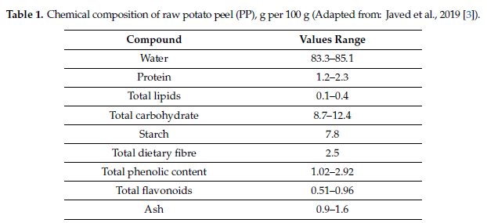

POTATO PEELS
doi:10.3390/foods9111598
LETS ASSUME we can process 1 metric ton per hour
1.97 |  |  |  |  |  |  |  |  |  |  | x
20

Uncertainty
Genaral Data
Combinatorial | False
Discretization | 3
Probality_of_occurance | custom
LHS_Sampling | True
Relates to the composition that gets rearanged
when the composition of elemnet i is changed. Normaly the % change is spread out over the over components.
But you can choose not to do this
Sample_Size | 20

Custom Level set |  | Composition Exclusion (phi)
Level |  | Source_Number | Excluded_Components
1 |  | 11 | H2O | Lipids
0.5 |  | 33 | O2
0
-0.5
-1

 |  |  |  |  |  |  |  |  |  | DO NOT TOUCH OR DELEET

Colunm Combinatorial
Specify the odds of each outcome as a vector, representing the individual probability of each value occurring.
The odds of a particular scenario occurring are calculated as the product of the odds associated with each uncertain parameter of that scenario.
Important Note *: When dealing with grouped scenarios, the probability of a specific value occurring will always match the reference parameter of that group to ensure that the sum of probabilities equals one.
Important Note **: If no specific odds are provided, it is assumed that all parameters have equal odds.
Colunm LHS
x amount of specified smaples will be made where the distribution is dependent on the PPF (Probabilty function) of the parameter. Curretnly only Normal and Uniform distributions are posiible.
 |  | Identification data |  |  |  | Combinatorial |  |  | LHS
Parameter_Type | Unit_Number | Component | Target_Unit | Reaction_Number | (%) | Group_Number | Correlation | Custom_Probabilities | Distribution_Function |  | ComponentsList | Target UNIT | Reaction nr
Split factors (myu) | 220 | Phenolics | 320 | n.a. | 0.6 | 1 | reference | [0.1, 0.8, 0.1] | Uniform |  | ComponentsList | UnitNumbers | NAValue
Feed Composition (phi) | 11 | Sugars | n.a. | n.a. | 0.2 | 2 | reference | [0.1, 0.8, 0.1] | Normal |  | ComponentsList | NAValue | NAValue
Conversion factor (theta) | 210 | Sugars | n.a. | 1 | 0.28 | 2 | equal | [0.1, 0.8, 0.1] | Normal |  | ComponentsList | NAValue | ReactionNumbers
Stoichiometric factor (gamma) | 240 | Lactic Acid | n.a. | 7 | 0.1 | 4 | reference | [0.1, 0.8, 0.1] | Normal |  | ComponentsList | NAValue | ReactionNumbers
Yield factor (xi) | 600 | PHA | n.a. | n.a. | 0.1 | 5 | reference | [0.1, 0.8, 0.1] | Uniform |  | ComponentsList | NAValue | NAValue
Costs (materialcosts) | 11 | n.a. | n.a. | n.a. | 0.5 | 6 | reference | [0.1, 0.8, 0.1] | Normal |  | NAValue | NAValue | NAValue
Price (ProductPrice) | 6000 | n.a. | n.a. | n.a. | 0.2 | 7 | reference | [0.1, 0.8, 0.1] | Normal |  | NAValue | NAValue | NAValue
Feed Composition (phi) | 11 | Phenolics | n.a. | n.a. | 0.3 | 2 | opposite | [0.1, 0.8, 0.1] | Normal |  | ComponentsList | NAValue | NAValue
 |  |  |  |  |  |  |  |  |  |  | NAValue | NAValue | NAValue
 |  |  |  |  |  |  |  |  |  |  | NAValue | NAValue | NAValue
Parameter type
Yield & stoichiometric & pysical process:
Physical Split factors (myu)
Source:
Feed Composition (phi)
Costs (materialcosts)
stoichiometric process:
Conversion factor (theta)
Stoichiometric factor (gamma)
Yield process
Yield factor (xi)
Pools
Price (ProductPrice)
Others
electricity_price
heat_price
 |  |  |  |  |  |  |  |  |  |  | NAValue | NAValue | NAValue
 |  |  |  |  |  |  |  |  |  |  | NAValue | NAValue | NAValue
 |  |  |  |  |  |  |  |  |  |  | NAValue | NAValue | NAValue
 |  |  |  |  |  |  |  |  |  |  | NAValue | NAValue | NAValue
 |  |  |  |  |  |  |  |  |  |  | NAValue | NAValue | NAValue
 |  |  |  |  |  |  |  |  |  |  | NAValue | NAValue | NAValue
 |  |  |  |  |  |  |  |  |  |  | NAValue | NAValue | NAValue
 |  |  |  |  |  |  |  |  |  |  | NAValue | NAValue | NAValue
 |  |  |  |  |  |  |  |  |  |  | NAValue | NAValue | NAValue
 |  |  |  |  |  |  |  |  |  |  | NAValue | NAValue | NAValue
 |  |  |  |  |  |  |  |  |  |  | NAValue | NAValue | NAValue
 |  |  |  |  |  |  |  |  |  |  | NAValue | NAValue | NAValue
 |  |  |  |  |  |  |  |  |  |  | NAValue | NAValue | NAValue
 |  |  |  |  |  |  |  |  |  |  | NAValue | NAValue | NAValue
 |  |  |  |  |  |  |  |  |  |  | NAValue | NAValue | NAValue
 |  |  |  |  |  |  |  |  |  |  | NAValue | NAValue | NAValue
 |  |  |  |  |  |  |  |  |  |  | NAValue | NAValue | NAValue

x

Sensitivity
Parameter Sensitity |  |  |  |  |  |  |  | Crossparameter Sensitivity
Type | LOCAL Sensitivity

 |  |  |  |  |  |  |  |  |  |  |  |  |  |  |  |  | DO NOT TOUCH OR DELEET

 | Identification data |  |  |  | Discritisation |  |  |  | Identification data |  |  |  | Discritisation
Parameter_Type | Unit_Number | Component | Target_Unit | Reaction_Number | Lower_Bound | Upper_Bound | Number_of_steps | Parameter_Type | Unit_Number | Component | Target_Unit | Reaction_Number | Low_value | High_value | Number_of_steps | ComponentsList | Target UNIT | Reaction nr
Split factors (myu) | 220 | Phenolics | 320 | n.a. | 0.7 | 0.85 | 5 | Price (ProductPrice) | 5000 | n.a. | n.a. | n.a. | 600 | 1800 | 5 | #REF! | #REF! | #REF!
Feed Composition (phi) | 11 | Phenolics | n.a. | n.a. | 0.02 | 0.08 | 5 | Feed Composition (phi) |  |  |  |  |  |  | 5 | #REF! | #REF! | #REF!
Conversion factor (theta) | 210 | Sugars | n.a. | 1 | 0.4 | 0.68 | 5 |  |  |  |  |  |  |  |  | #REF! | #REF! | #REF!
Parameter type
Yield & stoichiometric & pysical process:
Physical Split factors (myu)
Source:
Feed Composition (phi)
Costs (materialcosts)
stoichiometric process:
Conversion factor (theta)
Stoichiometric factor (gamma)
Yield process
Yield factor (xi)
Pools
Price (ProductPrice)
Others
electricity_price
heat_price
Stoichiometric factor (gamma) | 240 | Lactic Acid | n.a. | 7 | 0.5 | 0.8 | 5 |  |  |  |  |  |  |  |  | #REF! | #REF! | #REF!
Yield factor (xi) | 600 | PHA | n.a. | n.a. | 0.4 | 0.88 | 5 |  |  |  |  |  |  |  |  | #REF! | #REF! | #REF!
Costs (materialcosts) | 11 | n.a. | n.a. | n.a. | 10 | 100 | 5 |  |  |  |  |  |  |  |  | #REF! | #REF! | #REF!
Price (ProductPrice) | 6000 | n.a. | n.a. | n.a. | 0.02 | 0.08 | 5 |  |  |  |  |  |  |  |  | #REF! | #REF! | #REF!
Electricity price (delta_ut) | n.a. | n.a. | n.a. | n.a. | 0.8 | 0.95 | 5 |  |  |  |  |  |  |  |  | #REF! | #REF! | #REF!
Chilling price (delta_ut) | n.a. | n.a. | n.a. | n.a. | 0.2 | 0.4 | 5 |  |  |  |  |  |  |  |  | #REF! | #REF! | #REF!
Heating price super (delta_q) | n.a. | n.a. | n.a. | n.a. | 30 | 40 | 5 |  |  |  |  |  |  |  |  | #REF! | #REF! | #REF!
Heating price high (delta_q) | n.a. | n.a. | n.a. | n.a. | 30 | 40 | 5 |  |  |  | Split factors (myu) |  |  |  |  | #REF! | #REF! | #REF!
Heating price medium (delta_q) | n.a. | n.a. | n.a. | n.a. | 30 | 40 | 5 |  |  |  | Feed Composition (phi) |  |  |  |  | #REF! | #REF! | #REF!
Heating price low (delta_q) | n.a. | n.a. | n.a. | n.a. | 30 | 40 | 5 |  |  |  | Conversion factor (theta) |  |  |  |  | #REF! | #REF! | #REF!
Heating demand 1 (tau_h) | 110 | n.a. | n.a. | n.a. | 1 | 1.8 | 5 |  |  |  | Stoichiometric factor (gamma) |  |  |  |  | #REF! | #REF! | #REF!
Electricity demand (tau) | 100 | n.a. | n.a. | n.a. | 0.002 | 0.003 | 5 |  |  |  | Yield factor (xi) |  |  |  |  | #REF! | NAValue | NAValue
Component concentration (conc) | 230 | n.a. | n.a. | n.a. | 8 | 13 | 5 |  |  |  | Costs (materialcosts) |  |  |  |  | #REF! | NAValue | NAValue
Reference Capital costs (C_Ref) | 250 | n.a. | n.a. | n.a. | 0.01 | 0.015 | 5 |  |  |  |  |  |  |  |  | #REF! | NAValue | NAValue
Operating and maintenance (K_OM) | 250 | n.a. | n.a. | n.a. | 0.001 | 0.005 | 5 |  |  |  |  |  |  |  |  | #REF! | NAValue | NAValue
 |  |  |  |  |  |  |  |  |  |  |  |  |  |  |  | NAValue | NAValue | NAValue
 |  |  |  |  |  |  |  |  |  |  |  |  |  |  |  | NAValue | NAValue | NAValue
 |  |  |  |  |  |  |  |  |  |  |  |  |  |  |  | NAValue | NAValue | NAValue
 |  |  |  |  |  |  |  |  |  |  |  |  |  |  |  | NAValue | NAValue | NAValue
 |  |  |  |  |  |  |  |  |  |  |  |  |  |  |  | NAValue | NAValue | NAValue
 |  |  |  |  |  |  |  |  |  |  |  |  |  |  |  | NAValue | NAValue | NAValue
 |  |  |  |  |  |  |  |  |  |  |  |  |  |  |  | NAValue | NAValue | NAValue
 |  |  |  |  |  |  |  |  |  |  |  |  |  |  |  | NAValue | NAValue | NAValue
 |  |  |  |  |  |  |  |  |  |  |  |  |  |  |  | NAValue | NAValue | NAValue

x

PHA_yield_reactor
General factors |  |  | Cost related factors |  |  | Energy related factors |  |  |  |  |  | Splitfactors |  |  | Material flow soures |  |  |  | Concentration factors |  |  |  |  | Yield Factor
Parameter | Value | Units | Parameter | Values | Units | Parameter | Electricity | Heating / Cooling (1) | Heating / Cooling (2) | Chilling | Units | Target Process | Component | Split | Sources | Target gourp 1 | Target gourp 2 | Target gourp 3 | Flow 1 | Component | Flow 2 | Component | Concentration (of Flow 1 compared to Flow 2) | Component | Value | Inert Component
Name | PHB1 yield reactor | (-) | Faktor |  | (-) | Specific energy demand | 0.001 |  |  |  | MWh/{unit specific} | 6000 | PHA | 1 |  | 6000 |  |  |  |  |  |  |  | PHA | 0.4 | H2O
Nummer | 600 | (-) | Reference Costs | 5 | M€ | Reference flow type | FIN |  |  |  | t/h
Type | Yield.Reactor | (-) | Reference Flow | 1 | t/h | Components list
Process group |  | (-) | Exponent | 0.6 | (-)
Lifetime | 25 | (-) | Reference Year | 2018 | year
Direct Cost Factor | 2.6 | (-) | Refence Flow Type | FIN | t/h
Indirect Cost Factor | 1.44 | (-) | Componentlist | Sugars | (-)
Temperature In (1) |  | K |  | Phenolics | (-)
Tmperature Out (1) |  | K |  | Starch | (-)
Temperature In (2) |  | K |  |  | (-)
Tmperature Out (2) |  | K |  |  | (-)
Efficiency (Only Generators) | NO VALUE | (-) |  |  | (-)
CO2 Emissions for Building |  | (-) |  |  | (-)
Maintenance Cost Factor |  | (-) |  |  | (-)
Turnover factor |  | (-) |  |  | (-)
Turnover time |  | (-) |  |  | (-)
Turnover mode |  | (-) |  |  | (-)
Process specific Full Load Hours | 8000 | h |  |  | (-)

How this box works:
Componet: the chemical that is being produced
Value: the yield (between 0 and 1) of the Unit process
Equation:
Component = sum(all_chemicals) * Yield
To exclude chemicals form the sum, specify them in the Inert component lsit. This list is passed to all the compounds wich are dependent on the yiedl coef specifiecd in the column Value (check this )

 |  |  |  |  |  |  |  |  |  | x

 |  |  |  |  |  |  |  |  |  |  | x

Solvent recovery
General factors |  |  | Cost related factors |  |  | Energy related factors |  |  |  |  |  | Splitfactors |  |  | Material flow soures |  |  |  | Concentration factors
Parameter | Value | Units | Parameter | Values | Units | Parameter | Electricity | Heating / Cooling (1) | Heating / Cooling (2) | Chilling | Units | Target Process | Component | Split | Sources | Target Group 1 | Target Group 2 | Target Group 3 | Flow 1 | Component | Flow 2 | Component | Concentration (of Flow 1 compared to Flow 2)
Name | Anti-solvent recov 1 | (-) | Faktor |  | (-) | Specific energy demand |  | 0.1 |  |  | MWh/{unit specific} | 3000 | Phenolics | 1 |  | 3000 | 220
Nummer | 320 | (-) | Reference Costs | 0.05 | M€ | Reference flow type |  | FIN |  |  | t/h | 220 | DES | 0.85
Type |  | (-) | Reference Flow | 10 | t/h | Components list |  | DES
Process group |  | (-) | Exponent | 0.1 | (-) |  |  | H2O
Lifetime | 25 | (-) | Reference Year | 2018 | year
Direct Cost Factor | 2.6 | (-) | Refence Flow Type | FIN | t/h
Indirect Cost Factor | 1.44 | (-) | Componentlist | DES | (-)
Temperature In (1) | 25 | K or C |  | Phenolics | (-)
Tmperature Out (1) | 60 | K or C |  |  | (-)
Temperature In (2) |  | K or C |  |  | (-)
Tmperature Out (2) |  | K or C |  |  | (-)
Efficiency (Only Generators) | NO VALUE | (-) |  |  | (-)
CO2 Emissions for Building |  | (-) |  |  | (-)
Maintenance Cost Factor |  | (-) |  |  | (-)
Turnover factor |  | (-) |  |  | (-)
Turnover time |  | (-) |  |  | (-)
Turnover mode |  | (-) |  |  | (-)
Process specific Full Load Hours | 8000 | h |  |  | (-)

Assumptions made and references
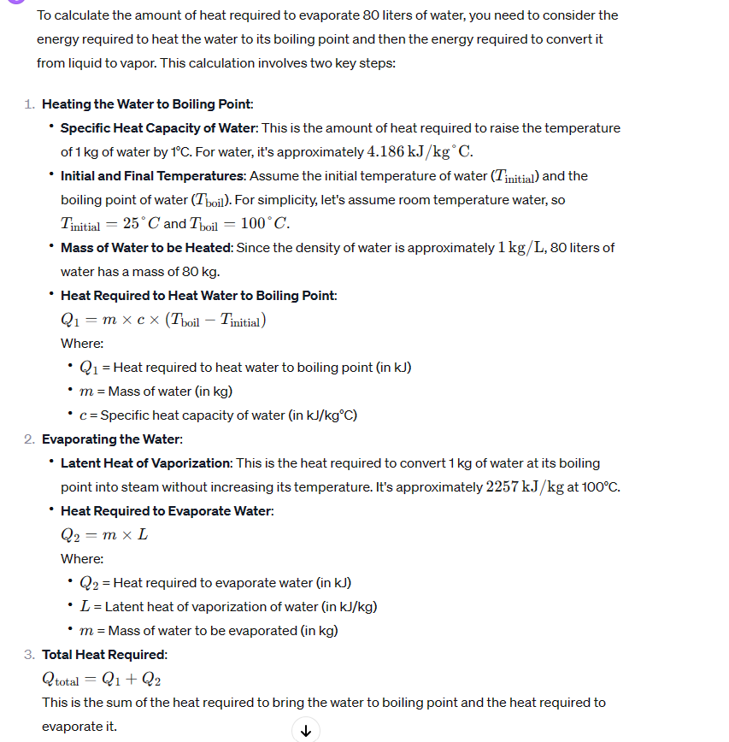
Assume anti-solvent recovery is used (being water or ethanol)
read:
https://doi.org/10.1007/s13399-021-01860-9

say we use water as anti solvent
20 | C
100 | C
dTemp
BOILING
4.186 | kJ/kg°C.
313.95 | kJ/kg
EVAPORATINg
2257 | kJ/kg

tot
2570.95 | kJ/kg
assume 8 hours of operation
seems resonable

0.089269097222 | kW/kg
0.089269097222 | MWh/t

x

 |  |  |  |  |  |  |  |  |  | x

Anaerobic Digestor
 |  |  |  |  | Stö

General factors |  |  | Cost related factors |  |  | Energy related factors |  |  |  |  |  | Splitfactors |  |  | Material flow soures |  |  |  | Concentration factors |  |  |  |  | Stoichiometric Factors |  |  | Conversion Factors
Parameter | Value | Units | Parameter | Values | Units | Parameter | Electricity | Heating / Cooling (1) | Heating / Cooling (2) | Chilling | Units | Target Process | Component | Split | Sources | Target Group 1 | Target Group 2 | Target Group 3 | Flow 1 | Component | Flow 2 | Component | Concentration (of Flow 1 compared to Flow 2) | Component | Reaction r | Value | Reaction r | Component m | Conversion
Name | Anaerobic Digest. | (-) | Faktor |  | (-) | Specific energy demand | 0.010 | 0.127 |  |  | MWh/t | 777 | CH4 | 1 |  | 777 | 1000 | 1100 |  |  |  |  |  | Sugars | 2 | -1 | 2 | Sugars | 0.99
Nummer | 200 | (-) | Reference Costs | 0.7 | M€ | Reference flow type | FIN | FIN |  |  | t/h | 1000 | Biomass | 1 |  |  |  |  |  |  |  |  |  | CH4 | 2 | 0.14 | 3 | Lipids | 0.5
Type | Stoich.Reactor | (-) | Reference Flow | 0.20 | t/h | Components list | Sugars | Sugars |  |  |  |  |  |  |  |  |  |  |  |  |  |  |  | Biomass | 2 | 0.86 | 4 | Proteins | 0.6
Process group |  | (-) | Exponent | 0.6 | (-) |  | Proteins | Proteins |  |  |  |  |  |  |  |  |  |  |  |  |  |  |  | Lipids | 3 | -1 | 8 | Starch | 0.2
Lifetime | 25 | (-) | Reference Year | 2018 | year |  | Lipids | Lipids |  |  |  |  |  |  |  |  |  |  |  |  |  |  |  | CH4 | 3 | 0.14
Direct Cost Factor | 2.6 | (-) | Refence Flow Type | FIN | t/h |  | Phenolics | Phenolics |  |  |  |  |  |  |  |  |  |  |  |  |  |  |  | Biomass | 3 | 0.86
Indirect Cost Factor | 1.44 | (-) | Componentlist | Sugars | (-) |  | Starch | Starch |  |  |  |  |  |  |  |  |  |  |  |  |  |  |  | Proteins | 4 | -1
Temperature In (1) | 20 | K |  | Phenolics | (-) |  | H2O | H2O |  |  |  |  |  |  |  |  |  |  |  |  |  |  |  | CH4 | 4 | 0.14
Tmperature Out (1) | 35 | K |  | Proteins |  |  |  |  |  |  |  |  |  |  |  |  |  |  |  |  |  |  |  | Biomass | 4 | 0.86
Temperature In (2) |  | K |  | Lipids |  |  |  |  |  |  |  |  |  |  |  |  |  |  |  |  |  |  |  | Starch | 8 | -1
Tmperature Out (2) |  | K |  |  |  |  |  |  |  |  |  |  |  |  |  |  |  |  |  |  |  |  |  | Biomass | 8 | 0.14
Efficiency (Only Generators) | NO VALUE | (-) |  |  |  |  |  |  |  |  |  |  |  |  |  |  |  |  |  |  |  |  |  | CH4 | 8 | 0.86
CO2 Emissions for Building |  | (-)
Maintenance Cost Factor |  | (-)
Turnover factor |  | (-)
Turnover time |  | (-)
Turnover mode |  | (-)
Specifice flh | 8000 | h

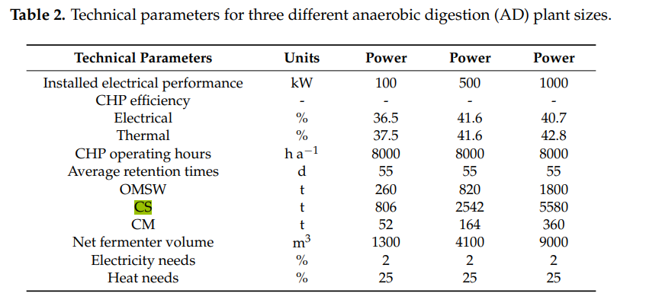

output | 100 | kW
electricity | 0.02
heat | 0.25

operating hours | 1320 | h
load | 260 | ton

elec | 2640 | kWh
heat | 33000 | kWh
so per ton:
elec | 0.010 | MWh/ton
heat | 0.1 | MWh/ton

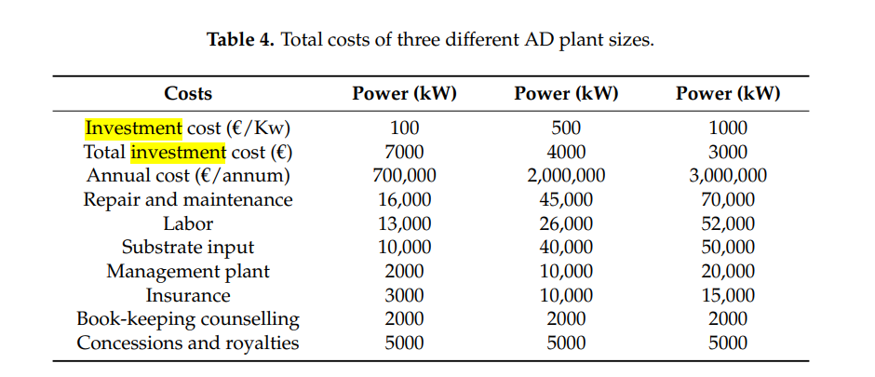

YEILDs
https://doi.org/10.3390/en12122311
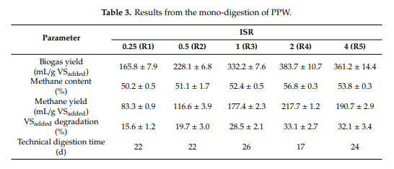

assume
density of methane | 0.000717 | g/ml
production | 190 | ml/gVS
yield | 0.13623 | gCH4/gVS

 |  |  |  |  |  |  |  |  |  |  | x

