check_data
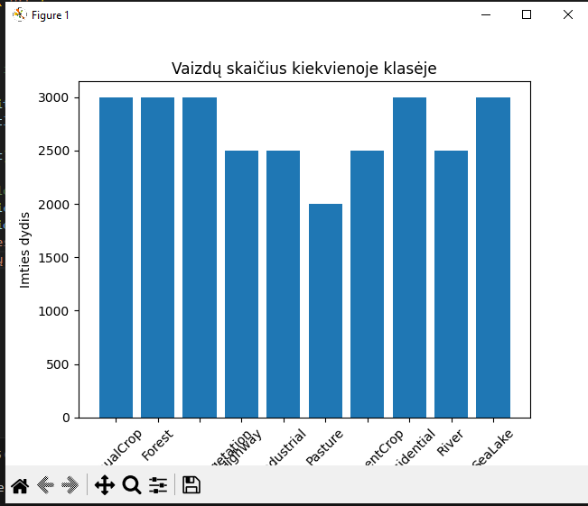
check_data
Classes: ['AnnualCrop', 'Forest', 'HerbaceousVegetation', 'Highway', 'Industrial', 'Pasture', 'PermanentCrop', 'Residential', 'River', 'SeaLake'] 10

{'AnnualCrop': 3000, 'Forest': 3000, 'HerbaceousVegetation': 3000, 'Highway': 2500, 'Industrial': 2500, 'Pasture': 2000, 'PermanentCrop': 2500, 'Residential': 3000, 'River': 2500, 'SeaLake': 3000}

size_of_imgs
size_of_imgs
Scatter of images by size
https://medium.com/analytics-vidhya/how-to-pick-the-optimal-image-size-for-training-convolution-neural-network-65702b880f05

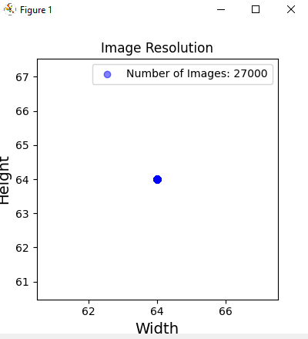

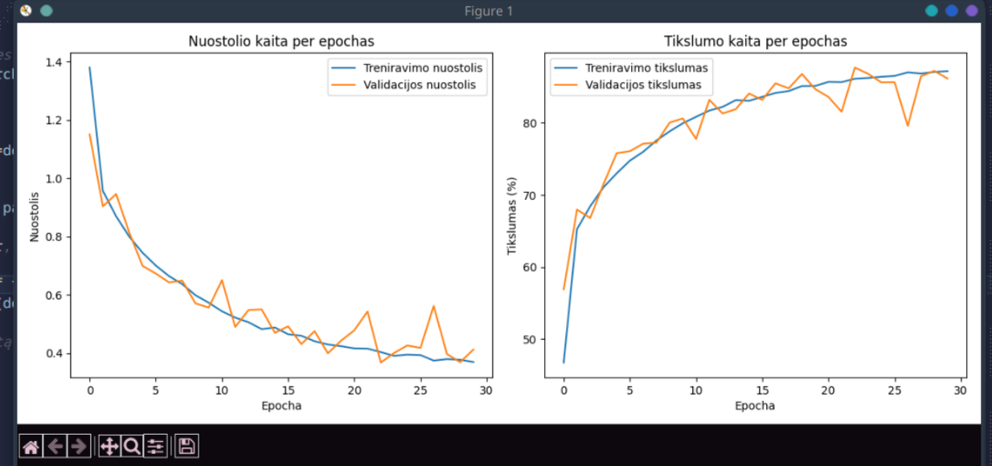

 | Epocha 30/30
 | Treniravimo nuostolis: 0.3691, Tikslumas: 87.19%
 | Validacijos nuostolis: 0.4118, Tikslumas: 86.17%
 | Testavimo tikslumas: 87.37%

