For Collectors Page
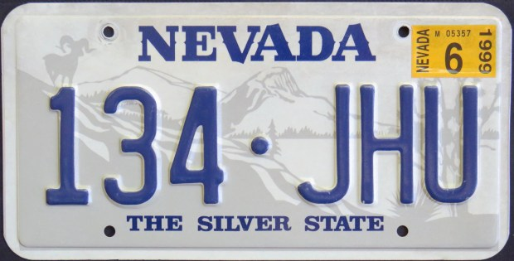
BASE | Main

