Ethan Carlson
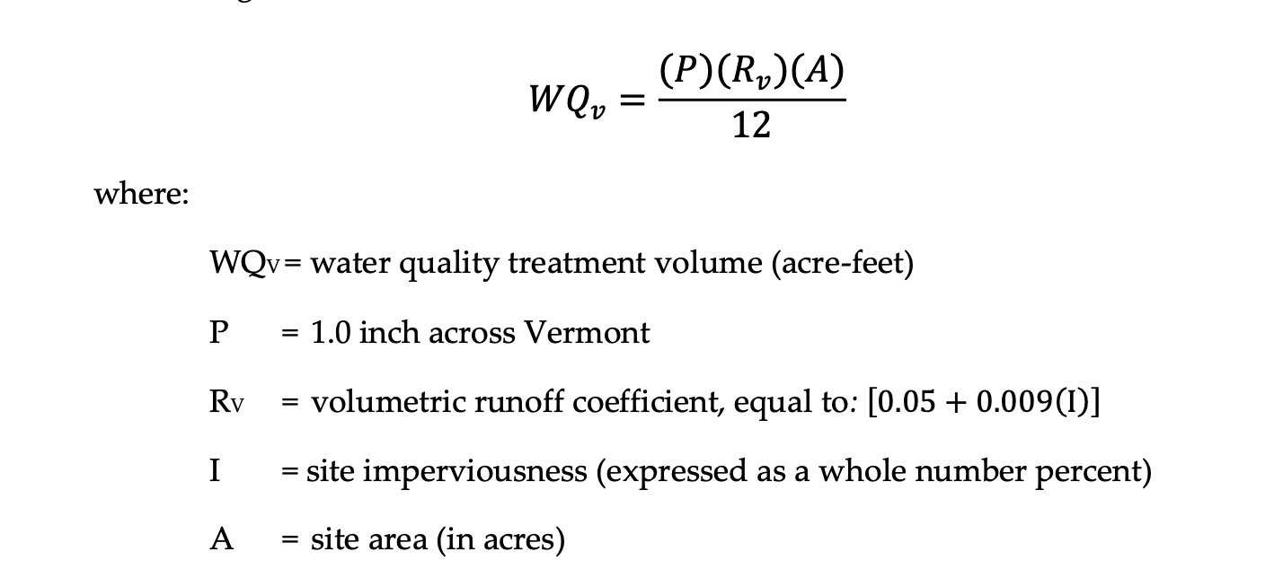
Current Set-Up | (Based on 1inch, 24 hour storm)
Area (acre) | Precip Depth (in) | Rv | I (% of impervious) | WQv (acre feet) | Qa (in) | CN | S | Q (runoff depth (in))
0.07805312 | 1 | 0.95 | 100 | 0.0061792053333 | 0.079166666667 | 77.707584711 | 2.8687566821 | 0.055140403168

Proposed Built
Area (acres) | Precip Depth (in) | Rv | I (% of impervious) | WQv (acre-ft.) | Qa (in) | CN | S | Q (runoff depth (in))
0.145316544 | 1 | 0.95 | 100 | 0.0115042264 | 0.079166666667 | 77.707584711 | 2.8687566821 | 0.055140403168

Difference of Water
WQv (cubic feet)
231.95833333

DRAINAGE BASIN SIZING |  | 1 inch, 24hr storm

CIRCULAR MANHOLE
Diameter (ft) | Radius (ft) | Height (ft) | Volume (ft^3)
8 | 4 | 10 | 503

SHORT-TUBE ORIFICE
Diameter (in) | ORIFICE SIZING | #1
6 | Flow (ft^3/s) | Area ft^2 | Coeff | Height from top (ft) | Cv | Cc | G (ft/s^2) | Velocity (ft^2/s)
 | 2.2 | 0.2 | 0.8 | 3 | 0.8 | 1 | 32.2 | 11.120
 | ORIFICE SIZING | #2
2 | Flow (ft^3/s) | Area ft^2 | Coeff | Height from top (ft) | Cv | Cc | G (ft/s^2) | Velocity (ft^2/s)
PIPE | 0.40 | 0.022 | 0.8 | 8 | 0.8 | 1 | 32.2 | 18.158
10 | PIPE SIZING
 | Flow (ft^3/s) | Length (ft) | Area ft^2 | G (ft/s^2) | Velocity (ft^2/s)
 |  | 107 | 0.55 | 32.2 | 0

