104-pin Header Mapping
OAAN: 104-pin Header Pinout
Revised: 02.01.2016
Pin | Header | Function | STM Pin | Note | Pin | Header | Function | STM Pin | Note | Allocation Index | # of Pins
1 | H1 | I2C1_SCL | PB6 |  | 1 | H2 | GND | P1_1 |  | GOM Space | 21
2 | H1 | RCC_OSC_IN | PH0-OSC_IN |  | 2 | H2 | GND | P1_2 |  | STM Discovery | 55
3 | H1 | I2C1_SDA | PB9 |  | 3 | H2 | VDD | P1_3 |  | Remaining | 28
4 | H1 | RCC_OSC_OUT | PH1-OSC_OUT |  | 4 | H2 | VDD | P1_4
5 | H1 | SPI1_NSS | PA4 |  | 5 | H2 | NRST | P1_6
6 | H1 | SYS_JTMS-SWDIO | PA13 |  | 6 | H2 |  |  |  | Notes |  | Date
7 | H1 | SPI1_SCK | PA5 |  | 7 | H2 | GND | P2_1 |  | Ease of routing for the umbilical board (easiest to most challenging): H1_ODD, H1_EVEN, H2_ODD, H2_EVEN |  | 1.28.16
8 | H1 | SYS_JTCK-SWCLK | PA14 |  | 8 | H2 | GND | P2_2
9 | H1 | SPI1_MISO | PA6 |  | 9 | H2 | 5V | P2_3
10 | H1 | SYS_JTDO-SWO | PB3 |  | 10 | H2 | 5V | P2_4
11 | H1 | SPI1_MOST | PA7 |  | 11 | H2 | 3V3 | P2_5
12 | H1 | TIM_CH1 | PE9 |  | 12 | H2 | 3V3 | P2_6
13 | H1 | UART4_RX | PA1 |  | 13 | H2 | GPIO_ADC | C0
14 | H1 | TIM2_CH1 | PA15 |  | 14 | H2 | GPIO_ADC | C1 |  | Based on ease of routing (note 1), we should examine the pin mapping from the STM to the header. The most desirable functions should be routed to H1_ODD pins. |  | 1.28.16
15 | H1 | UART4_TX | PC10 |  | 15 | H2 | GPIO_ADC | C2
16 | H1 | TIM3_CH1 | PB4 |  | 16 | H2 | GPIO_ADC | C3
17 | H1 | UART5_TX | PC12 |  | 17 | H2 | GPIO_ADC | A0
18 | H1 | GPIO_IN | PB2 |  | 18 | H2 | GPIO_ADC | C4
19 | H1 | UART5_RX | PD2 |  | 19 | H2 | GPIO_ADC | B1
20 | H1 | GPIO_IN | PE10 |  | 20 | H2 | GPIO_ADC | B0
21 | H1 | USART1_TX | PA9 |  | 21 | H2
22 | H1 | GPIO_IN | PE11 |  | 22 | H2
23 | H1 | USART1_RX | PA10 |  | 23 | H2
24 | H1 | GPIO_OUT | PE12 |  | 24 | H2
25 | H1 | USART3_TX | PB10 |  | 25 | H2 | +5V | - | Permanent 5V Output
26 | H1 | GPIO_OUT | PE13 |  | 26 | H2 | +5V | - | Permanent 5V Output
27 | H1 | USART3_RX | PB11 |  | 27 | H2 | +3.3V | - | Permanent 3.3V Output
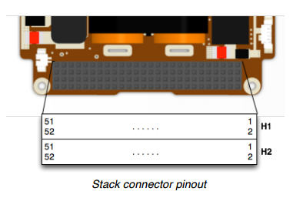
Note from GOM Space re: connector pinout
28 | H1 | GPIO_OUT | PE14 |  | 28 | H2 | +3.3V | - | Permanent 3.3V Output
29 | H1 | USART3_RTS | PB14 |  | 29 | H2 | GND | - | Power Ground
30 | H1 | GPIO_OUT | PE15 |  | 30 | H2 | GND | - | Power Ground
31 | H1 | USART3_CTS | PD11 |  | 31 | H2 | AGND | - | Analog Ground
32 | H1 | 5 V_IN | - | 5V Battery Charge Input | 32 | H2 | GND | - | Power Ground
33 | H1 | USART6_TX | PC6 |  | 33 | H2
34 | H1 | GPIO_OUT | PD12 |  | 34 | H2
35 | H1 | USART6_RX | PC7 |  | 35 | H2
36 | H1 | GPIO_OUT | PD13 |  | 36 | H2 | EPS RX | - | Serial Port RX (optional); INPUT
37 | H1 | USART6_CK | PC8 |  | 37 | H2
38 | H1 | GPIO_OUT | PD14 |  | 38 | H2 | EPX TX | - | Serial Port TX (optional); OUTPUT
39 | H1 | GPIO_ANALOG | PE14 |  | 39 | H2
40 | H1 | GPIO_OUT | PD15 |  | 40 | H2
41 | H1 | I2C-SDA | - | I2C Serial Data | 41 | H2
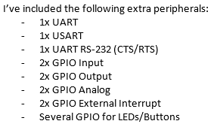
Note from Mark Banchy regarding STM Peripherals
42 | H1 | GPIO_EXTI0 | PE0 |  | 42 | H2
43 | H1 | I2C-SCL | - | I2C Serial Clock | 43 | H2
44 | H1 | GPIO_EXTI1 | PE1 |  | 44 | H2
45 | H1 | GPIO_ANALOG | PE15 |  | 45 | H2 | V_BAT | - | Battery Voltage
46 | H1 |  |  |  | 46 | H2 | V_BAT | - | Battery Voltage
47 | H1 | OUT-1 | - | Latch-up Protected Output | 47 | H2
48 | H1 | OUT-4 | - | Latch-up Protected Output | 48 | H2
49 | H1 | OUT-2 | - | Latch-up Protected Output | 49 | H2 | GND | P1_49
50 | H1 | OUT-5 | - | Latch-up Protected Output | 50 | H2 | GND | P1_50
51 | H1 | Out-3 | - | Latch-up Protected Output | 51 | H2 | GND | P2_49
52 | H1 | OUT-6 | - | Latch-up Protected Output | 52 | H2 | GND | P2_50

GOM Space Pinout
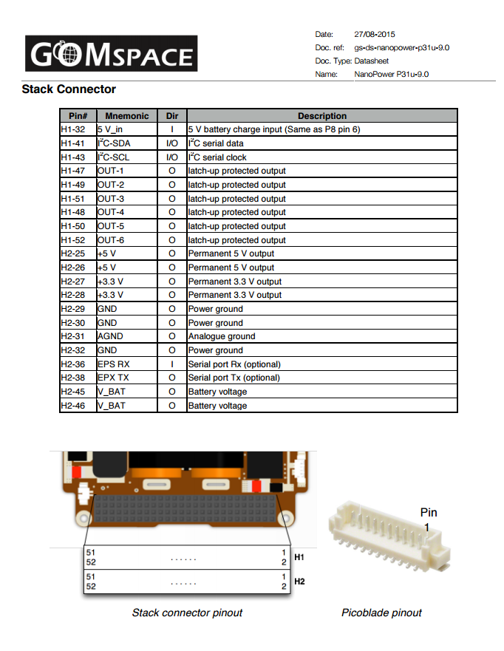

STM Pinout
