Sheet1
 | Outflow Volume m3 | Difference in Elevation m | Breach Formation Factor | Top width m | Depth m | Material Removed m3 | Development Time h |  | Failure
2 | 910 | 18 | 16380 | 23 | 27 | 22171 | 1.3 | Earthfill | Seepage
4 | 740 | 6 | 4440 | 14 | 6 | 1353 |  | Earthfill | Piping
8 | 57971 | 58 | 3362318 | 131 | 53 | 725535 | 7.3 | Earthfill | Overtopping
9 | 350 | 8 | 2800 | 9 | 10 | 1292 | 0.25 | Earthfill | Seepage
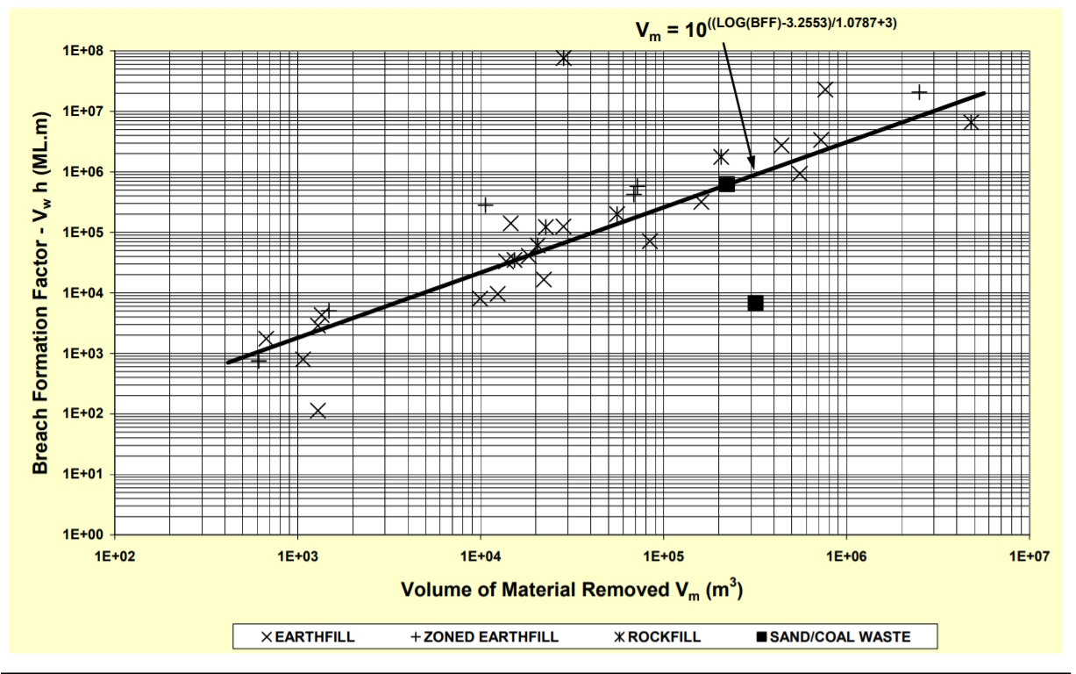
10 | 3873 | 9 | 34857 | 41 | 14 | 13761 | 0.58 | Earthfill | Seepage
11 | 16035 | 8 | 128280 | 67 | 12 | 28364 |  | Earthfill | Piping
12 | 580 | 1 | 580 | 30 | 4 | 1070 | 0.5 | Earthfill | Overtopping
13 | 16775 | 19 | 318725 | 180 | 19 | 160550 | 3 | Earthfill | Seepage | 579.86410543 | 1000
14 |  | 12 | 0 | 61 | 15 | 30810 | 2.25 | Earthfill | Piping | 2961375.3997 | 10000000
15 | 30589 | 30 | 917670 | 75 | 55 | 555046 | 1.5 | Earthfill | Overtopping
17 | 575 | 3 | 1725 | 13 | 5 | 673 |  | Earthfill | Seepage
 | BFF
22171 | 16380 | 579.86410543 | 1000
1353 | 4440 | 2961375.3997 | 10000000
725535 | 3362318
1292 | 2800
13761 | 34857
28364 | 128280
1070 | 580
160550 | 318725
30810 | 0
555046 | 917670
673 | 1725
9939 | 7770
12385 | 9468
 | 4966
 | 20961
 | 283976
 | 110
765000 | 22750700
 | 42
1292 | 125
440367 | 2718482
 | 513
18300 | 40754
84098 | 69930
 | 8
14602 | 139128
15520 | 0
68807 | 416262
71865 | 572320
10619 | 277524
612 | 680
2500000 | 20742664
1483 | 5296
55657 | 203522
6468 | 0
20489 | 59208
107034 | 0
15291 | 34488
4800000 | 6600000
226988 | 119880
206422 | 1776144
28400 | 75900000
222477 | 630000
318807 | 6776
19 | 777 | 10 | 7770 | 35 | 12 | 9939 |  | Earthfill | Piping
20 | 789 | 12 | 9468 | 30 | 15 | 12385 | 1 | Earthfill | Piping
21 | 382 | 13 | 4966 |  |  |  |  | Earthfill | Overtopping
22 | 1233 | 17 | 20961 | 23 | 21 |  | 0.33 | Earthfill | Piping
24 | 25816 | 11 | 283976 |  |  |  |  | Earthfill | Overtopping
28 | 22 | 5 | 110 |  |  |  |  | Earthfill
29 | 650020 | 35 | 22750700 | 200 | 35 | 765000 | 4 | Earthfill | Overtopping
30 | 7 | 6 | 42 |  |  |  |  | Earthfill
31 | 25 | 5 | 125 | 19 | 7 | 1292 |  | Earthfill | Seepage
32 | 71539 | 38 | 2718482 |  | 35 | 440367 | 2 | Earthfill | Overtopping
33 | 57 | 9 | 513 |  |  |  |  | Earthfill | Overtopping
35 | 2911 | 14 | 40754 | 30 | 17 | 18300 | 5 | Earthfill | Piping
36 | 3330 | 21 | 69930 | 91 | 21 | 84098 | 2 | Earthfill | Seepage
37 | 4 | 2 | 8 |  |  |  |  | Earthfill
41 | 11594 | 12 | 139128 | 46 | 14 | 14602 | 1.5 | Earthfill | Piping
6 |  |  | 0 |  |  | 15520 | 5.5 |  | Overtopping
18 | 18921 | 22 | 416262 | 128 | 61 | 68807 | 3.5 |  | Overtopping
25 | 35770 | 16 | 572320 | 107 | 20 | 71865 |  |  | Seepage
27 | 30836 | 9 | 277524 | 40 | 11 | 10619 |  |  | Seepage
38 | 136 | 5 | 680 | 20 | 5 | 612 |  |  | Piping
40 | 309592 | 67 | 20742664 | 21 | 67 | 2500000 | 6 |  | Piping
42 | 662 | 8 | 5296 | 55 | 7 | 1483 | 5 |  | Overtopping
5 | 9251 | 22 | 203522 | 21 | 21 | 55657 | 0.33 |  | Overtopping
7 |  | 12 | 0 |  | 12 | 6468 | 7 |  | Piping
16 | 7401 | 8 | 59208 | 76 | 12 | 20489 |  |  | Seepage
23 |  |  | 0 |  | 41 | 107034 | 0.33 |  | Overtopping
26 | 2874 | 12 | 34488 | 46 | 12 | 15291 | 3 |  | Seepage
26.1 | 110000 | 60 | 6600000 | 540 | 60 | 4800000 | 2 |  | Overtopping
34 | 4440 | 27 | 119880 | 210 | 27 | 226988 | 0.5
39 | 37003 | 48 | 1776144 |  | 58 | 206422 | 0.25 |  | Overtopping
43 | 3300000 | 23 | 75900000 | 137 | 24 | 28400 | 2 |  | Overtopping
1 | 22500 | 28 | 630000 | 92 | 30 | 222477 | 2.5 |  | Piping
3 | 484 | 14 | 6776 | 153 | 14 | 318807 | 0.5 |  | Seepage

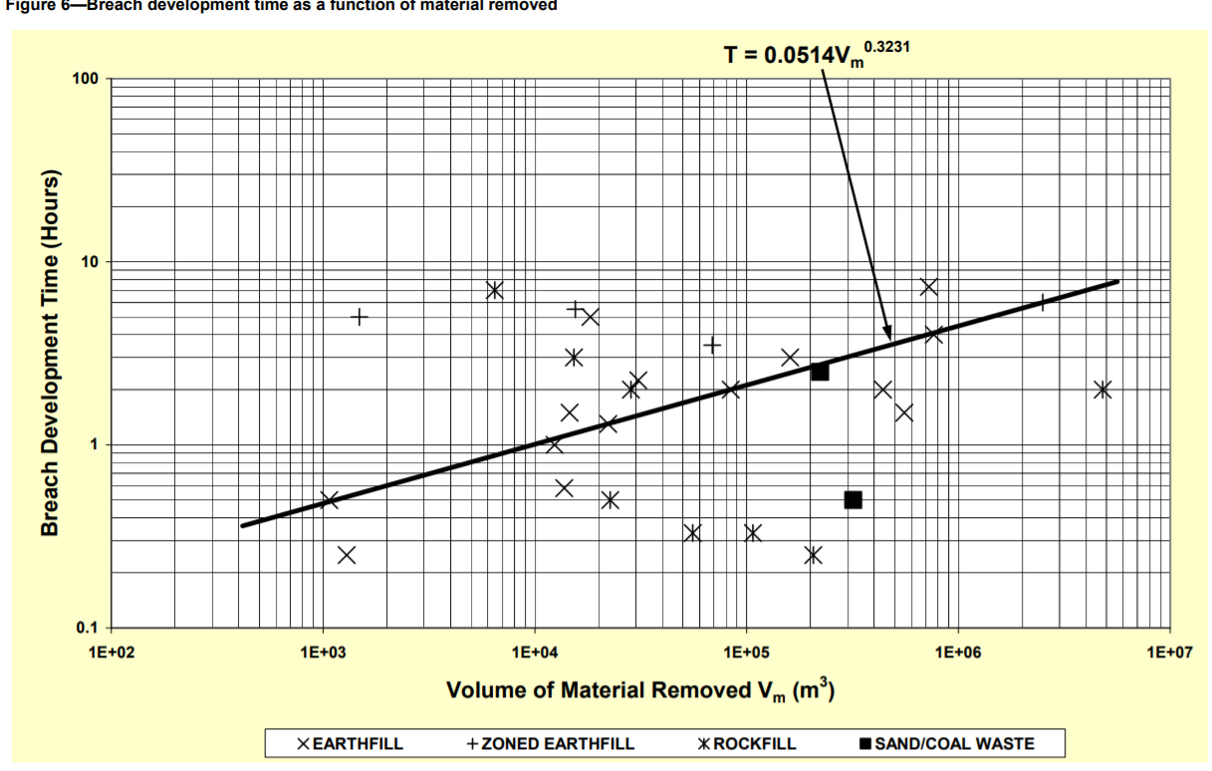
 |  |  |  |  |  |  |  |  |  | 579.86410543 | 0.40160010956
 |  |  |  |  |  |  |  |  |  | 2961375.3997 | 6.3372765176

22171 | 1.3 | 579.86410543 | 0.40160010956
1353 |  | 2961375.3997 | 6.3372765176
725535 | 7.3
1292 | 0.25
13761 | 0.58
28364
1070 | 0.5
160550 | 3
30810 | 2.25
555046 | 1.5
673
9939
12385 | 1
 | 0.33
765000 | 4
1292
440367 | 2
18300 | 5
84098 | 2
14602 | 1.5
15520 | 5.5
68807 | 3.5
71865
10619
612
2500000 | 6
1483 | 5
55657 | 0.33
6468 | 7
20489
107034 | 0.33
15291 | 3
4800000 | 2
226988 | 0.5
206422 | 0.25
28400 | 2
222477 | 2.5
318807 | 0.5

