Sheet1
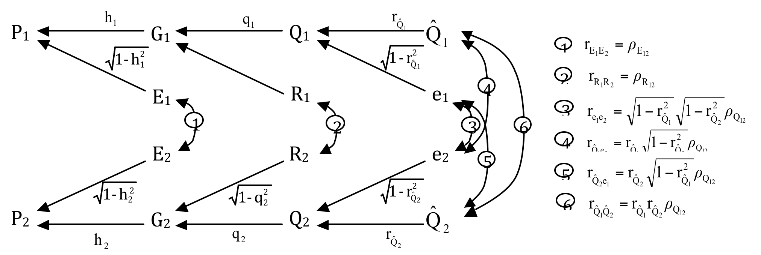
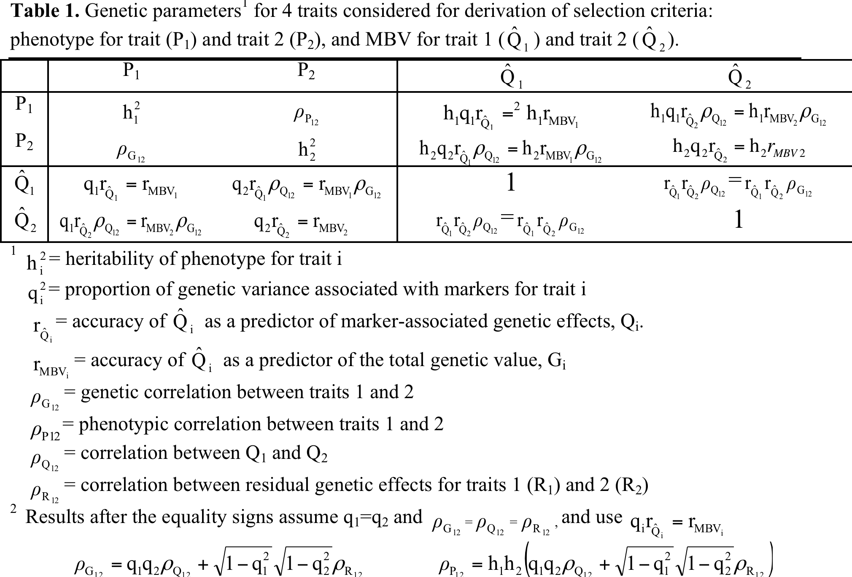
 | Converting selection on MBV and phenotype into a multiple-trait problem.
 | Based on Dekkers (2007, JABG) |  |  |  |  |  |  |  | rp | h.r
 |  |  |  | Heritability (diag), rg (below), rp (above)
 | h2_1 | 0.3 |  | P_1 | P_2 | M_1 | M_2
 | h2_2 | 0.3 | P_1 | 0.300 | -0.440 | 0.274 | -0.082
 | rG_12 | -0.3 | P_2 | -0.300 | 0.300 | -0.082 | 0.274
 | rE_12 | -0.5 | M_1 | 0.500 | -0.150 | 1.000 | -0.192
 | rMBV_1 | 0.5 | M_2 | -0.150 | 0.500 | -0.192 | 1.000 |  | path
 | rMBV_2 | 0.5 |  |  |  |  |  | corr(MBV2,P1) | Qhat2,Q2,G2,G1,P1 = |  | rqhat2.q2.rG12.h1 = rMBV2.h1.RG
acc marker effects | rQhat_1 | 0.8 |  |  |  |  |  | or | Qhat2,Q2,Q1,G1,P1 = |  | rqhat2.rQ12.q1.rG12.h1 ISNOT rMBV2.h1.RG
acc marker effects | rQhat_2 | 0.8 |  | rMBV = rQhat * q |  |  |  |  | the second seems wrong, but is listed below, actual formula rMBV2.h1.RG is not wrong
prop var captured | q2_1 | 0.39 |  |  |  |  |  |  | same with corr(MBV1,P2)
prop var captured | q2_2 | 0.39 |  | cov(Mb1,mb2) | -0.0144
 |  |  |  | ceck | -0.0144 |  |  | corr(MBV1,MBV2)= | Qhat2,Q2,Q1,G1,P1 =

